Head
Course Management System

ERD
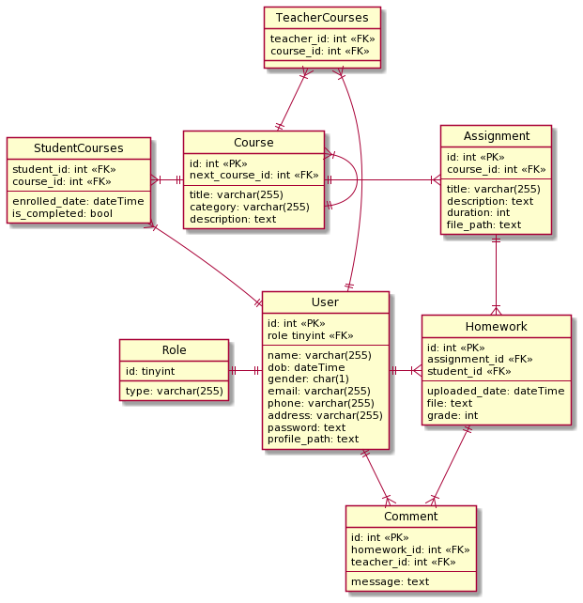

Transition
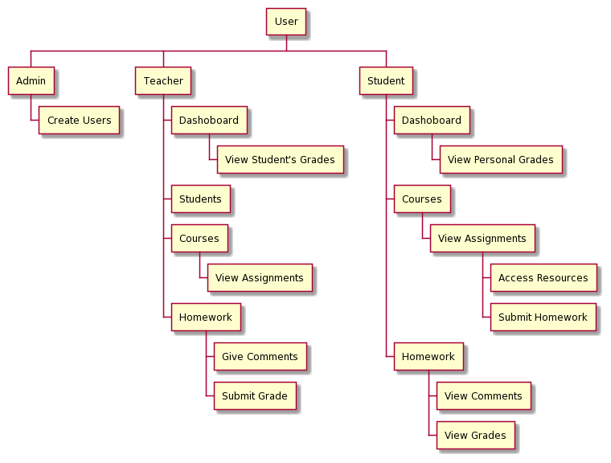

Courses
■ Courses

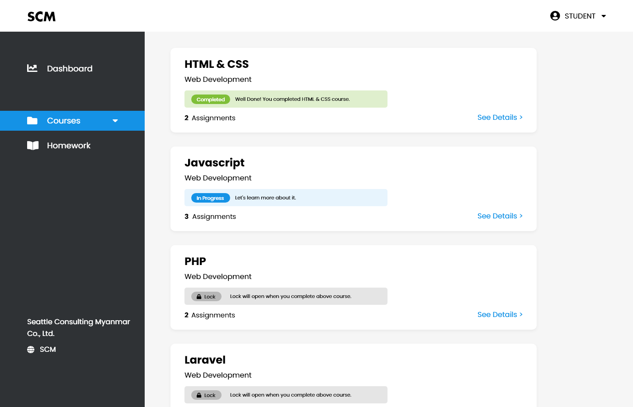

1

2
4
3

6
5

 | No. | Name | Type | TabIdx | I/O | Single item check |  |  | Role Restriction | Sort | Initail Value | DB (CRUD) |  | Remark
 |  |  |  |  |  | Required | Digits
 |  |  |  |  |  |  | Min | Max |  |  |  | Table | Column
 | 1 | CourseTitle | Label |  | O |  |  |  |  |  |  | Course | title
 | 2 | Category | Label |  | O |  |  |  |  |  |  | Course | category
 | 3 | Status | Label |  | O |  |  |  |  |  |  | StudentCourses | is_completed
 | 4 | Status Description | Label |  | O
 | 5 | NumberOfAssignments | Label |  | O |  |  |  |  |  |  | Assignment | id(count)
 | 6 | See Detaiils | Button |  | O |  |  |  |  |  |  |  |  | Go to Course Details Page

CourseDetails
■ Course Details

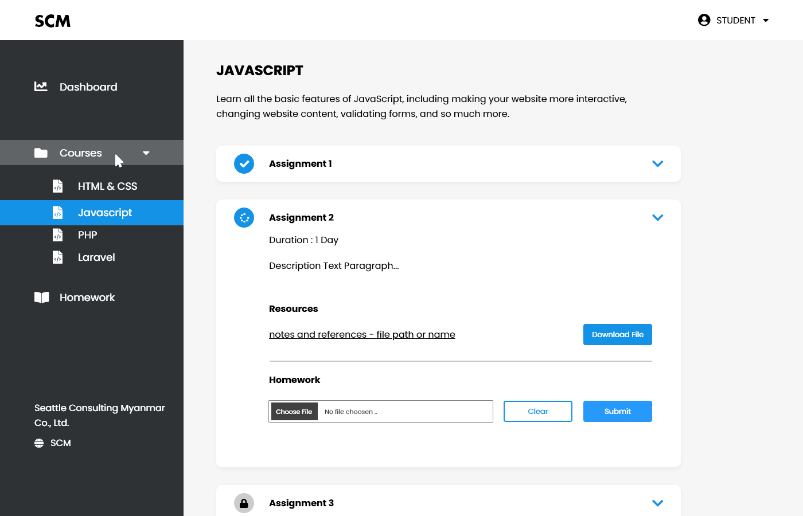

1

2

13
16

14
3

4

5

6
8
7

9
12
10
11

15

 | No. | Name | Type | TabIdx | I/O | Single item check |  |  | Role Restriction | Sort | Initail Value | DB (CRUD) |  | Remark
 |  |  |  |  |  | Required | Digits
 |  |  |  |  |  |  | Min | Max |  |  |  | Table | Column
 | 1 | CourseTitle | Label |  | O |  |  |  |  |  |  | Course | title
 | 2 | CoursesDescription | Label |  | O |  |  |  |  |  |  | Course | description
 | 3 | AssignmentName | Label |  | O |  |  |  |  |  |  | Assignment | title
 | 4 | AssignmentDuration | Label |  | O |  |  |  |  |  |  | Assignment | duration
 | 5 | AssignmentDescriprion | Label |  | O |  |  |  |  |  |  | Assignment | description
 | 6 | Resources | Label |  | O
 | 7 | FilePath | Textbox |  | I |  |  |  |  |  |  | Assignment | file_path | resource file
 | 8 | DownloadFile | Button |  | O |  |  |  |  |  |  |  |  | to download resource file
 | 9 | Homework | Label |  | O
 | 10 | ChooseFilePath | Button |  | I |  |  |  | Student |  |  | Homework | file_path | student's input file
 | 11 | Clear | Button |  | O |  |  |  |  |  |  |  |  | to clear input file path
 | 12 | Submit | Button |  | O |  |  |  | Student |  |  |  |  | to submit homework
 | 13 | Completed icon | Label |  |  |  |  |  |  |  |  |  |  | assignment complete status
 | 14 | Progress icon | Label |  |  |  |  |  |  |  |  |  |  | assignment progess status
 | 15 | Lock icon | Label
 | 16 | Accordian | Button |  |  |  |  |  |  |  |  |  |  | to view assignment details

Homework_StudentView
■Homework

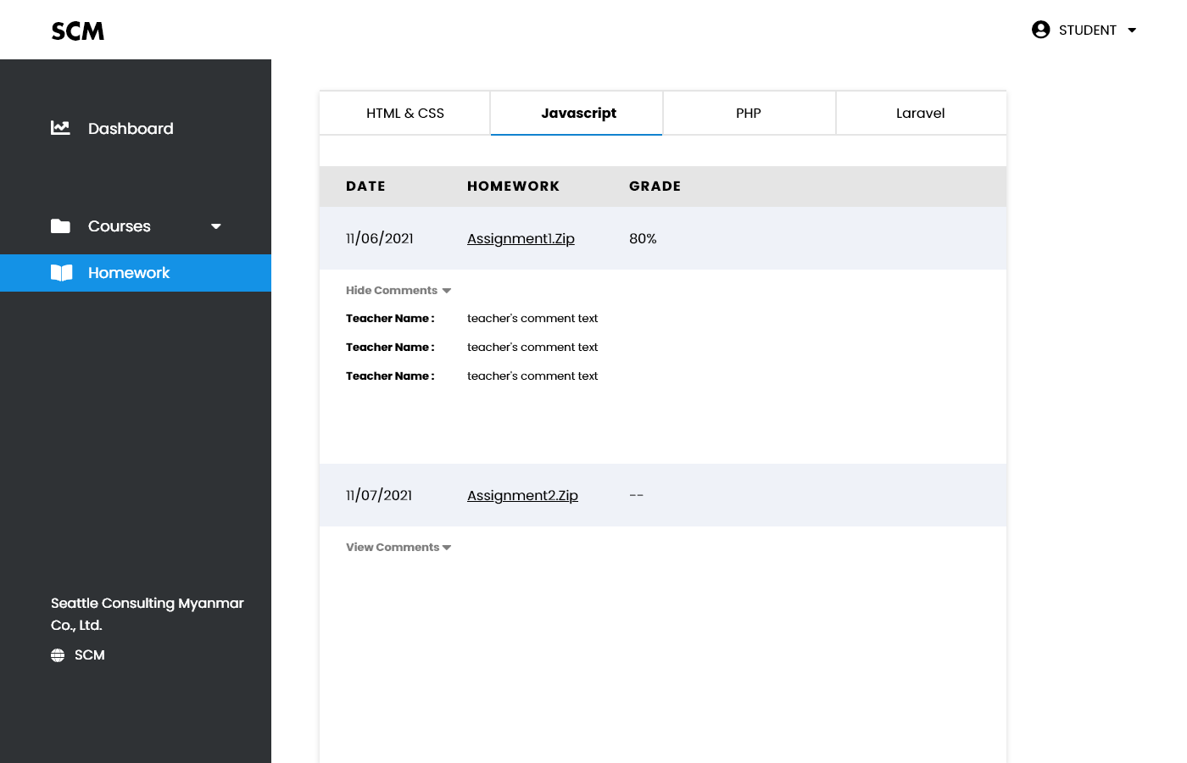

1
2

5
3

4

6
8
7

 | No. | Name | Type | TabIdx | I/O | Single item check |  |  | Role Restriction | Sort | Initail Value | DB (CRUD) |  | Remark
 |  |  |  |  |  | Required | Digits
 |  |  |  |  |  |  | Min | Max |  |  |  | Table | Column
 | 1 | Tab | Button |  | O |  |  |  |  |  |  |  |  | to choose course
 | 2 | CourseName | Label |  | O |  |  |  |  |  |  | Course | title
 | 3 | Date | Label |  | O |  |  |  |  |  |  | Homework | uploaded_date
 | 4 | Homework | Link |  | O |  |  |  |  |  |  | Homework | file
 | 5 | Grade | Label |  | O |  |  |  |  |  |  | Homework | grade
 | 6 | ToggleComment | Button |  | O |  |  |  |  |  |  |  |  | to hide and show comments
 | 7 | TeacherName |  |  | O |  |  |  |  |  |  | User | name
 | 8 | CommentText | Label |  | O |  |  |  |  |  |  | Comment | message

Homework_TeacherView
■Homework

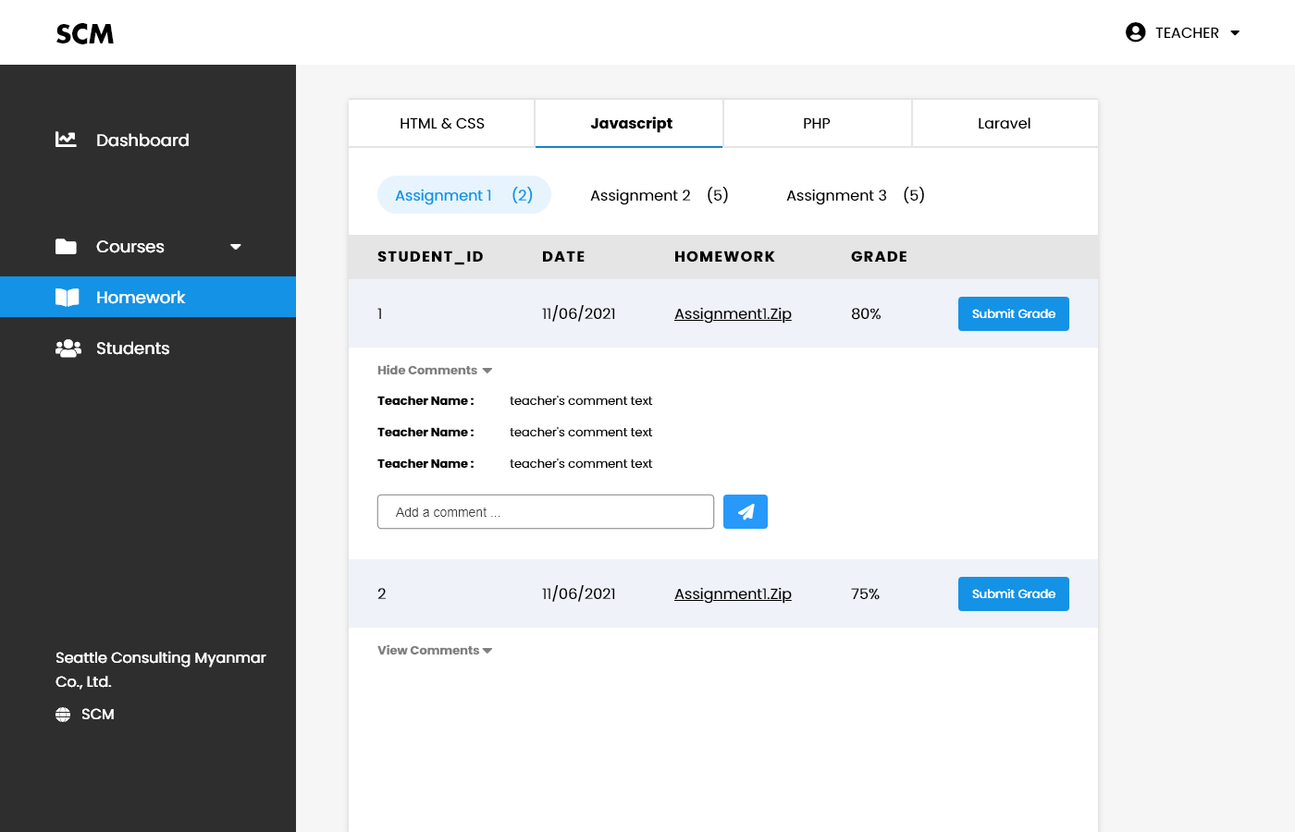

1

2

3

4
5
7
6
8

9

10

11

12
13

 | No. | Name | Type | TabIdx | I/O | Single item check |  |  | Role Restriction | Sort | Initail Value | DB (CRUD) |  | Remark
 |  |  |  |  |  | Required | Digits
 |  |  |  |  |  |  | Min | Max |  |  |  | Table | Column
 | 1 | Tab | Button |  | O |  |  |  |  |  |  |  |  | to choose course
 | 2 | CourseName | Label |  | O |  |  |  |  |  |  | Course | title
 | 3 | Inside Tab | Button |  | O |  |  |  |  |  |  |  |  | to choose assignment
 | 4 | Student_id | Label |  | O |  |  |  |  |  |  | Homework | student_id
 | 5 | Date | Label |  | O |  |  |  |  |  |  | Homework | uploaded_date
 | 6 | Homework | Link |  | O |  |  |  |  |  |  | Homework | file
 | 7 | Grade | Label |  | O |  |  |  |  |  |  | Homework | grade
 | 8 | SubmitGrade | Button |  | O |  |  |  | Teacher |  |  |  |  | to submit grade
 | 9 | ToggleComment | Button |  | O |  |  |  |  |  |  |  |  | to hide and show comments
 | 10 | TeacherName |  |  | O |  |  |  |  |  |  | User | name
 | 11 | CommentText | Label |  | O |  |  |  |  |  |  | Comment | message
 | 12 | AddAComment | Textbox |  | I |  |  |  | Teacher |  |  | Comment | message
 | 13 | Send icon | Button |  | O |  |  |  | Teacher |  |  |  |  | to add message

Students' Data_TeacherView
■Student's Data

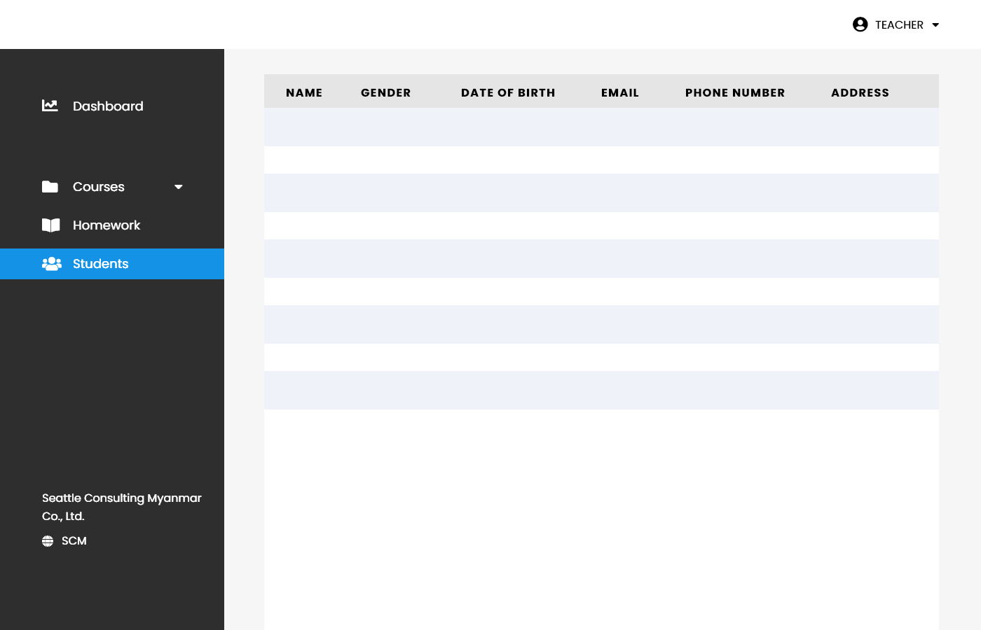

1
2
3
4
5
6

 | No. | Name | Type | TabIdx | I/O | Single item check |  |  | Role Restriction | Sort | Initail Value | DB (CRUD) |  | Remark
 |  |  |  |  |  | Required | Digits
 |  |  |  |  |  |  | Min | Max |  |  |  | Table | Column
 | 1 | Name | Label |  | O | 〇 |  |  | Teacher |  |  | User | name
 | 2 | Gender | Label |  | O | 〇 |  |  | Teacher |  |  | User | gender
 | 3 | DateOfBirth | Label |  | O | 〇 |  |  | Teacher |  |  | User | dob
 | 4 | Email | Label |  | O | 〇 |  |  | Teacher |  |  | User | email
 | 5 | PhoneNumber | Label |  | O | 〇 |  |  | Teacher |  |  | User | phone
 | 6 | Address | Label |  | O | 〇 |  |  | Teacher |  |  | User | address

Login
■ Login

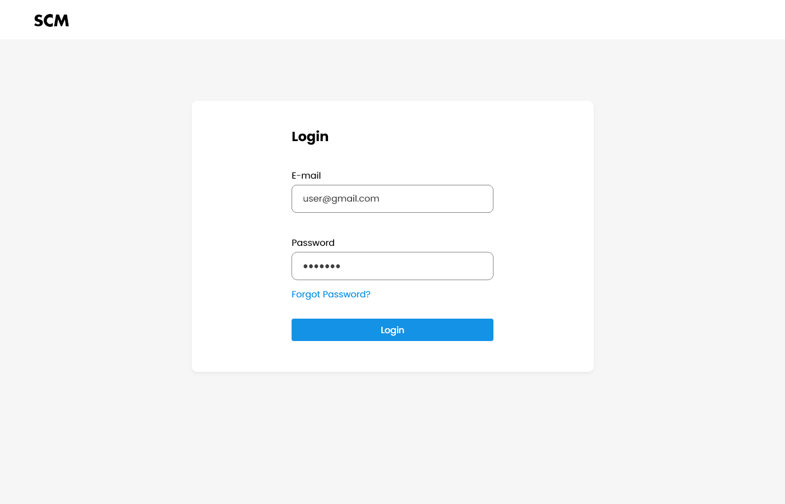

5

1

2

3

4

 | No. | Name | Type | TabIdx | I/O | Single item check |  |  | Role Restriction | Sort | Initail Value | DB (CRUD) |  | Remark
 |  |  |  |  |  | Required | Digits
 |  |  |  |  |  |  | Min | Max |  |  |  | Table | Column
 | 1 | Email | Textbox |  | I | 〇 |  |  | Admin/Student/ Teacher |  |  | User | email
 | 2 | Password | Textbox |  | I | 〇 |  |  | Admin/Student/ Teacher |  |  | User | password
 | 3 | ForgetPassword | Textbox |  | I | 〇 |  |  | Admin/Student/ Teacher
 | 4 | Login | Button |  | O |  |  |  | Admin/Student/ Teacher
 | 5 | LoginForm | Label |  |  |  |  |  | Admin/Student/ Teacher

Register
■ Register
13
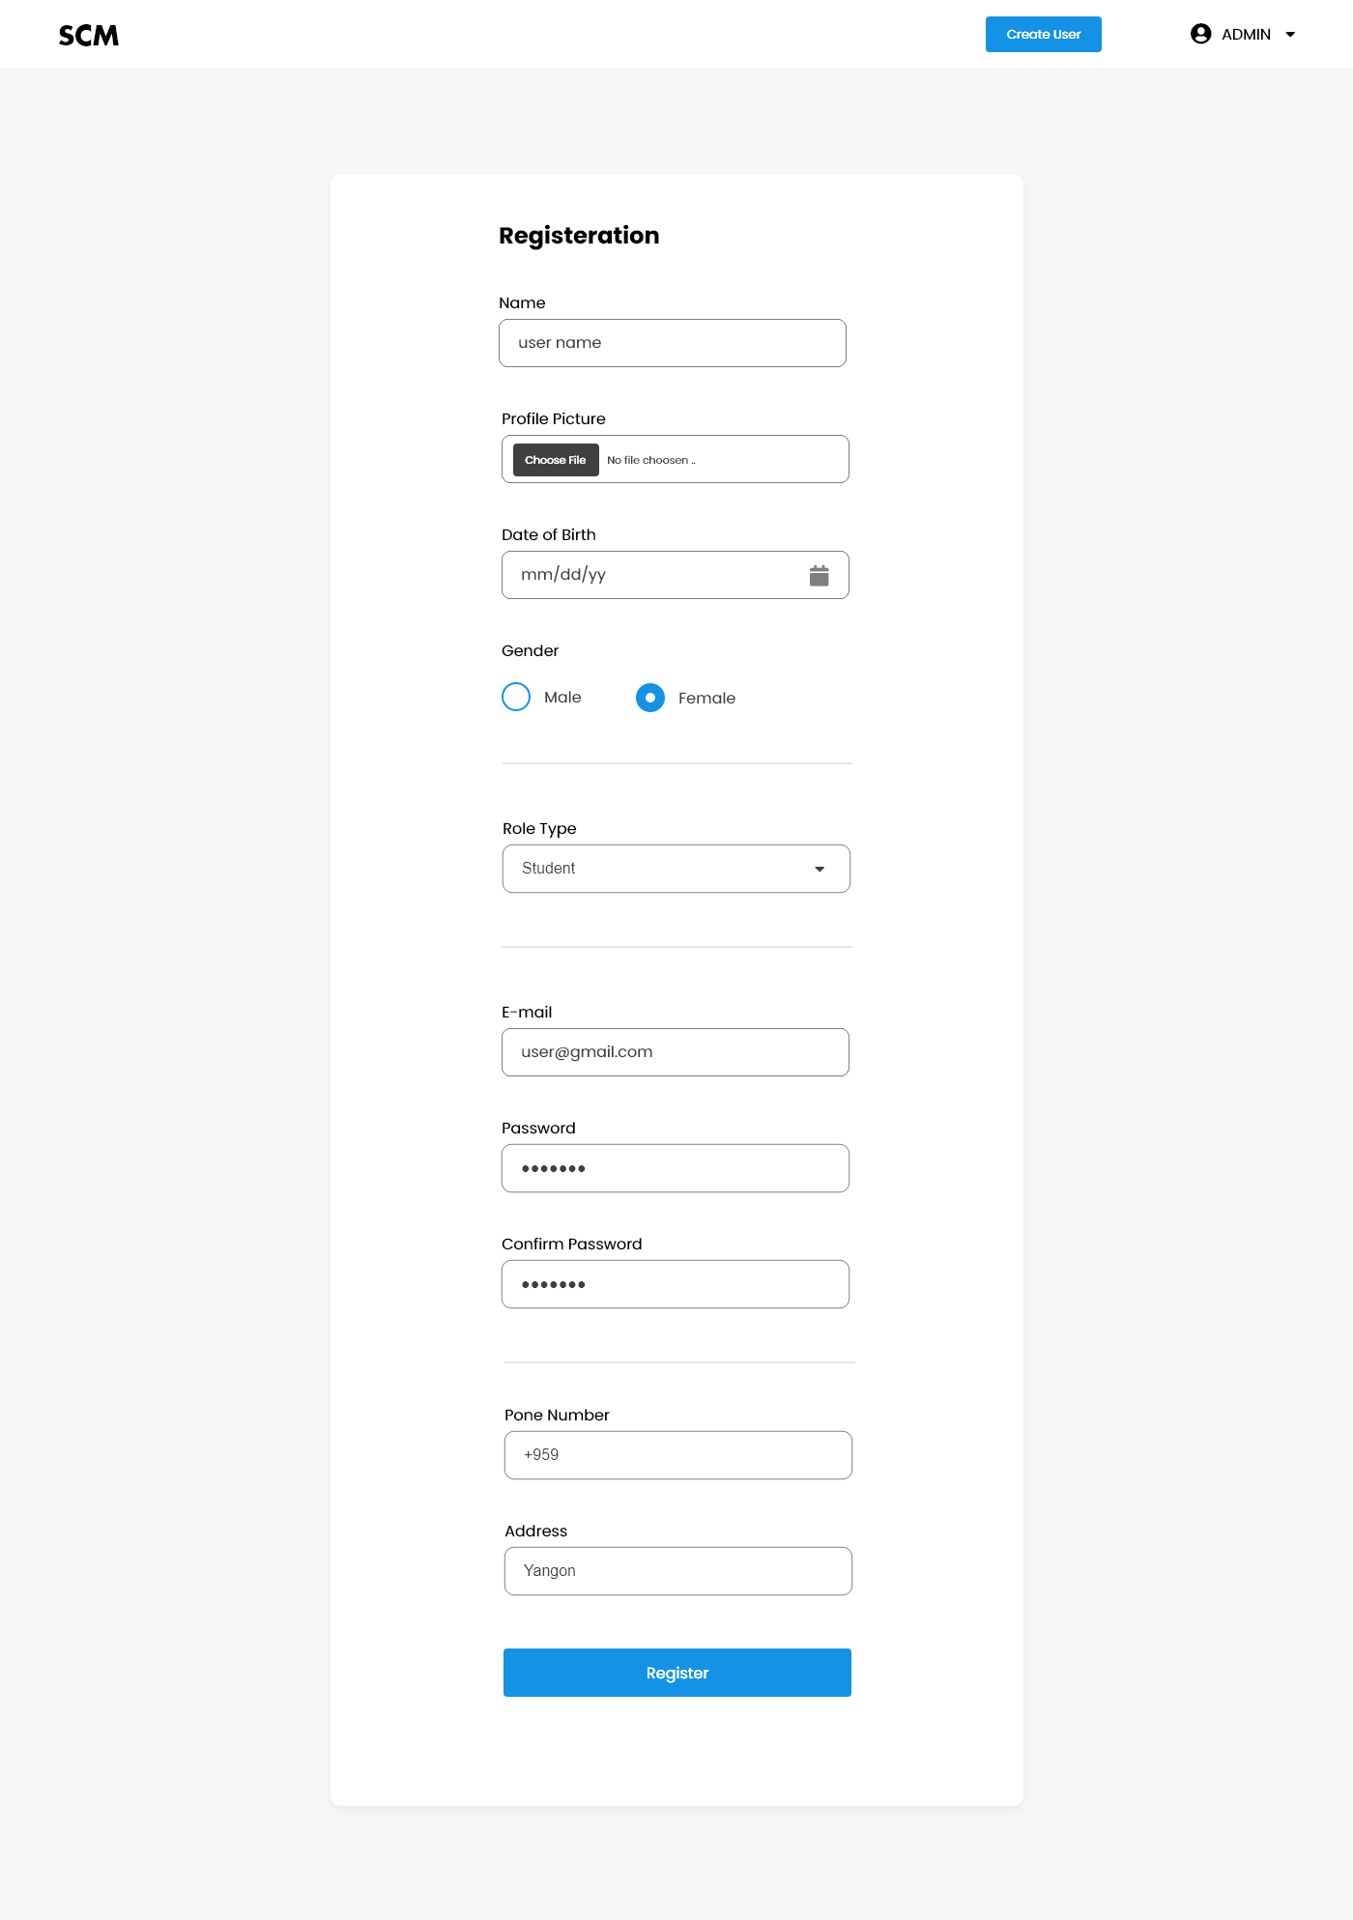

12

1

2

3

4

5

6

7

8

9

10

11

 | No. | Name | Type | TabIdx | I/O | Single item check |  |  | Role Restriction | Sort | Initail Value | DB (CRUD) |  | Remark
 |  |  |  |  |  | Required | Digits
 |  |  |  |  |  |  | Min | Max |  |  |  | Table | Column
 | 1 | Name | Textbox |  | I | 〇 |  |  | Admin |  |  | User | name
 | 2 | ProfilePicture | Textbox |  | I | 〇 |  |  | Admin |  |  | User | profile_path
 | 3 | DateOfBirth | Textbox |  | I | 〇 |  |  | Admin |  |  | User | dob
 | 4 | Gender | Button |  | I | 〇 |  |  | Admin |  |  | User | gender
 | 5 | RoleType | Label |  | I | 〇 |  |  | Admin |  |  | User | role
 | 6 | Email | Textbox |  | I | 〇 |  |  | Admin |  |  | User | email
 | 7 | Password | Textbox |  | I | 〇 |  |  | Admin |  |  | User | password
 | 8 | ConfirmPassword | Textbox |  | I | 〇 |  |  | Admin
 | 9 | PhoneNumber | Textbox |  | I | 〇 |  |  | Admin |  |  | User | phone
 | 10 | Address | Textbox |  | I | 〇 |  |  | Admin |  |  | User | address
 | 11 | Register | Button |  | O |  |  |  | Admin
 | 12 | Registration Form | Label
 | 13 | Create User | Button |  | O |  |  |  | Admin |  |  |  |  | to create users

Profile
■User's Profile

15
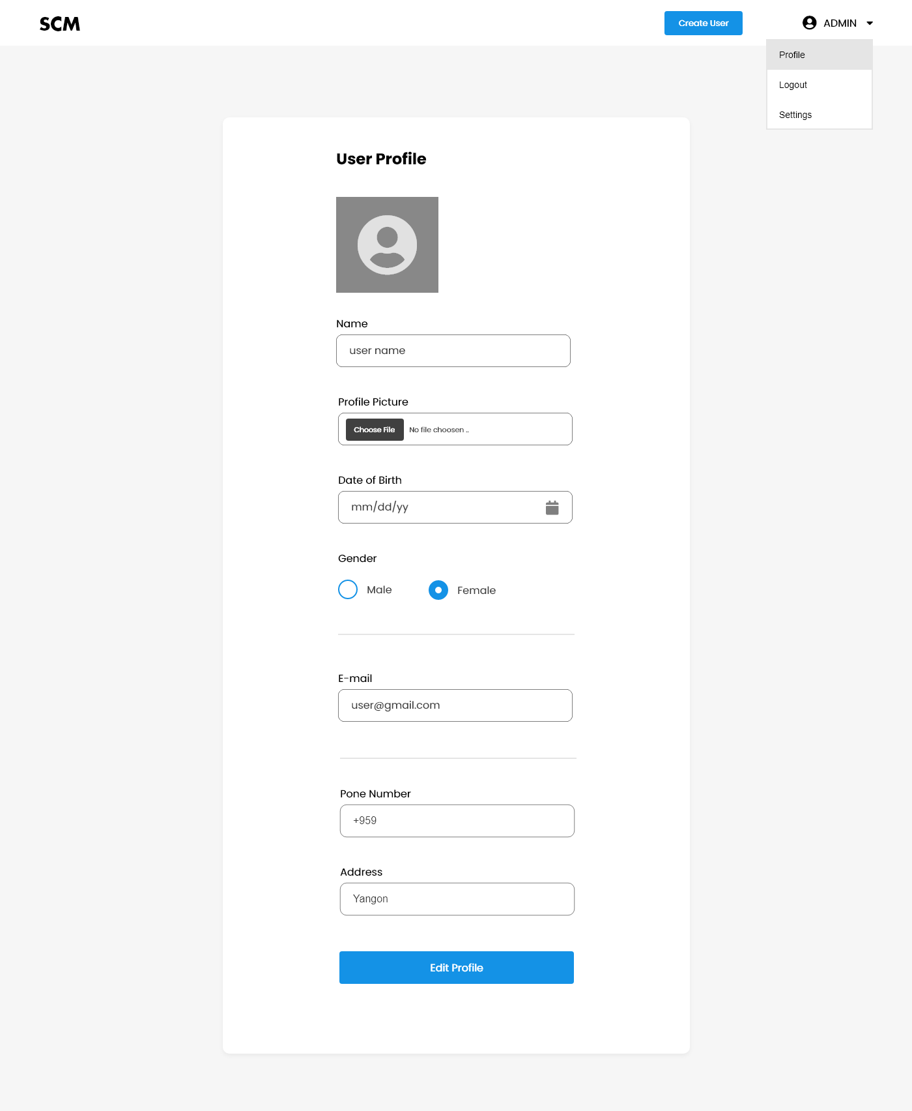
10
11

12
16

1

2

3

4

5

6

7

8

9

 | No. | Name | Type | TabIdx | I/O | Single item check |  |  | Role Restriction | Sort | Initail Value | DB (CRUD) |  | Remark
 |  |  |  |  |  | Required | Digits
 |  |  |  |  |  |  | Min | Max |  |  |  | Table | Column
 | 1 | Profile Picture | Button |  | O |  |  |  |  |  |  | User | profile_path | User profile image
 | 2 | Name | Textbox |  | I | 〇 |  |  | Admin |  |  | User | name
 | 3 | Profile Path | Textbox |  | I | 〇 |  |  | Admin |  |  | User | profile_path
 | 4 | DateOfBirth | Textbox |  | I | 〇 |  |  | Admin |  |  | User | dob
 | 5 | Gender | Button |  | I | 〇 |  |  | Admin |  |  | User | gender
 | 6 | Email | Textbox |  | I | 〇 |  |  | Admin |  |  | User | email
 | 7 | Password | Textbox |  | I | 〇 |  |  | Admin |  |  | User | password
 | 8 | ConfirmPassword | Textbox |  | I | 〇 |  |  | Admin
 | 9 | PhoneNumber | Textbox |  | I | 〇 |  |  | Admin |  |  | User | phone
 | 10 | Address | Textbox |  | I | 〇 |  |  | Admin |  |  | User | address
 | 11 | Edit Profile | Button |  | O |  |  |  | Admin
 | 12 | Profile | Button |  | O |  |  |  | Admin
 | 13 | Log out | Button |  | O |  |  |  | Admin
 | 14 | Setting | Button |  | O |  |  |  | Admin
 | 15 | User Profile | Label
 | 16 | Create User | Button |  | O |  |  |  | Admin |  |  |  |  | to create users

