TestCases
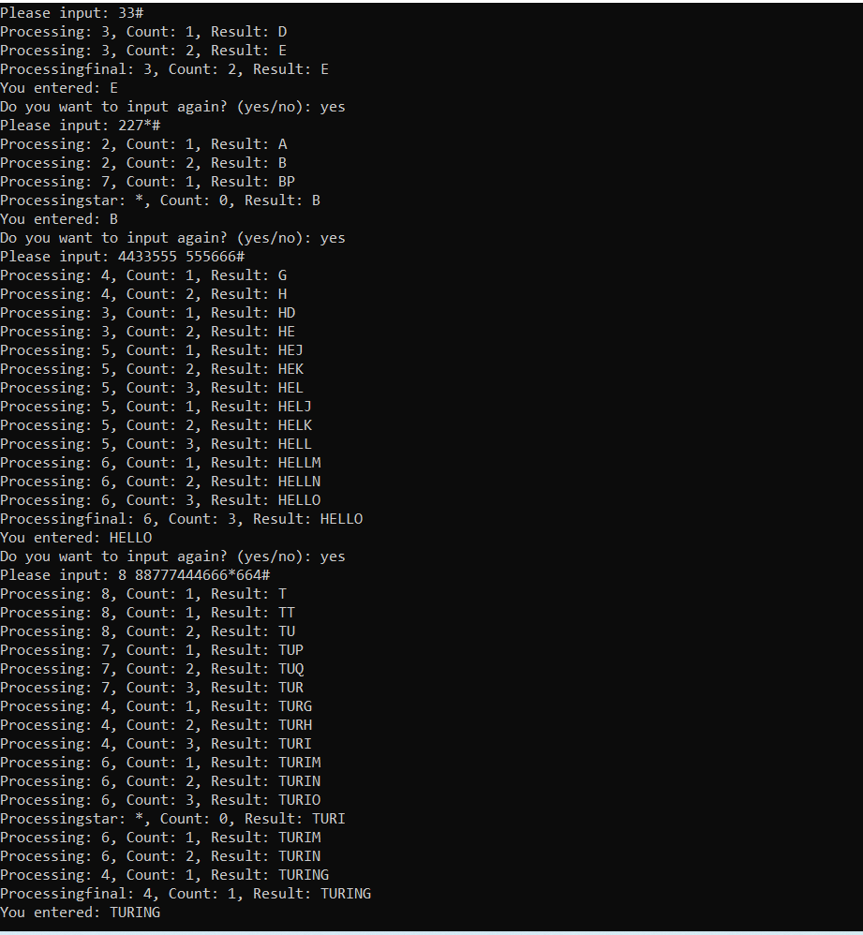
Index | Summary | Test Data/User Input | Expected | Status
1 | To verify if user input ended with # | 33# | System should response correct output ( eg: E ) | Pass
2 | To verify if user input ended without # | 33 | System should show the Prompt msg " "# should always be included at the end of every input." | Pass
3 | To verify if the last character is removed when user input '*' | 227*# | System should response correct output ( eg: B ) | Pass
4 | To verify if the current sequence is ended when user input space ' ' | 4433555 555666# | System should response correct output ( eg: HELLO ) | Pass
5 | To verify if the last character is removed when '*' is pressed in the middle of user input | 8 88777444666*664# | System should response correct output ( eg: TURING ) | Pass
6 | To verify if the same character input within length | 66# | System should response correct output ( eg: N ) | Pass
7 | To verify if the same character input over length ( 10 > 3 ) | 6666666666# | System should response correct output ( eg: M) Calculation ( count 10, count -1 -> 9 % 3 = 0 | Pass
8 | To verify if the same character input over length ( 5 > 3 ) | 66666# | System should response correct output ( eg: N) Calculation ( count 5, count -1 -> 4 % 3 = 1 | Pass
9 | To verify if the same character input over length ( 12 > 3 ) | 666666666666# | System should response correct output ( eg: O) Calculation ( count 12, count -1 -> 11 % 3 = 2 | Pass
10 | To verify if the character input not belong to keyMap ( 1 ) | 123456# | System should response correct output ( eg: ADGJM) | Pass

