Sheet1
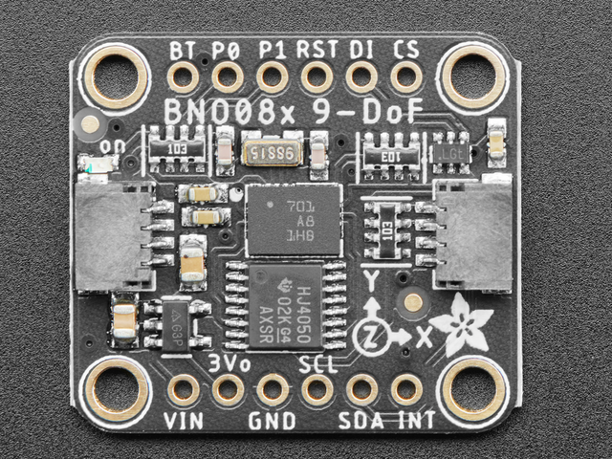
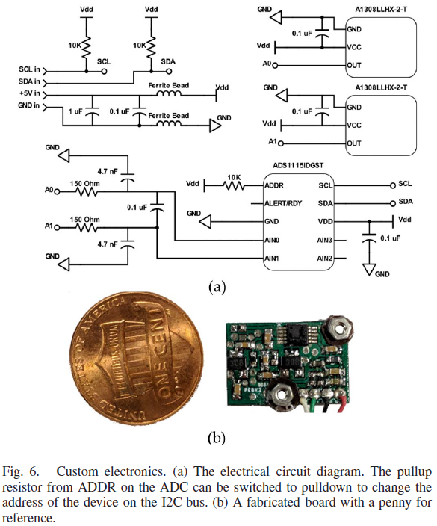
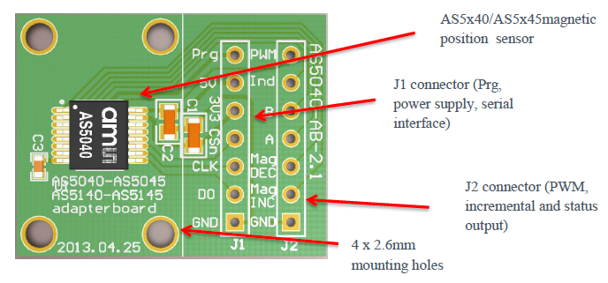
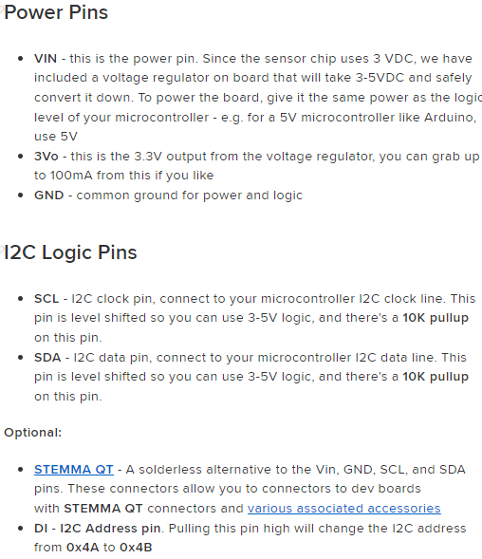
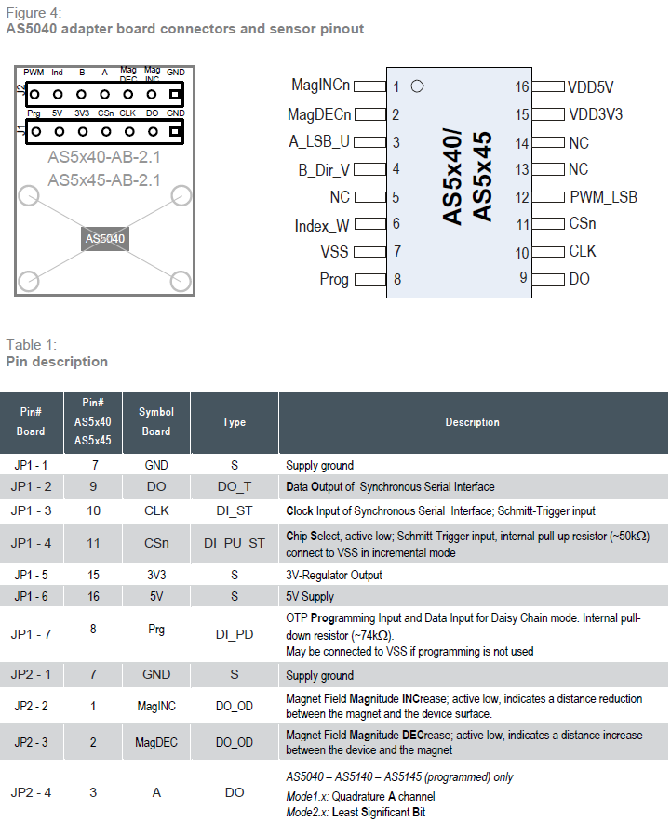
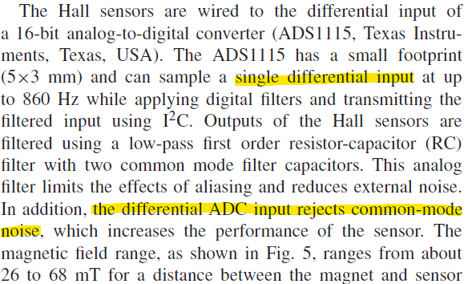
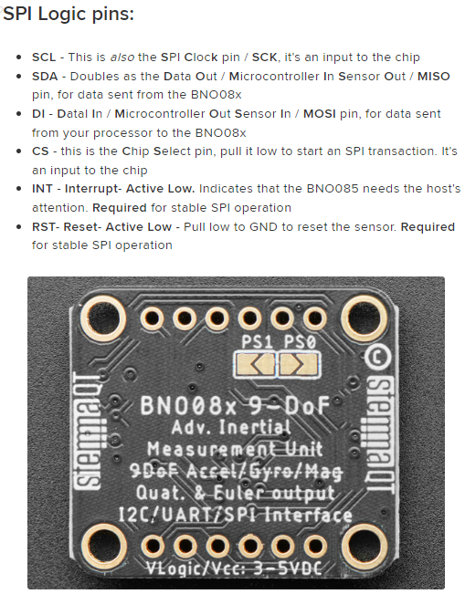
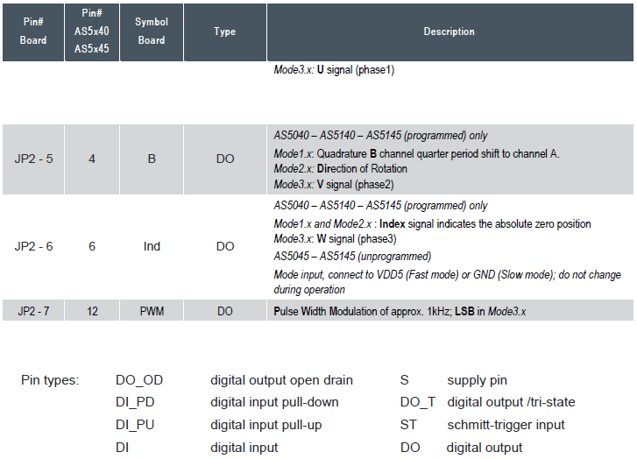
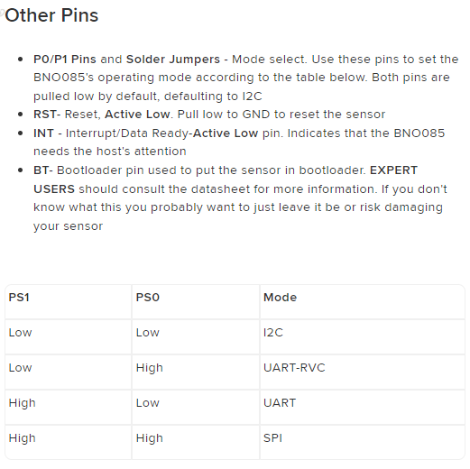
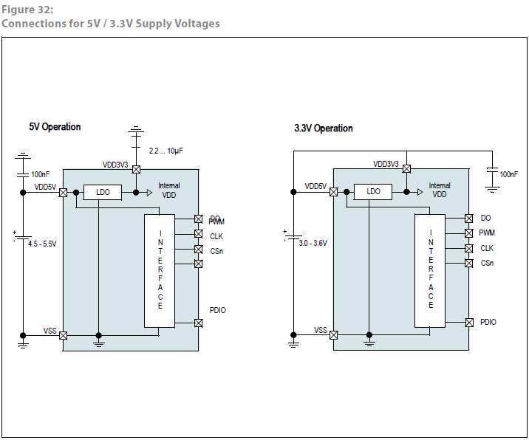
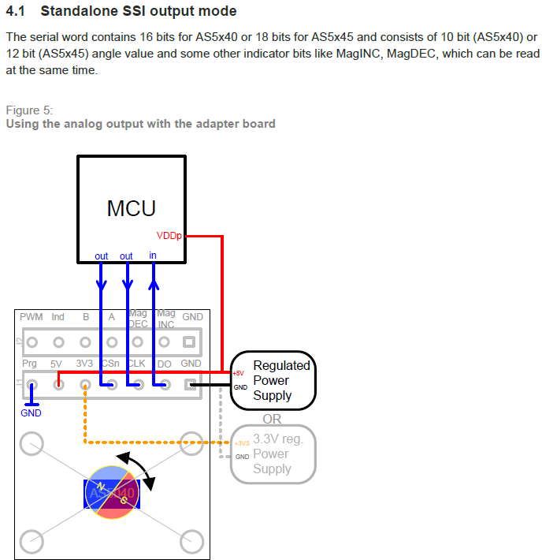
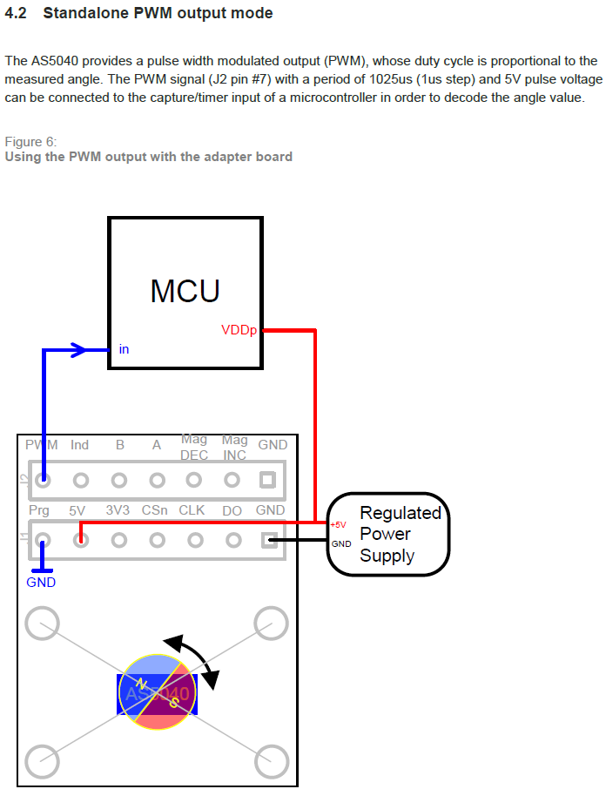
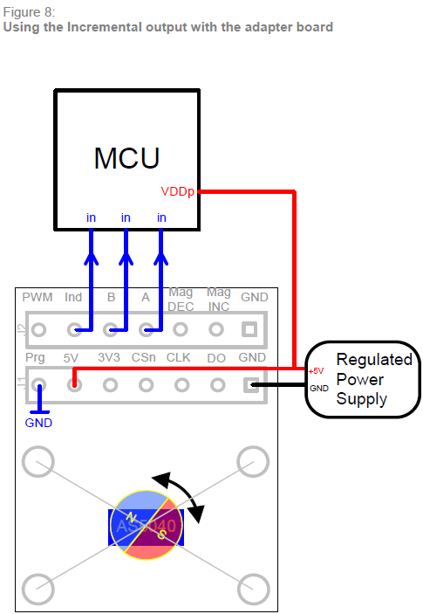
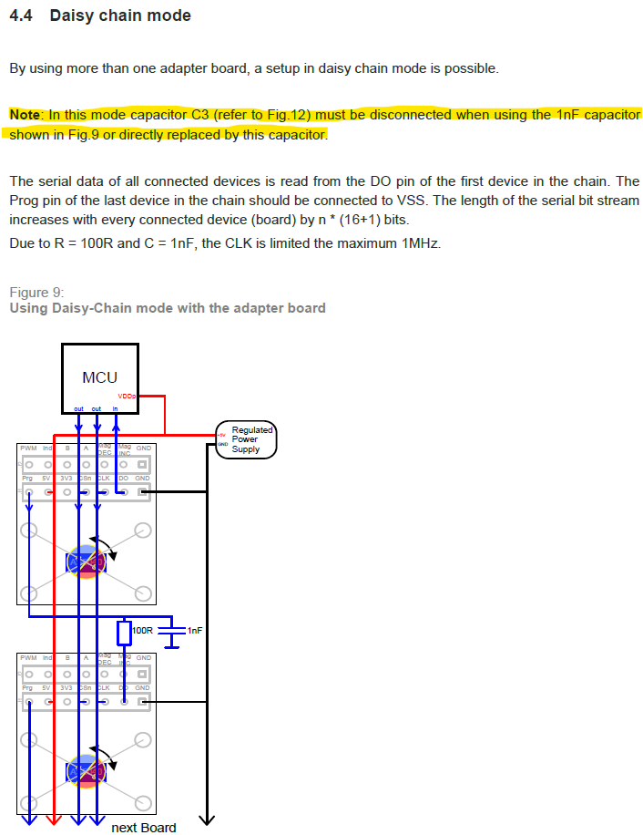
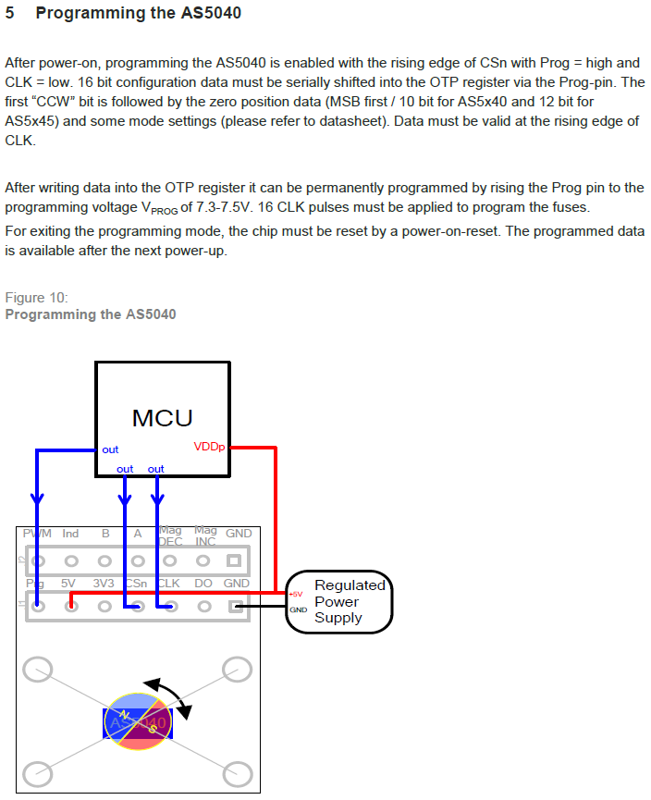
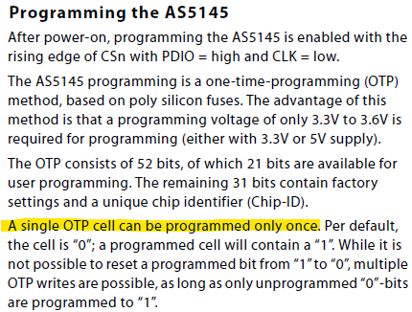
Note: The below does not correlate to any physical pin numbers. This is just a reference for figuring out how many pins are needed for the connectors. Brett can assign pins as he sees best.

Component | Connector
 | a | b | c | d | e | f | g | h | i | j | k | l | m | n
IMU 1 | VIN | GND | SCL / SCK | SDA / MISO | INT | DI / MOSI | CS | BT | P0 | P1 | RST | 3V |  |  | Single Needed
IMU 2 | VIN | GND | SCL / SCK | SDA / MISO | INT | DI / MOSI | CS | BT | P0 | P1 | RST | 3V |  |  | Shared Needed
Load Cell 1 | 5V | GND | SCL | SDA | Analog In 1 | Analog In 2 |  |  |  |  |  |  |  |  | Not Needed
Load Cell 2 | 5V | GND | SCL | SDA | Analog In 1 | Analog In 2
Mag Encoder 1 | GND | D0 | CLK | CSn | 3V3 | Prg | 5V | GND | Mag INC | Mag DEC | A | B | Ind | PWM
Mag Encoder 2 | GND | D0 | CLK | CSn | 3V3 | Prg | 5V | GND | Mag INC | Mag DEC | A | B | Ind | PWM
CAN 1 & 2 | CAN_H | CAN_L | GND | STO

 | IMU |  |  |  |  |  |  |  |  |  | Load Cell |  |  |  |  | Mag Encoder

