Personnages graphs
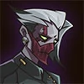
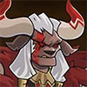

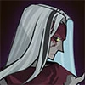
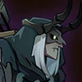


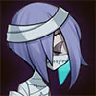

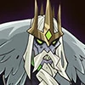
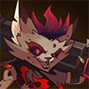


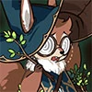
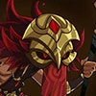





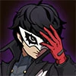



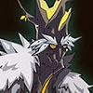

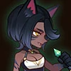








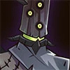
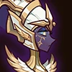





Top 10 des heros avec les plus utilisés dans La Bataille du Sang

Résumé des epreuves (img)
Epreuves de Walker | Combat 1 |  | Combat 2 |  | Combat 3 |  | Combat 4 |  | Combat 5 |  | Combat 6
positions | Defaite | Victoire | Defaite | Victoire | Defaite | Victoire | Defaite | Victoire | Defaite | Victoire | Defaite | Victoire
1 |  | 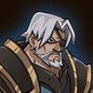 | 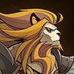 |  | 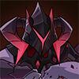 | 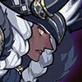 |  | 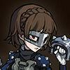 | 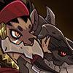 |  | 
2 |  | 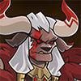 |  |  | 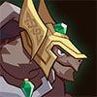 |  | 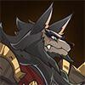 |  |  |  | 
3 |  |  |  |  |  |  |  |  | 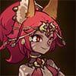 |  | 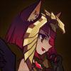
4 |  |  |  |  |  | 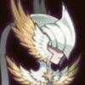 | 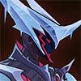 |  |  | 
5 | 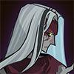 |  |  |  | 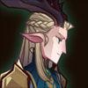 |  |  |  |  | 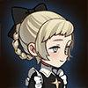
 | Defaite | Victoire | Defaite | Victoire | Defaite | Victoire | Defaite | Victoire | Defaite | Victoire | Defaite | Victoire

Epreuves Walker
PARTIE 1
Heros disponibles
 |  |  |  |  |  | 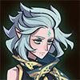
 | Walker | Talene | Kren | Anoki | Skriath | Respen | Hendrik | Rosaline | Rowan | Warek
 | Combat 1 |  | essai 1 | VICTOIRE |  | Combat 2 |  | essai 1 | VICTOIRE
 | 1. Lorsan |  | Hendrik |  |  | 1. Brutus |  | Hendrik
 | 2. Lucius |  | Anoki |  |  | 2. Hendrik |  | Anoki
 | 3. Kaz |  | Kren |  |  | 3. Elijah & Lailah |  | Kren
 | 4. Numisu |  | Walker |  |  | 4. Shemira |  | Walker
 | 5. Kelthur |  | Talene |  |  | 5. Kren |  | Talene

PARTIE 2
Heros disponibles
 |  |  |  |  |  |  |  |  | 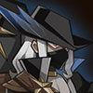
 | Walker | Alna | Queen | Peggy | Athalia | Eironn | Rosaline | Rowan | Fawkes | Lucius
 | Combat 1 |  | essai 1 | Defaite | essai 2 | Defaite | essai 3 | Victoire |  | Combat 2 |  | essai 1 | Defaite | essai 2 | Defaite | essai 3 | Defaite | essai 4 | Defaite | essai 5 | Victoire
 | 1. Mezoth |  | Queen |  | Alna |  | Alna |  |  | 1. Orthros |  | Alna |  | Alna |  | Queen |  | Fawkes |  | Queen
 | 2. Gorvo |  | Lucius |  | Lucius |  | Lucius |  |  | 2. Tidus |  | Lucius |  | Lucius |  | Lucius |  | Lucius |  | Peggy
 | 3. Elijah & Lailah |  | Athalia |  | Athalia |  | Walker |  |  | 3. Solise |  | Walker |  | Walker |  | Walker |  | Walker |  | Walker
 | 4. Rowan |  | Walker |  | Walker |  | Athalia |  |  | 4. Khazard |  | Athalia |  | Athalia |  | Athalia |  | Athalia |  | Athalia
 | 5. Eironn |  | Rowan |  | Rowan |  | Rowan |  |  | 5.Talene |  | Rowan |  | Queen |  | Rowan |  | Rowan |  | Rowan

PARTIE 3
Heros disponibles

 | Walker | Arthur | Peggy | Talene | Respen | Numisu | Nara | Eironn | Rosaline | Rowan
 | Combat 1 |  | essai 1 | Defaite | essai 2 | defaite | essai 3 | defaite | essai 4 | defaite | essai 5 | defaite | essai 6 | Victoire |  | Combat 2 |  | essai 1 | Defaite | essai 2 | Defaite | essai 3 | Victoire
 | 1. Skreg |  | Arthur |  | Respen |  | Walker |  | Arthur |  | Arthur |  | peggy |  |  | 1. Talene |  | peggy |  | peggy |  | peggy
 | 2. Lucius |  | Rowan |  | peggy |  | peggy |  | peggy |  | peggy |  | Arthur |  |  | 2. Thoran |  | Arthur |  | Arthur |  | Arthur
 | 3. Satrana |  | Walker |  | Eironn |  | Numisu |  | Numisu |  | Talene |  | Walker |  |  | 3. Safiya |  | Walker |  | Walker |  | Walker
 | 4. Belinda |  | Nara |  | Walker |  | Eironn |  | Eironn |  | Walker |  | Nara |  |  | 4. Elijah & Lailah |  | Nara |  | Nara |  | Rowan
 | 5. Numisu |  | Numisu |  | Numisu |  | Nara |  | Walker |  | Eironn |  | Rosaline |  |  | 5. Nara |  | Rosaline |  | Talene |  | Talene

