Personnages graphs




 | Utilisation aux epreuves
Ainz Ooal Gown | 0
Alaro | 10
Albedo | 0
Alna | 9
Anasta | 9
Anoki | 10
Antandra | 16
Arthur | 35
Astar | 38
Athalia | 20
Audrae | 18
BadenS | 6
Baden | 0
Belinda | 3
Brutus | 5
BrutusS | 14
Canisa & Ruke | 12
Cecilia | 15
Daimon | 14
Desira | 15
Drez | 0
Eironn | 12
Elijah & Lailah | 13
Eluard | 2
Eorin | 8
Estrilda | 10
Ezio | 0
Ezizh | 4
EzizhS | 10
Fane | 13
Fawkes | 1
Ferael | 1
Flora | 14
Framton | 14
Geralt | 12
Gorvo | 8
Granit | 34
Grezhul | 21
Gwyneth | 4
Haelus | 17
Hendrik | 12
Hodgkin | 25
Isabella | 10
Izold | 5
Joan of Arc | 8
JOKER | 0
Kalene | 6
Kaz | 2
Kelthur | 4
Khasos | 0
...

Top 10 des heros avec les plus utilisés dans La Bataille du Sang
 | Victoires | Defaites
Ainz Ooal Gown | 128 | 89
Alaro | 21 | 22
Albedo | 96 | 43
Alna | 103 | 56
Anasta | 9 | 5
Anoki | 44 | 61
Antandra | 54 | 57
Arthur | 125 | 130
Astar | 75 | 66
Athalia | 90 | 62
Audrae | 21 | 6
BadenS | 3 | 0
Baden | 56 | 95
Belinda | 49 | 120
Brutus | 53 | 88
BrutusS | 14 | 0
Canisa & Ruke | 16 | 0
Cecilia | 48 | 66
Daimon | 116 | 108
Desira | 62 | 74
Drez | 48 | 63
Eironn | 86 | 118
Elijah & Lailah | 129 | 111
Eluard | 46 | 64
Eorin | 16 | 2
Estrilda | 28 | 52
Ezio | 86 | 72
Ezizh | 59 | 62
EzizhS | 14 | 5
Fane | 50 | 40
Fawkes | 45 | 75
Ferael | 80 | 52
Flora | 101 | 90
Framton | 81 | 88
Geralt | 19 | 0
Gorvo | 44 | 43
Granit | 62 | 55
Grezhul | 150 | 92
Gwyneth | 56 | 101
Haelus | 85 | 44
Hendrik | 44 | 63
Hodgkin | 48 | 76
Isabella | 69 | 66
Izold | 46 | 67
Joan of Arc | 14 | 1
JOKER | 73 | 79
Kalene | 5 | 2
Kaz | 8 | 37
Kelthur | 70 | 72
Khasos | 34 | 81
...
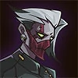
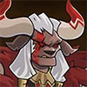

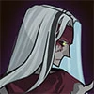
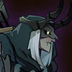



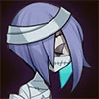

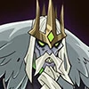
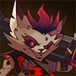



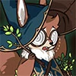
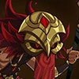






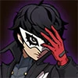



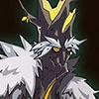

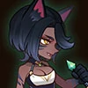


 | Victoires | Defaites
Ainz Ooal Gown | 128 | 89
Alaro | 21 | 22
Albedo | 96 | 43
Alna | 103 | 56
Anasta | 9 | 5
Anoki | 44 | 61
Antandra | 54 | 57
Arthur | 125 | 130
Astar | 75 | 66
Athalia | 90 | 62
Audrae | 21 | 6
BadenS | 3 | 0
Baden | 56 | 95
Belinda | 49 | 120
Brutus | 53 | 88
BrutusS | 14 | 0
Canisa & Ruke | 16 | 0
Cecilia | 48 | 66
Daimon | 116 | 108
Desira | 62 | 74
Drez | 48 | 63
Eironn | 86 | 118
Elijah & Lailah | 129 | 111
Eluard | 46 | 64
Eorin | 16 | 2
Estrilda | 28 | 52
Ezio | 86 | 72
Ezizh | 59 | 62
EzizhS | 14 | 5
Fane | 50 | 40
Fawkes | 45 | 75
Ferael | 80 | 52
Flora | 101 | 90
Framton | 81 | 88
Geralt | 19 | 0
Gorvo | 44 | 43
Granit | 62 | 55
Grezhul | 150 | 92
Gwyneth | 56 | 101
Haelus | 85 | 44
Hendrik | 44 | 63
Hodgkin | 48 | 76
Isabella | 69 | 66
Izold | 46 | 67
Joan of Arc | 14 | 1
JOKER | 73 | 79
Kalene | 5 | 2
Kaz | 8 | 37
Kelthur | 70 | 72
Khasos | 34 | 81
...





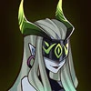

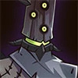

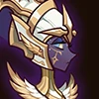

Ainz Ooal Gown | 58.99%
Alaro | 48.84%
Albedo | 69.06%
Alna | 64.78%
Anasta | 64.29%
Anoki | 41.90%
Antandra | 48.65%
Arthur | 49.02%
Astar | 53.19%
Athalia | 59.21%
Audrae | 77.78%
BadenS | 100.00%
Baden | 37.09%
Belinda | 28.99%
Brutus | 37.59%
BrutusS | 100.00%
Canisa & Ruke | 100.00%
Cecilia | 42.11%
Daimon | 51.79%
Desira | 45.59%
Drez | 43.24%
Eironn | 42.16%
Elijah & Lailah | 53.75%
Eluard | 41.82%
Eorin | 88.89%
Estrilda | 35.00%
Ezio | 54.43%
Ezizh | 48.76%
EzizhS | 73.68%
Fane | 55.56%
Fawkes | 37.50%
Ferael | 60.61%
Flora | 52.88%
Framton | 47.93%
Geralt | 100.00%
Gorvo | 50.57%
Granit | 52.99%
Grezhul | 61.98%
Gwyneth | 35.67%
Haelus | 65.89%
Hendrik | 41.12%
Hodgkin | 38.71%
Isabella | 51.11%
Izold | 40.71%
Joan of Arc | 93.33%
JOKER | 48.03%
Kalene | 71.43%
Kaz | 17.78%
Kelthur | 49.30%
Khasos | 29.57%
...

Résumé des epreuves (img)
Epreuves de Walker | Combat 1 |  | Combat 2 |  | Combat 3 |  | Combat 4 |  | Combat 5 |  | Combat 6
positions | Defaite | Victoire | Defaite | Victoire | Defaite | Victoire | Defaite | Victoire | Defaite | Victoire | Defaite | Victoire
1 |  | 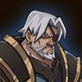 | 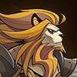 |  | 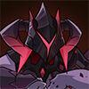 |  |  |  | 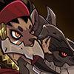 |  | 
2 |  | 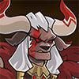 |  |  | 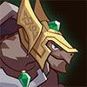 |  | 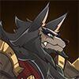 |  |  |  | 
3 |  |  |  |  |  |  |  |  | 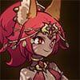 |  | 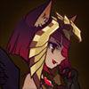
4 |  |  |  |  |  | 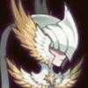 | 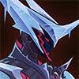 |  |  | 
5 |  |  |  |  | 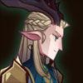 |  |  |  |  | 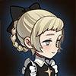
 | Defaite | Victoire | Defaite | Victoire | Defaite | Victoire | Defaite | Victoire | Defaite | Victoire | Defaite | Victoire

Epreuves Walker
PARTIE 1
Heros disponibles
 |  |  |  |  |  | 
 | Walker | Talene | Kren | Anoki | Skriath | Respen | Hendrik | Rosaline | Rowan | Warek
 | Combat 1 |  | essai 1 | VICTOIRE |  | Combat 2 |  | essai 1 | VICTOIRE
 | 1. Lorsan |  | Hendrik |  |  | 1. Brutus |  | Hendrik
 | 2. Lucius |  | Anoki |  |  | 2. Hendrik |  | Anoki
 | 3. Kaz |  | Kren |  |  | 3. Elijah & Lailah |  | Kren
 | 4. Numisu |  | Walker |  |  | 4. Shemira |  | Walker
 | 5. Kelthur |  | Talene |  |  | 5. Kren |  | Talene

PARTIE 2
Heros disponibles
 |  |  |  |  |  |  |  |  | 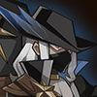
 | Walker | Alna | Queen | Peggy | Athalia | Eironn | Rosaline | Rowan | Fawkes | Lucius
 | Combat 1 |  | essai 1 | Defaite | essai 2 | Defaite | essai 3 | Victoire |  | Combat 2 |  | essai 1 | Defaite | essai 2 | Defaite | essai 3 | Defaite | essai 4 | Defaite | essai 5 | Victoire
 | 1. Mezoth |  | Queen |  | Alna |  | Alna |  |  | 1. Orthros |  | Alna |  | Alna |  | Queen |  | Fawkes |  | Queen
 | 2. Gorvo |  | Lucius |  | Lucius |  | Lucius |  |  | 2. Tidus |  | Lucius |  | Lucius |  | Lucius |  | Lucius |  | Peggy
 | 3. Elijah & Lailah |  | Athalia |  | Athalia |  | Walker |  |  | 3. Solise |  | Walker |  | Walker |  | Walker |  | Walker |  | Walker
 | 4. Rowan |  | Walker |  | Walker |  | Athalia |  |  | 4. Khazard |  | Athalia |  | Athalia |  | Athalia |  | Athalia |  | Athalia
 | 5. Eironn |  | Rowan |  | Rowan |  | Rowan |  |  | 5.Talene |  | Rowan |  | Queen |  | Rowan |  | Rowan |  | Rowan

PARTIE 3
Heros disponibles

 | Walker | Arthur | Peggy | Talene | Respen | Numisu | Nara | Eironn | Rosaline | Rowan
 | Combat 1 |  | essai 1 | Defaite | essai 2 | defaite | essai 3 | defaite | essai 4 | defaite | essai 5 | defaite | essai 6 | Victoire |  | Combat 2 |  | essai 1 | Defaite | essai 2 | Defaite | essai 3 | Victoire
 | 1. Skreg |  | Arthur |  | Respen |  | Walker |  | Arthur |  | Arthur |  | peggy |  |  | 1. Talene |  | peggy |  | peggy |  | peggy
 | 2. Lucius |  | Rowan |  | peggy |  | peggy |  | peggy |  | peggy |  | Arthur |  |  | 2. Thoran |  | Arthur |  | Arthur |  | Arthur
 | 3. Satrana |  | Walker |  | Eironn |  | Numisu |  | Numisu |  | Talene |  | Walker |  |  | 3. Safiya |  | Walker |  | Walker |  | Walker
 | 4. Belinda |  | Nara |  | Walker |  | Eironn |  | Eironn |  | Walker |  | Nara |  |  | 4. Elijah & Lailah |  | Nara |  | Nara |  | Rowan
 | 5. Numisu |  | Numisu |  | Numisu |  | Nara |  | Walker |  | Eironn |  | Rosaline |  |  | 5. Nara |  | Rosaline |  | Talene |  | Talene

