Sheet1
NOTE | FREQ | NS | PSC | ARR | FREQ_NOTE | FREQ_NOTE ESTIMATE | Error | PSC con coma | ARR con coma | uint8_t PSC_LUT [] = {
C4 | 36000000 | 100 | 55 | 25 | 261,63 | 261,82 | 0,072% | 55, | 25, | }; | uint8_t PSC_LUT [] = {55, 52, 49, 43, 42, 38, 54, 54, 54, 48, 55, 56, 49, 54, 51, 48, 42, 47, 54, 51, 48, 51, 35, 52, 49, 54, 51, 29, 34, 43, 27, 23, 217, 51, 193, 91};
C#4 | 36000000 | 100 | 52 | 25 | 277,19 | 276,92 | 0,096% | 52, | 25,
D4 | 36000000 | 100 | 49 | 25 | 293,67 | 293,88 | 0,071% | 49, | 25, | uint8_t ARR_LUT [] = {
D#4 | 36000000 | 100 | 43 | 27 | 311,13 | 310,08 | 0,339% | 43, | 27, | }; | uint8_t ARR_LUT [] = {25, 25, 25, 27, 26, 27, 18, 17, 16, 17, 14, 13, 14, 12, 12, 12, 13, 11, 9, 9, 9, 8, 11, 7, 7, 6, 6, 10, 8, 6, 9, 10, 1, 4, 1, 2};
E4 | 36000000 | 100 | 42 | 26 | 329,63 | 329,67 | 0,012% | 42, | 26,
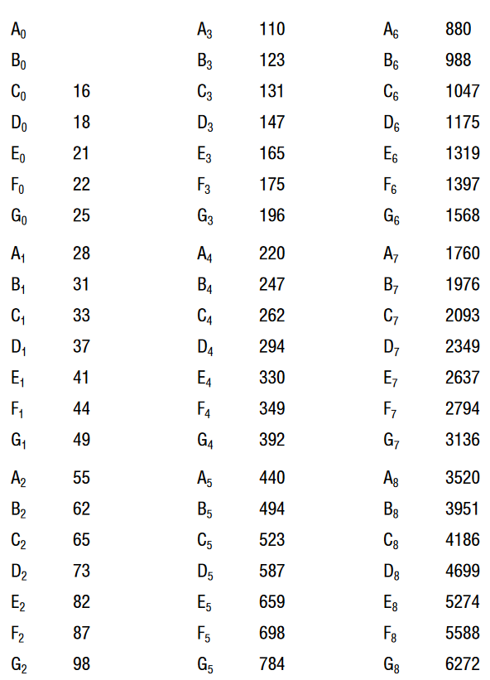
F4 | 36000000 | 100 | 38 | 27 | 349,23 | 350,88 | 0,469% | 38, | 27,
F#4 | 36000000 | 100 | 54 | 18 | 370 | 370,37 | 0,100% | 54, | 18,
G4 | 36000000 | 100 | 54 | 17 | 392 | 392,16 | 0,040% | 54, | 17,
G#4 | 36000000 | 100 | 54 | 16 | 415,31 | 416,67 | 0,326% | 54, | 16,
A5 | 36000000 | 100 | 48 | 17 | 440,01 | 441,18 | 0,264% | 48, | 17,
A#5 | 36000000 | 100 | 55 | 14 | 466,17 | 467,53 | 0,291% | 55, | 14,
B4 | 36000000 | 100 | 56 | 13 | 493,89 | 494,51 | 0,124% | 56, | 13,
C5 | 36000000 | 100 | 49 | 14 | 523,26 | 524,78 | 0,290% | 49, | 14,
C#5 | 36000000 | 100 | 54 | 12 | 554,37 | 555,56 | 0,213% | 54, | 12,
D5 | 36000000 | 100 | 51 | 12 | 587,34 | 588,24 | 0,152% | 51, | 12,
D#5 | 36000000 | 100 | 48 | 12 | 622,26 | 625,00 | 0,438% | 48, | 12,
E5 | 36000000 | 100 | 42 | 13 | 659,27 | 659,34 | 0,011% | 42, | 13,
F5 | 36000000 | 100 | 47 | 11 | 698,47 | 696,32 | 0,308% | 47, | 11,
F#5 | 36000000 | 100 | 54 | 9 | 740 | 740,74 | 0,100% | 54, | 9,
G5 | 36000000 | 100 | 51 | 9 | 784 | 784,31 | 0,040% | 51, | 9,
G#5 | 36000000 | 100 | 48 | 9 | 830,62 | 833,33 | 0,326% | 48, | 9,
A5 | 36000000 | 100 | 51 | 8 | 880,01 | 882,35 | 0,266% | 51, | 8,
A#5 | 36000000 | 100 | 35 | 11 | 932,34 | 935,06 | 0,291% | 35, | 11,
B5 | 36000000 | 100 | 52 | 7 | 987,78 | 989,01 | 0,124% | 52, | 7,
C6 | 36000000 | 100 | 49 | 7 | 1046,52 | 1.049,56 | 0,290% | 49, | 7,
C#6 | 36000000 | 100 | 54 | 6 | 1108,75 | 1.111,11 | 0,212% | 54, | 6,
D6 | 36000000 | 100 | 51 | 6 | 1174,68 | 1.176,47 | 0,152% | 51, | 6,
D#6 | 36000000 | 100 | 29 | 10 | 1244,53 | 1.241,38 | 0,254% | 29, | 10,
E6 | 36000000 | 100 | 34 | 8 | 1318,53 | 1.323,53 | 0,378% | 34, | 8,
F6 | 36000000 | 100 | 43 | 6 | 1396,94 | 1.395,35 | 0,114% | 43, | 6,
F#6 | 36000000 | 100 | 27 | 9 | 1480 | 1.481,48 | 0,100% | 27, | 9,
G6 | 36000000 | 100 | 23 | 10 | 1568,01 | 1.565,22 | 0,178% | 23, | 10,
G#6 | 36000000 | 100 | 217 | 1 | 1661,25 | 1.658,99 | 0,136% | 217, | 1,
A6 | 36000000 | 100 | 51 | 4 | 1760,03 | 1.764,71 | 0,265% | 51, | 4,
A#6 | 36000000 | 100 | 193 | 1 | 1864,69 | 1.865,28 | 0,032% | 193, | 1,
B6 | 36000000 | 100 | 91 | 2 | 1975,57 | 1.978,02 | 0,124% | 91 | 2

