Sheet1
Training ID | Training Name | Description | Date | Time | End Time | Venue | Cost | Max Participant | Image
T101 | ARTIFICIAL INTELLIGENCE | AI is the development of computer systems that is able to perform tasks that require human intelligence. AI can learn and perform complex problem-solving. In this training, participants will understand what is an AI model, determine the impact of AI, develop and design a simple AI model . | 2023-05-31 | 9.00 AM | 5.00 PM | Alpha Enterprise Conference Hall | RM25 | 40 | 
T102 | CYBERSECURITY | Cybersecurity is the practice of protecting critical systems and sensitive information from digital attacks. In this training, participants will learn about different types of cyber attacks, acquire knowledge and skills to protect digital systems, networks, and data from unauthorized access and involve in hands-on practical activities. | 2023-06-08 | 9.00 AM | 3.30 PM | Alpha Enterprise Training Room | RM20 | 30
T103 | MARKETING | Marketing is the activity of promoting, market researching and advertising of products or services. In this training, participants will learn about market research, consumer behaviour, branding, advertising and digital marketing strategies, involve in interactive sessions to study the real-world case studies, gain insight into promoting and building the digital platforms and apply data analytics skills to implement the marketing plans. | 2023-06-24 | 10.00 AM | 3.00 PM | Alpha Enterprise Conference Hall | RM20 | 45 | 
T104 | LEADERSHIP | Leadership is the behaviour of directing and leading a group of people to achieve a goal. In this training, participants will involve in various activities such as team building, learn about various communication techniques and decision-making strategies and acquire knowledge of using practical tools to enhance the leadership capabilities. | 2023-06-28 | 10.00 AM | 5.00 PM | Alpha Enterprise Conference Hall | RM15 | 60 | 
T105 | AGILE PROJECT MANAGEMENT | Agile methodology allows the project to run in a dynamic and face-paced environment. In this training, participants will understand the principles of agile project management, learn how to break down a complex project into smaller tasks, create prioritized backlogs and learn how to use tools such as Kanban Board or Gantt Chart to keep track of the work progress. | 2023-07-04 | 10.00 AM | 5.00 PM | Alpha Enterprise Conference Hall | RM15 | 40 | 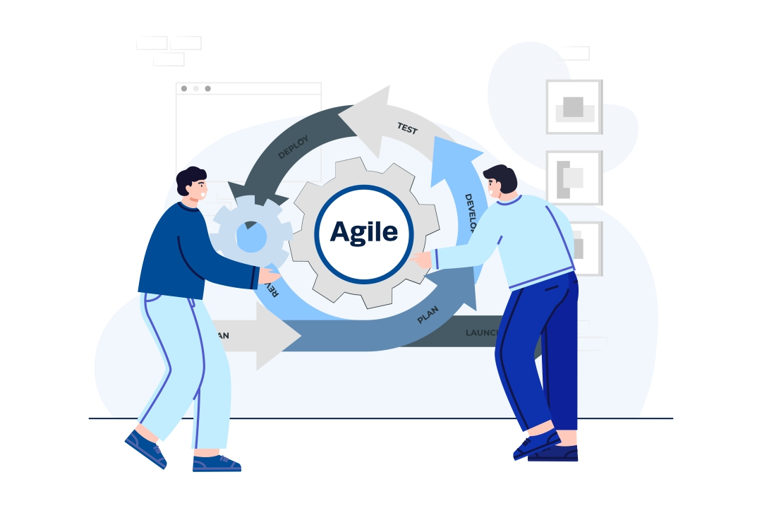
T106 | NETWORKING | Networking is a practice of transporting data between nodes over a shared medium in an information system. In this training, participants will learn about network protocols, IP addressing, routing, network security, and troubleshooting techniques, gain practical knowledge by setting up and configuring network devices, monitoring network performance, and implementing security measures. | 2023-07-06 | 10.00 AM | 5.00 PM | Alpha Enterprise Training Room | RM20 | 30 | 
T107 | COMMUNICATION SKILLS | Being able to communicate effectively is perhaps the most important of all life skills. It is what enables us to pass information to other people, and to understand what is said to us. You only have to watch a baby listening intently to its mother and trying to repeat the sounds that she makes to understand how fundamental is the urge to communicate. | 2023-07-07 | 1.00 PM | 6.00 PM | Alpha Enterprise Conference Hall | RM20 | 50 | 
T108 | QUALITY ASSURANCE | Quality assurance (QA) is any systematic process of determining whether a product or service meets specified requirements. QA establishes and maintains set requirements for developing or manufacturing reliable products. | 2023-07-10 | 8.00 AM | 12.00 PM | Alpha Enterprise Conference Hall | RM30 | 30 | 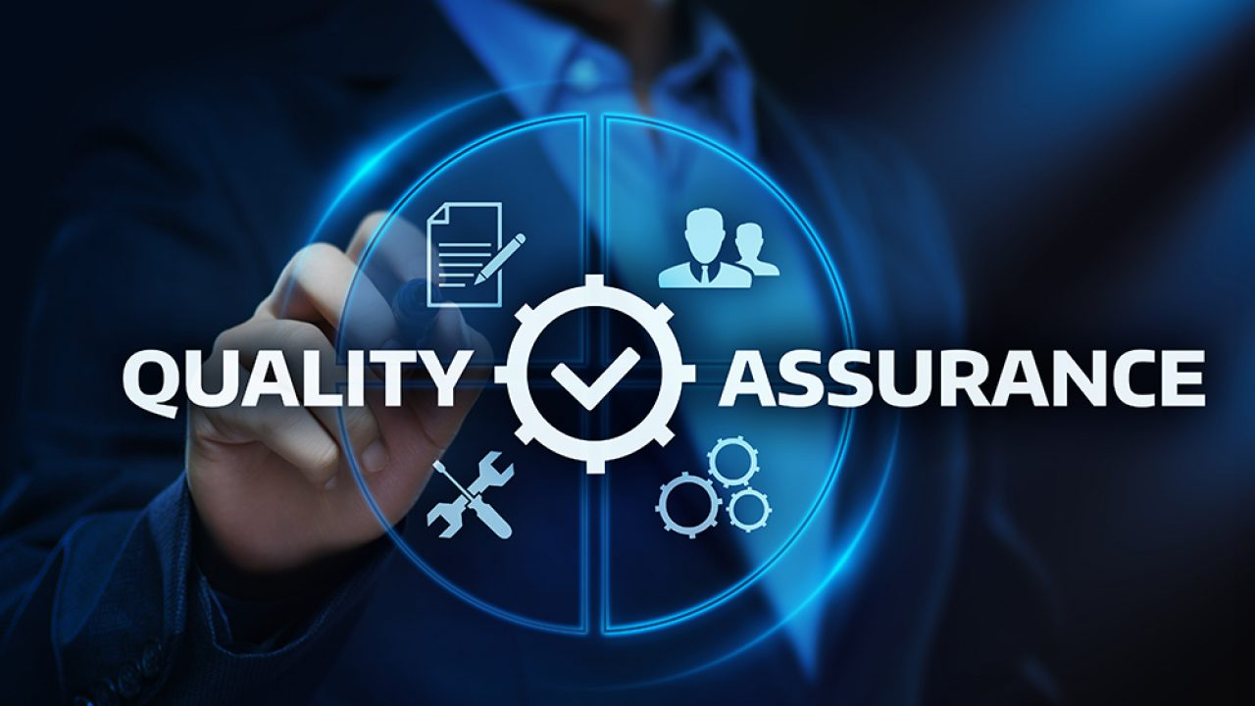
T109 | OPERATING SYSTEM | The operating system (OS) manages all of the software and hardware on the computer. It performs basic tasks such as file, memory and process management, handling input and output, and controlling peripheral devices such as disk drives and printers. | 2023-07-11 | 1.00 PM | 6.00 PM | Alpha Enterprise Training Room | RM50 | 30 | 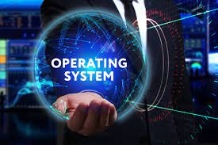
T110 | MANAGEMENT | Management is the coordination and administration of tasks to achieve a goal. Such administration activities include setting the organization’s strategy and coordinating the efforts of staff to accomplish these objectives through the application of available resources. Management can also refer to the seniority structure of staff members within an organization. | 2023-07-15 | 11.00 AM | 3.00 PM |  | RM15 | 50 | 