BOM
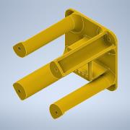
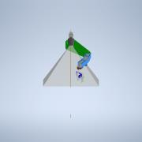
Item | Part Number | Thumbnail | BOM Structure | Unit QTY | QTY | Stock Number | Description | REV
2,4,2 | 3D_step_file_USB3_camera_BRACKET-T |  | Normal | 1 | 1
3,6 | alignmentBearing |  | Normal | 1 | 1
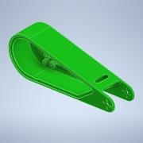
2,4,6 | ANSI B18.3 - 1/4 - 20 UNC - 7/16 HS HCS |  | Purchased | 1 | 1 |  | Hexagon Socket Head Cap Screw
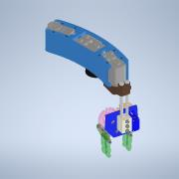
3,10 | ANSI B18.3.1M - M4x0.7 x 55, BSHCSM |  | Purchased | 1 | 4 |  | Broached Socket Head Cap Screw - Metric
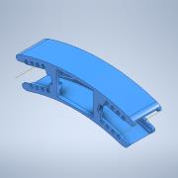
2,1 | armA |  | Normal | 1 | 1
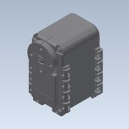
2 | armAB |  | Normal | 1 | 1
2,5 | armACover |  | Normal | 1 | 1
2,2 | armB_assy_v2 |  | Normal | 1 | 1
2,2,1 | armB_v2 |  | Normal | 1 | 1
2,2,2,1 | ASM0002_ASM |  | Normal | 1 | 1
8,1 | ASM0002_ASM |  | Normal | 1 | 1
2,2,2 | AX-12A_combined |  | Normal | 1 | 3
8 | AX-12A_combined |  | Normal | 1 | 1
1 | base |  | Normal | 1 | 1
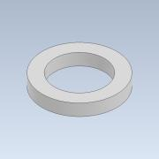
3,2 | botSeat |  | Normal | 1 | 1
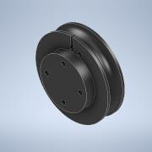
2,3 | BPF-BU |  | Normal | 1 | 1 |  |  | 1LAST_VERSION
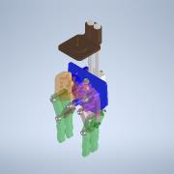
2,2,3 | BPF-WA |  | Normal | 1 | 1 |  |  | 1LAST_VERSION
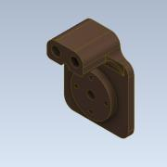
2,4 | camFOV |  | Normal | 1 | 1
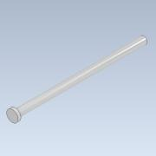
2,4,5 | camMount_v2 |  | Normal | 1 | 1
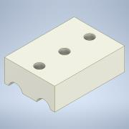
2,2,5 | clawAssy_v3 |  | Normal | 1 | 1
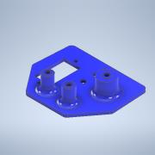
2,2,5,1 | couple |  | Normal | 1 | 1
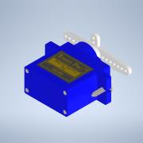
2,4,1,4,1,1 | EV76C560_Glass |  | Normal | 1 | 1
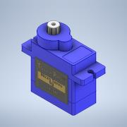
2,4,1,4,1 | EV76C560_MODEL |  | Normal | 1 | 1
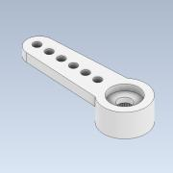
2,4,1,3,3 | FLT-BK7-AR2X-D25 |  | Normal | 1 | 1
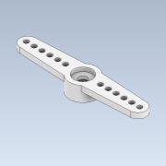
2,4,4 | FOV_v2 |  | Normal | 1 | 1
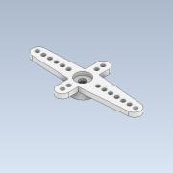
2,2,5,6 | gearDrive |  | Normal | 1 | 1
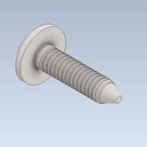
2,2,5,7 | gearPassive |  | Normal | 1 | 1
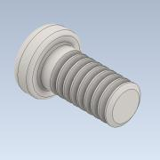
2,2,5,4 | gripMount |  | Normal | 1 | 1
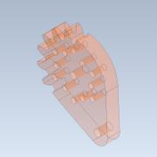
2,2,5,12 | ISO 4032 - M3 |  | Purchased | 1 | 10 |  | Hexagon nuts, style 1 - Product grades A and B
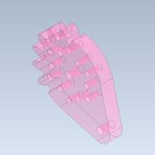
2,8 | ISO 4032 - M3 |  | Purchased | 1 | 4 |  | Hexagon nuts, style 1 - Product grades A and B
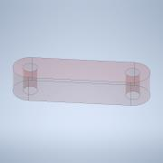
3,15 | ISO 4032 - M3 |  | Purchased | 1 | 4 |  | Hexagon nuts, style 1 - Product grades A and B
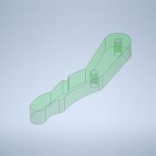
3,11 | ISO 4032 - M4 |  | Purchased | 1 | 8 |  | Hexagon nuts, style 1 - Product grades A and B

10 | ISO 4032 - M4 |  | Purchased | 1 | 4 |  | Hexagon nuts, style 1 - Product grades A and B

2,9 | ISO 4035 - M3 |  | Purchased | 1 | 1 |  | Hexagon thin nuts (chamfered) - Product grades A and B
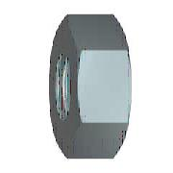
7 | ISO 4035 - M5 |  | Purchased | 1 | 4 |  | Hexagon thin nuts (chamfered) - Product grades A and B
3,13 | ISO 4762 - M3 x 10 |  | Purchased | 1 | 4 |  | Hexagon Socket Head Cap Screw
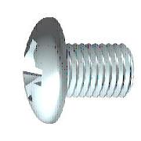
2,7 | ISO 4762 - M3 x 12 |  | Purchased | 1 | 4 |  | Hexagon Socket Head Cap Screw
2,2,5,13 | ISO 4762 - M3 x 20 |  | Purchased | 1 | 3 |  | Hexagon Socket Head Cap Screw
2,2,5,11 | ISO 4762 - M3 x 25 |  | Purchased | 1 | 7 |  | Hexagon Socket Head Cap Screw
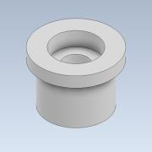
9 | ISO 4762 - M4 x 16 |  | Purchased | 1 | 4 |  | Hexagon Socket Head Cap Screw
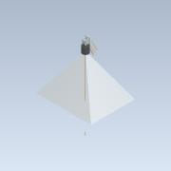
3,12 | ISO 4762 - M4 x 20 |  | Purchased | 1 | 4 |  | Hexagon Socket Head Cap Screw
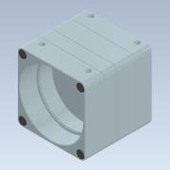
6 | ISO 4762 - M5 x 30 |  | Purchased | 1 | 4 |  | Hexagon Socket Head Cap Screw
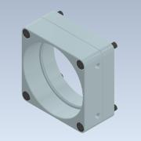
2,2,7 | ISO 7045 - M2 x 5 - 4.8 - Z |  | Purchased | 1 | 20 |  | Pan head screw with type Z cross recess - product grade A
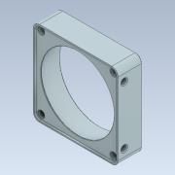
11 | ISO 7045 - M2 x 5 - 4.8 - Z |  | Purchased | 1 | 12 |  | Pan head screw with type Z cross recess - product grade A
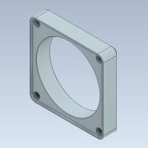
2,2,6 | ISO 7045 - M2 x 8 - 4.8 - Z |  | Purchased | 1 | 4 |  | Pan head screw with type Z cross recess - product grade A
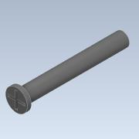
2,2,8 | ISO 7045 - M3 x 5 - 4.8 - Z |  | Purchased | 1 | 4 |  | Pan head screw with type Z cross recess - product grade A
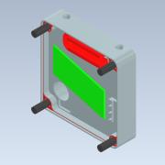
2,2,5,10 | ISO 7089 - 3 |  | Purchased | 1 | 20 |  | Plain washers - Normal series - Product grade A
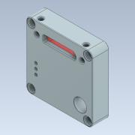
2,6 | ISO 7089 - 3 |  | Purchased | 1 | 4 |  | Plain washers - Normal series - Product grade A
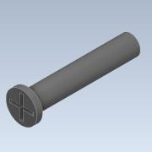
3,14 | ISO 7089 - 3 |  | Purchased | 1 | 4 |  | Plain washers - Normal series - Product grade A
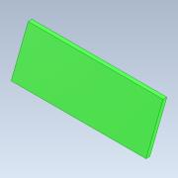
5 | ISO 7089 - 5 |  | Purchased | 1 | 8 |  | Plain washers - Normal series - Product grade A
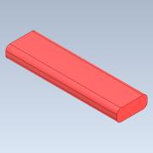
2,4,3 | lens |  | Normal | 1 | 1
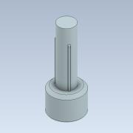
2,4,1,2,4 | MECH-EMI-GSKT-1.3X2.3X11 |  | Normal | 1 | 2
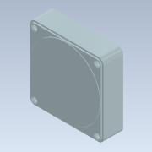
2,4,1,2,5 | MECH-LIGHTPIPE-1.63X4.14 |  | Normal | 1 | 3
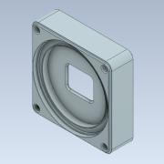
2,4,1,1,2 | MECH-MQ-CS-C |  | Normal | 1 | 1
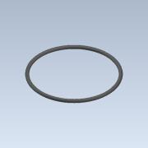
2,4,1,1,1 | MECH-MQ-FRONT |  | Normal | 1 | 1

2,4,1,3,1 | MECH-MQ-MID-013-E2-REV2 |  | Normal | 1 | 1
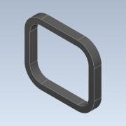
2,4,1,2,1 | MECH-MQ-REAR |  | Normal | 1 | 1
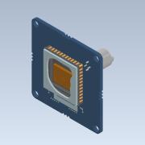
2,4,1,2,3 | MECH-MQ-THERMAL-PAD |  | Normal | 1 | 1
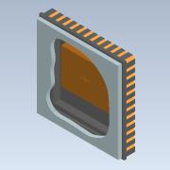
2,4,1,3,4 | MECH-MQ013-GSKT |  | Normal | 1 | 1
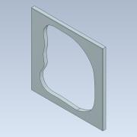
2,4,1,3,2 | MECH-O-RING-22X1-VI370 |  | Normal | 1 | 1
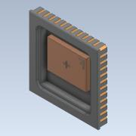
3,3 | midSeat |  | Normal | 1 | 1
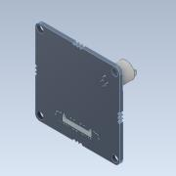
2,4,1,4 | MQ013xG-E2-PCA-LW_MODEL |  | Normal | 1 | 1
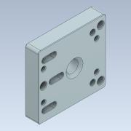
2,4,1,4,1,2 | Part40 |  | Normal | 1 | 1
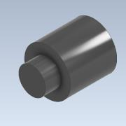
2,4,1,4,2 | Part42 |  | Normal | 1 | 1

2,2,5,8 | passiveLink |  | Normal | 1 | 2

2,2,5,9 | phalanges |  | Normal | 1 | 4
2,2,5,2 | pin |  | Normal | 1 | 2

2,2,5,3 | pinClamp |  | Normal | 1 | 2
2,2,2,1,1 | PRT0001 | (NULL) | Normal | 1 | 1
8,1,1 | PRT0001 | (NULL) | Normal | 1 | 1
2,2,2,1,2 | PRT0002 | (NULL) | Normal | 1 | 1

8,1,2 | PRT0002 | (NULL) | Normal | 1 | 1

2,2,2,1,3 | PRT0003 | (NULL) | Normal | 1 | 4

8,1,3 | PRT0003 | (NULL) | Normal | 1 | 4

2,2,2,1,4 | PRT0004 | (NULL) | Normal | 1 | 2

8,1,4 | PRT0004 | (NULL) | Normal | 1 | 2

2,2,2,1,5 | PRT0005 | (NULL) | Normal | 1 | 1

8,1,5 | PRT0005 | (NULL) | Normal | 1 | 1

2,2,2,1,6 | PRT0006 | (NULL) | Normal | 1 | 1

8,1,6 | PRT0006 | (NULL) | Normal | 1 | 1

2,2,2,1,7 | PRT0007 | (NULL) | Normal | 1 | 1

8,1,7 | PRT0007 | (NULL) | Normal | 1 | 1

2,2,5,5 | SG90 - Micro Servo 9g - Tower Pro |  | Normal | 1 | 1 |  | STEP AP214 | ANY
2,2,5,5,1 | SG90 - Micro Servo 9g - Tower Pro.1_Pea |  | Normal | 1 | 1 |  |  | ANY
2,2,5,5,2 | SG90 - Micro Servo 9g - Tower Pro.2_Pea |  | Normal | 1 | 1 |  |  | ANY
2,2,5,5,3 | SG90 - Micro Servo 9g - Tower Pro.3_Pea |  | Normal | 1 | 1 |  |  | ANY
2,2,5,5,4 | SG90 - Micro Servo 9g - Tower Pro.4_Pea |  | Normal | 1 | 1 |  |  | ANY
2,2,5,5,5 | SG90 - Micro Servo 9g - Tower Pro.5_BS EN ISO 7045 - M2 x 8 - Z - 8S |  | Normal | 1 | 2 |  |  | ANY

2,2,5,5,6 | SG90 - Micro Servo 9g - Tower Pro.6_BS EN ISO 7045 - M2 x 4 - Z - 4S |  | Normal | 1 | 1 |  |  | ANY
3 | slew_bearing_assy |  | Normal | 1 | 1
3,1 | slewCouple |  | Normal | 1 | 1
3,8 | slewCoupleFlexible |  | Normal | 1 | 1
3,9 | slewServoAxle5mm |  | Normal | 1 | 1
3,7 | slewServoAxle6mm |  | Normal | 1 | 1
2,2,4 | spool |  | Normal | 1 | 1
2,4,1,2,2 | SROB-M2x10-CUST |  | Normal | 1 | 4
2,4,1,1,3 | SROB-M2x14-CUST |  | Normal | 1 | 4
2,4,1 | STP-MQ-(MQ013xG-E2)-ASSM |  | Normal | 1 | 1
2,4,1,1 | SUBASSM-MQ-FRONT |  | Normal | 1 | 1
2,4,1,3 | SUBASSM-MQ-MID-013-E2 |  | Normal | 1 | 1
2,4,1,2 | SUBASSM-MQ-REAR |  | Normal | 1 | 1
3,5 | thrust_bearing_simple |  | Normal | 1 | 2
3,4 | topSeat |  | Normal | 1 | 1
4 | turnTable_Base |  | Normal | 1 | 1

