Appendix & Analysis
The detailed and step-by-step analysis are following: (Frow row 91)
Demographic and Technology Penetration Data
EXHIBIT 1: DEMOGRAPHIC AND TECHNOLOGY PENETRATION DATA
Intel AP Markets | Indonesia | Korea | Malaysia | Pakistan | Philippines | Singapore
Populations (Ms) | 251.2 | 49.0 | 29.6 | 193.2 | 105.7 | 5.5
# Internet Users (Ms) | 20.0 | 39.4 | 15.4 | 20.4 | 8.3 | 3.2
Mobine Phones (Ms) | 248.8 | 52.5 | 36.7 | 111.0 | 94.2 | 7.8
# Facebook Users (Ms) | 51.1 | 10.0 | 13.6 | 8.0 | 29.9 | 2.9

Internet Users Rate | 8.0% | 80.4% | 52.0% | 10.6% | 7.9% | 58.2%
Mobine Phones Rate | 99.0% | 107.1% | 124.0% | 57.5% | 89.1% | 141.8%
Facebook Users Rate | 20.3% | 20.4% | 45.9% | 4.1% | 28.3% | 52.7%

INTEL ASIS - PACIFIC FACEBOOK COMMUNITIES
EXHIBIT 2: INTEL ASIS - PACIFIC FACEBOOK COMMUNITIES (AUGUST 2012)
Intel Market | Indonesia | Korea | Malaysia | Pakistan | Philippines | Sigapore
Fans | 778144 | 137801 | 128410 | 316425 | 203907 | 15595
Growth | 8009 | 9361 | 2932 | 18994 | 2204 | 1496
Top Demographic | M 18-24 | F 18-24 | M 18-24 | M 18-24 | M 18-24 | M 18-24

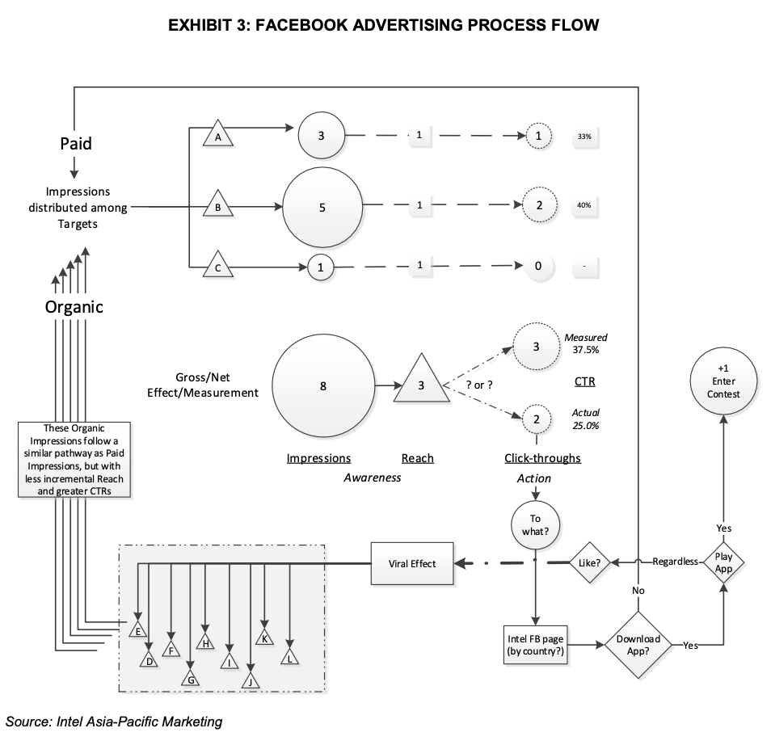

EXHIBIT 4: PRELIMINARY MEDIA PLAN PROPOSED BY IMPACT MARKETING LTD
 | Indonesia | Korea | Malaysia | Pakistan | Philippines | Sigapore | Total
Marketplace
Impressions | 6,000,000 | 6,000,000 | 6,000,000 | 1,000,000 | 6,000,000 | 2,000,000 | 27,000,000
CPM | $0.53 | $0.88 | $0.60 | $0.57 | $0.56 | $0.71 | $0.64 | (Cost per thousand impression)
Cost | $3,180 | $5,280 | $3,600 | $570 | $3,360 | $1,420 | $17,410

Premium
Impressions | 3,500,000 | 3,700,000 | 3,700,000 | 700,000 | 3,700,000 | 1,350,000 | 16,650,000
CPM | $4.41 | $5.25 | $3.22 | $4.41 | $3.85 | $5.60 | $4.30
Cost | $15,435 | $19,425 | $11,914 | $3,087 | $14,245 | $7,560 | $71,666

Mobile Ads
Impressions | 3,000,000 | / | 3,000,000 | 3,000,000 | 3,000,000 | 3,000,000 | 15,000,000
CPM | $0.40 | / | $0.40 | $0.40 | $0.40 | $0.40 | $0.40
Cost | $1,200 | / | $1,200 | $1,200 | $1,200 | $1,200 | $6,000

Total Ads
Impressions | 12,500,000 | 9,700,000 | 12,700,000 | 4,700,000 | 12,700,000 | 6,350,000 | 58,650,000 | (Total impressions generated from each market)
Cost | $19,815 | $24,705 | $16,714 | $4,857 | $18,805 | $10,180 | $95,076 | (Total cost of each market)

EXHIBIT 5: INTEL'S ESTIMATED CLICK - THROUGH RATES AND SOCIAL IMPRESSIONS MULTIPLIERS
 | Indonesia | Korea | Malaysia | Pakistan | Philippines | Sigapore
Market
Marketplace CTR | 0.09% | 0.08% | 0.11% | 0.12% | 0.11% | 0.12%
Premium CTR | 0.43% | 0.23% | 0.32% | 0.59% | 0.48% | 0.34%
Social Impression Multiplier | 12.9 | 41.1 | 21.4 | 26.5 | 32.4 | 20.6
Social CTR | 1.96% | 2.39% | 1.82% | 2.64% | 1.81% | 1.83%
CTR Mobile Ad | 0.05% | 0.05% | 0.05% | 0.05% | 0.05% | 0.05%

Estimated Clicks of Various Markets Based on Estimated Click Rate
 | Indonesia | Korea | Malaysia | Pakistan | Philippines | Sigapore
Marketplace Clicks | 5,400 | 4,800 | 6,600 | 1,200 | 6,600 | 2,400
Premium Clicks | 15,050 | 8,510 | 11,840 | 4,130 | 17,760 | 4,590
Mobile Ad Clicks | 1,500 | / | 1,500 | 1,500 | 1,500 | 1,500

Constraints:
1) Medisa Impressions: each ad type and country combinations >= 75% of the orginal proposed number of impressions
2)The total impressions in each market <= 125% of the orignal plan
3) The original budget is $95000, deducting the agency fee 9% of the budget, the final budget is $95000*(1-9%) |  |  |  |  | 86450

Objective: Maximize clicks and impressions -> driving participation in the Catch & Win contest

Decision Variables |  |  |  | Max Objective function: |  | 0.09MI + 0.43PI+0.05AI + 0.08MK+0.23PK+0.05AK + 0.11MM + 0.32PM + 0.05AM + 0.12MP+0.59PP+0.05AP + 0.11MH+0.48PH+0.05AH + 0.12MS+0.34PS+0.05AS
 |  |  |  | Total clicks of Indonesia market: |  | 0.09MI + 0.43PI + 0.05AI
The number of Marketplace impressions of Indonesia |  | MI |  | Total clicks of Korea market: |  | 0.08MK+0.23PK+0.05AK
The number of Premium impressions of Indonesia |  | PI |  | Total clicks of Malaysia market: |  | 0.11MM + 0.32PM + 0.05AM
The number of Mobile Ads impressions of Indonesia |  | AI |  | Total clicks of Pakistan market: |  | 0.12MP+0.59PP+0.05AP
 |  |  |  | Total clicks of Philippines market: |  | 0.11MH+0.48PH+0.05AH
The number of Marketplace impressions of Korea |  | MK |  | Total clicks of Sigapore market: |  | 0.12MS+0.34PS+0.05AS
The number of Premium impressions of Korea |  | PK
The number of Mobile Ads impressions of Korea |  | AK
 |  |  |  | Subject to the following constraints:
The number of Marketplace impressions of Malaysia |  | MM
The number of Premium impressions of Malaysia |  | PM |  | 1) Impressions constraints: |  | 75%
The number of Mobile Ads impressions of Malaysia |  | AM |  | Impressions of each ad type | MI | 4,500,000
 |  |  |  |  | PI | 2,625,000
The number of Marketplace impressions of Pakistan |  | MP |  |  | AI | 2,250,000
The number of Premium impressions of Pakistan |  | PP |  |  | MK | 4,500,000
The number of Mobile Ads impressions of Pakistan |  | AP |  |  | PK | 2,775,000
 |  |  |  |  | AK | 2,250,000 | (We fill the missing value as 3000000 for AK based on the estimated value of other markets)
The number of Marketplace impressions of Philippines |  | MH |  |  | MM | 4,500,000
The number of Premium impressions of Philippines |  | PH |  |  | PM | 2,775,000
The number of Mobile Ads impressions of Philippines |  | AH |  |  | AM | 2,250,000
 |  |  |  |  | MP | 750,000
The number of Marketplace impressions of Sigapore |  | MS |  |  | PP | 525,000
The number of Premium impressions of Sigapore |  | PS |  |  | AP | 2,250,000
The number of Mobile Ads impressions of Sigapore |  | AS |  |  | MH | 4,500,000
 |  |  |  |  | PH | 2,775,000
 |  |  |  |  | AH | 2,250,000
 |  |  |  |  | MS | 1,500,000
 |  |  |  |  | PS | 1,012,500
 |  |  |  |  | AS | 2,250,000

 |  |  |  | Total number of Marketplace impressions: |  | MI + MK + MM + MP + MH + MS |  | >= | 20,250,000 | 27,000,000
 |  |  |  | Total number of Premium impressions: |  | PI + PK + PM + PP + PH + PS |  | >= | 12,487,500 | 16,650,000
 |  |  |  | Total number of Mobile Ads impressions: |  | AI + AK + AM + AP + AH + AS |  | >= | 11,250,000 | 15,000,000

 |  |  |  |  |  |  |  |  | 125%
 |  |  |  | Total number of Indonesia impressions: |  | MI + PI + AI |  | <= | 15,625,000 | 12,500,000
 |  |  |  | Total number of Korea impressions: |  | MK + PK + AK |  | <= | 12,125,000 | 9,700,000
 |  |  |  | Total number of Malaysia impressions: |  | MM + PM + AM |  | <= | 15,875,000 | 12,700,000
 |  |  |  | Total number of Pakistan impressions: |  | MP + PP + AP |  | <= | 5,875,000 | 4,700,000
 |  |  |  | Total number of Philippines impressions: |  | MH + PH + AH |  | <= | 15,875,000 | 12,700,000
 |  |  |  | Total number of Sigapore impressions: |  | MS + PS + AS |  | <= | 7,937,500 | 6,350,000

 |  |  |  | 2) Budget constraints:
 |  |  |  | Marketing budget of Indonesia: |  | 0.53MI + 4.41PI + 0.4AI
 |  |  |  | Marketing budget of Korea: |  | 0.88MK+ 5.25PK+ 0.4AK |  | (The cost of Korea's Mobile Ads CPM is null in the appendix, but based on the estimated cost of all other markets are $0.4, so the null value is filled with $0.4)
 |  |  |  | Marketing budget of Malaysia: |  | 0.6MM + 3.22PM+0.4AM
 |  |  |  | Marketing budget of Pakistan: |  | 0.57MP + 4.41PP + 0.4 AP
 |  |  |  | Marketing budget of Philippines: |  | 0.56MH+3.85PH + 0.4AH
 |  |  |  | Marketing budget of Sigapore: |  | 0.71MS + 5.6PS + 0.4AS

 |  |  |  | Total marketing budget of all markets:
 |  |  |  | 0.53MI + 4.41PI + 0.4AI + 0.88MK+ 5.25PK+ 0.4AK+0.6MM + 3.22PM+0.4AM + 0.57MP + 4.41PP + 0.4 AP + 0.56MH+3.85PH + 0.4AH + 0.71MS + 5.6PS + 0.4AS |  |  |  |  |  |  | <= | 86450

Senario_1 Media Buying Solution
Number of clicks generated by each media type
 | This senario is based on the filled value of mobile ads of Korea:

 | Table 1 - The Cost of Thousands of Impressions of Each Markets
 |  | Indonesia | Korea | Malaysia | Pakistan | Philippines | Singapore
 | Marketplace Ads | $0.53 | $0.88 | $0.60 | $0.57 | $0.56 | $0.71
 | Premium Ads | $4.41 | $5.25 | $3.22 | $4.41 | $3.85 | $5.60
 | Mobile Ads | $0.40 | $0.40 | $0.40 | $0.40 | $0.40 | $0.40

 | Table 2- Intel's Estimated Click-Through Rates |  |  |  |  |  |  |  | Table 4 - Number of clicks generated from each media type
 | Market | Indonesia | Korea | Malaysia | Pakistan | Philippines | Singapore |  | Market | Indonesia | Korea | Malaysia | Pakistan | Philippines | Singapore | Total
 | Marketplace CTR | 0.09% | 0.08% | 0.11% | 0.12% | 0.11% | 0.12% |  | Marketplace Ads Clicks | 9675 | 3600 | 11935 | 3720 | 11935 | 5561 | 46426
 | Premium CTR | 0.43% | 0.23% | 0.32% | 0.59% | 0.48% | 0.34% |  | Premium Ads Clicks | 11288 | 6383 | 8880 | 3098 | 13320 | 3443 | 46410
 | Mobile Ad CTR | 0.05% | 0.05% | 0.05% | 0.05% | 0.05% | 0.05% |  | Mobile Ads Clicks | 1125 | 1125 | 1125 | 1125 | 1125 | 1125 | 6750
 |  |  |  |  |  |  |  |  | Total | 22088 | 11108 | 21940 | 7943 | 26380 | 10128 | 99586

 | Table 3 - Number of impressions generated by each media type |  |  |  |  |  |  |  | Table 5 - Estimated marketing expenditure
 | Advertising Media | Indonesia | Korea | Malaysia | Pakistan | Philippines | Singapore | Total | Market | Indonesia | Korea | Malaysia | Pakistan | Philippines | Singapore | Total
 | Marketplace Ads | 10,750,000 | 4,500,000 | 10,850,000 | 3,100,000 | 10,850,000 | 4,633,803 | 44,683,803 | Marketplace Ads Clicks | $5,698 | $3,960 | $6,510 | $1,767 | $6,076 | $3,290 | $27,300
 | Premium Ads | 2,625,000 | 2,775,000 | 2,775,000 | 525,000 | 2,775,000 | 1,012,500 | 12,487,500 | Premium Ads Clicks | $11,576 | $14,569 | $8,936 | $2,315 | $10,684 | $5,670 | $53,750
 | Mobile Ads | 2,250,000 | 2,250,000 | 2,250,000 | 2,250,000 | 2,250,000 | 2,250,000 | 13,500,000 | Mobile Ads Clicks | $900 | $900 | $900 | $900 | $900 | $900 | $5,400
 | Total Ads | 15,625,000 | 9,525,000 | 15,875,000 | 5,875,000 | 15,875,000 | 7,896,303 | 70,671,303 | Total | $18,174 | $19,429 | $16,346 | $4,982 | $17,660 | $9,860 | $86,450
 |  |  |  |  |  |  |  |  | CPM: cost per thousands impression |  | 1000
 | Obj. Function: Maximize Clicks | 99,586
Impressions percentage of Media ads types
Percentage of Impressions of Each Market
Percentage of clicks generated from Each markets
 | Objective: Maximize Impressions | 70,671,303

 | Subject to Constraints | LHS |  | RHS | Slack/Surplus
Ad type Above 75% | MI impressions | 10,750,000 | >= | 4,500,000 | 6,250,000
 | PI impressions | 2,625,000 | >= | 2,625,000 | -
 | AI impressions | 2,250,000 | >= | 2,250,000 | -
 | MK impressions | 4,500,000 | >= | 4,500,000 | -
 | PK impressions | 2,775,000 | >= | 2,775,000 | -
 | AK impressions | 2,250,000 | >= | 2,250,000 | -
 | MM impressions | 10,850,000 | >= | 4,500,000 | 6,350,000
 | PM impressions | 2,775,000 | >= | 2,775,000 | -
 | AM impressions | 2,250,000 | >= | 2,250,000 | -
 | MP impressions | 3,100,000 | >= | 750,000 | 2,350,000
Estimated Clicks of three types of ads
 | PP impressions | 525,000 | >= | 525,000 | -
Estimated Clicks of Different Markets
 | AP impressions | 2,250,000 | >= | 2,250,000 | -
 | MH impressions | 10,850,000 | >= | 4,500,000 | 6,350,000
 | PH impressions | 2,775,000 | >= | 2,775,000 | -
 | AH impressions | 2,250,000 | >= | 2,250,000 | -
 | MS impressions | 4,633,803 | >= | 1,500,000 | 3,133,803
 | PS impressions | 1,012,500 | >= | 1,012,500 | -
 | AS impressions | 2,250,000 | >= | 2,250,000 | -
 | Total Marketplace Ads impressions | 44,683,803 | >= | 20,250,000 | 24,433,803
 | Total Premium Ads impressions | 12,487,500 | >= | 12,487,500 | -
 | Total Mobile Ads impressions | 13,500,000 | >= | 11,250,000 | 2,250,000
Below 125% | Total number of Indonesia impressions: | 15,625,000 | <= | 15,625,000 | -
 | Total number of Korea impressions: | 9,525,000 | <= | 12,125,000 | (2,600,000)
 | Total number of Malaysia impressions: | 15,875,000 | <= | 15,875,000 | -
 | Total number of Pakistan impressions: | 5,875,000 | <= | 5,875,000 | -
 | Total number of Philippines impressions: | 15,875,000 | <= | 15,875,000 | -
 | Total number of Sigapore impressions: | 7,896,303 | <= | 7,937,500 | (41,197)
 | Total marketing budget of all markets: | 86,450 | <= | 86,450 | -

