부품 전수표
# | 파츠명 | 솔로 렌더 | 부피 cm³ | 밀도 g/cm³ | URDF 집계 입력 g | AL-6061 기준 g | 집계 링크 | 실물 수량 | 재질 상태 | AL 매핑 | 비고 | CAD body path
1 | Arm_Connector_MIDCOnnect |  | 48.2645 | 0.88739154299 | 42.829509127 | 130.31415 | shoulder_pitch_link | 2 | 3D-print effective density | not in confirmed AL mapping | confident-mean; current v30 cached mesh | /Joints_UpperBody:1/Arm_R:1/ArmR_Dummy:1/Shoulder-Pitch2Roll:1::Arm_Connector_MIDCOnnect
2 | Body1 | 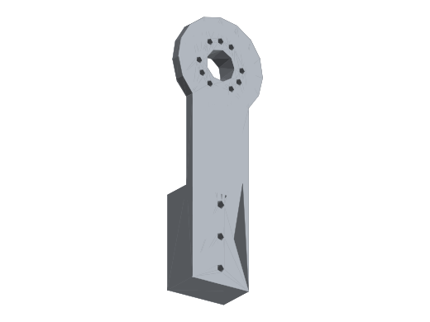 | 96.907 | 0.88739154299 | 85.994452256 | 261.6489 | arm | 2 | 3D-print effective density | not in confirmed AL mapping | confident-mean; current v30 cached mesh | /Joints_UpperBody:1/Arm_R:1/ArmR_Dummy:1/Shoulder-Roll2Yaw-dummy:1::Body1
3 | Body2 | 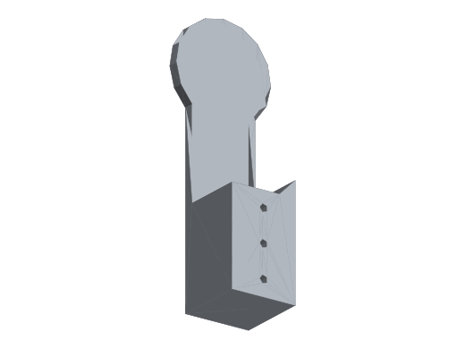 | 130.0729 | 0.88739154299 | 115.42559143 | 351.19683 | arm | 2 | 3D-print effective density | not in confirmed AL mapping | confident-mean; current v30 cached mesh | /Joints_UpperBody:1/Arm_R:1/ArmR_Dummy:1/Shoulder-Roll2Yaw-dummy:1::Body2
4 | KneeB2AnkleA | 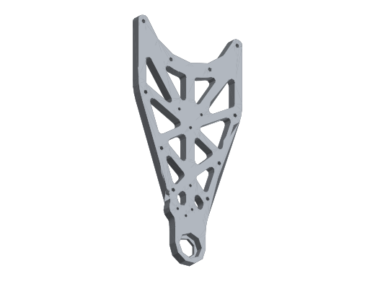 | 62.4133 | 0.91699694394 | 57.232805361 | 168.51591 | ANKLE_SPLIT | 2 | 3D-print effective density | not in confirmed AL mapping | measured-high; current v30 cached mesh | /Joints_UnderBody:1/Ankle2Feet:1::KneeB2AnkleA
5 | AnkleBraceA | 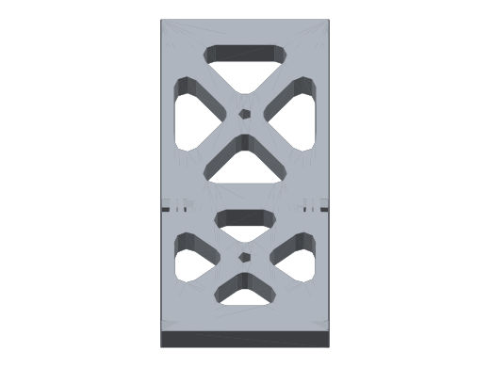 | 15.0165 | 0.88739154299 | 13.325515105 | 40.54455 | ANKLE_SPLIT | 2 | 3D-print effective density | not in confirmed AL mapping | confident-mean; current v30 cached mesh | /Joints_UnderBody:1/Ankle2Feet:1::AnkleBraceA
6 | AnkleBraceB | 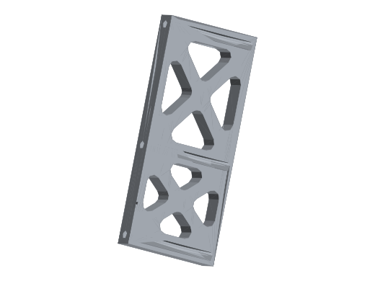 | 15.1386 | 0.88739154299 | 13.433865613 | 40.87422 | ANKLE_SPLIT | 2 | 3D-print effective density | not in confirmed AL mapping | confident-mean; current v30 cached mesh | /Joints_UnderBody:1/Ankle2Feet:1::AnkleBraceB
7 | AnkleFeetPillowAB | 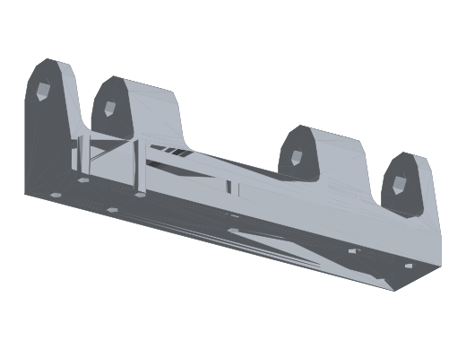 | 38.9498 | 0.88739154299 | 34.563723121 | 105.16446 | ANKLE_SPLIT | 2 | 3D-print effective density | not in confirmed AL mapping | confident-mean; current v30 cached mesh | /Joints_UnderBody:1/Ankle2Feet:1::AnkleFeetPillowAB
8 | AnkleFeetPillowA | 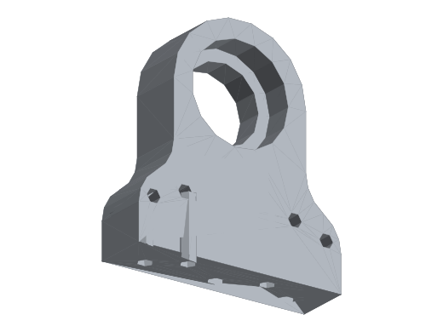 | 15.1388 | 0.88739154299 | 13.434043091 | 40.87476 | ANKLE_SPLIT | 2 | 3D-print effective density | not in confirmed AL mapping | confident-mean; current v30 cached mesh | /Joints_UnderBody:1/Ankle2Feet:1::AnkleFeetPillowA
9 | AnkleFeetPillowB | 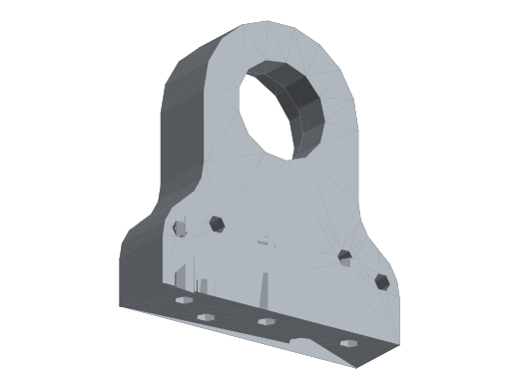 | 15.1388 | 0.88739154299 | 13.434043091 | 40.87476 | ANKLE_SPLIT | 2 | 3D-print effective density | not in confirmed AL mapping | confident-mean; current v30 cached mesh | /Joints_UnderBody:1/Ankle2Feet:1::AnkleFeetPillowB
10 | KneeB2AnkleB | 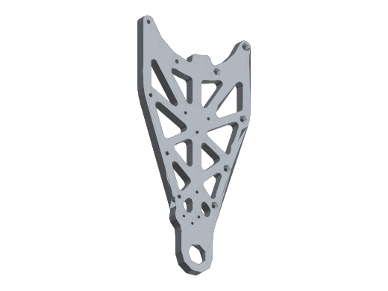 | 63.6431 | 0.88739154299 | 56.47634871 | 171.83637 | ANKLE_SPLIT | 2 | 3D-print effective density | not in confirmed AL mapping | confident-mean; current v30 cached mesh | /Joints_UnderBody:1/Ankle2Feet:1::KneeB2AnkleB
11 | AnkleUniversalJointCore | 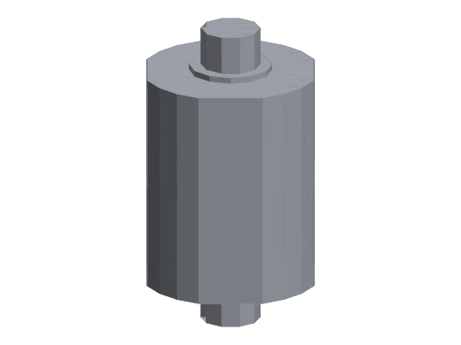 | 24.81 | 0.88739154299 | 22.016184182 | 66.987 | ANKLE_SPLIT | 2 | 3D-print effective density | not in confirmed AL mapping | confident-mean; current v30 cached mesh | /Joints_UnderBody:1/Ankle2Feet:1::AnkleUniversalJointCore
12 | FEET | 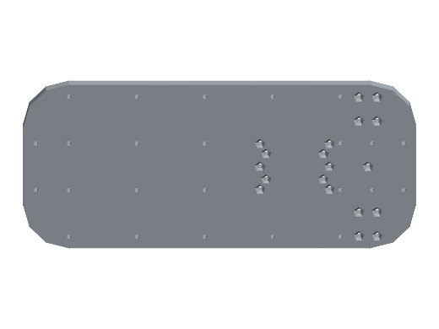 | 228.3449 | 2.7052060282 | 617.72 | 616.53123 | ANKLE_SPLIT | 2 | prototype-tempmass AL6061 | CONFIRMED-AL | worksheet AL6061 geometry mass; not a new physical weighing; user-confirmed blue part; one-side CAD placement mirrored L/R; current v30 cached mesh | /Joints_UnderBody:1/Ankle2Feet:1::FEET
13 | Crank_A | 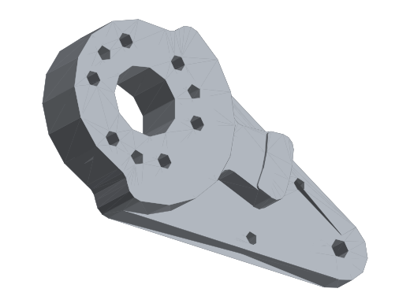 | 27.3647 | 0.88739154299 | 24.283203356 | 73.88469 | ANKLE_SPLIT | 2 | 3D-print effective density | not in confirmed AL mapping | confident-mean; current v30 cached mesh | /Joints_UnderBody:1/Ankle2Feet:1::Crank_A
14 | Crank_B | 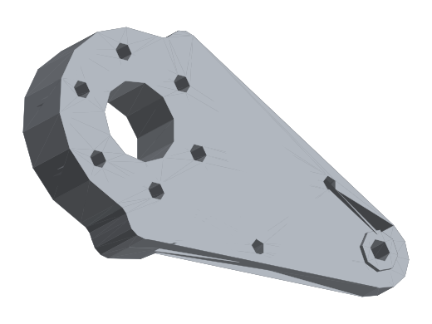 | 26.7305 | 0.88739154299 | 23.72041964 | 72.17235 | ANKLE_SPLIT | 2 | 3D-print effective density | not in confirmed AL mapping | confident-mean; current v30 cached mesh | /Joints_UnderBody:1/Ankle2Feet:1::Crank_B
15 | Crank_B_Cover | 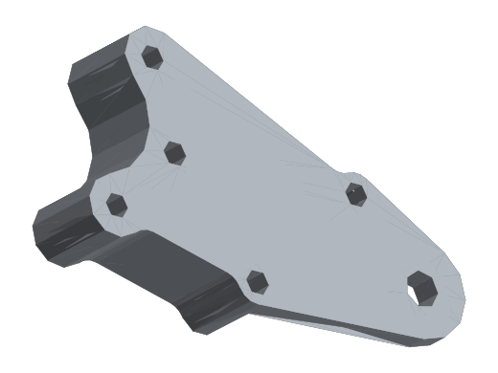 | 11.4528 | 0.88739154299 | 10.163117864 | 30.92256 | ANKLE_SPLIT | 2 | 3D-print effective density | not in confirmed AL mapping | confident-mean; current v30 cached mesh | /Joints_UnderBody:1/Ankle2Feet:1::Crank_B_Cover
16 | Crank_A_Cover | 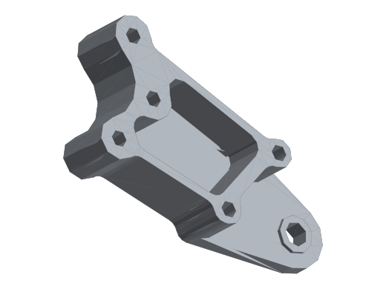 | 11.7143 | 0.88739154299 | 10.395170752 | 31.62861 | ANKLE_SPLIT | 2 | 3D-print effective density | not in confirmed AL mapping | confident-mean; current v30 cached mesh | /Joints_UnderBody:1/Ankle2Feet:1::Crank_A_Cover
17 | Ankle_Stopper_Pitch | 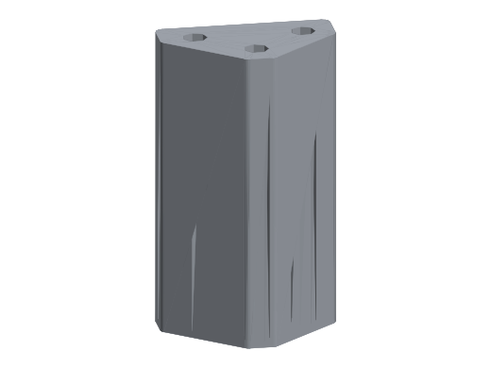 | 7.6088 | 0.88739154299 | 6.7519847723 | 20.54376 | ANKLE_SPLIT | 2 | 3D-print effective density | not in confirmed AL mapping | confident-mean; current v30 cached mesh | /Joints_UnderBody:1/Ankle2Feet:1::Ankle_Stopper_Pitch
18 | Ankle_Stopper_Roll |  | 9.8326 | 0.88739154299 | 8.7253660856 | 26.54802 | ANKLE_SPLIT | 2 | 3D-print effective density | not in confirmed AL mapping | confident-mean; current v30 cached mesh | /Joints_UnderBody:1/Ankle2Feet:1::Ankle_Stopper_Roll
19 | 20deg_flangeA | 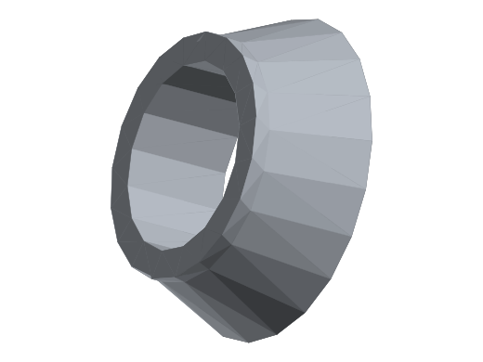 | 0.1169 | 0.88739154299 | 0.10373607138 | 0.31563 | ANKLE_SPLIT | 2 | 3D-print effective density | not in confirmed AL mapping | confident-mean; legacy exact-name render (alu_parts) | /Joints_UnderBody:1/Ankle2Feet:1/JMC-JS06_FEET-B:1/Flange(Mirror):1::20deg_flangeA
20 | 20deg_flangeB | 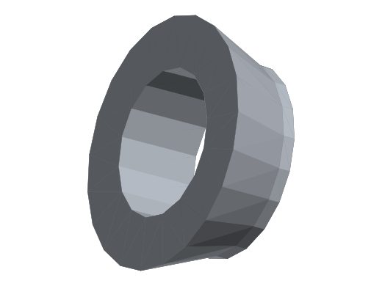 | 0.1169 | 0.88739154299 | 0.10373607138 | 0.31563 | ANKLE_SPLIT | 2 | 3D-print effective density | not in confirmed AL mapping | confident-mean; legacy exact-name render (alu_parts) | /Joints_UnderBody:1/Ankle2Feet:1/JMC-JS06_FEET-B:1/Flange(Mirror):1::20deg_flangeB
21 | 20deg_flangeA |  | 0.1169 | 0.88739154299 | 0.10373607138 | 0.31563 | ANKLE_SPLIT | 2 | 3D-print effective density | not in confirmed AL mapping | confident-mean; legacy exact-name render (alu_parts) | /Joints_UnderBody:1/Ankle2Feet:1/JMC-JS06_FEET-A:1/Flange:1::20deg_flangeA
22 | 20deg_flangeB |  | 0.1169 | 0.88739154299 | 0.10373607138 | 0.31563 | ANKLE_SPLIT | 2 | 3D-print effective density | not in confirmed AL mapping | confident-mean; legacy exact-name render (alu_parts) | /Joints_UnderBody:1/Ankle2Feet:1/JMC-JS06_FEET-A:1/Flange:1::20deg_flangeB
23 | Knee2Ankle_RotorSide_1 | 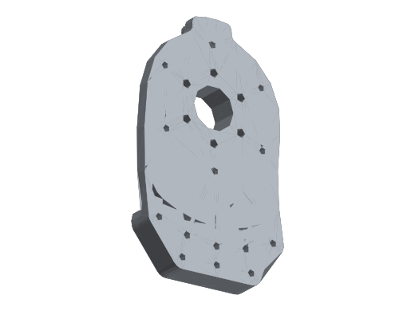 | 59.0106 | 0.93619866176 | 55.24564475 | 159.32862 | shin | 2 | 3D-print effective density | not in confirmed AL mapping | measured-med; current v30 cached mesh | /Joints_UnderBody:1/Knee2Ankle:1::Knee2Ankle_RotorSide_1
24 | Knee2Ankle_IdleSide_1 | 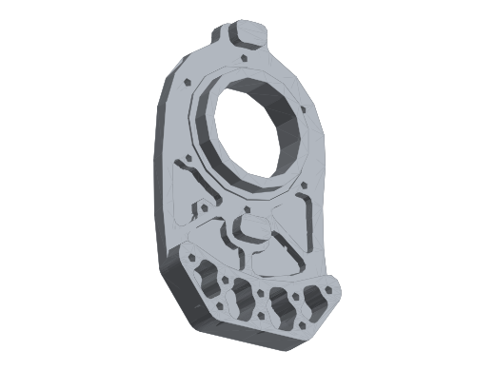 | 48.3438 | 0.88739154299 | 42.899879276 | 130.52826 | shin | 2 | 3D-print effective density | not in confirmed AL mapping | confident-mean; current v30 cached mesh | /Joints_UnderBody:1/Knee2Ankle:1::Knee2Ankle_IdleSide_1
25 | Knee2Ankle_IdleSide_2 | 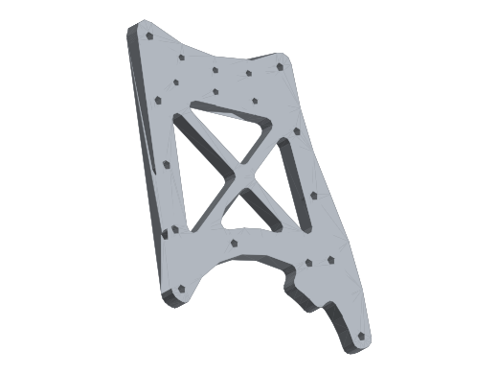 | 45.7902 | 0.88739154299 | 40.633836232 | 123.63354 | shin | 2 | 3D-print effective density | not in confirmed AL mapping | confident-mean; current v30 cached mesh | /Joints_UnderBody:1/Knee2Ankle:1::Knee2Ankle_IdleSide_2
26 | Knee2Ankle_RotorSide_2 | 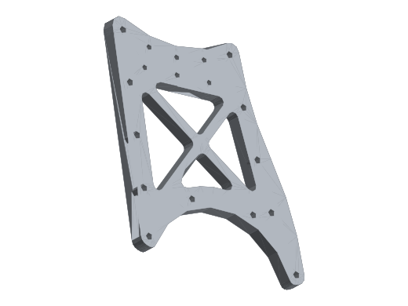 | 47.6897 | 0.82314512366 | 39.255544004 | 128.76219 | shin | 2 | 3D-print effective density | not in confirmed AL mapping | measured-med; current v30 cached mesh | /Joints_UnderBody:1/Knee2Ankle:1::Knee2Ankle_RotorSide_2
27 | Knee2Ankle_Connector_A | 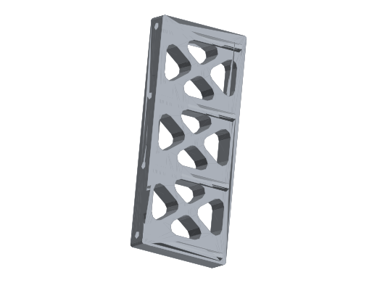 | 16.526 | 0.88739154299 | 14.665032639 | 44.6202 | shin | 2 | 3D-print effective density | not in confirmed AL mapping | confident-mean; current v30 cached mesh | /Joints_UnderBody:1/Knee2Ankle:1::Knee2Ankle_Connector_A
28 | Knee2Ankle_Connector_B | 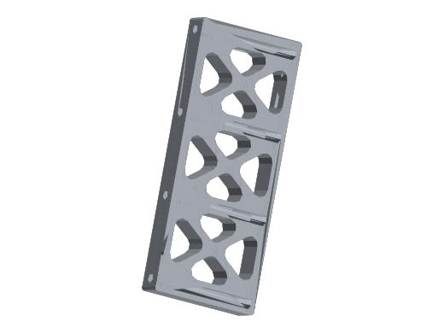 | 16.526 | 0.88739154299 | 14.665032639 | 44.6202 | shin | 2 | 3D-print effective density | not in confirmed AL mapping | confident-mean; current v30 cached mesh | /Joints_UnderBody:1/Knee2Ankle:1::Knee2Ankle_Connector_B
29 | AnkleA2B_A_R | 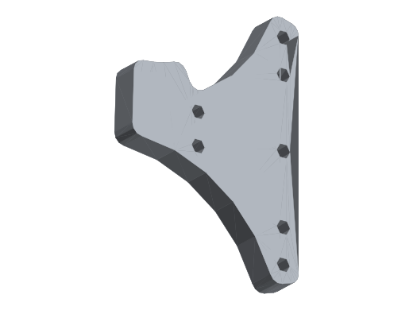 | 14.5821 | 2.1834989473 | 31.84 | 39.37167 | shin | 2 | prototype-tempmass AL6061 | CONFIRMED-AL | worksheet AL6061 geometry mass; not a new physical weighing; user-confirmed blue part; one-side CAD placement mirrored L/R; current v30 cached mesh | /Joints_UnderBody:1/Knee2Ankle:1::AnkleA2B_A_R
30 | AnkleA2B_A_Support | 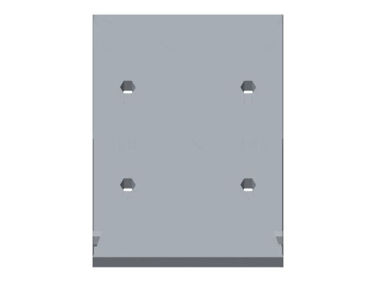 | 15.1197 | 2.699789017 | 40.82 | 40.82319 | shin | 2 | prototype-tempmass AL6061 | CONFIRMED-AL | worksheet AL6061 geometry mass; not a new physical weighing; user-confirmed blue part; one-side CAD placement mirrored L/R; current v30 cached mesh | /Joints_UnderBody:1/Knee2Ankle:1::AnkleA2B_A_Support
31 | AnkleA2B_A_L | 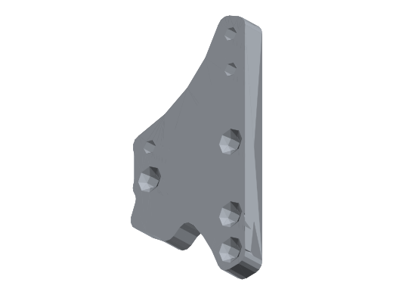 | 13.0456 | 2.4552339486 | 32.03 | 35.22312 | shin | 2 | prototype-tempmass AL6061 | CONFIRMED-AL | worksheet AL6061 geometry mass; not a new physical weighing; user-confirmed blue part; one-side CAD placement mirrored L/R; current v30 cached mesh | /Joints_UnderBody:1/Knee2Ankle:1::AnkleA2B_A_L
32 | AnkleA2B_A_R (1) | 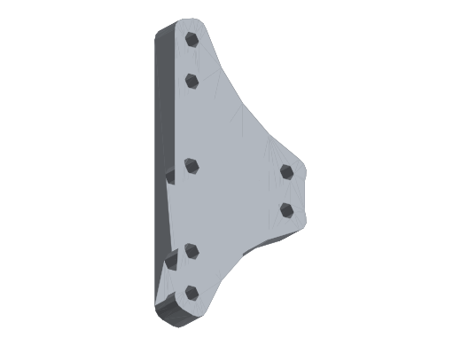 | 11.922 | 2.7067606106 | 32.27 | 32.1894 | shin | 2 | prototype-tempmass AL6061 | CONFIRMED-AL | worksheet AL6061 geometry mass; not a new physical weighing; user-confirmed blue part; one-side CAD placement mirrored L/R; current v30 cached mesh | /Joints_UnderBody:1/Knee2Ankle:1::AnkleA2B_A_R (1)
33 | AnkleA2B_A_Support (1) |  | 15.1197 | 2.699789017 | 40.82 | 40.82319 | shin | 2 | prototype-tempmass AL6061 | CONFIRMED-AL | worksheet AL6061 geometry mass; not a new physical weighing; user-confirmed blue part; one-side CAD placement mirrored L/R; current v30 cached mesh | /Joints_UnderBody:1/Knee2Ankle:1::AnkleA2B_A_Support (1)
34 | AnkleA2B_A_L (1) |  | 11.922 | 2.7067606106 | 32.27 | 32.1894 | shin | 2 | prototype-tempmass AL6061 | CONFIRMED-AL | worksheet AL6061 geometry mass; not a new physical weighing; user-confirmed blue part; one-side CAD placement mirrored L/R; current v30 cached mesh | /Joints_UnderBody:1/Knee2Ankle:1::AnkleA2B_A_L (1)
35 | HipYaw2Knee_outer | 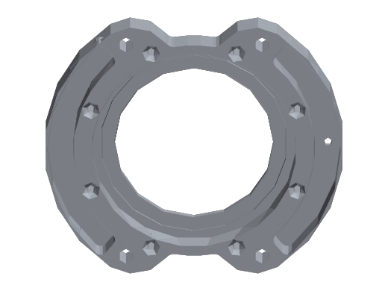 | 51.8072 | 0.90223777774 | 46.742412999 | 139.87944 | thigh | 2 | 3D-print effective density | not in confirmed AL mapping | measured-high; current v30 cached mesh | /Joints_UnderBody:1/HipYaw2Knee:1::HipYaw2Knee_outer
36 | HipYaw2Knee_Rotor | 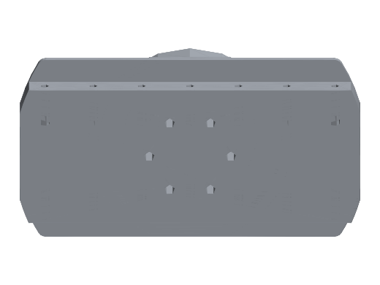 | 117.4764 | 0.88739154299 | 104.24756386 | 317.18628 | thigh | 2 | 3D-print effective density | not in confirmed AL mapping | confident-mean; current v30 cached mesh | /Joints_UnderBody:1/HipYaw2Knee:1::HipYaw2Knee_Rotor
37 | Yaw2KneePlateA | 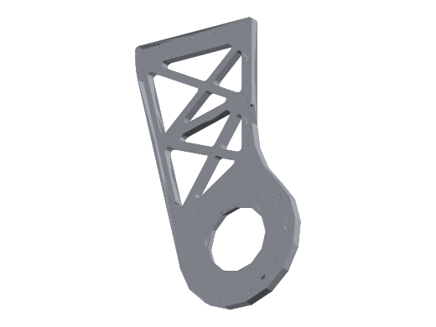 | 119.2408 | 0.82270538904 | 98.100048753 | 321.95016 | thigh | 2 | 3D-print effective density | not in confirmed AL mapping | measured-med; current v30 cached mesh | /Joints_UnderBody:1/HipYaw2Knee:1::Yaw2KneePlateA
38 | Yaw2KneePlateB | 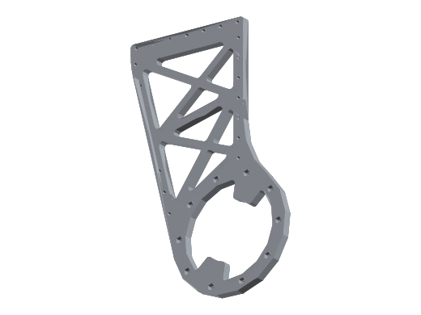 | 109.9036 | 0.88739154299 | 97.527525184 | 296.73972 | thigh | 2 | 3D-print effective density | not in confirmed AL mapping | confident-mean; current v30 cached mesh | /Joints_UnderBody:1/HipYaw2Knee:1::Yaw2KneePlateB
39 | SupportB | 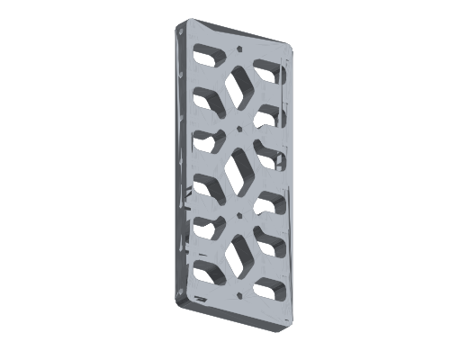 | 32.2472 | 0.88739154299 | 28.615892565 | 87.06744 | thigh | 2 | 3D-print effective density | not in confirmed AL mapping | confident-mean; current v30 cached mesh | /Joints_UnderBody:1/HipYaw2Knee:1::SupportB
40 | SupportA | 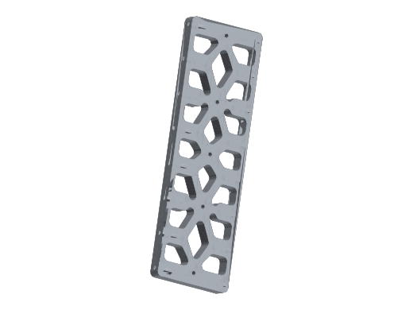 | 39.3926 | 0.88739154299 | 34.956660096 | 106.36002 | thigh | 2 | 3D-print effective density | not in confirmed AL mapping | confident-mean; current v30 cached mesh | /Joints_UnderBody:1/HipYaw2Knee:1::SupportA
41 | HipRoll2YawA | 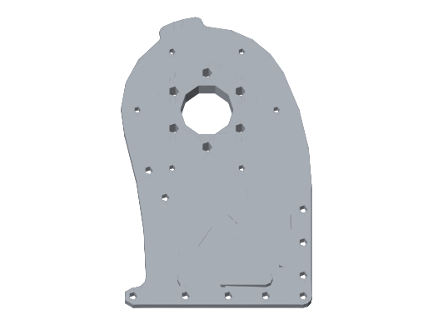 | 61.2828 | 0.79268292683 | 48.577829268 | 165.46356 | hip_roll_link | 2 | 3D-print effective density | not in confirmed AL mapping | measured-med; current v30 cached mesh | /Joints_UnderBody:1/HipRoll2Yaw:1::HipRoll2YawA
42 | HipRoll2YawB | 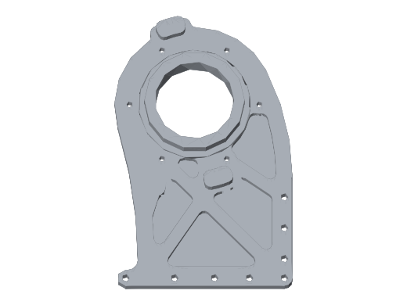 | 50.1852 | 0.88739154299 | 44.533922063 | 135.50004 | hip_roll_link | 2 | 3D-print effective density | not in confirmed AL mapping | confident-mean; current v30 cached mesh | /Joints_UnderBody:1/HipRoll2Yaw:1::HipRoll2YawB
43 | HipRoll2Yaw_Mount | 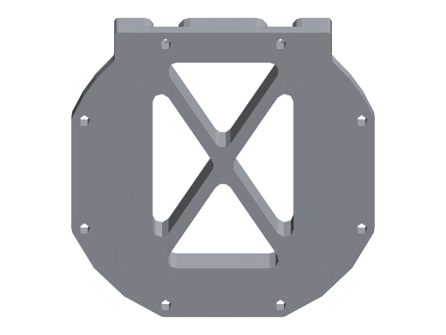 | 60.9674 | 1.0989478288 | 66.99999186 | 164.61198 | hip_roll_link | 2 | 3D-print effective density | not in confirmed AL mapping | measured-med; current v30 cached mesh | /Joints_UnderBody:1/HipRoll2Yaw:1::HipRoll2Yaw_Mount
44 | Body4 | 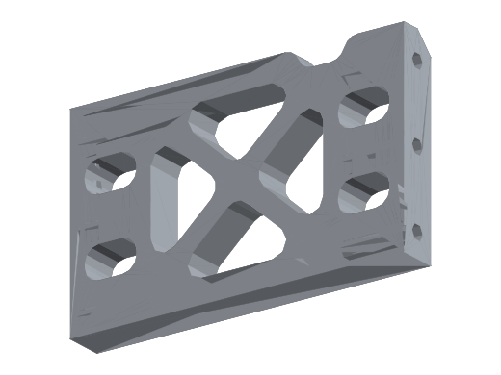 | 14.544 | 0.92133744175 | 13.399931753 | 39.2688 | hip_roll_link | 2 | 3D-print effective density | not in confirmed AL mapping | measured-med; current v30 cached mesh | /Joints_UnderBody:1/HipRoll2Yaw:1::Body4
45 | HipPitchFlange | 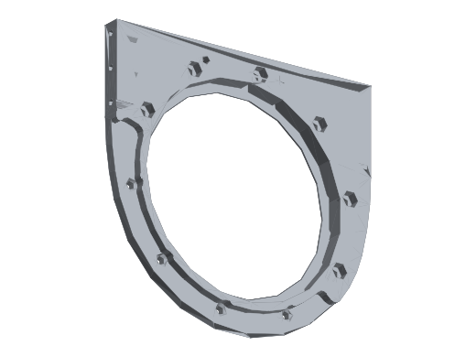 | 39.6169 | 0.88739154299 | 35.155702019 | 106.96563 | hip_pitch_link | 2 | 3D-print effective density | not in confirmed AL mapping | confident-mean; current v30 cached mesh | /Joints_UnderBody:1/HipPitch2Roll:1::HipPitchFlange
46 | HipPitchRotor | 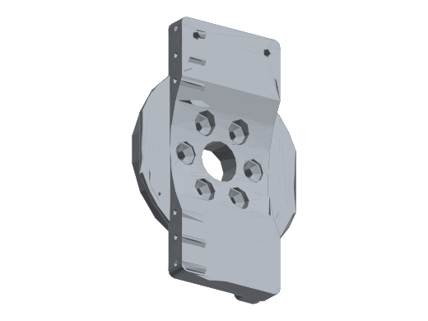 | 73.7779 | 0.88739154299 | 65.469884519 | 199.20033 | hip_pitch_link | 2 | 3D-print effective density | not in confirmed AL mapping | confident-mean; current v30 cached mesh | /Joints_UnderBody:1/HipPitch2Roll:1::HipPitchRotor
47 | HipPitch2Roll_A | 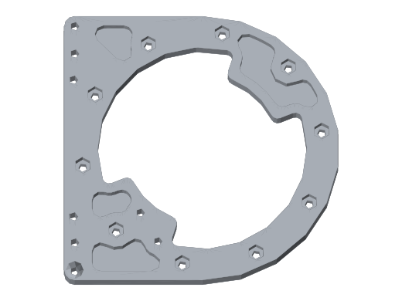 | 47.4683 | 0.88739154299 | 42.12296798 | 128.16441 | hip_pitch_link | 2 | 3D-print effective density | not in confirmed AL mapping | confident-mean; current v30 cached mesh | /Joints_UnderBody:1/HipPitch2Roll:1::HipPitch2Roll_A
48 | HipPitch2Roll_B | 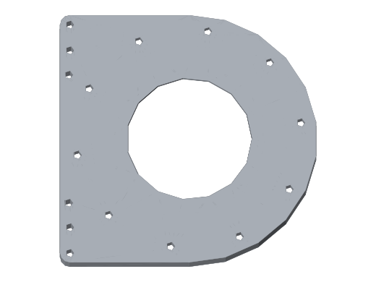 | 54.8067 | 0.88739154299 | 48.635002079 | 147.97809 | hip_pitch_link | 2 | 3D-print effective density | not in confirmed AL mapping | confident-mean; current v30 cached mesh | /Joints_UnderBody:1/HipPitch2Roll:1::HipPitch2Roll_B
49 | BaseLink_Bottom_A | 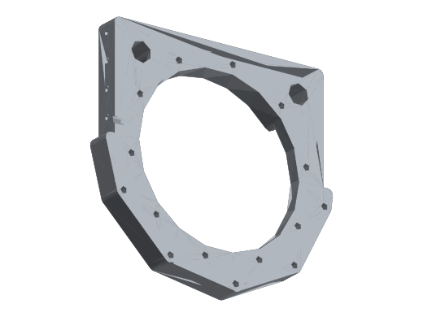 | 72.5133 | 0.88739154299 | 64.347689174 | 195.78591 | pelvis | 1 | 3D-print effective density | not in confirmed AL mapping | confident-mean; current v30 cached mesh | /Joints_UnderBody:1/CenterParts:1::BaseLink_Bottom_A
50 | BaseLink_Bottom_B | 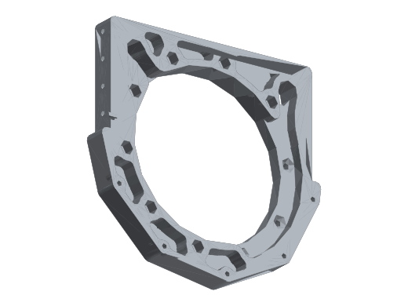 | 72.3246 | 0.88739154299 | 64.18023839 | 195.27642 | pelvis | 1 | 3D-print effective density | not in confirmed AL mapping | confident-mean; current v30 cached mesh | /Joints_UnderBody:1/CenterParts:1::BaseLink_Bottom_B
51 | Baselink_Connect_Fr | 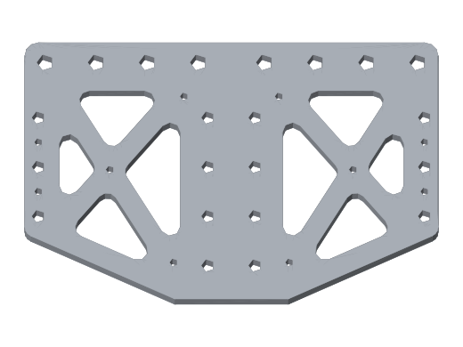 | 37.1166 | 0.88739154299 | 32.936956944 | 100.21482 | pelvis | 1 | 3D-print effective density | not in confirmed AL mapping | confident-mean; current v30 cached mesh | /Joints_UnderBody:1/CenterParts:1::Baselink_Connect_Fr
52 | Baselink_Connect_Ba |  | 37.1166 | 0.88739154299 | 32.936956944 | 100.21482 | pelvis | 1 | 3D-print effective density | not in confirmed AL mapping | confident-mean; current v30 cached mesh | /Joints_UnderBody:1/CenterParts:1::Baselink_Connect_Ba
53 | Baselink_toWaistYaw | 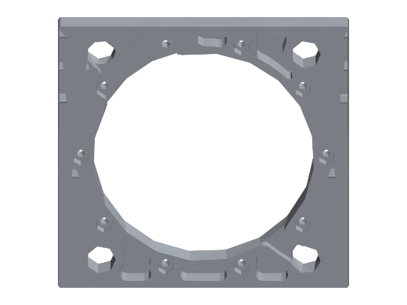 | 71.2567 | 0.88739154299 | 63.232592961 | 192.39309 | pelvis | 1 | 3D-print effective density | not in confirmed AL mapping | confident-mean; current v30 cached mesh | /Joints_UnderBody:1/CenterParts:1::Baselink_toWaistYaw
54 | Arm_A | 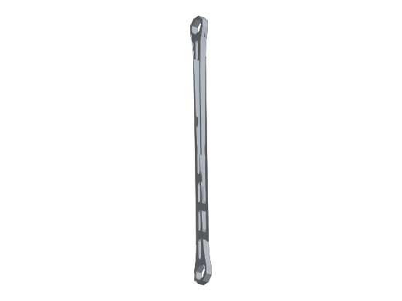 | 20.2813 | 2.7000241602 | 54.76 | 54.75951 | ANKLE_SPLIT | 2 | prototype-tempmass AL6061 | CONFIRMED-AL | worksheet AL6061 geometry mass; not a new physical weighing; user-confirmed blue part; one-side CAD placement mirrored L/R; current v30 cached mesh | /Joints_UnderBody:1/Ankle2Feet:1::Arm_A
55 | Arm_B | 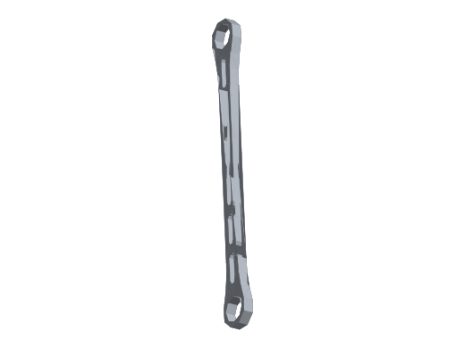 | 14.3611 | 2.8932324126 | 41.55 | 38.77497 | ANKLE_SPLIT | 2 | prototype-tempmass AL6061 | CONFIRMED-AL | worksheet AL6061 geometry mass; not a new physical weighing; user-confirmed blue part; one-side CAD placement mirrored L/R; current v30 cached mesh | /Joints_UnderBody:1/Ankle2Feet:1::Arm_B

