Monaco-Andorra-VLE
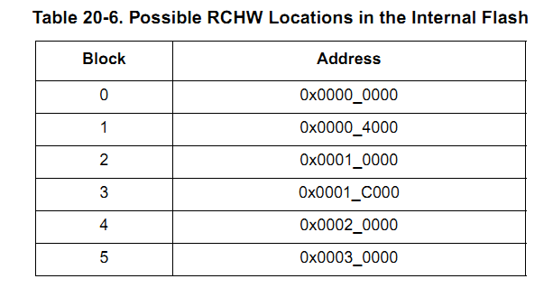
 | MT62.1 Flash address - VLE format

 | Address | Andorra(LCI) |  |  | Monaco(Prod) |  | Allocated |  | MMU entry
 | Offset form FLASH_BASE (0x0000_0000) | linear block name | block name | block size(Kbytes) | block name | block size(Kbytes) | Description | size(Kbytes) | Total 16 for Monaco | TLB entry
RCHW | 0x0000_0000 | L0 | FLASH_A_L0 | 16 | 0(Array 0 Low) | 16 | PML/NVM | 16 | 1 x 64k | 0
RCHW | 0x0000_4000 | L1 | FLASH_A_L1 | 16 | 1a(Array 0 Low) | 16 | Boot block (Kernal start at 0x0000_7000,size: 0x9000) | 48
 | 0x0000_8000 | L2 | FLASH_A_L2 | 16 | 1b(Array 0 Low) | 32
 | 0x0000_C000 | L3 | FLASH_A_L3 | 16 |  |  |  |  |  |  | 64
RCHW | 0x0001_0000 | L4 | FLASH_A_L4 | 16 | 2a(Array 0 Low) | 32 | Reserved | 32 | 1 x 64k | 8
 | 0x0001_4000 | L5 | FLASH_A_L5 | 16
 | 0x0001_8000 | L6 | FLASH_A_L6 | 16 | 2b(Array 0 Low) | 16 | NVRAM-1 | 16
RCHW | 0x0001_C000 | L7 | FLASH_A_L7 | 16 | 3(Array 0 Low) | 16 | NVRAM-2 | 16 |  |  | 128
RCHW | 0x0002_0000 | L8 | FLASH_A_L8 | 64 | 4(Array 0 Low) | 64 | Calibration(Reference page for LCI) | 128 | 1 x 64k | 11
RCHW | 0x0003_0000 | L9 | FLASH_A_L9 | 64 | 5(Array 0 Low) | 64 |  |  | 1 x 64k | 12 | 256
 | 0x0004_0000 | L10 | FLASH_A_M0 | 128 | 6(Array 0 mid) | 128 | Application code(VLE) with math lib(VLE) The Main function must located at the very first begining of 0x00041400 (this is for jumping from boot block) Testability(satrt from 0x0017C400 Max 15k) | 128 | 1 x 256k | 4
 | 0x0006_0000 | L11 | FLASH_A_M1 | 128 | 7(Array 0 mid) | 128 |  | 1M+128 |  |  | 512
 | 0x0008_0000 | M0 | FLASH_B_L0 | 256 | 8(Array 1 high) | 128 |  |  | 1 x 256k | 5
 | 0x000A_0000 |  |  |  | 9(Array 1 high) | 128 |  |  |  |  | 768
 | 0x000C_0000 | M1 | FLASH_B_M0 | 256 | 10(Array 1 high) | 128 |  |  | 1 x 256k | 6 | 1m
 | 0x000E_0000 |  |  |  | 11(Array 1 high) | 128
 | 0x0010_0000 | H0 | H0 | 512 | 12(Array 2 high) | 128 |  |  | 1 x 1M | 7
 | 0x0012_0000 |  |  |  | 13(Array 2 high) | 128
 | 0x0014_0000 |  |  |  | 14(Array 2 high) | 128
 | 0x0016_0000 |  |  |  | 15(Array 2 high) | 128
 | 0x0018_0000 | H1 | H1 | 512
 | 0x0020_0000 | H2 | H2 | 512 |  |  | Calibration Working page backup(LCI only) | 128 |  | 15
 | 0x0028_0000 | H3 | H3 | 512
 | 0x0030_0000 | H4 | H4 | 512
 | 0x0038_0000 | H5 | H5 | 512
 | 0x0040_0000
 | 0x00EF_C000 | S0 | S0 | 16
 | 0x00FF_C000 | S1 | S1 | 16 | S1 | 16
 |  |  |  |  |  |  |  |  | 2 x Register | 2/3
 | Note: 1. The ssd flash driver from freescale of Andorra treats flash as linear, all the operations use linear block number/name. 2. The ssd flash driver from freescale of Monaco has no this feature, we should pass the right register and block name to all the operation functions. 3. Boot with RCHW must be located at 0x0000_4000, see table 20-6 4. MMU entry start address must be divided by entry size 5. The MMU TLB entry marked as RED must be initialized as order 6. Entry 15 is used for VertiCAL working page(0x3000_0000 - 0x3001_FFFF) in vertical hardware |  |  |  |  |  |  |  | 1 x RAM | 1

Considerations
0x0008_0000
PROGRAM

0x0017_FFFF

