Exo1201a
8
A
B
D
C
E
F
6
6
8
4
2
6
8
 |  |  |  |  |  |  |  |  |  | 0
k | Path (k) | (AB) | (AC) | (BD) | (BE) | (CE) | (DF) | (ED) | (EF) | f(k)
1
2
3
4
5
6
7
8

Exo1201b
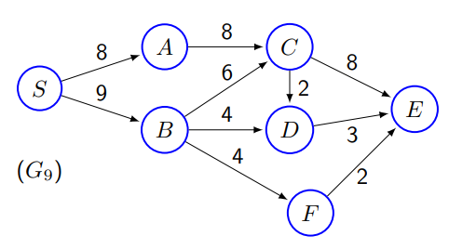
 |  |  |  |  |  |  |  |  |  |  |  | 0
k | Path (k) | (SA) | (SB) | (AC) | (BC) | (BD) | (BF) | (CD) | (CE) | (DE) | (FE) | f(k)
1 | SACE
2
3
4
5
6
7
8

Exo1201c
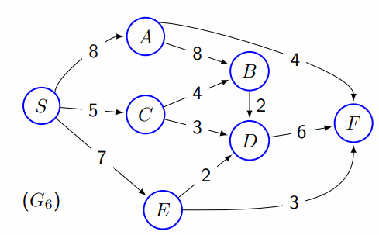
 |  |  |  |  |  |  |  |  |  |  |  |  | 0
k | Path (k) | (SA) | (SC) | (SE) | (AB) | (AF) | (BD) | (CB) | (CD) | (DF) | (ED) | (EF) | f(k)
1 | SAF
2
3
4
5
6
7
8

Exo1202
10, 4
D
B
14, 6
8, 6
 |  |  |  |  |  |  |  |  |  |  | 20 | 272
k | Path (k) | (AB) | (AC) | (BD) | (CD) | (CE) | (DE) | (DF) | (EF) | u(k) | f(k) | c(k)
1 | ACDEF |  | 2 |  | 2 |  | 2 |  | 2 | 10 | 2 | 20
A
4, 2
2,1
F
2 | ACEF |  |  |  |  |  |  |  |  | 12 | 6 | 72
10, 4
8, 3
3 | ACDF |  |  |  |  |  |  |  |  | 12 | 2 | 24
4 | ACEDF |  |  |  |  |  |  |  |  | 14 | 2 | 28
C
13, 5
E
5 | ABDF |  |  |  |  |  |  |  |  | 16 | 8 | 128
6 |  |  |  |  |  |  |  |  |  |  |  | 0
7 |  |  |  |  |  |  |  |  |  |  |  | 0
8 |  |  |  |  |  |  |  |  |  |  |  | 0

