Guideline
With outputFolder sheet:
Modify the yellow highlighted contents. The value is C:/ or D:/ depen on drive path of RCPTT.exe. The ouputFolder path must be similar with drive path of RCPTT.exe
You can put it to another path, exp: D:/Users/…./OutputFiles/…/ , don’t forget replace \ by / .

With targetdevice sheet:
Put all target device you want to test (add new or remove), each target for one row( 2, 3, 4, 5 …). Monitor address and value to init If use SCI module, please put channel, FIFO channel and Number of channel in TestGroup TG024_007 FiFO Channel must arange folow TestCase inside !Test, for Ex: 11,7,8,9,10 The format must be similar with contents in picture below.

With buildModuleNames sheet:
Put all module with version which you want to run build test. Following the format below:

- With bsp_version sheet:
Put bsp version which you want to run build test. Following the format below:

With trash sheet:
You can storage all things you want to next time running testing. Then you could faster copy and paste it to another sheet to run. This sheet is free to type.
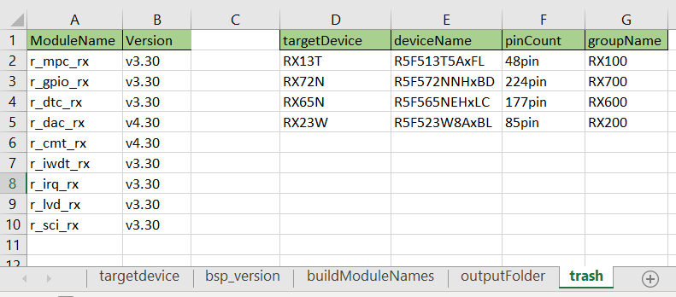

 | Save file. Then import this file to RCPTT project.

