Tutorial App Script
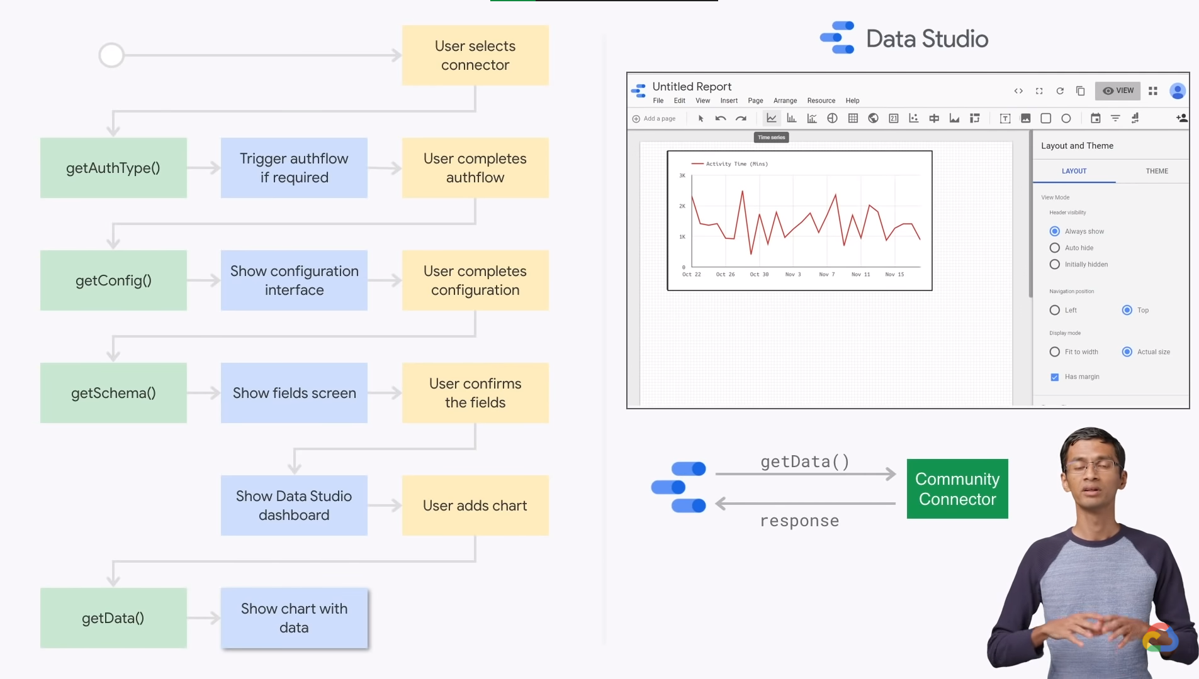
https://www.youtube.com/watch?v=1u1wOD3RjSA

