Middleware
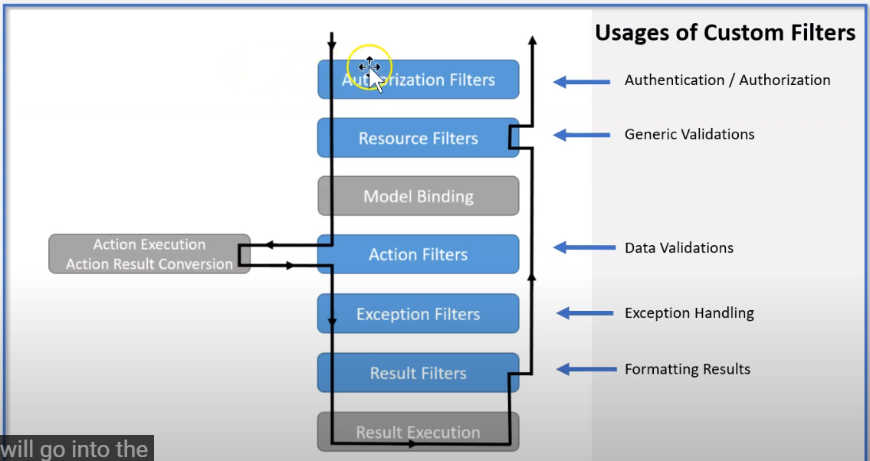
 | Filter pipeline( middleware) https://www.youtube.com/watch?v=zp31OZaO5kY&list=PLgRlicSxjeMMSCYjOe2t2-BLqVxInAMM1&index=5
Authentication/ authoriaztion
Generic validation
Retrieve input data
Input data validation
Application logic
Format output data
Exception handing

implement Atribute, IResourceFilter, IOrderFilter(options purpase in order) : validatation HttpContext from Client and setup in StartUp.cs
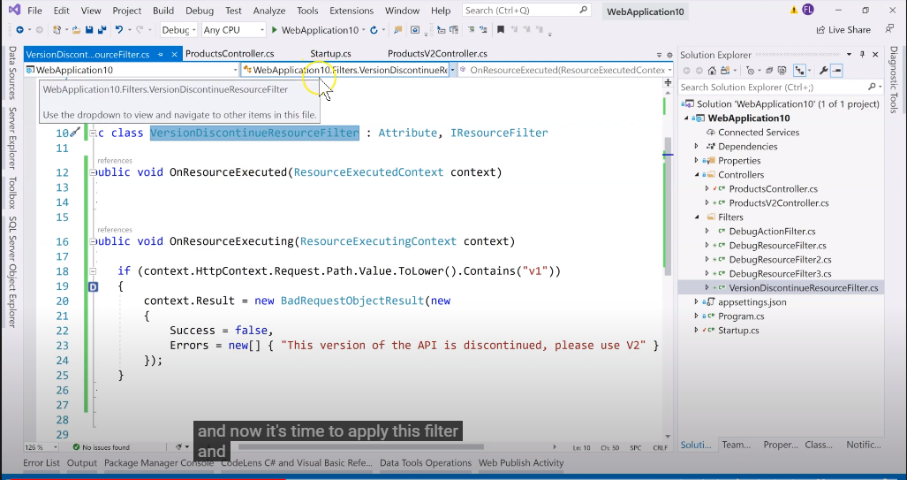
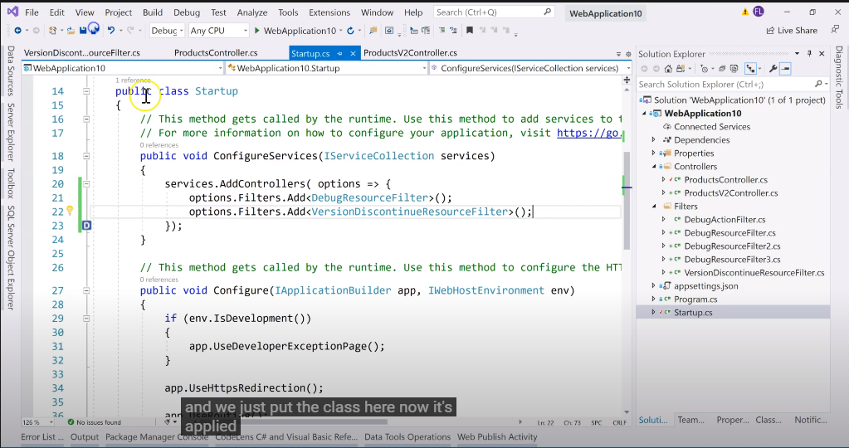

implement ActionFilterAtribute : validate parameters from request.
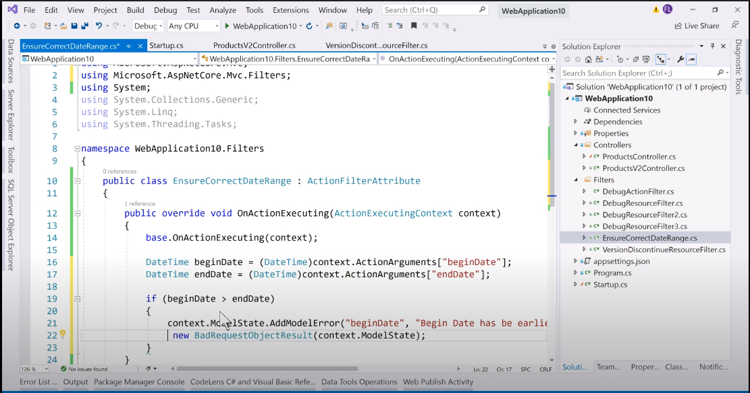
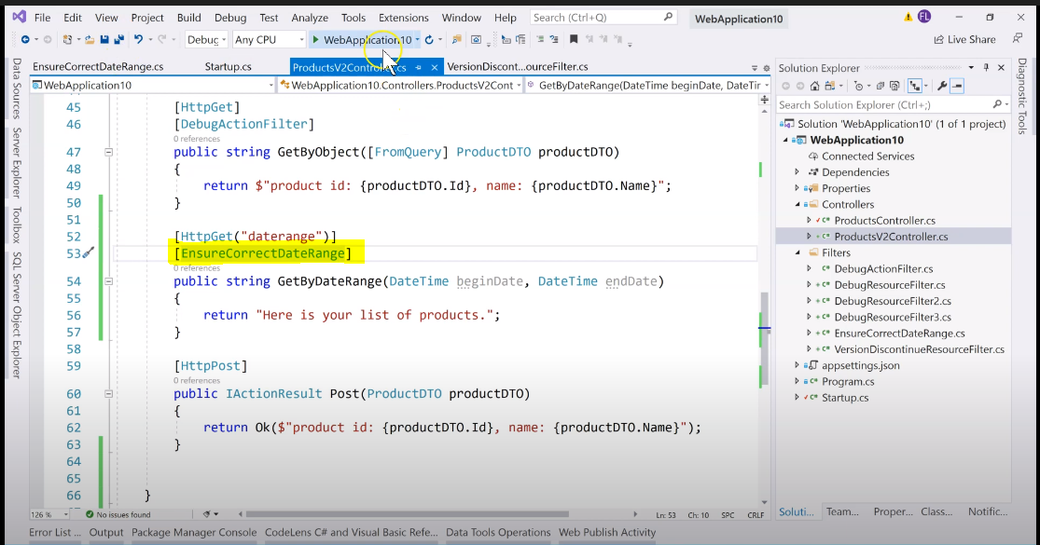

implement Atribute, IAuthorizationFilter: validate when authencation.
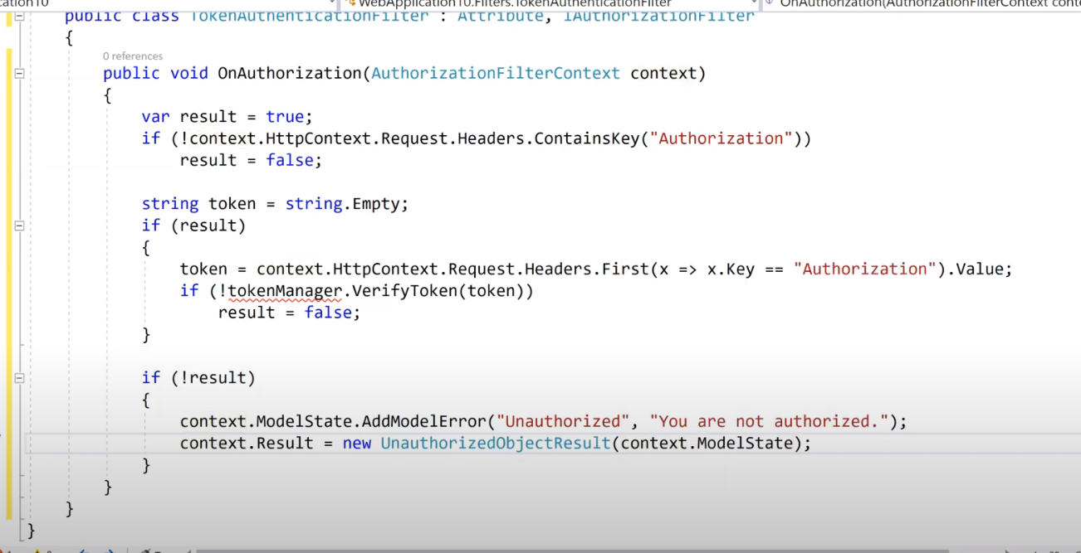
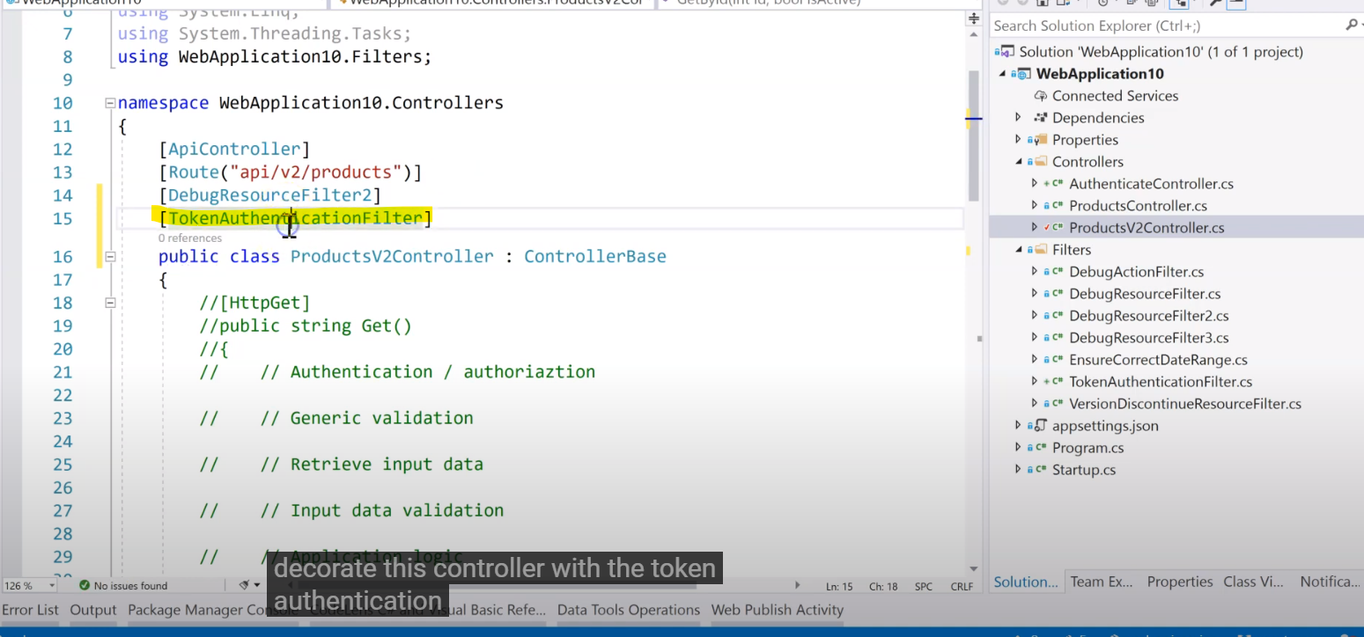
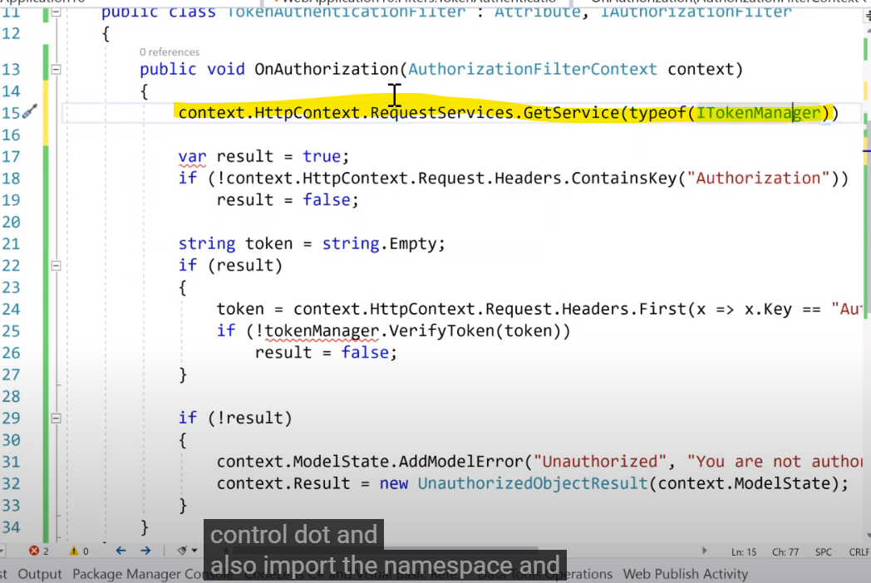

Use.app: sẽ chuyển tiếp middeware tiếp theo bằng cứ phấp next().
Use.Run laf điểm cuối của request pipeline

Upload File
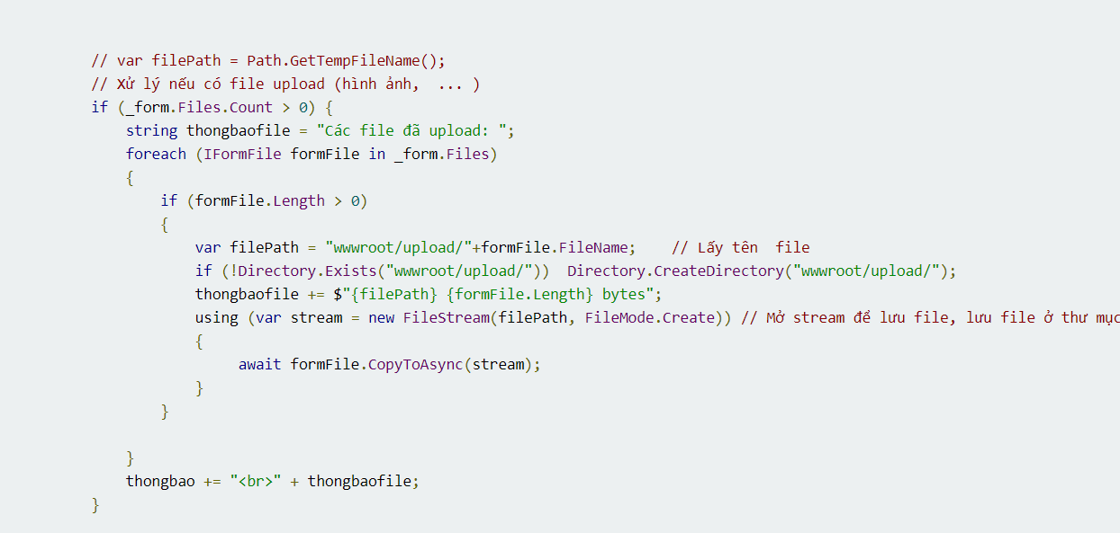
https://xuanthulab.net/asp-net-core-doc-va-ghi-request-va-response-xu-ly-truy-van-co-ban-upload-file-cookie-json.html#IApplicationBuilderMap

Authenticate
Cấu hình Authencation with JWT Bearer
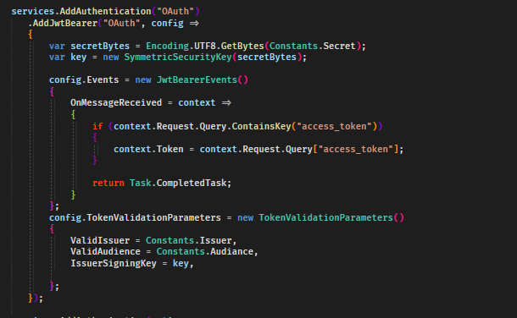

Cấu hình Authoriztion
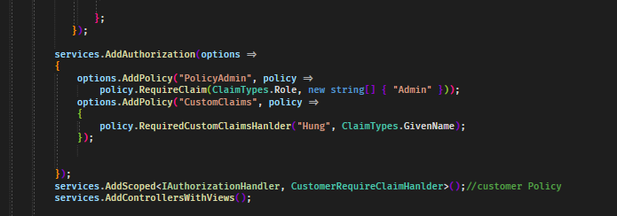

Custom Requeried hanlder Authorization
1. Kế tạo 1 class kế thừa IAuthorizationRequirement
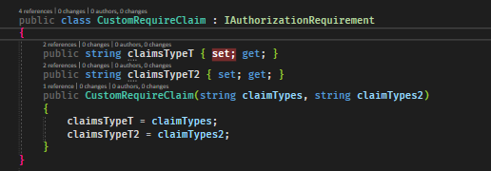

2. Kế thừa AuthorizationHandler<Chứa class kế thừa IAuthorizationRequirement>

3. Custom requirements Policy

Change to Bytes
