Sheet1
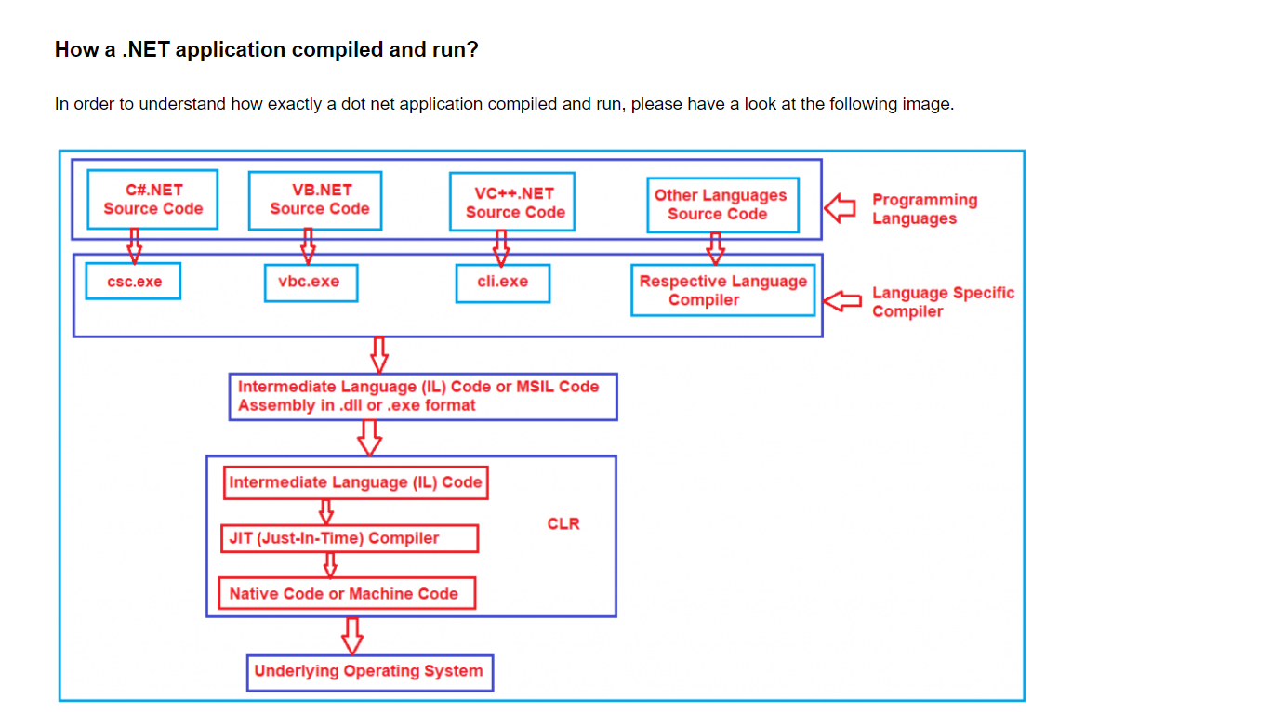
https://dotnettutorials.net/lesson/common-language-runtime-dotnet/

