Dataset 2. Analysis results
Figure 1B, C |  |  |  |  |  | Figure 1D |  |  |  |  |  | Figure 2A |  |  |  |  |  | Figure 2C
Two-way ANOVA |  |  |  |  |  | Two-way ANOVA with least-square means post-hoc comparison |  |  |  |  |  | Two-way ANOVA with least-square means post-hoc comparison |  |  |  |  |  | Bayesian correlation with bayes_cor.test (R package psycho), based on correlationBF (R package BayesFactor) |  |  |  |  |  |  |  |  |  |  |  |  |  |  |  | linear regression with modelAssumptions (R package lmSupport)

Males |  |  |  |  |  | mM sucrose | % EtOH | Mean | SEM | N |  | % w/v sucralose | % EtOH | Mean | SEM | N |  | Abbreviations |  |  |  |  |  |  |  |  |  |  |  |  |  |  |  | Preference index ~ ethanol intake
Diet | % EtOH | Mean | SEM | N |  | 5 | 0 | 0.65 | 0.07 | 10 |  | 0 | 0 | 0.18 | 0.02 | 22 |  | BF | Bayesian factor |  | CI | Confidence interval |  | HDI | 95% High density interval |  |  | MAD | Median absolute deviation
1× | 0 | 0.53 | 0.02 | 17 |  | 5 | 5 | 1.12 | 0.06 | 10 |  | 0 | 5 | 0.11 | 0.01 | 22 |  | ROPE | Decision based on "Region of Practical Equivalence" criteria for equivalence testing (Kruschke 2018); If the HDI falls completely outside the ROPE then reject the null; if the HDI falls fully within, "accept" the null; remain "undecided" otherwise |  |  |  |  |  |  |  |  |  |  |  |  |  |  | Coefficients:
1× | 5 | 0.68 | 0.03 | 16 |  | 25 | 0 | 1.16 | 0.04 | 10 |  | 0.5 | 0 | 0.79 | 0.03 | 10 |  |  |  |  |  |  |  |  |  |  |  |  |  |  |  |  |  |  | Estimate | Std. Error | t | p
3× | 0 | 0.27 | 0.02 | 15 |  | 25 | 5 | 1.68 | 0.08 | 10 |  | 0.5 | 5 | 0.97 | 0.07 | 10
3× | 5 | 0.30 | 0.02 | 15 |  | 146 | 0 | 0.59 | 0.05 | 10 |  | 2.5 | 0 | 1.02 | 0.06 | 10 |  | Total consumption |  |  |  |  | Ethanol intake |  |  |  |  |  | Dietary caloric content |  |  |  |  | Intercept | -0.10 | 0.05 | -2.13 | 0.05
 |  |  |  |  |  | 146 | 5 | 0.82 | 0.06 | 10 |  | 2.5 | 5 | 1.19 | 0.05 | 10 |  |  |  |  |  |  |  |  |  |  |  |  |  |  |  |  |  | EtOHIntake | 0.00 | 0.00 | 3.75 | 0.00
 | Df | Sum Sq | F | p |  | 438 | 0 | 0.26 | 0.02 | 10 |  |  |  |  |  |  |  | BF | ρ |  | 90% CI |  | BF | ρ |  | 90% CI |  |  | BF | ρ |  | 90% CI
(Intercept) | 1 | 12.35 | 1763.04 | 0.0000 |  | 438 | 5 | 0.18 | 0.01 | 10 |  |  | Df | Sum Sq | F | p |  |  | Median | MAD | Lower | Upper |  | Median | MAD | Lower | Upper |  |  | Median | MAD | Lower | Upper | Residual standard error: 0.09799 on 12 degrees of freedom
Diet | 1 | 1.64 | 234.69 | 0.0000 |  |  |  |  |  |  |  | (Intercept) | 1 | 36.89 | 2463.60 | 0.0000 |  | 7.94 | 0.54 | 0.20 | 0.18 | 0.87 | 12.59 | 0.59 | 0.19 | 0.23 | 0.92 |  | 0.87 | -0.21 | 0.23 | -0.57 | 0.18 | Multiple R-squared: 0.5394, Adjusted R-squared: 0.501
EtOH | 1 | 0.13 | 18.53 | 0.0001 |  |  | Df | Sum Sq | F | p |  | Sucralose | 2 | 15.64 | 522.25 | 0.0000 |  |  |  |  |  |  |  |  |  |  |  |  |  |  |  |  |  | F-statistic: 14.05 on 1 and 12 DF, p-value: 0.002778
Diet:EtOH | 1 | 0.06 | 8.07 | 0.0062 |  | (Intercept) | 1 | 51.98 | 1764.76 | 0.0000 |  | EtOH | 1 | 0.16 | 10.89 | 0.0015 |  | ROPE decision | 95% HDI |  |  |  | ROPE decision | 95% HDI |  |  |  |  | ROPE decision | 95% HDI
Residuals | 59 | 0.41 |  |  |  | Sucrose | 3 | 14.69 | 166.26 | 0.0000 |  | Sucralose:EtOH | 2 | 0.31 | 10.46 | 0.0001 |  |  | Lower | Upper |  |  |  | Lower | Upper |  |  |  |  | Lower | Upper |  |  |  | Estimate | 95% CI
 |  |  |  |  |  | EtOH | 1 | 1.62 | 55.16 | 0.0000 |  | Residuals | 78 | 1.17 |  |  |  | Accept H0 | 0.12 | 0.98 |  |  | Accept H0 | 0.17 | 1.04 |  |  |  | Undecided | -0.65 | 0.25 |  |  |  |  | lower | upper
-EtOH vs. +EtOH |  |  |  |  |  | Sucrose:EtOH | 3 | 1.14 | 12.92 | 0.0000 |  |  |  |  |  |  |  |  |  |  |  |  |  |  |  |  |  |  |  |  |  |  |  | X intercept | 26.10 | -1.23 | 40.38
Diet | estimate | SE | t | df | p | Residuals | 72 | 2.12 |  |  |  |  |  |  |  |  |  | Summary of results |  |  |  |  | Summary of results |  |  |  |  |  | Summary of results
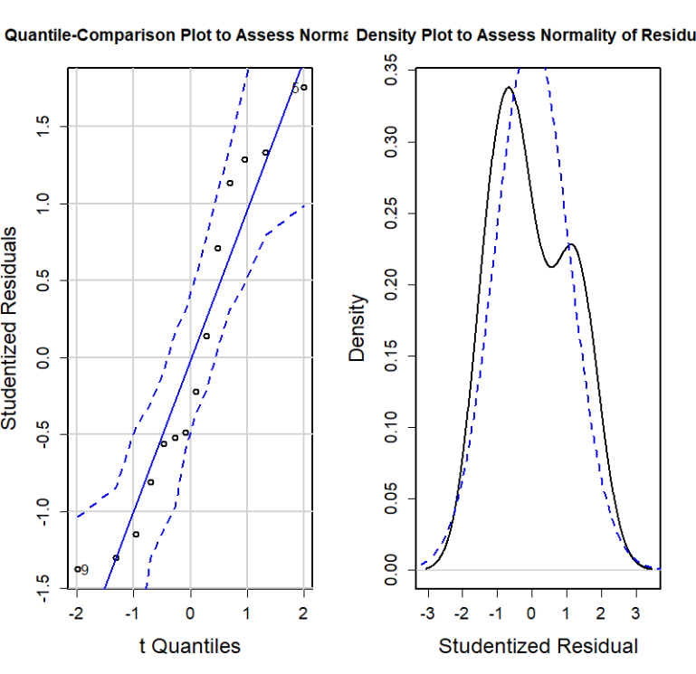
1× | 0.15 | 0.37 | 4.61 | 24.44 | 0.0001 |  |  |  |  |  |  | -EtOH vs. +EtOH |  |  |  |  |  | Moderate evidence in favour of the existence of a positive association. Correlation can be considered as large, moderate, small, or very small with respective probabilities of 57.40%, 29.68%, 10.54%, and 1.71%. |  |  |  |  | Strong evidence in favour of the existence of a positive association. Correlation can be considered as large, moderate, small, or very small with respective probabilities of 67.21%, 24.18%, 7.01%, and 1.25%. |  |  |  |  |  | Anecdotal evidence in favour of the absence of a negative association. Correlation can be considered as large, moderate, small, or very small with respective probabilities of 9.87%, 24.75%, 33.23%, and 13.64%.
3× | 0.03 | 0.12 | 1.17 | 27.85 | 0.2520 |  |  |  |  |  |  | least-square means comparison (R package lsmeans)
 |  |  |  |  |  | -EtOH vs. +EtOH |  |  |  |  |  | % w/v sucralose | estimate | SE | t | df | p
Preference index |  |  |  |  |  | least-square means comparison (R package lsmeans) |  |  |  |  |  | 0 | -0.06867 | 0.0369 | 1.861 | 78 | 0.0665
Diet | PI | SEM | t | df | p | mM sucrose | estimate | SE | t | df | p | 0.5 | 0.1798 | 0.0547 | 3.287 | 78 | 0.0015
1× | 0.12 | 0.03 | 4.3636 | 15 | 0.0006 | 5 | 0.473 | 0.0768 | 6.163 | 72 | <.0001 | 2.5 | 0.1717 | 0.0547 | 3.138 | 78 | 0.0024
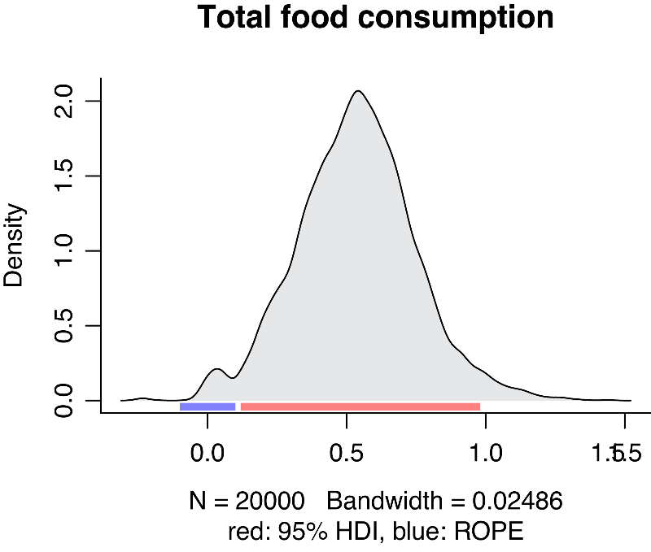
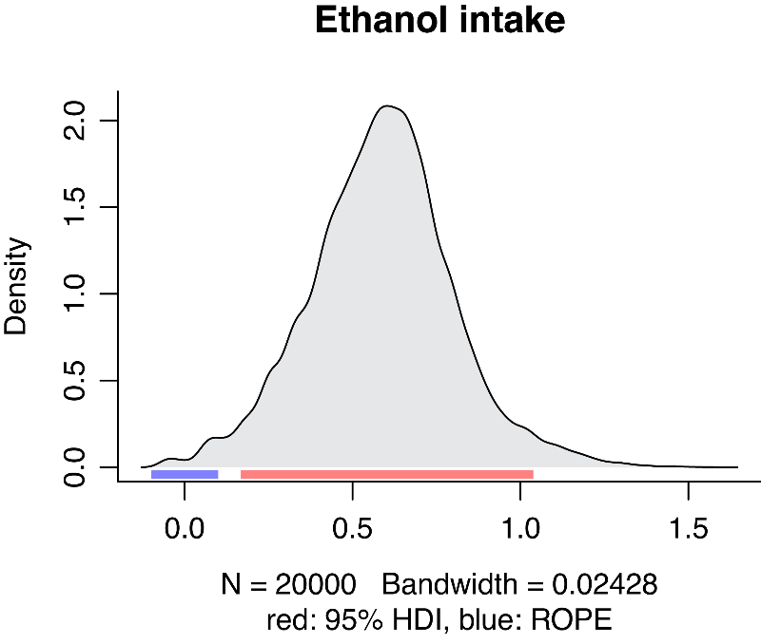
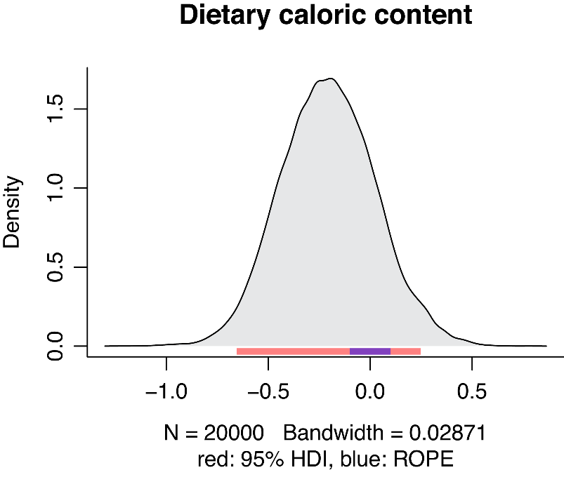
3× | 0.05 | 0.05 | 1.1679391729 | 14 | 0.2623 | 25 | 0.5215 | 0.0768 | 6.795 | 72 | <.0001
 |  |  |  |  |  | 146 | 0.2261 | 0.0768 | 2.946 | 72 | 0.0043 | Preference index
 |  |  |  |  |  | 438 | -0.0806 | 0.0768 | -1.05 | 72 | 0.2975 | % w/v sucralose | PI | SEM | t | df | p
Females |  |  |  |  |  |  |  |  |  |  |  | 0 | -0.24 | 0.08 | -3.1 | 21 | 0.005
Diet | % EtOH | Mean | SEM | N |  | Preference index |  |  |  |  |  | 0.5 | 0.10 | 0.04 | 2.53 | 9 | 0.032
1× | 0 | 0.92 | 0.05 | 16 |  | mM sucrose | PI | SEM | t | df | p | 2.5 | 0.08 | 0.03 | 2.29 | 9 | 0.048
1× | 5 | 1.19 | 0.07 | 16 |  | 5 | 0.27 | 0.05 | 4.92 | 9 | 0.0008
3× | 0 | 0.32 | 0.02 | 19 |  | 25 | 0.18 | 0.03 | 5.47 | 9 | 0.0004
3× | 5 | 0.38 | 0.02 | 19 |  | 146 | 0.16 | 0.06 | 2.92 | 9 | 0.0169
 |  |  |  |  |  | 438 | -0.18 | 0.04 | 4.46 | 9 | 0.0016 | Figure 2B
 | Df | Sum Sq | F | p |  |  |  |  |  |  |  | Two-way ANOVA with least-square means post-hoc comparison
(Intercept) | 1 | 34.14 | 1053.30 | 0.0000
Diet | 1 | 8.57 | 264.34 | 0.0000 |  |  |  |  |  |  |  | mM papaverine | % EtOH | Mean | SEM | N
EtOH | 1 | 0.46 | 14.13 | 0.0004 |  |  |  |  |  |  |  | 0 | 0 | 1.00 | 0.04 | 10
Diet:EtOH | 1 | 0.21 | 6.52 | 0.0130 |  |  |  |  |  |  |  | 0 | 5 | 1.19 | 0.07 | 10
Residuals | 66 | 2.14 |  |  |  |  |  |  |  |  |  | 1 | 0 | 0.68 | 0.05 | 10
 |  |  |  |  |  |  |  |  |  |  |  | 1 | 5 | 0.69 | 0.04 | 10
-EtOH vs. +EtOH |  |  |  |  |  |  |  |  |  |  |  | 5 | 0 | 0.18 | 0.01 | 10
Diet | estimate | SE | t | df | p |  |  |  |  |  |  | 5 | 5 | 0.17 | 0.01 | 10
1× | 0.27 | 0.72 | 3.13 | 26.68 | 0.0043
3× | W | p |  |  |  |  |  |  |  |  |  |  | Df | Sum Sq | F | p |  | Caloric intake |  |  |  |  | Carbohydrate intake |  |  |  |  |  | Protein intake
 | 131 | 0.1542 |  |  |  |  |  |  |  |  |  | (Intercept) | 1 | 25.41 | 1472.71 | 0.0000
 | * Wilcoxon rank sum test due to non-normal distribution |  |  |  |  |  |  |  |  |  |  | Papaverine | 2 | 8.49 | 246.09 | 0.0000 |  | BF | ρ |  | 90% CI |  | BF | ρ |  | 90% CI |  |  | BF | ρ |  | 90% CI
Preference index |  |  |  |  |  |  |  |  |  |  |  | EtOH | 1 | 0.07 | 3.77 | 0.0574 |  |  | Median | MAD | Lower | Upper |  | Median | MAD | Lower | Upper |  |  | Median | MAD | Lower | Upper
Diet | PI | SEM | t | df | p |  |  |  |  |  |  | Papaverine:EtOH | 2 | 0.11 | 3.12 | 0.0521 |  | 0.55 | 0.03 | 0.23 | -0.35 | 0.41 | 0.55 | -0.01 | 0.23 | -0.40 | 0.36 |  | 0.67 | 0.14 | 0.23 | -0.23 | 0.52
1× | 0.16 | 0.04 | 4.2667 | 15 | 0.0007 |  |  |  |  |  |  | Residuals | 54 | 0.93
3× | 0.07 | 0.04 | 1.720531757 | 18 | 0.1025 |  |  |  |  |  |  |  |  |  |  |  |  | ROPE decision | 95% HDI |  |  |  | ROPE decision | 95% HDI |  |  |  |  | ROPE decision | 95% HDI
 |  |  |  |  |  |  |  |  |  |  |  |  |  |  |  |  |  |  | Lower | Upper |  |  |  | Lower | Upper |  |  |  |  | Lower | Upper
 |  |  |  |  |  |  |  |  |  |  |  | -EtOH vs. +EtOH |  |  |  |  |  | Undecided | -0.42 | 0.48 |  |  | Undecided | -0.47 | 0.43 |  |  |  | Undecided | -0.31 | 0.58
 |  |  |  |  |  |  |  |  |  |  |  | least-square means comparison (R package lsmeans)
 |  |  |  |  |  |  |  |  |  |  |  | mM papaverine | estimate | SE | t | df | p | Summary of results |  |  |  |  | Summary of results |  |  |  |  |  | Summary of results
 |  |  |  |  |  |  |  |  |  |  |  | 0 | 0.18535 | 0.0587 | 3.155 | 54 | 0.0026 | Anecdotal evidence in favour of the absence of a positive association. Correlation can be considered as large, moderate, small, or very small with respective probabilities of 1.88%, 10.54%, 25.47%, and 16.36%. |  |  |  |  | Anecdotal evidence in favour of the absence of a negative association. Correlation can be considered as large, moderate, small, or very small with respective probabilities of 1.90%, 8.91%, 24.12%, and 17.21%. |  |  |  |  |  | Anecdotal evidence in favour of the absence of a positive association. Correlation can be considered as large, moderate, small, or very small with respective probabilities of 5.50%, 19.34%, 32.73%, and 15.62%.
 |  |  |  |  |  |  |  |  |  |  |  | 1 | 0.01412 | 0.0587 | 0.24 | 54 | 0.8109
 |  |  |  |  |  |  |  |  |  |  |  | 5 | 0.00194 | 0.0587 | 0.033 | 54 | 0.9738

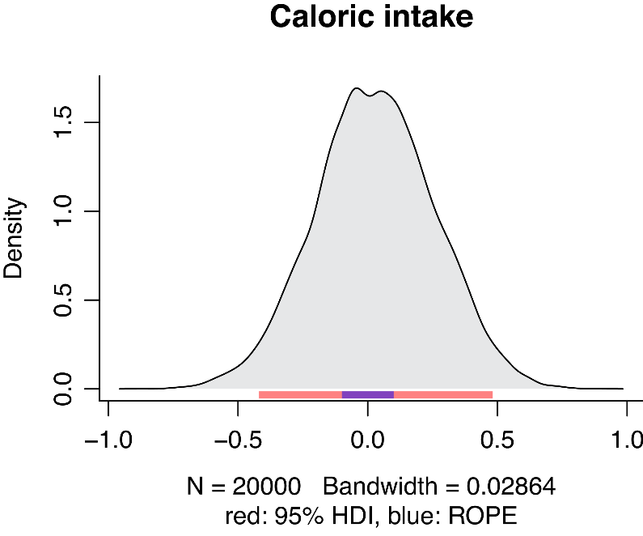
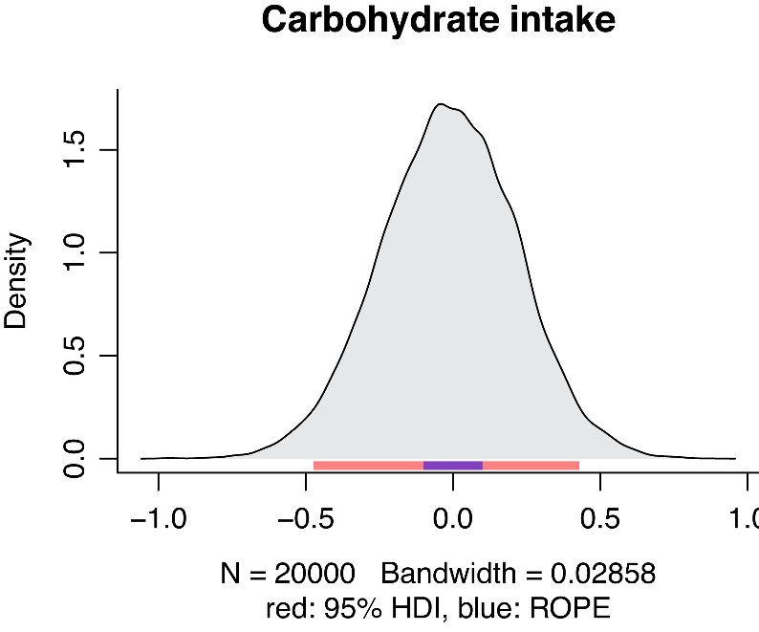
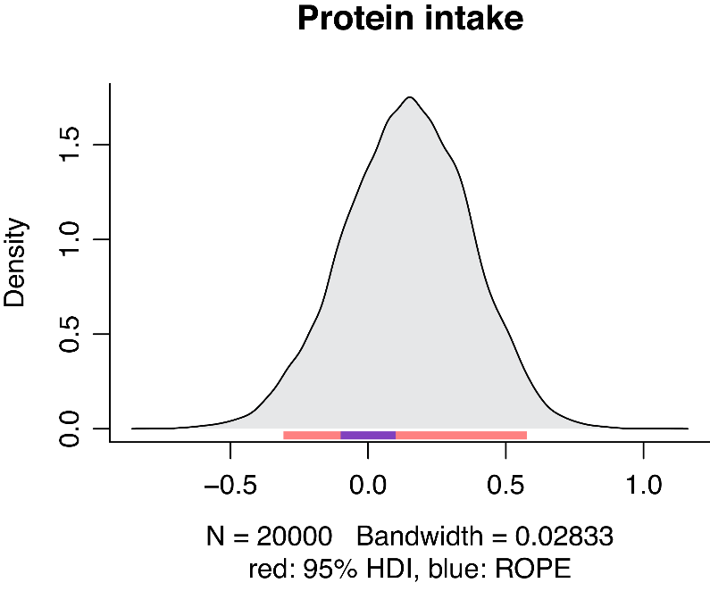
 |  |  |  |  |  |  |  |  |  |  |  | Preference index
 |  |  |  |  |  |  |  |  |  |  |  | mM papaverine | PI | SEM | t | df | p
 |  |  |  |  |  |  |  |  |  |  |  | 0 | 0.08 | 0.04 | 2.36 | 9 | 0.042
 |  |  |  |  |  |  |  |  |  |  |  | 1 | 0.01 | 0.05 | 0.23 | 9 | 0.826
 |  |  |  |  |  |  |  |  |  |  |  | 5 | -0.01 | 0.05 | -0.1 | 9 | 0.92

