Медиана по странам и продуктам
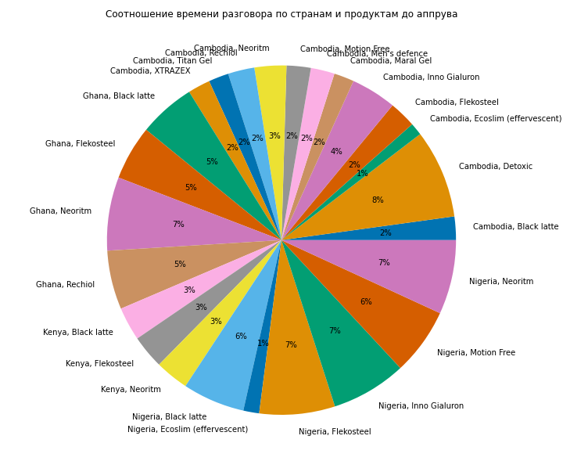
 | country_id | product_id | status_group | conversation_time
0 | Cambodia | Black latte | approved | 63
1 | Cambodia | Black latte | noanswer | 35.5
2 | Cambodia | Black latte | reject | 14
3 | Cambodia | Black latte | trash | 16.5
4 | Cambodia | Detoxic | approved | 238
5 | Cambodia | Ecoslim (effervescent) | approved | 33.5
6 | Cambodia | Ecoslim (effervescent) | noanswer | 35
7 | Cambodia | Ecoslim (effervescent) | reject | 16
8 | Cambodia | Energy Saver | reject | 9
9 | Cambodia | Flekosteel | approved | 72
10 | Cambodia | Flekosteel | noanswer | 18
11 | Cambodia | Flekosteel | recall | 56
12 | Cambodia | Flekosteel | reject | 19
13 | Cambodia | Flekosteel | trash | 28
14 | Cambodia | Inno Gialuron | approved | 122
15 | Cambodia | Inno Gialuron | trash | 49
16 | Cambodia | Maral Gel | approved | 54
17 | Cambodia | Maral Gel | noanswer | 14
18 | Cambodia | Maral Gel | recall | 152
19 | Cambodia | Maral Gel | reject | 18
20 | Cambodia | Maral Gel | trash | 37.5
21 | Cambodia | Men's defence | approved | 64
22 | Cambodia | Men's defence | noanswer | 22
23 | Cambodia | Men's defence | reject | 17
24 | Cambodia | Men's defence | trash | 67
25 | Cambodia | Motion Free | approved | 65
26 | Cambodia | Motion Free | reject | 7.5
27 | Cambodia | Neoritm | approved | 85.5
28 | Cambodia | Neoritm | noanswer | 29
29 | Cambodia | Neoritm | recall | 227
30 | Cambodia | Neoritm | reject | 15.5
31 | Cambodia | Neoritm | trash | 13
32 | Cambodia | Rechiol | approved | 71
33 | Cambodia | Rechiol | reject | 23
34 | Cambodia | Rechiol | trash | 48
35 | Cambodia | Titan Gel | approved | 54
36 | Cambodia | Titan Gel | reject | 15
37 | Cambodia | Titan Gel | trash | 26
38 | Cambodia | XTRAZEX | approved | 60
39 | Cambodia | XTRAZEX | noanswer | 17
40 | Cambodia | XTRAZEX | recall | 83
41 | Cambodia | XTRAZEX | reject | 16
42 | Cambodia | XTRAZEX | trash | 29
43 | Ghana | Black latte | approved | 152
44 | Ghana | Black latte | noanswer | 49
45 | Ghana | Black latte | recall | 88
46 | Ghana | Black latte | reject | 63
47 | Ghana | Black latte | trash | 63
48 | Ghana | Flekosteel | approved | 146.5
49 | Ghana | Flekosteel | noanswer | 50
50 | Ghana | Flekosteel | recall | 90
51 | Ghana | Flekosteel | reject | 65
52 | Ghana | Flekosteel | trash | 60
53 | Ghana | Neoritm | approved | 197
54 | Ghana | Neoritm | noanswer | 55.5
55 | Ghana | Neoritm | recall | 87.5
56 | Ghana | Neoritm | reject | 71
57 | Ghana | Neoritm | trash | 71
58 | Ghana | Rechiol | approved | 158
59 | Ghana | Rechiol | noanswer | 47
60 | Ghana | Rechiol | recall | 97.5
61 | Ghana | Rechiol | reject | 66
62 | Ghana | Rechiol | trash | 49.5
63 | Kenya | Black latte | approved | 90
64 | Kenya | Black latte | noanswer | 42
65 | Kenya | Black latte | recall | 54.5
66 | Kenya | Black latte | reject | 44
67 | Kenya | Black latte | trash | 49
68 | Kenya | Flekosteel | approved | 90
69 | Kenya | Flekosteel | noanswer | 57
70 | Kenya | Flekosteel | recall | 76
71 | Kenya | Flekosteel | reject | 46
72 | Kenya | Flekosteel | trash | 48
73 | Kenya | Neoritm | approved | 90
74 | Kenya | Neoritm | noanswer | 5
75 | Kenya | Neoritm | recall | 126
76 | Kenya | Neoritm | reject | 47.5
77 | Kenya | Neoritm | trash | 44
78 | Nigeria | Black latte | approved | 167
79 | Nigeria | Black latte | noanswer | 38
80 | Nigeria | Black latte | recall | 111
81 | Nigeria | Black latte | reject | 58
82 | Nigeria | Black latte | trash | 45
83 | Nigeria | Ecoslim (effervescent) | approved | 42.5
84 | Nigeria | Flekosteel | approved | 203
85 | Nigeria | Flekosteel | noanswer | 46
86 | Nigeria | Flekosteel | recall | 127.5
87 | Nigeria | Flekosteel | reject | 70
88 | Nigeria | Flekosteel | trash | 46
89 | Nigeria | Inno Gialuron | approved | 202
90 | Nigeria | Inno Gialuron | noanswer | 20
91 | Nigeria | Inno Gialuron | recall | 165
92 | Nigeria | Inno Gialuron | reject | 47
93 | Nigeria | Inno Gialuron | trash | 47
94 | Nigeria | Motion Free | approved | 180
95 | Nigeria | Motion Free | noanswer | 57.5
96 | Nigeria | Motion Free | recall | 208.5
97 | Nigeria | Motion Free | reject | 43
98 | Nigeria | Motion Free | trash | 43
99 | Nigeria | Neoritm | approved | 199
100 | Nigeria | Neoritm | noanswer | 30
101 | Nigeria | Neoritm | recall | 116
102 | Nigeria | Neoritm | reject | 67
103 | Nigeria | Neoritm | trash | 48

