AirBS
Brunei |  |  | perc_baseline |  | perc_target |  | RR_d | RR_i | perc_fatal_side | perc_nonfatal_side |  |  |  | lcl_bl_deaths | lcl_bl_nonfatal
REG | TECHNOLOGY |  | CURRENT AVAILABILITY | INTERVENTION | COUNTERFACTUAL USE | Affected Groups | RELATIVE RISK (death) | RELATIVE RISK (injury) | PROP. OF SIDE CRASHES (death) | PROP OF SIDE CRASHES (injuries) | POPULATION AFFECTED |  |  | BASELINE DEATHS | BASELINE INJURIES
UN 94 | SIDE AIRBAG |  | 0 | HEAD+TORSO SIDE AIRBAG IN ALL CAR, TRUCK, BUS | 1 | Occupants | 0.63 | 0.63 | 0.25 | 0.337
 |  |  |  |  |  |  |  |  |  |  | Cause | Sex | Age | Deaths | Injuries
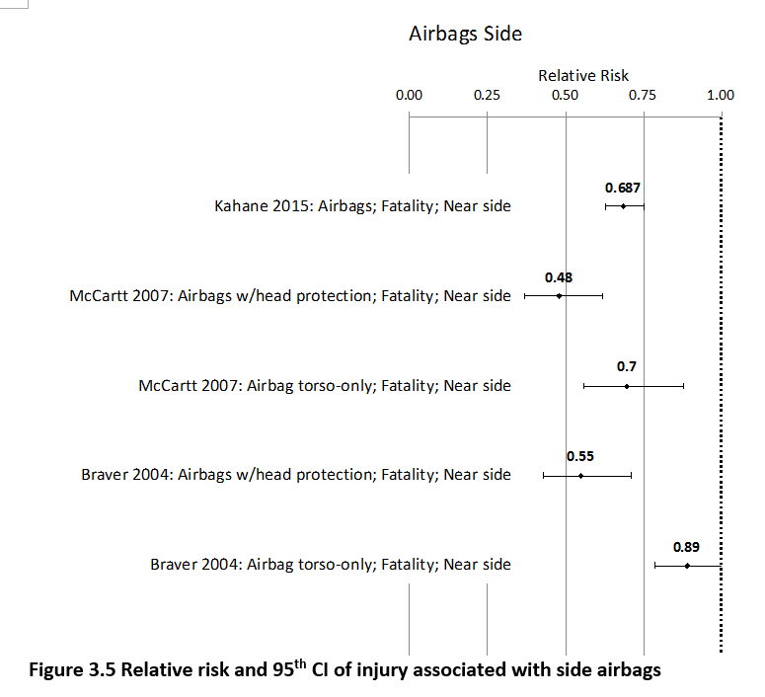
 |  |  |  |  |  |  |  |  |  |  | Pedestrian | Male | <5 years | 0 | 1
 |  |  |  |  |  |  |  |  |  |  | Pedestrian | Male | 5-9 years | 0 | 3
 |  |  |  |  |  |  |  |  |  |  | Pedestrian | Male | 10-14 years | 0 | 6
 |  |  |  |  |  |  |  |  |  |  | Pedestrian | Male | 15-19 years | 0 | 12
 |  |  |  |  |  |  |  |  |  |  | Pedestrian | Male | 20-24 years | 1 | 20
 |  |  |  |  |  |  |  |  |  |  | Pedestrian | Male | 25-29 years | 1 | 23
 |  |  |  |  |  |  |  |  |  |  | Pedestrian | Male | 30-34 years | 1 | 21
 |  |  |  |  |  |  |  |  |  |  | Pedestrian | Male | 35-39 years | 1 | 19
 |  |  |  |  |  |  |  |  |  |  | Pedestrian | Male | 40-44 years | 1 | 17
 |  |  |  |  |  |  |  |  |  |  | Pedestrian | Male | 45-49 years | 1 | 14
 |  |  |  |  |  |  |  |  |  |  | Pedestrian | Male | 50-54 years | 1 | 9
 |  |  |  |  |  |  |  |  |  |  | Pedestrian | Male | 55-59 years | 1 | 7
 |  |  |  |  |  |  |  |  |  |  | Pedestrian | Male | 60-64 years | 1 | 5
 |  |  |  |  |  |  |  |  |  |  | Pedestrian | Male | 65-69 years | 1 | 3
 |  |  |  |  |  |  |  |  |  |  | Pedestrian | Male | 70-74 years | 1 | 1
 |  |  |  |  |  |  |  |  |  |  | Pedestrian | Male | 75-79 years | 1 | 1
 |  |  |  |  |  |  |  |  |  |  | Pedestrian | Male | 80-84 years | 0 | 0
 |  |  |  |  |  |  |  |  |  |  | Pedestrian | Male | 85+ | 0 | 0
 |  |  |  |  |  |  |  |  |  |  | Pedestrian | Female | <5 years | 0 | 1
 |  |  |  |  |  |  |  |  |  |  | Pedestrian | Female | 5-9 years | 0 | 3
 |  |  |  |  |  |  |  |  |  |  | Pedestrian | Female | 10-14 years | 0 | 6
 |  |  |  |  |  |  |  |  |  |  | Pedestrian | Female | 15-19 years | 0 | 11
 |  |  |  |  |  |  |  |  |  |  | Pedestrian | Female | 20-24 years | 0 | 12
 |  |  |  |  |  |  |  |  |  |  | Pedestrian | Female | 25-29 years | 0 | 10
 |  |  |  |  |  |  |  |  |  |  | Pedestrian | Female | 30-34 years | 0 | 9
 |  |  |  |  |  |  |  |  |  |  | Pedestrian | Female | 35-39 years | 0 | 8
 |  |  |  |  |  |  |  |  |  |  | Pedestrian | Female | 40-44 years | 0 | 7
 |  |  |  |  |  |  |  |  |  |  | Pedestrian | Female | 45-49 years | 0 | 7
 |  |  |  |  |  |  |  |  |  |  | Pedestrian | Female | 50-54 years | 0 | 7
 |  |  |  |  |  |  |  |  |  |  | Pedestrian | Female | 55-59 years | 0 | 7
 |  |  |  |  |  |  |  |  |  |  | Pedestrian | Female | 60-64 years | 1 | 7
 |  |  |  |  |  |  |  |  |  |  | Pedestrian | Female | 65-69 years | 1 | 6
 |  |  |  |  |  |  |  |  |  |  | Pedestrian | Female | 70-74 years | 1 | 3
 |  |  |  |  |  |  |  |  |  |  | Pedestrian | Female | 75-79 years | 1 | 2
 |  |  |  |  |  |  |  |  |  |  | Pedestrian | Female | 80-84 years | 0 | 1
...
Brunei |  |  | perc_baseline |  | perc_target |  | RR_d | RR_i | perc_fatal_side | perc_nonfatal_side
TOTAL | 61 | 3369 | 59 | 3243
 |  | Red.Pec. | 0.035710678932 | 0.037407 |  |  |  |  |  |  | Bicyclist | Male | 50-54 years | 0
 |  |  |  |  |  |  |  |  |  |  | Bicyclist | Male | 55-59 years | 0
SIDE AIRBAG | BASELINE DEATHS | BASELINE INJURIES | SIDE AIRBAG | SIDE AIRBAG |  |  |  |  |  |  | Bicyclist | Male | 60-64 years | 0
Pedestrian | 18 | 269 | 18 | 269 |  |  |  |  |  |  | Bicyclist | Male | 65-69 years | 0
Bicyclist | 4 | 101 | 4 | 101 |  |  |  |  |  |  | Bicyclist | Male | 70-74 years | 0
Motorcyclist | 15 | 1987 | 15 | 1987 |  |  |  |  |  |  | Bicyclist | Male | 75-79 years | 0
Occupant | 24 | 1011 | 21 | 885 |  |  |  |  |  |  | Bicyclist | Male | 80-84 years | 0
Other | 1 | 0 | 1 | 0 |  |  |  |  |  |  | Bicyclist | Male | 85+ | 0
TOTAL | 61 | 3369 | 59 | 3243 |  |  |  |  |  |  | Bicyclist | Female | <5 years | 0
Brunei
 | BASELINE DEATHS | SIDE AIRBAG
Pedestrian | 18 | 18
Bicyclist | 4 | 4
Motorized Two Wheeler | 15 | 15
Motorized Three Wheeler | 0 | 0
Car | 24 | 21
Bus | 0 | 0
Truck | 0 | 0
Other | 1 | 1
 |  |  |  |  |  |  |  |  |  |  | Bicyclist | Female | 5-9 years | 0
Brunei
 | BASELINE INJURIES | SIDE AIRBAG
Pedestrian | 269 | 269
Bicyclist | 101 | 101
Motorized Two Wheeler | 1987 | 1987
Motorized Three Wheeler | 0 | 0
Car | 1011 | 885
Bus | 0 | 0
Truck | 0 | 0
Other | 0 | 0
 |  |  |  |  |  |  |  |  |  |  | Bicyclist | Female | 10-14 years | 0
 |  |  |  |  |  |  |  |  |  |  | Bicyclist | Female | 15-19 years | 0
 |  |  |  |  |  |  |  |  |  |  | Bicyclist | Female | 20-24 years | 0
 |  |  |  |  |  |  |  |  |  |  | Bicyclist | Female | 25-29 years | 0
 |  |  |  |  |  |  |  |  |  |  | Bicyclist | Female | 30-34 years | 0
 |  |  |  |  |  |  |  |  |  |  | Bicyclist | Female | 35-39 years | 0
 |  |  |  |  |  |  |  |  |  |  | Bicyclist | Female | 40-44 years | 0
 |  |  |  |  |  |  |  |  |  |  | Bicyclist | Female | 45-49 years | 0
 |  |  |  |  |  |  |  |  |  |  | Bicyclist | Female | 50-54 years | 0
 |  |  |  |  |  |  |  |  |  |  | Bicyclist | Female | 55-59 years | 0
 |  |  |  |  |  |  |  |  |  |  | Bicyclist | Female | 60-64 years | 0
 |  |  |  |  |  |  |  |  |  |  | Bicyclist | Female | 65-69 years | 0
 |  |  |  |  |  |  |  |  |  |  | Bicyclist | Female | 70-74 years | 0
 |  |  |  |  |  |  |  |  |  |  | Bicyclist | Female | 75-79 years | 0
 |  |  |  |  |  |  |  |  |  |  | Bicyclist | Female | 80-84 years | 0
 |  |  |  |  |  |  |  |  |  |  | Bicyclist | Female | 85+ | 0
 |  |  |  |  |  |  |  |  |  |  | Motorized Two Wheeler | Male | <5 years | 0
 |  |  |  |  |  |  |  |  |  |  | Motorized Two Wheeler | Male | 5-9 years | 0
 |  |  |  |  |  |  |  |  |  |  | Motorized Two Wheeler | Male | 10-14 years | 0
 |  |  |  |  |  |  |  |  |  |  | Motorized Two Wheeler | Male | 15-19 years | 1
Brunei
Brunei
 |  |  |  |  |  |  |  |  |  |  | Motorized Two Wheeler | Male | 20-24 years | 2
 |  |  |  |  |  |  |  |  |  |  | Motorized Two Wheeler | Male | 25-29 years | 2
 |  |  |  |  |  |  |  |  |  |  | Motorized Two Wheeler | Male | 30-34 years | 1
 |  |  |  |  |  |  |  |  |  |  | Motorized Two Wheeler | Male | 35-39 years | 1
 |  |  |  |  |  |  |  |  |  |  | Motorized Two Wheeler | Male | 40-44 years | 1
 |  |  |  |  |  |  |  |  |  |  | Motorized Two Wheeler | Male | 45-49 years | 1
 |  |  |  |  |  |  |  |  |  |  | Motorized Two Wheeler | Male | 50-54 years | 1
 |  |  |  |  |  |  |  |  |  |  | Motorized Two Wheeler | Male | 55-59 years | 1
 |  |  |  |  |  |  |  |  |  |  | Motorized Two Wheeler | Male | 60-64 years | 0
 |  |  |  |  |  |  |  |  |  |  | Motorized Two Wheeler | Male | 65-69 years | 0
 |  |  |  |  |  |  |  |  |  |  | Motorized Two Wheeler | Male | 70-74 years | 0
 |  |  |  |  |  |  |  |  |  |  | Motorized Two Wheeler | Male | 75-79 years | 0
 |  |  |  |  |  |  |  |  |  |  | Motorized Two Wheeler | Male | 80-84 years | 0
 |  |  |  |  |  |  |  |  |  |  | Motorized Two Wheeler | Male | 85+ | 0
 |  |  |  |  |  |  |  |  |  |  | Motorized Two Wheeler | Female | <5 years | 0
 |  |  |  |  |  |  |  |  |  |  | Motorized Two Wheeler | Female | 5-9 years | 0
 |  |  |  |  |  |  |  |  |  |  | Motorized Two Wheeler | Female | 10-14 years | 0
 |  |  |  |  |  |  |  |  |  |  | Motorized Two Wheeler | Female | 15-19 years | 0
 |  |  |  |  |  |  |  |  |  |  | Motorized Two Wheeler | Female | 20-24 years | 0
 |  |  |  |  |  |  |  |  |  |  | Motorized Two Wheeler | Female | 25-29 years | 0
 |  |  |  |  |  |  |  |  |  |  | Motorized Two Wheeler | Female | 30-34 years | 0
 |  |  |  |  |  |  |  |  |  |  | Motorized Two Wheeler | Female | 35-39 years | 0
 |  |  |  |  |  |  |  |  |  |  | Motorized Two Wheeler | Female | 40-44 years | 0
 |  |  |  |  |  |  |  |  |  |  | Motorized Two Wheeler | Female | 45-49 years | 0
 |  |  |  |  |  |  |  |  |  |  | Motorized Two Wheeler | Female | 50-54 years | 0
 |  |  |  |  |  |  |  |  |  |  | Motorized Two Wheeler | Female | 55-59 years | 0
 |  |  |  |  |  |  |  |  |  |  | Motorized Two Wheeler | Female | 60-64 years | 0
 |  |  |  |  |  |  |  |  |  |  | Motorized Two Wheeler | Female | 65-69 years | 0
 |  |  |  |  |  |  |  |  |  |  | Motorized Two Wheeler | Female | 70-74 years | 0
 |  |  |  |  |  |  |  |  |  |  | Motorized Two Wheeler | Female | 75-79 years | 0
 |  |  |  |  |  |  |  |  |  |  | Motorized Two Wheeler | Female | 80-84 years | 0
...

