AirBS
Laos |  |  | perc_baseline |  | perc_target |  | RR_d | RR_i | perc_fatal_side | perc_nonfatal_side |  |  |  | lcl_bl_deaths | lcl_bl_nonfatal
REG | TECHNOLOGY |  | CURRENT AVAILABILITY | INTERVENTION | COUNTERFACTUAL USE | Affected Groups | RELATIVE RISK (death) | RELATIVE RISK (injury) | PROP. OF SIDE CRASHES (death) | PROP OF SIDE CRASHES (injuries) | POPULATION AFFECTED |  |  | BASELINE DEATHS | BASELINE INJURIES
UN 94 | SIDE AIRBAG |  | 0 | HEAD+TORSO SIDE AIRBAG IN ALL CAR, TRUCK, BUS | 1 | Occupants | 0.63 | 0.63 | 0.25 | 0.337
 |  |  |  |  |  |  |  |  |  |  | Cause | Sex | Age | Deaths | Injuries
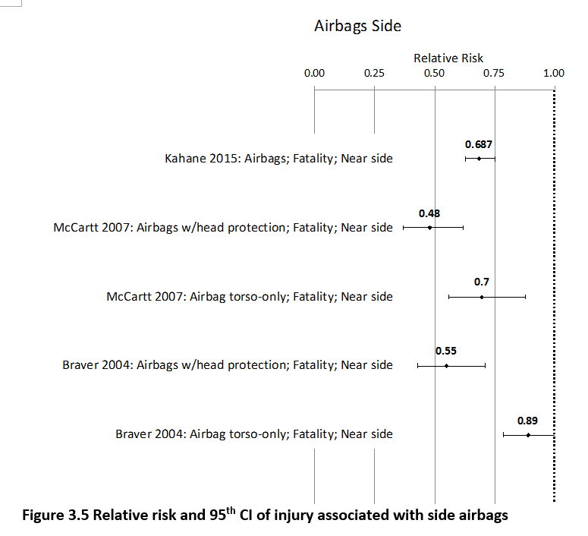
 |  |  |  |  |  |  |  |  |  |  | Pedestrian | Male | <5 years | 3 | 12
 |  |  |  |  |  |  |  |  |  |  | Pedestrian | Male | 5-9 years | 9 | 70
 |  |  |  |  |  |  |  |  |  |  | Pedestrian | Male | 10-14 years | 8 | 157
 |  |  |  |  |  |  |  |  |  |  | Pedestrian | Male | 15-19 years | 11 | 317
 |  |  |  |  |  |  |  |  |  |  | Pedestrian | Male | 20-24 years | 15 | 450
 |  |  |  |  |  |  |  |  |  |  | Pedestrian | Male | 25-29 years | 11 | 440
 |  |  |  |  |  |  |  |  |  |  | Pedestrian | Male | 30-34 years | 12 | 349
 |  |  |  |  |  |  |  |  |  |  | Pedestrian | Male | 35-39 years | 9 | 265
 |  |  |  |  |  |  |  |  |  |  | Pedestrian | Male | 40-44 years | 9 | 211
 |  |  |  |  |  |  |  |  |  |  | Pedestrian | Male | 45-49 years | 11 | 171
 |  |  |  |  |  |  |  |  |  |  | Pedestrian | Male | 50-54 years | 12 | 141
 |  |  |  |  |  |  |  |  |  |  | Pedestrian | Male | 55-59 years | 11 | 125
 |  |  |  |  |  |  |  |  |  |  | Pedestrian | Male | 60-64 years | 11 | 90
 |  |  |  |  |  |  |  |  |  |  | Pedestrian | Male | 65-69 years | 9 | 44
 |  |  |  |  |  |  |  |  |  |  | Pedestrian | Male | 70-74 years | 7 | 28
 |  |  |  |  |  |  |  |  |  |  | Pedestrian | Male | 75-79 years | 8 | 24
 |  |  |  |  |  |  |  |  |  |  | Pedestrian | Male | 80-84 years | 5 | 11
 |  |  |  |  |  |  |  |  |  |  | Pedestrian | Male | 85+ | 3 | 3
 |  |  |  |  |  |  |  |  |  |  | Pedestrian | Female | <5 years | 4 | 15
 |  |  |  |  |  |  |  |  |  |  | Pedestrian | Female | 5-9 years | 8 | 64
 |  |  |  |  |  |  |  |  |  |  | Pedestrian | Female | 10-14 years | 6 | 148
 |  |  |  |  |  |  |  |  |  |  | Pedestrian | Female | 15-19 years | 9 | 311
 |  |  |  |  |  |  |  |  |  |  | Pedestrian | Female | 20-24 years | 10 | 367
 |  |  |  |  |  |  |  |  |  |  | Pedestrian | Female | 25-29 years | 8 | 254
 |  |  |  |  |  |  |  |  |  |  | Pedestrian | Female | 30-34 years | 8 | 198
 |  |  |  |  |  |  |  |  |  |  | Pedestrian | Female | 35-39 years | 7 | 163
 |  |  |  |  |  |  |  |  |  |  | Pedestrian | Female | 40-44 years | 7 | 129
 |  |  |  |  |  |  |  |  |  |  | Pedestrian | Female | 45-49 years | 8 | 115
 |  |  |  |  |  |  |  |  |  |  | Pedestrian | Female | 50-54 years | 9 | 131
 |  |  |  |  |  |  |  |  |  |  | Pedestrian | Female | 55-59 years | 9 | 148
 |  |  |  |  |  |  |  |  |  |  | Pedestrian | Female | 60-64 years | 10 | 127
 |  |  |  |  |  |  |  |  |  |  | Pedestrian | Female | 65-69 years | 9 | 89
 |  |  |  |  |  |  |  |  |  |  | Pedestrian | Female | 70-74 years | 8 | 61
 |  |  |  |  |  |  |  |  |  |  | Pedestrian | Female | 75-79 years | 7 | 49
 |  |  |  |  |  |  |  |  |  |  | Pedestrian | Female | 80-84 years | 4 | 30
...
Laos |  |  | perc_baseline |  | perc_target |  | RR_d | RR_i | perc_fatal_side | perc_nonfatal_side
TOTAL | 1080 | 66545 | 1048 | 64056
 |  | Red.Pec. | 0.029649214921 | 0.037407 |  |  |  |  |  |  | Bicyclist | Male | 50-54 years | 5
 |  |  |  |  |  |  |  |  |  |  | Bicyclist | Male | 55-59 years | 5
SIDE AIRBAG | BASELINE DEATHS | BASELINE INJURIES | SIDE AIRBAG | SIDE AIRBAG |  |  |  |  |  |  | Bicyclist | Male | 60-64 years | 5
Pedestrian | 299 | 5324 | 299 | 5324 |  |  |  |  |  |  | Bicyclist | Male | 65-69 years | 3
Bicyclist | 69 | 1996 | 69 | 1996 |  |  |  |  |  |  | Bicyclist | Male | 70-74 years | 2
Motorcyclist | 347 | 39262 | 347 | 39262 |  |  |  |  |  |  | Bicyclist | Male | 75-79 years | 0
Occupant | 346 | 19964 | 314 | 17474 |  |  |  |  |  |  | Bicyclist | Male | 80-84 years | 0
Other | 18 | 0 | 18 | 0 |  |  |  |  |  |  | Bicyclist | Male | 85+ | 0
TOTAL | 1080 | 66545 | 1048 | 64056 |  |  |  |  |  |  | Bicyclist | Female | <5 years | 0
Laos
 | BASELINE DEATHS | SIDE AIRBAG
Pedestrian | 299 | 299
Bicyclist | 69 | 69
Motorized Two Wheeler | 347 | 347
Motorized Three Wheeler | 0 | 0
Car | 346 | 314
Bus | 0 | 0
Truck | 0 | 0
Other | 18 | 18
 |  |  |  |  |  |  |  |  |  |  | Bicyclist | Female | 5-9 years | 1
Laos
 | BASELINE INJURIES | SIDE AIRBAG
Pedestrian | 5324 | 5324
Bicyclist | 1996 | 1996
Motorized Two Wheeler | 39262 | 39262
Motorized Three Wheeler | 0 | 0
Car | 19964 | 17474
Bus | 0 | 0
Truck | 0 | 0
Other | 0 | 0
 |  |  |  |  |  |  |  |  |  |  | Bicyclist | Female | 10-14 years | 1
 |  |  |  |  |  |  |  |  |  |  | Bicyclist | Female | 15-19 years | 1
 |  |  |  |  |  |  |  |  |  |  | Bicyclist | Female | 20-24 years | 1
 |  |  |  |  |  |  |  |  |  |  | Bicyclist | Female | 25-29 years | 1
 |  |  |  |  |  |  |  |  |  |  | Bicyclist | Female | 30-34 years | 1
 |  |  |  |  |  |  |  |  |  |  | Bicyclist | Female | 35-39 years | 1
 |  |  |  |  |  |  |  |  |  |  | Bicyclist | Female | 40-44 years | 1
 |  |  |  |  |  |  |  |  |  |  | Bicyclist | Female | 45-49 years | 1
 |  |  |  |  |  |  |  |  |  |  | Bicyclist | Female | 50-54 years | 1
 |  |  |  |  |  |  |  |  |  |  | Bicyclist | Female | 55-59 years | 1
 |  |  |  |  |  |  |  |  |  |  | Bicyclist | Female | 60-64 years | 1
 |  |  |  |  |  |  |  |  |  |  | Bicyclist | Female | 65-69 years | 1
 |  |  |  |  |  |  |  |  |  |  | Bicyclist | Female | 70-74 years | 1
 |  |  |  |  |  |  |  |  |  |  | Bicyclist | Female | 75-79 years | 0
 |  |  |  |  |  |  |  |  |  |  | Bicyclist | Female | 80-84 years | 0
 |  |  |  |  |  |  |  |  |  |  | Bicyclist | Female | 85+ | 0
 |  |  |  |  |  |  |  |  |  |  | Motorized Two Wheeler | Male | <5 years | 2
 |  |  |  |  |  |  |  |  |  |  | Motorized Two Wheeler | Male | 5-9 years | 5
 |  |  |  |  |  |  |  |  |  |  | Motorized Two Wheeler | Male | 10-14 years | 7
 |  |  |  |  |  |  |  |  |  |  | Motorized Two Wheeler | Male | 15-19 years | 48
Laos
Laos
 |  |  |  |  |  |  |  |  |  |  | Motorized Two Wheeler | Male | 20-24 years | 70
 |  |  |  |  |  |  |  |  |  |  | Motorized Two Wheeler | Male | 25-29 years | 49
 |  |  |  |  |  |  |  |  |  |  | Motorized Two Wheeler | Male | 30-34 years | 30
 |  |  |  |  |  |  |  |  |  |  | Motorized Two Wheeler | Male | 35-39 years | 22
 |  |  |  |  |  |  |  |  |  |  | Motorized Two Wheeler | Male | 40-44 years | 19
 |  |  |  |  |  |  |  |  |  |  | Motorized Two Wheeler | Male | 45-49 years | 15
 |  |  |  |  |  |  |  |  |  |  | Motorized Two Wheeler | Male | 50-54 years | 13
 |  |  |  |  |  |  |  |  |  |  | Motorized Two Wheeler | Male | 55-59 years | 11
 |  |  |  |  |  |  |  |  |  |  | Motorized Two Wheeler | Male | 60-64 years | 4
 |  |  |  |  |  |  |  |  |  |  | Motorized Two Wheeler | Male | 65-69 years | 3
 |  |  |  |  |  |  |  |  |  |  | Motorized Two Wheeler | Male | 70-74 years | 2
 |  |  |  |  |  |  |  |  |  |  | Motorized Two Wheeler | Male | 75-79 years | 1
 |  |  |  |  |  |  |  |  |  |  | Motorized Two Wheeler | Male | 80-84 years | 0
 |  |  |  |  |  |  |  |  |  |  | Motorized Two Wheeler | Male | 85+ | 0
 |  |  |  |  |  |  |  |  |  |  | Motorized Two Wheeler | Female | <5 years | 1
 |  |  |  |  |  |  |  |  |  |  | Motorized Two Wheeler | Female | 5-9 years | 2
 |  |  |  |  |  |  |  |  |  |  | Motorized Two Wheeler | Female | 10-14 years | 2
 |  |  |  |  |  |  |  |  |  |  | Motorized Two Wheeler | Female | 15-19 years | 7
 |  |  |  |  |  |  |  |  |  |  | Motorized Two Wheeler | Female | 20-24 years | 7
 |  |  |  |  |  |  |  |  |  |  | Motorized Two Wheeler | Female | 25-29 years | 5
 |  |  |  |  |  |  |  |  |  |  | Motorized Two Wheeler | Female | 30-34 years | 4
 |  |  |  |  |  |  |  |  |  |  | Motorized Two Wheeler | Female | 35-39 years | 3
 |  |  |  |  |  |  |  |  |  |  | Motorized Two Wheeler | Female | 40-44 years | 3
 |  |  |  |  |  |  |  |  |  |  | Motorized Two Wheeler | Female | 45-49 years | 3
 |  |  |  |  |  |  |  |  |  |  | Motorized Two Wheeler | Female | 50-54 years | 3
 |  |  |  |  |  |  |  |  |  |  | Motorized Two Wheeler | Female | 55-59 years | 3
 |  |  |  |  |  |  |  |  |  |  | Motorized Two Wheeler | Female | 60-64 years | 1
 |  |  |  |  |  |  |  |  |  |  | Motorized Two Wheeler | Female | 65-69 years | 1
 |  |  |  |  |  |  |  |  |  |  | Motorized Two Wheeler | Female | 70-74 years | 0
 |  |  |  |  |  |  |  |  |  |  | Motorized Two Wheeler | Female | 75-79 years | 0
 |  |  |  |  |  |  |  |  |  |  | Motorized Two Wheeler | Female | 80-84 years | 0
...

