AirBS
Myanmar |  |  | perc_baseline |  | perc_target |  | RR_d | RR_i | perc_fatal_side | perc_nonfatal_side |  |  |  | lcl_bl_deaths | lcl_bl_nonfatal
REG | TECHNOLOGY |  | CURRENT AVAILABILITY | INTERVENTION | COUNTERFACTUAL USE | Affected Groups | RELATIVE RISK (death) | RELATIVE RISK (injury) | PROP. OF SIDE CRASHES (death) | PROP OF SIDE CRASHES (injuries) | POPULATION AFFECTED |  |  | BASELINE DEATHS | BASELINE INJURIES
UN 94 | SIDE AIRBAG |  | 0 | HEAD+TORSO SIDE AIRBAG IN ALL CAR, TRUCK, BUS | 1 | Occupants | 0.63 | 0.63 | 0.25 | 0.337
 |  |  |  |  |  |  |  |  |  |  | Cause | Sex | Age | Deaths | Injuries
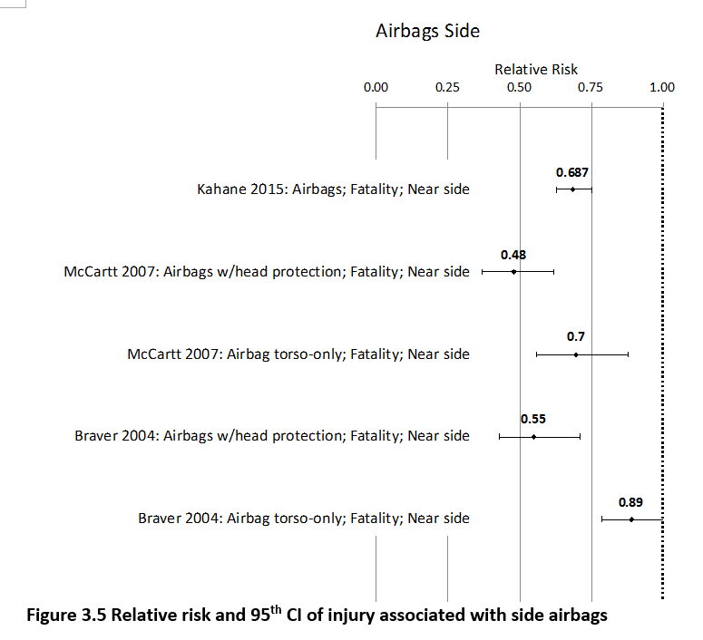
 |  |  |  |  |  |  |  |  |  |  | Pedestrian | Male | <5 years | 8 | 49
 |  |  |  |  |  |  |  |  |  |  | Pedestrian | Male | 5-9 years | 12 | 273
 |  |  |  |  |  |  |  |  |  |  | Pedestrian | Male | 10-14 years | 13 | 694
 |  |  |  |  |  |  |  |  |  |  | Pedestrian | Male | 15-19 years | 33 | 1957
 |  |  |  |  |  |  |  |  |  |  | Pedestrian | Male | 20-24 years | 44 | 2688
 |  |  |  |  |  |  |  |  |  |  | Pedestrian | Male | 25-29 years | 27 | 2256
 |  |  |  |  |  |  |  |  |  |  | Pedestrian | Male | 30-34 years | 28 | 1768
 |  |  |  |  |  |  |  |  |  |  | Pedestrian | Male | 35-39 years | 23 | 1422
 |  |  |  |  |  |  |  |  |  |  | Pedestrian | Male | 40-44 years | 22 | 1191
 |  |  |  |  |  |  |  |  |  |  | Pedestrian | Male | 45-49 years | 28 | 1037
 |  |  |  |  |  |  |  |  |  |  | Pedestrian | Male | 50-54 years | 36 | 924
 |  |  |  |  |  |  |  |  |  |  | Pedestrian | Male | 55-59 years | 34 | 851
 |  |  |  |  |  |  |  |  |  |  | Pedestrian | Male | 60-64 years | 39 | 643
 |  |  |  |  |  |  |  |  |  |  | Pedestrian | Male | 65-69 years | 32 | 338
 |  |  |  |  |  |  |  |  |  |  | Pedestrian | Male | 70-74 years | 25 | 207
 |  |  |  |  |  |  |  |  |  |  | Pedestrian | Male | 75-79 years | 26 | 171
 |  |  |  |  |  |  |  |  |  |  | Pedestrian | Male | 80-84 years | 17 | 88
 |  |  |  |  |  |  |  |  |  |  | Pedestrian | Male | 85+ | 11 | 31
 |  |  |  |  |  |  |  |  |  |  | Pedestrian | Female | <5 years | 5 | 44
 |  |  |  |  |  |  |  |  |  |  | Pedestrian | Female | 5-9 years | 9 | 214
 |  |  |  |  |  |  |  |  |  |  | Pedestrian | Female | 10-14 years | 9 | 623
 |  |  |  |  |  |  |  |  |  |  | Pedestrian | Female | 15-19 years | 21 | 1531
 |  |  |  |  |  |  |  |  |  |  | Pedestrian | Female | 20-24 years | 22 | 1755
 |  |  |  |  |  |  |  |  |  |  | Pedestrian | Female | 25-29 years | 17 | 1188
 |  |  |  |  |  |  |  |  |  |  | Pedestrian | Female | 30-34 years | 19 | 987
 |  |  |  |  |  |  |  |  |  |  | Pedestrian | Female | 35-39 years | 19 | 886
 |  |  |  |  |  |  |  |  |  |  | Pedestrian | Female | 40-44 years | 17 | 705
 |  |  |  |  |  |  |  |  |  |  | Pedestrian | Female | 45-49 years | 21 | 674
 |  |  |  |  |  |  |  |  |  |  | Pedestrian | Female | 50-54 years | 30 | 862
 |  |  |  |  |  |  |  |  |  |  | Pedestrian | Female | 55-59 years | 30 | 1021
 |  |  |  |  |  |  |  |  |  |  | Pedestrian | Female | 60-64 years | 34 | 924
 |  |  |  |  |  |  |  |  |  |  | Pedestrian | Female | 65-69 years | 28 | 644
 |  |  |  |  |  |  |  |  |  |  | Pedestrian | Female | 70-74 years | 25 | 437
 |  |  |  |  |  |  |  |  |  |  | Pedestrian | Female | 75-79 years | 19 | 276
 |  |  |  |  |  |  |  |  |  |  | Pedestrian | Female | 80-84 years | 10 | 160
...
Myanmar |  |  | perc_baseline |  | perc_target |  | RR_d | RR_i | perc_fatal_side | perc_nonfatal_side
TOTAL | 5710 | 370146 | 5631 | 356300
 |  | Red.Pec. | 0.013875 | 0.037407 |  |  |  |  |  |  | Bicyclist | Male | 50-54 years | 14
 |  |  |  |  |  |  |  |  |  |  | Bicyclist | Male | 55-59 years | 14
SIDE AIRBAG | BASELINE DEATHS | BASELINE INJURIES | SIDE AIRBAG | SIDE AIRBAG |  |  |  |  |  |  | Bicyclist | Male | 60-64 years | 14
Pedestrian | 799 | 29612 | 799 | 29612 |  |  |  |  |  |  | Bicyclist | Male | 65-69 years | 11
Bicyclist | 171 | 11104 | 171 | 11104 |  |  |  |  |  |  | Bicyclist | Male | 70-74 years | 7
Motorcyclist | 3712 | 218386 | 3712 | 218386 |  |  |  |  |  |  | Bicyclist | Male | 75-79 years | 1
Occupant | 857 | 111044 | 777 | 97198 |  |  |  |  |  |  | Bicyclist | Male | 80-84 years | 1
Other | 171 | 0 | 171 | 0 |  |  |  |  |  |  | Bicyclist | Male | 85+ | 1
TOTAL | 5710 | 370146 | 5631 | 356300 |  |  |  |  |  |  | Bicyclist | Female | <5 years | 0
Myanmar
 | BASELINE DEATHS | SIDE AIRBAG
Pedestrian | 799 | 799
Bicyclist | 171 | 171
Motorized Two Wheeler | 3712 | 3712
Motorized Three Wheeler | 0 | 0
Car | 857 | 777
Bus | 0 | 0
Truck | 0 | 0
Other | 171 | 171
 |  |  |  |  |  |  |  |  |  |  | Bicyclist | Female | 5-9 years | 1
Myanmar
 | BASELINE INJURIES | SIDE AIRBAG
Pedestrian | 29612 | 29612
Bicyclist | 11104 | 11104
Motorized Two Wheeler | 218386 | 218386
Motorized Three Wheeler | 0 | 0
Car | 111044 | 97198
Bus | 0 | 0
Truck | 0 | 0
Other | 0 | 0
 |  |  |  |  |  |  |  |  |  |  | Bicyclist | Female | 10-14 years | 1
 |  |  |  |  |  |  |  |  |  |  | Bicyclist | Female | 15-19 years | 2
 |  |  |  |  |  |  |  |  |  |  | Bicyclist | Female | 20-24 years | 2
 |  |  |  |  |  |  |  |  |  |  | Bicyclist | Female | 25-29 years | 2
 |  |  |  |  |  |  |  |  |  |  | Bicyclist | Female | 30-34 years | 3
 |  |  |  |  |  |  |  |  |  |  | Bicyclist | Female | 35-39 years | 2
 |  |  |  |  |  |  |  |  |  |  | Bicyclist | Female | 40-44 years | 2
 |  |  |  |  |  |  |  |  |  |  | Bicyclist | Female | 45-49 years | 3
 |  |  |  |  |  |  |  |  |  |  | Bicyclist | Female | 50-54 years | 3
 |  |  |  |  |  |  |  |  |  |  | Bicyclist | Female | 55-59 years | 3
 |  |  |  |  |  |  |  |  |  |  | Bicyclist | Female | 60-64 years | 3
 |  |  |  |  |  |  |  |  |  |  | Bicyclist | Female | 65-69 years | 3
 |  |  |  |  |  |  |  |  |  |  | Bicyclist | Female | 70-74 years | 2
 |  |  |  |  |  |  |  |  |  |  | Bicyclist | Female | 75-79 years | 0
 |  |  |  |  |  |  |  |  |  |  | Bicyclist | Female | 80-84 years | 0
 |  |  |  |  |  |  |  |  |  |  | Bicyclist | Female | 85+ | 0
 |  |  |  |  |  |  |  |  |  |  | Motorized Two Wheeler | Male | <5 years | 27
 |  |  |  |  |  |  |  |  |  |  | Motorized Two Wheeler | Male | 5-9 years | 26
 |  |  |  |  |  |  |  |  |  |  | Motorized Two Wheeler | Male | 10-14 years | 46
 |  |  |  |  |  |  |  |  |  |  | Motorized Two Wheeler | Male | 15-19 years | 589
Myanmar
Myanmar
 |  |  |  |  |  |  |  |  |  |  | Motorized Two Wheeler | Male | 20-24 years | 793
 |  |  |  |  |  |  |  |  |  |  | Motorized Two Wheeler | Male | 25-29 years | 476
 |  |  |  |  |  |  |  |  |  |  | Motorized Two Wheeler | Male | 30-34 years | 293
 |  |  |  |  |  |  |  |  |  |  | Motorized Two Wheeler | Male | 35-39 years | 224
 |  |  |  |  |  |  |  |  |  |  | Motorized Two Wheeler | Male | 40-44 years | 194
 |  |  |  |  |  |  |  |  |  |  | Motorized Two Wheeler | Male | 45-49 years | 160
 |  |  |  |  |  |  |  |  |  |  | Motorized Two Wheeler | Male | 50-54 years | 150
 |  |  |  |  |  |  |  |  |  |  | Motorized Two Wheeler | Male | 55-59 years | 129
 |  |  |  |  |  |  |  |  |  |  | Motorized Two Wheeler | Male | 60-64 years | 59
 |  |  |  |  |  |  |  |  |  |  | Motorized Two Wheeler | Male | 65-69 years | 40
 |  |  |  |  |  |  |  |  |  |  | Motorized Two Wheeler | Male | 70-74 years | 22
 |  |  |  |  |  |  |  |  |  |  | Motorized Two Wheeler | Male | 75-79 years | 7
 |  |  |  |  |  |  |  |  |  |  | Motorized Two Wheeler | Male | 80-84 years | 5
 |  |  |  |  |  |  |  |  |  |  | Motorized Two Wheeler | Male | 85+ | 4
 |  |  |  |  |  |  |  |  |  |  | Motorized Two Wheeler | Female | <5 years | 5
 |  |  |  |  |  |  |  |  |  |  | Motorized Two Wheeler | Female | 5-9 years | 10
 |  |  |  |  |  |  |  |  |  |  | Motorized Two Wheeler | Female | 10-14 years | 13
 |  |  |  |  |  |  |  |  |  |  | Motorized Two Wheeler | Female | 15-19 years | 71
 |  |  |  |  |  |  |  |  |  |  | Motorized Two Wheeler | Female | 20-24 years | 70
 |  |  |  |  |  |  |  |  |  |  | Motorized Two Wheeler | Female | 25-29 years | 45
 |  |  |  |  |  |  |  |  |  |  | Motorized Two Wheeler | Female | 30-34 years | 37
 |  |  |  |  |  |  |  |  |  |  | Motorized Two Wheeler | Female | 35-39 years | 31
 |  |  |  |  |  |  |  |  |  |  | Motorized Two Wheeler | Female | 40-44 years | 35
 |  |  |  |  |  |  |  |  |  |  | Motorized Two Wheeler | Female | 45-49 years | 40
 |  |  |  |  |  |  |  |  |  |  | Motorized Two Wheeler | Female | 50-54 years | 38
 |  |  |  |  |  |  |  |  |  |  | Motorized Two Wheeler | Female | 55-59 years | 37
 |  |  |  |  |  |  |  |  |  |  | Motorized Two Wheeler | Female | 60-64 years | 12
 |  |  |  |  |  |  |  |  |  |  | Motorized Two Wheeler | Female | 65-69 years | 11
 |  |  |  |  |  |  |  |  |  |  | Motorized Two Wheeler | Female | 70-74 years | 6
 |  |  |  |  |  |  |  |  |  |  | Motorized Two Wheeler | Female | 75-79 years | 2
 |  |  |  |  |  |  |  |  |  |  | Motorized Two Wheeler | Female | 80-84 years | 1
...

