SDBeam
Brunei |  |  | perc_baseline |  | perc_target |  | RR_d | RR_i | perc_fatal_side | perc_nonfatal_side |  |  |  | lcl_bl_deaths | lcl_bl_nonfatal
REG | TECHNOLOGY |  | CURRENT AVAILABILITY | INTERVENTION | COUNTERFACTUAL USE | Affected Groups | RELATIVE RISK (death) | RELATIVE RISK (injury) | PROP. OF SIDE CRASHES (death) | PROP OF SIDE CRASHES (injuries) | POPULATION AFFECTED |  |  | BASELINE DEATHS | BASELINE INJURIES | AFFECTED GROUP
UN 95, UN 135 | SIDE DOOR BEAM |  | 0 | SIDE DOOR BEAM IN ALL CAR, TRUCK, BUS | 1 | Occupants | 0.875 | 0.88 | 0.25 | 0.337
 |  |  |  |  |  |  |  |  |  |  | Cause | Sex | Age | Deaths | Injuries | NO=0 / YES=1
 |  |  |  |  |  |  |  |  |  |  | Pedestrian | Male | <5 years | 0 | 1 | 0
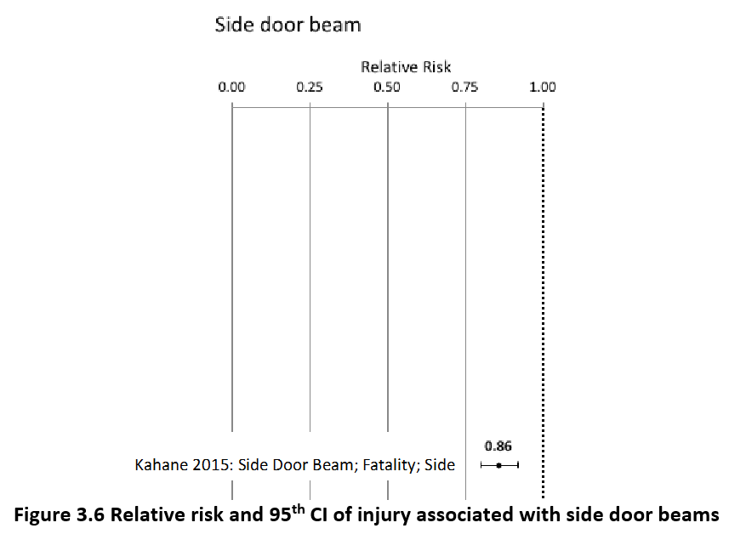
 |  |  |  |  |  |  |  |  |  |  | Pedestrian | Male | 5-9 years | 0 | 3 | 0
 |  |  |  |  |  |  |  |  |  |  | Pedestrian | Male | 10-14 years | 0 | 6 | 0
 |  |  |  |  |  |  |  |  |  |  | Pedestrian | Male | 15-19 years | 0 | 12 | 0
 |  |  |  |  |  |  |  |  |  |  | Pedestrian | Male | 20-24 years | 1 | 20 | 0
 |  |  |  |  |  |  |  |  |  |  | Pedestrian | Male | 25-29 years | 1 | 23 | 0
 |  |  |  |  |  |  |  |  |  |  | Pedestrian | Male | 30-34 years | 1 | 21 | 0
 |  |  |  |  |  |  |  |  |  |  | Pedestrian | Male | 35-39 years | 1 | 19 | 0
 |  |  |  |  |  |  |  |  |  |  | Pedestrian | Male | 40-44 years | 1 | 17 | 0
 |  |  |  |  |  |  |  |  |  |  | Pedestrian | Male | 45-49 years | 1 | 14 | 0
 |  |  |  |  |  |  |  |  |  |  | Pedestrian | Male | 50-54 years | 1 | 9 | 0
 |  |  |  |  |  |  |  |  |  |  | Pedestrian | Male | 55-59 years | 1 | 7 | 0
 |  |  |  |  |  |  |  |  |  |  | Pedestrian | Male | 60-64 years | 1 | 5 | 0
 |  |  |  |  |  |  |  |  |  |  | Pedestrian | Male | 65-69 years | 1 | 3 | 0
 |  |  |  |  |  |  |  |  |  |  | Pedestrian | Male | 70-74 years | 1 | 1 | 0
 |  |  |  |  |  |  |  |  |  |  | Pedestrian | Male | 75-79 years | 1 | 1 | 0
 |  |  |  |  |  |  |  |  |  |  | Pedestrian | Male | 80-84 years | 0 | 0 | 0
 |  |  |  |  |  |  |  |  |  |  | Pedestrian | Male | 85+ | 0 | 0 | 0
 |  |  |  |  |  |  |  |  |  |  | Pedestrian | Female | <5 years | 0 | 1 | 0
 |  |  |  |  |  |  |  |  |  |  | Pedestrian | Female | 5-9 years | 0 | 3 | 0
 |  |  |  |  |  |  |  |  |  |  | Pedestrian | Female | 10-14 years | 0 | 6 | 0
 |  |  |  |  |  |  |  |  |  |  | Pedestrian | Female | 15-19 years | 0 | 11 | 0
 |  |  |  |  |  |  |  |  |  |  | Pedestrian | Female | 20-24 years | 0 | 12 | 0
 |  |  |  |  |  |  |  |  |  |  | Pedestrian | Female | 25-29 years | 0 | 10 | 0
 |  |  |  |  |  |  |  |  |  |  | Pedestrian | Female | 30-34 years | 0 | 9 | 0
 |  |  |  |  |  |  |  |  |  |  | Pedestrian | Female | 35-39 years | 0 | 8 | 0
 |  |  |  |  |  |  |  |  |  |  | Pedestrian | Female | 40-44 years | 0 | 7 | 0
 |  |  |  |  |  |  |  |  |  |  | Pedestrian | Female | 45-49 years | 0 | 7 | 0
 |  |  |  |  |  |  |  |  |  |  | Pedestrian | Female | 50-54 years | 0 | 7 | 0
 |  |  |  |  |  |  |  |  |  |  | Pedestrian | Female | 55-59 years | 0 | 7 | 0
 |  |  |  |  |  |  |  |  |  |  | Pedestrian | Female | 60-64 years | 1 | 7 | 0
 |  |  |  |  |  |  |  |  |  |  | Pedestrian | Female | 65-69 years | 1 | 6 | 0
 |  |  |  |  |  |  |  |  |  |  | Pedestrian | Female | 70-74 years | 1 | 3 | 0
...
Brunei |  |  | perc_baseline |  | perc_target |  | RR_d | RR_i | perc_fatal_side | perc_nonfatal_side
TOTAL | 61 | 3369 | 60 | 3326
 |  | Red.Per. | 0.012064418558 | 0.0126375 |  |  |  |  |  |  | Bicyclist | Male | 50-54 years | 0
 |  |  |  |  |  |  |  |  |  |  | Bicyclist | Male | 55-59 years | 0
SIDE DOOR BEAM | BASELINE DEATHS | BASELINE INJURIES | SIDE DOOR BEAM | SIDE DOOR BEAM |  |  |  |  |  |  | Bicyclist | Male | 60-64 years | 0
Pedestrian | 18 | 269 | 18 | 269 |  |  |  |  |  |  | Bicyclist | Male | 65-69 years | 0
Bicyclist | 4 | 101 | 4 | 101 |  |  |  |  |  |  | Bicyclist | Male | 70-74 years | 0
Motorcyclist | 15 | 1987 | 15 | 1987 |  |  |  |  |  |  | Bicyclist | Male | 75-79 years | 0
Occupant | 24 | 1011 | 23 | 968 |  |  |  |  |  |  | Bicyclist | Male | 80-84 years | 0
Other | 1 | 0 | 1 | 0 |  |  |  |  |  |  | Bicyclist | Male | 85+ | 0
TOTAL | 61 | 3369 | 60 | 3326 |  |  |  |  |  |  | Bicyclist | Female | <5 years | 0
Brunei
 | BASELINE DEATHS | SIDE DOOR BEAM
Pedestrian | 18 | 18
Bicyclist | 4 | 4
Motorized Two Wheeler | 15 | 15
Motorized Three Wheeler | 0 | 0
Car | 24 | 23
Bus | 0 | 0
Truck | 0 | 0
Other | 1 | 1
 |  |  |  |  |  |  |  |  |  |  | Bicyclist | Female | 5-9 years | 0
Brunei
 | BASELINE INJURIES | SIDE DOOR BEAM
Pedestrian | 269 | 269
Bicyclist | 101 | 101
Motorized Two Wheeler | 1987 | 1987
Motorized Three Wheeler | 0 | 0
Car | 1011 | 968
Bus | 0 | 0
Truck | 0 | 0
Other | 0 | 0
 |  |  |  |  |  |  |  |  |  |  | Bicyclist | Female | 10-14 years | 0
 |  |  |  |  |  |  |  |  |  |  | Bicyclist | Female | 15-19 years | 0
 |  |  |  |  |  |  |  |  |  |  | Bicyclist | Female | 20-24 years | 0
 |  |  |  |  |  |  |  |  |  |  | Bicyclist | Female | 25-29 years | 0
 |  |  |  |  |  |  |  |  |  |  | Bicyclist | Female | 30-34 years | 0
 |  |  |  |  |  |  |  |  |  |  | Bicyclist | Female | 35-39 years | 0
 |  |  |  |  |  |  |  |  |  |  | Bicyclist | Female | 40-44 years | 0
 |  |  |  |  |  |  |  |  |  |  | Bicyclist | Female | 45-49 years | 0
 |  |  |  |  |  |  |  |  |  |  | Bicyclist | Female | 50-54 years | 0
 |  |  |  |  |  |  |  |  |  |  | Bicyclist | Female | 55-59 years | 0
 |  |  |  |  |  |  |  |  |  |  | Bicyclist | Female | 60-64 years | 0
 |  |  |  |  |  |  |  |  |  |  | Bicyclist | Female | 65-69 years | 0
 |  |  |  |  |  |  |  |  |  |  | Bicyclist | Female | 70-74 years | 0
 |  |  |  |  |  |  |  |  |  |  | Bicyclist | Female | 75-79 years | 0
 |  |  |  |  |  |  |  |  |  |  | Bicyclist | Female | 80-84 years | 0
 |  |  |  |  |  |  |  |  |  |  | Bicyclist | Female | 85+ | 0
 |  |  |  |  |  |  |  |  |  |  | Motorized Two Wheeler | Male | <5 years | 0
 |  |  |  |  |  |  |  |  |  |  | Motorized Two Wheeler | Male | 5-9 years | 0
 |  |  |  |  |  |  |  |  |  |  | Motorized Two Wheeler | Male | 10-14 years | 0
 |  |  |  |  |  |  |  |  |  |  | Motorized Two Wheeler | Male | 15-19 years | 1
Brunei
Brunei
 |  |  |  |  |  |  |  |  |  |  | Motorized Two Wheeler | Male | 20-24 years | 2
 |  |  |  |  |  |  |  |  |  |  | Motorized Two Wheeler | Male | 25-29 years | 2
 |  |  |  |  |  |  |  |  |  |  | Motorized Two Wheeler | Male | 30-34 years | 1
 |  |  |  |  |  |  |  |  |  |  | Motorized Two Wheeler | Male | 35-39 years | 1
 |  |  |  |  |  |  |  |  |  |  | Motorized Two Wheeler | Male | 40-44 years | 1
 |  |  |  |  |  |  |  |  |  |  | Motorized Two Wheeler | Male | 45-49 years | 1
 |  |  |  |  |  |  |  |  |  |  | Motorized Two Wheeler | Male | 50-54 years | 1
 |  |  |  |  |  |  |  |  |  |  | Motorized Two Wheeler | Male | 55-59 years | 1
 |  |  |  |  |  |  |  |  |  |  | Motorized Two Wheeler | Male | 60-64 years | 0
 |  |  |  |  |  |  |  |  |  |  | Motorized Two Wheeler | Male | 65-69 years | 0
 |  |  |  |  |  |  |  |  |  |  | Motorized Two Wheeler | Male | 70-74 years | 0
 |  |  |  |  |  |  |  |  |  |  | Motorized Two Wheeler | Male | 75-79 years | 0
 |  |  |  |  |  |  |  |  |  |  | Motorized Two Wheeler | Male | 80-84 years | 0
 |  |  |  |  |  |  |  |  |  |  | Motorized Two Wheeler | Male | 85+ | 0
 |  |  |  |  |  |  |  |  |  |  | Motorized Two Wheeler | Female | <5 years | 0
 |  |  |  |  |  |  |  |  |  |  | Motorized Two Wheeler | Female | 5-9 years | 0
 |  |  |  |  |  |  |  |  |  |  | Motorized Two Wheeler | Female | 10-14 years | 0
 |  |  |  |  |  |  |  |  |  |  | Motorized Two Wheeler | Female | 15-19 years | 0
 |  |  |  |  |  |  |  |  |  |  | Motorized Two Wheeler | Female | 20-24 years | 0
 |  |  |  |  |  |  |  |  |  |  | Motorized Two Wheeler | Female | 25-29 years | 0
 |  |  |  |  |  |  |  |  |  |  | Motorized Two Wheeler | Female | 30-34 years | 0
 |  |  |  |  |  |  |  |  |  |  | Motorized Two Wheeler | Female | 35-39 years | 0
 |  |  |  |  |  |  |  |  |  |  | Motorized Two Wheeler | Female | 40-44 years | 0
 |  |  |  |  |  |  |  |  |  |  | Motorized Two Wheeler | Female | 45-49 years | 0
 |  |  |  |  |  |  |  |  |  |  | Motorized Two Wheeler | Female | 50-54 years | 0
 |  |  |  |  |  |  |  |  |  |  | Motorized Two Wheeler | Female | 55-59 years | 0
 |  |  |  |  |  |  |  |  |  |  | Motorized Two Wheeler | Female | 60-64 years | 0
 |  |  |  |  |  |  |  |  |  |  | Motorized Two Wheeler | Female | 65-69 years | 0
 |  |  |  |  |  |  |  |  |  |  | Motorized Two Wheeler | Female | 70-74 years | 0
 |  |  |  |  |  |  |  |  |  |  | Motorized Two Wheeler | Female | 75-79 years | 0
 |  |  |  |  |  |  |  |  |  |  | Motorized Two Wheeler | Female | 80-84 years | 0
...

