SDBeam
Thailand |  |  | perc_baseline |  | perc_target |  | RR_d | RR_i | perc_fatal_side | perc_nonfatal_side |  |  |  | lcl_bl_deaths | lcl_bl_nonfatal
REG | TECHNOLOGY |  | CURRENT AVAILABILITY | INTERVENTION | COUNTERFACTUAL USE | Affected Groups | RELATIVE RISK (death) | RELATIVE RISK (injury) | PROP. OF SIDE CRASHES (death) | PROP OF SIDE CRASHES (injuries) | POPULATION AFFECTED |  |  | BASELINE DEATHS | BASELINE INJURIES | AFFECTED GROUP
UN 95, UN 135 | SIDE DOOR BEAM |  | 0 | SIDE DOOR BEAM IN ALL CAR, TRUCK, BUS | 1 | Occupants | 0.875 | 0.88 | 0.25 | 0.337
 |  |  |  |  |  |  |  |  |  |  | Cause | Sex | Age | Deaths | Injuries | NO=0 / YES=1
 |  |  |  |  |  |  |  |  |  |  | Pedestrian | Male | <5 years | 7 | 76 | 0
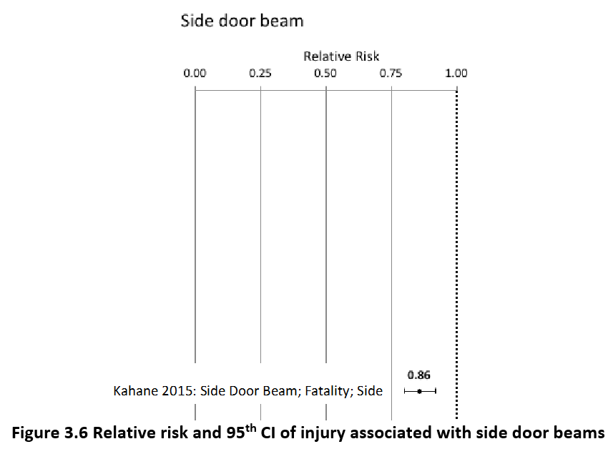
 |  |  |  |  |  |  |  |  |  |  | Pedestrian | Male | 5-9 years | 17 | 407 | 0
 |  |  |  |  |  |  |  |  |  |  | Pedestrian | Male | 10-14 years | 22 | 1130 | 0
 |  |  |  |  |  |  |  |  |  |  | Pedestrian | Male | 15-19 years | 42 | 2462 | 0
 |  |  |  |  |  |  |  |  |  |  | Pedestrian | Male | 20-24 years | 67 | 3665 | 0
 |  |  |  |  |  |  |  |  |  |  | Pedestrian | Male | 25-29 years | 66 | 3558 | 0
 |  |  |  |  |  |  |  |  |  |  | Pedestrian | Male | 30-34 years | 83 | 3355 | 0
 |  |  |  |  |  |  |  |  |  |  | Pedestrian | Male | 35-39 years | 80 | 3594 | 0
 |  |  |  |  |  |  |  |  |  |  | Pedestrian | Male | 40-44 years | 75 | 3627 | 0
 |  |  |  |  |  |  |  |  |  |  | Pedestrian | Male | 45-49 years | 86 | 3296 | 0
 |  |  |  |  |  |  |  |  |  |  | Pedestrian | Male | 50-54 years | 93 | 2895 | 0
 |  |  |  |  |  |  |  |  |  |  | Pedestrian | Male | 55-59 years | 81 | 2449 | 0
 |  |  |  |  |  |  |  |  |  |  | Pedestrian | Male | 60-64 years | 91 | 1740 | 0
 |  |  |  |  |  |  |  |  |  |  | Pedestrian | Male | 65-69 years | 77 | 806 | 0
 |  |  |  |  |  |  |  |  |  |  | Pedestrian | Male | 70-74 years | 66 | 482 | 0
 |  |  |  |  |  |  |  |  |  |  | Pedestrian | Male | 75-79 years | 68 | 393 | 0
 |  |  |  |  |  |  |  |  |  |  | Pedestrian | Male | 80-84 years | 48 | 233 | 0
 |  |  |  |  |  |  |  |  |  |  | Pedestrian | Male | 85+ | 33 | 118 | 0
 |  |  |  |  |  |  |  |  |  |  | Pedestrian | Female | <5 years | 4 | 96 | 0
 |  |  |  |  |  |  |  |  |  |  | Pedestrian | Female | 5-9 years | 8 | 344 | 0
 |  |  |  |  |  |  |  |  |  |  | Pedestrian | Female | 10-14 years | 11 | 966 | 0
 |  |  |  |  |  |  |  |  |  |  | Pedestrian | Female | 15-19 years | 19 | 2036 | 0
 |  |  |  |  |  |  |  |  |  |  | Pedestrian | Female | 20-24 years | 21 | 2455 | 0
 |  |  |  |  |  |  |  |  |  |  | Pedestrian | Female | 25-29 years | 19 | 1656 | 0
 |  |  |  |  |  |  |  |  |  |  | Pedestrian | Female | 30-34 years | 21 | 1526 | 0
 |  |  |  |  |  |  |  |  |  |  | Pedestrian | Female | 35-39 years | 25 | 1800 | 0
 |  |  |  |  |  |  |  |  |  |  | Pedestrian | Female | 40-44 years | 24 | 1673 | 0
 |  |  |  |  |  |  |  |  |  |  | Pedestrian | Female | 45-49 years | 30 | 1550 | 0
 |  |  |  |  |  |  |  |  |  |  | Pedestrian | Female | 50-54 years | 37 | 1745 | 0
 |  |  |  |  |  |  |  |  |  |  | Pedestrian | Female | 55-59 years | 37 | 1930 | 0
 |  |  |  |  |  |  |  |  |  |  | Pedestrian | Female | 60-64 years | 49 | 1902 | 0
 |  |  |  |  |  |  |  |  |  |  | Pedestrian | Female | 65-69 years | 40 | 1216 | 0
 |  |  |  |  |  |  |  |  |  |  | Pedestrian | Female | 70-74 years | 36 | 777 | 0
...
Thailand |  |  | perc_baseline |  | perc_target |  | RR_d | RR_i | perc_fatal_side | perc_nonfatal_side
TOTAL | 19518 | 720967 | 19433 | 711856
 |  | Red.Per. | 0.004375 | 0.0126375 |  |  |  |  |  |  | Bicyclist | Male | 50-54 years | 52
 |  |  |  |  |  |  |  |  |  |  | Bicyclist | Male | 55-59 years | 49
SIDE DOOR BEAM | BASELINE DEATHS | BASELINE INJURIES | SIDE DOOR BEAM | SIDE DOOR BEAM |  |  |  |  |  |  | Bicyclist | Male | 60-64 years | 50
Pedestrian | 1561 | 57677 | 1561 | 57677 |  |  |  |  |  |  | Bicyclist | Male | 65-69 years | 44
Bicyclist | 586 | 21629 | 586 | 21629 |  |  |  |  |  |  | Bicyclist | Male | 70-74 years | 34
Motorcyclist | 14444 | 425371 | 14444 | 425371 |  |  |  |  |  |  | Bicyclist | Male | 75-79 years | 8
Occupant | 2733 | 216290 | 2647 | 207179 |  |  |  |  |  |  | Bicyclist | Male | 80-84 years | 7
Other | 195 | 0 | 195 | 0 |  |  |  |  |  |  | Bicyclist | Male | 85+ | 7
TOTAL | 19518 | 720967 | 19433 | 711856 |  |  |  |  |  |  | Bicyclist | Female | <5 years | 1
Thailand
 | BASELINE DEATHS | SIDE DOOR BEAM
Pedestrian | 1561 | 1561
Bicyclist | 586 | 586
Motorized Two Wheeler | 14444 | 14444
Motorized Three Wheeler | 0 | 0
Car | 2733 | 2647
Bus | 0 | 0
Truck | 0 | 0
Other | 195 | 195
 |  |  |  |  |  |  |  |  |  |  | Bicyclist | Female | 5-9 years | 2
Thailand
 | BASELINE INJURIES | SIDE DOOR BEAM
Pedestrian | 57677 | 57677
Bicyclist | 21629 | 21629
Motorized Two Wheeler | 425371 | 425371
Motorized Three Wheeler | 0 | 0
Car | 216290 | 207179
Bus | 0 | 0
Truck | 0 | 0
Other | 0 | 0
 |  |  |  |  |  |  |  |  |  |  | Bicyclist | Female | 10-14 years | 3
 |  |  |  |  |  |  |  |  |  |  | Bicyclist | Female | 15-19 years | 5
 |  |  |  |  |  |  |  |  |  |  | Bicyclist | Female | 20-24 years | 5
 |  |  |  |  |  |  |  |  |  |  | Bicyclist | Female | 25-29 years | 5
 |  |  |  |  |  |  |  |  |  |  | Bicyclist | Female | 30-34 years | 7
 |  |  |  |  |  |  |  |  |  |  | Bicyclist | Female | 35-39 years | 7
 |  |  |  |  |  |  |  |  |  |  | Bicyclist | Female | 40-44 years | 8
 |  |  |  |  |  |  |  |  |  |  | Bicyclist | Female | 45-49 years | 8
 |  |  |  |  |  |  |  |  |  |  | Bicyclist | Female | 50-54 years | 11
 |  |  |  |  |  |  |  |  |  |  | Bicyclist | Female | 55-59 years | 11
 |  |  |  |  |  |  |  |  |  |  | Bicyclist | Female | 60-64 years | 12
 |  |  |  |  |  |  |  |  |  |  | Bicyclist | Female | 65-69 years | 10
 |  |  |  |  |  |  |  |  |  |  | Bicyclist | Female | 70-74 years | 7
 |  |  |  |  |  |  |  |  |  |  | Bicyclist | Female | 75-79 years | 1
 |  |  |  |  |  |  |  |  |  |  | Bicyclist | Female | 80-84 years | 1
 |  |  |  |  |  |  |  |  |  |  | Bicyclist | Female | 85+ | 2
 |  |  |  |  |  |  |  |  |  |  | Motorized Two Wheeler | Male | <5 years | 25
 |  |  |  |  |  |  |  |  |  |  | Motorized Two Wheeler | Male | 5-9 years | 54
 |  |  |  |  |  |  |  |  |  |  | Motorized Two Wheeler | Male | 10-14 years | 214
 |  |  |  |  |  |  |  |  |  |  | Motorized Two Wheeler | Male | 15-19 years | 1243
Thailand
Thailand
 |  |  |  |  |  |  |  |  |  |  | Motorized Two Wheeler | Male | 20-24 years | 1578
 |  |  |  |  |  |  |  |  |  |  | Motorized Two Wheeler | Male | 25-29 years | 1510
 |  |  |  |  |  |  |  |  |  |  | Motorized Two Wheeler | Male | 30-34 years | 1268
 |  |  |  |  |  |  |  |  |  |  | Motorized Two Wheeler | Male | 35-39 years | 1188
 |  |  |  |  |  |  |  |  |  |  | Motorized Two Wheeler | Male | 40-44 years | 1043
 |  |  |  |  |  |  |  |  |  |  | Motorized Two Wheeler | Male | 45-49 years | 865
 |  |  |  |  |  |  |  |  |  |  | Motorized Two Wheeler | Male | 50-54 years | 765
 |  |  |  |  |  |  |  |  |  |  | Motorized Two Wheeler | Male | 55-59 years | 720
 |  |  |  |  |  |  |  |  |  |  | Motorized Two Wheeler | Male | 60-64 years | 517
 |  |  |  |  |  |  |  |  |  |  | Motorized Two Wheeler | Male | 65-69 years | 457
 |  |  |  |  |  |  |  |  |  |  | Motorized Two Wheeler | Male | 70-74 years | 347
 |  |  |  |  |  |  |  |  |  |  | Motorized Two Wheeler | Male | 75-79 years | 194
 |  |  |  |  |  |  |  |  |  |  | Motorized Two Wheeler | Male | 80-84 years | 116
 |  |  |  |  |  |  |  |  |  |  | Motorized Two Wheeler | Male | 85+ | 71
 |  |  |  |  |  |  |  |  |  |  | Motorized Two Wheeler | Female | <5 years | 17
 |  |  |  |  |  |  |  |  |  |  | Motorized Two Wheeler | Female | 5-9 years | 30
 |  |  |  |  |  |  |  |  |  |  | Motorized Two Wheeler | Female | 10-14 years | 79
 |  |  |  |  |  |  |  |  |  |  | Motorized Two Wheeler | Female | 15-19 years | 223
 |  |  |  |  |  |  |  |  |  |  | Motorized Two Wheeler | Female | 20-24 years | 208
 |  |  |  |  |  |  |  |  |  |  | Motorized Two Wheeler | Female | 25-29 years | 158
 |  |  |  |  |  |  |  |  |  |  | Motorized Two Wheeler | Female | 30-34 years | 135
 |  |  |  |  |  |  |  |  |  |  | Motorized Two Wheeler | Female | 35-39 years | 165
 |  |  |  |  |  |  |  |  |  |  | Motorized Two Wheeler | Female | 40-44 years | 169
 |  |  |  |  |  |  |  |  |  |  | Motorized Two Wheeler | Female | 45-49 years | 197
 |  |  |  |  |  |  |  |  |  |  | Motorized Two Wheeler | Female | 50-54 years | 213
 |  |  |  |  |  |  |  |  |  |  | Motorized Two Wheeler | Female | 55-59 years | 208
 |  |  |  |  |  |  |  |  |  |  | Motorized Two Wheeler | Female | 60-64 years | 140
 |  |  |  |  |  |  |  |  |  |  | Motorized Two Wheeler | Female | 65-69 years | 118
 |  |  |  |  |  |  |  |  |  |  | Motorized Two Wheeler | Female | 70-74 years | 92
 |  |  |  |  |  |  |  |  |  |  | Motorized Two Wheeler | Female | 75-79 years | 44
 |  |  |  |  |  |  |  |  |  |  | Motorized Two Wheeler | Female | 80-84 years | 33
...

