Sheet2
Defect Report
Release | V 1.0
Title | user is not able to signup when he/she enters a first name with the size of 3 characters
Description | it happens in all browser and all screen views
Steps | 1- fill the firstname input with 3 characters 2- fill the lastname input correctly 3- fill the email input with a correct email 4- fill the password input with a correct password 5- fill the confirm password input with correct corresponding password 6- click on the signup button
Test Data | Firstname: Hus Lastname: sobieh Email: test3@testing.com password: test123! confirm password: Test123!
Expected Result | should signup the user correctly
Actual Result | this error message is displayed "First Name is required, and it should be more than 3 characters"
Environment | Microsoft Edge V 127.0.2651.74
Snapshot/ Video | 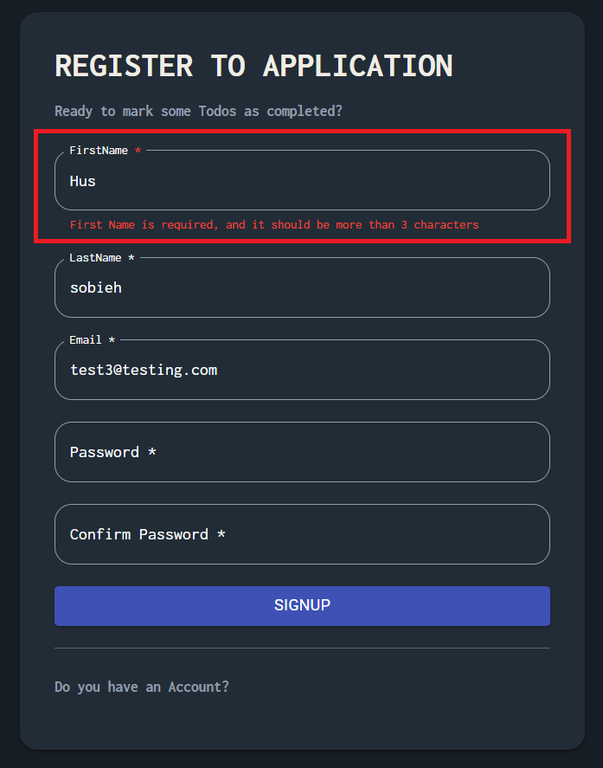
Priority | Medium
Severity | Low
Status | Open

Sheet5
Defect Report
Release | V 1.0
Title | Pagination should be displayed when tasks more than 5
Description | it happens in all browser and all screen views
Steps | create 6 tasks
Test Data | task names: learning, eating, walking, sleeping, praying
Expected Result | Pagination should be displayed
Actual Result | pagination is displayed but this message overwrites it "No Available Todos"
Environment | Google Chrome V 126.0.6478.185
Snapshot/ Video | 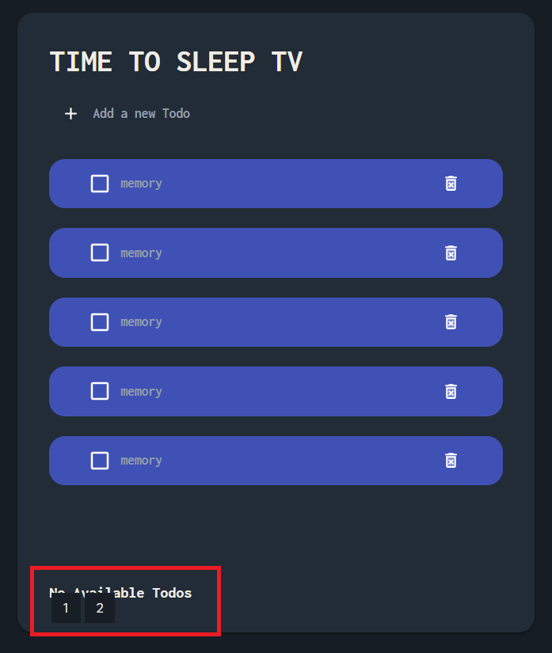
Priority | medium
Severity | Low
Status | Open

