Table 1-1
This file presents the data from the tables in CBO's February 2021 report The Budget and Economic Outlook: 2021 to 2031 and provides supplemental data.
www.cbo.gov/publication/56970

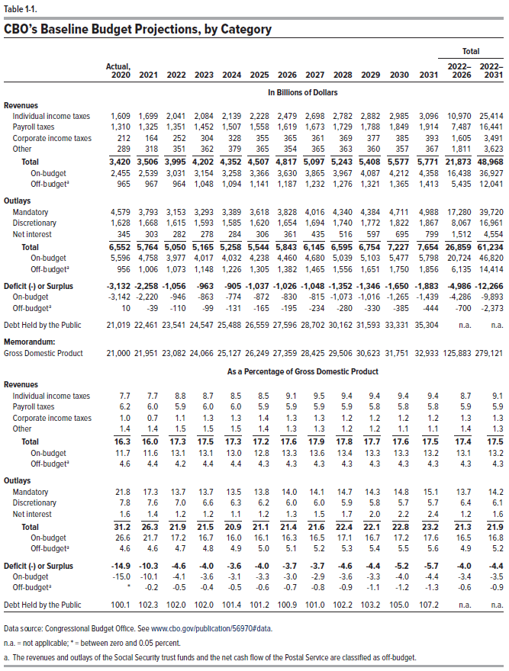
Table 1-1. CBO's Baseline Budget Projections, by Category

 |  |  |  |  |  |  |  |  |  |  |  |  | Total
 | Actual, |  |  |  |  |  |  |  |  |  |  |  | 2022- | 2022-
 | 2020 | 2021 | 2022 | 2023 | 2024 | 2025 | 2026 | 2027 | 2028 | 2029 | 2030 | 2031 | 2026 | 2031
In Billions of Dollars
Revenues
Individual income taxes | 1,609 | 1,699 | 2,041 | 2,084 | 2,139 | 2,228 | 2,479 | 2,698 | 2,782 | 2,882 | 2,985 | 3,096 | 10,970 | 25,414
Payroll taxes | 1,310 | 1,325 | 1,351 | 1,452 | 1,507 | 1,558 | 1,619 | 1,673 | 1,729 | 1,788 | 1,849 | 1,914 | 7,487 | 16,441
Corporate income taxes | 212 | 164 | 252 | 304 | 328 | 355 | 365 | 361 | 369 | 377 | 385 | 393 | 1,605 | 3,491
Other | 289 | 318 | 351 | 362 | 379 | 365 | 354 | 365 | 363 | 360 | 357 | 367 | 1,811 | 3,623
 | ____ | ____ | ____ | ____ | ____ | ____ | ____ | ____ | ____ | ____ | ____ | ____ | ____ | ____
Total | 3,420 | 3,506 | 3,995 | 4,202 | 4,352 | 4,507 | 4,817 | 5,097 | 5,243 | 5,408 | 5,577 | 5,771 | 21,873 | 48,968
On-budget | 2,455 | 2,539 | 3,031 | 3,154 | 3,258 | 3,366 | 3,630 | 3,865 | 3,967 | 4,087 | 4,212 | 4,358 | 16,438 | 36,927
Off-budget | 965 | 967 | 964 | 1,048 | 1,094 | 1,141 | 1,187 | 1,232 | 1,276 | 1,321 | 1,365 | 1,413 | 5,435 | 12,041

Outlays
Mandatory | 4,579 | 3,793 | 3,153 | 3,293 | 3,389 | 3,618 | 3,828 | 4,016 | 4,340 | 4,384 | 4,711 | 4,988 | 17,280 | 39,720
Discretionary | 1,628 | 1,668 | 1,615 | 1,593 | 1,585 | 1,620 | 1,654 | 1,694 | 1,740 | 1,772 | 1,822 | 1,867 | 8,067 | 16,961
Net Interest | 345 | 303 | 282 | 278 | 284 | 306 | 361 | 435 | 516 | 597 | 695 | 799 | 1,512 | 4,554
 | ____ | ____ | ____ | ____ | ____ | ____ | ____ | ____ | ____ | ____ | ____ | ____ | ____ | ____
Total | 6,552 | 5,764 | 5,050 | 5,165 | 5,258 | 5,544 | 5,843 | 6,145 | 6,595 | 6,754 | 7,227 | 7,654 | 26,859 | 61,234
On-budget | 5,596 | 4,758 | 3,977 | 4,017 | 4,032 | 4,238 | 4,460 | 4,680 | 5,039 | 5,103 | 5,477 | 5,798 | 20,724 | 46,820
Off-budget | 956 | 1,006 | 1,073 | 1,148 | 1,226 | 1,305 | 1,382 | 1,465 | 1,556 | 1,651 | 1,750 | 1,856 | 6,135 | 14,414

Deficit (-) or Surplus | -3,132 | -2,258 | -1,056 | -963 | -905 | -1,037 | -1,026 | -1,048 | -1,352 | -1,346 | -1,650 | -1,883 | -4,986 | -12,266
On-budget | -3,142 | -2,220 | -946 | -863 | -774 | -872 | -830 | -815 | -1,073 | -1,016 | -1,265 | -1,439 | -4,286 | -9,893
Off-budget | 10 | -39 | -110 | -99 | -131 | -165 | -195 | -234 | -280 | -330 | -385 | -444 | -700 | -2,373

Debt Held by the Public | 21,019 | 22,461 | 23,541 | 24,547 | 25,488 | 26,559 | 27,596 | 28,702 | 30,162 | 31,593 | 33,331 | 35,304 | n.a. | n.a.

Memorandum:
Gross Domestic Product | 21,000 | 21,951 | 23,082 | 24,066 | 25,127 | 26,249 | 27,359 | 28,425 | 29,506 | 30,623 | 31,751 | 32,933 | 125,883 | 279,121

As a Percentage of Gross Domestic Product
Revenues
Individual income taxes | 7.7 | 7.7 | 8.8 | 8.7 | 8.5 | 8.5 | 9.1 | 9.5 | 9.4 | 9.4 | 9.4 | 9.4 | 8.7 | 9.1
Payroll taxes | 6.2 | 6.0 | 5.9 | 6.0 | 6.0 | 5.9 | 5.9 | 5.9 | 5.9 | 5.8 | 5.8 | 5.8 | 5.9 | 5.9
Corporate income taxes | 1.0 | 0.7 | 1.1 | 1.3 | 1.3 | 1.4 | 1.3 | 1.3 | 1.2 | 1.2 | 1.2 | 1.2 | 1.3 | 1.3
Other | 1.4 | 1.4 | 1.5 | 1.5 | 1.5 | 1.4 | 1.3 | 1.3 | 1.2 | 1.2 | 1.1 | 1.1 | 1.4 | 1.3
 | ____ | ____ | ____ | ____ | ____ | ____ | ____ | ____ | ____ | ____ | ____ | ____ | ____ | ____
Total | 16.3 | 16.0 | 17.3 | 17.5 | 17.3 | 17.2 | 17.6 | 17.9 | 17.8 | 17.7 | 17.6 | 17.5 | 17.4 | 17.5
On-budget | 11.7 | 11.6 | 13.1 | 13.1 | 13.0 | 12.8 | 13.3 | 13.6 | 13.4 | 13.3 | 13.3 | 13.2 | 13.1 | 13.2
Off-budget | 4.6 | 4.4 | 4.2 | 4.4 | 4.4 | 4.3 | 4.3 | 4.3 | 4.3 | 4.3 | 4.3 | 4.3 | 4.3 | 4.3

Outlays
Mandatory | 21.8 | 17.3 | 13.7 | 13.7 | 13.5 | 13.8 | 14.0 | 14.1 | 14.7 | 14.3 | 14.8 | 15.1 | 13.7 | 14.2
Discretionary | 7.8 | 7.6 | 7.0 | 6.6 | 6.3 | 6.2 | 6.0 | 6.0 | 5.9 | 5.8 | 5.7 | 5.7 | 6.4 | 6.1
Net Interest | 1.6 | 1.4 | 1.2 | 1.2 | 1.1 | 1.2 | 1.3 | 1.5 | 1.7 | 2.0 | 2.2 | 2.4 | 1.2 | 1.6
 | ____ | ____ | ____ | ____ | ____ | ____ | ____ | ____ | ____ | ____ | ____ | ____ | ____ | ____
Total | 31.2 | 26.3 | 21.9 | 21.5 | 20.9 | 21.1 | 21.4 | 21.6 | 22.4 | 22.1 | 22.8 | 23.2 | 21.3 | 21.9
On-budget | 26.6 | 21.7 | 17.2 | 16.7 | 16.0 | 16.1 | 16.3 | 16.5 | 17.1 | 16.7 | 17.2 | 17.6 | 16.5 | 16.8
Off-budget | 4.6 | 4.6 | 4.7 | 4.8 | 4.9 | 5.0 | 5.1 | 5.2 | 5.3 | 5.4 | 5.5 | 5.6 | 4.9 | 5.2

Deficit (-) or Surplus | -14.9 | -10.3 | -4.6 | -4.0 | -3.6 | -4.0 | -3.7 | -3.7 | -4.6 | -4.4 | -5.2 | -5.7 | -4.0 | -4.4
On-budget | -15.0 | -10.1 | -4.1 | -3.6 | -3.1 | -3.3 | -3.0 | -2.9 | -3.6 | -3.3 | -4.0 | -4.4 | -3.4 | -3.5
Off-budget | 0.0 | -0.2 | -0.5 | -0.4 | -0.5 | -0.6 | -0.7 | -0.8 | -0.9 | -1.1 | -1.2 | -1.3 | -0.6 | -0.9

Debt Held by the Public | 100.1 | 102.3 | 102.0 | 102.0 | 101.4 | 101.2 | 100.9 | 101.0 | 102.2 | 103.2 | 105.0 | 107.2 | n.a. | n.a.

Back to Table of Contents

Table 1-2
This file presents the data from the tables in CBO's February 2021 report The Budget and Economic Outlook: 2021 to 2031 and provides supplemental data.
www.cbo.gov/publication/56970

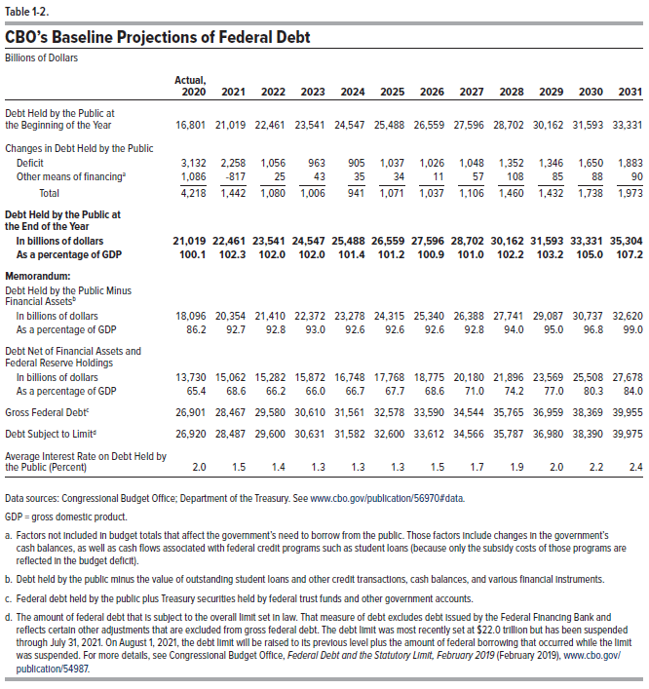
Table 1-2. CBO's Baseline Projections of Federal Debt
Billons of Dollars

 | Actual,
 | 2020 | 2021 | 2022 | 2023 | 2024 | 2025 | 2026 | 2027 | 2028 | 2029 | 2030 | 2031
Debt Held by the Public at the
Beginning of the Year | 16,801 | 21,019 | 22,461 | 23,541 | 24,547 | 25,488 | 26,559 | 27,596 | 28,702 | 30,162 | 31,593 | 33,331

Changes in Debt Held by the Public
Deficit | 3,132 | 2,258 | 1,056 | 963 | 905 | 1,037 | 1,026 | 1,048 | 1,352 | 1,346 | 1,650 | 1,883
Other means of financing | 1,086 | -817 | 25 | 43 | 35 | 34 | 11 | 57 | 108 | 85 | 88 | 90
 | ____ | ____ | ____ | ____ | ____ | ____ | ____ | ____ | ____ | ____ | ____ | ____
Total | 4,218 | 1,442 | 1,080 | 1,006 | 941 | 1,071 | 1,037 | 1,106 | 1,460 | 1,432 | 1,738 | 1,973

Debt Held by the Public at the
End of the Year
In billions of dollars | 21,019 | 22,461 | 23,541 | 24,547 | 25,488 | 26,559 | 27,596 | 28,702 | 30,162 | 31,593 | 33,331 | 35,304
As a percentage of GDP | 100.1 | 102.3 | 102.0 | 102.0 | 101.4 | 101.2 | 100.9 | 101.0 | 102.2 | 103.2 | 105.0 | 107.2

Memorandum:
Debt Held by the Public Minus
Financial Assets
In billions of dollars | 18,096 | 20,354 | 21,410 | 22,372 | 23,278 | 24,315 | 25,340 | 26,388 | 27,741 | 29,087 | 30,737 | 32,620
As a percentage of GDP | 86.2 | 92.7 | 92.8 | 93.0 | 92.6 | 92.6 | 92.6 | 92.8 | 94.0 | 95.0 | 96.8 | 99.0

Debt Net of Financial Assets and
Federal Reserve Holdings
In billions of dollars | 13,730 | 15,062 | 15,282 | 15,872 | 16,748 | 17,768 | 18,775 | 20,180 | 21,896 | 23,569 | 25,508 | 27,678
As a percentage of GDP | 65.4 | 68.6 | 66.2 | 66.0 | 66.7 | 67.7 | 68.6 | 71.0 | 74.2 | 77.0 | 80.3 | 84.0

Gross Federal Debt | 26,901 | 28,467 | 29,580 | 30,610 | 31,561 | 32,578 | 33,590 | 34,544 | 35,765 | 36,959 | 38,369 | 39,955

Debt Subject to Limit | 26,920 | 28,487 | 29,600 | 30,631 | 31,582 | 32,600 | 33,612 | 34,566 | 35,787 | 36,980 | 38,390 | 39,975

Average Interest Rate on Debt Held
by the Public (Percent) | 2.0 | 1.5 | 1.4 | 1.3 | 1.3 | 1.3 | 1.5 | 1.7 | 1.9 | 2.0 | 2.2 | 2.4

Back to Table of Contents

Table 1-3
This file presents the data from the tables in CBO's February 2021 report The Budget and Economic Outlook: 2021 to 2031 and provides supplemental data.
www.cbo.gov/publication/56970

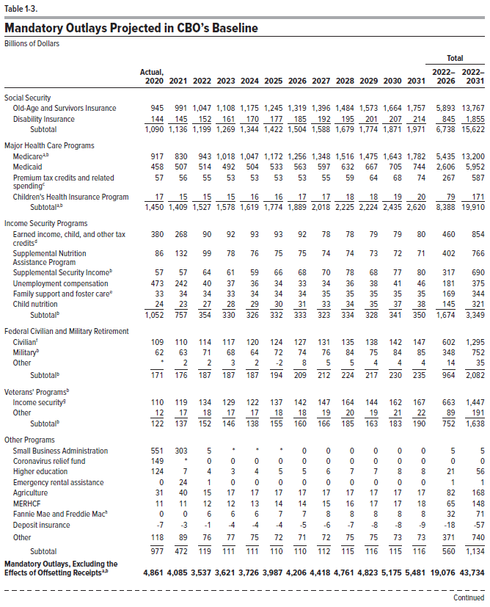
Table 1-3. Mandatory Outlays Projected in CBO's Baseline
Billions of Dollars

 |  |  |  |  |  |  |  |  |  |  |  |  | Total
 | Actual, |  |  |  |  |  |  |  |  |  |  |  | 2022- | 2022-
 | 2020 | 2021 | 2022 | 2023 | 2024 | 2025 | 2026 | 2027 | 2028 | 2029 | 2030 | 2031 | 2026 | 2031
Social Security
Old-Age and Survivors Insurance | 945 | 991 | 1,047 | 1,108 | 1,175 | 1,245 | 1,319 | 1,396 | 1,484 | 1,573 | 1,664 | 1,757 | 5,893 | 13,767
Disability Insurance | 144 | 145 | 152 | 161 | 170 | 177 | 185 | 192 | 195 | 201 | 207 | 214 | 845 | 1,855
 | ____ | ____ | ____ | ____ | ____ | ____ | ____ | ____ | ____ | ____ | ____ | ____ | ____ | ____
Subtotal | 1,090 | 1,136 | 1,199 | 1,269 | 1,344 | 1,422 | 1,504 | 1,588 | 1,679 | 1,774 | 1,871 | 1,971 | 6,738 | 15,622

Major Health Care Programs
Medicare | 917 | 830 | 943 | 1,018 | 1,047 | 1,172 | 1,256 | 1,348 | 1,516 | 1,475 | 1,643 | 1,782 | 5,435 | 13,200
Medicaid | 458 | 507 | 514 | 492 | 504 | 533 | 563 | 597 | 632 | 667 | 705 | 744 | 2,606 | 5,952
Premium tax credits and related spending | 57 | 56 | 55 | 53 | 53 | 53 | 53 | 55 | 59 | 64 | 68 | 74 | 267 | 587
Children's Health Insurance Program | 17 | 15 | 15 | 15 | 16 | 16 | 17 | 17 | 18 | 18 | 19 | 20 | 79 | 171
 | ____ | ____ | ____ | ____ | ____ | ____ | ____ | ____ | ____ | ____ | ____ | ____ | ____ | ____
Subtotal | 1,450 | 1,409 | 1,527 | 1,578 | 1,619 | 1,774 | 1,889 | 2,018 | 2,225 | 2,224 | 2,435 | 2,620 | 8,388 | 19,910

Income Security Programs
Earned income, child, and other tax credits | 380 | 268 | 90 | 92 | 93 | 93 | 92 | 78 | 78 | 79 | 79 | 80 | 460 | 854
Supplemental Nutrition Assistance Program | 86 | 132 | 99 | 78 | 76 | 75 | 75 | 74 | 74 | 73 | 72 | 71 | 402 | 766
Supplemental Security Income | 57 | 57 | 64 | 61 | 59 | 66 | 68 | 70 | 78 | 68 | 77 | 80 | 317 | 690
Unemployment compensation | 473 | 242 | 40 | 37 | 36 | 34 | 33 | 34 | 36 | 38 | 41 | 46 | 181 | 375
Family support and foster care | 33 | 34 | 34 | 33 | 34 | 34 | 34 | 35 | 35 | 35 | 35 | 35 | 169 | 344
Child nutrition | 24 | 23 | 27 | 28 | 29 | 30 | 31 | 33 | 34 | 35 | 37 | 38 | 145 | 321
 | ____ | ____ | ____ | ____ | ____ | ____ | ____ | ____ | ____ | ____ | ____ | ____ | ____ | ____
Subtotal | 1,052 | 757 | 354 | 330 | 326 | 332 | 333 | 323 | 334 | 328 | 341 | 350 | 1,674 | 3,349

Federal Civilian and Military Retirement
Civilian | 109 | 110 | 114 | 117 | 120 | 124 | 127 | 131 | 135 | 138 | 142 | 147 | 602 | 1,295
Military | 62 | 63 | 71 | 68 | 64 | 72 | 74 | 76 | 84 | 75 | 84 | 85 | 348 | 752
Other | 0 | 2 | 2 | 3 | 2 | -2 | 8 | 5 | 5 | 4 | 4 | 4 | 14 | 35
 | ____ | ____ | ____ | ____ | ____ | ____ | ____ | ____ | ____ | ____ | ____ | ____ | ____ | ____
Subtotal | 171 | 176 | 187 | 187 | 187 | 194 | 209 | 212 | 224 | 217 | 230 | 235 | 964 | 2,082

Veterans' Programs
Income security | 110 | 119 | 134 | 129 | 122 | 137 | 142 | 147 | 164 | 144 | 162 | 167 | 663 | 1,447
Other | 12 | 17 | 18 | 17 | 17 | 18 | 18 | 19 | 20 | 19 | 21 | 22 | 89 | 191
 | ____ | ____ | ____ | ____ | ____ | ____ | ____ | ____ | ____ | ____ | ____ | ____ | ____ | ____
Subtotal | 122 | 137 | 152 | 146 | 138 | 155 | 160 | 166 | 185 | 163 | 183 | 190 | 752 | 1,638

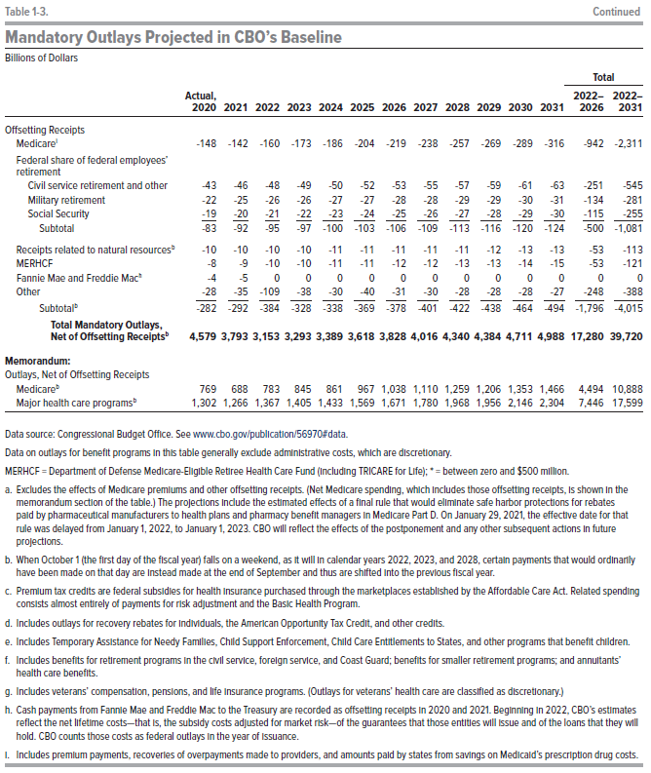
Other Programs
Small Business Administration | 551 | 303 | 5 | 0 | 0 | 0 | 0 | 0 | 0 | 0 | 0 | 0 | 5 | 5
Coronavirus relief fund | 149 | 0 | 0 | 0 | 0 | 0 | 0 | 0 | 0 | 0 | 0 | 0 | 0 | 0
Higher education | 124 | 7 | 4 | 3 | 4 | 5 | 5 | 6 | 7 | 7 | 8 | 8 | 21 | 56
Emergency rental assistance | 0 | 24 | 1 | 0 | 0 | 0 | 0 | 0 | 0 | 0 | 0 | 0 | 1 | 1
Agriculture | 31 | 40 | 15 | 17 | 17 | 17 | 17 | 17 | 17 | 17 | 17 | 17 | 82 | 168
MERHCF | 11 | 11 | 12 | 12 | 13 | 14 | 14 | 15 | 16 | 17 | 17 | 18 | 65 | 148
Fannie Mae and Freddie Mac | 0 | 0 | 6 | 6 | 6 | 7 | 7 | 8 | 8 | 8 | 8 | 8 | 32 | 71
Deposit insurance | -7 | -3 | -1 | -4 | -4 | -4 | -5 | -6 | -7 | -8 | -8 | -9 | -18 | -57
Other | 118 | 89 | 76 | 77 | 75 | 72 | 71 | 72 | 75 | 75 | 73 | 73 | 371 | 740
 | ____ | ____ | ____ | ____ | ____ | ____ | ____ | ____ | ____ | ____ | ____ | ____ | ____ | ____
Subtotal | 977 | 472 | 119 | 111 | 111 | 110 | 110 | 112 | 115 | 116 | 115 | 116 | 560 | 1,134

Mandatory Outlays, Excluding the
Effects of Offsetting Receipts | 4,861 | 4,085 | 3,537 | 3,621 | 3,726 | 3,987 | 4,206 | 4,418 | 4,761 | 4,823 | 5,175 | 5,481 | 19,076 | 43,734

Offsetting Receipts
Medicare | -148 | -142 | -160 | -173 | -186 | -204 | -219 | -238 | -257 | -269 | -289 | -316 | -942 | -2,311
Federal share of federal employees'
retirement
Civil service retirement and other | -43 | -46 | -48 | -49 | -50 | -52 | -53 | -55 | -57 | -59 | -61 | -63 | -251 | -545
Military retirement | -22 | -25 | -26 | -26 | -27 | -27 | -28 | -28 | -29 | -29 | -30 | -31 | -134 | -281
Social Security | -19 | -20 | -21 | -22 | -23 | -24 | -25 | -26 | -27 | -28 | -29 | -30 | -115 | -255
 | ____ | ____ | ____ | ____ | ____ | ____ | ____ | ____ | ____ | ____ | ____ | ____ | ____ | ____
Subtotal | -83 | -92 | -95 | -97 | -100 | -103 | -106 | -109 | -113 | -116 | -120 | -124 | -500 | -1,081

Receipts related to natural resources | -10 | -10 | -10 | -10 | -11 | -11 | -11 | -11 | -11 | -12 | -13 | -13 | -53 | -113
MERHCF | -8 | -9 | -10 | -10 | -11 | -11 | -12 | -12 | -13 | -13 | -14 | -15 | -53 | -121
Fannie Mae and Freddie Mac | -4 | -5 | 0 | 0 | 0 | 0 | 0 | 0 | 0 | 0 | 0 | 0 | 0 | 0
Other | -28 | -35 | -109 | -38 | -30 | -40 | -31 | -30 | -28 | -28 | -28 | -27 | -248 | -388
 | ____ | ____ | ____ | ____ | ____ | ____ | ____ | ____ | ____ | ____ | ____ | ____ | ____ | ____
Subtotal | -282 | -292 | -384 | -328 | -338 | -369 | -378 | -401 | -422 | -438 | -464 | -494 | -1,796 | -4,015

Total Mandatory Outlays,
Net of Offsetting Receipts | 4,579 | 3,793 | 3,153 | 3,293 | 3,389 | 3,618 | 3,828 | 4,016 | 4,340 | 4,384 | 4,711 | 4,988 | 17,280 | 39,720

Memorandum:
Outlays, Net of Offsetting Receipts
Medicare | 769 | 688 | 783 | 845 | 861 | 967 | 1,038 | 1,110 | 1,259 | 1,206 | 1,353 | 1,466 | 4,494 | 10,888
Major health care programs | 1,302 | 1,266 | 1,367 | 1,405 | 1,433 | 1,569 | 1,671 | 1,780 | 1,968 | 1,956 | 2,146 | 2,304 | 7,446 | 17,599

Back to Table of Contents

Table 1-4
This file presents the data from the tables in CBO's February 2021 report The Budget and Economic Outlook: 2021 to 2031 and provides supplemental data.
www.cbo.gov/publication/56970

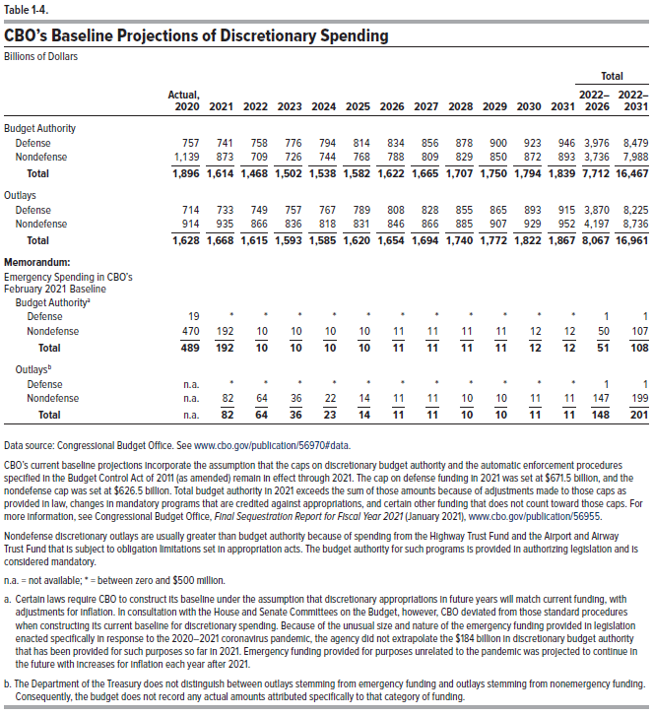
Table 1-4. CBO's Baseline Projections of Discretionary Spending
Billions of Dollars

 |  |  |  |  |  |  |  |  |  |  |  |  | Total
 | Actual, |  |  |  |  |  |  |  |  |  |  |  | 2022- | 2022-
 | 2020 | 2021 | 2022 | 2023 | 2024 | 2025 | 2026 | 2027 | 2028 | 2029 | 2030 | 2031 | 2026 | 2031
Budget Authority
Defense | 757 | 741 | 758 | 776 | 794 | 814 | 834 | 856 | 878 | 900 | 923 | 946 | 3,976 | 8,479
Nondefense | 1,139 | 873 | 709 | 726 | 744 | 768 | 788 | 809 | 829 | 850 | 872 | 893 | 3,736 | 7,988
 | ____ | ____ | ____ | ____ | ____ | ____ | ____ | ____ | ____ | ____ | ____ | ____ | ____ | ____
Total | 1,896 | 1,614 | 1,468 | 1,502 | 1,538 | 1,582 | 1,622 | 1,665 | 1,707 | 1,750 | 1,794 | 1,839 | 7,712 | 16,467

Outlays
Defense | 714 | 733 | 749 | 757 | 767 | 789 | 808 | 828 | 855 | 865 | 893 | 915 | 3,870 | 8,225
Nondefense | 914 | 935 | 866 | 836 | 818 | 831 | 846 | 866 | 885 | 907 | 929 | 952 | 4,197 | 8,736
 | ____ | ____ | ____ | ____ | ____ | ____ | ____ | ____ | ____ | ____ | ____ | ____ | ____ | ____
Total | 1,628 | 1,668 | 1,615 | 1,593 | 1,585 | 1,620 | 1,654 | 1,694 | 1,740 | 1,772 | 1,822 | 1,867 | 8,067 | 16,961

Memorandum:
Emergency Spending in CBO's
February 2021 Baseline
Budget Authority
Defense | 19 | 0 | 0 | 0 | 0 | 0 | 0 | 0 | 0 | 0 | 0 | 0 | 1 | 1
Nondefense | 470 | 192 | 10 | 10 | 10 | 10 | 11 | 11 | 11 | 11 | 12 | 12 | 50 | 107
 | ____ | ____ | ____ | ____ | ____ | ____ | ____ | ____ | ____ | ____ | ____ | ____ | ____ | ____
Total | 489 | 192 | 10 | 10 | 10 | 10 | 11 | 11 | 11 | 11 | 12 | 12 | 51 | 108

Outlays
Defense | n.a. | 0 | 0 | 0 | 0 | 0 | 0 | 0 | 0 | 0 | 0 | 0 | 1 | 1
Nondefense | n.a. | 82 | 64 | 36 | 22 | 14 | 11 | 11 | 10 | 10 | 11 | 11 | 147 | 199
 | ____ | ____ | ____ | ____ | ____ | ____ | ____ | ____ | ____ | ____ | ____ | ____ | ____ | ____
Total | n.a. | 82 | 64 | 36 | 23 | 14 | 11 | 11 | 10 | 10 | 11 | 11 | 148 | 201

Back to Table of Contents

Table 1-5
This file presents the data from the tables in CBO's February 2021 report The Budget and Economic Outlook: 2021 to 2031 and provides supplemental data.
www.cbo.gov/publication/56970

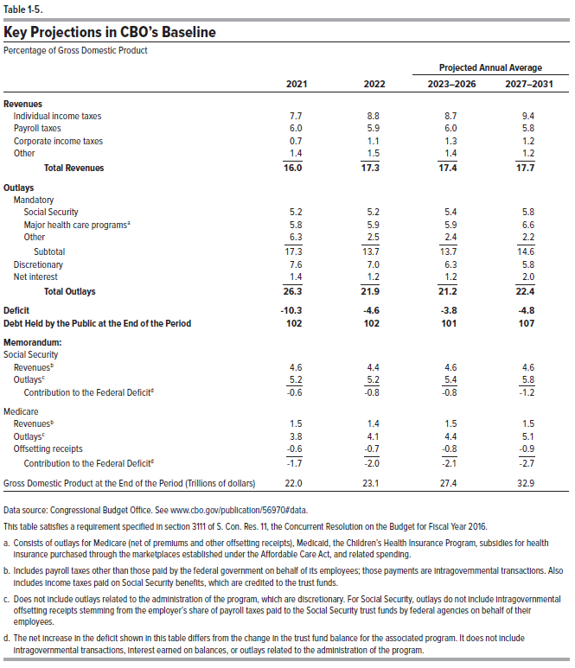
Table 1-5. Key Projections in CBO's Baseline
Percentage of Gross Domestic Product
 |  |  | Projected Annual Average
 | 2021 | 2022 | 2023-2026 | 2027-2031
Revenues
Individual income taxes | 7.7 | 8.8 | 8.7 | 9.4
Payroll taxes | 6.0 | 5.9 | 6.0 | 5.8
Corporate income taxes | 0.7 | 1.1 | 1.3 | 1.2
Other | 1.4 | 1.5 | 1.4 | 1.2
 | ____ | ____ | ____ | ____
Total Revenues | 16.0 | 17.3 | 17.4 | 17.7

Outlays
Mandatory
Social Security | 5.2 | 5.2 | 5.4 | 5.8
Major health care programs | 5.8 | 5.9 | 5.9 | 6.6
Other | 6.3 | 2.5 | 2.4 | 2.2
 | ____ | ____ | ____ | ____
Subtotal | 17.3 | 13.7 | 13.7 | 14.6
Discretionary | 7.6 | 7.0 | 6.3 | 5.8
Net Interest | 1.4 | 1.2 | 1.2 | 2.0
 | ____ | ____ | ____ | ____
Total Outlays | 26.3 | 21.9 | 21.2 | 22.4

Deficit | -10.3 | -4.6 | -3.8 | -4.8

Debt Held by the Public at the End of the Period | 102 | 102 | 101 | 107

Memorandum:
Social Security
Revenues | 4.6 | 4.4 | 4.6 | 4.6
Outlays | 5.2 | 5.2 | 5.4 | 5.8
 | ____ | ____ | ____ | ____
Contribution to the Federal Deficit | -0.6 | -0.8 | -0.8 | -1.2

Medicare
Revenues | 1.5 | 1.4 | 1.5 | 1.5
Outlays | 3.8 | 4.1 | 4.4 | 5.1
Offsetting receipts | -0.6 | -0.7 | -0.8 | -0.9
 | ____ | ____ | ____ | ____
Contribution to the Federal Deficit | -1.7 | -2.0 | -2.1 | -2.7

Gross Domestic Product at the End of the Period (Trillions of dollars) | 22.0 | 23.1 | 27.4 | 32.9

Back to Table of Contents

Table 1-6
This file presents the data from the tables in CBO's February 2021 report The Budget and Economic Outlook: 2021 to 2031 and provides supplemental data.
www.cbo.gov/publication/56970

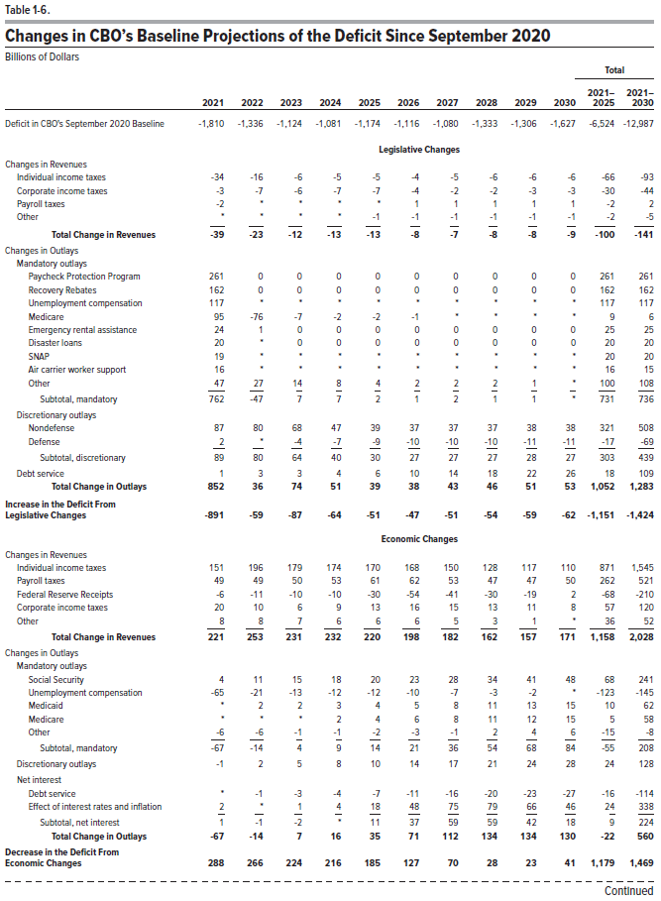
Table 1-6. Changes in CBO's Baseline Projections of the Deficit Since September 2020
Billions of Dollars

 |  |  |  |  |  |  |  |  |  |  | Total
 |  |  |  |  |  |  |  |  |  |  | 2021- | 2021-
 | 2021 | 2022 | 2023 | 2024 | 2025 | 2026 | 2027 | 2028 | 2029 | 2030 | 2025 | 2030
Deficit in CBO's September 2020 Baseline | -1,810 | -1,336 | -1,124 | -1,081 | -1,174 | -1,116 | -1,080 | -1,333 | -1,306 | -1,627 | -6,524 | -12,987

 | Legislative Changes
Changes in Revenues
Individual income taxes | -34 | -16 | -6 | -5 | -5 | -4 | -5 | -6 | -6 | -6 | -66 | -93
Corporate income taxes | -3 | -7 | -6 | -7 | -7 | -4 | -2 | -2 | -3 | -3 | -30 | -44
Payroll taxes | -2 | 0 | 0 | 0 | 0 | 1 | 1 | 1 | 1 | 1 | -2 | 2
Other | 0 | 0 | 0 | 0 | -1 | -1 | -1 | -1 | -1 | -1 | -2 | -5
 | ____ | ____ | ____ | ____ | ____ | ____ | ____ | ____ | ____ | ____ | ____ | ____
Total Change in Revenues | -39 | -23 | -12 | -13 | -13 | -8 | -7 | -8 | -8 | -9 | -100 | -141

Changes in Outlays
Mandatory outlays
Paycheck Protection Program | 261 | 0 | 0 | 0 | 0 | 0 | 0 | 0 | 0 | 0 | 261 | 261
Recovery Rebates | 162 | 0 | 0 | 0 | 0 | 0 | 0 | 0 | 0 | 0 | 162 | 162
Unemployment compensation | 117 | 0 | 0 | 0 | 0 | 0 | 0 | 0 | 0 | 0 | 117 | 117
Medicare | 95 | -76 | -7 | -2 | -2 | -1 | 0 | 0 | 0 | 0 | 9 | 6
Emergency rental assistance | 24 | 1 | 0 | 0 | 0 | 0 | 0 | 0 | 0 | 0 | 25 | 25
Disaster loans | 20 | 0 | 0 | 0 | 0 | 0 | 0 | 0 | 0 | 0 | 20 | 20
SNAP | 19 | 0 | 0 | 0 | 0 | 0 | 0 | 0 | 0 | 0 | 20 | 20
Air carrier worker support | 16 | 0 | 0 | 0 | 0 | 0 | 0 | 0 | 0 | 0 | 16 | 15
Other | 47 | 27 | 14 | 8 | 4 | 2 | 2 | 2 | 1 | 0 | 100 | 108
 | ____ | ____ | ____ | ____ | ____ | ____ | ____ | ____ | ____ | ____ | ____ | ____
Subtotal, mandatory | 762 | -47 | 7 | 7 | 2 | 1 | 2 | 1 | 1 | 0 | 731 | 736

Discretionary outlays
Nondefense | 87 | 80 | 68 | 47 | 39 | 37 | 37 | 37 | 38 | 38 | 321 | 508
Defense | 2 | 0 | -4 | -7 | -9 | -10 | -10 | -10 | -11 | -11 | -17 | -69
 | ____ | ____ | ____ | ____ | ____ | ____ | ____ | ____ | ____ | ____ | ____ | ____
Subtotal, discretionary | 89 | 80 | 64 | 40 | 30 | 27 | 27 | 27 | 28 | 27 | 303 | 439

Debt service | 1 | 3 | 3 | 4 | 6 | 10 | 14 | 18 | 22 | 26 | 18 | 109

Total Change in Outlays | 852 | 36 | 74 | 51 | 39 | 38 | 43 | 46 | 51 | 53 | 1,052 | 1,283

Increases in the Deficit
From Legislative Changes | -891 | -59 | -87 | -64 | -51 | -47 | -51 | -54 | -59 | -62 | -1,151 | -1,424

 | Economic Changes
Changes in Revenues
Individual income taxes | 151 | 196 | 179 | 174 | 170 | 168 | 150 | 128 | 117 | 110 | 871 | 1,545
Payroll taxes | 49 | 49 | 50 | 53 | 61 | 62 | 53 | 47 | 47 | 50 | 262 | 521
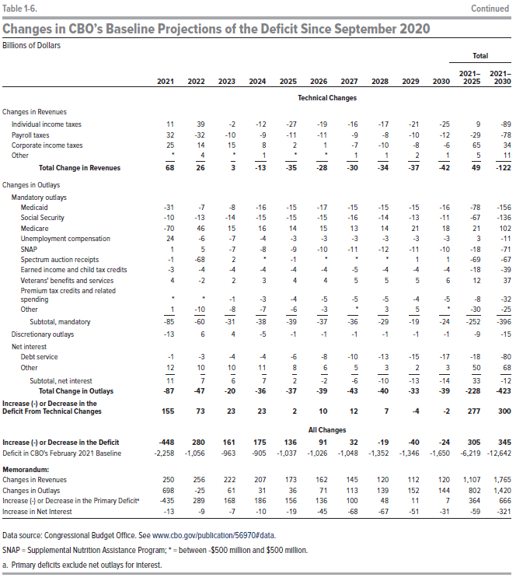
Federal Reserve receipts | -6 | -11 | -10 | -10 | -30 | -54 | -41 | -30 | -19 | 2 | -68 | -210
Corporate income taxes | 20 | 10 | 6 | 9 | 13 | 16 | 15 | 13 | 11 | 8 | 57 | 120
Other | 8 | 8 | 7 | 6 | 6 | 6 | 5 | 3 | 1 | 0 | 36 | 52
 | ____ | ____ | ____ | ____ | ____ | ____ | ____ | ____ | ____ | ____ | ____ | ____
Total Change in Revenues | 221 | 253 | 231 | 232 | 220 | 198 | 182 | 162 | 157 | 171 | 1,158 | 2,028

Change in Outlays
Mandatory outlays
Social Security | 4 | 11 | 15 | 18 | 20 | 23 | 28 | 34 | 41 | 48 | 68 | 241
Unemployment compensation | -65 | -21 | -13 | -12 | -12 | -10 | -7 | -3 | -2 | 0 | -123 | -145
Medicaid | 0 | 2 | 2 | 3 | 4 | 5 | 8 | 11 | 13 | 15 | 10 | 62
Medicare | 0 | 0 | 0 | 2 | 4 | 6 | 8 | 11 | 12 | 15 | 5 | 58
Other | -6 | -6 | -1 | -1 | -2 | -3 | -1 | 2 | 4 | 6 | -15 | -8
 | ____ | ____ | ____ | ____ | ____ | ____ | ____ | ____ | ____ | ____ | ____ | ____
Subtotal, mandatory | -67 | -14 | 4 | 9 | 14 | 21 | 36 | 54 | 68 | 84 | -55 | 208

Discretionary outlays | -1 | 2 | 5 | 8 | 10 | 14 | 17 | 21 | 24 | 28 | 24 | 128

Net interest
Debt service | 0 | -1 | -3 | -4 | -7 | -11 | -16 | -20 | -23 | -27 | -16 | -114
Effect of interest rates and inflation | 2 | 0 | 1 | 4 | 18 | 48 | 75 | 79 | 66 | 46 | 24 | 338
 | ____ | ____ | ____ | ____ | ____ | ____ | ____ | ____ | ____ | ____ | ____ | ____
Subtotal, net interest | 1 | -1 | -2 | 0 | 11 | 37 | 59 | 59 | 42 | 18 | 9 | 224

Total Change in Outlays | -67 | -14 | 7 | 16 | 35 | 71 | 112 | 134 | 134 | 130 | -22 | 560

Decrease in the Deficit
From Economic Changes | 288 | 266 | 224 | 216 | 185 | 127 | 70 | 28 | 23 | 41 | 1,179 | 1,469

 | Technical Changes
Changes in Revenues
Individual income taxes | 11 | 39 | -2 | -12 | -27 | -19 | -16 | -17 | -21 | -25 | 9 | -89
Payroll taxes | 32 | -32 | -10 | -9 | -11 | -11 | -9 | -8 | -10 | -12 | -29 | -78
Corporate income taxes | 25 | 14 | 15 | 8 | 2 | 1 | -7 | -10 | -8 | -6 | 65 | 34
Other | 0 | 4 | 0 | 1 | 0 | 0 | 1 | 1 | 2 | 1 | 5 | 11
 | ____ | ____ | ____ | ____ | ____ | ____ | ____ | ____ | ____ | ____ | ____ | ____
Total Change in Revenues | 68 | 26 | 3 | -13 | -35 | -28 | -30 | -34 | -37 | -42 | 49 | -122

Changes in Outlays
Mandatory outlays
Medicaid | -31 | -7 | -8 | -16 | -15 | -17 | -15 | -15 | -15 | -16 | -78 | -156
Social Security | -10 | -13 | -14 | -15 | -15 | -15 | -16 | -14 | -13 | -11 | -67 | -136
Medicare | -70 | 46 | 15 | 16 | 14 | 15 | 13 | 14 | 21 | 18 | 21 | 102
Unemployment compensation | 24 | -6 | -7 | -4 | -3 | -3 | -3 | -3 | -3 | -3 | 3 | -11
SNAP | 1 | 5 | -7 | -8 | -9 | -10 | -11 | -12 | -11 | -10 | -18 | -71
Spectrum auction receipts | -1 | -68 | 2 | 0 | -1 | 0 | 0 | 0 | 1 | 1 | -69 | -67
Earned income and child tax credits | -3 | -4 | -4 | -4 | -4 | -4 | -5 | -4 | -4 | -4 | -18 | -39
Veterans' benefits and services | 4 | -2 | 2 | 3 | 4 | 4 | 5 | 5 | 5 | 6 | 12 | 37
Premium tax credits and related spending | 0 | 0 | -1 | -3 | -4 | -5 | -5 | -5 | -4 | -5 | -8 | -32
Other | 1 | -10 | -8 | -7 | -6 | -3 | 0 | 3 | 5 | 0 | -30 | -25
 | ____ | ____ | ____ | ____ | ____ | ____ | ____ | ____ | ____ | ____ | ____ | ____
Subtotal, mandatory | -85 | -60 | -31 | -38 | -39 | -37 | -36 | -29 | -19 | -24 | -252 | -396

Discretionary outlays | -13 | 6 | 4 | -5 | -1 | -1 | -1 | -1 | -1 | -1 | -9 | -15

Net interest
Debt service | -1 | -3 | -4 | -4 | -6 | -8 | -10 | -13 | -15 | -17 | -18 | -80
Other | 12 | 10 | 10 | 11 | 8 | 6 | 5 | 3 | 2 | 3 | 50 | 68
 | ____ | ____ | ____ | ____ | ____ | ____ | ____ | ____ | ____ | ____ | ____ | ____
Subtotal, net interest | 11 | 7 | 6 | 7 | 2 | -2 | -6 | -10 | -13 | -14 | 33 | -12

Total Change in Outlays | -87 | -47 | -20 | -36 | -37 | -39 | -43 | -40 | -33 | -39 | -228 | -423

Increase (-) or Decrease in the Deficit
From Technical Changes | 155 | 73 | 23 | 23 | 2 | 10 | 12 | 7 | -4 | -2 | 277 | 300

 | All Changes
Increase (-) or Decrease in the Deficit | -448 | 280 | 161 | 175 | 136 | 91 | 32 | -19 | -40 | -24 | 305 | 345
Deficit in CBO's February 2021 Baseline | -2,258 | -1,056 | -963 | -905 | -1,037 | -1,026 | -1,048 | -1,352 | -1,346 | -1,650 | -6,219 | -12,642

Memorandum:
Changes in Revenues | 250 | 256 | 222 | 207 | 173 | 162 | 145 | 120 | 112 | 120 | 1,107 | 1,765
Changes in Outlays | 698 | -25 | 61 | 31 | 36 | 71 | 113 | 139 | 152 | 144 | 802 | 1,420
Increase (-) or Decrease in the Primary Deficit | -435 | 289 | 168 | 186 | 156 | 136 | 100 | 48 | 11 | 7 | 364 | 666
Increase in Net Interest | -13 | -9 | -7 | -10 | -19 | -45 | -68 | -67 | -51 | -31 | -59 | -321

Back to Table of Contents

