Table 1
This file presents the data from the tables in CBO’s November 2021 report CBO’s Projections of Federal Receipts and Expenditures in the National Income and Product Accounts: 2022 to 2031.
www.cbo.gov/publication/57432

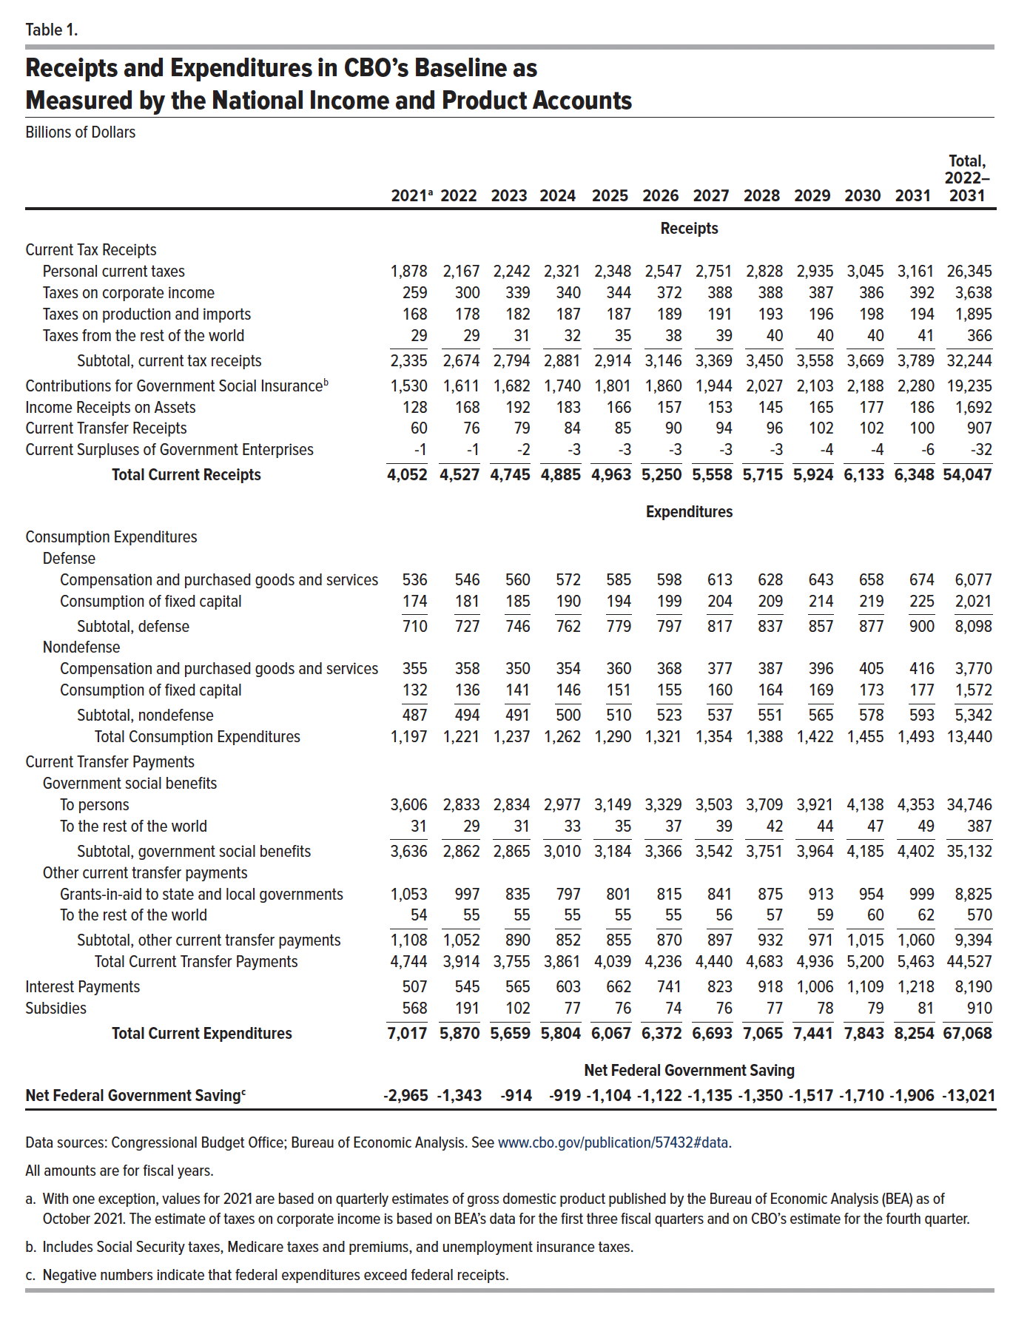
Table 1. Receipts and Expenditures in CBO’s Baseline as Measured by the National Income and Product Accounts
Billions of Dollars

 | 2021 | 2022 | 2023 | 2024 | 2025 | 2026 | 2027 | 2028 | 2029 | 2030 | 2031 | Total, 2022– 2031
 | Receipts
Current Tax Receipts
Personal current taxes | 1,878 | 2,167 | 2,242 | 2,321 | 2,348 | 2,547 | 2,751 | 2,828 | 2,935 | 3,045 | 3,161 | 26,345
Taxes on corporate income | 259 | 300 | 339 | 340 | 344 | 372 | 388 | 388 | 387 | 386 | 392 | 3,638
Taxes on production and imports | 168 | 178 | 182 | 187 | 187 | 189 | 191 | 193 | 196 | 198 | 194 | 1,895
Taxes from the rest of the world | 29 | 29 | 31 | 32 | 35 | 38 | 39 | 40 | 40 | 40 | 41 | 366
Subtotal, current tax receipts | 2,335 | 2,674 | 2,794 | 2,881 | 2,914 | 3,146 | 3,369 | 3,450 | 3,558 | 3,669 | 3,789 | 32,244
Contributions for Government Social Insurance | 1,530 | 1,611 | 1,682 | 1,740 | 1,801 | 1,860 | 1,944 | 2,027 | 2,103 | 2,188 | 2,280 | 19,235
Income Receipts on Assets | 128 | 168 | 192 | 183 | 166 | 157 | 153 | 145 | 165 | 177 | 186 | 1,692
Current Transfer Receipts | 60 | 76 | 79 | 84 | 85 | 90 | 94 | 96 | 102 | 102 | 100 | 907
Current Surpluses of Government Enterprises | -1 | -1 | -2 | -3 | -3 | -3 | -3 | -3 | -4 | -4 | -6 | -32
Total Current Receipts | 4,052 | 4,527 | 4,745 | 4,885 | 4,963 | 5,250 | 5,558 | 5,715 | 5,924 | 6,133 | 6,348 | 54,047
 | Expenditures
Consumption Expenditures
Defense
Compensation and purchased goods and services | 536 | 546 | 560 | 572 | 585 | 598 | 613 | 628 | 643 | 658 | 674 | 6,077
Consumption of fixed capital | 174 | 181 | 185 | 190 | 194 | 199 | 204 | 209 | 214 | 219 | 225 | 2,021
Subtotal, defense | 710 | 727 | 746 | 762 | 779 | 797 | 817 | 837 | 857 | 877 | 900 | 8,098
Nondefense
Compensation and purchased goods and services | 355 | 358 | 350 | 354 | 360 | 368 | 377 | 387 | 396 | 405 | 416 | 3,770
Consumption of fixed capital | 132 | 136 | 141 | 146 | 151 | 155 | 160 | 164 | 169 | 173 | 177 | 1,572
Subtotal, nondefense | 487 | 494 | 491 | 500 | 510 | 523 | 537 | 551 | 565 | 578 | 593 | 5,342
Total Consumption Expenditures | 1,197 | 1,221 | 1,237 | 1,262 | 1,290 | 1,321 | 1,354 | 1,388 | 1,422 | 1,455 | 1,493 | 13,440
Current Transfer Payments
Government social benefits
To persons | 3,606 | 2,833 | 2,834 | 2,977 | 3,149 | 3,329 | 3,503 | 3,709 | 3,921 | 4,138 | 4,353 | 34,746
To the rest of the world | 31 | 29 | 31 | 33 | 35 | 37 | 39 | 42 | 44 | 47 | 49 | 387
Subtotal, government social benefits | 3,636 | 2,862 | 2,865 | 3,010 | 3,184 | 3,366 | 3,542 | 3,751 | 3,964 | 4,185 | 4,402 | 35,132
Other current transfer payments
Grants-in-aid to state and local governments | 1,053 | 997 | 835 | 797 | 801 | 815 | 841 | 875 | 913 | 954 | 999 | 8,825
To the rest of the world | 54 | 55 | 55 | 55 | 55 | 55 | 56 | 57 | 59 | 60 | 62 | 570
Subtotal, other current transfer payments | 1,108 | 1,052 | 890 | 852 | 855 | 870 | 897 | 932 | 971 | 1,015 | 1,060 | 9,394
Total Current Transfer Payments | 4,744 | 3,914 | 3,755 | 3,861 | 4,039 | 4,236 | 4,440 | 4,683 | 4,936 | 5,200 | 5,463 | 44,527
Interest Payments | 507 | 545 | 565 | 603 | 662 | 741 | 823 | 918 | 1,006 | 1,109 | 1,218 | 8,190
Subsidies | 568 | 191 | 102 | 77 | 76 | 74 | 76 | 77 | 78 | 79 | 81 | 910
Total Current Expenditures | 7,017 | 5,870 | 5,659 | 5,804 | 6,067 | 6,372 | 6,693 | 7,065 | 7,441 | 7,843 | 8,254 | 67,068
 | Net Federal Government Saving
Net Federal Government Saving | -2,965 | -1,343 | -914 | -919 | -1,104 | -1,122 | -1,135 | -1,350 | -1,517 | -1,710 | -1,906 | -13,021

Back to Table of Contents

Table 2
This file presents the data from the tables in CBO’s November 2021 report CBO’s Projections of Federal Receipts and Expenditures in the National Income and Product Accounts: 2022 to 2031.
www.cbo.gov/publication/57432

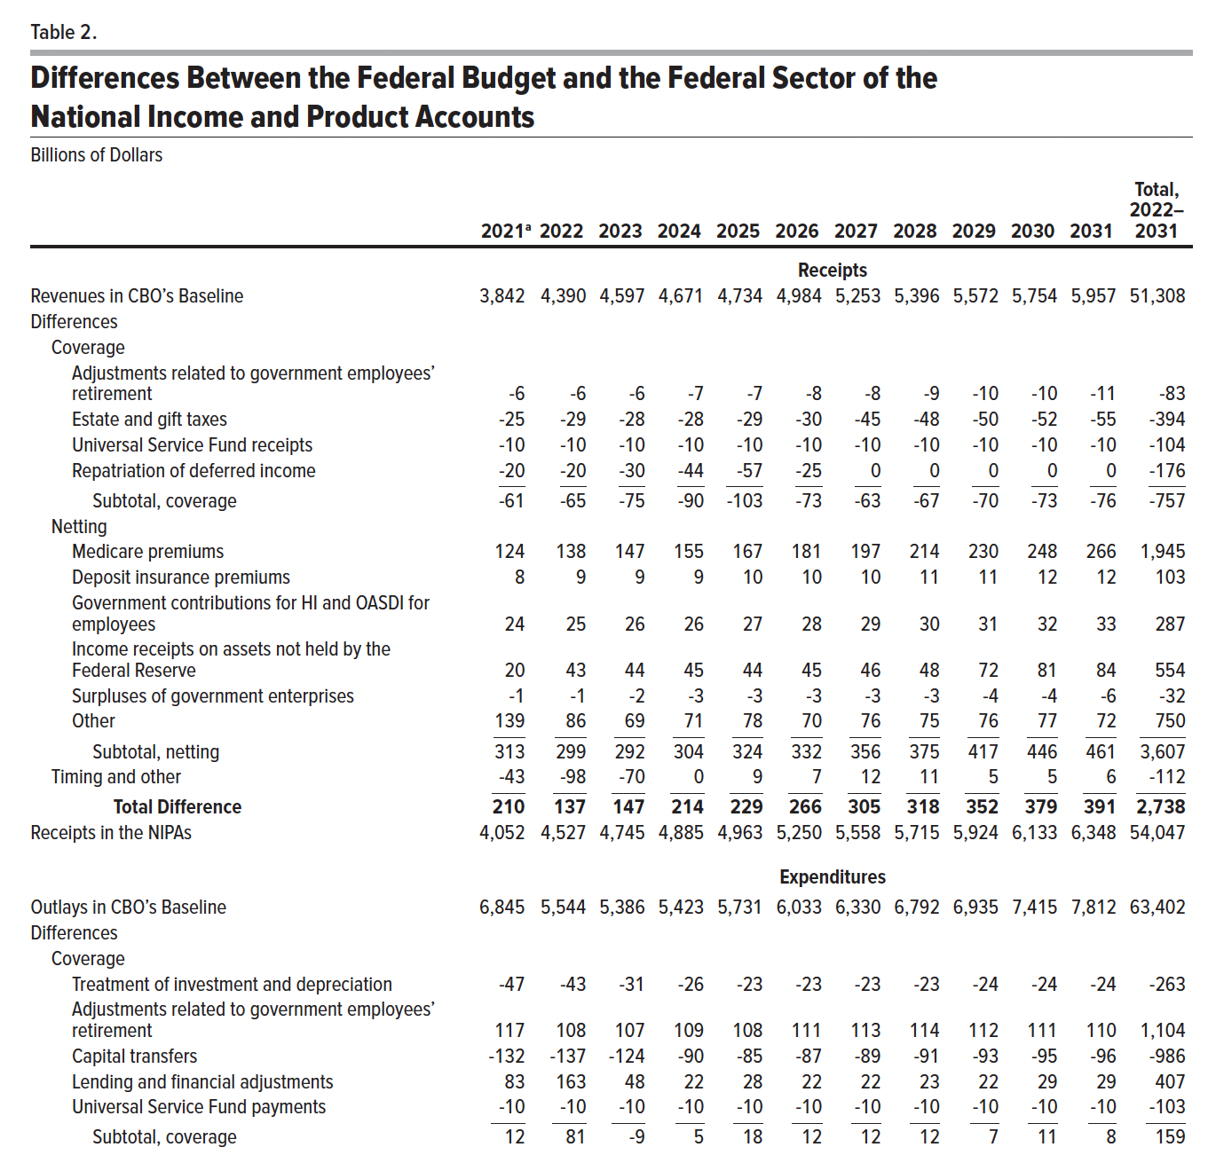
Table 2. Differences Between the Federal Budget and the Federal Sector of the National Income and Product Accounts
Billions of Dollars

 | 2021 | 2022 | 2023 | 2024 | 2025 | 2026 | 2027 | 2028 | 2029 | 2030 | 2031 | Total, 2022– 2031
 | Receipts
Revenues in CBO’s Baseline | 3,842 | 4,390 | 4,597 | 4,671 | 4,734 | 4,984 | 5,253 | 5,396 | 5,572 | 5,754 | 5,957 | 51,308
Differences
Coverage
Adjustments related to government employees’ retirement | -6 | -6 | -6 | -7 | -7 | -8 | -8 | -9 | -10 | -10 | -11 | -83
Estate and gift taxes | -25 | -29 | -28 | -28 | -29 | -30 | -45 | -48 | -50 | -52 | -55 | -394
Universal Service Fund receipts | -10 | -10 | -10 | -10 | -10 | -10 | -10 | -10 | -10 | -10 | -10 | -104
Repatriation of deferred income | -20 | -20 | -30 | -44 | -57 | -25 | 0 | 0 | 0 | 0 | 0 | -176
Subtotal, coverage | -61 | -65 | -75 | -90 | -103 | -73 | -63 | -67 | -70 | -73 | -76 | -757
Netting
Medicare premiums | 124 | 138 | 147 | 155 | 167 | 181 | 197 | 214 | 230 | 248 | 266 | 1,945
Deposit insurance premiums | 8 | 9 | 9 | 9 | 10 | 10 | 10 | 11 | 11 | 12 | 12 | 103
Government contributions for HI and OASDI for employees | 24 | 25 | 26 | 26 | 27 | 28 | 29 | 30 | 31 | 32 | 33 | 287
Income receipts on assets not held by the Federal Reserve | 20 | 43 | 44 | 45 | 44 | 45 | 46 | 48 | 72 | 81 | 84 | 554
Surpluses of government enterprises | -1 | -1 | -2 | -3 | -3 | -3 | -3 | -3 | -4 | -4 | -6 | -32
Other | 139 | 86 | 69 | 71 | 78 | 70 | 76 | 75 | 76 | 77 | 72 | 750
Subtotal, netting | 313 | 299 | 292 | 304 | 324 | 332 | 356 | 375 | 417 | 446 | 461 | 3,607
Timing and other | -43 | -98 | -70 | 0 | 9 | 7 | 12 | 11 | 5 | 5 | 6 | -112
Total Difference | 210 | 137 | 147 | 214 | 229 | 266 | 305 | 318 | 352 | 379 | 391 | 2,738
Receipts in the NIPAs | 4,052 | 4,527 | 4,745 | 4,885 | 4,963 | 5,250 | 5,558 | 5,715 | 5,924 | 6,133 | 6,348 | 54,047
 | Expenditures
Outlays in CBO’s Baseline | 6,845 | 5,544 | 5,386 | 5,423 | 5,731 | 6,033 | 6,330 | 6,792 | 6,935 | 7,415 | 7,812 | 63,402
Differences
Coverage
Treatment of investment and depreciation | -47 | -43 | -31 | -26 | -23 | -23 | -23 | -23 | -24 | -24 | -24 | -263
Adjustments related to government employees’ retirement | 117 | 108 | 107 | 109 | 108 | 111 | 113 | 114 | 112 | 111 | 110 | 1,104
Capital transfers | -132 | -137 | -124 | -90 | -85 | -87 | -89 | -91 | -93 | -95 | -96 | -986
Lending and financial adjustments | 83 | 163 | 48 | 22 | 28 | 22 | 22 | 23 | 22 | 29 | 29 | 407
Universal Service Fund payments | -10 | -10 | -10 | -10 | -10 | -10 | -10 | -10 | -10 | -10 | -10 | -103
Subtotal, coverage | 12 | 81 | -9 | 5 | 18 | 12 | 12 | 12 | 7 | 11 | 8 | 159
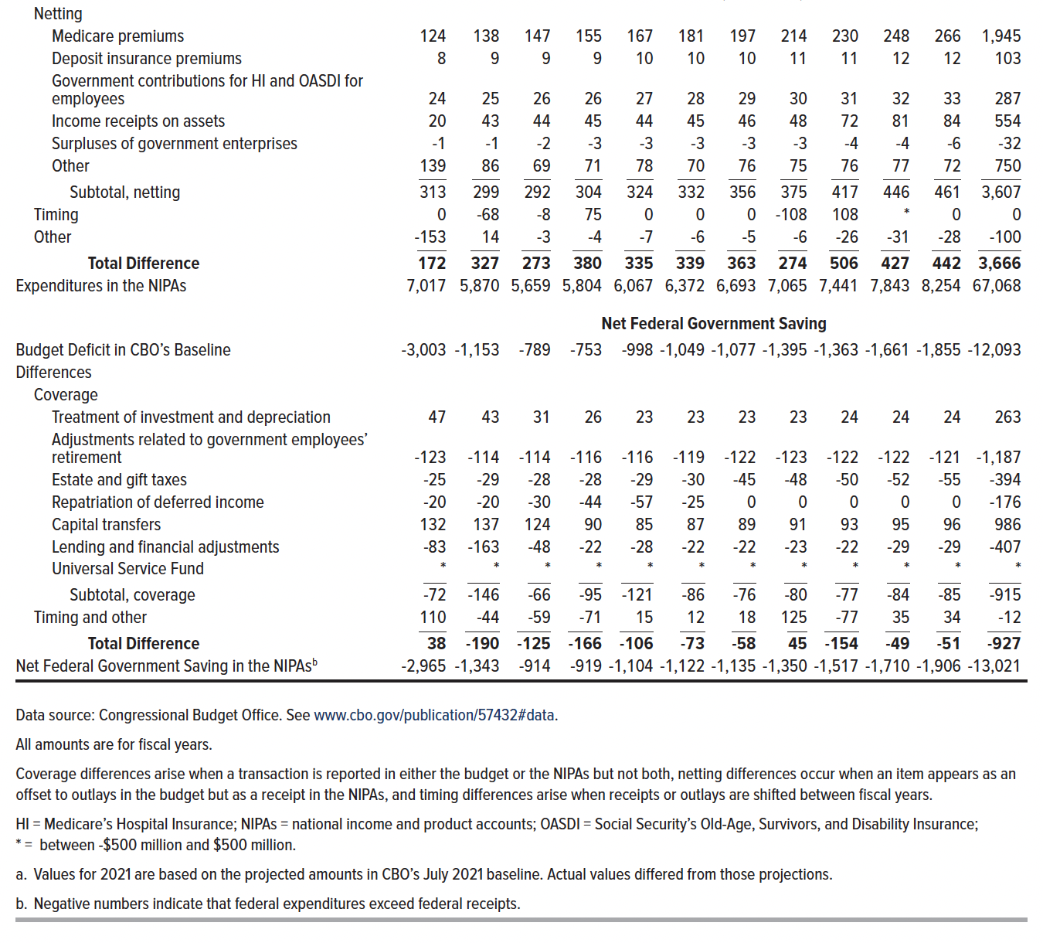
Netting
Medicare premiums | 124 | 138 | 147 | 155 | 167 | 181 | 197 | 214 | 230 | 248 | 266 | 1,945
Deposit insurance premiums | 8 | 9 | 9 | 9 | 10 | 10 | 10 | 11 | 11 | 12 | 12 | 103
Government contributions for HI and OASDI for employees | 24 | 25 | 26 | 26 | 27 | 28 | 29 | 30 | 31 | 32 | 33 | 287
Income receipts on assets | 20 | 43 | 44 | 45 | 44 | 45 | 46 | 48 | 72 | 81 | 84 | 554
Surpluses of government enterprises | -1 | -1 | -2 | -3 | -3 | -3 | -3 | -3 | -4 | -4 | -6 | -32
Other | 139 | 86 | 69 | 71 | 78 | 70 | 76 | 75 | 76 | 77 | 72 | 750
Subtotal, netting | 313 | 299 | 292 | 304 | 324 | 332 | 356 | 375 | 417 | 446 | 461 | 3,607
Timing | 0 | -68 | -8 | 75 | 0 | 0 | 0 | -108 | 108 | * | 0 | 0
Other | -153 | 14 | -3 | -4 | -7 | -6 | -5 | -6 | -26 | -31 | -28 | -100
Total Difference | 172 | 327 | 273 | 380 | 335 | 339 | 363 | 274 | 506 | 427 | 442 | 3,666
Expenditures in the NIPAs | 7,017 | 5,870 | 5,659 | 5,804 | 6,067 | 6,372 | 6,693 | 7,065 | 7,441 | 7,843 | 8,254 | 67,068
 | Net Federal Government Saving
Budget Deficit in CBO’s Baseline | -3,003 | -1,153 | -789 | -753 | -998 | -1,049 | -1,077 | -1,395 | -1,363 | -1,661 | -1,855 | -12,093
Differences
Coverage
Treatment of investment and depreciation | 47 | 43 | 31 | 26 | 23 | 23 | 23 | 23 | 24 | 24 | 24 | 263
Adjustments related to government employees’ retirement | -123 | -114 | -114 | -116 | -116 | -119 | -122 | -123 | -122 | -122 | -121 | -1,187
Estate and gift taxes | -25 | -29 | -28 | -28 | -29 | -30 | -45 | -48 | -50 | -52 | -55 | -394
Repatriation of deferred income | -20 | -20 | -30 | -44 | -57 | -25 | 0 | 0 | 0 | 0 | 0 | -176
Capital transfers | 132 | 137 | 124 | 90 | 85 | 87 | 89 | 91 | 93 | 95 | 96 | 986
Lending and financial adjustments | -83 | -163 | -48 | -22 | -28 | -22 | -22 | -23 | -22 | -29 | -29 | -407
Universal Service Fund | * | * | * | * | * | * | * | * | * | * | * | *
Subtotal, coverage | -72 | -146 | -66 | -95 | -121 | -86 | -76 | -80 | -77 | -84 | -85 | -915
Timing and Other | 110 | -44 | -59 | -71 | 15 | 12 | 18 | 125 | -77 | 35 | 34 | -12
Total Difference | 38 | -190 | -125 | -166 | -106 | -73 | -58 | 45 | -154 | -49 | -51 | -927
Net Federal Government Saving in the NIPAs | -2,965 | -1,343 | -914 | -919 | -1,104 | -1,122 | -1,135 | -1,350 | -1,517 | -1,710 | -1,906 | -13,021

Back to Table of Contents

