Sheet1
Pinnacle Properties
House No | Street Address | City | Supers | PSID | Initial Obs. Approval | PIPS Approval | Status
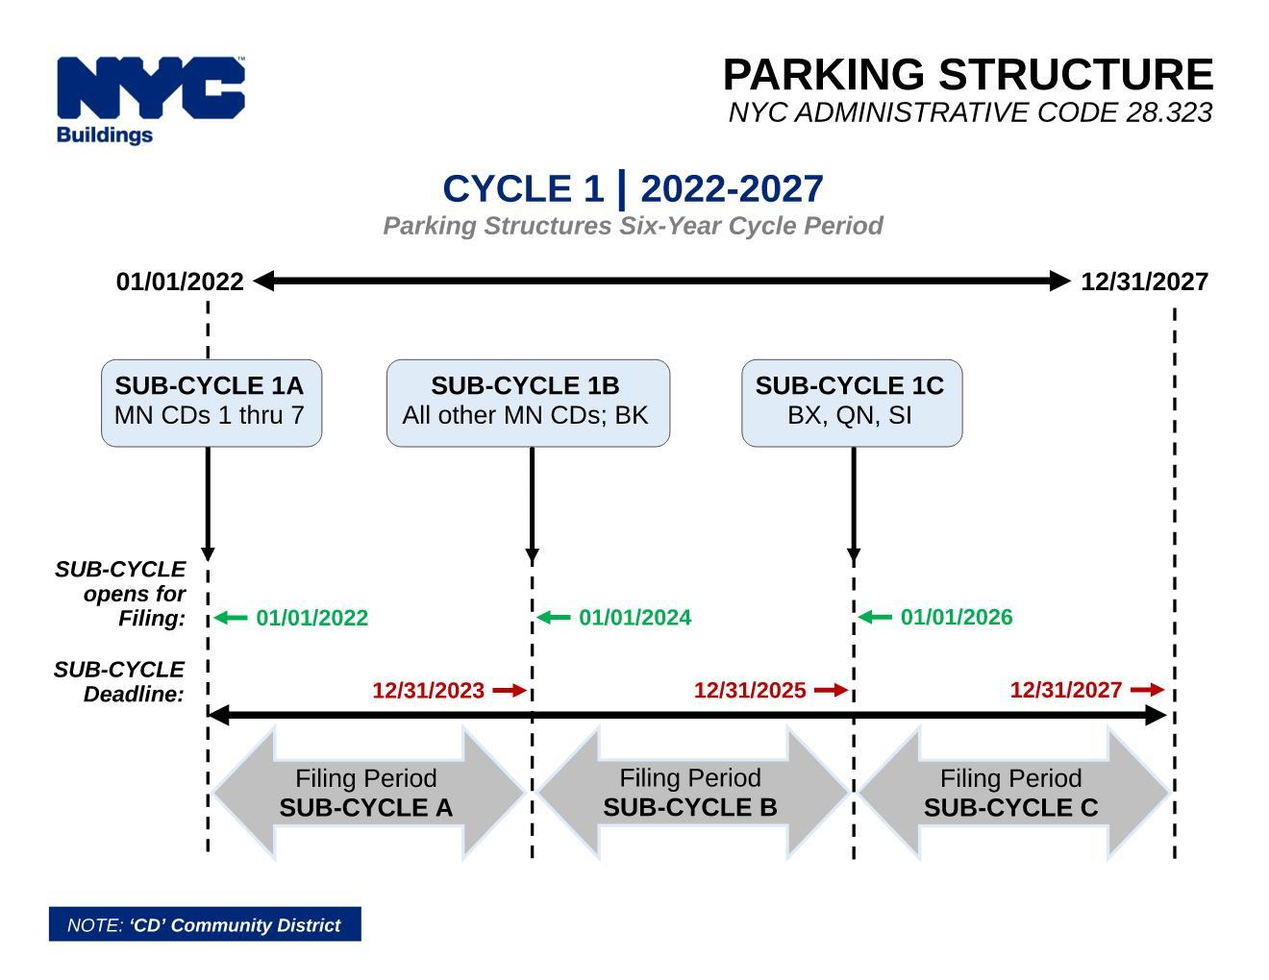
109 | Gold St | Brooklyn
132-35 | Sanford Avenue | Queens
132-40 | Sanford Ave | Queens
133-17 | Sanford Ave | Queens
136-04 | Cherry Ave | Queens | Zaim 646-872-5123 | Assigned | Approved |  | Initial Inspection done
142-20 | Franklin Ave | Queens | 646-285-7552 | Not assigned | Approved | Approved
156-08 | Riverside Drive West | New York
222 | Lenox Road | Brooklyn |  | Not Assigned | Approved | Approved | Inspection to be scheduled
2400 | Nostrand Ave | Brooklyn |  | Assigned | Approved | Approved | Inspection to be scheduled
2800 | Heath Avenue | Bronx
3202 | Nostrand Ave | Brooklyn | Rasim 646-773-1755 | Issued | Approved |  | Initial Inspection done
330 | East 19 st | Brooklyn |  | Not assigned | Approved | Approved | Inspection to be scheduled
405 | East 16th Street | Brooklyn |  | Not assigned | Approved | Approved
4360 | Baychester Avenue | Bronx
441 | Convent Avenue | New York | Jose 646-523-1015 | Not assigned | Approved
470 | Ocean Avenue | Brooklyn
63-70/74 | Austin Street | Queens |  | Issued | Approved |  | Inspection done, Initial observation to be submitted
63-90/94 | Austin Street | Queens |  | Issued | Approved |  | Inspection done, Initial observation to be submitted
69 | Bennett Ave | New York | 646-529-3640 | Not assigned | Approved |  | Inspection to be scheduled
775 | Riverside Drive | New York
815 | Gravesend Neck Road | Brooklyn |  | Not assigned | Approved | Approved | Inspection to be scheduled
85-05 | 35th Avenue | Queens
86-06 | 35th Avenue | Queens
86-20 | Park Lane South | Queens
87-50 | Kingston Place | Queens
94-06 | 34th Avenue | Queens
97-25 | 64th Ave | Queens | Rifat 646-988-9061 | Assigned | Approved | Approved | Initial Inspection done

Koren
522 | Lefferts Ave | Brooklyn |  | Assigned |  | Approved | Inspection done by Lina
497 | St. Marks Ave | Brooklyn |  | Assigned |  | Approved | Inspection done by Lina
29 | McDonough Street | Brooklyn |  | Not Reqd. |  | Approved | Inspection done by Lina
482 | Franklin Ave | Brooklyn |  | Assigned |  | Approved | Inspection done by Lina

AA Properties
1030 | Ocean Ave | Brooklyn |  | Assigned
10 | Stratford Road | Brooklyn |  | Assigned
1000 | Gates Ave | Brooklyn |  | Not Assigned
3040 | West 22nd Street | Brooklyn |  | Not Assigned
611 | East76th Street | Brooklyn |  | Not Assigned

Goldfarb Properties
1742 | Morris Ave | Bronx |  | Not assigned
930 | Sheridan Ave | Bronx |  | Assigned
1700 | Grand concourse | Bronx |  | Assigned
1981 | Sedgewick Ave | Bronx |  | Assigned
1130 | Pelham Parkway | Bronx |  | Assigned
1135 | Pelham Parkway | Bronx |  | Assigned
1540 | Pelham Parkway | Bronx |  | Assigned
2160 | Matthews Ave | Bronx |  | Assigned
2400 | Webb Ave | Bronx |  | Not assigned
20-02 | Seagirt Blvd | Queens |  | Issued | Approved
20-21 | Seagirt Blvd | Queens |  | Not assigned
20-24 | Seagirt Blvd | Queens |  | Not assigned
20-33 | Seagirt Blvd | Queens |  | Not assigned
20-50 | Seagirt Blvd | Queens |  | Not assigned
20-57 | Seagirt Blvd | Queens |  | Not assigned
1770 | Grand concourse | Bronx |  | Assigned

1250 | Ocean Parkway | Brooklyn |  | Issued | Approved |  | Initial Inpsection done.
1889 | Sedgewick Avenue | Bronx
1655 | Undercliff Avenue | Bronx

