0x00010004
.sch file | 파랑색은 미사용 또는 내부용

File Header | PS_FILE_ID_HEADER | x1 | UINT |  | nFileID
 |  |  | UINT |  | nFileVersion
 |  |  | char |  | szCreateDateTime[64]
 |  |  | char |  | szDescrition[128]
 |  |  | char |  | szReserved[128]
 | FILE_TEST_INFORMATION | x1 | LONG |  | lID;
 |  |  | LONG |  | lType;
 |  |  | char |  | szName[128];
 |  |  | char |  | szDescription[128];
 |  |  | char |  | szCreator[64];
 |  |  | char |  | szModifiedTime[64];
 | FILE_TEST_INFORMATION | x1 | LONG |  | lID;
 |  |  | LONG |  | lType;
 |  |  | char |  | szName[128];
 |  |  | char |  | szDescription[128];
 |  |  | char |  | szCreator[64];
 |  |  | char |  | szModifiedTime[64];
 | FILE_CELL_CHECK_PARAM | x1 | 1 | float | fMaxVoltage;
 |  |  | 2 | float | fMinVoltage;
 |  |  | 3 | float | fMaxCurrent;
 |  |  | 4 | float | fOCVLimitVal;
 |  |  | 5 | float | fTrickleCurrent;
 |  |  | 6 | float | fDeltaVoltage;
 |  |  | 7 | ULONG | lTrickleTime;
 |  |  | 8 | int | nMaxFaultNo;
 |  |  | 9 | BOOL | bPreTest;
STEP_DATA | FILE_STEP_CONDITION | xN | 1 | BYTE | chStepNo;
 |  |  | 2 | BYTE | chReserved[3];
 |  |  | 3 | int | nProcType;
 |  |  | 4 | BYTE | chType; | chType |  |  | chMode
 |  |  | 5 | BYTE | chMode; | CHARGE | 0x01 |  | CCCV | 0x01
 |  |  | 6 | WORD | wReserved1; | DISCHARGE | 0x02 |  | CC | 0x02
 |  |  | 7 | float | fVref; | REST | 0x03 |  | CV | 0x03
 |  |  | 8 | float | fIref; | OCV | 0x04 |  | DCIMP | 0x04
 |  |  | 9 | float | fEndTime; | IMPEDANCE | 0x05 |  | ACIMP | 0x05
 |  |  | 10 | float | fEndCVTime; | END | 0x06 |  | CP | 0x06
 |  |  | 11 | float | fEndV; | CYCLE | 0x07 |  | PUSE | 0x07
 |  |  | 12 | float | fEndI; | LOOP | 0x08 |  | CR | 0x08
 |  |  | 13 | float | fEndC; | PATTERN | 0x09
 |  |  | 14 | float | fEndDV; | BALANCE | 0x0A
 |  |  | 15 | float | fEndDI;
 |  |  | 16 | UINT | nLoopInfoGoto;
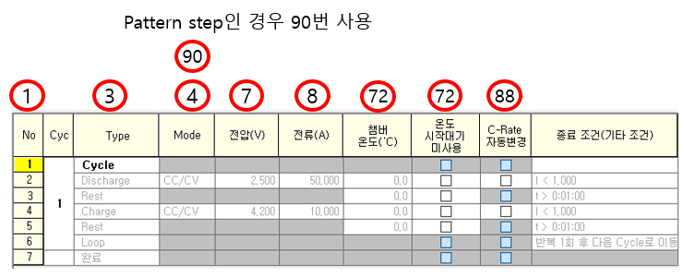
 |  |  | 17 | UINT | nLoopInfoCycle;
 |  |  | 18 | UINT | nLoopInfoEndTGoto;
 |  |  | 19 | UINT | nLoopInfoCVEndTGoto;
 |  |  | 20 | UINT | nLoopInfoEndVGoto;
 |  |  | 21 | UINT | nLoopInfoEndIGoto;
 |  |  | 22 | UINT | nLoopInfoEndCGoto;
 |  |  | 23 | UINT | nLoopInfoEndTempGoto;
 |  |  | 24 | UINT | nLoopInfoEndSocGoto;
 |  |  | 25 | UINT | nGotoStepID;
 |  |  | 26 | char | tempType;
 |  |  | 27 | char | tempDir;
 |  |  | 28 | float | fVLimitHigh;
 |  |  | 29 | float | fVLimitLow;
 |  |  | 30 | float | fILimitHigh;
 |  |  | 31 | float | fILimitLow;
 |  |  | 32 | float | fCLimitHigh;
 |  |  | 33 | float | fCLimitLow;
 |  |  | 34 | float | fImpLimitHigh;
 |  |  | 35 | float | fImpLimitLow;
 |  |  | 36 | float | fDeltaTime;
 |  |  | 37 | float | fDeltaTime1;
 |  |  | 38 | float | fDeltaV;
 |  |  | 39 | float | fDeltaI;
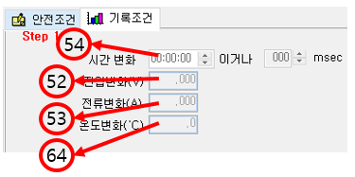
 |  |  | 40 | BOOL | bGrade;
 |  |  | 41 | FILE_GRADE | sGrading_Val; | FILE_GRADE | long | lGradeItem;
 |  |  | 42 | float | fCompVLow[3]; |  | BYTE | chTotalGrade;
 |  |  | 43 | float | fCompVHigh[3]; |  | float | faValue1[10];
 |  |  | 44 | float | fCompTimeV[3]; |  | float | faValue2[10];
 |  |  | 45 | float | fCompILow[3]; |  | char | aszGradeCode[10];
 |  |  | 46 | float | fCompIHigh[3];
 |  |  | 47 | float | fCompTimeI[3];
 |  |  | 48 | float | fPatternMinVal;
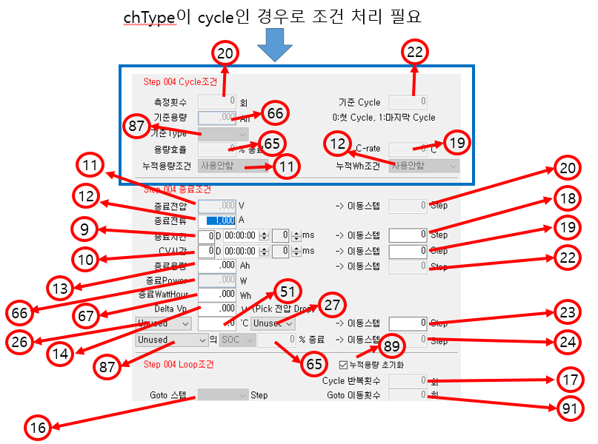
 |  |  | 49 | float | fPatternMaxVal;
 |  |  | 50 | float | fStartT;
 |  |  | 51 | float | fEndT;
 |  |  | 52 | float | fReportV;
 |  |  | 53 | float | fReportI;
 |  |  | 54 | float | fReportTime;
 |  |  | 55 | float | fAutoTempLow;
 |  |  | 56 | float | fAutoTempHigh;
 |  |  | 57 | float | fCapaVoltage1;
 |  |  | 58 | float | fCapaVoltage2;
 |  |  | 59 | float | fDCRStartTime;
 |  |  | 60 | float | fDCREndTime;
 |  |  | 61 | float | fLCStartTime;
 |  |  | 62 | float | fLCEndTime;
 |  |  | 63 | LONG | lRange;
 |  |  | 64 | float | fReportTemp;
 |  |  | 65 | float | fSocRate;
 |  |  | 66 | float | fEndW;
 |  |  | 67 | float | fEndWh;
 |  |  | 68 | float | fHighLimitTemp;
 |  |  | 69 | float | fLowLimitTemp;
 |  |  | 70 | float | fPauseHighLimitTemp;
 |  |  | 71 | float | fPauseLowLimitTemp;
 |  |  | 72 | float | fTref;
 |  |  | 73 | short int | nType;
 |  |  | 74 | short int | nMode;
 |  |  | 75 | float | fMaxCapacity;
 |  |  | 76 | float | fRenewalTime;
 |  |  | 77 | char | ocvTableRow;
 |  |  | 78 | char | ocvTableCol;
 |  |  | 79 | char | powerTableRow;
 |  |  | 80 | char | powerTableCol;
 |  |  | 81 | float | fReserved[17];
 |  |  | 82 | unsigned char | cNotUseTempWait;
 |  |  | 83 | unsigned char | cReserverd2[1];
 |  |  | 84 | unsigned char | bUseRestChangeV;
 |  |  | 85 | unsigned char | bUseCCChangeV;
 |  |  | 86 | BYTE | bUseActualCapa;
 |  |  | 87 | BYTE | bUseDataStepNo;
 |  |  | 88 | BYTE | bEndStepSave;
 |  |  | 89 | BYTE | bInitIntegralCap;
 |  |  | 90 | char | szSimulationFile[64];
 |  |  | 91 | UINT | nLoopInfoGotoCnt;
 |  |  | 92 | BYTE | bComplete;
 |  |  | 93 | BYTE | bReserved[3];
 |  |  | 94 | long | lReserved[2];
 |  |  | 95 | long | lChangeTime;
 |  |  | 96 | unsigned long | ulRestStartTime;
 |  |  | 97 | unsigned long | ulRestDetectTime;
 |  |  | 98 | long | lRestChangeV;
 |  |  | 99 | unsigned long | ulCCStartTime;
 |  |  | 100 | unsigned long | ulCCDetectTime;
 |  |  | 101 | long | lCCChangeV;
 |  |  | 102 | BOOL | bUse3rdFunction;
 |  |  | 103 | char | chEndCompGotoType;
 |  |  | 104 | char | chEndCompGotoDir;
 |  |  | 105 | char | chReserved2[6];
 |  |  | 106 | float | f3rdFuncMaxCurrent;
 |  |  | 107 | LONG | lEndCompGotoStep;
 |  |  | 108 | unsigned long | ulEndCompGotoTime;
 |  |  | 109 | float | fChangeValue;
 |  |  | 110 | float | fCheckLowerV2;
 |  |  | 111 | float | fCheckUpperV2;
 |  |  | 112 | LONG | lCheckTimeV2;
 |  |  | 113 | float | fCheckLowerI1;
 |  |  | 114 | float | fCheckUpperI1;
 |  |  | 115 | LONG | lCheckTimeI1;
 |  |  | 116 | float | fCheckLowerI2;
 |  |  | 117 | float | fCheckUpperI2;
 |  |  | 118 | float | f3rdFuncVariable[4];
 |  |  | 119 | long | lRunCheckTime;

