Sheet1
 | Name | Commercial Cost | Links
Raspberry Pi | 3 Model B+ | £39.34 | https://www.rapidonline.com/raspberry-pi-3-model-b-1-quad-core-1-4ghz-1gb-ram-wifi-bluetooth-75-1005?src=raspberrypi
PLA | Geeetech 10kg | £0.26 | https://www.aliexpress.com/item/1005006593506584.html
TPU | OVERTURE TPU Filament (1kg Spools) | £0.04 | https://www.amazon.co.uk/OVERTURE-Filament-Flexible-Consumables-Dimensional/dp/B09QLT436P
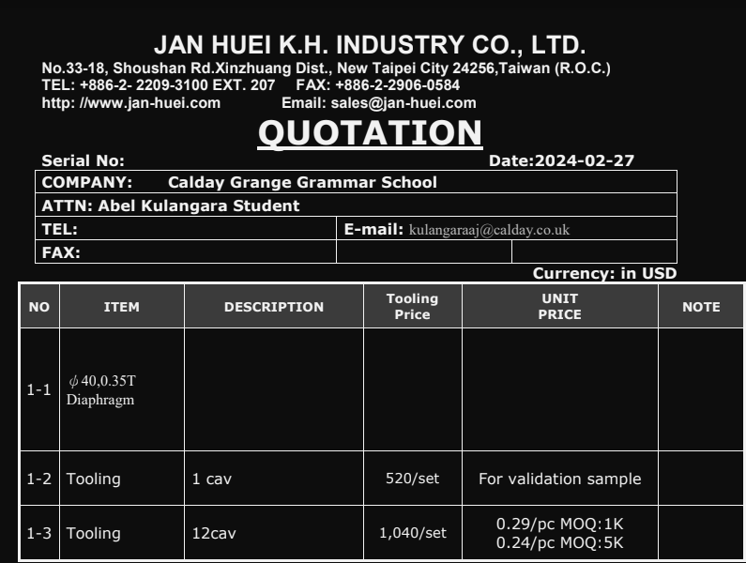
Mic | MAX9418 | £0.40 | https://www.aliexpress.com/item/1005006371216670.html
Diaphram | Jan-huei K.H. Industry Co | £0.19 | Quote from Jan-huei K.H. Industry Co., Ltd.
Wires | 2m with insulation | £0.15 | https://www.aliexpress.com/item/1005006537337468.html
ADC | MCP3008 | £0.38 | https://www.aliexpress.com/item/1005005944889779.html
Breadboard | 170 Tie Point Solderless PCB | £0.18 | https://pl.aliexpress.com/item/1005006590495350.html

Total (excluding RPi) |  | £1.60
Total |  | £40.94

 |  |  |  | $0.24 = £0.19

