Sheet1
Inventory Size | Total Profit | Lost Sales
40 | 105.4 | 134.3
50 | 159.3 | 73.1
60 | 229.8 | 52.7
70 | 184.1 | 15.3
80 | 204.3 | 1.7
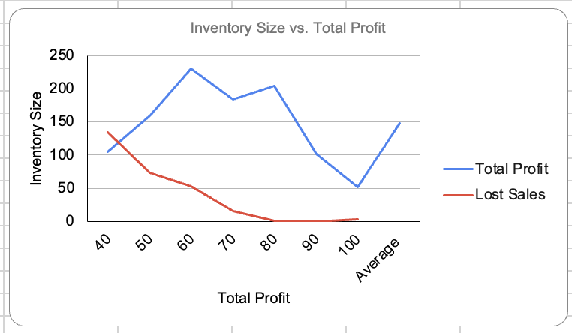
90 | 101.8 | 0
100 | 52.3 | 3.4
Average | 148.1428571 | 40.07142857

 |  | Plot:

