Comparative Analysis
M | N | Average Stock Requirement
11 | 3 | 5.28
11 | 4 | 4.04
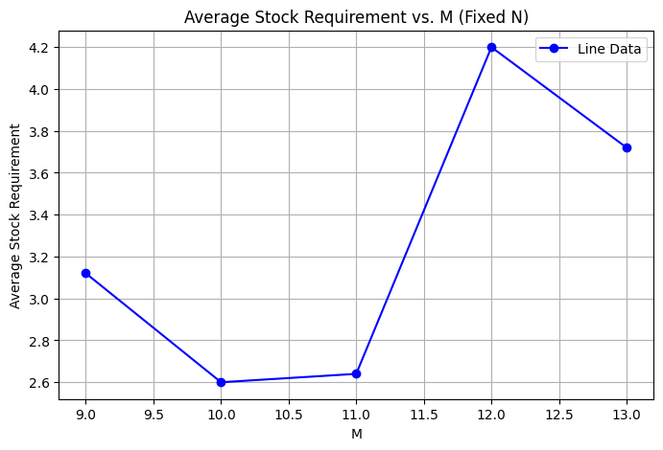
11 | 5 | 2.72
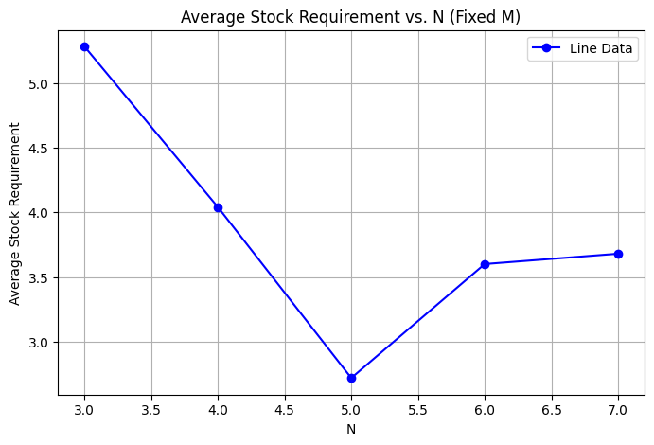
11 | 6 | 3.6
11 | 7 | 3.68

M | N | Average Stock Requirement
9 | 5 | 3.12
10 | 5 | 2.6
11 | 5 | 2.64
12 | 5 | 4.2
13 | 5 | 3.72

M | N | Average Lost Sales
11 | 3 | 0.84
11 | 4 | 2.6
11 | 5 | 0.36
11 | 6 | 2.84
11 | 7 | 2.68

M | N | Average Lost Sales
9 | 5 | 2.28
10 | 5 | 2.56
11 | 5 | 0.36
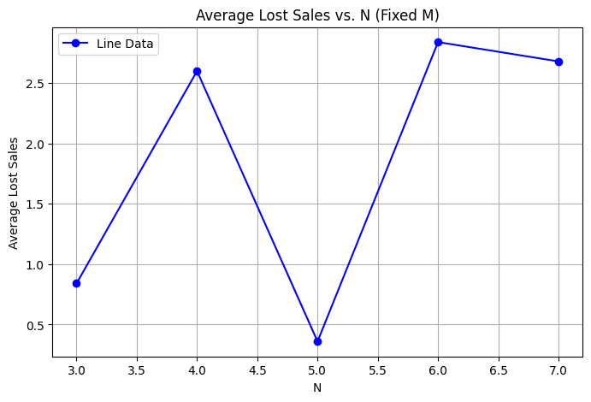
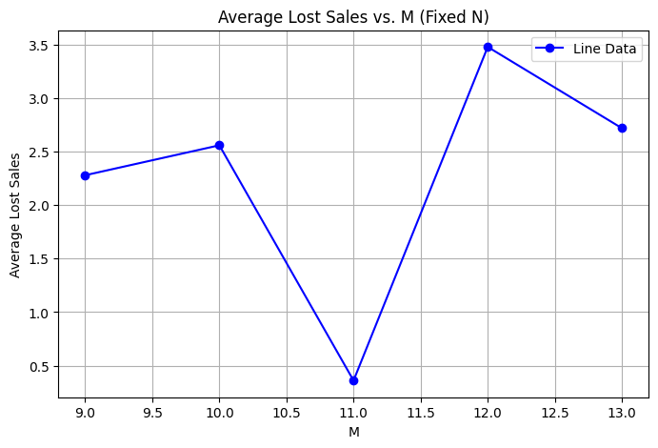
12 | 5 | 3.48
13 | 5 | 2.72

