Forcings&Validation
Information needed for MLCan Input
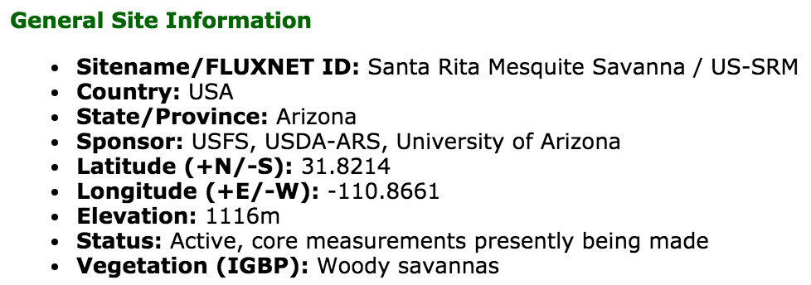
Forcings |  |  |  | Initial conditions for canopy
year | Year | [yr] | Ameriflux | depth
month | Day of Year | [d] | Ameriflux | moisture
day | Hour | [h] | Ameriflux | temperature
doy | Day | [d] | Ameriflux
hour | Month | [m] | Ameriflux
Ta | Air temperature | [℃] | Ameriflux
Pa | Barometric pressure | [kPa] | Ameriflux
Rg | Global solar radiation | [W/m2] | Ameriflux | Srad in = short radiation in? = Rg?
PPT | Precipitation | [mm] | Ameriflux
VPD | Vapor pressure deficit, as the difference between the saturation water vapor pressure and the measured water vapor pressure, expressed in kPa. VPD is calculated from relative humidity (RH) and air temperature (TA). | [kPa] | calculate from Ameriflux data
U | Wind speed | [m/s] | Ameriflux
Ustar | Friction velocity | [m/s] | Ameriflux
LAI | Leaf Area Index for species 1,2,3,4 | [m2/m2] | get by interpolating MODIS data (low resolution, but uniform distribution of the plants)
 |  |  | do we have LAI-2200C plant canopy analyzer?
 |  |  | need to distinguish LAI for mesquite and understory
Validation
LE | Latent Heat | W/m2 | Ameriflux
H | Sensible heat | W/m2 | Ameriflux
FG or G | Ground heat flux | W/m2 | Ameriflux
GPP | Gross Primary Production | Umol/m2/s | Ameriflux | GPP=photosynthetic photon flux density? | GPP=CO2 capture and store
NEE | Net Ecosystem Exchange |  | Gas Exchange Measurement systems? | NEE=GPP+Recosystem | Recosystem=CO2 release from soil+plant
Soil temperature |  | °C | from Scott
Soil moisture |  | % | from Scott

Velvet mesquite | C3
savanna grass | C4

LAD

Uncerstory Species
DICA | Digitaria Californica | Arizona cottontop |  | 10 | % of under SRER trees
SELE | Setaria vulpiseta | Plains bristlegrass |  | 50 | % of under SRER trees
MUPO | Muhlenbergia Porteri | Bush Muhly |  | 90 | % of under SRER trees

