READ THIS FIRST
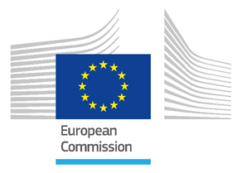 | This is version of HIAD 2.2 of the Hydrogen Incidents and Accidents Database. It cotnains hydrogen-related events colected until end of December 2025. IThe HIAD 2.2 2026 01 01 is published by the Joint Research cCntre of eh European Commission, with the support of the Clean Hydrogen Partnership.

 | The Database is intended for public use. It is in first instance a repository of hydrogen-related unwanted events occurred in the past. All data had a publicly available primary or secondary source (news, inspection reports from public institutions, other public databases, scientific articles, etc.). As far as possible, the database provides a traceable link to the original sources. Whenever possible, HIAD 2.2 contains also a lesson learned and an analysis of the causes. In several cases, however, the low quality of the event descriptors does not allow for a meaningful lesson learned.
 | The Hydrogen Incidents and Accidents Database HIAD 2.2 is downloadable from the JRC Major Accident Hazards Bureau platform. A document providing background information and guidelines is available at this link, together with a summary of the structural modifications introduced in HIAD 2.2 in respect to the previous version HIAD 2.1. | https://minerva.jrc.ec.europa.eu/en/shorturl/capri/hiadpt

 | New events are regularly provided to HIAD by the experts of JRC. These events are first reviewed and validated (or rejected) by experts, before becoming publicly available. The JRC validation is based on descriptors quality and coherence criteria. Users will access only validated events, with a quality lable from 2 to 5. Events with a quality = 1 are validated, not shared with users and waiting for additional input. Despite a continuous improvement effort, events descriptors may still contain errors. This is unavoidable for a database of this dimension, developed and updated along 15 years and with tens of contributors.

 | Neither the European Commission nor any person acting on its behalf is responsible for the use which might be made of the information contained in the database HIAD 2.2. The same is valid for the Clean Hydrogen Partnership. Moreover, neither the European Commission nor the Clean Hydrogen Partnership are responsible for the validity of the data and information provided by the original sources, 3rd parties. | 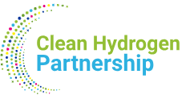

 | The use of the database and of the data contained within is free of charge, but its use should be properly acknowledged by mentioning the following: | European Hydrogen Incidents and Accidents database HIAD 2.2, European Commission, Joint Research Centre, Petten, the Netherlands

 | For questions and update: | JRC-PTT-H2SAFETY@ec.europa.eu

