Sheet1
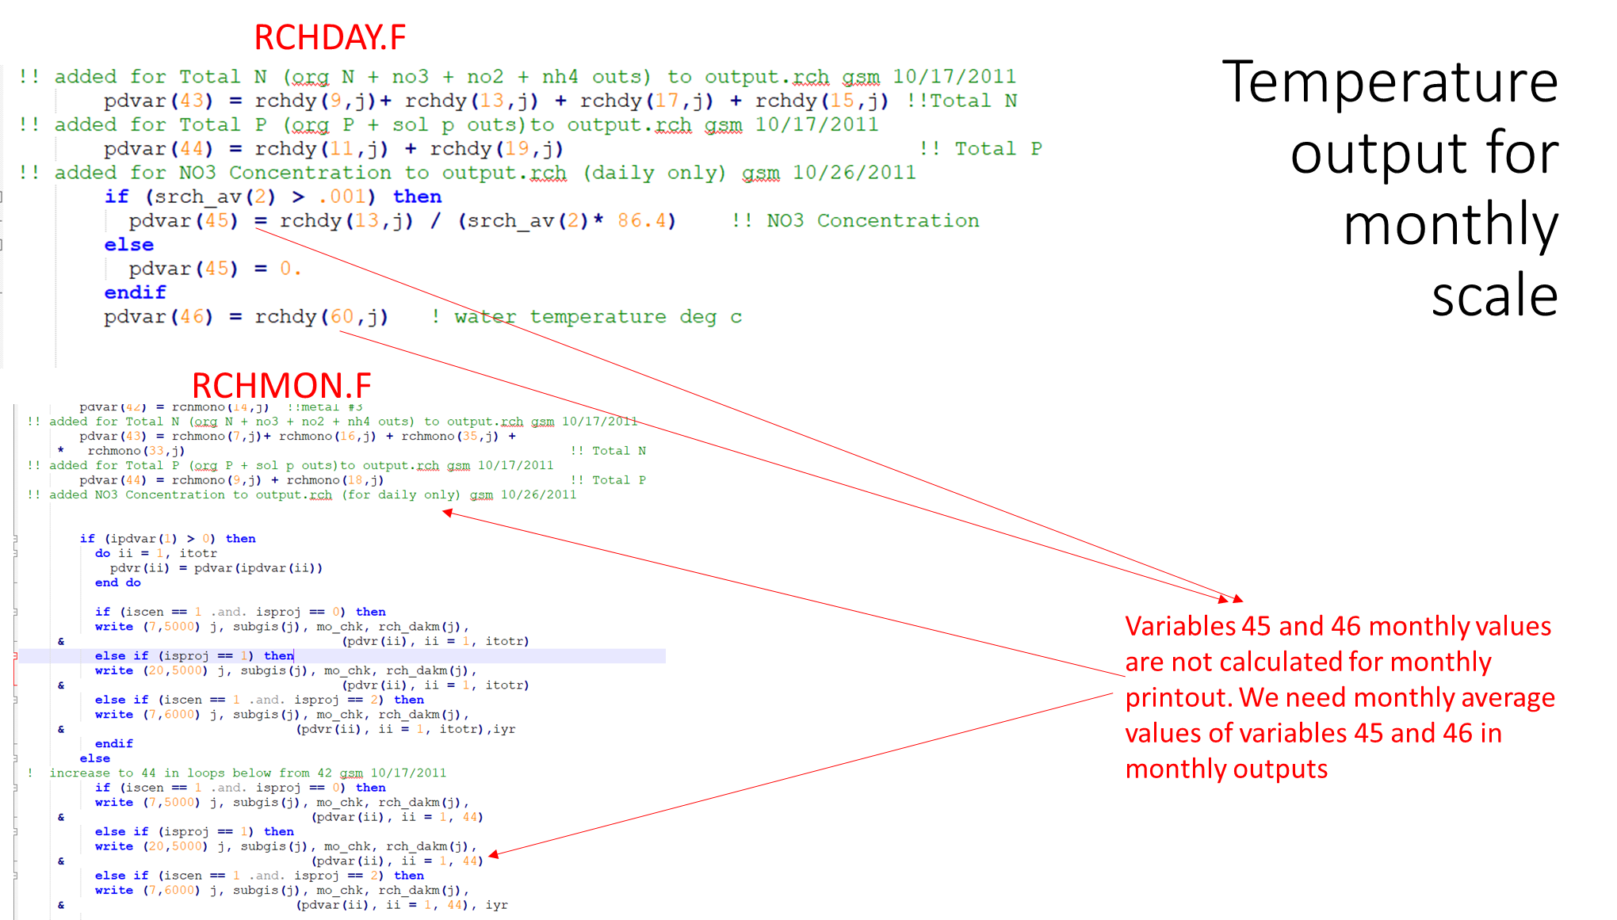
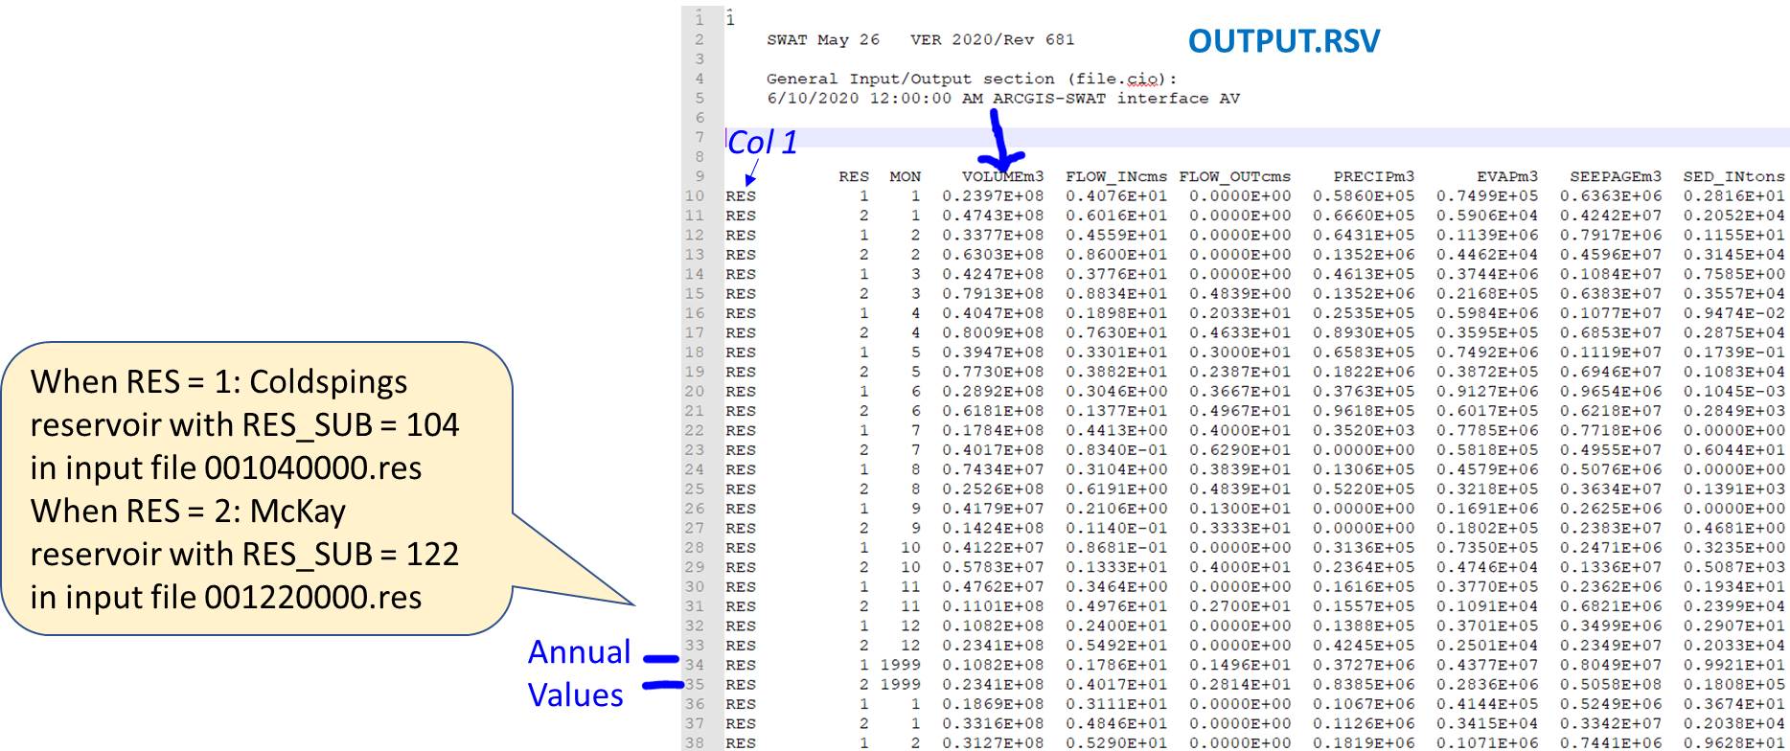
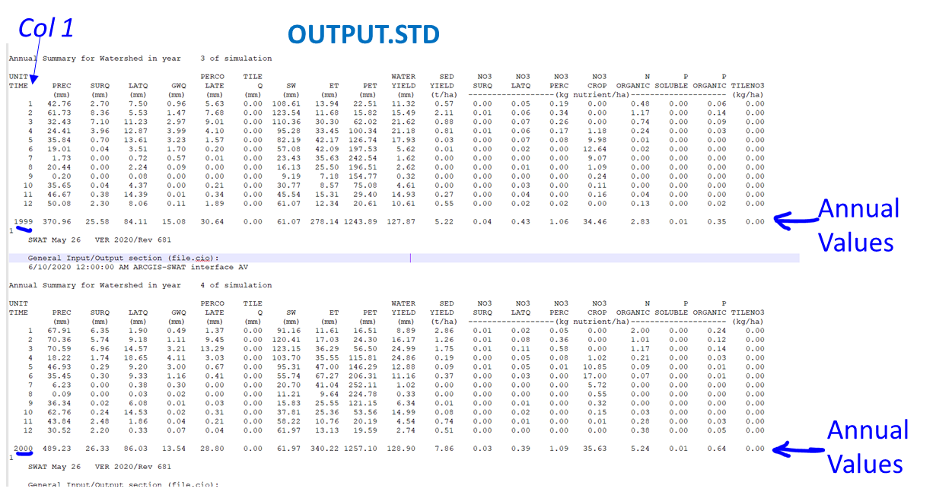
SWAT FILE | FILE.CIO PRINT VAR CODE | SWAT VARIABLE | VARIABLE DESC | SWAT_UNITS | SWAT FILE TABLE COLUMN | INSTRUCTIONS FOR SAMMY/SUDIP: SWAT VAR to InterACTWEL VAR | InterACTWEL VAR | InterACTWEL VAR DESCRIPTION | InterACTWEL VAR UNITS | InteraACTWEL TIME SCALE | InterACTWEL CHART TYPE | InterACTWEL Pane
 |  | WR_TYPE | SW=1, GW=3, CR=5 |  |  |  | wrtype | water right type: 1 for surface water from tributaries (SW), 3 for groundwater (GW), 5 for Columbia river water (CR) |  |  | legend text
 |  | REGION | Umatilla = 1, Willow Creek =2 |  |  |  | reg | Umatilla = 1, Willow Creek =2
hruwr.dat, wrdata.dat |  | WR_TV | Decision variable on SW_Umatilla, SW_Columbia, GW groups | acre-ft | wrdata - 4 hruwr - 2 | Obtain values at the correct lines and column in input files | WR_wrtype_reg_year | Decision variable on SW_Umatilla, SW_Columbia, GW groups | acre-ft | Annual | bar graphs | Regional (reg)
hru_wr.out |  | WR_IRR | Total consumption from SW_Umatilla, SW_Columbia, GW groups | acre-ft | 5 | Obtain values at the correct lines and column in output files. Add used water volume for a given source for all HRUs. | WR_IRR_wrtype_reg_year | Total consumption from SW_Umatilla, SW_Columbia, GW groups | acre-ft | Annual | bar graphs | Regional (reg)
hru_wr.out |  | WR_IRR | Total consumption from SW_Umatilla, SW_Columbia, GW groups | acre-ft | 5 | Obtain values at the correct lines and column in output files. Add used water volume for a given source for all HRUs within a sub-basin. | WR_IRR_wrtype_sub_year | Total consumption from SW_Umatilla, SW_Columbia, GW groups | acre-ft | Annual | bar graphs | Sub-basin (sub)
output.std |  | UNIT TIME | year ID |  | 1 | Obtain values at the correct lines and column in output files (See screenshots in this worksheet) | year | year ID |  | Annual | X axis | Regional (reg)
output.std |  | WATER YIELD | Water yield from watershed | mm | 11 | Obtain values at the correct lines and column in output files (See screenshots in this worksheet) | WATER YIELD_reg_year | Water yield from watershed | mm | Annual | bar graphs | Regional (reg)
output.std |  | GWQ | Groundwater contribution to stream in watershed | mm | 5 | Obtain values at the correct lines and column in output files (See screenshots in this worksheet) | GWQ_reg_year | Groundwater contribution to stream in watershed | mm | Annual | bar graphs | Regional (reg)
output.std |  | ET | Evapotranspiration in watershed | mm | 9 | Obtain values at the correct lines and column in output files (See screenshots in this worksheet) | ET_reg_year | Evapotranspiration in watershed | mm | Annual | bar graphs | Regional (reg)
output.std |  | SW | Amount of water stored in soil profile for watershed | mm | 8 | Obtain values at the correct lines and column in output files (See screenshots in this worksheet) | SW_reg_year | Amount of water stored in soil profile for watershed | mm | Annual | bar graphs | Regional (reg)
output.std |  | PERCO LATE | Water percolation past bottom of soil profile in watershed | MM | 6 | Obtain values at the correct lines and column in output files (See screenshots in this worksheet) | PERCO LATE_reg_year | Water percolation past bottom of soil profile in watershed | mm | Annual | bar graphs | Regional (reg)
output.std |  | SED YIELD | Sediment yield from watershed | metric tons/ha | 12 | Obtain values at the correct lines and column in output files (See screenshots in this worksheet) | SED YIELD_reg_year | Sediment yield from watershed | metric tons/ha | Annual | bar graphs | Regional (reg)
output.std |  | NO3 SURQ | Nitrate loading to stream from watershed’s surface runoff | kg N/ha | 13 | Obtain values at the correct lines and column in output files (See screenshots in this worksheet) | NO3 SURQ_reg_year | Nitrate loading to stream from watershed’s surface runoff | kg N/ha | Annual | bar graphs | Regional (reg)
output.std |  | NO3 LATQ | Nitrate loading to stream from watershed’s lateral flow | kg N/ha | 14 | Obtain values at the correct lines and column in output files (See screenshots in this worksheet) | NO3 LATQ_reg_year | Nitrate loading to stream from watershed’s lateral flow | kg N/ha | Annual | bar graphs | Regional (reg)
output.std |  | NO3 PERC | Nitrate percolation past bottom of soil profile in watershed | kg N/ha | 15 | Obtain values at the correct lines and column in output files (See screenshots in this worksheet) | NO3 PERC_reg_year | Nitrate percolation past bottom of soil profile in watershed | kg N/ha | Annual | bar graphs | Regional (reg)
output.std |  | NO3 CROP | Plant uptake of N in watershed | kg N/ha | 16 | Obtain values at the correct lines and column in output files (See screenshots in this worksheet) | NO3 CROP_reg_year | Plant uptake of N in watershed | kg N/ha | Annual | bar graphs | Regional (reg)
output.sub |  | SUB | sub-basin ID |  | 2 | Obtain values at the correct lines and column in output files (See screenshots in this worksheet) | sub | sub-basin ID |  | Annual | drop down box choice | Sub-basin (sub)
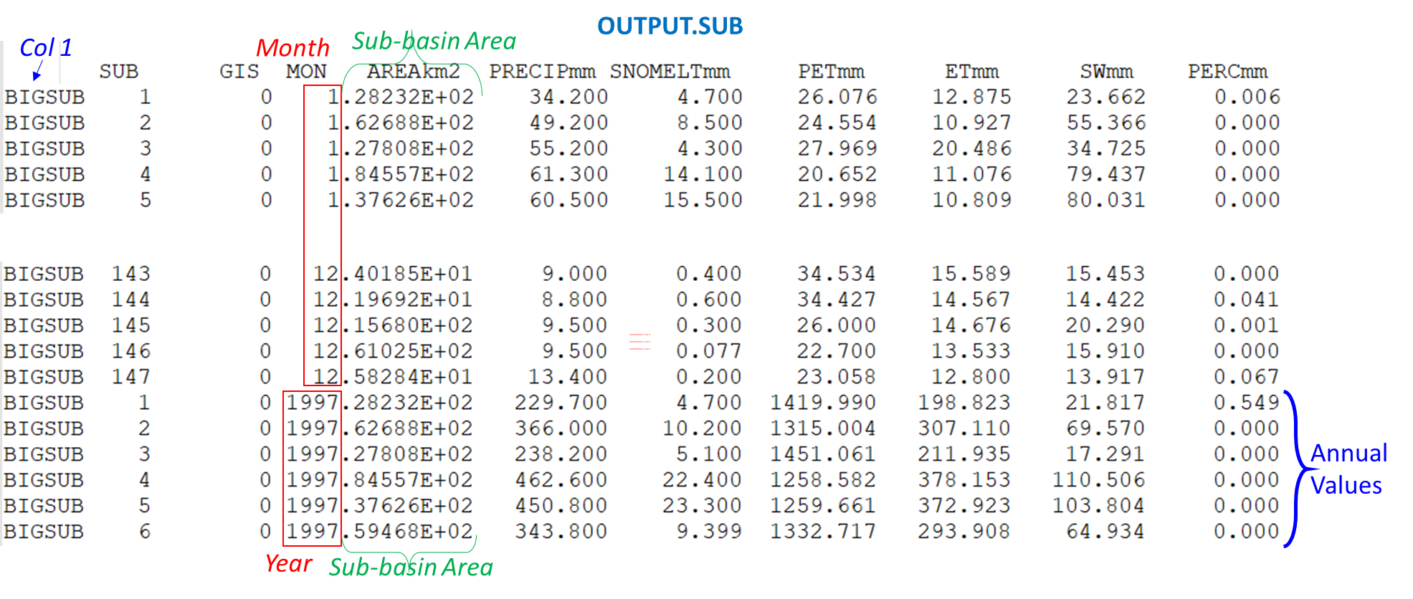
output.sub |  | MON | year ID |  | 4 | Obtain values at the correct lines and column in output files (See screenshots in this worksheet) | year | year ID |  | Annual | X axis (or drop down if chloropleth map is used) | Sub-basin (sub)
output.sub |  | PRECIP | Total amount of precipitation during time step | mm | 6 | Obtain values at the correct lines and column in output files (See screenshots in this worksheet) | PRECIP_sub_year | Total amount of precipitation during time step | mm | Annual | bar graphs/Choropleth Map | Sub-basin (sub)
output.sub |  | WYLD | Water yield from sub-basin | mm | 14 | Obtain values at the correct lines and column in output files (See screenshots in this worksheet) | WYLD_sub_year | Water yield from sub-basin | mm | Annual | bar graphs/Choropleth Map | Sub-basin (sub)
output.sub |  | GW_Q | Groundwater contribution to stream in sub-basin | mm | 13 | Obtain values at the correct lines and column in output files (See screenshots in this worksheet) | GW_Q_sub_year | Groundwater contribution to stream in sub-basin | mm | Annual | bar graphs/Choropleth Map | Sub-basin (sub)
output.sub |  | ET | Evapotranspiration in sub-basin | mm | 9 | Obtain values at the correct lines and column in output files (See screenshots in this worksheet) | ET-sub_year | Evapotranspiration in sub-basin | mm | Annual | bar graphs/Choropleth Map | Sub-basin (sub)
output.sub |  | SW | Amount of water stored in soil profile for sub-basin | mm | 10 | Obtain values at the correct lines and column in output files (See screenshots in this worksheet) | SW_sub_year | Amount of water stored in soil profile for sub-basin | mm | Annual | bar graphs/Choropleth Map | Sub-basin (sub)
output.sub |  | PERC | Water that percolates past the root zone during the time step | mm | 11 | Obtain values at the correct lines and column in output files (See screenshots in this worksheet) | PERC_sub_year | Water that percolates past the root zone during the time step | mm | Annual | bar graphs/Choropleth Map | Sub-basin (sub)
output.sub |  | SYLD | Sediment yield from sub-basin | metric tons/ha | 15 | Obtain values at the correct lines and column in output files (See screenshots in this worksheet) | SYLD_sub_year | Sediment yield from sub-basin | metric tons/ha | Annual | bar graphs/Choropleth Map | Sub-basin (sub)
output.sub |  | NSURQ | Nitrate loading to stream from sub-basin’s surface runoff | kg N/ha | 18 | Obtain values at the correct lines and column in output files (See screenshots in this worksheet) | NSURQ_sub_year | Nitrate loading to stream from sub-basin’s surface runoff | kg N/ha | Annual | bar graphs/Choropleth Map | Sub-basin (sub)
output.sub |  | LAT Q | Nitrate loading to stream from sub-basin’s lateral flow | kg N/ha | 21 | Obtain values at the correct lines and column in output files (See screenshots in this worksheet) | LAT Q_sub_year | Nitrate loading to stream from sub-basin’s lateral flow | kg N/ha | Annual | bar graphs/Choropleth Map | Sub-basin (sub)
output.sub |  | GWNO3 | Nitrate percolation past bottom of soil profile in sub-basin | kg N/ha | 23 | Obtain values at the correct lines and column in output files (See screenshots in this worksheet) | GWNO3_sub_year | Nitrate percolation past bottom of soil profile in sub-basin | kg N/ha | Annual | bar graphs/Choropleth Map | Sub-basin (sub)
input |  | CLIMATE_SCEN | Climate scenarios: rcp & time period |  |  |  | CLIMATE_SCEN | Climate scenarios: 1981-2006 Historical, 2030-2059 RCP 4.5 Ensemble Average, 2030-2059 RCP 8.5 Ensemble Average, 2070 - 2099 RCP 4.5 Ensemble Average, 2070 - 2099 RCP 8.5 Ensemble Average | None | 5 SCENARIOS | drop down box choice | Regional (reg)
derived |  | SPI_NUMEX | No. of extreme and exceptional drought months per year based on SPI (meteorological drought characteristics) | months per year |  | Obtain monthly values of precipitation, compute SPI and drought characteristics for the given time period for every subbasin | SPI_NUMEX_sub | No. of extreme and exceptional drought months per year based on SPI (meteorological drought characteristics) | months per year | CLIMATE_SCEN | Choropleth Map (one for each CLIMATE_SCEN) | Regional (reg)
derived |  | SPI_DURAVGEX | Average duration of extreme and exceptional SPI drought events over the time period of climate scenario | months |  | Obtain monthly values of precipitation, compute SPI and drought characteristics for the given time period for every subbasin | SPI_DURAVGEX_sub | Average duration of extreme and exceptional SPI drought events over the time period of climate scenario | months | CLIMATE_SCEN | Choropleth Map (one for each CLIMATE_SCEN) | Regional (reg)
derived |  | SPI_DURMAXEX | Maximum duration of extreme and exceptional SPI drought events during the time period of climate scenario | months |  | Obtain monthly values of precipitation, compute SPI and drought characteristics for the given time period for every subbasin | SPI_DURMAXEX_sub | Maximum duration of extreme and exceptional SPI drought events during the time period of climate scenario | months | CLIMATE_SCEN | Choropleth Map (one for each CLIMATE_SCEN) | Regional (reg)
derived |  | SRI_NUMEX | No. of extreme and exceptional drought months per year based on SRI (hydrological drought characteristics) | months per year |  | Obtain monthly values of runoff (streamflow), compute SRI and drought characteristics for the given time period for every subbasin | SRI_NUMEX_sub | No. of extreme and exceptional drought months per year based on SRI (hydrological drought characteristics) | months per year | CLIMATE_SCEN | Choropleth Map (one for each CLIMATE_SCEN) | Regional (reg)
derived |  | SRI_DURAVGEX | Average duration of extreme and exceptional SRI drought events over the time period of climate scenario | months |  | Obtain monthly values of runoff (streamflow), compute SRI and drought characteristics for the given time period for every subbasin | SRI_DURAVGEX_sub | Average duration of extreme and exceptional SRI drought events over the time period of climate scenario | months | CLIMATE_SCEN | Choropleth Map (one for each CLIMATE_SCEN) | Regional (reg)
derived |  | SRI_DURMAXEX | Maximum duration of extreme and exceptional SRI drought events during the time period of climate scenario | months |  | Obtain monthly values of runoff (streamflow), compute SRI and drought characteristics for the given time period for every subbasin | SRI_DURMAXEX_sub | Maximum duration of extreme and exceptional SRI drought events during the time period of climate scenario | months | CLIMATE_SCEN | Choropleth Map (one for each CLIMATE_SCEN) | Regional (reg)
derived |  | SSI_NUMEXTREX | No. of extreme and exceptional drought months per year based on SSI (agricultural drought characteristics) | months per year |  | Obtain monthly values of soil moisture, compute SSI and drought characteristics for the given time period for every subbasin | SSI_NUMEX_sub | No. of extreme and exceptional drought months per year based on SSI (agricultural drought characteristics) | months per year | CLIMATE_SCEN | Choropleth Map (one for each CLIMATE_SCEN) | Regional (reg)
derived |  | SSI_DURAVGEX | Average duration of extreme and exceptional SSI drought events over the time period of climate scenario | months |  | Obtain monthly values of soil moisture, compute SSI and drought characteristics for the given time period for every subbasin | SSI_DURAVGEX_sub | Average duration of extreme and exceptional SSI drought events over the time period of climate scenario | months | CLIMATE_SCEN | Choropleth Map (one for each CLIMATE_SCEN) | Regional (reg)
derived |  | SSI_DURMAXEX | Maximum duration of extreme and exceptional SSI drought events during the time period of climate scenario | months |  | Obtain monthly values of soil moisture, compute SSI and drought characteristics for the given time period for every subbasin | SSI_DURMAXEX_sub | Maximum duration of extreme and exceptional SSI drought events during the time period of climate scenario | months | CLIMATE_SCEN | Choropleth Map (one for each CLIMATE_SCEN) | Regional (reg)
derived |  | REV_REG | Expected revenue from crop yields at regional level | $/10,000 |  | Total yield times sale price of crop for each year. Sum across all HRUs within region. | REV_REG | Expected revenue from crop yield | $/10,000 | Annual | bar graphs/Choropleth Map | Regional (reg)
derived |  | REV_SUB | Expected revenue from crop yields for each sub-basin | $/10,000 |  | Total yield times sale price of crop for each year. Sum across all HRUs within a sub. | REV_SUB | Expected revenue from crop yield | $/10,000 | Annual | bar graphs/Choropleth Map | Sub-basin (sub)
output.hru |  | LULC | Land use-land cover in the time step |  | 1 | Obtain values at the correct lines and column in output files (See screenshots in this worksheet) | lulc | Land use-land cover in the time step |  | Annual | legend text | Sub-basin (sub)
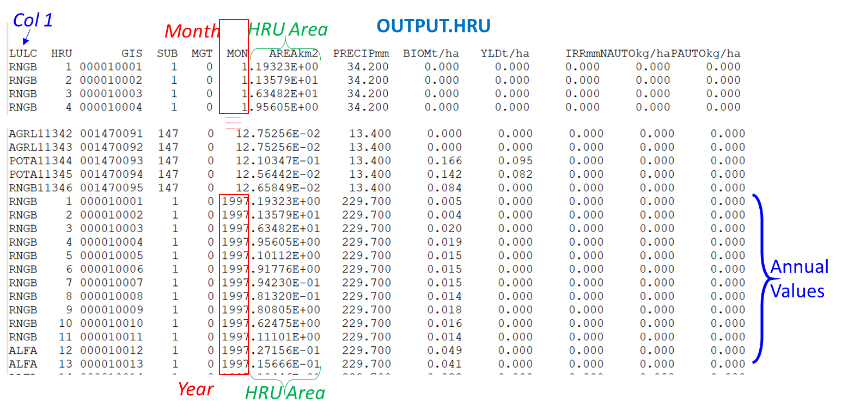
output.hru |  | SUB | Sub-basin ID to which HRU belongs |  | 4 | Obtain values at the correct lines and column in output files (See screenshots in this worksheet) | sub | Sub-basin ID to which HRU belongs |  | Annual | drop down box choice | Sub-basin (sub)
output.hru |  | MON | year ID |  | 6 | Obtain values at the correct lines and column in output files (See screenshots in this worksheet) | year | year ID |  | Annual | X axis
output.hru |  | AREA | Drainage area of the HRU (AREA_HRU) | km2 | 7 (decimal onwards… see figure on output.hru on how col 6 and 7 look merged) | Sum areas of al HRUS within a sub-basin to calculate the sub-basin areas. | AREA_sub_year | Drainage area of the HRU | km2 | Annual | Title text as additional info for sub-basin ID sub | Sub-basin (sub)
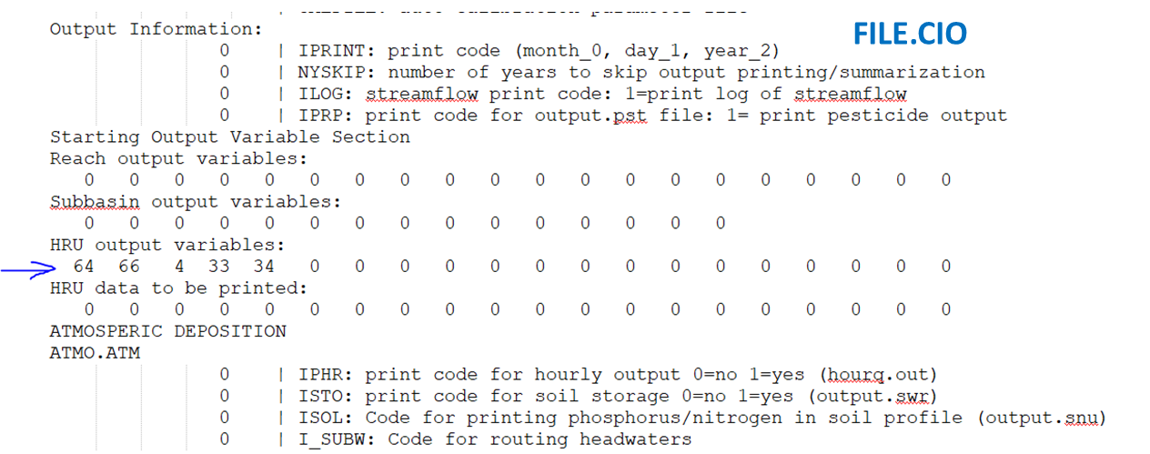
output.hru | 64 | BIOM | Total biomass aboveground and roots at end of time period, reported as dry weight of individual crops | metric tons/ha | 9 | Multiple each value with corresponding AREA_HRU value to get metric tons. Then sum values of metric tons based on common sub, common lulc, and common year. Finally divide total (metric ton) values of each sub-basin with total sub-basin area to get sub-basin scale values of metric tons/ha for a specific LULC and a specific year. | BIOM_sub_lulc_year | Total biomass aboveground and roots at end of time period, reported as dry weight of individual crops | metric tons/ha | Annual | bar graphs/Choropleth Map | Sub-basin (sub)
output.hru | 64 | BIOM | Total biomass aboveground and roots at end of time period, reported as dry weight of individual crops | metric tons/ha | 9 | Multiple each value with corresponding AREA_HRU value to get metric tons. Then sum values of metric tons for the entire region based on common lulc and common year. Finally divide total (metric ton) values with total areas of common LULC to get region- scale values of metric tons/ha for a spceific year. | BIOM_reg_lulc_year | Total biomass aboveground and roots at end of time period, reported as dry weight of individual crops | metric tons/ha | Annual | bar graphs | Regional (reg)
output.hru | 66 | YLD | Harvested yield is reported as dry weight of a crop | metric tons/ha | 10 | Multiple each value with corresponding AREA_HRU value to get metric tons. Then sum values of metric tons based on common sub, common lulc, and common year. Finally divide total (metric ton) values of each sub-basin with total sub-basin area to get sub-basin scale values of metric tons/ha for a specific LULC and a specific year. | YLD_sub_lulc_year | Harvested yield is reported as dry weight of a crop | metric tons/ha | Annual | bar graphs/Choropleth Map | Sub-basin (sub)
output.hru | 66 | YLD | Harvested yield is reported as dry weight of a crop | metric tons/ha | 10 | Multiple each value with corresponding AREA_HRU value to get metric tons. Then sum values of metric tons for the entire region based on common lulc and common year. Finally divide total (metric ton) values with total areas of common LULC to get region- scale values of metric tons/ha for a spceific year. | YLD_reg_lulc_year | Harvested yield is reported as dry weight of a crop | metric tons/ha | Annual | bar graphs | Regional (reg)
output.hru | 4 | IRR | Amount of irrigation water applied to the HRU during time step | mm | 11 | Multiple each value with corresponding AREA_HRU value to get (mm.ha). Then sum values of (mm.ha) based on common sub and common year. Finall divide total (mm.ha) values with total sub-basin area to get sub-basin scale values of annual (mm). | IRR_WR_sub_year | Amount of irrigation water applied to the HRU during time step | mm | Annual | bar graphs/Choropleth Map | Sub-basin (sub)
output.hru | 4 | IRR | Amount of irrigation water applied to the HRU during time step | mm | 11 | Multiple each value with corresponding AREA_HRU value to get (mm.ha). Then sum values of (mm.ha) based on common year for all sub-basins that use irrigation. Finally divide total (mm.ha) values with total irrigated area to get regional values of annual (mm) for a specific year. | IRR_WR_reg_year | Amount of irrigation water applied to the HRU during time step | mm | Annual | bar graphs | Regional (reg)
output.hru | 33 | NAUTO | Total amount of nitrogen (mineral and organic) auto-applied during the time step | kg N/ha | 12 | Multiple each value with corresponding AREA_HRU value to get kg/N. Then sum values of kg N based on common sub, common lulc, and common year. Finally divide total (kg N) values of each sub-basin with total sub-basin area to get sub-basin scale values of kg N/ha for a specific LULC and a specific year. | NAUTO_sub_year | Total amount of nitrogen (mineral and organic) auto-applied during the time step | kg N/ha | Annual | bar graphs/Choropleth Map | Sub-basin (sub)
output.hru | 33 | NAUTO | Total amount of nitrogen (mineral and organic) auto-applied during the time step | kg N/ha | 12 | Multiple each value with corresponding AREA_HRU value to get kg N. Then sum values of kg N for the entire region based on common lulc and common year. Finally divide total (kg N) values with total areas of common LULC to get region- scale values of kg N/ha for a specific year. | NAUTO_reg_year | Total amount of nitrogen (mineral and organic) auto-applied during the time step | kg N/ha | Annual | bar graphs | Regional (reg)
output.hru | 34 | PAUTO | Total amount of phosphorus (mineral and organic) auto-applied during the time step | kg P/ha | 13 | Multiple each value with corresponding AREA_HRU value to get kg/N. Then sum values of kg N based on common sub, common lulc, and common year. Finally divide total (kg N) values of each sub-basin with total sub-basin area to get sub-basin scale values of kg N/ha for a specific LULC and a specific year. | PAUTO_sub_year | Total amount of phosphorus (mineral and organic) auto-applied during the time step | kg P/ha | Annual | bar graphs/Choropleth Map | Sub-basin (sub)
output.hru | 34 | PAUTO | Total amount of phosphorus (mineral and organic) auto-applied during the time step | kg P/ha | 13 | Multiple each value with corresponding AREA_HRU value to get kg N. Then sum values of kg N for the entire region based on common lulc and common year. Finally divide total (kg N) values with total areas of common LULC to get region- scale values of kg N/ha for a specific year. | PAUTO_reg_year | Total amount of phosphorus (mineral and organic) auto-applied during the time step | kg P/ha | Annual | bar graphs | Regional (reg)
output.rch |  | SUB |  | m3/s |  | Obtain values at the correct lines and column in output files (See screenshots in this worksheet) | stream |  | m3/s | Annual | drop down box choice | Stream
output.rch |  | MON | year ID |  | 3 | Obtain values at the correct lines and column in output files (See screenshots in this worksheet) | year | year ID |  | Annual | X axis
output.rch |  | FLOW_OUT | Average daily streamflow out of reach during time step | m3/s | 7 | Obtain values at the correct lines and column in output files (See screenshots in this worksheet) | FLOW_OUT_stream_year | Average daily streamflow out of reach during time step | m3/s | Annual | line graphs | Stream
output.rch |  | SED_OUT | Sediment transported with water out of reach during time step | metric tons | 11 | Obtain values at the correct lines and column in output files (See screenshots in this worksheet) | SED_OUT_stream_year | Sediment transported with water out of reach during time step | metric tons | Annual | line graphs | Stream
output.rch |  | NO3_OUT | Nitrate transported with water out of reach during time step | kg N | 18 | Obtain values at the correct lines and column in output files (See screenshots in this worksheet) | NO3_OUT_stream_year | Nitrate transported with water out of reach during time step | kg N | Annual | line graphs | Stream
output.rch |  | DISOX_OUT | Amount of dissolved oxygen transported with water out of reach during time step | kg O2 | 30 | Obtain values at the correct lines and column in output files (See screenshots in this worksheet) | DISOX_OUT_stream_year | Amount of dissolved oxygen transported with water out of reach during time step | kg O2 | Annual | line graphs | Stream
output.rch |  | WTMPdegc | Stream temperature in reach | deg C | 51 | Obtain values at the correct lines and column in output files (See screenshots in this worksheet) | WTMPdegc_stream_year | Stream temperature in reach | deg C | Annual | line graphs | Stream
output.rch |  | TOT_N | Total nitrogen in surface runoff | kg | 48 | Obtain values at the correct lines and column in output files (See screenshots in this worksheet) | TOT_N_stream_year | Total nitrogen in surface runoff | kg | Annual | line graphs | Stream
output.rch |  | TOT_P | Total phosphorus in surface runoff | kg | 49 | Obtain values at the correct lines and column in output files (See screenshots in this worksheet) | TOT_P_stream_year | Total phosphorus in surface runoff | kg | Annual | line graphs | Stream
output.rsv |  | MON | year ID |  | 3 | Obtain values at the correct lines and column in output files (See screenshots in this worksheet) | year | year ID |  | Annual | X axis | Sub-basin (sub)
output.rsv |  | RES | reservoir ID |  | 2 | Obtain values at the correct lines and column in output files (See screenshots in this worksheet) | res | reservoir ID |  | Annual |  | Sub-basin (sub)
SWAT INPUT |  | SUB | sub-basin ID of reservoir ID |  | See image for values of sub-basin ID connected to reservoir ID | Obtain values at the correct lines and column in .res input files | sub | sub-basin ID of reservoir ID |  | Annual | drop down box choice | Sub-basin (sub)
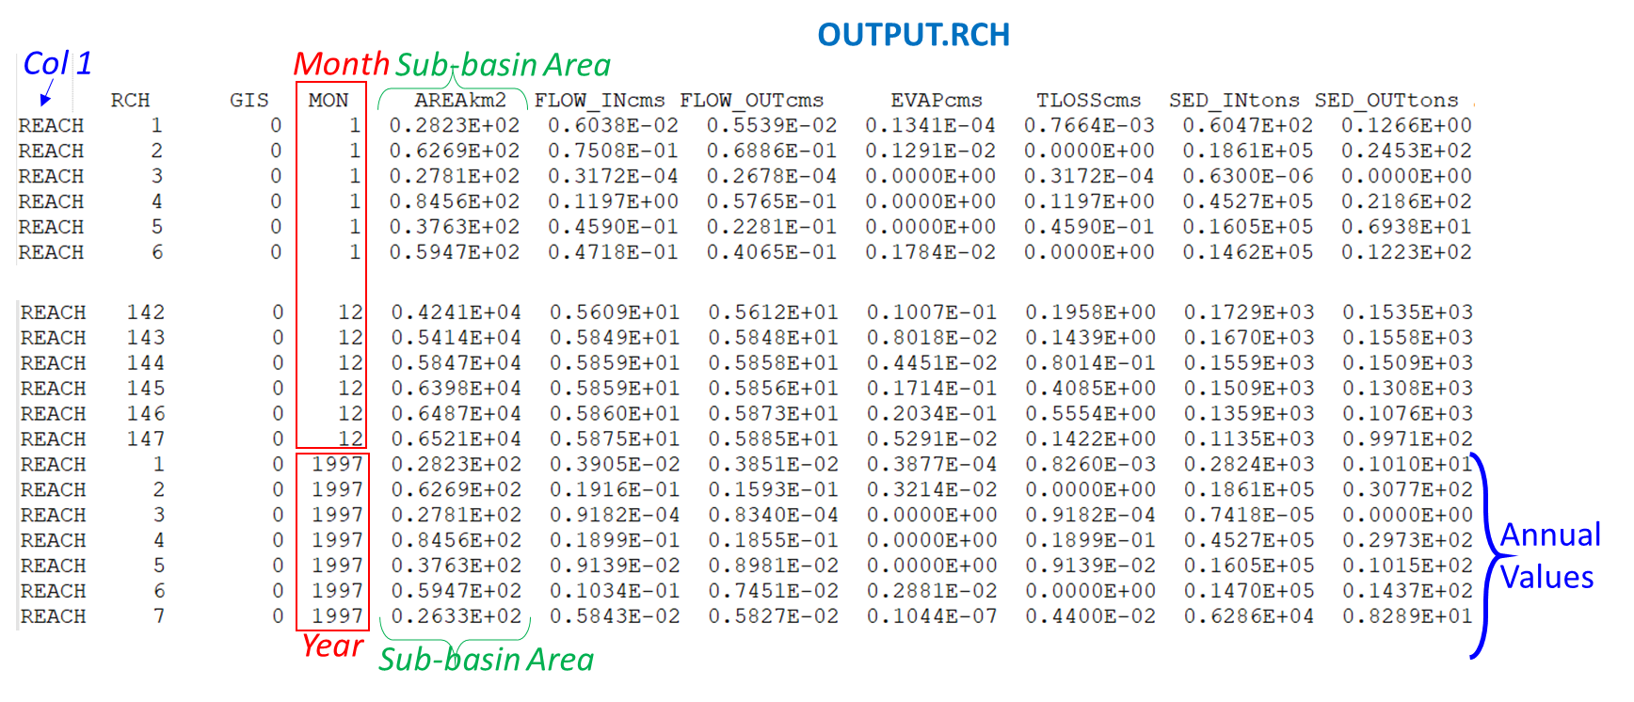
output.rsv |  | VOLUME | Volume of water in reservoir at end of time step | m3 | 4 | Obtain values at the correct lines and column in output files (See screenshots in this worksheet) | VOLUME_sub_year | Volume of water in reservoir at end of time step | m3 | Annual | bar graphs | Sub-basin (sub)

