PDF
Test Target: | Statistics.Distributions.Log-Pearson III Test
Description: | These tests test that the PDF function returns the expected result.
Precision: | Recommended precision for equality between expected and actual range is a less than one percent absolute deviation in the expected value (e.g. |actual value - expected value| < expected value * 0.01)
Notes: | If the sample size is not specified, the default value of: 2,147,483,647 is assumed

A. Test Data: Log-Pearson Type III (Mean = 0.33, Std. Dev. = 2, Skew = 1) |  |  |  |  |  |  |  |  |  |  |  | Formula Used for "Expected" PDF
1. Test x = 0 |  |  |  |  |  |  |  |  |  |  |  | The LP3 distribution has probability density function
Mean | Std. Dev. | Skew | x | Expected (Value) | Actual | Pass/Fail | Date of Run | Expected (Equation) | Alpha | Beta | Location
0.33 | 2 | 1 | 0 | 0.20988731594 |  | Failed |  | 0.20988731594 | 4 | 1 | -3.67

2. Test x = 0.5
Mean | Std. Dev. | Skew | x | Expected (Value) | Actual | Pass/Fail | Date of Run | Expected (Equation) | Alpha | Beta | Location | where ln Q=X has a P3 distribution with parameters α, β, τ.
0.33 | 2 | 1 | 0.5 | 0.11326655302 |  | Failed |  | 0.11326655302 | 4 | 1 | -3.67 | The parameters of the P3 distribution are functions of the first three population moments (µx, σx, γx):
 |  |  |  |  |  |  |  |  |  |  |  | α = 4 / (γx)²; β = (σx * γx) / 2; τ = µx - 2 * (σx / γx),
3. Test x = 1.0 |  |  |  |  |  |  |  |  |  |  |  | where µx = mean, σx = standard deviation, γx = skew, α = shape, β = scale, and τ = location.
Mean | Std. Dev. | Skew | x | Expected (Value) | Actual | Pass/Fail | Date of Run | Expected (Equation) | Alpha | Beta | Location
0.33 | 2 | 1 | 1 | 0.058526112654 |  | Failed |  | 0.058526112654 | 4 | 1 | -3.67 | "Expected" p
 |  |  |  |  |  |  |  |  |  |  |  | x | PDF(µ = 0.33, σ = 2, γ = 1) | x | PDF(µ = 1, σ = 0.1, γ = 0.2) | x | PDF(µ = 5, σ = 3, γ = 8) | x | PDF(µ = 100, σ = 5, γ = 5) | x | PDF(µ = 100, σ = 5, γ = 0.5) | x | PDF(µ = 0, σ = 1, γ = 2) | PDF(µ = 0.33, σ = 2, γ = 1)
4. Test x = 1.5 |  |  |  |  |  |  |  |  |  |  |  | 0.00 | 0.20988731594 | 0.00 | ? | 4.00 | ? | 95.00 | ? | 95.00 | 3.1974186436E-43 | -2.00 | ? | PDF(µ = 1, σ = 0.1, γ = 0.2)
Mean | Std. Dev. | Skew | x | Expected (Value) | Actual | Pass/Fail | Date of Run | Expected (Equation) | Alpha | Beta | Location | 0.50 | 0.11326655302 | 0.50 | 1.9776773444E-08 | 4.26 | 0.058517783966 | 102.00 | 1.3106345891E-46 | 102.00 | 3.3702363426E-46 | -1.00 | ? | PDF(µ = 5, σ = 3, γ = 8)
0.33 | 2 | 1 | 1.5 | 0.029213001742 |  | Failed |  | 0.029213001742 | 4 | 1 | -3.67 | 1.00 | 0.058526112654 | 1.00 | 1.4664041231 | 5.00 | 0.00045841469101 | 108.00 | 9.3107309105E-50 | 108.00 | 2.5604141032E-49 | 0.00 | 0.36787944117 | PDF(µ = 100, σ = 5, γ = 5)
 |  |  |  |  |  |  |  |  |  |  |  | 1.50 | 0.029213001742 | 1.50 | 4.6496148905E-05 | 6.00 | 7.0112362653E-05 | 115.00 | 3.1055633882E-53 | 115.00 | 2.4538608618E-53 | 1.00 | 0.049787068368 | PDF(µ = 100, σ = 5, γ = 0.5)
5. Test x = 2 |  |  |  |  |  |  |  |  |  |  |  | 2.00 | 0.014176181016 | 2.00 | 1.2719808459E-14 | 10.00 | 3.0165561495E-07 | 130.00 | 1.6819802946E-60 | 130.00 | 9.714676033E-63 | 2.00 | 0.0067379469991 | PDF(µ = 0, σ = 1, γ = 2)
Mean | Std. Dev. | Skew | x | Expected (Value) | Actual | Pass/Fail | Date of Run | Expected (Equation) | Alpha | Beta | Location
Probability Density Function
Probability Density Function
Probability Density Function
0.33 | 2 | 1 | 2 | 0.014176181016 |  | Failed |  | 0.014176181016 | 4 | 1 | -3.67

B. Test Data: Log-Pearson Type III (Mean = 1, Std. Dev. = 0.1, Skew = 0.2)
1. Test x = 0
Mean | Std. Dev. | Skew | x | Expected (Value) | Actual | Pass/Fail | Date of Run | Expected (Equation) | Alpha | Beta | Location
1 | 0.1 | 0.2 | 0 | ? |  | #VALUE! |  | ? | 100 | 0.01 | 0

2. Test x = 0.5
Mean | Std. Dev. | Skew | x | Expected (Value) | Actual | Pass/Fail | Date of Run | Expected (Equation) | Alpha | Beta | Location
1 | 0.1 | 0.2 | 0.5 | 1.9776773444E-08 |  | Failed |  | 1.9776773444E-08 | 100 | 0.01 | 0

Probability Density Function
Probability Density Function
Probability Density Function
3. Test x = 1
Mean | Std. Dev. | Skew | x | Expected (Value) | Actual | Pass/Fail | Date of Run | Expected (Equation) | Alpha | Beta | Location
1 | 0.1 | 0.2 | 1 | 1.4664041231 |  | Failed |  | 1.4664041231 | 100 | 0.01 | 0

4. Test x = 1.5
Mean | Std. Dev. | Skew | x | Expected (Value) | Actual | Pass/Fail | Date of Run | Expected (Equation) | Alpha | Beta | Location
1 | 0.1 | 0.2 | 1.5 | 4.6496148905E-05 |  | Failed |  | 4.6496148905E-05 | 100 | 0.01 | 0

5. Test x = 2
Mean | Std. Dev. | Skew | x | Expected (Value) | Actual | Pass/Fail | Date of Run | Expected (Equation) | Alpha | Beta | Location
1 | 0.1 | 0.2 | 2 | 1.2719808459E-14 |  | Failed |  | 1.2719808459E-14 | 100 | 0.01 | 0

C. Test Data: Log-Pearson Type III (Mean = 5, Std. Dev. = 3, Skew = 8)
1. Test x = 2
Mean | Std. Dev. | Skew | x | Expected (Value) | Actual | Pass/Fail | Date of Run | Expected (Equation) | Alpha | Beta | Location
5 | 3 | 8 | 4 | ? |  | #VALUE! |  | ? | 0.0625 | 12 | 4.25

2. Test x = 4
Mean | Std. Dev. | Skew | x | Expected (Value) | Actual | Pass/Fail | Date of Run | Expected (Equation) | Alpha | Beta | Location
5 | 3 | 8 | 4.26 | 0.058517783966 |  | Failed |  | 0.058517783966 | 0.0625 | 12 | 4.25

3. Test x = 5
Mean | Std. Dev. | Skew | x | Expected (Value) | Actual | Pass/Fail | Date of Run | Expected (Equation) | Alpha | Beta | Location
5 | 3 | 8 | 5 | 0.00045841469101 |  | Failed |  | 0.00045841469101 | 0.0625 | 12 | 4.25

4. Test x = 6
Mean | Std. Dev. | Skew | x | Expected (Value) | Actual | Pass/Fail | Date of Run | Expected (Equation) | Alpha | Beta | Location
5 | 3 | 8 | 6 | 7.0112362653E-05 |  | Failed |  | 7.0112362653E-05 | 0.0625 | 12 | 4.25

5. Test x = 10
Mean | Std. Dev. | Skew | x | Expected (Value) | Actual | Pass/Fail | Date of Run | Expected (Equation) | Alpha | Beta | Location
5 | 3 | 8 | 10 | 3.0165561495E-07 |  | Failed |  | 3.0165561495E-07 | 0.0625 | 12 | 4.25

D. Test Data: Log-Pearson Type III (Mean = 100, Std. Dev. = 5, Skew = 5)
1. Test x = 95
Mean | Std. Dev. | Skew | x | Expected (Value) | Actual | Pass/Fail | Date of Run | Expected (Equation) | Alpha | Beta | Location
100 | 5 | 5 | 95 | ? |  | #VALUE! |  | ? | 0.16 | 12.5 | 98

2. Test x = 102
Mean | Std. Dev. | Skew | x | Expected (Value) | Actual | Pass/Fail | Date of Run | Expected (Equation) | Alpha | Beta | Location
100 | 5 | 5 | 102 | 1.3106345891E-46 |  | Failed |  | 1.3106345891E-46 | 0.16 | 12.5 | 98

3. Test x = 108
Mean | Std. Dev. | Skew | x | Expected (Value) | Actual | Pass/Fail | Date of Run | Expected (Equation) | Alpha | Beta | Location
100 | 5 | 5 | 108 | 9.3107309105E-50 |  | Failed |  | 9.3107309105E-50 | 0.16 | 12.5 | 98

4. Test x = 115
Mean | Std. Dev. | Skew | x | Expected (Value) | Actual | Pass/Fail | Date of Run | Expected (Equation) | Alpha | Beta | Location
100 | 5 | 5 | 115 | 3.1055633882E-53 |  | Failed |  | 3.1055633882E-53 | 0.16 | 12.5 | 98

5. Test x = 130
Mean | Std. Dev. | Skew | x | Expected (Value) | Actual | Pass/Fail | Date of Run | Expected (Equation) | Alpha | Beta | Location
100 | 5 | 5 | 130 | 1.6819802946E-60 |  | Failed |  | 1.6819802946E-60 | 0.16 | 12.5 | 98

E. Test Data: Log-Pearson Type III (Mean = 100, Std. Dev. = 5, Skew = 0.5)
1. Test x = 95
Mean | Std. Dev. | Skew | x | Expected (Value) | Actual | Pass/Fail | Date of Run | Expected (Equation) | Alpha | Beta | Location
100 | 5 | 0.5 | 95 | 3.1974186436E-43 |  | Failed |  | 3.1974186436E-43 | 16 | 1.25 | 80

2. Test x = 102
Mean | Std. Dev. | Skew | x | Expected (Value) | Actual | Pass/Fail | Date of Run | Expected (Equation) | Alpha | Beta | Location
100 | 5 | 0.5 | 102 | 3.3702363426E-46 |  | Failed |  | 3.3702363426E-46 | 16 | 1.25 | 80

3. Test x = 108
Mean | Std. Dev. | Skew | x | Expected (Value) | Actual | Pass/Fail | Date of Run | Expected (Equation) | Alpha | Beta | Location
100 | 5 | 0.5 | 108 | 2.5604141032E-49 |  | Failed |  | 2.5604141032E-49 | 16 | 1.25 | 80

4. Test x = 115
Mean | Std. Dev. | Skew | x | Expected (Value) | Actual | Pass/Fail | Date of Run | Expected (Equation) | Alpha | Beta | Location
100 | 5 | 0.5 | 115 | 2.4538608618E-53 |  | Failed |  | 2.4538608618E-53 | 16 | 1.25 | 80

5. Test x = 130
Mean | Std. Dev. | Skew | x | Expected (Value) | Actual | Pass/Fail | Date of Run | Expected (Equation) | Alpha | Beta | Location
100 | 5 | 0.5 | 130 | 9.714676033E-63 |  | Failed |  | 9.714676033E-63 | 16 | 1.25 | 80

F. Test Data: Pearson Type III (Mean = 0, Std. Dev. = 1, Skew = 2)
1. Test x = -2
Mean | Std. Dev. | Skew | x | Expected (Value) | Actual | Pass/Fail | Date of Run | Expected (Equation) | Alpha | Beta | Location
0 | 1 | 2 | -2 | ? |  | #VALUE! |  | ? | 1 | 1 | -1

2. Test x = -1
Mean | Std. Dev. | Skew | x | Expected (Value) | Actual | Pass/Fail | Date of Run | Expected (Equation) | Alpha | Beta | Location
0 | 1 | 2 | -1 | ? |  | #VALUE! |  | ? | 1 | 1 | -1

3. Test x = 0
Mean | Std. Dev. | Skew | x | Expected (Value) | Actual | Pass/Fail | Date of Run | Expected (Equation) | Alpha | Beta | Location
0 | 1 | 2 | 0 | 0.36787944117 |  | Failed |  | 0.36787944117 | 1 | 1 | -1

4. Test x = 1
Mean | Std. Dev. | Skew | x | Expected (Value) | Actual | Pass/Fail | Date of Run | Expected (Equation) | Alpha | Beta | Location
0 | 1 | 2 | 1 | 0.049787068368 |  | Failed |  | 0.049787068368 | 1 | 1 | -1

5. Test x = 2
Mean | Std. Dev. | Skew | x | Expected (Value) | Actual | Pass/Fail | Date of Run | Expected (Equation) | Alpha | Beta | Location
0 | 1 | 2 | 2 | 0.0067379469991 |  | Failed |  | 0.0067379469991 | 1 | 1 | -1

CDF
Test Target: | Statistics.Distributions.Log-Pearson III Test
Description: | These tests test that the CDF function returns the expected result.
Precision: | Recommended precision for equality between expected and actual range is a less than one percent absolute deviation in the expected value (e.g. |actual value - expected value| < expected value * 0.01)
Notes: | If the sample size is not specified, the default value of: 2,147,483,647 is assumed

A. Test Data: Log-Pearson Type III (Mean = 0.33, Std. Dev. = 2, Skew = 1) |  |  |  |  |  |  |  |  |  |  |  |  | Formula Used for "Expected" CDF
1. Test x = 0 |  |  |  |  |  |  |  |  |  |  |  |  | The Log-P3 distribution has shape, scale, and location parameters α, β, and τ with the cumulative density function
Mean | Std. Dev. | Skew | x | Expected (Value) | Actual | Pass/Fail | Date of Run | Expected (Equation) | Alpha | Beta | Location | z | F(q) = integral( fq(q) ) from ln τ to q, where
0.33 | 2 | 1 | 0 | 0.49956755637 |  | Failed |  | 0.49956755637 | 4 | 1 | -3.67 | 3.67

2. Test x = 0.5
Mean | Std. Dev. | Skew | x | Expected (Value) | Actual | Pass/Fail | Date of Run | Expected (Equation) | Alpha | Beta | Location | z | where Γ(α) = complete gamma function; and G(α, z) = lower incomplete gamma function.
0.33 | 2 | 1 | 0.5 | 0.59901793691 |  | Failed |  | 0.59901793691 | 4 | 1 | -3.67 | 4.17 | The upper incomplete gamma function can be written as:
 |  |  |  |  |  |  |  |  |  |  |  |  | The parameters of the Log-P3 distribution are functions of the first three population moments (µx, σx, γx):
3. Test x = 1.0 |  |  |  |  |  |  |  |  |  |  |  |  | α = 4 / (γx)²; β = (σx * γx) / 2; τ = µx - 2 * (σx / γx); z = [ln(q) - τ]/β
Mean | Std. Dev. | Skew | x | Expected (Value) | Actual | Pass/Fail | Date of Run | Expected (Equation) | Alpha | Beta | Location | z | where ln q = x, µx = mean, σx = standard deviation, γx = skew, α = shape, β = scale, and τ = location.
0.33 | 2 | 1 | 1 | 0.68556931882 |  | Failed |  | 0.68556931882 | 4 | 1 | -3.67 | 4.67 | IF(Skew > 0, ( GAMMA(x) - EXP(GAMMALN( 4 / Skew^2 )) * ( 1 - GAMMA.DIST((x - (Mean - 2 * (Std. Dev. / Skew))) / (1/2 * Std. Dev. * Skew), 4 / Skew^2 , 1/2 * Std. Dev. * Skew, TRUE) ) ) / ( GAMMA(x) ), 1 - ( GAMMA(x) - EXP(GAMMALN( 4 / Skew^2 )) * ( 1 - GAMMA.DIST((x - (Mean - 2 * (Std. Dev. / Skew))) / (1/2 * Std. Dev. * Skew), 4 / Skew^2 , 1/2 * Std. Dev. * Skew, TRUE) ) ) / ( GAMMA(x) ) )

4. Test x = 1.5 |  |  |  |  |  |  |  |  |  |  |  |  | "Expected" p
Mean | Std. Dev. | Skew | x | Expected (Value) | Actual | Pass/Fail | Date of Run | Expected (Equation) | Alpha | Beta | Location | z | x | PDF(µ = 0.33, σ = 2, γ = 1) | x | PDF(µ = 1, σ = 0.1, γ = 0.2) | x | PDF(µ = 5, σ = 3, γ = 8) | x | PDF(µ = 100, σ = 5, γ = 5) | x | PDF(µ = 100, σ = 5, γ = 0.5) | x | PDF(µ = 0, σ = 1, γ = 0.2) | PDF(µ = 0.33, σ = 2, γ = 1)
0.33 | 2 | 1 | 1.5 | 0.75803148401 |  | Failed |  | 0.75803148401 | 4 | 1 | -3.67 | 5.17 | 0.00 | 0.49956755637 | 0.00 | 0 | 4.00 | #NUM! | 95.00 | #NUM! | 95.00 | 0.036202408106 | -2.00 | #NUM! | PDF(µ = 1, σ = 0.1, γ = 0.2)
 |  |  |  |  |  |  |  |  |  |  |  |  | 0.50 | 0.59901793691 | 0.50 | 1 | 4.26 | 0.56808543806 | 102.00 | 0.59621337561 | 102.00 | 0.33857594606 | -1.00 | 0 | PDF(µ = 5, σ = 3, γ = 8)
5. Test x = 2 |  |  |  |  |  |  |  |  |  |  |  |  | 1.00 | 0.68556931882 | 1.00 | 1 | 5.00 | 0.74383029425 | 108.00 | 0.68677192999 | 108.00 | 0.70701929092 | 0.00 | 0.63212055883 | PDF(µ = 100, σ = 5, γ = 5)
Mean | Std. Dev. | Skew | x | Expected (Value) | Actual | Pass/Fail | Date of Run | Expected (Equation) | Alpha | Beta | Location | z | 1.50 | 0.75803148401 | 1.50 | 1 | 6.00 | 0.7839632491 | 115.00 | 0.74317554284 | 115.00 | 0.93406646352 | 1.00 | 0.86466471676 | PDF(µ = 100, σ = 5, γ = 0.5)
0.33 | 2 | 1 | 2 | 0.81683160382 |  | Failed |  | 0.81683160382 | 4 | 1 | -3.67 | 5.67 | 2.00 | 0.81683160382 | 2.00 | 1 | 10.00 | 0.84310914298 | 130.00 | 0.81215649151 | 130.00 | 0.99934007245 | 2.00 | 0.95021293163 | PDF(µ = 0, σ = 1, γ = 2)

Cumulative Density Function
Cumulative Density Function
Cumulative Density Function
B. Test Data: Log-Pearson Type III (Mean = 1, Std. Dev. = 0.1, Skew = 0.2)
1. Test x = 0
Mean | Std. Dev. | Skew | x | Expected (Value) | Actual | Pass/Fail | Date of Run | Expected (Equation) | Alpha | Beta | Location | z
1 | 0.1 | 0.2 | 0 | 0 |  | Passed |  | 0 | 100 | 0.01 | 0 | 0

2. Test x = 0.5
Mean | Std. Dev. | Skew | x | Expected (Value) | Actual | Pass/Fail | Date of Run | Expected (Equation) | Alpha | Beta | Location | z
1 | 0.1 | 0.2 | 0.5 | 1 |  | Failed |  | 1 | 100 | 0.01 | 0 | 50

Cumulative Density Function
Cumulative Density Function
Cumulative Density Function
3. Test x = 1
Mean | Std. Dev. | Skew | x | Expected (Value) | Actual | Pass/Fail | Date of Run | Expected (Equation) | Alpha | Beta | Location | z
1 | 0.1 | 0.2 | 1 | 1 |  | Failed |  | 1 | 100 | 0.01 | 0 | 100

4. Test x = 1.5
Mean | Std. Dev. | Skew | x | Expected (Value) | Actual | Pass/Fail | Date of Run | Expected (Equation) | Alpha | Beta | Location | z
1 | 0.1 | 0.2 | 1.5 | 1 |  | Failed |  | 1 | 100 | 0.01 | 0 | 150

5. Test x = 2
Mean | Std. Dev. | Skew | x | Expected (Value) | Actual | Pass/Fail | Date of Run | Expected (Equation) | Alpha | Beta | Location | z
1 | 0.1 | 0.2 | 2 | 1 |  | Failed |  | 1 | 100 | 0.01 | 0 | 200

C. Test Data: Log-Pearson Type III (Mean = 5, Std. Dev. = 3, Skew = 8)
1. Test x = 2
Mean | Std. Dev. | Skew | x | Expected (Value) | Actual | Pass/Fail | Date of Run | Expected (Equation) | Alpha | Beta | Location | z
5 | 3 | 8 | 4 | #NUM! |  | #NUM! |  | #NUM! | 0.0625 | 12 | 4.25 | -0.020833333333

2. Test x = 4
Mean | Std. Dev. | Skew | x | Expected (Value) | Actual | Pass/Fail | Date of Run | Expected (Equation) | Alpha | Beta | Location | z
5 | 3 | 8 | 4.26 | 0.56808543806 |  | Failed |  | 0.56808543806 | 0.0625 | 12 | 4.25 | 0.00083333333333

3. Test x = 5
Mean | Std. Dev. | Skew | x | Expected (Value) | Actual | Pass/Fail | Date of Run | Expected (Equation) | Alpha | Beta | Location | z
5 | 3 | 8 | 5 | 0.74383029425 |  | Failed |  | 0.74383029425 | 0.0625 | 12 | 4.25 | 0.0625

4. Test x = 6
Mean | Std. Dev. | Skew | x | Expected (Value) | Actual | Pass/Fail | Date of Run | Expected (Equation) | Alpha | Beta | Location | z
5 | 3 | 8 | 6 | 0.7839632491 |  | Failed |  | 0.7839632491 | 0.0625 | 12 | 4.25 | 0.14583333333

5. Test x = 10
Mean | Std. Dev. | Skew | x | Expected (Value) | Actual | Pass/Fail | Date of Run | Expected (Equation) | Alpha | Beta | Location | z
5 | 3 | 8 | 10 | 0.84310914298 |  | Failed |  | 0.84310914298 | 0.0625 | 12 | 4.25 | 0.47916666667

D. Test Data: Log-Pearson Type III (Mean = 100, Std. Dev. = 5, Skew = 5)
1. Test x = 95
Mean | Std. Dev. | Skew | x | Expected (Value) | Actual | Pass/Fail | Date of Run | Expected (Equation) | Alpha | Beta | Location | z
100 | 5 | 5 | 95 | #NUM! |  | #NUM! |  | #NUM! | 0.16 | 12.5 | 98 | -0.24

2. Test x = 102
Mean | Std. Dev. | Skew | x | Expected (Value) | Actual | Pass/Fail | Date of Run | Expected (Equation) | Alpha | Beta | Location | z
100 | 5 | 5 | 102 | 0.59621337561 |  | Failed |  | 0.59621337561 | 0.16 | 12.5 | 98 | 0.32

3. Test x = 108
Mean | Std. Dev. | Skew | x | Expected (Value) | Actual | Pass/Fail | Date of Run | Expected (Equation) | Alpha | Beta | Location | z
100 | 5 | 5 | 108 | 0.68677192999 |  | Failed |  | 0.68677192999 | 0.16 | 12.5 | 98 | 0.8

4. Test x = 115
Mean | Std. Dev. | Skew | x | Expected (Value) | Actual | Pass/Fail | Date of Run | Expected (Equation) | Alpha | Beta | Location | z
100 | 5 | 5 | 115 | 0.74317554284 |  | Failed |  | 0.74317554284 | 0.16 | 12.5 | 98 | 1.36

5. Test x = 130
Mean | Std. Dev. | Skew | x | Expected (Value) | Actual | Pass/Fail | Date of Run | Expected (Equation) | Alpha | Beta | Location | z
100 | 5 | 5 | 130 | 0.81215649151 |  | Failed |  | 0.81215649151 | 0.16 | 12.5 | 98 | 2.56

E. Test Data: Log-Pearson Type III (Mean = 100, Std. Dev. = 5, Skew = 0.5)
1. Test x = 95
Mean | Std. Dev. | Skew | x | Expected (Value) | Actual | Pass/Fail | Date of Run | Expected (Equation) | Alpha | Beta | Location | z
100 | 5 | 0.5 | 95 | 0.036202408106 |  | Failed |  | 0.036202408106 | 16 | 1.25 | 80 | 12

2. Test x = 102
Mean | Std. Dev. | Skew | x | Expected (Value) | Actual | Pass/Fail | Date of Run | Expected (Equation) | Alpha | Beta | Location | z
100 | 5 | 0.5 | 102 | 0.33857594606 |  | Failed |  | 0.33857594606 | 16 | 1.25 | 80 | 17.6

3. Test x = 108
Mean | Std. Dev. | Skew | x | Expected (Value) | Actual | Pass/Fail | Date of Run | Expected (Equation) | Alpha | Beta | Location | z
100 | 5 | 0.5 | 108 | 0.70701929092 |  | Failed |  | 0.70701929092 | 16 | 1.25 | 80 | 22.4

4. Test x = 115
Mean | Std. Dev. | Skew | x | Expected (Value) | Actual | Pass/Fail | Date of Run | Expected (Equation) | Alpha | Beta | Location | z
100 | 5 | 0.5 | 115 | 0.93406646352 |  | Failed |  | 0.93406646352 | 16 | 1.25 | 80 | 28

5. Test x = 130
Mean | Std. Dev. | Skew | x | Expected (Value) | Actual | Pass/Fail | Date of Run | Expected (Equation) | Alpha | Beta | Location | z
100 | 5 | 0.5 | 130 | 0.99934007245 |  | Failed |  | 0.99934007245 | 16 | 1.25 | 80 | 40

F. Test Data: Pearson Type III (Mean = 0, Std. Dev. = 1, Skew = 2)
1. Test x = -2
Mean | Std. Dev. | Skew | x | Expected (Value) | Actual | Pass/Fail | Date of Run | Expected (Equation) | Alpha | Beta | Location | z
0 | 1 | 2 | -2 | #NUM! |  | #NUM! |  | #NUM! | 1 | 1 | -1 | -1

2. Test x = -1
Mean | Std. Dev. | Skew | x | Expected (Value) | Actual | Pass/Fail | Date of Run | Expected (Equation) | Alpha | Beta | Location | z
0 | 1 | 2 | -1 | 0 |  | Passed |  | 0 | 1 | 1 | -1 | 0

3. Test x = 0
Mean | Std. Dev. | Skew | x | Expected (Value) | Actual | Pass/Fail | Date of Run | Expected (Equation) | Alpha | Beta | Location | z
0 | 1 | 2 | 0 | 0.63212055883 |  | Failed |  | 0.63212055883 | 1 | 1 | -1 | 1

4. Test x = 1
Mean | Std. Dev. | Skew | x | Expected (Value) | Actual | Pass/Fail | Date of Run | Expected (Equation) | Alpha | Beta | Location | z
0 | 1 | 2 | 1 | 0.86466471676 |  | Failed |  | 0.86466471676 | 1 | 1 | -1 | 2

5. Test x = 2
Mean | Std. Dev. | Skew | x | Expected (Value) | Actual | Pass/Fail | Date of Run | Expected (Equation) | Alpha | Beta | Location | z
0 | 1 | 2 | 2 | 0.95021293163 |  | Failed |  | 0.95021293163 | 1 | 1 | -1 | 3

Notes
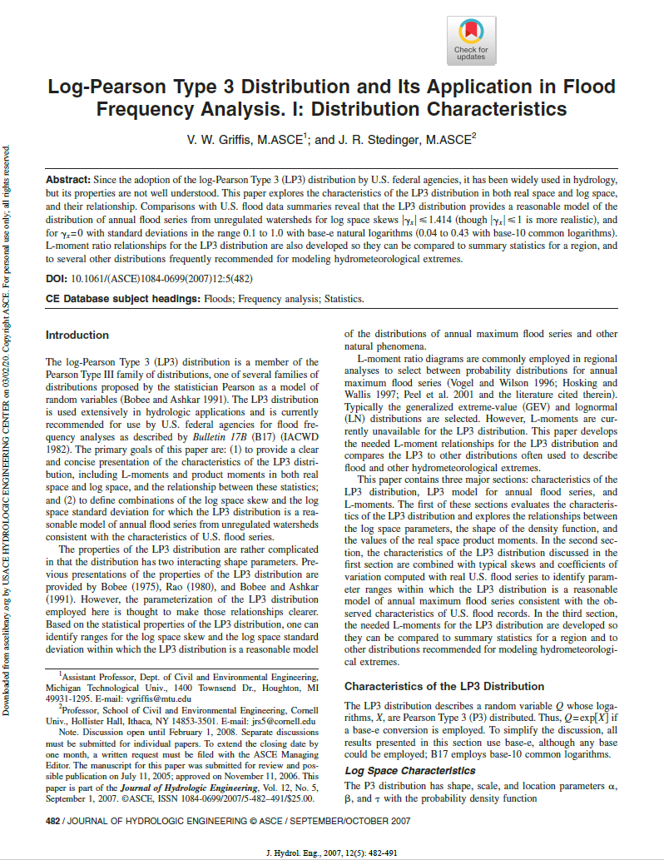
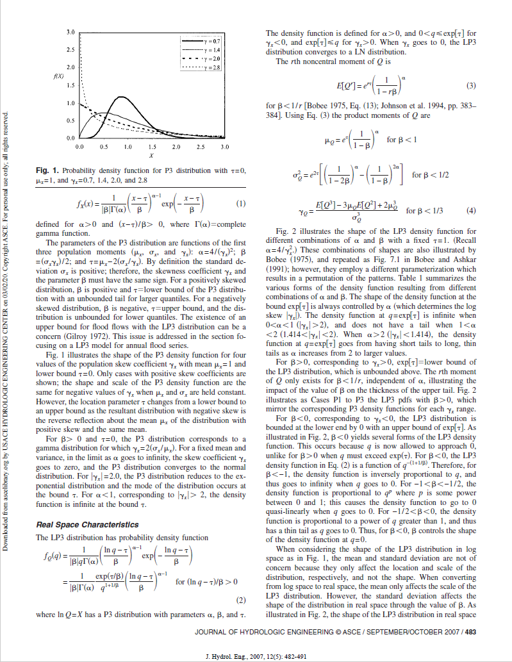
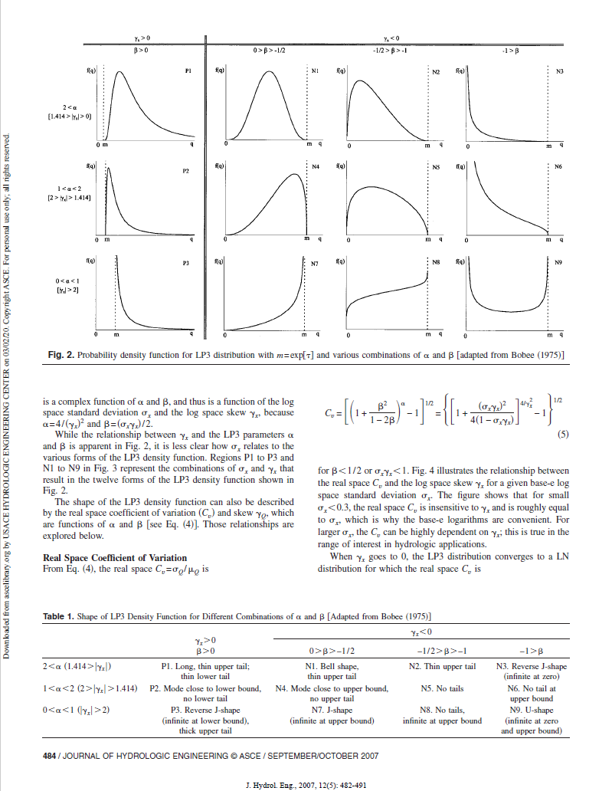
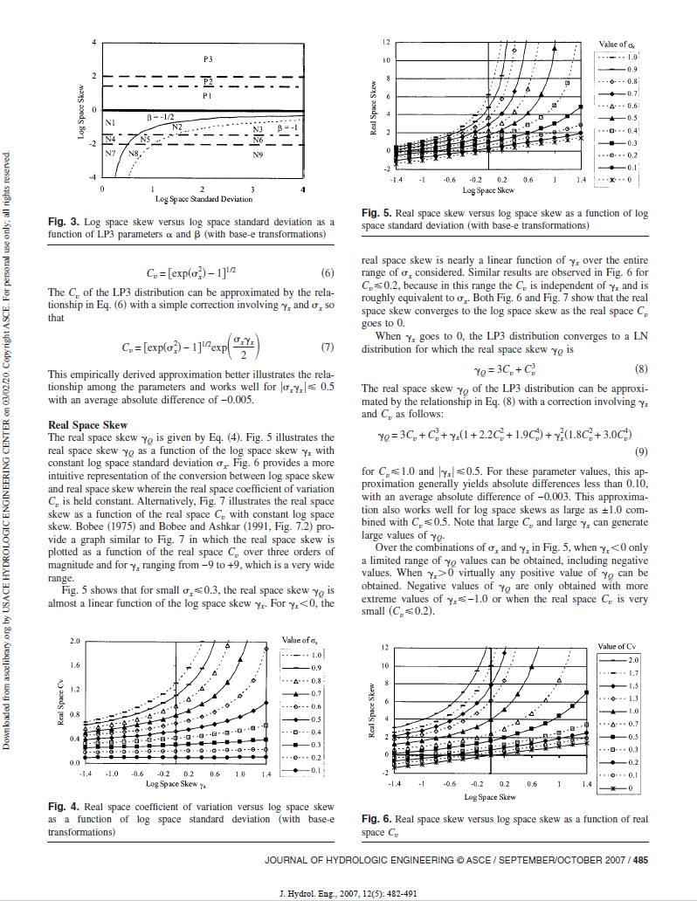
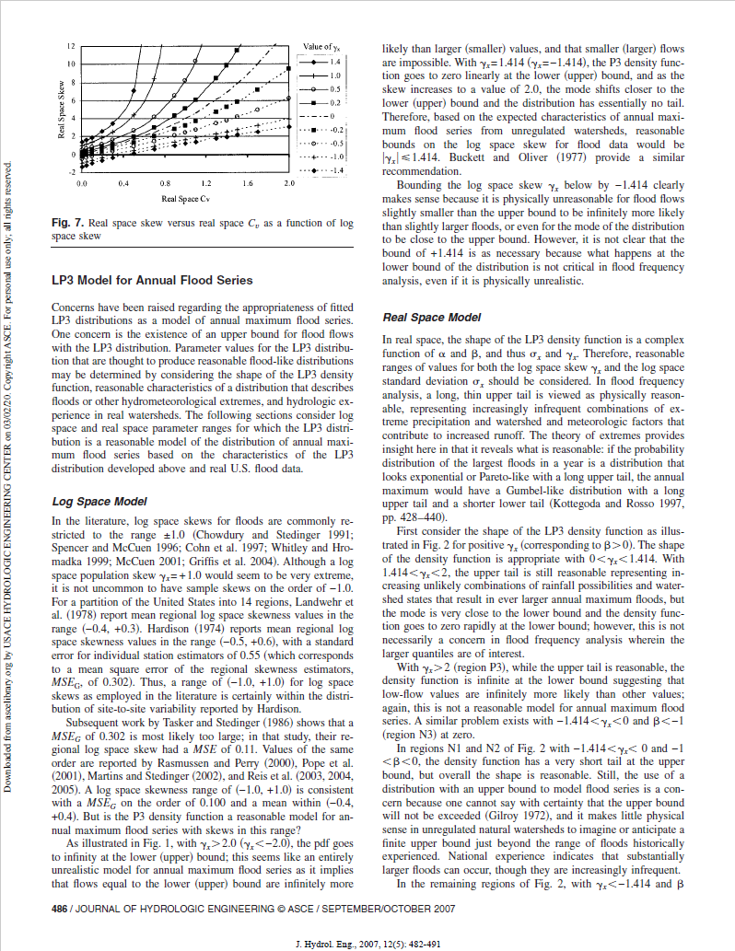
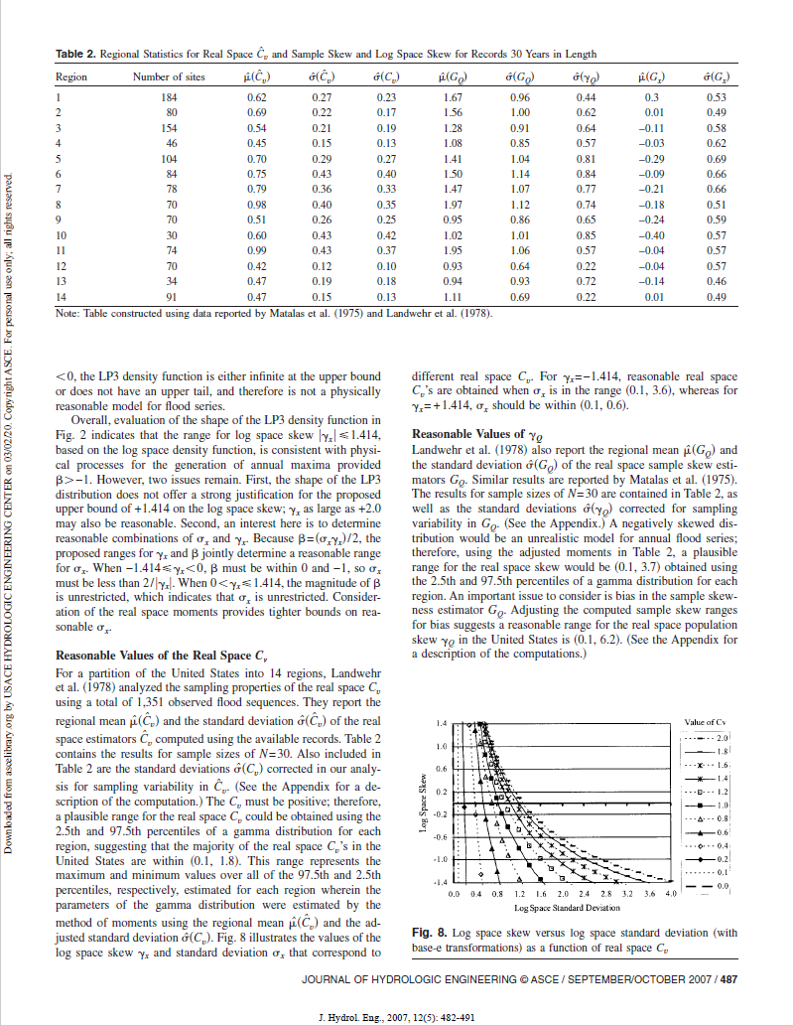
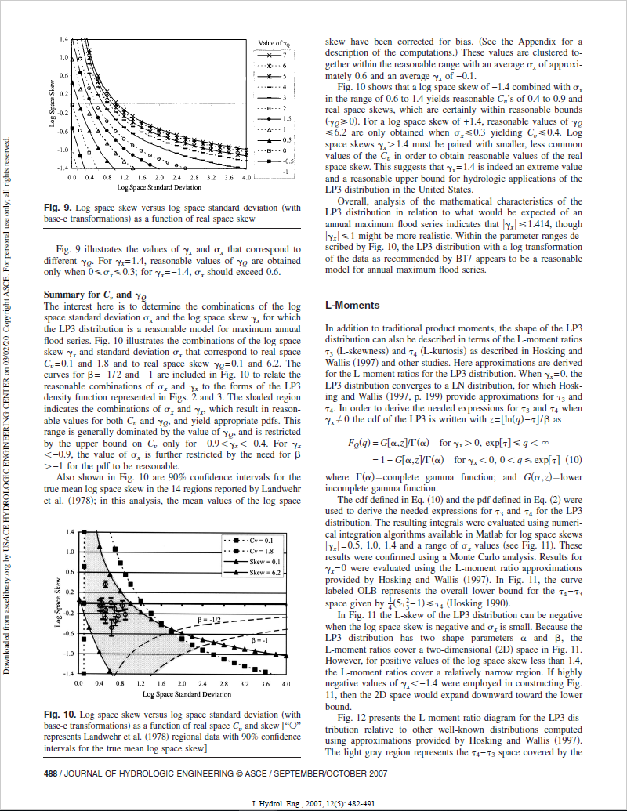
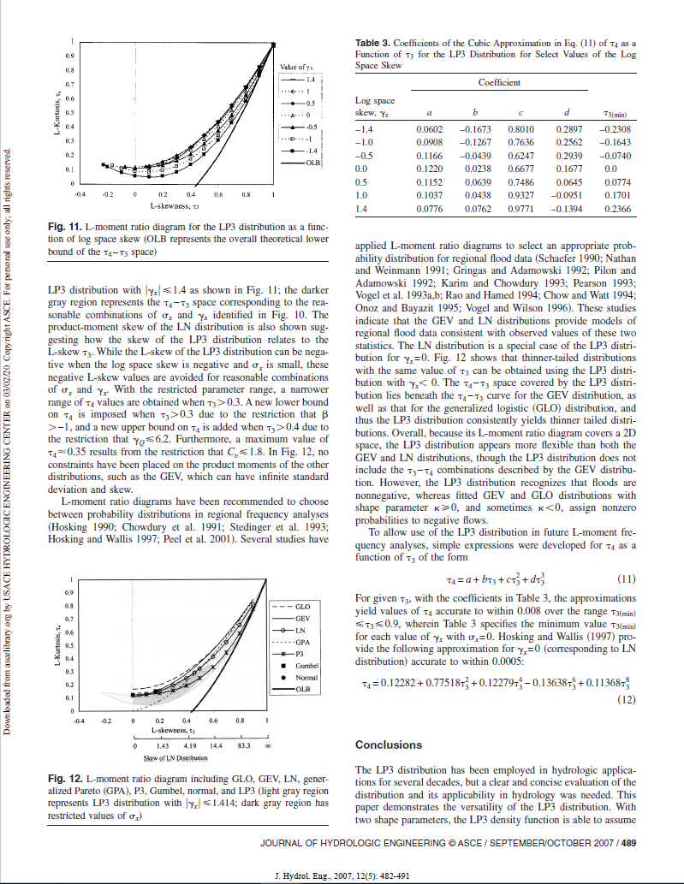
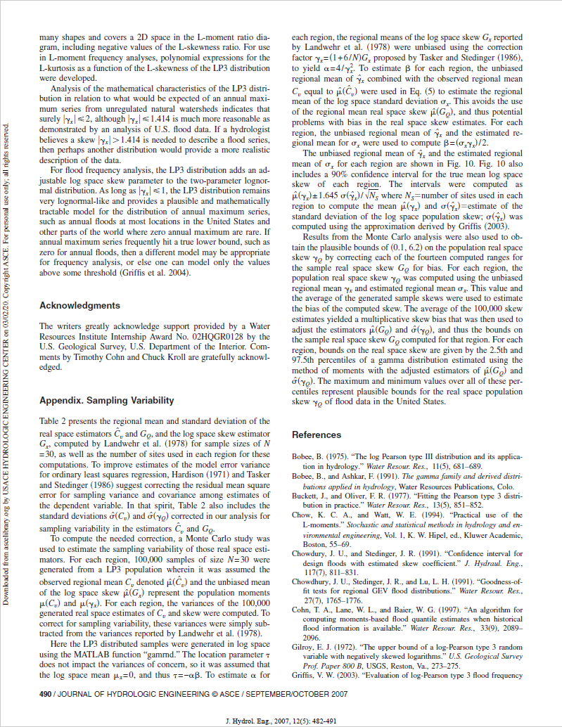
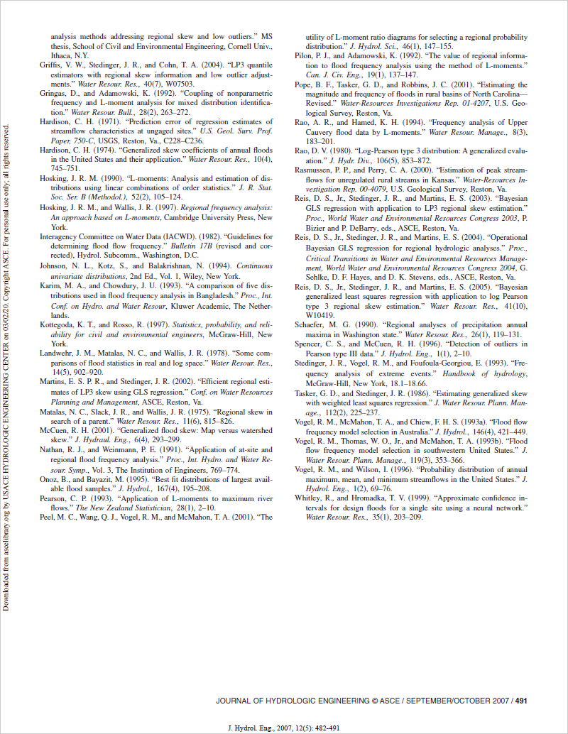
2020-03-01 | Not Included: (1) double Sample(Random), (2) double[] Sample(int, Random), (3) Idistribution SampleDistribution(Random), (4) string Requirements(bool)

Formula Used for "Pass/Fail" Determination
IF(ABS(Actual - Expected) < ABS(Expected) * 0.01, "Passed", "Failed") OR IF(ABS(Actual - Expected) < 1 ^ (-10), "Passed", "Failed")

Source: https://ascelibrary.org/doi/full/10.1061/(ASCE)1084-0699(2007)12%3A5(482)

