F(x) - Cubic Spline
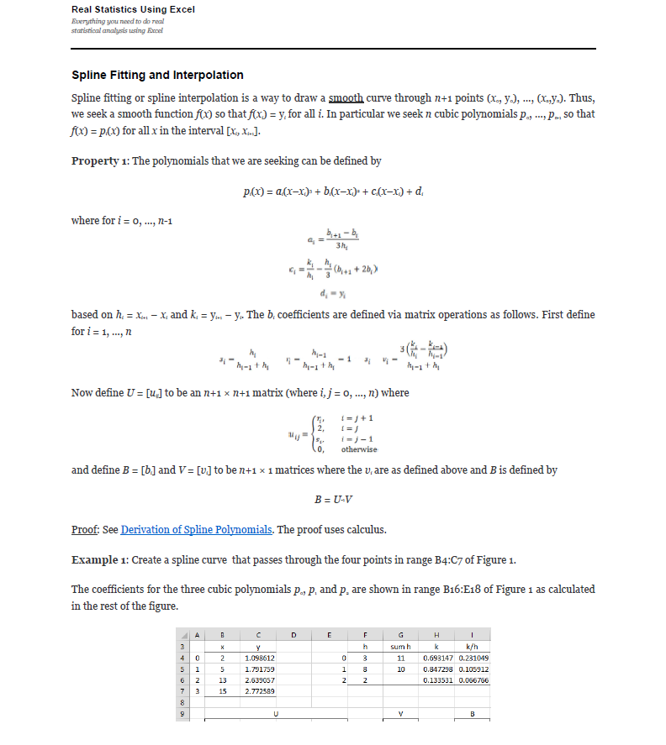
Compose testing. Function1's y axis is the same type as Function2's x axis. The interpolation method for these tests is linear interpolation.
Use -9999 in the first row of the expected columns to indicate an InvalidOperationException. This occurs when there is no overlap between the two functions. |  |  |  |  |  |  |  |  |  |  |  |  |  |  |  |  |  | References: | Example:
Note: Expected x-axis from Function 1 x-axis, and Expected y-axis from Function2 x-axis |  |  |  |  |  |  |  |  | Test 1: Create a spline curve that passes through the four points |  |  |  |  |  |  |  |  |  | Template: Create a spline curve that passes through the four points
 |  |  |  |  |  |  |  |  | The coefficients for the three cubic polynomials p0, p1 and p2 are shown |  |  |  |  |  |  |  |  |  | The coefficients for the three cubic polynomials p0, p1 and p2 are shown
Test 1: Function(y = ln(x), Interpolation: Cubic Spline) |  |  |  |  |  |  |  |  | i | x | y |  | i | h | sum h | k | k/h |  | i | x | y |  | i | h | sum h | k | k/h
Known Values |  |  | Expected |  |  | Actual | Pass/Fail | Date of Run | 0 |  |  |  | 0 |  |  |  |  |  | 0 |  |  |  | 0
x | y | Interpolation | x | y | ExpectedNoFormulas | Actual | Passed | 5/13/20 | 1 |  |  |  | 1 |  |  |  |  |  | 1 |  |  |  | 1
2 |  | NATURALCUBICSPLINE |  |  | 0.69314718056 | 0.693147180559945 |  |  | 2 |  |  |  | 2 |  |  |  |  |  | 2 |  |  |  | 2
5 |  |  |  |  | 0.94093898572 | 0.940938985722518 |  |  | 3 |  |  |  |  |  |  |  |  |  | 3
13 |  |  |  |  | 1.181243142 | 1.18124314200748
15 |  |  |  |  | 1.4065720005 | 1.40657200053721 |  |  |  | U |  |  |  |  | V |  | B |  |  | U |  |  |  |  | V |  | B
 |  |  |  |  | 1.6094379124 | 1.6094379124341 |  |  |  | 2 | 0 | 0 | 0 |  | 0 |  |  |  |  | 2 | 0 | 0 | 0 |  | 0
 |  |  |  |  | 2.0173459131 | 2.01734591312127 |  |  |  |  | 2 |  | 0 |  |  |  |  |  |  |  | 2 |  | 0
 |  |  |  |  | 2.272449053 | 2.2724490530288 |  |  |  | 0 |  | 2 |  |  |  |  |  |  |  | 0 |  | 2
 |  |  |  |  | 2.4349244839 | 2.43492448389584 |  |  |  | 0 | 0 | 0 | 2 |  | 0 |  |  |  |  | 0 | 0 | 0 | 2 |  | 0
 |  |  |  |  | 2.5649493575 | 2.56494935746154
 |  |  |  |  | 2.5992082702 | 2.59920827023839 |  |  | i | a | b | c | d | --> y = a(Δx)³ + b(Δx)² + c(Δx) + d |  |  |  |  | i | a | b | c | d | --> y = a(Δx)³ + b(Δx)² + c(Δx) + d
 |  |  |  |  | 2.6347668671 | 2.63476686712951 |  |  | 0 |  |  |  |  |  |  |  |  |  | 0
 |  |  |  |  | 2.6711919201 | 2.67119192009682 |  |  | 1 |  |  |  |  |  |  |  |  |  | 1
 |  |  |  |  | 2.7080502011 | 2.70805020110221 |  |  | 2 |  |  |  |  |  |  |  |  |  | 2

Test 2: Function(y = x + 1, Interpolation: Cubic Spline) |  |  |  |  |  |  |  |  | Test 2: Create a spline curve that passes through the four points |  |  |  |  |  |  |  |  |  | Example 1: Create a spline curve that passes through the four points
Known Values |  |  | Expected |  | ExpectedNoFormulas | Actual | Pass/Fail | Date of Run | The coefficients for the three cubic polynomials p0, p1 and p2 are shown |  |  |  |  |  |  |  |  |  | The coefficients for the three cubic polynomials p0, p1 and p2 are shown
x | y | Interpolation | x | y |  | Actual | Passed | 5/13/20 | i | x | y |  | i | h | sum h | k | k/h |  | i | x | y |  | i | h | sum h | k | k/h
0 | 1 | NATURALCUBICSPLINE |  |  | 1 | 1 |  |  | 0 |  |  |  | 0 |  |  |  |  |  | 0 | 2 | 1.098612 |  | 0
1 | 2 |  |  |  | 1.25 | 1.25 |  |  | 1 |  |  |  | 1 |  |  |  |  |  | 1 | 5 | 1.791759 |  | 1
2 | 3 |  |  |  | 1.5 | 1.5 |  |  | 2 |  |  |  | 2 |  |  |  |  |  | 2 | 13 | 2.639057 |  | 2
3 | 4 |  |  |  | 1.75 | 1.75 |  |  | 3 |  |  |  |  |  |  |  |  |  | 3 | 15 | 2.772589
 |  |  |  |  | 2 | 2
 |  |  |  |  | 2.25 | 2.25 |  |  |  | U |  |  |  |  | V |  | B |  |  | U |  |  |  |  | V |  | B
 |  |  |  |  | 2.5 | 2.5 |  |  |  | 2 | 0 | 0 | 0 |  | 0 |  |  |  |  | 2 | 0 | 0 | 0 |  | 0
 |  |  |  |  | 2.75 | 2.75 |  |  |  |  | 2 |  | 0 |  |  |  |  |  |  |  | 2 |  | 0
 |  |  |  |  | 3 | 3 |  |  |  | 0 |  | 2 |  |  |  |  |  |  |  | 0 |  | 2
 |  |  |  |  | 3.25 | 3.25 |  |  |  | 0 | 0 | 0 | 2 |  | 0 |  |  |  |  | 0 | 0 | 0 | 2 |  | 0
 |  |  |  |  | 3.5 | 3.5
 |  |  |  |  | 3.75 | 3.75 |  |  | i | a | b | c | d | --> y = a(Δx)³ + b(Δx)² + c(Δx) + d |  |  |  |  | i | a | b | c | d
 |  |  |  |  | 4 | 4 |  |  | 0 |  |  |  |  |  |  |  |  |  | 0 |  |  |  |  | --> y = a(Δx)³ + b(Δx)² + c(Δx) + d
 |  |  |  |  |  |  |  |  | 1 |  |  |  |  |  |  |  |  |  | 1
 |  |  |  |  |  |  |  |  | 2 |  |  |  |  |  |  |  |  |  | 2

Test 3: Function(Exponential, Interpolation: Cubic Spline) |  |  |  |  |  |  |  |  | Test 3: Create a spline curve that passes through the four points
Known Values |  |  | Expected |  |  | Actual | Pass/Fail | Date of Run | The coefficients for the three cubic polynomials p0, p1 and p2 are shown
x | y | Interpolation | x | y |  | Actual | Passed | 5/13/20 | i | x | y |  | i | h | sum h | k | k/h
0 | 2 | NATURALCUBICSPLINE |  |  | 2 | 2 |  |  | 0 |  |  |  | 0
1 | 4 |  |  |  | 1.9375 | 1.9375 |  |  | 1 |  |  |  | 1
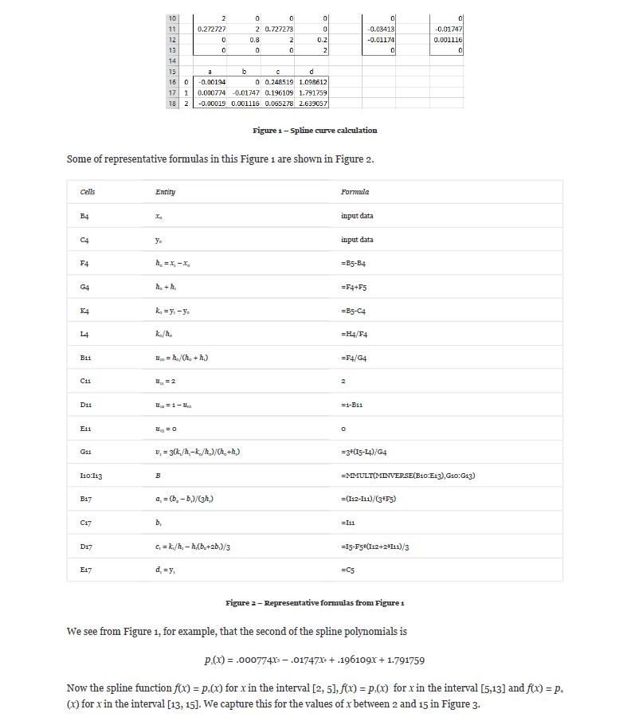
2 | 16 |  |  |  | 2.1 | 2.1 |  |  | 2 |  |  |  | 2
3 | 32 |  |  |  | 2.7125 | 2.7125 |  |  | 3
 |  |  |  |  | 4 | 4
 |  |  |  |  | 6.11875 | 6.11875 |  |  |  | U |  |  |  |  | V |  | B
 |  |  |  |  | 8.95 | 8.95 |  |  |  | 2 | 0 | 0 | 0 |  | 0
 |  |  |  |  | 12.30625 | 12.30625 |  |  |  |  | 2 |  | 0
 |  |  |  |  | 16 | 16 |  |  |  | 0 |  | 2
 |  |  |  |  | 19.86875 | 19.86875 |  |  |  | 0 | 0 | 0 | 2 |  | 0
 |  |  |  |  | 23.85 | 23.85
 |  |  |  |  | 27.90625 | 27.90625 |  |  | i | a | b | c | d | --> y = a(Δx)³ + b(Δx)² + c(Δx) + d
 |  |  |  |  | 32 | 32 |  |  | 0
 |  |  |  |  |  |  |  |  | 1
 |  |  |  |  |  |  |  |  | 2
Test 4: Function(y = e^x, Interpolation: Cubic Spline)
Known Values |  |  | Expected |  |  | Actual | Pass/Fail | Date of Run | Test 4: Create a spline curve that passes through the four points
x | y | Interpolation | x | y |  | Actual | Passed | 5/13/20 | The coefficients for the three cubic polynomials p0, p1 and p2 are shown
0 |  | NATURALCUBICSPLINE |  |  | 1 | 1 |  |  | i | x | y |  | i | h | sum h | k | k/h
1 |  |  |  |  | 1.7238048392 | 1.72380483921749 |  |  | 0 |  |  |  | 0
3 |  |  |  |  | 2.3299159256 | 2.32991592559388 |  |  | 1 |  |  |  | 1
5 |  |  |  |  | 2.7006395063 | 2.7006395062881 |  |  | 2 |  |  |  | 2
 |  |  |  |  | 2.7182818285 | 2.71828182845905 |  |  | 3
 |  |  |  |  | 1.9119897509 | 1.91198975094692
 |  |  |  |  | 2.4116999957 | 2.41169999572953 |  |  |  | U |  |  |  |  | V |  | B
 |  |  |  |  | 7.4065149306 | 7.40651493055906 |  |  |  | 2 | 0 | 0 | 0 |  | 0
 |  |  |  |  | 20.085536923 | 20.0855369231877 |  |  |  |  | 2 |  | 0
 |  |  |  |  | 42.653296721 | 42.6532967206775 |  |  |  | 0 |  | 2
 |  |  |  |  | 73.376038587 | 73.3760385873309 |  |  |  | 0 | 0 | 0 | 2 |  | 0
 |  |  |  |  | 109.53543517 | 109.53543516676
 |  |  |  |  | 148.4131591 | 148.413159102577 |  |  | i | a | b | c | d | --> y = a(Δx)³ + b(Δx)² + c(Δx) + d
 |  |  |  |  |  |  |  |  | 0
 |  |  |  |  |  |  |  |  | 1
 |  |  |  |  |  |  |  |  | 2

Test 5: Function(y = -1/5 * x³, Interpolation: Cubic Spline)
Known Values |  |  | Expected |  |  | Actual | Pass/Fail | Date of Run | Test 5: Create a spline curve that passes through the four points
x | y | Interpolation | x | y |  | Actual | Passed | 5/13/20 | The coefficients for the three cubic polynomials p0, p1 and p2 are shown
0 |  | NATURALCUBICSPLINE |  |  | 0 | 0 |  |  | i | x | y |  | i | h | sum h | k | k/h
2 |  |  |  |  | -0.15543478261 | -0.155434782608696 |  |  | 0 |  |  |  | 0
4 |  |  |  |  | -0.40869565217 | -0.408695652173913 |  |  | 1 |  |  |  | 1
8 |  |  |  |  | -0.85760869565 | -0.857608695652174 |  |  | 2 |  |  |  | 2
 |  |  |  |  | -1.6 | -1.6 |  |  | 3
 |  |  |  |  | -2.7858695652 | -2.78586956521739
 |  |  |  |  | -4.7739130435 | -4.77391304347826 |  |  |  | U |  |  |  |  | V |  | B
 |  |  |  |  | -7.975 | -7.975 |  |  |  | 2 | 0 | 0 | 0 |  | 0
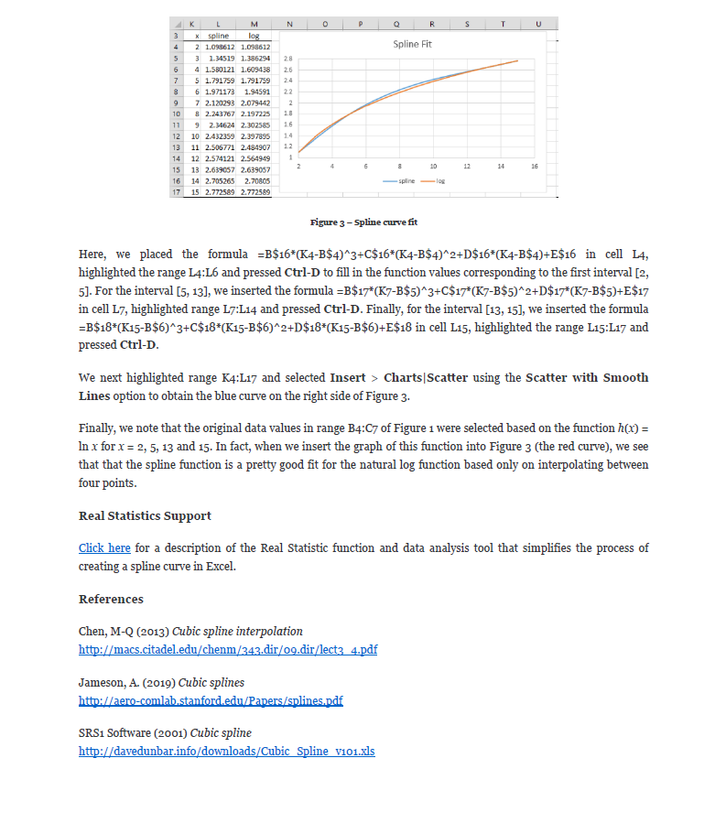
 |  |  |  |  | -12.8 | -12.8 |  |  |  |  | 2 |  | 0
 |  |  |  |  | -28.07826087 | -28.0782608695652 |  |  |  | 0 |  | 2
 |  |  |  |  | -49.460869565 | -49.4608695652174 |  |  |  | 0 | 0 | 0 | 2 |  | 0
 |  |  |  |  | -74.913043478 | -74.9130434782609
 |  |  |  |  | -102.4 | -102.4 |  |  | i | a | b | c | d | --> y = a(Δx)³ + b(Δx)² + c(Δx) + d
 |  |  |  |  |  |  |  |  | 0
 |  |  |  |  |  |  |  |  | 1
 |  |  |  |  |  |  |  |  | 2

Test 6: Function(y = 10x - 32, Interpolation: Cubic Spline)
Known Values |  |  | Expected |  |  | Actual | Pass/Fail | Date of Run | Test 6: Create a spline curve that passes through the four points
x | y | Interpolation | x | y |  | Actual | Passed | 5/13/20 | The coefficients for the three cubic polynomials p0, p1 and p2 are shown
0 |  | NATURALCUBICSPLINE |  |  | -32 | -32 |  |  | i | x | y |  | i | h | sum h | k | k/h
2 |  |  |  |  | -27 | -27 |  |  | 0 |  |  |  | 0
4 |  |  |  |  | -22 | -22 |  |  | 1 |  |  |  | 1
6 |  |  |  |  | -17 | -17 |  |  | 2 |  |  |  | 2
 |  |  |  |  | -12 | -12 |  |  | 3
 |  |  |  |  | -7 | -7
 |  |  |  |  | -2 | -2 |  |  |  | U |  |  |  |  | V |  | B
 |  |  |  |  | 3 | 3 |  |  |  | 2 | 0 | 0 | 0 |  | 0
 |  |  |  |  | 8 | 8 |  |  |  |  | 2 |  | 0
 |  |  |  |  | 13 | 13 |  |  |  | 0 |  | 2
 |  |  |  |  | 18 | 18 |  |  |  | 0 | 0 | 0 | 2 |  | 0
 |  |  |  |  | 23 | 23
 |  |  |  |  | 28 | 28 |  |  | i | a | b | c | d | --> y = a(Δx)³ + b(Δx)² + c(Δx) + d
 |  |  |  |  |  |  |  |  | 0
 |  |  |  |  |  |  |  |  | 1
 |  |  |  |  |  |  |  |  | 2

Test 7: Function(Unknown Equation, Interpolation: Cubic Spline)
Known Values |  |  | Expected |  |  | Actual | Pass/Fail | Date of Run | Test 7: Create a spline curve that passes through the four points
x | y | Interpolation | x | y |  | Actual | Passed | 5/13/20 | The coefficients for the three cubic polynomials p0, p1 and p2 are shown
-1 | 5 | NATURALCUBICSPLINE |  |  | 5 | 5 |  |  | i | x | y |  | i | h | sum h | k | k/h
4 | 2 |  |  |  | 3.9895833333 | 3.98958333333333 |  |  | 0 |  |  |  | 0
6 | 3 |  |  |  | 3.0833333333 | 3.08333333333333 |  |  | 1 |  |  |  | 1
8 | 8 |  |  |  | 2.3854166667 | 2.38541666666667 |  |  | 2 |  |  |  | 2
 |  |  |  |  | 2 | 2 |  |  | 3
 |  |  |  |  | 1.9677083333 | 1.96770833333333
 |  |  |  |  | 2.075 | 2.075 |  |  |  | U |  |  |  |  | V |  | B
 |  |  |  |  | 2.3947916667 | 2.39479166666667 |  |  |  | 2 | 0 | 0 | 0 |  | 0
 |  |  |  |  | 3 | 3 |  |  |  |  | 2 |  | 0
 |  |  |  |  | 3.9364583333 | 3.93645833333333 |  |  |  | 0 |  | 2
 |  |  |  |  | 5.1416666667 | 5.14166666666667 |  |  |  | 0 | 0 | 0 | 2 |  | 0
 |  |  |  |  | 6.5260416667 | 6.52604166666667
 |  |  |  |  | 8 | 8 |  |  | i | a | b | c | d | --> y = a(Δx)³ + b(Δx)² + c(Δx) + d
 |  |  |  |  |  |  |  |  | 0 |  |  |  |  |  |  |  |  | Source: https://www.real-statistics.com/other-mathematical-topics/spline-fitting-interpolation/
 |  |  |  |  |  |  |  |  | 1
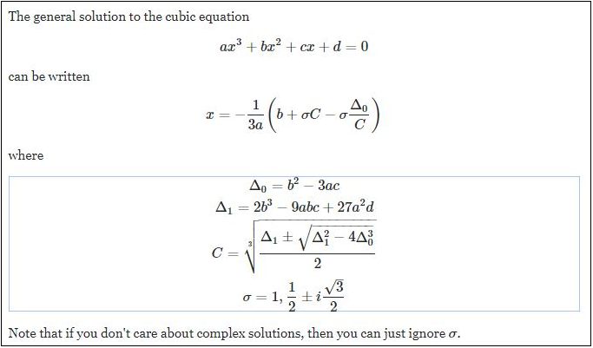
 |  |  |  |  |  |  |  |  | 2

Test 8: Function(Unknown Equation, Interpolation: Cubic Spline)
Known Values |  |  | Expected |  |  | Actual | Pass/Fail | Date of Run | Test 8: Create a spline curve that passes through the four points
x | y | Interpolation | x | y |  | Actual | Passed | 5/13/20 | The coefficients for the three cubic polynomials p0, p1 and p2 are shown
-2 | 2 | NATURALCUBICSPLINE |  |  | 2 | 2 |  |  | i | x | y |  | i | h | sum h | k | k/h
4 | 5 |  |  |  | 5.4717741935 | 5.47177419354839 |  |  | 0 |  |  |  | 0
6 | -1 |  |  |  | 7.8548387097 | 7.85483870967742 |  |  | 1 |  |  |  | 1
8 | 5 |  |  |  | 8.060483871 | 8.06048387096774 |  |  | 2 |  |  |  | 2
 |  |  |  |  | 5 | 5 |  |  | 3
 |  |  |  |  | 3.1446572581 | 3.14465725806452
 |  |  |  |  | 1.2379032258 | 1.23790322580645 |  |  |  | U |  |  |  |  | V |  | B
 |  |  |  |  | -0.28780241935 | -0.287802419354839 |  |  |  | 2 | 0 | 0 | 0 |  | 0
 |  |  |  |  | -1 | -1 |  |  |  |  | 2 |  | 0
 |  |  |  |  | -0.59022177419 | -0.590221774193548 |  |  |  | 0 |  | 2
 |  |  |  |  | 0.75403225806 | 0.754032258064516 |  |  |  | 0 | 0 | 0 | 2 |  | 0
 |  |  |  |  | 2.7212701613 | 2.72127016129032
 |  |  |  |  | 5 | 5 |  |  | i | a | b | c | d | --> y = a(Δx)³ + b(Δx)² + c(Δx) + d
 |  |  |  |  |  |  |  |  | 0
 |  |  |  |  |  |  |  |  | 1
 |  |  |  |  |  |  |  |  | 2 |  |  |  |  |  |  |  |  | Source: https://math.stackexchange.com/questions/1483839/find-the-inverse-of-the-cubic-function/3106397

Test 9: Function(Unknown Equation, Interpolation: Cubic Spline)
Known Values |  |  | Expected |  |  | Actual | Pass/Fail | Date of Run | Test 9: Create a spline curve that passes through the four points
x | y | Interpolation | x | y |  | Actual | Passed | 5/13/20 | The coefficients for the three cubic polynomials p0, p1 and p2 are shown
0 | 4 | NATURALCUBICSPLINE |  |  | 4 | 4 |  |  | i | x | y |  | i | h | sum h | k | k/h
3 | 6 |  |  |  | 4.9022381757 | 4.90223817567568 |  |  | 0 |  |  |  | 0
6 | 3 |  |  |  | 5.6435810811 | 5.64358108108108 |  |  | 1 |  |  |  | 1
8 | 4 |  |  |  | 6.0631334459 | 6.06313344594595 |  |  | 2 |  |  |  | 2
 |  |  |  |  | 6 | 6 |  |  | 3
 |  |  |  |  | 5.3760557432 | 5.37605574324324
 |  |  |  |  | 4.4442567568 | 4.44425675675676 |  |  |  | U |  |  |  |  | V |  | B
 |  |  |  |  | 3.5403293919 | 3.54032939189189 |  |  |  | 2 | 0 | 0 | 0 |  | 0
 |  |  |  |  | 3 | 3 |  |  |  |  | 2 |  | 0
 |  |  |  |  | 2.9780405405 | 2.97804054054054 |  |  |  | 0 |  | 2
 |  |  |  |  | 3.1891891892 | 3.18918918918919 |  |  |  | 0 | 0 | 0 | 2 |  | 0
 |  |  |  |  | 3.5557432432 | 3.55574324324324
 |  |  |  |  | 4 | 4 |  |  | i | a | b | c | d | --> y = a(Δx)³ + b(Δx)² + c(Δx) + d
 |  |  |  |  |  |  |  |  | 0
 |  |  |  |  |  |  |  |  | 1
 |  |  |  |  |  |  |  |  | 2

Test 10: Function(Unknown Equation, Interpolation: Cubic Spline)
Known Values |  |  | Expected |  |  | Actual | Pass/Fail | Date of Run | Test 10: Create a spline curve that passes through the four points
x | y | Interpolation | x | y |  | Actual | Passed | 5/13/20 | The coefficients for the three cubic polynomials p0, p1 and p2 are shown
0 | 20 | NATURALCUBICSPLINE |  |  | 20 | 20 |  |  | i | x | y |  | i | h | sum h | k | k/h
3 | 6 |  |  |  | 17.55785473 | 17.5578547297297 |  |  | 0 |  |  |  | 0
6 | -10 |  |  |  | 14.692567568 | 14.6925675675676 |  |  | 1 |  |  |  | 1
8 | 12 |  |  |  | 10.980996622 | 10.9809966216216 |  |  | 2 |  |  |  | 2
 |  |  |  |  | 6 | 6 |  |  | 3
 |  |  |  |  | -0.2816722973 | -0.281672297297298
 |  |  |  |  | -6.3277027027 | -6.3277027027027 |  |  |  | U |  |  |  |  | V |  | B
 |  |  |  |  | -10.209881757 | -10.2098817567568 |  |  |  | 2 | 0 | 0 | 0 |  | 0
 |  |  |  |  | -10 | -10 |  |  |  |  | 2 |  | 0
 |  |  |  |  | -6.8412162162 | -6.84121621621622 |  |  |  | 0 |  | 2
 |  |  |  |  | -1.6756756757 | -1.67567567567568 |  |  |  | 0 | 0 | 0 | 2 |  | 0
 |  |  |  |  | 4.8277027027 | 4.8277027027027
 |  |  |  |  | 12 | 12 |  |  | i | a | b | c | d | --> y = a(Δx)³ + b(Δx)² + c(Δx) + d
 |  |  |  |  |  |  |  |  | 0
 |  |  |  |  |  |  |  |  | 1
 |  |  |  |  |  |  |  |  | 2

Test 11: Function(2x³ - 3x² + x/2 - 5, Interpolation: Cubic Spline)
Known Values |  |  | Expected |  |  | Actual | Pass/Fail | Date of Run | Test 10: Create a spline curve that passes through the four points
x | y | Interpolation | x | y |  | Actual | Passed | 5/13/20 | The coefficients for the three cubic polynomials p0, p1 and p2 are shown
0 |  | NATURALCUBICSPLINE |  |  | -5 | -5 |  |  | i | x | y |  | i | h | sum h | k | k/h
3 |  |  |  |  | -6.1414695946 | -6.14146959459459 |  |  | 0 |  |  |  | 0
6 |  |  |  |  | -3.9763513514 | -3.97635135135135 |  |  | 1 |  |  |  | 1
8 |  |  |  |  | 4.8019425676 | 4.80194256756757 |  |  | 2 |  |  |  | 2
 |  |  |  |  | 23.5 | 23.5 |  |  | 3
 |  |  |  |  | 56.336570946 | 56.3365709459459
 |  |  |  |  | 111.17905405 | 111.179054054054 |  |  |  | U |  |  |  |  | V |  | B
 |  |  |  |  | 196.80701014 | 196.807010135135 |  |  |  | 2 | 0 | 0 | 0 |  | 0
 |  |  |  |  | 322 | 322 |  |  |  |  | 2 |  | 0
 |  |  |  |  | 430.44932432 | 430.449324324324 |  |  |  | 0 |  | 2
 |  |  |  |  | 555.01351351 | 555.013513513514 |  |  |  | 0 | 0 | 0 | 2 |  | 0
 |  |  |  |  | 690.32094595 | 690.320945945946
 |  |  |  |  | 831 | 831 |  |  | i | a | b | c | d | --> y = a(Δx)³ + b(Δx)² + c(Δx) + d
 |  |  |  |  |  |  |  |  | 0
 |  |  |  |  |  |  |  |  | 1
 |  |  |  |  |  |  |  |  | 2

Test 12: Function(log(x) base 10, Interpolation: Cubic Spline)
Known Values |  |  | Expected |  |  | Actual | Pass/Fail | Date of Run | Test 10: Create a spline curve that passes through the four points
x | y | Interpolation | x | y |  | Actual | Passed | 5/13/20 | The coefficients for the three cubic polynomials p0, p1 and p2 are shown
2 |  | NATURALCUBICSPLINE |  |  | 0.30102999566 | 0.301029995663981 |  |  | i | x | y |  | i | h | sum h | k | k/h
10 |  |  |  |  | 0.49298066794 | 0.492980667942593 |  |  | 0 |  |  |  | 0
30 |  |  |  |  | 0.67804807174 | 0.678048071743363 |  |  | 1 |  |  |  | 1
100 |  |  |  |  | 0.84934893859 | 0.849348938588446 |  |  | 2 |  |  |  | 2
 |  |  |  |  | 1 | 1 |  |  | 3
 |  |  |  |  | 1.2664362586 | 1.26643625856781
 |  |  |  |  | 1.4051774544 | 1.40517745440204 |  |  |  | U |  |  |  |  | V |  | B
 |  |  |  |  | 1.4606102367 | 1.46061023671516 |  |  |  | 2 | 0 | 0 | 0 |  | 0
 |  |  |  |  | 1.4771212547 | 1.47712125471966 |  |  |  |  | 2 |  | 0
 |  |  |  |  | 1.549264206 | 1.54926420597641 |  |  |  | 0 |  | 2
 |  |  |  |  | 1.6716157873 | 1.67161578728745 |  |  |  | 0 | 0 | 0 | 2 |  | 0
 |  |  |  |  | 1.8274397886 | 1.82743978863468
 |  |  |  |  | 2 | 2 |  |  | i | a | b | c | d | --> y = a(Δx)³ + b(Δx)² + c(Δx) + d
 |  |  |  |  |  |  |  |  | 0
 |  |  |  |  |  |  |  |  | 1
 |  |  |  |  |  |  |  |  | 2

Test 13: Function(log(x) base 5, Interpolation: Cubic Spline)
Known Values |  |  | Expected |  |  | Actual | Pass/Fail | Date of Run | Test 13: Create a spline curve that passes through the four points
x | y | Interpolation | x | y |  | Actual | Passed | 5/13/20 | The coefficients for the three cubic polynomials p0, p1 and p2 are shown
2 |  | NATURALCUBICSPLINE |  |  | 0.43067655807 | 0.430676558073393 |  |  | i | x | y |  | i | h | sum h | k | k/h
10 |  |  |  |  | 0.70529588521 | 0.705295885208832 |  |  | 0 |  |  |  | 0
30 |  |  |  |  | 0.97006748149 | 0.970067481490095 |  |  | 1 |  |  |  | 1
100 |  |  |  |  | 1.2151436161 | 1.21514361606301 |  |  | 2 |  |  |  | 2
 |  |  |  |  | 1.4306765581 | 1.43067655807339 |  |  | 3
 |  |  |  |  | 1.8118606674 | 1.81186066742715
 |  |  |  |  | 2.0103544439 | 2.01035444394624 |  |  |  | U |  |  |  |  | V |  | B
 |  |  |  |  | 2.0896608262 | 2.08966082615041 |  |  |  | 2 | 0 | 0 | 0 |  | 0
 |  |  |  |  | 2.1132827526 | 2.11328275255938 |  |  |  |  | 2 |  | 0
 |  |  |  |  | 2.2164959818 | 2.21649598175265 |  |  |  | 0 |  | 2
 |  |  |  |  | 2.391541521 | 2.39154152097756 |  |  |  | 0 | 0 | 0 | 2 |  | 0
 |  |  |  |  | 2.6144752669 | 2.61447526689023
 |  |  |  |  | 2.8613531161 | 2.86135311614679 |  |  | i | a | b | c | d | --> y = a(Δx)³ + b(Δx)² + c(Δx) + d
 |  |  |  |  |  |  |  |  | 0
 |  |  |  |  |  |  |  |  | 1
 |  |  |  |  |  |  |  |  | 2

Test 14: Function(cos²(x) + 1/3sin(x) - 2sin²(x), Interpolation: Cubic Spline)
Known Values |  |  | Expected |  |  | Actual | Pass/Fail | Date of Run | Test 14: Create a spline curve that passes through the four points
x | y | Interpolation | x | y |  | Actual | Passed | 5/13/20 | The coefficients for the three cubic polynomials p0, p1 and p2 are shown
2 |  | NATURALCUBICSPLINE |  |  | -1.177366289 | -1.17736628902019 |  |  | i | x | y |  | i | h | sum h | k | k/h
10 |  |  |  |  | -0.82674898746 | -0.826748987458069 |  |  | 0 |  |  |  | 0
30 |  |  |  |  | -0.50556370538 | -0.505563705376413 |  |  | 1 |  |  |  | 1
100 |  |  |  |  | -0.24324246226 | -0.243242462255691 |  |  | 2 |  |  |  | 2
 |  |  |  |  | -0.069217277576 | -0.0692172775763685 |  |  | 3
 |  |  |  |  | -0.097935799627 | -0.0979357996272109
 |  |  |  |  | -0.62836171444 | -0.628361714436781 |  |  |  | U |  |  |  |  | V |  | B
 |  |  |  |  | -1.4264019278 | -1.42640192775214 |  |  |  | 2 | 0 | 0 | 0 |  | 0
 |  |  |  |  | -2.2579633453 | -2.25796334532036 |  |  |  |  | 2 |  | 0
 |  |  |  |  | -3.8278542136 | -3.82785421356019 |  |  |  | 0 |  | 2
 |  |  |  |  | -3.5549908424 | -3.55499084242425 |  |  |  | 0 | 0 | 0 | 2 |  | 0
 |  |  |  |  | -2.053624645 | -2.05362464503779
 |  |  |  |  | 0.061992965474 | 0.0619929654739271 |  |  | i | a | b | c | d | --> y = a(Δx)³ + b(Δx)² + c(Δx) + d
 |  |  |  |  |  |  |  |  | 0
 |  |  |  |  |  |  |  |  | 1
 |  |  |  |  |  |  |  |  | 2
Test 14: Function(cos²(x) + 1/3sin(x) - 2sin²(x), Interpolation: Cubic Spline)
Known Values |  |  | Expected
x | y | Interpolation | x | y |  | Actual | Failed | 5/13/20
2 | -1.177366289 | NATURALCUBICSPLINE | 2 | -1.177366289 | -1.177366289 | -1.17736628902019
10 | -0.069217277576 |  | 4 | -0.82674898746 | -0.82674898746 | -0.825021899884298
30 | -2.2579633453 |  | 6 | -0.50556370538 | -0.50556370538 | -0.50280036525838
100 | 0.061992965474 |  | 8 | -0.24324246226 | -0.24324246226 | -0.240824539652412
120 |  |  | 10 | -0.069217277576 | -0.069217277576 | -0.0692172775763685
 |  |  | 15 | -0.097935799627 | -0.097935799627 | -0.113047815897701
 |  |  | 20 | -0.62836171444 | -0.62836171444 | -0.659449290764646
 |  |  | 25 | -1.4264019278 | -1.4264019278 | -1.45792127597345
 |  |  | 30 | -2.2579633453 | -2.2579633453 | -2.25796334532036
 |  |  | 47.5 | -3.8278542136 | -3.8278542136 | -3.43191938727339
 |  |  | 65 | -3.5549908424 | -3.5549908424 | -2.68453870524411
 |  |  | 82.5 | -2.053624645 | -2.053624645 | -1.14388126555438
 |  |  | 100 | 0.061992965474 | 0.061992965474 | 0.0619929654739224

