F(x) - Cubic Spline
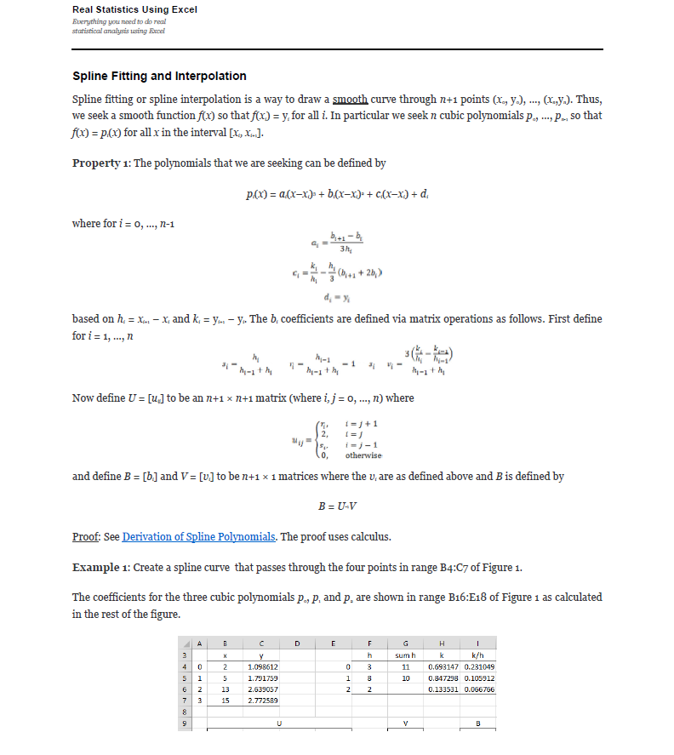
Compose testing. Function1's y axis is the same type as Function2's x axis. The interpolation method for these tests is linear interpolation.
Use -9999 in the first row of the expected columns to indicate an InvalidOperationException. This occurs when there is no overlap between the two functions. |  |  |  |  |  |  |  |  |  |  |  |  |  |  |  |  |  | References: | Example:
Note: Expected x-axis from Function 1 x-axis, and Expected y-axis from Function2 x-axis |  |  |  |  |  |  |  |  | Test 1: Create a spline curve that passes through the four points |  |  |  |  |  |  |  |  |  | Template: Create a spline curve that passes through the four points
 |  |  |  |  |  |  |  |  | The coefficients for the three cubic polynomials p0, p1 and p2 are shown |  |  |  |  |  |  |  |  |  | The coefficients for the three cubic polynomials p0, p1 and p2 are shown
Test 1: Function(y = ln(x), Interpolation: Cubic Spline) |  |  |  |  |  |  |  |  | i | x | y |  | i | h | sum h | k | k/h |  | i | x | y |  | i | h | sum h | k | k/h
Known Values |  |  | Expected |  |  | Actual | Pass/Fail | Date of Run | 0 | 2 | 0.69314718056 |  | 0 | 3 | 11 | 0.91629073187 | 0.30543024396 |  | 0 |  |  |  | 0 | 0 | 0 | 0 | #DIV/0!
x | y | Interpolation | x | y | ExpectedNoFormulas | Actual | Passed | 4/22/20 | 1 | 5 | 1.6094379124 |  | 1 | 8 | 10 | 0.95551144503 | 0.11943893063 |  | 1 |  |  |  | 1 | 0 | 0 | 0 | #DIV/0!
2 | 0.69314718056 | NATURALCUBICSPLINE | 2 | 0.69314718056 | 0.69314718056 | 0.693147180559945 |  |  | 2 | 13 | 2.5649493575 |  | 2 | 2 |  | 0.14310084364 | 0.07155042182 |  | 2 |  |  |  | 2 | 0 |  | 0 | #DIV/0!
5 | 1.6094379124 |  | 2.75 | 0.94093898572 | 0.94093898572 | 0.940938985722518 |  |  | 3 | 15 | 2.7080502011 |  |  |  |  |  |  |  | 3
13 | 2.5649493575 |  | 3.5 | 1.181243142 | 1.181243142 | 1.18124314200748
15 | 2.7080502011 |  | 4.25 | 1.4065720005 | 1.4065720005 | 1.40657200053721 |  |  |  | U |  |  |  |  | V |  | B |  |  | U |  |  |  |  | V |  | B
 |  |  | 5 | 1.6094379124 | 1.6094379124 | 1.6094379124341 |  |  |  | 2 | 0 | 0 | 0 |  | 0 |  | 0 |  |  | 2 | 0 | 0 | 0 |  | 0 |  | #DIV/0!
 |  |  | 7 | 2.0173459131 | 2.0173459131 | 2.01734591312127 |  |  |  | 0.27272727273 | 2 | 0.72727272727 | 0 |  | -0.050724903635 |  | -0.026622751565 |  |  | #DIV/0! | 2 | #DIV/0! | 0 |  | #DIV/0! |  | #DIV/0!
 |  |  | 9 | 2.272449053 | 2.272449053 | 2.2724490530288 |  |  |  | 0 | 0.8 | 2 | 0.2 |  | -0.014366552642 |  | 0.0034658243047 |  |  | 0 | #DIV/0! | 2 | #DIV/0! |  | #DIV/0! |  | #DIV/0!
 |  |  | 11 | 2.4349244839 | 2.4349244839 | 2.43492448389584 |  |  |  | 0 | 0 | 0 | 2 |  | 0 |  | 0 |  |  | 0 | 0 | 0 | 2 |  | 0 |  | #DIV/0!
 |  |  | 13 | 2.5649493575 | 2.5649493575 | 2.56494935746154
 |  |  | 13.5 | 2.5992082702 | 2.5992082702 | 2.59920827023839 |  |  | i | a | b | c | d | --> y = a(Δx)³ + b(Δx)² + c(Δx) + d |  |  |  |  | i | a | b | c | d | --> y = a(Δx)³ + b(Δx)² + c(Δx) + d
 |  |  | 14 | 2.6347668671 | 2.6347668671 | 2.63476686712951 |  |  | 0 | -0.0029580835072 | 0 | 0.33205299552 | 0.69314718056 |  |  |  |  |  | 0 | #DIV/0! | #DIV/0! | #DIV/0! | 0
 |  |  | 14.5 | 2.6711919201 | 2.6711919201 | 2.67119192009682 |  |  | 1 | 0.0012536906612 | -0.026622751565 | 0.25218474083 | 1.6094379124 |  |  |  |  |  | 1 | #DIV/0! | #DIV/0! | #DIV/0! | 0
 |  |  | 15 | 2.7080502011 | 2.7080502011 | 2.70805020110221 |  |  | 2 | -0.00057763738412 | 0.0034658243047 | 0.066929322747 | 2.5649493575 |  |  |  |  |  | 2 | #DIV/0! | #DIV/0! | #DIV/0! | 0

Test 2: Function(y = x + 1, Interpolation: Cubic Spline) |  |  |  |  |  |  |  |  | Test 2: Create a spline curve that passes through the four points |  |  |  |  |  |  |  |  |  | Example 1: Create a spline curve that passes through the four points
Known Values |  |  | Expected |  | ExpectedNoFormulas | Actual | Pass/Fail | Date of Run | The coefficients for the three cubic polynomials p0, p1 and p2 are shown |  |  |  |  |  |  |  |  |  | The coefficients for the three cubic polynomials p0, p1 and p2 are shown
x | y | Interpolation | x | y |  | Actual | Passed | 4/22/20 | i | x | y |  | i | h | sum h | k | k/h |  | i | x | y |  | i | h | sum h | k | k/h
0 | 1 | NATURALCUBICSPLINE | 0 | 1 | 1 | 1 |  |  | 0 | 0 | 1 |  | 0 | 1 | 2 | 1 | 1 |  | 0 | 2 | 1.098612 |  | 0 | 3 | 11 | 0.693147 | 0.231049
1 | 2 |  | 0.25 | 1.25 | 1.25 | 1.25 |  |  | 1 | 1 | 2 |  | 1 | 1 | 2 | 1 | 1 |  | 1 | 5 | 1.791759 |  | 1 | 8 | 10 | 0.847298 | 0.10591225
2 | 3 |  | 0.5 | 1.5 | 1.5 | 1.5 |  |  | 2 | 2 | 3 |  | 2 | 1 |  | 1 | 1 |  | 2 | 13 | 2.639057 |  | 2 | 2 |  | 0.133532 | 0.066766
3 | 4 |  | 0.75 | 1.75 | 1.75 | 1.75 |  |  | 3 | 3 | 4 |  |  |  |  |  |  |  | 3 | 15 | 2.772589
 |  |  | 1 | 2 | 2 | 2
 |  |  | 1.25 | 2.25 | 2.25 | 2.25 |  |  |  | U |  |  |  |  | V |  | B |  |  | U |  |  |  |  | V |  | B
 |  |  | 1.5 | 2.5 | 2.5 | 2.5 |  |  |  | 2 | 0 | 0 | 0 |  | 0 |  | 0 |  |  | 2 | 0 | 0 | 0 |  | 0 |  | 0
 |  |  | 1.75 | 2.75 | 2.75 | 2.75 |  |  |  | 0.5 | 2 | 0.5 | 0 |  | 0 |  | 0 |  |  | 0.27272727273 | 2 | 0.72727272727 | 0 |  | -0.034128204545 |  | -0.017469933511
 |  |  | 2 | 3 | 3 | 3 |  |  |  | 0 | 0.5 | 2 | 0.5 |  | 0 |  | 0 |  |  | 0 | 0.8 | 2 | 0.2 |  | -0.011743875 |  | 0.0011160359043
 |  |  | 2.25 | 3.25 | 3.25 | 3.25 |  |  |  | 0 | 0 | 0 | 2 |  | 0 |  | 0 |  |  | 0 | 0 | 0 | 2 |  | 0 |  | 0
 |  |  | 2.5 | 3.5 | 3.5 | 3.5
 |  |  | 2.75 | 3.75 | 3.75 | 3.75 |  |  | i | a | b | c | d | --> y = a(Δx)³ + b(Δx)² + c(Δx) + d |  |  |  |  | i | a | b | c | d
 |  |  | 3 | 4 | 4 | 4 |  |  | 0 | 0 | 0 | 1 | 1 |  |  |  |  |  | 0 | -0.0019411037234 | 0 | 0.24851893351 | 1.098612 | --> y = a(Δx)³ + b(Δx)² + c(Δx) + d
 |  |  |  |  |  |  |  |  | 1 | 0 | 0 | 1 | 2 |  |  |  |  |  | 1 | 0.00077441539229 | -0.017469933511 | 0.19610913298 | 1.791759
 |  |  |  |  |  |  |  |  | 2 | 0 | 0 | 1 | 3 |  |  |  |  |  | 2 | -0.00018600598404 | 0.0011160359043 | 0.065277952128 | 2.639057

Test 3: Function(Exponential, Interpolation: Cubic Spline) |  |  |  |  |  |  |  |  | Test 3: Create a spline curve that passes through the four points
Known Values |  |  | Expected |  |  | Actual | Pass/Fail | Date of Run | The coefficients for the three cubic polynomials p0, p1 and p2 are shown
x | y | Interpolation | x | y |  | Actual | Passed | 4/22/20 | i | x | y |  | i | h | sum h | k | k/h
0 | 2 | NATURALCUBICSPLINE | 0 | 2 | 2 | 2 |  |  | 0 | 0 | 2 |  | 0 | 1 | 2 | 2 | 2
1 | 4 |  | 0.25 | 1.9375 | 1.9375 | 1.9375 |  |  | 1 | 1 | 4 |  | 1 | 1 | 2 | 12 | 12
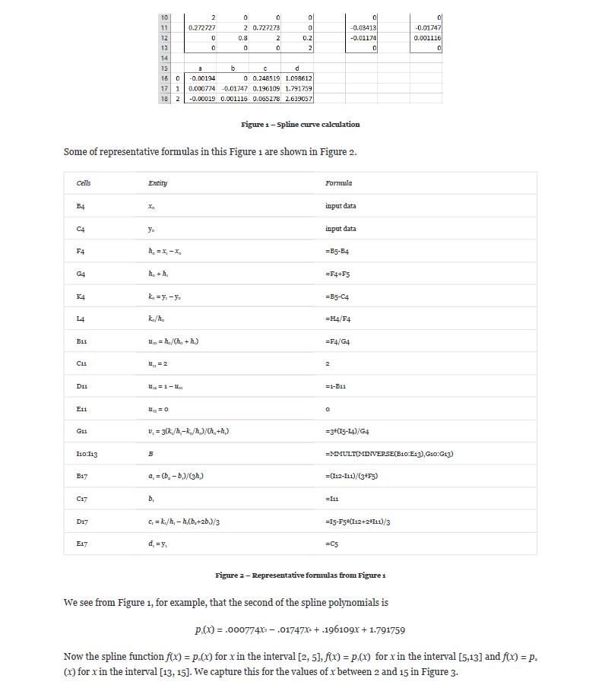
2 | 16 |  | 0.5 | 2.1 | 2.1 | 2.1 |  |  | 2 | 2 | 16 |  | 2 | 1 |  | 16 | 16
3 | 32 |  | 0.75 | 2.7125 | 2.7125 | 2.7125 |  |  | 3 | 3 | 32
 |  |  | 1 | 4 | 4 | 4
 |  |  | 1.25 | 6.11875 | 6.11875 | 6.11875 |  |  |  | U |  |  |  |  | V |  | B
 |  |  | 1.5 | 8.95 | 8.95 | 8.95 |  |  |  | 2 | 0 | 0 | 0 |  | 0 |  | 0
 |  |  | 1.75 | 12.30625 | 12.30625 | 12.30625 |  |  |  | 0.5 | 2 | 0.5 | 0 |  | 15 |  | 7.2
 |  |  | 2 | 16 | 16 | 16 |  |  |  | 0 | 0.5 | 2 | 0.5 |  | 6 |  | 1.2
 |  |  | 2.25 | 19.86875 | 19.86875 | 19.86875 |  |  |  | 0 | 0 | 0 | 2 |  | 0 |  | 0
 |  |  | 2.5 | 23.85 | 23.85 | 23.85
 |  |  | 2.75 | 27.90625 | 27.90625 | 27.90625 |  |  | i | a | b | c | d | --> y = a(Δx)³ + b(Δx)² + c(Δx) + d
 |  |  | 3 | 32 | 32 | 32 |  |  | 0 | 2.4 | 0 | -0.4 | 2
 |  |  |  |  |  |  |  |  | 1 | -2 | 7.2 | 6.8 | 4
 |  |  |  |  |  |  |  |  | 2 | -0.4 | 1.2 | 15.2 | 16
Test 4: Function(y = e^x, Interpolation: Cubic Spline)
Known Values |  |  | Expected |  |  | Actual | Pass/Fail | Date of Run | Test 4: Create a spline curve that passes through the four points
x | y | Interpolation | x | y |  | Actual | Passed | 4/22/20 | The coefficients for the three cubic polynomials p0, p1 and p2 are shown
0 | 1 | NATURALCUBICSPLINE | 0 | 1 | 1 | 1 |  |  | i | x | y |  | i | h | sum h | k | k/h
1 | 2.7182818285 |  | 0.25 | 1.7238048392 | 1.7238048392 | 1.72380483921749 |  |  | 0 | 0 | 1 |  | 0 | 1 | 3 | 1.7182818285 | 1.7182818285
3 | 20.085536923 |  | 0.5 | 2.3299159256 | 2.3299159256 | 2.32991592559388 |  |  | 1 | 1 | 2.7182818285 |  | 1 | 2 | 4 | 17.367255095 | 8.6836275474
5 | 148.4131591 |  | 0.75 | 2.7006395063 | 2.7006395063 | 2.7006395062881 |  |  | 2 | 3 | 20.085536923 |  | 2 | 2 |  | 128.32762218 | 64.16381109
 |  |  | 1 | 2.7182818285 | 2.7182818285 | 2.71828182845905 |  |  | 3 | 5 | 148.4131591
 |  |  | 1.5 | 1.9119897509 | 1.9119897509 | 1.91198975094692
 |  |  | 2 | 2.4116999957 | 2.4116999957 | 2.41169999572953 |  |  |  | U |  |  |  |  | V |  | B
 |  |  | 2.5 | 7.4065149306 | 7.4065149306 | 7.40651493055906 |  |  |  | 2 | 0 | 0 | 0 |  | 0 |  | 0
 |  |  | 3 | 20.085536923 | 20.085536923 | 20.0855369231877 |  |  |  | 0.33333333333 | 2 | 0.66666666667 | 0 |  | 6.9653457189 |  | -3.7662000909
 |  |  | 3.5 | 42.653296721 | 42.653296721 | 42.6532967206775 |  |  |  | 0 | 0.5 | 2 | 0.5 |  | 41.610137657 |  | 21.746618851
 |  |  | 4 | 73.376038587 | 73.376038587 | 73.3760385873309 |  |  |  | 0 | 0 | 0 | 2 |  | 0 |  | 0
 |  |  | 4.5 | 109.53543517 | 109.53543517 | 109.53543516676
 |  |  | 5 | 148.4131591 | 148.4131591 | 148.413159102577 |  |  | i | a | b | c | d | --> y = a(Δx)³ + b(Δx)² + c(Δx) + d
 |  |  |  |  |  |  |  |  | 0 | -1.2554000303 | 0 | 2.9736818588 | 1
 |  |  |  |  |  |  |  |  | 1 | 4.2521364903 | -3.7662000909 | -0.79251823215 | 2.7182818285
 |  |  |  |  |  |  |  |  | 2 | -3.6244364752 | 21.746618851 | 35.168319288 | 20.085536923

Test 5: Function(y = -1/5 * x³, Interpolation: Cubic Spline)
Known Values |  |  | Expected |  |  | Actual | Pass/Fail | Date of Run | Test 5: Create a spline curve that passes through the four points
x | y | Interpolation | x | y |  | Actual | Passed | 4/22/20 | The coefficients for the three cubic polynomials p0, p1 and p2 are shown
0 | 0 | NATURALCUBICSPLINE | 0 | 0 | 0 | 0 |  |  | i | x | y |  | i | h | sum h | k | k/h
2 | -1.6 |  | 0.5 | -0.15543478261 | -0.15543478261 | -0.155434782608696 |  |  | 0 | 0 | 0 |  | 0 | 2 | 4 | -1.6 | -0.8
4 | -12.8 |  | 1 | -0.40869565217 | -0.40869565217 | -0.408695652173913 |  |  | 1 | 2 | -1.6 |  | 1 | 2 | 6 | -11.2 | -5.6
8 | -102.4 |  | 1.5 | -0.85760869565 | -0.85760869565 | -0.857608695652174 |  |  | 2 | 4 | -12.8 |  | 2 | 4 |  | -89.6 | -22.4
 |  |  | 2 | -1.6 | -1.6 | -1.6 |  |  | 3 | 8 | -102.4
 |  |  | 2.5 | -2.7858695652 | -2.7858695652 | -2.78586956521739
 |  |  | 3 | -4.7739130435 | -4.7739130435 | -4.77391304347826 |  |  |  | U |  |  |  |  | V |  | B
 |  |  | 3.5 | -7.975 | -7.975 | -7.975 |  |  |  | 2 | 0 | 0 | 0 |  | 0 |  | 0
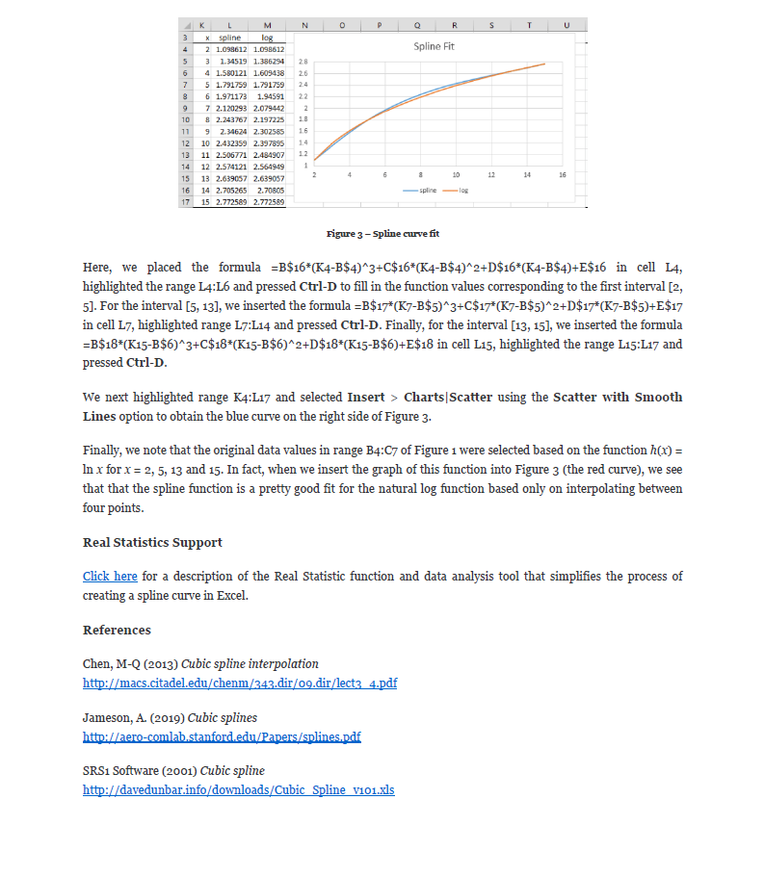
 |  |  | 4 | -12.8 | -12.8 | -12.8 |  |  |  | 0.5 | 2 | 0.5 | 0 |  | -3.6 |  | -0.78260869565
 |  |  | 5 | -28.07826087 | -28.07826087 | -28.0782608695652 |  |  |  | 0 | 0.33333333333 | 2 | 0.66666666667 |  | -8.4 |  | -4.0695652174
 |  |  | 6 | -49.460869565 | -49.460869565 | -49.4608695652174 |  |  |  | 0 | 0 | 0 | 2 |  | 0 |  | 0
 |  |  | 7 | -74.913043478 | -74.913043478 | -74.9130434782609
 |  |  | 8 | -102.4 | -102.4 | -102.4 |  |  | i | a | b | c | d | --> y = a(Δx)³ + b(Δx)² + c(Δx) + d
 |  |  |  |  |  |  |  |  | 0 | -0.13043478261 | 0 | -0.27826086957 | 0
 |  |  |  |  |  |  |  |  | 1 | -0.54782608696 | -0.78260869565 | -1.8434782609 | -1.6
 |  |  |  |  |  |  |  |  | 2 | 0.33913043478 | -4.0695652174 | -11.547826087 | -12.8

Test 6: Function(y = 10x - 32, Interpolation: Cubic Spline)
Known Values |  |  | Expected |  |  | Actual | Pass/Fail | Date of Run | Test 6: Create a spline curve that passes through the four points
x | y | Interpolation | x | y |  | Actual | Passed | 4/22/20 | The coefficients for the three cubic polynomials p0, p1 and p2 are shown
0 | -32 | NATURALCUBICSPLINE | 0 | -32 | -32 | -32 |  |  | i | x | y |  | i | h | sum h | k | k/h
2 | -12 |  | 0.5 | -27 | -27 | -27 |  |  | 0 | 0 | -32 |  | 0 | 2 | 4 | 20 | 10
4 | 8 |  | 1 | -22 | -22 | -22 |  |  | 1 | 2 | -12 |  | 1 | 2 | 4 | 20 | 10
6 | 28 |  | 1.5 | -17 | -17 | -17 |  |  | 2 | 4 | 8 |  | 2 | 2 |  | 20 | 10
 |  |  | 2 | -12 | -12 | -12 |  |  | 3 | 6 | 28
 |  |  | 2.5 | -7 | -7 | -7
 |  |  | 3 | -2 | -2 | -2 |  |  |  | U |  |  |  |  | V |  | B
 |  |  | 3.5 | 3 | 3 | 3 |  |  |  | 2 | 0 | 0 | 0 |  | 0 |  | 0
 |  |  | 4 | 8 | 8 | 8 |  |  |  | 0.5 | 2 | 0.5 | 0 |  | 0 |  | 0
 |  |  | 4.5 | 13 | 13 | 13 |  |  |  | 0 | 0.5 | 2 | 0.5 |  | 0 |  | 0
 |  |  | 5 | 18 | 18 | 18 |  |  |  | 0 | 0 | 0 | 2 |  | 0 |  | 0
 |  |  | 5.5 | 23 | 23 | 23
 |  |  | 6 | 28 | 28 | 28 |  |  | i | a | b | c | d | --> y = a(Δx)³ + b(Δx)² + c(Δx) + d
 |  |  |  |  |  |  |  |  | 0 | 0 | 0 | 10 | -32
 |  |  |  |  |  |  |  |  | 1 | 0 | 0 | 10 | -12
 |  |  |  |  |  |  |  |  | 2 | 0 | 0 | 10 | 8

Test 7: Function(Unknown Equation, Interpolation: Cubic Spline)
Known Values |  |  | Expected |  |  | Actual | Pass/Fail | Date of Run | Test 7: Create a spline curve that passes through the four points
x | y | Interpolation | x | y |  | Actual | Passed | 4/22/20 | The coefficients for the three cubic polynomials p0, p1 and p2 are shown
-1 | 5 | NATURALCUBICSPLINE | -1 | 5 | 5 | 5 |  |  | i | x | y |  | i | h | sum h | k | k/h
4 | 2 |  | 0.25 | 3.9895833333 | 3.9895833333 | 3.98958333333333 |  |  | 0 | -1 | 5 |  | 0 | 5 | 7 | -3 | -0.6
6 | 3 |  | 1.5 | 3.0833333333 | 3.0833333333 | 3.08333333333333 |  |  | 1 | 4 | 2 |  | 1 | 2 | 4 | 1 | 0.5
8 | 8 |  | 2.75 | 2.3854166667 | 2.3854166667 | 2.38541666666667 |  |  | 2 | 6 | 3 |  | 2 | 2 |  | 5 | 2.5
 |  |  | 4 | 2 | 2 | 2 |  |  | 3 | 8 | 8
 |  |  | 4.5 | 1.9677083333 | 1.9677083333 | 1.96770833333333
 |  |  | 5 | 2.075 | 2.075 | 2.075 |  |  |  | U |  |  |  |  | V |  | B
 |  |  | 5.5 | 2.3947916667 | 2.3947916667 | 2.39479166666667 |  |  |  | 2 | 0 | 0 | 0 |  | 0 |  | 0
 |  |  | 6 | 3 | 3 | 3 |  |  |  | 0.71428571429 | 2 | 0.28571428571 | 0 |  | 0.47142857143 |  | 0.13333333333
 |  |  | 6.5 | 3.9364583333 | 3.9364583333 | 3.93645833333333 |  |  |  | 0 | 0.5 | 2 | 0.5 |  | 1.5 |  | 0.71666666667
 |  |  | 7 | 5.1416666667 | 5.1416666667 | 5.14166666666667 |  |  |  | 0 | 0 | 0 | 2 |  | 0 |  | 0
 |  |  | 7.5 | 6.5260416667 | 6.5260416667 | 6.52604166666667
 |  |  | 8 | 8 | 8 | 8 |  |  | i | a | b | c | d | --> y = a(Δx)³ + b(Δx)² + c(Δx) + d
 |  |  |  |  |  |  |  |  | 0 | 0.0088888888889 | 0 | -0.82222222222 | 5 |  |  |  |  | Source: https://www.real-statistics.com/other-mathematical-topics/spline-fitting-interpolation/
 |  |  |  |  |  |  |  |  | 1 | 0.097222222222 | 0.13333333333 | -0.15555555556 | 2
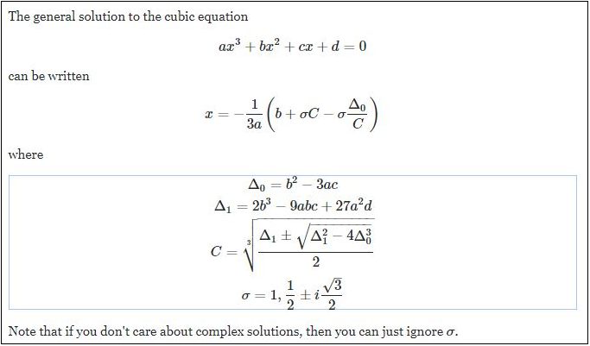
 |  |  |  |  |  |  |  |  | 2 | -0.11944444444 | 0.71666666667 | 1.5444444444 | 3

Test 8: Function(Unknown Equation, Interpolation: Cubic Spline)
Known Values |  |  | Expected |  |  | Actual | Pass/Fail | Date of Run | Test 8: Create a spline curve that passes through the four points
x | y | Interpolation | x | y |  | XValues |  |  | The coefficients for the three cubic polynomials p0, p1 and p2 are shown
-2 | 2 | NATURALCUBICSPLINE | -2 | 2 | 2 |  |  |  | i | x | y |  | i | h | sum h | k | k/h
4 | 5 |  | -0.5 | 5.4717741935 | 5.4717741935 |  |  |  | 0 | -2 | 2 |  | 0 | 6 | 8 | 3 | 0.5
6 | -1 |  | 1 | 7.8548387097 | 7.8548387097 |  |  |  | 1 | 4 | 5 |  | 1 | 2 | 4 | -6 | -3
8 | 5 |  | 2.5 | 8.060483871 | 8.060483871 |  |  |  | 2 | 6 | -1 |  | 2 | 2 |  | 6 | 3
 |  |  | 4 | 5 | 5 |  |  |  | 3 | 8 | 5
 |  |  | 4.5 | 3.1446572581 | 3.1446572581
 |  |  | 5 | 1.2379032258 | 1.2379032258 |  |  |  |  | U |  |  |  |  | V |  | B
 |  |  | 5.5 | -0.28780241935 | -0.28780241935 |  |  |  |  | 2 | 0 | 0 | 0 |  | 0 |  | 0
 |  |  | 6 | -1 | -1 |  |  |  |  | 0.75 | 2 | 0.25 | 0 |  | -1.3125 |  | -0.96774193548
 |  |  | 6.5 | -0.59022177419 | -0.59022177419 |  |  |  |  | 0 | 0.5 | 2 | 0.5 |  | 4.5 |  | 2.4919354839
 |  |  | 7 | 0.75403225806 | 0.75403225806 |  |  |  |  | 0 | 0 | 0 | 2 |  | 0 |  | 0
 |  |  | 7.5 | 2.7212701613 | 2.7212701613
 |  |  | 8 | 5 | 5 |  |  |  | i | a | b | c | d | --> y = a(Δx)³ + b(Δx)² + c(Δx) + d
 |  |  |  |  |  |  |  |  | 0 | -0.05376344086 | 0 | 2.435483871 | 2
 |  |  |  |  |  |  |  |  | 1 | 0.57661290323 | -0.96774193548 | -3.3709677419 | 5
 |  |  |  |  |  |  |  |  | 2 | -0.41532258065 | 2.4919354839 | -0.32258064516 | -1 |  |  |  |  | Source: https://math.stackexchange.com/questions/1483839/find-the-inverse-of-the-cubic-function/3106397

Test 9: Function(Unknown Equation, Interpolation: Cubic Spline)
Known Values |  |  | Expected |  |  | Actual | Pass/Fail | Date of Run | Test 9: Create a spline curve that passes through the four points
x | y | Interpolation | x | y |  | XValues |  |  | The coefficients for the three cubic polynomials p0, p1 and p2 are shown
0 | 4 | NATURALCUBICSPLINE | 0 | 4 | 4 |  |  |  | i | x | y |  | i | h | sum h | k | k/h
3 | 6 |  | 0.75 | 4.9022381757 | 4.9022381757 |  |  |  | 0 | 0 | 4 |  | 0 | 3 | 6 | 2 | 0.66666666667
6 | 3 |  | 1.5 | 5.6435810811 | 5.6435810811 |  |  |  | 1 | 3 | 6 |  | 1 | 3 | 5 | -3 | -1
8 | 4 |  | 2.25 | 6.0631334459 | 6.0631334459 |  |  |  | 2 | 6 | 3 |  | 2 | 2 |  | 1 | 0.5
 |  |  | 3 | 6 | 6 |  |  |  | 3 | 8 | 4
 |  |  | 3.75 | 5.3760557432 | 5.3760557432
 |  |  | 4.5 | 4.4442567568 | 4.4442567568 |  |  |  |  | U |  |  |  |  | V |  | B
 |  |  | 5.25 | 3.5403293919 | 3.5403293919 |  |  |  |  | 2 | 0 | 0 | 0 |  | 0 |  | 0
 |  |  | 6 | 3 | 3 |  |  |  |  | 0.5 | 2 | 0.5 | 0 |  | -0.83333333333 |  | -0.57207207207
 |  |  | 6.5 | 2.9780405405 | 2.9780405405 |  |  |  |  | 0 | 0.6 | 2 | 0.4 |  | 0.9 |  | 0.62162162162
 |  |  | 7 | 3.1891891892 | 3.1891891892 |  |  |  |  | 0 | 0 | 0 | 2 |  | 0 |  | 0
 |  |  | 7.5 | 3.5557432432 | 3.5557432432
 |  |  | 8 | 4 | 4 |  |  |  | i | a | b | c | d | --> y = a(Δx)³ + b(Δx)² + c(Δx) + d
 |  |  |  |  |  |  |  |  | 0 | -0.063563563564 | 0 | 1.2387387387 | 4
 |  |  |  |  |  |  |  |  | 1 | 0.13263263263 | -0.57207207207 | -0.47747747748 | 6
 |  |  |  |  |  |  |  |  | 2 | -0.1036036036 | 0.62162162162 | -0.32882882883 | 3

Test 10: Function(Unknown Equation, Interpolation: Cubic Spline)
Known Values |  |  | Expected |  |  | Actual | Pass/Fail | Date of Run | Test 10: Create a spline curve that passes through the four points
x | y | Interpolation | x | y |  | Actual | Passed | 4/22/20 | The coefficients for the three cubic polynomials p0, p1 and p2 are shown
0 | 20 | NATURALCUBICSPLINE | 0 | 20 | 20 | 20 |  |  | i | x | y |  | i | h | sum h | k | k/h
3 | 6 |  | 0.75 | 17.55785473 | 17.55785473 | 17.5578547297297 |  |  | 0 | 0 | 20 |  | 0 | 3 | 6 | -14 | -4.6666666667
6 | -10 |  | 1.5 | 14.692567568 | 14.692567568 | 14.6925675675676 |  |  | 1 | 3 | 6 |  | 1 | 3 | 5 | -16 | -5.3333333333
8 | 12 |  | 2.25 | 10.980996622 | 10.980996622 | 10.9809966216216 |  |  | 2 | 6 | -10 |  | 2 | 2 |  | 22 | 11
 |  |  | 3 | 6 | 6 | 6 |  |  | 3 | 8 | 12
 |  |  | 3.75 | -0.2816722973 | -0.2816722973 | -0.281672297297298
 |  |  | 4.5 | -6.3277027027 | -6.3277027027 | -6.3277027027027 |  |  |  | U |  |  |  |  | V |  | B
 |  |  | 5.25 | -10.209881757 | -10.209881757 | -10.2098817567568 |  |  |  | 2 | 0 | 0 | 0 |  | 0 |  | 0
 |  |  | 6 | -10 | -10 | -10 |  |  |  | 0.5 | 2 | 0.5 | 0 |  | -0.33333333333 |  | -1.5045045045
 |  |  | 6.5 | -6.8412162162 | -6.8412162162 | -6.84121621621622 |  |  |  | 0 | 0.6 | 2 | 0.4 |  | 9.8 |  | 5.3513513514
 |  |  | 7 | -1.6756756757 | -1.6756756757 | -1.67567567567568 |  |  |  | 0 | 0 | 0 | 2 |  | 0 |  | 0
 |  |  | 7.5 | 4.8277027027 | 4.8277027027 | 4.8277027027027
 |  |  | 8 | 12 | 12 | 12 |  |  | i | a | b | c | d | --> y = a(Δx)³ + b(Δx)² + c(Δx) + d
 |  |  |  |  |  |  |  |  | 0 | -0.16716716717 | 0 | -3.1621621622 | 20
 |  |  |  |  |  |  |  |  | 1 | 0.76176176176 | -1.5045045045 | -7.6756756757 | 6
 |  |  |  |  |  |  |  |  | 2 | -0.89189189189 | 5.3513513514 | 3.8648648649 | -10

Test 11: Function(2x³ - 3x² + x/2 - 5, Interpolation: Cubic Spline)
Known Values |  |  | Expected |  |  | Actual | Pass/Fail | Date of Run | Test 10: Create a spline curve that passes through the four points
x | y | Interpolation | x | y |  | Actual | Passed | 4/22/20 | The coefficients for the three cubic polynomials p0, p1 and p2 are shown
0 | -5 | NATURALCUBICSPLINE | 0 | -5 | -5 | -5 |  |  | i | x | y |  | i | h | sum h | k | k/h
3 | 23.5 |  | 0.75 | -6.1414695946 | -6.1414695946 | -6.14146959459459 |  |  | 0 | 0 | -5 |  | 0 | 3 | 6 | 28.5 | 9.5
6 | 322 |  | 1.5 | -3.9763513514 | -3.9763513514 | -3.97635135135135 |  |  | 1 | 3 | 23.5 |  | 1 | 3 | 5 | 298.5 | 99.5
8 | 831 |  | 2.25 | 4.8019425676 | 4.8019425676 | 4.80194256756757 |  |  | 2 | 6 | 322 |  | 2 | 2 |  | 509 | 254.5
 |  |  | 3 | 23.5 | 23.5 | 23.5 |  |  | 3 | 8 | 831
 |  |  | 3.75 | 56.336570946 | 56.336570946 | 56.3365709459459
 |  |  | 4.5 | 111.17905405 | 111.17905405 | 111.179054054054 |  |  |  | U |  |  |  |  | V |  | B
 |  |  | 5.25 | 196.80701014 | 196.80701014 | 196.807010135135 |  |  |  | 2 | 0 | 0 | 0 |  | 0 |  | 0
 |  |  | 6 | 322 | 322 | 322 |  |  |  | 0.5 | 2 | 0.5 | 0 |  | 45 |  | 11.756756757
 |  |  | 6.5 | 430.44932432 | 430.44932432 | 430.449324324324 |  |  |  | 0 | 0.6 | 2 | 0.4 |  | 93 |  | 42.972972973
 |  |  | 7 | 555.01351351 | 555.01351351 | 555.013513513514 |  |  |  | 0 | 0 | 0 | 2 |  | 0 |  | 0
 |  |  | 7.5 | 690.32094595 | 690.32094595 | 690.320945945946
 |  |  | 8 | 831 | 831 | 831 |  |  | i | a | b | c | d | --> y = a(Δx)³ + b(Δx)² + c(Δx) + d
 |  |  |  |  |  |  |  |  | 0 | 1.3063063063 | 0 | -2.2567567568 | -5
 |  |  |  |  |  |  |  |  | 1 | 3.4684684685 | 11.756756757 | 33.013513514 | 23.5
 |  |  |  |  |  |  |  |  | 2 | -7.1621621622 | 42.972972973 | 197.2027027 | 322

Test 12: Function(log(x) base 10, Interpolation: Cubic Spline)
Known Values |  |  | Expected |  |  | Actual | Pass/Fail | Date of Run | Test 10: Create a spline curve that passes through the four points
x | y | Interpolation | x | y |  | Actual | Passed | 4/22/20 | The coefficients for the three cubic polynomials p0, p1 and p2 are shown
2 | 0.30102999566 | NATURALCUBICSPLINE | 2 | 0.30102999566 | 0.30102999566 | 0.301029995663981 |  |  | i | x | y |  | i | h | sum h | k | k/h
10 | 1 |  | 4 | 0.49298066794 | 0.49298066794 | 0.492980667942593 |  |  | 0 | 2 | 0.30102999566 |  | 0 | 8 | 28 | 0.69897000434 | 0.087371250542
30 | 1.4771212547 |  | 6 | 0.67804807174 | 0.67804807174 | 0.678048071743363 |  |  | 1 | 10 | 1 |  | 1 | 20 | 90 | 0.47712125472 | 0.023856062736
100 | 2 |  | 8 | 0.84934893859 | 0.84934893859 | 0.849348938588446 |  |  | 2 | 30 | 1.4771212547 |  | 2 | 70 |  | 0.52287874528 | 0.0074696963611
 |  |  | 10 | 1 | 1 | 1 |  |  | 3 | 100 | 2
 |  |  | 15 | 1.2664362586 | 1.2664362586 | 1.26643625856781
 |  |  | 20 | 1.4051774544 | 1.4051774544 | 1.40517745440204 |  |  |  | U |  |  |  |  | V |  | B
 |  |  | 25 | 1.4606102367 | 1.4606102367 | 1.46061023671516 |  |  |  | 2 | 0 | 0 | 0 |  | 0 |  | 0
 |  |  | 30 | 1.4771212547 | 1.4771212547 | 1.47712125471966 |  |  |  | 0.28571428571 | 2 | 0.71428571429 | 0 |  | -0.0068051986935 |  | -0.0034416342389
 |  |  | 47.5 | 1.549264206 | 1.549264206 | 1.54926420597641 |  |  |  | 0 | 0.22222222222 | 2 | 0.77777777778 |  | -0.00054621221249 |  | 0.00010929769808
 |  |  | 65 | 1.6716157873 | 1.6716157873 | 1.67161578728745 |  |  |  | 0 | 0 | 0 | 2 |  | 0 |  | 0
 |  |  | 82.5 | 1.8274397886 | 1.8274397886 | 1.82743978863468
 |  |  | 100 | 2 | 2 | 2 |  |  | i | a | b | c | d | --> y = a(Δx)³ + b(Δx)² + c(Δx) + d
 |  |  |  |  |  |  |  |  | 0 | -0.00014340142662 | 0 | 0.096548941846 | 0.30102999566
 |  |  |  |  |  |  |  |  | 1 | 5.918219895E-05 | -0.0034416342389 | 0.069015867934 | 1
 |  |  |  |  |  |  |  |  | 2 | -5.2046522894E-07 | 0.00010929769808 | 0.0023691371175 | 1.4771212547

Test 13: Function(log(x) base 5, Interpolation: Cubic Spline)
Known Values |  |  | Expected |  |  | Actual | Pass/Fail | Date of Run | Test 13: Create a spline curve that passes through the four points
x | y | Interpolation | x | y |  | Actual | Passed | 4/22/20 | The coefficients for the three cubic polynomials p0, p1 and p2 are shown
2 | 0.43067655807 | NATURALCUBICSPLINE | 2 | 0.43067655807 | 0.43067655807 | 0.430676558073393 |  |  | i | x | y |  | i | h | sum h | k | k/h
10 | 1.4306765581 |  | 4 | 0.70529588521 | 0.70529588521 | 0.705295885208832 |  |  | 0 | 2 | 0.43067655807 |  | 0 | 8 | 28 | 1 | 0.125
30 | 2.1132827526 |  | 6 | 0.97006748149 | 0.97006748149 | 0.970067481490095 |  |  | 1 | 10 | 1.4306765581 |  | 1 | 20 | 90 | 0.68260619449 | 0.034130309724
100 | 2.8613531161 |  | 8 | 1.2151436161 | 1.2151436161 | 1.21514361606301 |  |  | 2 | 30 | 2.1132827526 |  | 2 | 70 |  | 0.74807036359 | 0.01068671948
 |  |  | 10 | 1.4306765581 | 1.4306765581 | 1.43067655807339 |  |  | 3 | 100 | 2.8613531161
 |  |  | 15 | 1.8118606674 | 1.8118606674 | 1.81186066742715
 |  |  | 20 | 2.0103544439 | 2.0103544439 | 2.01035444394624 |  |  |  | U |  |  |  |  | V |  | B
 |  |  | 25 | 2.0896608262 | 2.0896608262 | 2.08966082615041 |  |  |  | 2 | 0 | 0 | 0 |  | 0 |  | 0
 |  |  | 30 | 2.1132827526 | 2.1132827526 | 2.11328275255938 |  |  |  | 0.28571428571 | 2 | 0.71428571429 | 0 |  | -0.0097360382438 |  | -0.0049238654271
 |  |  | 47.5 | 2.2164959818 | 2.2164959818 | 2.21649598175265 |  |  |  | 0 | 0.22222222222 | 2 | 0.77777777778 |  | -0.00078145300815 |  | 0.00015636965449
 |  |  | 65 | 2.391541521 | 2.391541521 | 2.39154152097756 |  |  |  | 0 | 0 | 0 | 2 |  | 0 |  | 0
 |  |  | 82.5 | 2.6144752669 | 2.6144752669 | 2.61447526689023
 |  |  | 100 | 2.8613531161 | 2.8613531161 | 2.86135311614679 |  |  | i | a | b | c | d | --> y = a(Δx)³ + b(Δx)² + c(Δx) + d
 |  |  |  |  |  |  |  |  | 0 | -0.00020516105946 | 0 | 0.13813030781 | 0.43067655807
 |  |  |  |  |  |  |  |  | 1 | 8.4670584693E-05 | -0.0049238654271 | 0.098739384389 | 1.4306765581
 |  |  |  |  |  |  |  |  | 2 | -7.4461740234E-07 | 0.00015636965449 | 0.0033894689369 | 2.1132827526

Test 14: Function(cos²(x) + 1/3sin(x) - 2sin²(x), Interpolation: Cubic Spline)
Known Values |  |  | Expected |  |  | Actual | Pass/Fail | Date of Run | Test 14: Create a spline curve that passes through the four points
x | y | Interpolation | x | y |  | Actual | Passed | 4/22/20 | The coefficients for the three cubic polynomials p0, p1 and p2 are shown
2 | -1.177366289 | NATURALCUBICSPLINE | 2 | -1.177366289 | -1.177366289 | -1.17736628902019 |  |  | i | x | y |  | i | h | sum h | k | k/h
10 | -0.069217277576 |  | 4 | -0.82674898746 | -0.82674898746 | -0.826748987458069 |  |  | 0 | 2 | -1.177366289 |  | 0 | 8 | 28 | 1.1081490114 | 0.13851862643
30 | -2.2579633453 |  | 6 | -0.50556370538 | -0.50556370538 | -0.505563705376413 |  |  | 1 | 10 | -0.069217277576 |  | 1 | 20 | 90 | -2.1887460677 | -0.10943730339
100 | 0.061992965474 |  | 8 | -0.24324246226 | -0.24324246226 | -0.243242462255691 |  |  | 2 | 30 | -2.2579633453 |  | 2 | 70 |  | 2.3199563108 | 0.033142233011
 |  |  | 10 | -0.069217277576 | -0.069217277576 | -0.0692172775763685 |  |  | 3 | 100 | 0.061992965474
 |  |  | 15 | -0.097935799627 | -0.097935799627 | -0.0979357996272109
 |  |  | 20 | -0.62836171444 | -0.62836171444 | -0.628361714436781 |  |  |  | U |  |  |  |  | V |  | B
 |  |  | 25 | -1.4264019278 | -1.4264019278 | -1.42640192775214 |  |  |  | 2 | 0 | 0 | 0 |  | 0 |  | 0
 |  |  | 30 | -2.2579633453 | -2.2579633453 | -2.25796334532036 |  |  |  | 0.28571428571 | 2 | 0.71428571429 | 0 |  | -0.026566706766 |  | -0.01471600974
 |  |  | 47.5 | -3.8278542136 | -3.8278542136 | -3.82785421356019 |  |  |  | 0 | 0.22222222222 | 2 | 0.77777777778 |  | 0.0047526512133 |  | 0.0040114378
 |  |  | 65 | -3.5549908424 | -3.5549908424 | -3.55499084242425 |  |  |  | 0 | 0 | 0 | 2 |  | 0 |  | 0
 |  |  | 82.5 | -2.053624645 | -2.053624645 | -2.05362464503779
 |  |  | 100 | 0.061992965474 | 0.061992965474 | 0.0619929654739271 |  |  | i | a | b | c | d | --> y = a(Δx)³ + b(Δx)² + c(Δx) + d
 |  |  |  |  |  |  |  |  | 0 | -0.00061316707251 | 0 | 0.17776131907 | -1.177366289
 |  |  |  |  |  |  |  |  | 1 | 0.00031212412567 | -0.01471600974 | 0.060033241149 | -0.069217277576
 |  |  |  |  |  |  |  |  | 2 | -1.9102084762E-05 | 0.0040114378 | -0.15405819766 | -2.2579633453

