Reference - NaturalCubicSpline
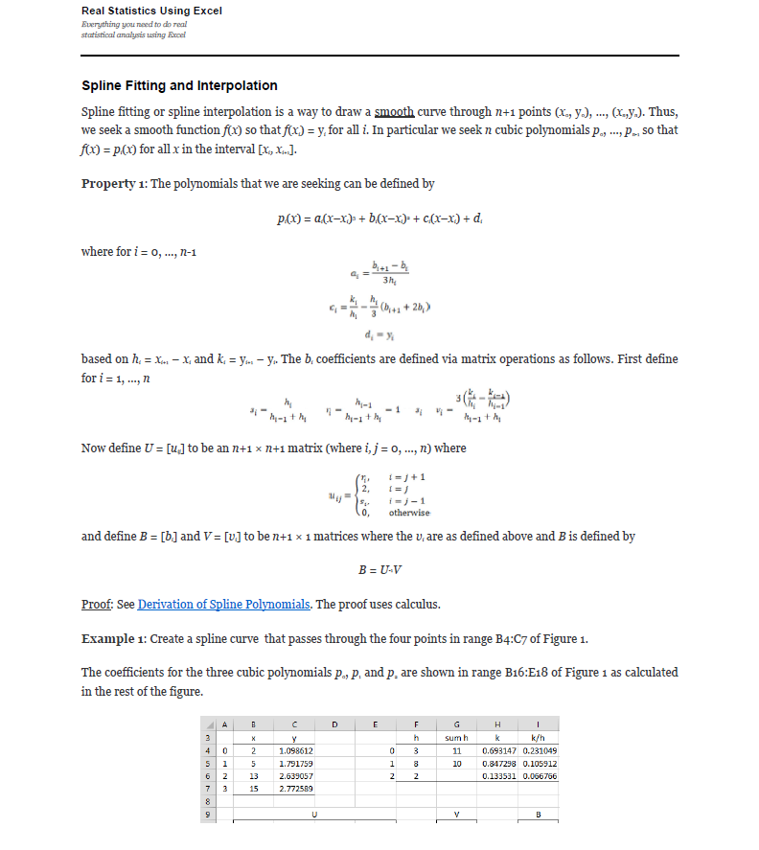
Compose testing. Function1's y axis is the same type as Function2's x axis. The interpolation method for these tests is linear interpolation.
Use -9999 in the first row of the expected columns to indicate an InvalidOperationException. This occurs when there is no overlap between the two functions. |  |  |  |  |  |  |  |  |  |  |  |  |  |  |  |  |  | References: | Example:
Note: Expected x-axis from Function 1 x-axis, and Expected y-axis from Function2 x-axis |  |  |  |  |  |  |  |  | Test 1: Create a spline curve that passes through the four points |  |  |  |  |  |  |  |  |  | Template: Create a spline curve that passes through the four points
 |  |  |  |  |  |  |  |  | The coefficients for the three cubic polynomials p0, p1 and p2 are shown |  |  |  |  |  |  |  |  |  | The coefficients for the three cubic polynomials p0, p1 and p2 are shown
Test 1: |  |  |  |  |  |  |  |  | i | x | y |  | i | h | sum h | k | k/h |  | i | x | y |  | i | h | sum h | k | k/h
Known Values |  | Expected |  |  | Actual |  | Pass/Fail | Date of Run | 0 | 6 | 5000000 |  | 0 | 2 | 4 | 10000000 | 5000000 |  | 0 |  |  |  | 0 | 0 | 0 | 0 | #DIV/0!
x | y | x | y |  | XValues | YValues |  |  | 1 | 8 | 15000000 |  | 1 | 2 | 4 | 15000000 | 7500000 |  | 1 |  |  |  | 1 | 0 | 0 | 0 | #DIV/0!
6 | 5000000 | 6 | 5000000 |  |  |  |  |  | 2 | 10 | 30000000 |  | 2 | 2 |  | 10000000 | 5000000 |  | 2 |  |  |  | 2 | 0 |  | 0 | #DIV/0!
8 | 15000000 | 6.5 | 7109375 |  |  |  |  |  | 3 | 12 | 40000000 |  |  |  |  |  |  |  | 3
10 | 30000000 | 7 | 9375000
12 | 40000000 | 7.5 | 11953125 |  |  |  |  |  |  | U |  |  |  |  | V |  | B |  |  | U |  |  |  |  | V |  | B
 |  | 8 | 15000000 |  |  |  |  |  |  | 2 | 0 | 0 | 0 |  | 0 |  | 0 |  |  | 2 | 0 | 0 | 0 |  | 0 |  | #DIV/0!
 |  | 8.5 | 18593750 |  |  |  |  |  |  | 0.5 | 2 | 0.5 | 0 |  | 1875000 |  | 1250000 |  |  | #DIV/0! | 2 | #DIV/0! | 0 |  | #DIV/0! |  | #DIV/0!
 |  | 9 | 22500000 |  |  |  |  |  |  | 0 | 0.5 | 2 | 0.5 |  | -1875000 |  | -1250000 |  |  | 0 | #DIV/0! | 2 | #DIV/0! |  | #DIV/0! |  | #DIV/0!
 |  | 9.5 | 26406250 |  |  |  |  |  |  | 0 | 0 | 0 | 2 |  | 0 |  | 0 |  |  | 0 | 0 | 0 | 2 |  | 0 |  | #DIV/0!
 |  | 10 | 30000000
 |  | 10.5 | 33046875 |  |  |  |  |  | i | a | b | c | d | --> y = a(Δx)³ + b(Δx)² + c(Δx) + d |  |  |  |  | i | a | b | c | d | --> y = a(Δx)³ + b(Δx)² + c(Δx) + d
 |  | 10.8718 | 34999997.35 | -2.6495350003 |  |  |  |  | 0 | 208333.33333 | 0 | 4166666.6667 | 5000000 |  |  |  |  |  | 0 | #DIV/0! | #DIV/0! | #DIV/0! | 0
 |  | 11.5 | 37890625 |  |  |  |  |  | 1 | -416666.66667 | 1250000 | 6666666.6667 | 15000000 |  |  |  |  |  | 1 | #DIV/0! | #DIV/0! | #DIV/0! | 0
 |  | 12 | 40000000 |  |  |  |  |  | 2 | 208333.33333 | -1250000 | 6666666.6667 | 30000000 |  |  |  |  |  | 2 | #DIV/0! | #DIV/0! | #DIV/0! | 0

Test 2: |  |  |  |  |  |  |  |  | Test 2: Create a spline curve that passes through the four points |  |  |  |  |  |  |  |  |  | Example 1: Create a spline curve that passes through the four points
Known Values |  | Expected |  |  | Actual |  | Pass/Fail | Date of Run | The coefficients for the three cubic polynomials p0, p1 and p2 are shown |  |  |  |  |  |  |  |  |  | The coefficients for the three cubic polynomials p0, p1 and p2 are shown
x | y | x | y |  | XValues | YValues |  |  | i | x | y |  | i | h | sum h | k | k/h |  | i | x | y |  | i | h | sum h | k | k/h
7 | 7 | 7 | 7 |  |  |  |  |  | 0 | 7 | 7 |  | 0 | 1 | 2 | 1 | 1 |  | 0 | 2 | 1.098612 |  | 0 | 3 | 11 | 0.693147 | 0.231049
8 | 8 | 7.25 | 7.25 |  |  |  |  |  | 1 | 8 | 8 |  | 1 | 1 | 3 | 1 | 1 |  | 1 | 5 | 1.791759 |  | 1 | 8 | 10 | 0.847298 | 0.10591225
9 | 9 | 7.5 | 7.5 |  |  |  |  |  | 2 | 9 | 9 |  | 2 | 2 |  | 2 | 1 |  | 2 | 13 | 2.639057 |  | 2 | 2 |  | 0.133532 | 0.066766
11 | 11 | 7.75 | 7.75 |  |  |  |  |  | 3 | 11 | 11 |  |  |  |  |  |  |  | 3 | 15 | 2.772589
 |  | 8 | 8
 |  | 8.25 | 8.25 |  |  |  |  |  |  | U |  |  |  |  | V |  | B |  |  | U |  |  |  |  | V |  | B
 |  | 8.5 | 8.5 |  |  |  |  |  |  | 2 | 0 | 0 | 0 |  | 0 |  | 0 |  |  | 2 | 0 | 0 | 0 |  | 0 |  | 0
 |  | 8.75 | 8.75 |  |  |  |  |  |  | 0.5 | 2 | 0.5 | 0 |  | 0 |  | 0 |  |  | 0.27272727273 | 2 | 0.72727272727 | 0 |  | -0.034128204545 |  | -0.017469933511
 |  | 9 | 9 |  |  |  |  |  |  | 0 | 0.33333333333 | 2 | 0.66666666667 |  | 0 |  | 0 |  |  | 0 | 0.8 | 2 | 0.2 |  | -0.011743875 |  | 0.0011160359043
 |  | 9.5 | 9.5 |  |  |  |  |  |  | 0 | 0 | 0 | 2 |  | 0 |  | 0 |  |  | 0 | 0 | 0 | 2 |  | 0 |  | 0
 |  | 10 | 10
 |  | 10.8718 | 10.8718 |  |  |  |  |  | i | a | b | c | d | --> y = a(Δx)³ + b(Δx)² + c(Δx) + d |  |  |  |  | i | a | b | c | d
 |  | 11 | 11 |  |  |  |  |  | 0 | 0 | 0 | 1 | 7 |  |  |  |  |  | 0 | -0.0019411037234 | 0 | 0.24851893351 | 1.098612 | --> y = a(Δx)³ + b(Δx)² + c(Δx) + d
 |  |  |  |  |  |  |  |  | 1 | 0 | 0 | 1 | 8 |  |  |  |  |  | 1 | 0.00077441539229 | -0.017469933511 | 0.19610913298 | 1.791759
 |  |  |  |  |  |  |  |  | 2 | 0 | 0 | 1 | 9 |  |  |  |  |  | 2 | -0.00018600598404 | 0.0011160359043 | 0.065277952128 | 2.639057

Test 3: |  |  |  |  |  |  |  |  | Test 3: Create a spline curve that passes through the four points
Known Values |  | Expected |  |  | Actual |  | Pass/Fail | Date of Run | The coefficients for the three cubic polynomials p0, p1 and p2 are shown
x | y | x | y |  | XValues | YValues |  |  | i | x | y |  | i | h | sum h | k | k/h
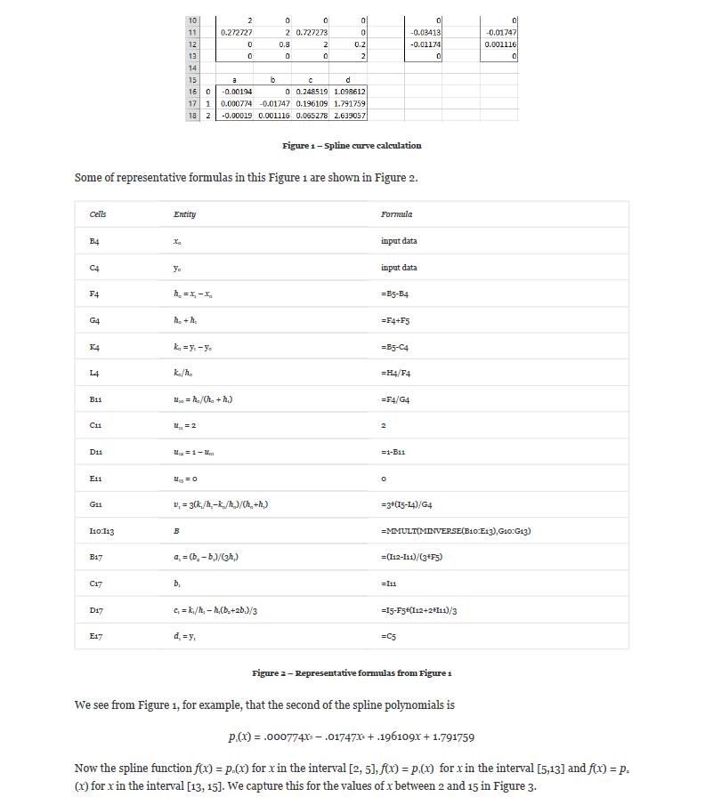
1250 | 7 | 1250 | 7 |  |  |  |  |  | 0 | 1250 | 7 |  | 0 | 50 | 150 | 2 | 0.04
1300 | 9 | 1262.5 | 7.5639204545 |  |  |  |  |  | 1 | 1300 | 9 |  | 1 | 100 | 200 | 1 | 0.01
1400 | 10 | 1275 | 8.1022727273 |  |  |  |  |  | 2 | 1400 | 10 |  | 2 | 100 |  | 1 | 0.01
1500 | 11 | 1287.5 | 8.5894886364 |  |  |  |  |  | 3 | 1500 | 11
 |  | 1300 | 9
 |  | 1325 | 9.5440340909 |  |  |  |  |  |  | U |  |  |  |  | V |  | B
 |  | 1350 | 9.8068181818 |  |  |  |  |  |  | 2 | 0 | 0 | 0 |  | 0 |  | 0
 |  | 1375 | 9.9161931818 |  |  |  |  |  |  | 0.33333333333 | 2 | 0.66666666667 | 0 |  | -0.0006 |  | -0.00032727272727
 |  | 1400 | 10 |  |  |  |  |  |  | 0 | 0.5 | 2 | 0.5 |  | 0 |  | 8.1818181818E-05
 |  | 1425 | 10.160511364 |  |  |  |  |  |  | 0 | 0 | 0 | 2 |  | 0 |  | 0
 |  | 1450 | 10.397727273
 |  | 1490 | 10.873 | 10.8718 | 0.01% |  |  |  | i | a | b | c | d | --> y = a(Δx)³ + b(Δx)² + c(Δx) + d
 |  | 1500 | 11 |  |  |  |  |  | 0 | -2.1818181818E-06 | 0 | 0.045454545455 | 7
 |  |  |  |  |  |  |  |  | 1 | 1.3636363636E-06 | -0.00032727272727 | 0.029090909091 | 9
 |  |  |  |  |  |  |  |  | 2 | -2.7272727273E-07 | 8.1818181818E-05 | 0.0045454545455 | 10
Test 4:
Known Values |  | Expected |  |  | Actual |  | Pass/Fail | Date of Run | Test 4: Create a spline curve that passes through the four points
x | y | x | y |  | XValues | YValues |  |  | The coefficients for the three cubic polynomials p0, p1 and p2 are shown
1250 | 1000 | 1250 | 1000 |  |  |  |  |  | i | x | y |  | i | h | sum h | k | k/h
1500 | 1200 | 1312.5 | 1050 |  |  |  |  |  | 0 | 1250 | 1000 |  | 0 | 250 | 500 | 200 | 0.8
1750 | 1400 | 1375 | 1100 |  |  |  |  |  | 1 | 1500 | 1200 |  | 1 | 250 | 500 | 200 | 0.8
2000 | 1600 | 1437.5 | 1150 |  |  |  |  |  | 2 | 1750 | 1400 |  | 2 | 250 |  | 200 | 0.8
 |  | 1500 | 1200 |  |  |  |  |  | 3 | 2000 | 1600
 |  | 1562.5 | 1250
 |  | 1625 | 1300 |  |  |  |  |  |  | U |  |  |  |  | V |  | B
 |  | 1687.5 | 1350 |  |  |  |  |  |  | 2 | 0 | 0 | 0 |  | 0 |  | 0
 |  | 1750 | 1400 |  |  |  |  |  |  | 0.5 | 2 | 0.5 | 0 |  | 0 |  | 0
 |  | 1812.5 | 1450 |  |  |  |  |  |  | 0 | 0.5 | 2 | 0.5 |  | 0 |  | 0
 |  | 1862.5 | 1490 | 1490 | 0.00% |  |  |  |  | 0 | 0 | 0 | 2 |  | 0 |  | 0
 |  | 1937.5 | 1550
 |  | 2000 | 1600 |  |  |  |  |  | i | a | b | c | d | --> y = a(Δx)³ + b(Δx)² + c(Δx) + d
 |  |  |  |  |  |  |  |  | 0 | 0 | 0 | 0.8 | 1000
 |  |  |  |  |  |  |  |  | 1 | 0 | 0 | 0.8 | 1200
 |  |  |  |  |  |  |  |  | 2 | 0 | 0 | 0.8 | 1400

Test 5:
Known Values |  | Expected |  |  | Actual |  | Pass/Fail | Date of Run | Test 5: Create a spline curve that passes through the four points
x | y | x | y |  | XValues | YValues |  |  | The coefficients for the three cubic polynomials p0, p1 and p2 are shown
0.6 | 1200 | 0.6 | 1200 |  |  |  |  |  | i | x | y |  | i | h | sum h | k | k/h
0.7 | 1300 | 0.625 | 1223.4375 |  |  |  |  |  | 0 | 0.6 | 1200 |  | 0 | 0.1 | 0.2 | 100 | 1000
0.8 | 1500 | 0.65 | 1247.5 |  |  |  |  |  | 1 | 0.7 | 1300 |  | 1 | 0.1 | 0.2 | 200 | 2000
0.9 | 2000 | 0.675 | 1272.8125 |  |  |  |  |  | 2 | 0.8 | 1500 |  | 2 | 0.1 |  | 500 | 5000
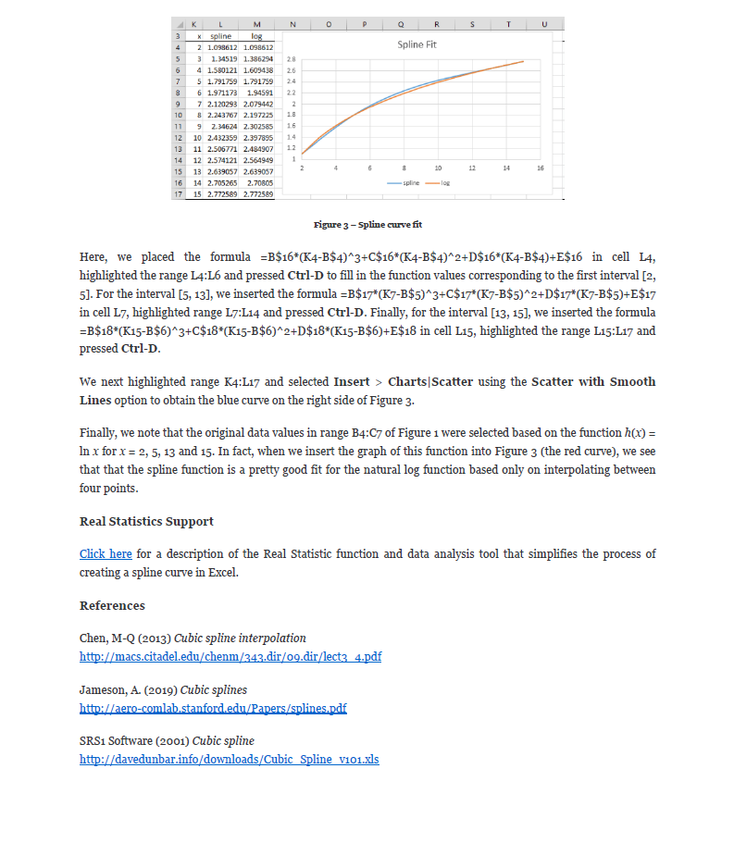
 |  | 0.7 | 1300 |  |  |  |  |  | 3 | 0.9 | 2000
 |  | 0.725 | 1330.625
 |  | 0.75 | 1370 |  |  |  |  |  |  | U |  |  |  |  | V |  | B
 |  | 0.775 | 1424.375 |  |  |  |  |  |  | 2 | 0 | 0 | 0 |  | 0 |  | 0
 |  | 0.8 | 1500 |  |  |  |  |  |  | 0.5 | 2 | 0.5 | 0 |  | 15000 |  | 2000
 |  | 0.825 | 1600.9375 |  |  |  |  |  |  | 0 | 0.5 | 2 | 0.5 |  | 45000 |  | 22000
 |  | 0.85 | 1722.5 |  |  |  |  |  |  | 0 | 0 | 0 | 2 |  | 0 |  | 0
 |  | 0.87584 | 1862.5168373 | 1862.5 | 0.00%
 |  | 0.9 | 2000 |  |  |  |  |  | i | a | b | c | d | --> y = a(Δx)³ + b(Δx)² + c(Δx) + d
 |  |  |  |  |  |  |  |  | 0 | 6666.6666667 | 0 | 933.33333333 | 1200
 |  |  |  |  |  |  |  |  | 1 | 66666.666667 | 2000 | 1133.3333333 | 1300
 |  |  |  |  |  |  |  |  | 2 | -73333.333333 | 22000 | 3533.3333333 | 1500

Test 6:
Known Values |  | Expected |  |  | Actual |  | Pass/Fail | Date of Run | Test 6: Create a spline curve that passes through the four points
x | y | x | y |  | XValues | YValues |  |  | The coefficients for the three cubic polynomials p0, p1 and p2 are shown
0.4 | 800 | 0.4 | 800 |  |  |  |  |  | i | x | y |  | i | h | sum h | k | k/h
0.5 | 1000 | 0.425 | 848.4375 |  |  |  |  |  | 0 | 0.4 | 800 |  | 0 | 0.1 | 0.2 | 200 | 2000
0.6 | 1200 | 0.45 | 897.5 |  |  |  |  |  | 1 | 0.5 | 1000 |  | 1 | 0.1 | 0.2 | 200 | 2000
0.7 | 1300 | 0.475 | 947.8125 |  |  |  |  |  | 2 | 0.6 | 1200 |  | 2 | 0.1 |  | 100 | 1000
 |  | 0.5 | 1000 |  |  |  |  |  | 3 | 0.7 | 1300
 |  | 0.525 | 1054.0625
 |  | 0.55 | 1107.5 |  |  |  |  |  |  | U |  |  |  |  | V |  | B
 |  | 0.575 | 1157.1875 |  |  |  |  |  |  | 2 | 0 | 0 | 0 |  | 0 |  | 0
 |  | 0.6 | 1200 |  |  |  |  |  |  | 0.5 | 2 | 0.5 | 0 |  | 0 |  | 2000
 |  | 0.625 | 1233.75 |  |  |  |  |  |  | 0 | 0.5 | 2 | 0.5 |  | -15000 |  | -8000
 |  | 0.6398 | 1250.0355411 | 0.0028432896 |  |  |  |  |  | 0 | 0 | 0 | 2 |  | 0 |  | 0
 |  | 0.675 | 1281.25
 |  | 0.7 | 1300 |  |  |  |  |  | i | a | b | c | d | --> y = a(Δx)³ + b(Δx)² + c(Δx) + d
 |  |  |  |  |  |  |  |  | 0 | 6666.6666667 | 0 | 1933.3333333 | 800
 |  |  |  |  |  |  |  |  | 1 | -33333.333333 | 2000 | 2133.3333333 | 1000
 |  |  |  |  |  |  |  |  | 2 | 26666.666667 | -8000 | 1533.3333333 | 1200

Test 7:
Known Values |  | Expected |  |  | Actual |  | Pass/Fail | Date of Run | Test 7: Create a spline curve that passes through the four points
x | y | x | y |  | XValues | YValues |  |  | The coefficients for the three cubic polynomials p0, p1 and p2 are shown
750 | 5 | 750 | 5 |  |  |  |  |  | i | x | y |  | i | h | sum h | k | k/h
1000 | 6 | 812.5 | 5.4952761628 |  |  |  |  |  | 0 | 750 | 5 |  | 0 | 250 | 500 | 1 | 0.004
1250 | 7 | 875 | 5.8924418605 |  |  |  |  |  | 1 | 1000 | 6 |  | 1 | 250 | 300 | 1 | 0.004
1300 | 9 | 937.5 | 6.0933866279 |  |  |  |  |  | 2 | 1250 | 7 |  | 2 | 50 |  | 2 | 0.04
 |  | 1000 | 6 |  |  |  |  |  | 3 | 1300 | 9
 |  | 1062.5 | 5.6122819767
 |  | 1125 | 5.3226744186 |  |  |  |  |  |  | U |  |  |  |  | V |  | B
 |  | 1187.5 | 5.6217296512 |  |  |  |  |  |  | 2 | 0 | 0 | 0 |  | 0 |  | 0 | Source: https://www.real-statistics.com/other-mathematical-topics/spline-fitting-interpolation/
 |  | 1250 | 7 |  |  |  |  |  |  | 0.5 | 2 | 0.5 | 0 |  | 0 |  | -5.023255814E-05
 |  | 1262.5 | 7.4450581395 |  |  |  |  |  |  | 0 | 0.83333333333 | 2 | 0.16666666667 |  | 0.00036 |  | 0.00020093023256
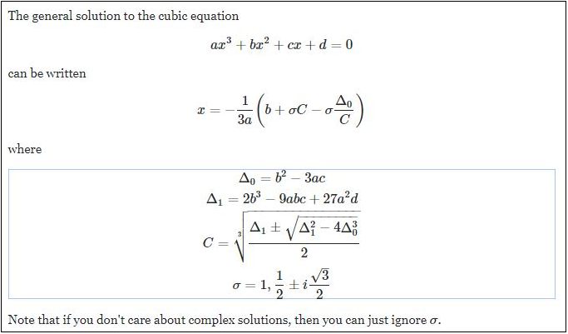
 |  | 1276.5 | 7.9986866419 | -0.016416976744 |  |  |  |  |  | 0 | 0 | 0 | 2 |  | 0 |  | 0
 |  | 1287.5 | 8.460755814
 |  | 1300 | 9 |  |  |  |  |  | i | a | b | c | d | --> y = a(Δx)³ + b(Δx)² + c(Δx) + d
 |  |  |  |  |  |  |  |  | 0 | -6.6976744186E-08 | 0 | 0.0081860465116 | 5
 |  |  |  |  |  |  |  |  | 1 | 3.3488372093E-07 | -5.023255814E-05 | -0.0043720930233 | 6
 |  |  |  |  |  |  |  |  | 2 | -1.3395348837E-06 | 0.00020093023256 | 0.033302325581 | 7

Test 8:
Known Values |  | Expected |  |  | Actual |  | Pass/Fail | Date of Run | Test 8: Create a spline curve that passes through the four points
x | y | x | y |  | XValues | YValues |  |  | The coefficients for the three cubic polynomials p0, p1 and p2 are shown
1000 | 800 | 1000 | 800 |  |  |  |  |  | i | x | y |  | i | h | sum h | k | k/h
1250 | 1000 | 1062.5 | 850 |  |  |  |  |  | 0 | 1000 | 800 |  | 0 | 250 | 500 | 200 | 0.8
1500 | 1200 | 1125 | 900 |  |  |  |  |  | 1 | 1250 | 1000 |  | 1 | 250 | 500 | 200 | 0.8
1750 | 1400 | 1187.5 | 950 |  |  |  |  |  | 2 | 1500 | 1200 |  | 2 | 250 |  | 200 | 0.8
 |  | 1250 | 1000 |  |  |  |  |  | 3 | 1750 | 1400
 |  | 1312.5 | 1050
 |  | 1375 | 1100 |  |  |  |  |  |  | U |  |  |  |  | V |  | B
 |  | 1437.5 | 1150 |  |  |  |  |  |  | 2 | 0 | 0 | 0 |  | 0 |  | 0
 |  | 1500 | 1200 |  |  |  |  |  |  | 0.5 | 2 | 0.5 | 0 |  | 0 |  | 0
 |  | 1595.6 | 1276.48 | 1276.5 | -0.0015667841755 |  |  |  |  | 0 | 0.5 | 2 | 0.5 |  | 0 |  | 0 | Source: https://math.stackexchange.com/questions/1483839/find-the-inverse-of-the-cubic-function/3106397
 |  | 1625 | 1300 |  |  |  |  |  |  | 0 | 0 | 0 | 2 |  | 0 |  | 0
 |  | 1687.5 | 1350
 |  | 1750 | 1400 |  |  |  |  |  | i | a | b | c | d | --> y = a(Δx)³ + b(Δx)² + c(Δx) + d
 |  |  |  |  |  |  |  |  | 0 | 0 | 0 | 0.8 | 800
 |  |  |  |  |  |  |  |  | 1 | 0 | 0 | 0.8 | 1000
 |  |  |  |  |  |  |  |  | 2 | 0 | 0 | 0.8 | 1200

Test 9:
Known Values |  | Expected |  |  | Actual |  | Pass/Fail | Date of Run | Test 9: Create a spline curve that passes through the four points
x | y | x | y |  | XValues | YValues |  |  | The coefficients for the three cubic polynomials p0, p1 and p2 are shown
0.6 | 1200 | 0.6 | 1200 |  |  |  |  |  | i | x | y |  | i | h | sum h | k | k/h
0.7 | 1300 | 0.625 | 1223.4375 |  |  |  |  |  | 0 | 0.6 | 1200 |  | 0 | 0.1 | 0.2 | 100 | 1000
0.8 | 1500 | 0.65 | 1247.5 |  |  |  |  |  | 1 | 0.7 | 1300 |  | 1 | 0.1 | 0.2 | 200 | 2000
0.9 | 2000 | 0.675 | 1272.8125 |  |  |  |  |  | 2 | 0.8 | 1500 |  | 2 | 0.1 |  | 500 | 5000
 |  | 0.7 | 1300 |  |  |  |  |  | 3 | 0.9 | 2000
 |  | 0.725 | 1330.625
 |  | 0.75 | 1370 |  |  |  |  |  |  | U |  |  |  |  | V |  | B
 |  | 0.775 | 1424.375 |  |  |  |  |  |  | 2 | 0 | 0 | 0 |  | 0 |  | 0
 |  | 0.8 | 1500 |  |  |  |  |  |  | 0.5 | 2 | 0.5 | 0 |  | 15000 |  | 2000
 |  | 0.82389 | 1595.9675549 | 1595.6 | 0.023035531646 |  |  |  |  | 0 | 0.5 | 2 | 0.5 |  | 45000 |  | 22000
 |  | 0.85 | 1722.5 |  |  |  |  |  |  | 0 | 0 | 0 | 2 |  | 0 |  | 0
 |  | 0.875 | 1857.8125
 |  | 0.9 | 2000 |  |  |  |  |  | i | a | b | c | d | --> y = a(Δx)³ + b(Δx)² + c(Δx) + d
 |  |  |  |  |  |  |  |  | 0 | 6666.6666667 | 0 | 933.33333333 | 1200
 |  |  |  |  |  |  |  |  | 1 | 66666.666667 | 2000 | 1133.3333333 | 1300
 |  |  |  |  |  |  |  |  | 2 | -73333.333333 | 22000 | 3533.3333333 | 1500

Test 10:
Known Values |  | Expected |  |  | Actual |  | Pass/Fail | Date of Run | Test 10: Create a spline curve that passes through the four points
x | y | x | y |  | XValues | YValues |  |  | The coefficients for the three cubic polynomials p0, p1 and p2 are shown
2 | 50000 | 2 | 50000 |  |  |  |  |  | i | x | y |  | i | h | sum h | k | k/h
3 | 200000 | 2.25 | 129248.04688 |  |  |  |  |  | 0 | 2 | 50000 |  | 0 | 1 | 3 | 150000 | 150000
5 | 1000000 | 2.5 | 191796.875 |  |  |  |  |  | 1 | 3 | 200000 |  | 1 | 2 | 3 | 800000 | 400000
6 | 5000000 | 2.75 | 220947.26562 |  |  |  |  |  | 2 | 5 | 1000000 |  | 2 | 1 |  | 4000000 | 4000000
 |  | 3 | 200000 |  |  |  |  |  | 3 | 6 | 5000000
 |  | 3.5 | 15625
 |  | 4 | -121875 |  |  |  |  |  |  | U |  |  |  |  | V |  | B
 |  | 4.5 | 101562.5 |  |  |  |  |  |  | 2 | 0 | 0 | 0 |  | 0 |  | 0
 |  | 5 | 1000000 |  |  |  |  |  |  | 0.33333333333 | 2 | 0.66666666667 | 0 |  | 250000 |  | -534375
 |  | 5.25 | 1783642.5781 |  |  |  |  |  |  | 0 | 0.66666666667 | 2 | 0.33333333333 |  | 3600000 |  | 1978125
 |  | 5.5 | 2752734.375 |  |  |  |  |  |  | 0 | 0 | 0 | 2 |  | 0 |  | 0
 |  | 5.67313 | 3500018.1704 | 3500000 | 0.00051915116853
 |  | 6 | 5000000 |  |  |  |  |  | i | a | b | c | d | --> y = a(Δx)³ + b(Δx)² + c(Δx) + d
 |  |  |  |  |  |  |  |  | 0 | -178125 | 0 | 328125 | 50000
 |  |  |  |  |  |  |  |  | 1 | 418750 | -534375 | -206250 | 200000
 |  |  |  |  |  |  |  |  | 2 | -659375 | 1978125 | 2681250 | 1000000

Test 11:
Known Values |  | Expected |  |  | Actual |  | Pass/Fail | Date of Run | Test 10: Create a spline curve that passes through the four points
x | y | x | y |  | XValues | YValues |  |  | The coefficients for the three cubic polynomials p0, p1 and p2 are shown
5 | 1000000 | 5 | 1000000 |  |  |  |  |  | i | x | y |  | i | h | sum h | k | k/h
6 | 5000000 | 5.25 | 1984019.8864 |  |  |  |  |  | 0 | 5 | 1000000 |  | 0 | 1 | 3 | 4000000 | 4000000
8 | 15000000 | 5.5 | 2974431.8182 |  |  |  |  |  | 1 | 6 | 5000000 |  | 1 | 2 | 4 | 10000000 | 5000000
10 | 30000000 | 5.75 | 3977627.8409 |  |  |  |  |  | 2 | 8 | 15000000 |  | 2 | 2 |  | 15000000 | 7500000
 |  | 6 | 5000000 |  |  |  |  |  | 3 | 10 | 30000000
 |  | 6.5 | 7133522.7273
 |  | 7 | 9454545.4545 |  |  |  |  |  |  | U |  |  |  |  | V |  | B
 |  | 7.5 | 12048295.455 |  |  |  |  |  |  | 2 | 0 | 0 | 0 |  | 0 |  | 0
 |  | 8 | 15000000 |  |  |  |  |  |  | 0.33333333333 | 2 | 0.66666666667 | 0 |  | 1000000 |  | 204545.45455
 |  | 8.5 | 18362215.909 |  |  |  |  |  |  | 0 | 0.5 | 2 | 0.5 |  | 1875000 |  | 886363.63636
 |  | 9 | 22056818.182 |  |  |  |  |  |  | 0 | 0 | 0 | 2 |  | 0 |  | 0
 |  | 9.5 | 25973011.364
 |  | 10 | 30000000 |  |  |  |  |  | i | a | b | c | d | --> y = a(Δx)³ + b(Δx)² + c(Δx) + d
 |  |  |  |  |  |  |  |  | 0 | 68181.818182 | 0 | 3931818.1818 | 1000000
 |  |  |  |  |  |  |  |  | 1 | 113636.36364 | 204545.45455 | 4136363.6364 | 5000000
 |  |  |  |  |  |  |  |  | 2 | -147727.27273 | 886363.63636 | 6318181.8182 | 15000000

Test 12:
Known Values |  | Expected |  |  | Actual |  | Pass/Fail | Date of Run | Test 10: Create a spline curve that passes through the four points
x | y | x | y |  | XValues | YValues |  |  | The coefficients for the three cubic polynomials p0, p1 and p2 are shown
1000 | 900 | 1000 | 900 |  |  |  |  |  | i | x | y |  | i | h | sum h | k | k/h
1250 | 1100 | 1062.5 | 957.8125 |  |  |  |  |  | 0 | 1000 | 900 |  | 0 | 250 | 500 | 200 | 0.8
1500 | 1200 | 1125 | 1012.5 |  |  |  |  |  | 1 | 1250 | 1100 |  | 1 | 250 | 500 | 100 | 0.4
1750 | 1400 | 1187.5 | 1060.9375 |  |  |  |  |  | 2 | 1500 | 1200 |  | 2 | 250 |  | 200 | 0.8
 |  | 1250 | 1100 |  |  |  |  |  | 3 | 1750 | 1400
 |  | 1312.5 | 1128.125
 |  | 1375 | 1150 |  |  |  |  |  |  | U |  |  |  |  | V |  | B
 |  | 1437.5 | 1171.875 |  |  |  |  |  |  | 2 | 0 | 0 | 0 |  | 0 |  | 0
 |  | 1500 | 1200 |  |  |  |  |  |  | 0.5 | 2 | 0.5 | 0 |  | -0.0024 |  | -0.0016
 |  | 1562.5 | 1239.0625 |  |  |  |  |  |  | 0 | 0.5 | 2 | 0.5 |  | 0.0024 |  | 0.0016
 |  | 1639.798 | 1299.9999383 | -4.7469025748E-06 |  |  |  |  |  | 0 | 0 | 0 | 2 |  | 0 |  | 0
 |  | 1687.5 | 1342.1875
 |  | 1750 | 1400 |  |  |  |  |  | i | a | b | c | d | --> y = a(Δx)³ + b(Δx)² + c(Δx) + d
 |  |  |  |  |  |  |  |  | 0 | -2.1333333333E-06 | 0 | 0.93333333333 | 900
 |  |  |  |  |  |  |  |  | 1 | 4.2666666667E-06 | -0.0016 | 0.53333333333 | 1100
 |  |  |  |  |  |  |  |  | 2 | -2.1333333333E-06 | 0.0016 | 0.53333333333 | 1200

Test 13:
Known Values |  | Expected |  |  | Actual |  | Pass/Fail | Date of Run | Test 13: Create a spline curve that passes through the four points
x | y | x | y |  | XValues | YValues |  |  | The coefficients for the three cubic polynomials p0, p1 and p2 are shown
100 | 100 | 100 | 100 |  |  |  |  |  | i | x | y |  | i | h | sum h | k | k/h
200 | 200 | 125 | 125 |  |  |  |  |  | 0 | 100 | 100 |  | 0 | 100 | 300 | 100 | 1
400 | 400 | 150 | 150 |  |  |  |  |  | 1 | 200 | 200 |  | 1 | 200 | 400 | 200 | 1
600 | 600 | 175 | 175 |  |  |  |  |  | 2 | 400 | 400 |  | 2 | 200 |  | 200 | 1
 |  | 200 | 200 |  |  |  |  |  | 3 | 600 | 600
 |  | 250 | 250
 |  | 300 | 300 |  |  |  |  |  |  | U |  |  |  |  | V |  | B
 |  | 350 | 350 |  |  |  |  |  |  | 2 | 0 | 0 | 0 |  | 0 |  | 0
 |  | 400 | 400 |  |  |  |  |  |  | 0.33333333333 | 2 | 0.66666666667 | 0 |  | 0 |  | 0
 |  | 450 | 450 |  |  |  |  |  |  | 0 | 0.5 | 2 | 0.5 |  | 0 |  | 0
 |  | 500 | 500 |  |  |  |  |  |  | 0 | 0 | 0 | 2 |  | 0 |  | 0
 |  | 550 | 550
 |  | 600 | 600 |  |  |  |  |  | i | a | b | c | d | --> y = a(Δx)³ + b(Δx)² + c(Δx) + d
 |  |  |  |  |  |  |  |  | 0 | 0 | 0 | 1 | 100
 |  |  |  |  |  |  |  |  | 1 | 0 | 0 | 1 | 200
 |  |  |  |  |  |  |  |  | 2 | 0 | 0 | 1 | 400

Test 14:
Known Values |  | Expected |  |  | Actual |  | Pass/Fail | Date of Run | Test 14: Create a spline curve that passes through the four points
x | y | x | y |  | XValues | YValues |  |  | The coefficients for the three cubic polynomials p0, p1 and p2 are shown
 |  | 0 | 0 |  |  |  |  |  | i | x | y |  | i | h | sum h | k | k/h
 |  | 0 | #DIV/0! |  |  |  |  |  | 0 | 0 | 0 |  | 0 | 0 | 0 | 0 | #DIV/0!
 |  | 0 | #DIV/0! |  |  |  |  |  | 1 | 0 | 0 |  | 1 | 0 | 0 | 0 | #DIV/0!
 |  | 0 | #DIV/0! |  |  |  |  |  | 2 | 0 | 0 |  | 2 | 0 |  | 0 | #DIV/0!
 |  | 0 | 0 |  |  |  |  |  | 3 | 0 | 0
 |  | 0 | #DIV/0!
 |  | 0 | #DIV/0! |  |  |  |  |  |  | U |  |  |  |  | V |  | B
 |  | 0 | #DIV/0! |  |  |  |  |  |  | 2 | 0 | 0 | 0 |  | 0 |  | #DIV/0!
 |  | 0 | 0 |  |  |  |  |  |  | #DIV/0! | 2 | #DIV/0! | 0 |  | #DIV/0! |  | #DIV/0!
 |  | 0 | #DIV/0! |  |  |  |  |  |  | 0 | #DIV/0! | 2 | #DIV/0! |  | #DIV/0! |  | #DIV/0!
 |  | 0 | #DIV/0! |  |  |  |  |  |  | 0 | 0 | 0 | 2 |  | 0 |  | #DIV/0!
 |  | 0 | #DIV/0!
 |  | 0 | 0 |  |  |  |  |  | i | a | b | c | d | --> y = a(Δx)³ + b(Δx)² + c(Δx) + d
 |  |  |  |  |  |  |  |  | 0 | #DIV/0! | #DIV/0! | #DIV/0! | 0
 |  |  |  |  |  |  |  |  | 1 | #DIV/0! | #DIV/0! | #DIV/0! | 0
 |  |  |  |  |  |  |  |  | 2 | #DIV/0! | #DIV/0! | #DIV/0! | 0

Test 15:
Known Values |  | Expected |  |  | Actual |  | Pass/Fail | Date of Run | Test 14: Create a spline curve that passes through the four points
x | y | x | y |  | XValues | YValues |  |  | The coefficients for the three cubic polynomials p0, p1 and p2 are shown
 |  | 0 | 0 |  |  |  |  |  | i | x | y |  | i | h | sum h | k | k/h
 |  | 0 | #DIV/0! |  |  |  |  |  | 0 | 0 | 0 |  | 0 | 0 | 0 | 0 | #DIV/0!
 |  | 0 | #DIV/0! |  |  |  |  |  | 1 | 0 | 0 |  | 1 | 0 | 0 | 0 | #DIV/0!
 |  | 0 | #DIV/0! |  |  |  |  |  | 2 | 0 | 0 |  | 2 | 0 |  | 0 | #DIV/0!
 |  | 0 | 0 |  |  |  |  |  | 3 | 0 | 0
 |  | 0 | #DIV/0!
 |  | 0 | #DIV/0! |  |  |  |  |  |  | U |  |  |  |  | V |  | B
 |  | 0 | #DIV/0! |  |  |  |  |  |  | 2 | 0 | 0 | 0 |  | 0 |  | #DIV/0!
 |  | 0 | 0 |  |  |  |  |  |  | #DIV/0! | 2 | #DIV/0! | 0 |  | #DIV/0! |  | #DIV/0!
 |  | 0 | #DIV/0! |  |  |  |  |  |  | 0 | #DIV/0! | 2 | #DIV/0! |  | #DIV/0! |  | #DIV/0!
 |  | 0 | #DIV/0! |  |  |  |  |  |  | 0 | 0 | 0 | 2 |  | 0 |  | #DIV/0!
 |  | 0 | #DIV/0!
 |  | 0 | 0 |  |  |  |  |  | i | a | b | c | d | --> y = a(Δx)³ + b(Δx)² + c(Δx) + d
 |  |  |  |  |  |  |  |  | 0 | #DIV/0! | #DIV/0! | #DIV/0! | 0
 |  |  |  |  |  |  |  |  | 1 | #DIV/0! | #DIV/0! | #DIV/0! | 0
 |  |  |  |  |  |  |  |  | 2 | #DIV/0! | #DIV/0! | #DIV/0! | 0

Test 16:
Known Values |  | Expected |  |  | Actual |  | Pass/Fail | Date of Run | Test 14: Create a spline curve that passes through the four points
x | y | x | y |  | XValues | YValues |  |  | The coefficients for the three cubic polynomials p0, p1 and p2 are shown
 |  | 0 | 0 |  |  |  |  |  | i | x | y |  | i | h | sum h | k | k/h
 |  | 0 | #DIV/0! |  |  |  |  |  | 0 | 0 | 0 |  | 0 | 0 | 0 | 0 | #DIV/0!
 |  | 0 | #DIV/0! |  |  |  |  |  | 1 | 0 | 0 |  | 1 | 0 | 0 | 0 | #DIV/0!
 |  | 0 | #DIV/0! |  |  |  |  |  | 2 | 0 | 0 |  | 2 | 0 |  | 0 | #DIV/0!
 |  | 0 | 0 |  |  |  |  |  | 3 | 0 | 0
 |  | 0 | #DIV/0!
 |  | 0 | #DIV/0! |  |  |  |  |  |  | U |  |  |  |  | V |  | B
 |  | 0 | #DIV/0! |  |  |  |  |  |  | 2 | 0 | 0 | 0 |  | 0 |  | #DIV/0!
 |  | 0 | 0 |  |  |  |  |  |  | #DIV/0! | 2 | #DIV/0! | 0 |  | #DIV/0! |  | #DIV/0!
 |  | 0 | #DIV/0! |  |  |  |  |  |  | 0 | #DIV/0! | 2 | #DIV/0! |  | #DIV/0! |  | #DIV/0!
 |  | 0 | #DIV/0! |  |  |  |  |  |  | 0 | 0 | 0 | 2 |  | 0 |  | #DIV/0!
 |  | 0 | #DIV/0!
 |  | 0 | 0 |  |  |  |  |  | i | a | b | c | d | --> y = a(Δx)³ + b(Δx)² + c(Δx) + d
 |  |  |  |  |  |  |  |  | 0 | #DIV/0! | #DIV/0! | #DIV/0! | 0
 |  |  |  |  |  |  |  |  | 1 | #DIV/0! | #DIV/0! | #DIV/0! | 0
 |  |  |  |  |  |  |  |  | 2 | #DIV/0! | #DIV/0! | #DIV/0! | 0

Test 17:
Known Values |  | Expected |  |  | Actual |  | Pass/Fail | Date of Run | Test 14: Create a spline curve that passes through the four points
x | y | x | y |  | XValues | YValues |  |  | The coefficients for the three cubic polynomials p0, p1 and p2 are shown
 |  | 0 | 0 |  |  |  |  |  | i | x | y |  | i | h | sum h | k | k/h
 |  | 0 | #DIV/0! |  |  |  |  |  | 0 | 0 | 0 |  | 0 | 0 | 0 | 0 | #DIV/0!
 |  | 0 | #DIV/0! |  |  |  |  |  | 1 | 0 | 0 |  | 1 | 0 | 0 | 0 | #DIV/0!
 |  | 0 | #DIV/0! |  |  |  |  |  | 2 | 0 | 0 |  | 2 | 0 |  | 0 | #DIV/0!
 |  | 0 | 0 |  |  |  |  |  | 3 | 0 | 0
 |  | 0 | #DIV/0!
 |  | 0 | #DIV/0! |  |  |  |  |  |  | U |  |  |  |  | V |  | B
 |  | 0 | #DIV/0! |  |  |  |  |  |  | 2 | 0 | 0 | 0 |  | 0 |  | #DIV/0!
 |  | 0 | 0 |  |  |  |  |  |  | #DIV/0! | 2 | #DIV/0! | 0 |  | #DIV/0! |  | #DIV/0!
 |  | 0 | #DIV/0! |  |  |  |  |  |  | 0 | #DIV/0! | 2 | #DIV/0! |  | #DIV/0! |  | #DIV/0!
 |  | 0 | #DIV/0! |  |  |  |  |  |  | 0 | 0 | 0 | 2 |  | 0 |  | #DIV/0!
 |  | 0 | #DIV/0!
 |  | 0 | 0 |  |  |  |  |  | i | a | b | c | d | --> y = a(Δx)³ + b(Δx)² + c(Δx) + d
 |  |  |  |  |  |  |  |  | 0 | #DIV/0! | #DIV/0! | #DIV/0! | 0
 |  |  |  |  |  |  |  |  | 1 | #DIV/0! | #DIV/0! | #DIV/0! | 0
 |  |  |  |  |  |  |  |  | 2 | #DIV/0! | #DIV/0! | #DIV/0! | 0

Test 18:
Known Values |  | Expected |  |  | Actual |  | Pass/Fail | Date of Run | Test 14: Create a spline curve that passes through the four points
x | y | x | y |  | XValues | YValues |  |  | The coefficients for the three cubic polynomials p0, p1 and p2 are shown
 |  | 0 | 0 |  |  |  |  |  | i | x | y |  | i | h | sum h | k | k/h
 |  | 0 | #DIV/0! |  |  |  |  |  | 0 | 0 | 0 |  | 0 | 0 | 0 | 0 | #DIV/0!
 |  | 0 | #DIV/0! |  |  |  |  |  | 1 | 0 | 0 |  | 1 | 0 | 0 | 0 | #DIV/0!
 |  | 0 | #DIV/0! |  |  |  |  |  | 2 | 0 | 0 |  | 2 | 0 |  | 0 | #DIV/0!
 |  | 0 | 0 |  |  |  |  |  | 3 | 0 | 0
 |  | 0 | #DIV/0!
 |  | 0 | #DIV/0! |  |  |  |  |  |  | U |  |  |  |  | V |  | B
 |  | 0 | #DIV/0! |  |  |  |  |  |  | 2 | 0 | 0 | 0 |  | 0 |  | #DIV/0!
 |  | 0 | 0 |  |  |  |  |  |  | #DIV/0! | 2 | #DIV/0! | 0 |  | #DIV/0! |  | #DIV/0!
 |  | 0 | #DIV/0! |  |  |  |  |  |  | 0 | #DIV/0! | 2 | #DIV/0! |  | #DIV/0! |  | #DIV/0!
 |  | 0 | #DIV/0! |  |  |  |  |  |  | 0 | 0 | 0 | 2 |  | 0 |  | #DIV/0!
 |  | 0 | #DIV/0!
 |  | 0 | 0 |  |  |  |  |  | i | a | b | c | d | --> y = a(Δx)³ + b(Δx)² + c(Δx) + d
 |  |  |  |  |  |  |  |  | 0 | #DIV/0! | #DIV/0! | #DIV/0! | 0
 |  |  |  |  |  |  |  |  | 1 | #DIV/0! | #DIV/0! | #DIV/0! | 0
 |  |  |  |  |  |  |  |  | 2 | #DIV/0! | #DIV/0! | #DIV/0! | 0

