Notes
2020-01-29 | Not Included: (1) double Sample(Random), (2) double[] Sample(int, Random), (3) Idistribution SampleDistribution(Random), (4) string Requirements(bool)

Formula Used for "Pass/Fail" Determination
IF(ABS(Actual - Expected) < ABS(Expected) * 0.01, "Passed", "Failed") OR IF(ABS(Actual - Expected) < 1 ^ (-10), "Passed", "Failed")

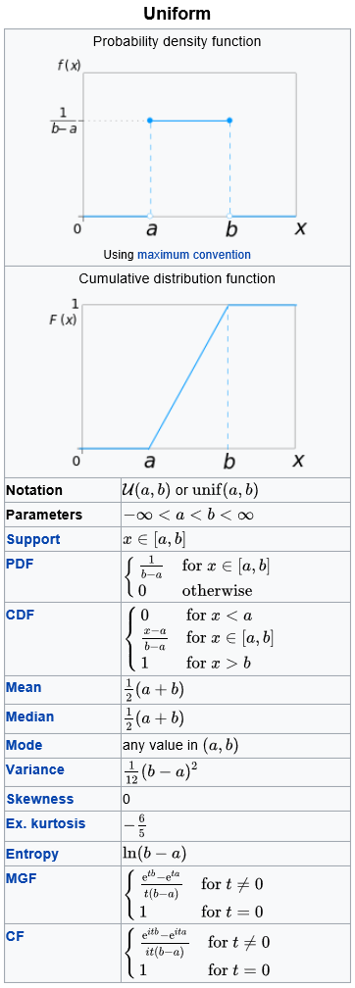

Source: https://en.wikipedia.org/wiki/Uniform_distribution_(continuous)

