Reference - Cubic Spline
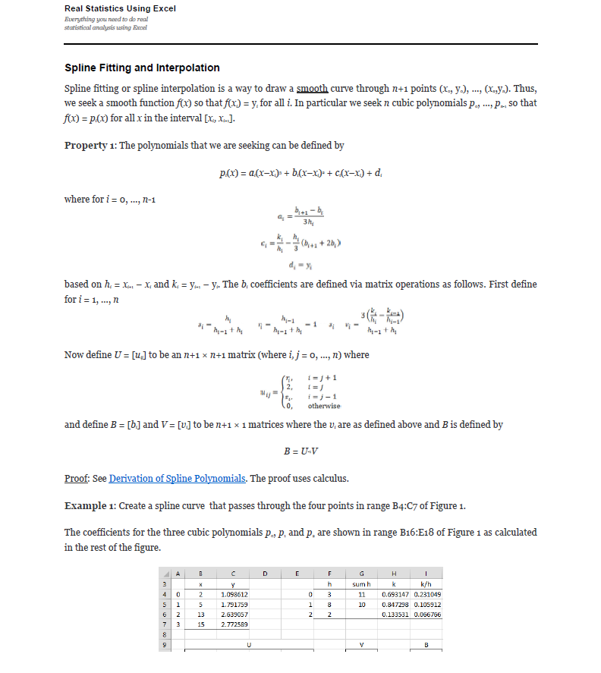
Compose testing. Function1's y axis is the same type as Function2's x axis. The interpolation method for these tests is linear interpolation.
Use -9999 in the first row of the expected columns to indicate an InvalidOperationException. This occurs when there is no overlap between the two functions. |  |  |  |  |  |  |  |  |  |  |  |  |  |  |  |  | References: | Example:
Note: Expected x-axis from Function 1 x-axis, and Expected y-axis from Function2 x-axis |  |  |  |  |  |  |  | Test 1: Create a spline curve that passes through the four points |  |  |  |  |  |  |  |  |  | Template: Create a spline curve that passes through the four points
 |  |  |  |  |  |  |  | The coefficients for the three cubic polynomials p0, p1 and p2 are shown |  |  |  |  |  |  |  |  |  | The coefficients for the three cubic polynomials p0, p1 and p2 are shown
Test 1: |  |  |  |  |  |  |  | i | x | y |  | i | h | sum h | k | k/h |  | i | x | y |  | i | h | sum h | k | k/h
Known Values |  | Expected |  | Actual |  | Pass/Fail | Date of Run | 0 |  |  |  | 0 |  |  |  |  |  | 0 |  |  |  | 0
x | y | x | y | XValues | YValues |  |  | 1 |  |  |  | 1 |  |  |  |  |  | 1 |  |  |  | 1
 |  |  |  |  |  |  |  | 2 |  |  |  | 2 |  |  |  |  |  | 2 |  |  |  | 2
 |  |  |  |  |  |  |  | 3 |  |  |  |  |  |  |  |  |  | 3

 |  |  |  |  |  |  |  |  | U |  |  |  |  | V |  | B |  |  | U |  |  |  |  | V |  | B
 |  |  |  |  |  |  |  |  | 2 | 0 | 0 | 0 |  | 0 |  |  |  |  | 2 | 0 | 0 | 0 |  | 0
 |  |  |  |  |  |  |  |  |  | 2 |  | 0 |  |  |  |  |  |  |  | 2 |  | 0
 |  |  |  |  |  |  |  |  | 0 |  | 2 |  |  |  |  |  |  |  | 0 |  | 2
 |  |  |  |  |  |  |  |  | 0 | 0 | 0 | 2 |  | 0 |  |  |  |  | 0 | 0 | 0 | 2 |  | 0

 |  |  |  |  |  |  |  | i | a | b | c | d | --> y = a(Δx)³ + b(Δx)² + c(Δx) + d |  |  |  |  | i | a | b | c | d | --> y = a(Δx)³ + b(Δx)² + c(Δx) + d
 |  |  |  |  |  |  |  | 0 |  |  |  |  |  |  |  |  |  | 0
 |  |  |  |  |  |  |  | 1 |  |  |  |  |  |  |  |  |  | 1
 |  |  |  |  |  |  |  | 2 |  |  |  |  |  |  |  |  |  | 2

Test 2: |  |  |  |  |  |  |  | Test 2: Create a spline curve that passes through the four points |  |  |  |  |  |  |  |  |  | Example 1: Create a spline curve that passes through the four points
Known Values |  | Expected |  | Actual |  | Pass/Fail | Date of Run | The coefficients for the three cubic polynomials p0, p1 and p2 are shown |  |  |  |  |  |  |  |  |  | The coefficients for the three cubic polynomials p0, p1 and p2 are shown
x | y | x | y | XValues | YValues |  |  | i | x | y |  | i | h | sum h | k | k/h |  | i | x | y |  | i | h | sum h | k | k/h
 |  |  |  |  |  |  |  | 0 |  |  |  | 0 |  |  |  |  |  | 0 | 2 | 1.098612 |  | 0
 |  |  |  |  |  |  |  | 1 |  |  |  | 1 |  |  |  |  |  | 1 | 5 | 1.791759 |  | 1
 |  |  |  |  |  |  |  | 2 |  |  |  | 2 |  |  |  |  |  | 2 | 13 | 2.639057 |  | 2
 |  |  |  |  |  |  |  | 3 |  |  |  |  |  |  |  |  |  | 3 | 15 | 2.772589

 |  |  |  |  |  |  |  |  | U |  |  |  |  | V |  | B |  |  | U |  |  |  |  | V |  | B
 |  |  |  |  |  |  |  |  | 2 | 0 | 0 | 0 |  | 0 |  |  |  |  | 2 | 0 | 0 | 0 |  | 0
 |  |  |  |  |  |  |  |  |  | 2 |  | 0 |  |  |  |  |  |  |  | 2 |  | 0
 |  |  |  |  |  |  |  |  | 0 |  | 2 |  |  |  |  |  |  |  | 0 |  | 2
 |  |  |  |  |  |  |  |  | 0 | 0 | 0 | 2 |  | 0 |  |  |  |  | 0 | 0 | 0 | 2 |  | 0

 |  |  |  |  |  |  |  | i | a | b | c | d | --> y = a(Δx)³ + b(Δx)² + c(Δx) + d |  |  |  |  | i | a | b | c | d
 |  |  |  |  |  |  |  | 0 |  |  |  |  |  |  |  |  |  | 0 |  |  |  |  | --> y = a(Δx)³ + b(Δx)² + c(Δx) + d
 |  |  |  |  |  |  |  | 1 |  |  |  |  |  |  |  |  |  | 1
 |  |  |  |  |  |  |  | 2 |  |  |  |  |  |  |  |  |  | 2

Test 3: |  |  |  |  |  |  |  | Test 3: Create a spline curve that passes through the four points
Known Values |  | Expected |  | Actual |  | Pass/Fail | Date of Run | The coefficients for the three cubic polynomials p0, p1 and p2 are shown
x | y | x | y | XValues | YValues |  |  | i | x | y |  | i | h | sum h | k | k/h
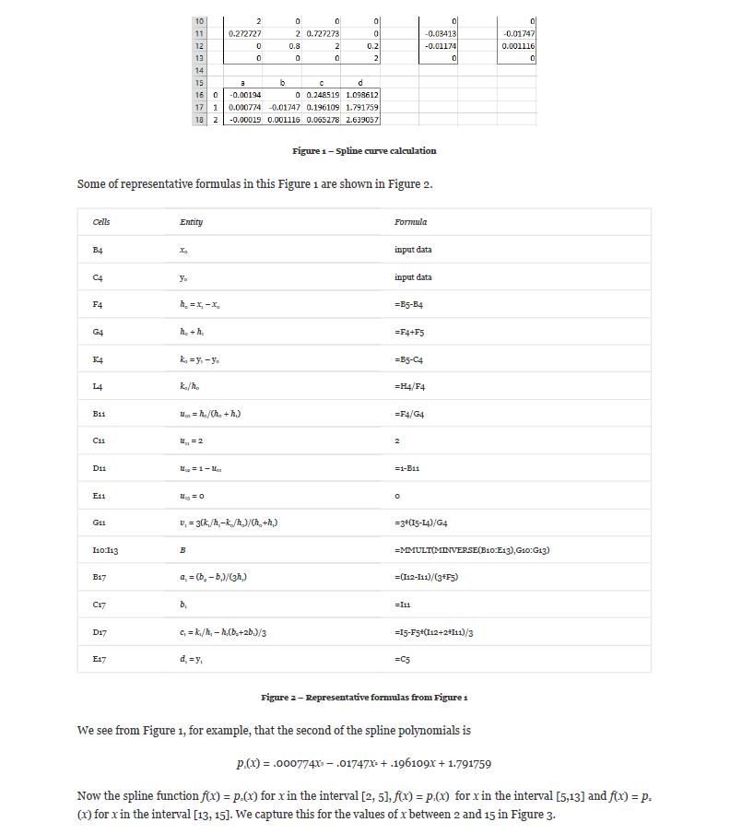
 |  |  |  |  |  |  |  | 0 |  |  |  | 0
 |  |  |  |  |  |  |  | 1 |  |  |  | 1
 |  |  |  |  |  |  |  | 2 |  |  |  | 2
 |  |  |  |  |  |  |  | 3

 |  |  |  |  |  |  |  |  | U |  |  |  |  | V |  | B
 |  |  |  |  |  |  |  |  | 2 | 0 | 0 | 0 |  | 0
 |  |  |  |  |  |  |  |  |  | 2 |  | 0
 |  |  |  |  |  |  |  |  | 0 |  | 2
 |  |  |  |  |  |  |  |  | 0 | 0 | 0 | 2 |  | 0

 |  |  |  |  |  |  |  | i | a | b | c | d | --> y = a(Δx)³ + b(Δx)² + c(Δx) + d
 |  |  |  |  |  |  |  | 0
 |  |  |  |  |  |  |  | 1
 |  |  |  |  |  |  |  | 2
Test 4:
Known Values |  | Expected |  | Actual |  | Pass/Fail | Date of Run | Test 4: Create a spline curve that passes through the four points
x | y | x | y | XValues | YValues |  |  | The coefficients for the three cubic polynomials p0, p1 and p2 are shown
 |  |  |  |  |  |  |  | i | x | y |  | i | h | sum h | k | k/h
 |  |  |  |  |  |  |  | 0 |  |  |  | 0
 |  |  |  |  |  |  |  | 1 |  |  |  | 1
 |  |  |  |  |  |  |  | 2 |  |  |  | 2
 |  |  |  |  |  |  |  | 3

 |  |  |  |  |  |  |  |  | U |  |  |  |  | V |  | B
 |  |  |  |  |  |  |  |  | 2 | 0 | 0 | 0 |  | 0
 |  |  |  |  |  |  |  |  |  | 2 |  | 0
 |  |  |  |  |  |  |  |  | 0 |  | 2
 |  |  |  |  |  |  |  |  | 0 | 0 | 0 | 2 |  | 0

 |  |  |  |  |  |  |  | i | a | b | c | d | --> y = a(Δx)³ + b(Δx)² + c(Δx) + d
 |  |  |  |  |  |  |  | 0
 |  |  |  |  |  |  |  | 1
 |  |  |  |  |  |  |  | 2

Test 5:
Known Values |  | Expected |  | Actual |  | Pass/Fail | Date of Run | Test 5: Create a spline curve that passes through the four points
x | y | x | y | XValues | YValues |  |  | The coefficients for the three cubic polynomials p0, p1 and p2 are shown
 |  |  |  |  |  |  |  | i | x | y |  | i | h | sum h | k | k/h
 |  |  |  |  |  |  |  | 0 |  |  |  | 0
 |  |  |  |  |  |  |  | 1 |  |  |  | 1
 |  |  |  |  |  |  |  | 2 |  |  |  | 2
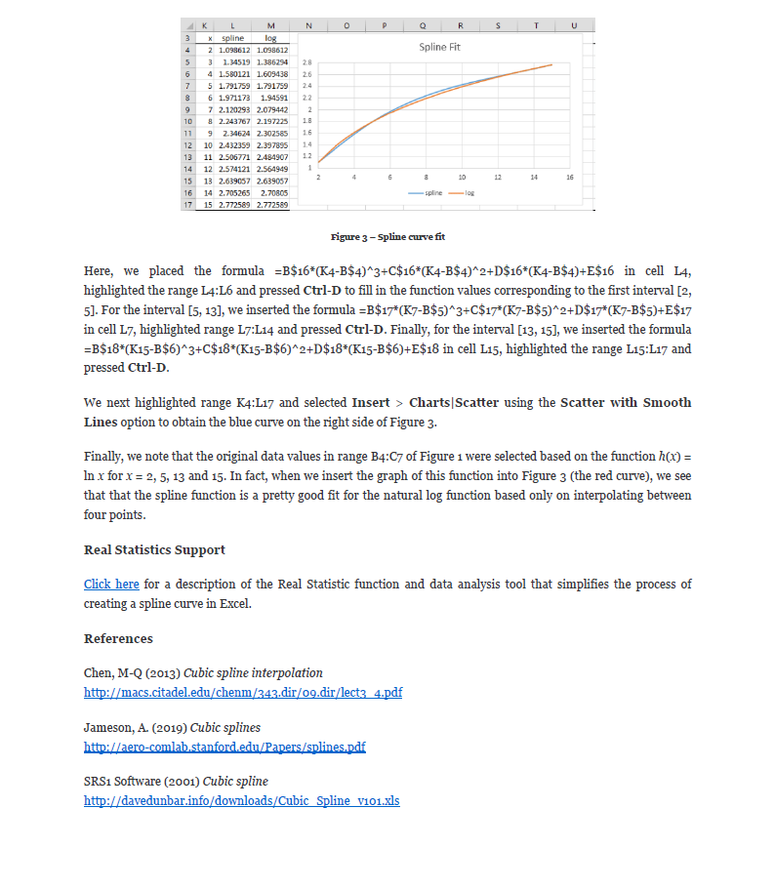
 |  |  |  |  |  |  |  | 3

 |  |  |  |  |  |  |  |  | U |  |  |  |  | V |  | B
 |  |  |  |  |  |  |  |  | 2 | 0 | 0 | 0 |  | 0
 |  |  |  |  |  |  |  |  |  | 2 |  | 0
 |  |  |  |  |  |  |  |  | 0 |  | 2
 |  |  |  |  |  |  |  |  | 0 | 0 | 0 | 2 |  | 0

 |  |  |  |  |  |  |  | i | a | b | c | d | --> y = a(Δx)³ + b(Δx)² + c(Δx) + d
 |  |  |  |  |  |  |  | 0
 |  |  |  |  |  |  |  | 1
 |  |  |  |  |  |  |  | 2

Test 6:
Known Values |  | Expected |  | Actual |  | Pass/Fail | Date of Run | Test 6: Create a spline curve that passes through the four points
x | y | x | y | XValues | YValues |  |  | The coefficients for the three cubic polynomials p0, p1 and p2 are shown
 |  |  |  |  |  |  |  | i | x | y |  | i | h | sum h | k | k/h
 |  |  |  |  |  |  |  | 0 |  |  |  | 0
 |  |  |  |  |  |  |  | 1 |  |  |  | 1
 |  |  |  |  |  |  |  | 2 |  |  |  | 2
 |  |  |  |  |  |  |  | 3

 |  |  |  |  |  |  |  |  | U |  |  |  |  | V |  | B
 |  |  |  |  |  |  |  |  | 2 | 0 | 0 | 0 |  | 0
 |  |  |  |  |  |  |  |  |  | 2 |  | 0
 |  |  |  |  |  |  |  |  | 0 |  | 2
 |  |  |  |  |  |  |  |  | 0 | 0 | 0 | 2 |  | 0

 |  |  |  |  |  |  |  | i | a | b | c | d | --> y = a(Δx)³ + b(Δx)² + c(Δx) + d
 |  |  |  |  |  |  |  | 0
 |  |  |  |  |  |  |  | 1
 |  |  |  |  |  |  |  | 2

Test 7:
Known Values |  | Expected |  | Actual |  | Pass/Fail | Date of Run | Test 7: Create a spline curve that passes through the four points
x | y | x | y | XValues | YValues |  |  | The coefficients for the three cubic polynomials p0, p1 and p2 are shown
 |  |  |  |  |  |  |  | i | x | y |  | i | h | sum h | k | k/h
 |  |  |  |  |  |  |  | 0 |  |  |  | 0
 |  |  |  |  |  |  |  | 1 |  |  |  | 1
 |  |  |  |  |  |  |  | 2 |  |  |  | 2
 |  |  |  |  |  |  |  | 3

 |  |  |  |  |  |  |  |  | U |  |  |  |  | V |  | B
 |  |  |  |  |  |  |  |  | 2 | 0 | 0 | 0 |  | 0 |  |  | Source: https://www.real-statistics.com/other-mathematical-topics/spline-fitting-interpolation/
 |  |  |  |  |  |  |  |  |  | 2 |  | 0
 |  |  |  |  |  |  |  |  | 0 |  | 2
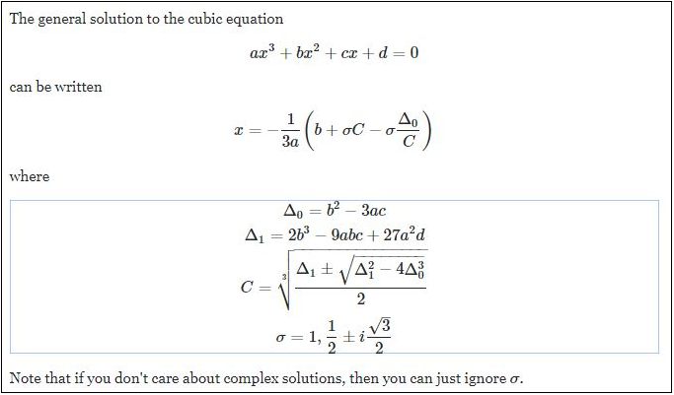
 |  |  |  |  |  |  |  |  | 0 | 0 | 0 | 2 |  | 0

 |  |  |  |  |  |  |  | i | a | b | c | d | --> y = a(Δx)³ + b(Δx)² + c(Δx) + d
 |  |  |  |  |  |  |  | 0
 |  |  |  |  |  |  |  | 1
 |  |  |  |  |  |  |  | 2

Test 8:
Known Values |  | Expected |  | Actual |  | Pass/Fail | Date of Run | Test 8: Create a spline curve that passes through the four points
x | y | x | y | XValues | YValues |  |  | The coefficients for the three cubic polynomials p0, p1 and p2 are shown
 |  |  |  |  |  |  |  | i | x | y |  | i | h | sum h | k | k/h
 |  |  |  |  |  |  |  | 0 |  |  |  | 0
 |  |  |  |  |  |  |  | 1 |  |  |  | 1
 |  |  |  |  |  |  |  | 2 |  |  |  | 2
 |  |  |  |  |  |  |  | 3

 |  |  |  |  |  |  |  |  | U |  |  |  |  | V |  | B
 |  |  |  |  |  |  |  |  | 2 | 0 | 0 | 0 |  | 0
 |  |  |  |  |  |  |  |  |  | 2 |  | 0
 |  |  |  |  |  |  |  |  | 0 |  | 2 |  |  |  |  |  | Source: https://math.stackexchange.com/questions/1483839/find-the-inverse-of-the-cubic-function/3106397
 |  |  |  |  |  |  |  |  | 0 | 0 | 0 | 2 |  | 0

 |  |  |  |  |  |  |  | i | a | b | c | d | --> y = a(Δx)³ + b(Δx)² + c(Δx) + d
 |  |  |  |  |  |  |  | 0
 |  |  |  |  |  |  |  | 1
 |  |  |  |  |  |  |  | 2

Test 9:
Known Values |  | Expected |  | Actual |  | Pass/Fail | Date of Run | Test 9: Create a spline curve that passes through the four points
x | y | x | y | XValues | YValues |  |  | The coefficients for the three cubic polynomials p0, p1 and p2 are shown
 |  |  |  |  |  |  |  | i | x | y |  | i | h | sum h | k | k/h
 |  |  |  |  |  |  |  | 0 |  |  |  | 0
 |  |  |  |  |  |  |  | 1 |  |  |  | 1
 |  |  |  |  |  |  |  | 2 |  |  |  | 2
 |  |  |  |  |  |  |  | 3

 |  |  |  |  |  |  |  |  | U |  |  |  |  | V |  | B
 |  |  |  |  |  |  |  |  | 2 | 0 | 0 | 0 |  | 0
 |  |  |  |  |  |  |  |  |  | 2 |  | 0
 |  |  |  |  |  |  |  |  | 0 |  | 2
 |  |  |  |  |  |  |  |  | 0 | 0 | 0 | 2 |  | 0

 |  |  |  |  |  |  |  | i | a | b | c | d | --> y = a(Δx)³ + b(Δx)² + c(Δx) + d
 |  |  |  |  |  |  |  | 0
 |  |  |  |  |  |  |  | 1
 |  |  |  |  |  |  |  | 2

Test 10:
Known Values |  | Expected |  | Actual |  | Pass/Fail | Date of Run | Test 10: Create a spline curve that passes through the four points
x | y | x | y | XValues | YValues |  |  | The coefficients for the three cubic polynomials p0, p1 and p2 are shown
 |  |  |  |  |  |  |  | i | x | y |  | i | h | sum h | k | k/h
 |  |  |  |  |  |  |  | 0 |  |  |  | 0
 |  |  |  |  |  |  |  | 1 |  |  |  | 1
 |  |  |  |  |  |  |  | 2 |  |  |  | 2
 |  |  |  |  |  |  |  | 3

 |  |  |  |  |  |  |  |  | U |  |  |  |  | V |  | B
 |  |  |  |  |  |  |  |  | 2 | 0 | 0 | 0 |  | 0
 |  |  |  |  |  |  |  |  |  | 2 |  | 0
 |  |  |  |  |  |  |  |  | 0 |  | 2
 |  |  |  |  |  |  |  |  | 0 | 0 | 0 | 2 |  | 0

 |  |  |  |  |  |  |  | i | a | b | c | d | --> y = a(Δx)³ + b(Δx)² + c(Δx) + d
 |  |  |  |  |  |  |  | 0
 |  |  |  |  |  |  |  | 1
 |  |  |  |  |  |  |  | 2

Test 11:
Known Values |  | Expected |  | Actual |  | Pass/Fail | Date of Run | Test 10: Create a spline curve that passes through the four points
x | y | x | y | XValues | YValues |  |  | The coefficients for the three cubic polynomials p0, p1 and p2 are shown
 |  |  |  |  |  |  |  | i | x | y |  | i | h | sum h | k | k/h
 |  |  |  |  |  |  |  | 0 |  |  |  | 0
 |  |  |  |  |  |  |  | 1 |  |  |  | 1
 |  |  |  |  |  |  |  | 2 |  |  |  | 2
 |  |  |  |  |  |  |  | 3

 |  |  |  |  |  |  |  |  | U |  |  |  |  | V |  | B
 |  |  |  |  |  |  |  |  | 2 | 0 | 0 | 0 |  | 0
 |  |  |  |  |  |  |  |  |  | 2 |  | 0
 |  |  |  |  |  |  |  |  | 0 |  | 2
 |  |  |  |  |  |  |  |  | 0 | 0 | 0 | 2 |  | 0

 |  |  |  |  |  |  |  | i | a | b | c | d | --> y = a(Δx)³ + b(Δx)² + c(Δx) + d
 |  |  |  |  |  |  |  | 0
 |  |  |  |  |  |  |  | 1
 |  |  |  |  |  |  |  | 2

Test 12:
Known Values |  | Expected |  | Actual |  | Pass/Fail | Date of Run | Test 10: Create a spline curve that passes through the four points
x | y | x | y | XValues | YValues |  |  | The coefficients for the three cubic polynomials p0, p1 and p2 are shown
 |  |  |  |  |  |  |  | i | x | y |  | i | h | sum h | k | k/h
 |  |  |  |  |  |  |  | 0 |  |  |  | 0
 |  |  |  |  |  |  |  | 1 |  |  |  | 1
 |  |  |  |  |  |  |  | 2 |  |  |  | 2
 |  |  |  |  |  |  |  | 3

 |  |  |  |  |  |  |  |  | U |  |  |  |  | V |  | B
 |  |  |  |  |  |  |  |  | 2 | 0 | 0 | 0 |  | 0
 |  |  |  |  |  |  |  |  |  | 2 |  | 0
 |  |  |  |  |  |  |  |  | 0 |  | 2
 |  |  |  |  |  |  |  |  | 0 | 0 | 0 | 2 |  | 0

 |  |  |  |  |  |  |  | i | a | b | c | d | --> y = a(Δx)³ + b(Δx)² + c(Δx) + d
 |  |  |  |  |  |  |  | 0
 |  |  |  |  |  |  |  | 1
 |  |  |  |  |  |  |  | 2

Test 13:
Known Values |  | Expected |  | Actual |  | Pass/Fail | Date of Run | Test 13: Create a spline curve that passes through the four points
x | y | x | y | XValues | YValues |  |  | The coefficients for the three cubic polynomials p0, p1 and p2 are shown
 |  |  |  |  |  |  |  | i | x | y |  | i | h | sum h | k | k/h
 |  |  |  |  |  |  |  | 0 |  |  |  | 0
 |  |  |  |  |  |  |  | 1 |  |  |  | 1
 |  |  |  |  |  |  |  | 2 |  |  |  | 2
 |  |  |  |  |  |  |  | 3

 |  |  |  |  |  |  |  |  | U |  |  |  |  | V |  | B
 |  |  |  |  |  |  |  |  | 2 | 0 | 0 | 0 |  | 0
 |  |  |  |  |  |  |  |  |  | 2 |  | 0
 |  |  |  |  |  |  |  |  | 0 |  | 2
 |  |  |  |  |  |  |  |  | 0 | 0 | 0 | 2 |  | 0

 |  |  |  |  |  |  |  | i | a | b | c | d | --> y = a(Δx)³ + b(Δx)² + c(Δx) + d
 |  |  |  |  |  |  |  | 0
 |  |  |  |  |  |  |  | 1
 |  |  |  |  |  |  |  | 2

Test 14:
Known Values |  | Expected |  | Actual |  | Pass/Fail | Date of Run | Test 14: Create a spline curve that passes through the four points
x | y | x | y | XValues | YValues |  |  | The coefficients for the three cubic polynomials p0, p1 and p2 are shown
 |  |  |  |  |  |  |  | i | x | y |  | i | h | sum h | k | k/h
 |  |  |  |  |  |  |  | 0 |  |  |  | 0
 |  |  |  |  |  |  |  | 1 |  |  |  | 1
 |  |  |  |  |  |  |  | 2 |  |  |  | 2
 |  |  |  |  |  |  |  | 3

 |  |  |  |  |  |  |  |  | U |  |  |  |  | V |  | B
 |  |  |  |  |  |  |  |  | 2 | 0 | 0 | 0 |  | 0
 |  |  |  |  |  |  |  |  |  | 2 |  | 0
 |  |  |  |  |  |  |  |  | 0 |  | 2
 |  |  |  |  |  |  |  |  | 0 | 0 | 0 | 2 |  | 0

 |  |  |  |  |  |  |  | i | a | b | c | d | --> y = a(Δx)³ + b(Δx)² + c(Δx) + d
 |  |  |  |  |  |  |  | 0
 |  |  |  |  |  |  |  | 1
 |  |  |  |  |  |  |  | 2

Analysis of y = F(x)
Test Target: | Constant Linked Functions Order
Description: | Interpolate y (F(x)) from x given points for three functions
Precision: | Recommended precision for equality between expected and actual range is a less than one percent absolute deviation in the expected value (e.g. |actual value - expected value| < expected value * 0.01)
Notes: | Interpolators: None, Linear, Piecewise, NaturalCubicSpline

Interpolation Comparison
 | None | Linear | Piecewise | Statistical | Mixed | NaturalCubicSpline
5 | 13 | 13 | 13 | 13 | 13 | 13
6 | -9999 | 14 | 13 | 0 | 14 | 14.195104895
7 | 15 | 15 | 15 | 15 | 15 | 15
8 | -9999 | 15.2 | 15 | 0 | 15.2 | 15.156363636
12 | 16 | 16 | 16 | 16 | 16 | 16
13 | 18 | 18 | 18 | 18 | 18 | 18
15 | -9999 | 18.8 | 18 | 0 | 18.8 | 18.976491744
18 | 20 | 20 | 20 | 20 | 20 | 20
19 | 25 | 25 | 25 | 25 | 25 | 25
22 | 33 | 33 | 33 | 33 | 33 | 33
24 | 35 | 35 | 35 | 35 | 35 | 35
26 | -9999 | 37 | 35 | 0 | 36.715099715 | 36.715099715
30 | 41 | 41 | 41 | 41 | 41 | 41
1. 3 Strictly Increasing - None, None, None - Non Overlapping
xs1 | ys1 | Interpolation1 | xs2 | ys2 | Interpolation2 | xs3 | ys3 | Interpolation3 | x | Expected y (Value) | Actual | Pass/Fail | Date of Run | Expected y (Equation)
5 | 13 | None | 13 | 18 | None | 22 | 33 | None | 6
7 | 15 |  | 18 | 20 |  | 24 | 35 |  | 8
12 | 16 |  | 19 | 25 |  | 30 | 41 |  | 15
 |  |  |  |  |  |  |  |  | 26
7. 3 Strictly Increasing - Linear, Linear, Linear - Non Overlapping
xs1 | ys1 | Interpolation1 | xs2 | ys2 | Interpolation2 | xs3 | ys3 | Interpolation3 | x | Expected y (Value) | Actual | Pass/Fail | Date of Run | Expected y (Equation)
5 | 13 | Linear | 13 | 18 | Linear | 22 | 33 | Linear | 6
7 | 15 |  | 18 | 20 |  | 24 | 35 |  | 8
12 | 16 |  | 19 | 25 |  | 30 | 41 |  | 15
 |  |  |  |  |  |  |  |  | 26 |  |  |  |  |  | None | Linear | Piecewise | Statistical | NatCubicSpline | Mixed
13. 3 Strictly Increasing - Piecewise, Piecewise, Piecewise - Non Overlapping
xs1 | ys1 | Interpolation1 | xs2 | ys2 | Interpolation2 | xs3 | ys3 | Interpolation3 | x | Expected y (Value) | Actual | Pass/Fail | Date of Run | Expected y (Equation)
5 | 13 | Piecewise | 13 | 18 | Piecewise | 22 | 33 | Piecewise | 6
7 | 15 |  | 18 | 20 |  | 24 | 35 |  | 8
12 | 16 |  | 19 | 25 |  | 30 | 41 |  | 15
 |  |  |  |  |  |  |  |  | 26
19. 3 Strictly Increasing - Statistical, Statistical, Statistical - Non Overlapping
xs1 | ys1 | Interpolation1 | xs2 | ys2 | Interpolation2 | xs3 | ys3 | Interpolation3 | x | Expected y (Value) | Actual | Pass/Fail | Date of Run | Expected y (Equation)
5 | 13 | Statistical | 13 | 18 | Statistical | 22 | 33 | Statistical | 6
7 | 15 |  | 18 | 20 |  | 24 | 35 |  | 8
12 | 16 |  | 19 | 25 |  | 30 | 41 |  | 15
 |  |  |  |  |  |  |  |  | 26
25. 3 Strictly Increasing - NaturalCubicSpline, NaturalCubicSpline, NaturalCubicSpline - Non Overlapping
xs1 | ys1 | Interpolation1 | xs2 | ys2 | Interpolation2 | xs3 | ys3 | Interpolation3 | x | Expected y (Value) | Actual | Pass/Fail | Date of Run | Expected y (Equation)
5 | 13 | NaturalCubicSpline | 13 | 18 | NaturalCubicSpline | 22 | 33 | NaturalCubicSpline | 6
7 | 15 |  | 18 | 20 |  | 24 | 35 |  | 8
12 | 16 |  | 19 | 25 |  | 30 | 41 |  | 15
 |  |  |  |  |  |  |  |  | 26
31. 3 Strictly Increasing - Linera, Linear, NaturalCubicSpline - Non Overlapping
xs1 | ys1 | Interpolation1 | xs2 | ys2 | Interpolation2 | xs3 | ys3 | Interpolation3 | x | Expected y (Value) | Actual | Pass/Fail | Date of Run | Expected y (Equation)
5 | 13 | Linear | 13 | 18 | Linear | 22 | 33 | NaturalCubicSpline | 6
7 | 15 |  | 18 | 20 |  | 24 | 35 |  | 8
12 | 16 |  | 19 | 25 |  | 30 | 41 |  | 15
 |  |  |  |  |  |  |  |  | 26

Interpolation Comparison
 | NaturalCubicSpline | None | Linear | Piecewise | Statistical | Mixed
14 | -9999 | -9999 | -9999 | -9999 | 0 | -9999
16 | 2 | 2 | 2 | 2 | 2 | 2
17 | 3 | 3 | 3 | 3 | 3 | 3
18 | 4 | 4 | 4 | 4 | 4 | 4
30 | 2 | 2 | 2 | 2 | 2 | 2
35 | 2.1212741877 | -9999 | 2.5 | 2 | 0 | 2.5
40 | 3 | 3 | 3 | 3 | 3 | 3
50 | 4 | 4 | 4 | 4 | 4 | 4
55 | 2 | 2 | 2 | 2 | 2 | 2
56 | 2.425 | -9999 | 2.5 | 2 | 0 | 2.425
57 | 3 | 3 | 3 | 3 | 3 | 3
59 | 4 | 4 | 4 | 4 | 4 | 4
60 | -9999 | -9999 | -9999 | -9999 | 0 | -9999
2. 3 Strictly Increasing - None, None, None - Overlapping Range
xs1 | ys1 | Interpolation1 | xs2 | ys2 | Interpolation2 | xs3 | ys3 | Interpolation3 | x | Expected y (Value) | Actual | Pass/Fail | Date of Run | Expected y (Equation)
16 | 2 | None | 30 | 2 | None | 55 | 2 | None | 14
17 | 3 |  | 40 | 3 |  | 57 | 3 |  | 35
18 | 4 |  | 50 | 4 |  | 59 | 4 |  | 56
 |  |  |  |  |  |  |  |  | 60
8. 3 Strictly Increasing - Linear, Linear, Linear - Overlapping Range
xs1 | ys1 | Interpolation1 | xs2 | ys2 | Interpolation2 | xs3 | ys3 | Interpolation3 | x | Expected y (Value) | Actual | Pass/Fail | Date of Run | Expected y (Equation)
16 | 2 | Linear | 30 | 2 | Linear | 55 | 2 | Linear | 14
17 | 3 |  | 40 | 3 |  | 57 | 3 |  | 35
18 | 4 |  | 50 | 4 |  | 59 | 4 |  | 56
 |  |  |  |  |  |  |  |  | 60 |  |  |  |  |  | None | Linear | Piecewise | Statistical | NatCubicSpline | Mixed
14. 3 Strictly Increasing - Piecewise, Piecewise, Piecewise - Overlapping Range
xs1 | ys1 | Interpolation1 | xs2 | ys2 | Interpolation2 | xs3 | ys3 | Interpolation3 | x | Expected y (Value) | Actual | Pass/Fail | Date of Run | Expected y (Equation)
16 | 2 | Piecewise | 30 | 2 | Piecewise | 55 | 2 | Piecewise | 14
17 | 3 |  | 40 | 3 |  | 57 | 3 |  | 35
18 | 4 |  | 50 | 4 |  | 59 | 4 |  | 56
 |  |  |  |  |  |  |  |  | 60
20. 3 Strictly Increasing - Statistical, Statistical, Statistical - Overlapping Range
xs1 | ys1 | Interpolation1 | xs2 | ys2 | Interpolation2 | xs3 | ys3 | Interpolation3 | x | Expected y (Value) | Actual | Pass/Fail | Date of Run | Expected y (Equation)
16 | 2 | Statistical | 30 | 2 | Statistical | 55 | 2 | Statistical | 14
17 | 3 |  | 40 | 3 |  | 57 | 3 |  | 35
18 | 4 |  | 50 | 4 |  | 59 | 4 |  | 56
 |  |  |  |  |  |  |  |  | 60
26. 3 Strictly Increasing - NaturalCubicSpline, NaturalCubicSpline, NaturalCubicSpline - Overlapping Range
xs1 | ys1 | Interpolation1 | xs2 | ys2 | Interpolation2 | xs3 | ys3 | Interpolation3 | x | Expected y (Value) | Actual | Pass/Fail | Date of Run | Expected y (Equation)
16 | 2 | NaturalCubicSpline | 30 | 2 | NaturalCubicSpline | 55 | 2 | NaturalCubicSpline | 14
17 | 3 |  | 40 | 3 |  | 57 | 3 |  | 35
18 | 4 |  | 50 | 4 |  | 59 | 4 |  | 56
 |  |  |  |  |  |  |  |  | 60
32. 3 Strictly Increasing - NaturalCubicSpline, Linear, NaturalCubicSpline - Overlapping Range
xs1 | ys1 | Interpolation1 | xs2 | ys2 | Interpolation2 | xs3 | ys3 | Interpolation3 | x | Expected y (Value) | Actual | Pass/Fail | Date of Run | Expected y (Equation)
16 | 2 | NaturalCubicSpline | 30 | 2 | Linear | 55 | 2 | NaturalCubicSpline | 14
17 | 3 |  | 40 | 3 |  | 57 | 3 |  | 35
18 | 4 |  | 50 | 4 |  | 59 | 4 |  | 56
 |  |  |  |  |  |  |  |  | 60

Interpolation Comparison
 | NaturalCubicSpline | None | Linear | Piecewise | Statistical | Mixed
0 | 14 | 14 | 14 | 14 | 14 | 14
0 | 14 | 14 | 14 | 14 | 0 | 14
1 | 20 | 20 | 20 | 20 | 20 | 20
2 | 30 | 30 | 30 | 30 | 30 | 30
4 | 30 | 30 | 30 | 30 | 30 | 30
5 | 40 | 40 | 40 | 40 | 40 | 40
5 | 40 | 40 | 40 | 40 | 0 | 40
5.5 | 45.679347826 | -9999 | 45 | 40 | 0 | 45.679347826
6 | 50 | 50 | 50 | 50 | 50 | 50
7 | 50 | 50 | 50 | 50 | 50 | 50
8 | 55 | 55 | 55 | 55 | 55 | 55
9 | 57.5 | 57.5 | 57.5 | 57.5 | 57.5 | 57.5
10 | -9999 | -9999 | -9999 | -9999 | 0 | -9999
3. 3 Strictly Increasing - None, None, None - Some Equal y-values
xs1 | ys1 | Interpolation1 | xs2 | ys2 | Interpolation2 | xs3 | ys3 | Interpolation3 | x | Expected y (Value) | Actual | Pass/Fail | Date of Run | Expected y (Equation)
0 | 14 | None | 4 | 30 | None | 7 | 50 | None | 0
1 | 20 |  | 5 | 40 |  | 8 | 55 |  | 5
2 | 30 |  | 6 | 50 |  | 9 | 57.5 |  | 5.5
 |  |  |  |  |  |  |  |  | 10
9. 3 Strictly Increasing - Linear, Linear, Linear - Some Equal y-values
xs1 | ys1 | Interpolation1 | xs2 | ys2 | Interpolation2 | xs3 | ys3 | Interpolation3 | x | Expected y (Value) | Actual | Pass/Fail | Date of Run | Expected y (Equation)
0 | 14 | Linear | 4 | 30 | Linear | 7 | 50 | Linear | 0
1 | 20 |  | 5 | 40 |  | 8 | 55 |  | 5
2 | 30 |  | 6 | 50 |  | 9 | 57.5 |  | 5.5
 |  |  |  |  |  |  |  |  | 10 |  |  |  |  |  | None | Linear | Piecewise | Statistical | NatCubicSpline | Mixed
15. 3 Strictly Increasing - Piecewise, Piecewise, Piecewise - Some Equal y-values
xs1 | ys1 | Interpolation1 | xs2 | ys2 | Interpolation2 | xs3 | ys3 | Interpolation3 | x | Expected y (Value) | Actual | Pass/Fail | Date of Run | Expected y (Equation)
0 | 14 | Piecewise | 4 | 30 | Piecewise | 7 | 50 | Piecewise | 0
1 | 20 |  | 5 | 40 |  | 8 | 55 |  | 5
2 | 30 |  | 6 | 50 |  | 9 | 57.5 |  | 5.5
 |  |  |  |  |  |  |  |  | 10
21. 3 Strictly Increasing - Statistical, Statistical, Statistical - Some Equal y-values
xs1 | ys1 | Interpolation1 | xs2 | ys2 | Interpolation2 | xs3 | ys3 | Interpolation3 | x | Expected y (Value) | Actual | Pass/Fail | Date of Run | Expected y (Equation)
0 | 14 | Statistical | 4 | 30 | Statistical | 7 | 50 | Statistical | 0
1 | 20 |  | 5 | 40 |  | 8 | 55 |  | 5
2 | 30 |  | 6 | 50 |  | 9 | 57.5 |  | 5.5
 |  |  |  |  |  |  |  |  | 10
27. 3 Strictly Increasing - NaturalCubicSpline, NaturalCubicSpline, NaturalCubicSpline - Some Equal y-values
xs1 | ys1 | Interpolation1 | xs2 | ys2 | Interpolation2 | xs3 | ys3 | Interpolation3 | x | Expected y (Value) | Actual | Pass/Fail | Date of Run | Expected y (Equation)
0 | 14 | NaturalCubicSpline | 4 | 30 | NaturalCubicSpline | 7 | 50 | NaturalCubicSpline | 0
1 | 20 |  | 5 | 40 |  | 8 | 55 |  | 5
2 | 30 |  | 6 | 50 |  | 9 | 57.5 |  | 5.5
 |  |  |  |  |  |  |  |  | 10
33. 3 Strictly Increasing - Piecewise, NaturalCubicSpline, NaturalCubicSpline - Some Equal y-values
xs1 | ys1 | Interpolation1 | xs2 | ys2 | Interpolation2 | xs3 | ys3 | Interpolation3 | x | Expected y (Value) | Actual | Pass/Fail | Date of Run | Expected y (Equation)
0 | 14 | Piecewise | 4 | 30 | NaturalCubicSpline | 7 | 50 | NaturalCubicSpline | 0
1 | 20 |  | 5 | 40 |  | 8 | 55 |  | 5
2 | 30 |  | 6 | 50 |  | 9 | 57.5 |  | 5.5
 |  |  |  |  |  |  |  |  | 10

Interpolation Comparison
 | NaturalCubicSpline | None | Linear | Piecewise | Statistical | Mixed
7 | -9999 | -9999 | -9999 | -9999 | 0 | -9999
8 | 58 | 58 | 58 | 58 | 58 | 58
9 | 57 | 57 | 57 | 57 | 57 | 57
10 | 56 | 56 | 56 | 56 | 56 | 56
14 | 55 | 55 | 55 | 55 | 55 | 55
14 | 55 | 55 | 55 | 55 | 0 | 55
15 | 54 | 54 | 54 | 54 | 54 | 54
16 | 53 | 53 | 53 | 53 | 53 | 53
20 | 51.116271366 | -9999 | 52.80952381 | 53 | 0 | 53
30 | 50.791320726 | -9999 | 52.333333333 | 53 | 0 | 53
37 | 52 | 52 | 52 | 52 | 52 | 52
48 | 51 | 51 | 51 | 51 | 51 | 51
59 | 50 | 50 | 50 | 50 | 50 | 50
4. 3 Strictly Decreasing - None, None, None - Non Overlapping
xs1 | ys1 | Interpolation1 | xs2 | ys2 | Interpolation2 | xs3 | ys3 | Interpolation3 | x | Expected y (Value) | Actual | Pass/Fail | Date of Run | Expected y (Equation)
8 | 58 | None | 14 | 55 | None | 37 | 52 | None | 7
9 | 57 |  | 15 | 54 |  | 48 | 51 |  | 14
10 | 56 |  | 16 | 53 |  | 59 | 50 |  | 20
 |  |  |  |  |  |  |  |  | 30
10. 3 Strictly Decreasing - Linear, Linear, Linear - Non Overlapping
xs1 | ys1 | Interpolation1 | xs2 | ys2 | Interpolation2 | xs3 | ys3 | Interpolation3 | x | Expected y (Value) | Actual | Pass/Fail | Date of Run | Expected y (Equation)
8 | 58 | Linear | 14 | 55 | Linear | 37 | 52 | Linear | 7
9 | 57 |  | 15 | 54 |  | 48 | 51 |  | 14
10 | 56 |  | 16 | 53 |  | 59 | 50 |  | 20
 |  |  |  |  |  |  |  |  | 30 |  |  |  |  |  | None | Linear | Piecewise | Statistical | NatCubicSpline | Mixed
16. 3 Strictly Decreasing - Piecewise, Piecewise, Piecewise - Non Overlapping
xs1 | ys1 | Interpolation1 | xs2 | ys2 | Interpolation2 | xs3 | ys3 | Interpolation3 | x | Expected y (Value) | Actual | Pass/Fail | Date of Run | Expected y (Equation)
8 | 58 | Piecewise | 14 | 55 | Piecewise | 37 | 52 | Piecewise | 7
9 | 57 |  | 15 | 54 |  | 48 | 51 |  | 14
10 | 56 |  | 16 | 53 |  | 59 | 50 |  | 20
 |  |  |  |  |  |  |  |  | 30
22. 3 Strictly Decreasing - Statistical, Statistical, Statistical - Non Overlapping
xs1 | ys1 | Interpolation1 | xs2 | ys2 | Interpolation2 | xs3 | ys3 | Interpolation3 | x | Expected y (Value) | Actual | Pass/Fail | Date of Run | Expected y (Equation)
8 | 58 | Statistical | 14 | 55 | Statistical | 37 | 52 | Statistical | 7
9 | 57 |  | 15 | 54 |  | 48 | 51 |  | 14
10 | 56 |  | 16 | 53 |  | 59 | 50 |  | 20
 |  |  |  |  |  |  |  |  | 30
28. 3 Strictly Decreasing - NaturalCubicSpline, NaturalCubicSpline, NaturalCubicSpline - Non Overlapping
xs1 | ys1 | Interpolation1 | xs2 | ys2 | Interpolation2 | xs3 | ys3 | Interpolation3 | x | Expected y (Value) | Actual | Pass/Fail | Date of Run | Expected y (Equation)
8 | 58 | NaturalCubicSpline | 14 | 55 | NaturalCubicSpline | 37 | 52 | NaturalCubicSpline | 7
9 | 57 |  | 15 | 54 |  | 48 | 51 |  | 14
10 | 56 |  | 16 | 53 |  | 59 | 50 |  | 20
 |  |  |  |  |  |  |  |  | 30
34. 3 Strictly Decreasing - Piecewise,Piecewise, Linear - Non Overlapping
xs1 | ys1 | Interpolation1 | xs2 | ys2 | Interpolation2 | xs3 | ys3 | Interpolation3 | x | Expected y (Value) | Actual | Pass/Fail | Date of Run | Expected y (Equation)
8 | 58 | Piecewise | 14 | 55 | Piecewise | 37 | 52 | Linear | 7
9 | 57 |  | 15 | 54 |  | 48 | 51 |  | 14
10 | 56 |  | 16 | 53 |  | 59 | 50 |  | 20
 |  |  |  |  |  |  |  |  | 30

Interpolation Comparison
 | NaturalCubicSpline | None | Linear | Piecewise | Statistical | Mixed
1 | 17 | 17 | 17 | 17 | 17 | 17
1.5 | 16.725 | -9999 | 16.5 | 17 | 0 | 16.5
2 | 16 | 16 | 16 | 16 | 16 | 16
3 | 14 | 14 | 14 | 14 | 14 | 14
3.5 | 15.425 | -9999 | 15.5 | 14 | 0 | 15.5
4 | 17 | 17 | 17 | 17 | 17 | 17
4 | 17 | 17 | 17 | 17 | 0 | 17
5 | 16 | 16 | 16 | 16 | 16 | 16
6 | 14 | 14 | 14 | 14 | 14 | 14
7 | 17 | 17 | 17 | 17 | 17 | 17
8 | 16 | 16 | 16 | 16 | 16 | 16
9 | 14 | 14 | 14 | 14 | 14 | 14
10 | -9999 | -9999 | -9999 | -9999 | 0 | -9999
5. 3 Strictly Decreasing - None, None, None - Overlapping Range
xs1 | ys1 | Interpolation1 | xs2 | ys2 | Interpolation2 | xs3 | ys3 | Interpolation3 | x | Expected y (Value) | Actual | Pass/Fail | Date of Run | Expected y (Equation)
1 | 17 | None | 4 | 17 | None | 7 | 17 | None | 1.5
2 | 16 |  | 5 | 16 |  | 8 | 16 |  | 3.5
3 | 14 |  | 6 | 14 |  | 9 | 14 |  | 4
 |  |  |  |  |  |  |  |  | 10
11. 3 Strictly Decreasing - Linear, Linear, Linear - Overlapping Range
xs1 | ys1 | Interpolation1 | xs2 | ys2 | Interpolation2 | xs3 | ys3 | Interpolation3 | x | Expected y (Value) | Actual | Pass/Fail | Date of Run | Expected y (Equation)
1 | 17 | Linear | 4 | 17 | Linear | 7 | 17 | Linear | 1.5
2 | 16 |  | 5 | 16 |  | 8 | 16 |  | 3.5
3 | 14 |  | 6 | 14 |  | 9 | 14 |  | 4
 |  |  |  |  |  |  |  |  | 10 |  |  |  |  |  | None | Linear | Piecewise | Statistical | NatCubicSpline | Mixed
17. 3 Strictly Decreasing - Piecewise, Piecewise, Piecewise - Overlapping Range
xs1 | ys1 | Interpolation1 | xs2 | ys2 | Interpolation2 | xs3 | ys3 | Interpolation3 | x | Expected y (Value) | Actual | Pass/Fail | Date of Run | Expected y (Equation)
1 | 17 | Piecewise | 4 | 17 | Piecewise | 7 | 17 | Piecewise | 1.5
2 | 16 |  | 5 | 16 |  | 8 | 16 |  | 3.5
3 | 14 |  | 6 | 14 |  | 9 | 14 |  | 4
 |  |  |  |  |  |  |  |  | 10
23. 3 Strictly Decreasing - Statistical, Statistical, Statistical - Overlapping Range
xs1 | ys1 | Interpolation1 | xs2 | ys2 | Interpolation2 | xs3 | ys3 | Interpolation3 | x | Expected y (Value) | Actual | Pass/Fail | Date of Run | Expected y (Equation)
1 | 17 | Statistical | 4 | 17 | Statistical | 7 | 17 | Statistical | 1.5
2 | 16 |  | 5 | 16 |  | 8 | 16 |  | 3.5
3 | 14 |  | 6 | 14 |  | 9 | 14 |  | 4
 |  |  |  |  |  |  |  |  | 10
29. 3 Strictly Decreasing - NaturalCubicSpline, NaturalCubicSpline, NaturalCubicSpline - Overlapping Range
xs1 | ys1 | Interpolation1 | xs2 | ys2 | Interpolation2 | xs3 | ys3 | Interpolation3 | x | Expected y (Value) | Actual | Pass/Fail | Date of Run | Expected y (Equation)
1 | 17 | NaturalCubicSpline | 4 | 17 | NaturalCubicSpline | 7 | 17 | NaturalCubicSpline | 1.5
2 | 16 |  | 5 | 16 |  | 8 | 16 |  | 3.5
3 | 14 |  | 6 | 14 |  | 9 | 14 |  | 4
 |  |  |  |  |  |  |  |  | 10
35. 3 Strictly Decreasing - Linear, Piecewise, NaturalCubicSpline - Overlapping Range
xs1 | ys1 | Interpolation1 | xs2 | ys2 | Interpolation2 | xs3 | ys3 | Interpolation3 | x | Expected y (Value) | Actual | Pass/Fail | Date of Run | Expected y (Equation)
1 | 17 | Linear | 4 | 17 | Piecewise | 7 | 17 | NaturalCubicSpline | 1.5
2 | 16 |  | 5 | 16 |  | 8 | 16 |  | 3.5
3 | 14 |  | 6 | 14 |  | 9 | 14 |  | 4
 |  |  |  |  |  |  |  |  | 10

Interpolation Comparison
 | NaturalCubicSpline | None | Linear | Piecewise | Statistical | Mixed
11 | 36 | 36 | 36 | 36 | 36 | 36
11.5 | 30.451086957 | -9999 | 30.5 | 36 | 0 | 30.5
12 | 25 | 25 | 25 | 25 | 25 | 25
13 | 16 | 16 | 16 | 16 | 16 | 16
14 | 15.005572955 | -9999 | 16 | 16 | 0 | 16
15 | 16 | 16 | 16 | 16 | 16 | 16
16 | 14 | 14 | 14 | 14 | 14 | 14
20 | 12 | 12 | 12 | 12 | 12 | 12
21 | 12.016799955 | -9999 | 12 | 12 | 0 | 12.014423077
22 | 12 | 12 | 12 | 12 | 12 | 12
28 | 8 | 8 | 8 | 8 | 8 | 8
29 | 6.5636363636 | -9999 | 6.5 | 8 | 0 | 6.5636363636
30 | 5 | 5 | 5 | 5 | 5 | 5
6. 3 Strictly Decreasing - None, None, None - Some Equal y-values
xs1 | ys1 | Interpolation1 | xs2 | ys2 | Interpolation2 | xs3 | ys3 | Interpolation3 | x | Expected y (Value) | Actual | Pass/Fail | Date of Run | Expected y (Equation)
11 | 36 | None | 15 | 16 | None | 22 | 12 | None | 11.5
12 | 25 |  | 16 | 14 |  | 28 | 8 |  | 14
13 | 16 |  | 20 | 12 |  | 30 | 5 |  | 21
 |  |  |  |  |  |  |  |  | 29
12. 3 Strictly Decreasing - Linear, Linear, Linear - Some Equal y-values
xs1 | ys1 | Interpolation1 | xs2 | ys2 | Interpolation2 | xs3 | ys3 | Interpolation3 | x | Expected y (Value) | Actual | Pass/Fail | Date of Run | Expected y (Equation)
11 | 36 | Linear | 15 | 16 | Linear | 22 | 12 | Linear | 11.5
12 | 25 |  | 16 | 14 |  | 28 | 8 |  | 14
13 | 16 |  | 20 | 12 |  | 30 | 5 |  | 21
 |  |  |  |  |  |  |  |  | 29 |  |  |  |  |  | None | Linear | Piecewise | Statistical | NatCubicSpline | Mixed
18. 3 Strictly Decreasing - Piecewise, Piecewise, Piecewise - Some Equal y-values
xs1 | ys1 | Interpolation1 | xs2 | ys2 | Interpolation2 | xs3 | ys3 | Interpolation3 | x | Expected y (Value) | Actual | Pass/Fail | Date of Run | Expected y (Equation)
11 | 36 | Piecewise | 15 | 16 | Piecewise | 22 | 12 | Piecewise | 11.5
12 | 25 |  | 16 | 14 |  | 28 | 8 |  | 14
13 | 16 |  | 20 | 12 |  | 30 | 5 |  | 21
 |  |  |  |  |  |  |  |  | 29
24. 3 Strictly Decreasing - Statistical, Statistical, Statistical - Some Equal y-values
xs1 | ys1 | Interpolation1 | xs2 | ys2 | Interpolation2 | xs3 | ys3 | Interpolation3 | x | Expected y (Value) | Actual | Pass/Fail | Date of Run | Expected y (Equation)
11 | 36 | Statistical | 15 | 16 | Statistical | 22 | 12 | Statistical | 11.5
12 | 25 |  | 16 | 14 |  | 28 | 8 |  | 14
13 | 16 |  | 20 | 12 |  | 30 | 5 |  | 21
 |  |  |  |  |  |  |  |  | 29
30. 3 Strictly Decreasing - NaturalCubicSpline, NaturalCubicSpline, NaturalCubicSpline - Some Equal y-values
xs1 | ys1 | Interpolation1 | xs2 | ys2 | Interpolation2 | xs3 | ys3 | Interpolation3 | x | Expected y (Value) | Actual | Pass/Fail | Date of Run | Expected y (Equation)
11 | 36 | NaturalCubicSpline | 15 | 16 | NaturalCubicSpline | 22 | 12 | NaturalCubicSpline | 11.5
12 | 25 |  | 16 | 14 |  | 28 | 8 |  | 14
13 | 16 |  | 20 | 12 |  | 30 | 5 |  | 21
 |  |  |  |  |  |  |  |  | 29
36. 3 Strictly Decreasing - Linear, NaturalCubicSpline, Piecewise - Some Equal y-values
xs1 | ys1 | Interpolation1 | xs2 | ys2 | Interpolation2 | xs3 | ys3 | Interpolation3 | x | Expected y (Value) | Actual | Pass/Fail | Date of Run | Expected y (Equation)
11 | 36 | Linear | 15 | 16 | NaturalCubicSpline | 22 | 12 | Piecewise | 11.5
12 | 25 |  | 16 | 14 |  | 28 | 8 |  | 14
13 | 16 |  | 20 | 12 |  | 30 | 5 |  | 21
 |  |  |  |  |  |  |  |  | 29

