PDF1
Test Target: | Statistics.Distributions.Pearson III Test
Description: | These tests test that the PDF function returns the expected result.
Precision: | Recommended precision for equality between expected and actual range is a less than one percent absolute deviation in the expected value (e.g. |actual value - expected value| < expected value * 0.01)
Notes: | If the sample size is not specified, the default value of: 2,147,483,647 is assumed

A. Test Data: Pearson Type III (Location = 0, Mean = 1, Skew = 0.7) |  |  |  |  |  |  |  |  |  |  |  | Formula Used for "Expected" PDF
1. Test x = 0 |  |  |  |  |  |  |  |  |  |  |  | The (non-log) P3 distribution has shape, scale, and location parameters α, β, and τ with the probability density function
Mean | Std. Dev. | Skew | Alpha | Beta | Location | x | Expected (Value) | Actual | Pass/Fail | Date of Run | Expected (Equation)
1 | 0.35 | 0.7 | 8.1632653061 | 0.1225 | 0 | 1E-10 | 9.2261141168E-69 |  | Failed |  | 9.2261141168E-69
 |  |  |  |  |  |  |  |  |  |  |  | defined for α > 0 and (x-τ)/β > 0, where Γ(α) = complete gamma function.
2. Test x = 0.25 |  |  |  |  |  |  |  |  |  |  |  | The parameters of the P3 distribution are functions of the first three population moments (µx, σx, γx):
Mean | Std. Dev. | Skew | Alpha | Beta | Location | x | Expected (Value) | Actual | Pass/Fail | Date of Run | Expected (Equation) | α = 4 / (γx)²; β = (σx * γx) / 2; τ = µx - 2 * (σx / γx),
1 | 0.35 | 0.7 | 8.1632653061 | 0.1225 | 0 | 0.25 | 0.02504039448 |  | Failed |  | 0.02504039448 | where µx = mean, σx = standard deviation, γx = skew, α = shape, β = scale, and τ = location.

3. Test x = 0.50 |  |  |  |  |  |  |  |  |  |  |  |  | "Expected" p
Mean | Std. Dev. | Skew | Alpha | Beta | Location | x | Expected (Value) | Actual | Pass/Fail | Date of Run | Expected (Equation) | x | PDF(τ = 0, µ = 1, γ = 0.7) | PDF(τ = 0, µ = 1, γ = 1.4) | PDF(τ = 0, µ = 1, γ = 2.0) | PDF(τ = 0, µ = 1, γ = 2.8) | PDF(τ = 0, µ = 1, γ = 0.2)
1 | 0.35 | 0.7 | 8.1632653061 | 0.1225 | 0 | 0.5 | 0.46631954784 |  | Failed |  | 0.46631954784 | 0.00 | 9.2261141168E-69 | 1.6457500639E-10 | 0.9999999999 | 32274.918222 | 0
 |  |  |  |  |  |  |  |  |  |  |  | 0.25 | 0.02504039448 | 0.59746773929 | 0.77880078307 | 0.7085945193 | 3.7042062164E-27
4. Test x = 0.75 |  |  |  |  |  |  |  |  |  |  |  | 0.50 | 0.46631954784 | 0.73799356873 | 0.60653065971 | 0.44418084035 | 3.2606387043E-08
Mean | Std. Dev. | Skew | Alpha | Beta | Location | x | Expected (Value) | Actual | Pass/Fail | Date of Run | Expected (Equation) | 0.75 | 1.1060041555 | 0.67569766362 | 0.47236655274 | 0.32056517255 | 0.12273693627
1 | 0.35 | 0.7 | 8.1632653061 | 0.1225 | 0 | 0.75 | 1.1060041555 |  | Failed |  | 1.1060041555 | 1.00 | 1.1282641967 | 0.54728289764 | 0.36787944117 | 0.24509087911 | 3.9860996809
 |  |  |  |  |  |  |  |  |  |  |  | 1.25 | 0.72491597709 | 0.41447523197 | 0.28650479686 | 0.19340438498 | 0.21740893829
5. Test x = 1 |  |  |  |  |  |  |  |  |  |  |  | 1.50 | 0.34767116687 | 0.30083814328 | 0.22313016015 | 0.15570012491 | 0.00020838128236
Mean | Std. Dev. | Skew | Alpha | Beta | Location | x | Expected (Value) | Actual | Pass/Fail | Date of Run | Expected (Equation) | 1.75 | 0.136273378 | 0.21204761592 | 0.17377394345 | 0.12708783822 | 1.2280861461E-08
1 | 0.35 | 0.7 | 8.1632653061 | 0.1225 | 0 | 1 | 1.1282641967 |  | Failed |  | 1.1282641967 | 2.00 | 0.046079467761 | 0.14628963014 | 0.13533528324 | 0.10478643593 | 9.3987378275E-14
 |  |  |  |  |  |  |  |  |  |  |  | 2.25 | 0.013919103825 | 0.099283048808 | 0.10539922456 | 0.087067498692 | 1.5128895047E-19
6. Test x = 1.25 |  |  |  |  |  |  |  |  |  |  |  | 2.50 | 0.0038465293429 | 0.06651528114 | 0.082084998624 | 0.072786281313 | 7.119290721E-26
Mean | Std. Dev. | Skew | Alpha | Beta | Location | x | Expected (Value) | Actual | Pass/Fail | Date of Run | Expected (Equation) | 2.75 | 0.00098914638036 | 0.044098599406 | 0.063927861207 | 0.061147803186 | 1.2386554307E-32
1 | 0.35 | 0.7 | 8.1632653061 | 0.1225 | 0 | 1.25 | 0.72491597709 |  | Failed |  | 0.72491597709 | 3.00 | 0.00023968164907 | 0.028985241961 | 0.049787068368 | 0.051579540854 | 9.4766751023E-40

Probability Density Function
7. Test x = 1.5
Mean | Std. Dev. | Skew | Alpha | Beta | Location | x | Expected (Value) | Actual | Pass/Fail | Date of Run | Expected (Equation)
1 | 0.35 | 0.7 | 8.1632653061 | 0.1225 | 0 | 1.5 | 0.34767116687 |  | Failed |  | 0.34767116687

8. Test x = 1.75
Mean | Std. Dev. | Skew | Alpha | Beta | Location | x | Expected (Value) | Actual | Pass/Fail | Date of Run | Expected (Equation)
1 | 0.35 | 0.7 | 8.1632653061 | 0.1225 | 0 | 1.75 | 0.136273378 |  | Failed |  | 0.136273378

9. Test x = 2
Mean | Std. Dev. | Skew | Alpha | Beta | Location | x | Expected (Value) | Actual | Pass/Fail | Date of Run | Expected (Equation)
1 | 0.35 | 0.7 | 8.1632653061 | 0.1225 | 0 | 2 | 0.046079467761 |  | Failed |  | 0.046079467761

10. Test x = 2.25
Mean | Std. Dev. | Skew | Alpha | Beta | Location | x | Expected (Value) | Actual | Pass/Fail | Date of Run | Expected (Equation)
1 | 0.35 | 0.7 | 8.1632653061 | 0.1225 | 0 | 2.25 | 0.013919103825 |  | Failed |  | 0.013919103825

11. Test x = 2.5
Mean | Std. Dev. | Skew | Alpha | Beta | Location | x | Expected (Value) | Actual | Pass/Fail | Date of Run | Expected (Equation)
1 | 0.35 | 0.7 | 8.1632653061 | 0.1225 | 0 | 2.5 | 0.0038465293429 |  | Failed |  | 0.0038465293429

12. Test x = 2.75 |  |  |  |  |  |  |  |  |  |  |  | Fig. 1. Probability density function for non-logarithmic P3 distribution with τ = 0, µx = 1, and γx = 0.7, 1.4, 2.0, and 2.8
Mean | Std. Dev. | Skew | Alpha | Beta | Location | x | Expected (Value) | Actual | Pass/Fail | Date of Run | Expected (Equation)
1 | 0.35 | 0.7 | 8.1632653061 | 0.1225 | 0 | 2.75 | 0.00098914638036 |  | Failed |  | 0.00098914638036

13. Test x = 3
Mean | Std. Dev. | Skew | Alpha | Beta | Location | x | Expected (Value) | Actual | Pass/Fail | Date of Run | Expected (Equation)
1 | 0.35 | 0.7 | 8.1632653061 | 0.1225 | 0 | 3 | 0.00023968164907 |  | Failed |  | 0.00023968164907

B. Test Data: Pearson Type III (Location = 0, Mean = 1, Skew= 1.4)
1. Test x = 0
Mean | Std. Dev. | Skew | Alpha | Beta | Location | x | Expected (Value) | Actual | Pass/Fail | Date of Run | Expected (Equation)
1 | 0.7 | 1.4 | 2.0408163265 | 0.49 | 0 | 1E-10 | 1.6457500639E-10 |  | Failed |  | 1.6457500639E-10

2. Test x = 0.25
Mean | Std. Dev. | Skew | Alpha | Beta | Location | x | Expected (Value) | Actual | Pass/Fail | Date of Run | Expected (Equation)
1 | 0.7 | 1.4 | 2.0408163265 | 0.49 | 0 | 0.25 | 0.59746773929 |  | Failed |  | 0.59746773929

3. Test x = 0.50
Mean | Std. Dev. | Skew | Alpha | Beta | Location | x | Expected (Value) | Actual | Pass/Fail | Date of Run | Expected (Equation)
1 | 0.7 | 1.4 | 2.0408163265 | 0.49 | 0 | 0.5 | 0.73799356873 |  | Failed |  | 0.73799356873

4. Test x = 0.75
Mean | Std. Dev. | Skew | Alpha | Beta | Location | x | Expected (Value) | Actual | Pass/Fail | Date of Run | Expected (Equation)
1 | 0.7 | 1.4 | 2.0408163265 | 0.49 | 0 | 0.75 | 0.67569766362 |  | Failed |  | 0.67569766362

5. Test x = 1
Mean | Std. Dev. | Skew | Alpha | Beta | Location | x | Expected (Value) | Actual | Pass/Fail | Date of Run | Expected (Equation)
1 | 0.7 | 1.4 | 2.0408163265 | 0.49 | 0 | 1 | 0.54728289764 |  | Failed |  | 0.54728289764

6. Test x = 1.25
Mean | Std. Dev. | Skew | Alpha | Beta | Location | x | Expected (Value) | Actual | Pass/Fail | Date of Run | Expected (Equation)
1 | 0.7 | 1.4 | 2.0408163265 | 0.49 | 0 | 1.25 | 0.41447523197 |  | Failed |  | 0.41447523197

7. Test x = 1.5
Mean | Std. Dev. | Skew | Alpha | Beta | Location | x | Expected (Value) | Actual | Pass/Fail | Date of Run | Expected (Equation)
1 | 0.7 | 1.4 | 2.0408163265 | 0.49 | 0 | 1.5 | 0.30083814328 |  | Failed |  | 0.30083814328

8. Test x = 1.75
Mean | Std. Dev. | Skew | Alpha | Beta | Location | x | Expected (Value) | Actual | Pass/Fail | Date of Run | Expected (Equation)
1 | 0.7 | 1.4 | 2.0408163265 | 0.49 | 0 | 1.75 | 0.21204761592 |  | Failed |  | 0.21204761592

9. Test x = 2
Mean | Std. Dev. | Skew | Alpha | Beta | Location | x | Expected (Value) | Actual | Pass/Fail | Date of Run | Expected (Equation)
1 | 0.7 | 1.4 | 2.0408163265 | 0.49 | 0 | 2 | 0.14628963014 |  | Failed |  | 0.14628963014

10. Test x = 2.25
Mean | Std. Dev. | Skew | Alpha | Beta | Location | x | Expected (Value) | Actual | Pass/Fail | Date of Run | Expected (Equation)
1 | 0.7 | 1.4 | 2.0408163265 | 0.49 | 0 | 2.25 | 0.099283048808 |  | Failed |  | 0.099283048808

11. Test x = 2.5
Mean | Std. Dev. | Skew | Alpha | Beta | Location | x | Expected (Value) | Actual | Pass/Fail | Date of Run | Expected (Equation)
1 | 0.7 | 1.4 | 2.0408163265 | 0.49 | 0 | 2.5 | 0.06651528114 |  | Failed |  | 0.06651528114

12. Test x = 2.75
Mean | Std. Dev. | Skew | Alpha | Beta | Location | x | Expected (Value) | Actual | Pass/Fail | Date of Run | Expected (Equation)
1 | 0.7 | 1.4 | 2.0408163265 | 0.49 | 0 | 2.75 | 0.044098599406 |  | Failed |  | 0.044098599406

13. Test x = 3
Mean | Std. Dev. | Skew | Alpha | Beta | Location | x | Expected (Value) | Actual | Pass/Fail | Date of Run | Expected (Equation)
1 | 0.7 | 1.4 | 2.0408163265 | 0.49 | 0 | 3 | 0.028985241961 |  | Failed |  | 0.028985241961

C. Test Data: Pearson Type III (Location = 0, Mean = 1, Skew = 2.0)
1. Test x = 0
Mean | Std. Dev. | Skew | Alpha | Beta | Location | x | Expected (Value) | Actual | Pass/Fail | Date of Run | Expected (Equation)
1 | 1 | 2 | 1 | 1 | 0 | 1E-10 | 0.9999999999 |  | Failed |  | 0.9999999999

2. Test x = 0.25
Mean | Std. Dev. | Skew | Alpha | Beta | Location | x | Expected (Value) | Actual | Pass/Fail | Date of Run | Expected (Equation)
1 | 1 | 2 | 1 | 1 | 0 | 0.25 | 0.77880078307 |  | Failed |  | 0.77880078307

3. Test x = 0.50
Mean | Std. Dev. | Skew | Alpha | Beta | Location | x | Expected (Value) | Actual | Pass/Fail | Date of Run | Expected (Equation)
1 | 1 | 2 | 1 | 1 | 0 | 0.5 | 0.60653065971 |  | Failed |  | 0.60653065971

4. Test x = 0.75
Mean | Std. Dev. | Skew | Alpha | Beta | Location | x | Expected (Value) | Actual | Pass/Fail | Date of Run | Expected (Equation)
1 | 1 | 2 | 1 | 1 | 0 | 0.75 | 0.47236655274 |  | Failed |  | 0.47236655274

5. Test x = 1
Mean | Std. Dev. | Skew | Alpha | Beta | Location | x | Expected (Value) | Actual | Pass/Fail | Date of Run | Expected (Equation)
1 | 1 | 2 | 1 | 1 | 0 | 1 | 0.36787944117 |  | Failed |  | 0.36787944117

6. Test x = 1.25
Mean | Std. Dev. | Skew | Alpha | Beta | Location | x | Expected (Value) | Actual | Pass/Fail | Date of Run | Expected (Equation)
1 | 1 | 2 | 1 | 1 | 0 | 1.25 | 0.28650479686 |  | Failed |  | 0.28650479686

7. Test x = 1.5
Mean | Std. Dev. | Skew | Alpha | Beta | Location | x | Expected (Value) | Actual | Pass/Fail | Date of Run | Expected (Equation)
1 | 1 | 2 | 1 | 1 | 0 | 1.5 | 0.22313016015 |  | Failed |  | 0.22313016015

8. Test x = 1.75
Mean | Std. Dev. | Skew | Alpha | Beta | Location | x | Expected (Value) | Actual | Pass/Fail | Date of Run | Expected (Equation)
1 | 1 | 2 | 1 | 1 | 0 | 1.75 | 0.17377394345 |  | Failed |  | 0.17377394345

9. Test x = 2
Mean | Std. Dev. | Skew | Alpha | Beta | Location | x | Expected (Value) | Actual | Pass/Fail | Date of Run | Expected (Equation)
1 | 1 | 2 | 1 | 1 | 0 | 2 | 0.13533528324 |  | Failed |  | 0.13533528324

10. Test x = 2.25
Mean | Std. Dev. | Skew | Alpha | Beta | Location | x | Expected (Value) | Actual | Pass/Fail | Date of Run | Expected (Equation)
1 | 1 | 2 | 1 | 1 | 0 | 2.25 | 0.10539922456 |  | Failed |  | 0.10539922456

11. Test x = 2.5
Mean | Std. Dev. | Skew | Alpha | Beta | Location | x | Expected (Value) | Actual | Pass/Fail | Date of Run | Expected (Equation)
1 | 1 | 2 | 1 | 1 | 0 | 2.5 | 0.082084998624 |  | Failed |  | 0.082084998624

12. Test x = 2.75
Mean | Std. Dev. | Skew | Alpha | Beta | Location | x | Expected (Value) | Actual | Pass/Fail | Date of Run | Expected (Equation)
1 | 1 | 2 | 1 | 1 | 0 | 2.75 | 0.063927861207 |  | Failed |  | 0.063927861207

13. Test x = 3
Mean | Std. Dev. | Skew | Alpha | Beta | Location | x | Expected (Value) | Actual | Pass/Fail | Date of Run | Expected (Equation)
1 | 1 | 2 | 1 | 1 | 0 | 3 | 0.049787068368 |  | Failed |  | 0.049787068368

D. Test Data: Pearson Type III (Location = 0, Mean = 1, Skew = 2.8)
1. Test x = 0
Mean | Std. Dev. | Skew | Alpha | Beta | Location | x | Expected (Value) | Actual | Pass/Fail | Date of Run | Expected (Equation)
1 | 1.4 | 2.8 | 0.51020408163 | 1.96 | 0 | 1E-10 | 32274.918222 |  | Failed |  | 32274.918222

2. Test x = 0.25
Mean | Std. Dev. | Skew | Alpha | Beta | Location | x | Expected (Value) | Actual | Pass/Fail | Date of Run | Expected (Equation)
1 | 1.4 | 2.8 | 0.51020408163 | 1.96 | 0 | 0.25 | 0.7085945193 |  | Failed |  | 0.7085945193

3. Test x = 0.50
Mean | Std. Dev. | Skew | Alpha | Beta | Location | x | Expected (Value) | Actual | Pass/Fail | Date of Run | Expected (Equation)
1 | 1.4 | 2.8 | 0.51020408163 | 1.96 | 0 | 0.5 | 0.44418084035 |  | Failed |  | 0.44418084035

4. Test x = 0.75
Mean | Std. Dev. | Skew | Alpha | Beta | Location | x | Expected (Value) | Actual | Pass/Fail | Date of Run | Expected (Equation)
1 | 1.4 | 2.8 | 0.51020408163 | 1.96 | 0 | 0.75 | 0.32056517255 |  | Failed |  | 0.32056517255

5. Test x = 1
Mean | Std. Dev. | Skew | Alpha | Beta | Location | x | Expected (Value) | Actual | Pass/Fail | Date of Run | Expected (Equation)
1 | 1.4 | 2.8 | 0.51020408163 | 1.96 | 0 | 1 | 0.24509087911 |  | Failed |  | 0.24509087911

6. Test x = 1.25
Mean | Std. Dev. | Skew | Alpha | Beta | Location | x | Expected (Value) | Actual | Pass/Fail | Date of Run | Expected (Equation)
1 | 1.4 | 2.8 | 0.51020408163 | 1.96 | 0 | 1.25 | 0.19340438498 |  | Failed |  | 0.19340438498

7. Test x = 1.5
Mean | Std. Dev. | Skew | Alpha | Beta | Location | x | Expected (Value) | Actual | Pass/Fail | Date of Run | Expected (Equation)
1 | 1.4 | 2.8 | 0.51020408163 | 1.96 | 0 | 1.5 | 0.15570012491 |  | Failed |  | 0.15570012491

8. Test x = 1.75
Mean | Std. Dev. | Skew | Alpha | Beta | Location | x | Expected (Value) | Actual | Pass/Fail | Date of Run | Expected (Equation)
1 | 1.4 | 2.8 | 0.51020408163 | 1.96 | 0 | 1.75 | 0.12708783822 |  | Failed |  | 0.12708783822

9. Test x = 2
Mean | Std. Dev. | Skew | Alpha | Beta | Location | x | Expected (Value) | Actual | Pass/Fail | Date of Run | Expected (Equation)
1 | 1.4 | 2.8 | 0.51020408163 | 1.96 | 0 | 2 | 0.10478643593 |  | Failed |  | 0.10478643593

10. Test x = 2.25
Mean | Std. Dev. | Skew | Alpha | Beta | Location | x | Expected (Value) | Actual | Pass/Fail | Date of Run | Expected (Equation)
1 | 1.4 | 2.8 | 0.51020408163 | 1.96 | 0 | 2.25 | 0.087067498692 |  | Failed |  | 0.087067498692

11. Test x = 2.5
Mean | Std. Dev. | Skew | Alpha | Beta | Location | x | Expected (Value) | Actual | Pass/Fail | Date of Run | Expected (Equation)
1 | 1.4 | 2.8 | 0.51020408163 | 1.96 | 0 | 2.5 | 0.072786281313 |  | Failed |  | 0.072786281313

12. Test x = 2.75
Mean | Std. Dev. | Skew | Alpha | Beta | Location | x | Expected (Value) | Actual | Pass/Fail | Date of Run | Expected (Equation)
1 | 1.4 | 2.8 | 0.51020408163 | 1.96 | 0 | 2.75 | 0.061147803186 |  | Failed |  | 0.061147803186

13. Test x = 3
Mean | Std. Dev. | Skew | Alpha | Beta | Location | x | Expected (Value) | Actual | Pass/Fail | Date of Run | Expected (Equation)
1 | 1.4 | 2.8 | 0.51020408163 | 1.96 | 0 | 3 | 0.051579540854 |  | Failed |  | 0.051579540854

E. Test Data: Pearson Type III (τ = 0, µ = 1, γ = 0.2)
1. Test x = 0
Mean | Std. Dev. | Skew | Alpha | Beta | Location | x | Expected (Value) | Actual | Pass/Fail | Date of Run | Expected (Equation)
1 | 0.1 | 0.2 | 100 | 0.01 | 0 | 1E-10 | 0 |  | Passed |  | 0

2. Test x = 0.25
Mean | Std. Dev. | Skew | Alpha | Beta | Location | x | Expected (Value) | Actual | Pass/Fail | Date of Run | Expected (Equation)
1 | 0.1 | 0.2 | 100 | 0.01 | 0 | 0.25 | 3.7042062164E-27 |  | Failed |  | 3.7042062164E-27

3. Test x = 0.50
Mean | Std. Dev. | Skew | Alpha | Beta | Location | x | Expected (Value) | Actual | Pass/Fail | Date of Run | Expected (Equation)
1 | 0.1 | 0.2 | 100 | 0.01 | 0 | 0.5 | 3.2606387043E-08 |  | Failed |  | 3.2606387043E-08

4. Test x = 0.75
Mean | Std. Dev. | Skew | Alpha | Beta | Location | x | Expected (Value) | Actual | Pass/Fail | Date of Run | Expected (Equation)
1 | 0.1 | 0.2 | 100 | 0.01 | 0 | 0.75 | 0.12273693627 |  | Failed |  | 0.12273693627

5. Test x = 1
Mean | Std. Dev. | Skew | Alpha | Beta | Location | x | Expected (Value) | Actual | Pass/Fail | Date of Run | Expected (Equation)
1 | 0.1 | 0.2 | 100 | 0.01 | 0 | 1 | 3.9860996809 |  | Failed |  | 3.9860996809

6. Test x = 1.25
Mean | Std. Dev. | Skew | Alpha | Beta | Location | x | Expected (Value) | Actual | Pass/Fail | Date of Run | Expected (Equation)
1 | 0.1 | 0.2 | 100 | 0.01 | 0 | 1.25 | 0.21740893829 |  | Failed |  | 0.21740893829

7. Test x = 1.5
Mean | Std. Dev. | Skew | Alpha | Beta | Location | x | Expected (Value) | Actual | Pass/Fail | Date of Run | Expected (Equation)
1 | 0.1 | 0.2 | 100 | 0.01 | 0 | 1.5 | 0.00020838128236 |  | Failed |  | 0.00020838128236

8. Test x = 1.75
Mean | Std. Dev. | Skew | Alpha | Beta | Location | x | Expected (Value) | Actual | Pass/Fail | Date of Run | Expected (Equation)
1 | 0.1 | 0.2 | 100 | 0.01 | 0 | 1.75 | 1.2280861461E-08 |  | Failed |  | 1.2280861461E-08

9. Test x = 2
Mean | Std. Dev. | Skew | Alpha | Beta | Location | x | Expected (Value) | Actual | Pass/Fail | Date of Run | Expected (Equation)
1 | 0.1 | 0.2 | 100 | 0.01 | 0 | 2 | 9.3987378275E-14 |  | Failed |  | 9.3987378275E-14

10. Test x = 2.25
Mean | Std. Dev. | Skew | Alpha | Beta | Location | x | Expected (Value) | Actual | Pass/Fail | Date of Run | Expected (Equation)
1 | 0.1 | 0.2 | 100 | 0.01 | 0 | 2.25 | 1.5128895047E-19 |  | Failed |  | 1.5128895047E-19

11. Test x = 2.5
Mean | Std. Dev. | Skew | Alpha | Beta | Location | x | Expected (Value) | Actual | Pass/Fail | Date of Run | Expected (Equation)
1 | 0.1 | 0.2 | 100 | 0.01 | 0 | 2.5 | 7.119290721E-26 |  | Failed |  | 7.119290721E-26

12. Test x = 2.75
Mean | Std. Dev. | Skew | Alpha | Beta | Location | x | Expected (Value) | Actual | Pass/Fail | Date of Run | Expected (Equation)
1 | 0.1 | 0.2 | 100 | 0.01 | 0 | 2.75 | 1.2386554307E-32 |  | Failed |  | 1.2386554307E-32

13. Test x = 3
Mean | Std. Dev. | Skew | Alpha | Beta | Location | x | Expected (Value) | Actual | Pass/Fail | Date of Run | Expected (Equation)
1 | 0.1 | 0.2 | 100 | 0.01 | 0 | 3 | 9.4766751023E-40 |  | Failed |  | 9.4766751023E-40

PDF2
Test Target: | Statistics.Distributions.Pearson III Test
Description: | These tests test that the PDF function returns the expected result.
Precision: | Recommended precision for equality between expected and actual range is a less than one percent absolute deviation in the expected value (e.g. |actual value - expected value| < expected value * 0.01)
Notes: | If the sample size is not specified, the default value of: 2,147,483,647 is assumed

A. Test Data: Pearson Type III (Mean = 0.33, Std. Dev. = 2, Skew = 1) |  |  |  |  |  |  |  |  |  |  |  | Formula Used for "Expected" PDF
1. Test x = 0 |  |  |  |  |  |  |  |  |  |  |  | The P3 distribution has shape, scale, and location parameters α, β, and τ with the probability density function
Mean | Std. Dev. | Skew | Alpha | Beta | Location | x | Expected (Value) | Actual | Pass/Fail | Date of Run | Expected (Equation)
0.33 | 2 | 1 | 4 | 1 | -3.67 | 0 | 0.20988731594 |  | Failed |  | 0.20988731594
 |  |  |  |  |  |  |  |  |  |  |  | defined for α > 0 and (x-τ)/β > 0, where Γ(α) = complete gamma function.
2. Test x = 0.5 |  |  |  |  |  |  |  |  |  |  |  | The parameters of the P3 distribution are functions of the first three population moments (µx, σx, γx):
Mean | Std. Dev. | Skew | Alpha | Beta | Location | x | Expected (Value) | Actual | Pass/Fail | Date of Run | Expected (Equation) | α = 4 / (γx)²; β = (σx * γx) / 2; τ = µx - 2 * (σx / γx),
0.33 | 2 | 1 | 4 | 1 | -3.67 | 0.5 | 0.18674497522 |  | Failed |  | 0.18674497522 | where µx = mean, σx = standard deviation, γx = skew, α = shape, β = scale, and τ = location.

3. Test x = 1.0 |  |  |  |  |  |  |  |  |  |  |  | "Expected" p
Mean | Std. Dev. | Skew | Alpha | Beta | Location | x | Expected (Value) | Actual | Pass/Fail | Date of Run | Expected (Equation) | x | PDF(µ = 0.33, σ = 2, γ = 1) | x | PDF(µ = 1, σ = 0.1, γ = 0.2) | x | PDF(µ = 5, σ = 3, γ = 8) | x | PDF(µ = 100, σ = 5, γ = 5) | x | PDF(µ = 100, σ = 5, γ = 0.5) | x | PDF(µ = 0, σ = 1, γ = 2) | PDF(µ = 0.33, σ = 2, γ = 1)
0.33 | 2 | 1 | 4 | 1 | -3.67 | 1 | 0.15909046852 |  | Failed |  | 0.15909046852 | 0.00 | 0.20988731594 | 0.00 | 0 | 4.00 | #NUM! | 95.00 | #NUM! | 95.00 | 0.057912896117 | -2.00 | 2.7182818285 | PDF(µ = 1, σ = 0.1, γ = 0.2)
 |  |  |  |  |  |  |  |  |  |  |  | 0.50 | 0.18674497522 | 0.50 | 3.2606387043E-08 | 4.26 | 4.1436433144 | 102.00 | 0.026032673974 | 102.00 | 0.066941819367 | -1.00 | #NUM! | PDF(µ = 5, σ = 3, γ = 8)
4. Test x = 1.5 |  |  |  |  |  |  |  |  |  |  |  | 1.00 | 0.15909046852 | 1.00 | 3.9860996809 | 5.00 | 0.068034772471 | 108.00 | 0.0074608416204 | 108.00 | 0.020517018793 | 0.00 | 0.36787944117 | PDF(µ = 100, σ = 5, γ = 5)
Mean | Std. Dev. | Skew | Alpha | Beta | Location | x | Expected (Value) | Actual | Pass/Fail | Date of Run | Expected (Equation) | 1.50 | 0.13092359062 | 1.50 | 0.00020838128236 | 6.00 | 0.028285345874 | 115.00 | 0.0027290143354 | 115.00 | 0.0021563306337 | 1.00 | 0.13533528324 | PDF(µ = 100, σ = 5, γ = 0.5)
0.33 | 2 | 1 | 4 | 1 | -3.67 | 1.5 | 0.13092359062 |  | Failed |  | 0.13092359062 | 2.00 | 0.1047485968 | 2.00 | 9.3987378275E-14 | 10.00 | 0.0066444070845 | 130.00 | 0.00048317399377 | 130.00 | 2.7906859742E-06 | 2.00 | 0.049787068368 | PDF(µ = 0, σ = 1, γ = 2)

Probability Density Function
Probability Density Function
Probability Density Function
5. Test x = 2
Mean | Std. Dev. | Skew | Alpha | Beta | Location | x | Expected (Value) | Actual | Pass/Fail | Date of Run | Expected (Equation)
0.33 | 2 | 1 | 4 | 1 | -3.67 | 2 | 0.1047485968 |  | Failed |  | 0.1047485968

B. Test Data: Pearson Type III (Mean = 1, Std. Dev. = 0.1, Skew = 0.2)
1. Test x = 0
Mean | Std. Dev. | Skew | Alpha | Beta | Location | x | Expected (Value) | Actual | Pass/Fail | Date of Run | Expected (Equation)
1 | 0.1 | 0.2 | 100 | 0.01 | 0 | 0 | 0 |  | Passed |  | 0

Probability Density Function
Probability Density Function
Probability Density Function
2. Test x = 0.5
Mean | Std. Dev. | Skew | Alpha | Beta | Location | x | Expected (Value) | Actual | Pass/Fail | Date of Run | Expected (Equation)
1 | 0.1 | 0.2 | 100 | 0.01 | 0 | 0.5 | 3.2606387043E-08 |  | Failed |  | 3.2606387043E-08

3. Test x = 1
Mean | Std. Dev. | Skew | Alpha | Beta | Location | x | Expected (Value) | Actual | Pass/Fail | Date of Run | Expected (Equation)
1 | 0.1 | 0.2 | 100 | 0.01 | 0 | 1 | 3.9860996809 |  | Failed |  | 3.9860996809

4. Test x = 1.5
Mean | Std. Dev. | Skew | Alpha | Beta | Location | x | Expected (Value) | Actual | Pass/Fail | Date of Run | Expected (Equation)
1 | 0.1 | 0.2 | 100 | 0.01 | 0 | 1.5 | 0.00020838128236 |  | Failed |  | 0.00020838128236

5. Test x = 2
Mean | Std. Dev. | Skew | Alpha | Beta | Location | x | Expected (Value) | Actual | Pass/Fail | Date of Run | Expected (Equation)
1 | 0.1 | 0.2 | 100 | 0.01 | 0 | 2 | 9.3987378275E-14 |  | Failed |  | 9.3987378275E-14

C. Test Data: Pearson Type III (Mean = 5, Std. Dev. = 3, Skew = 8)
1. Test x = 2
Mean | Std. Dev. | Skew | Alpha | Beta | Location | x | Expected (Value) | Actual | Pass/Fail | Date of Run | Expected (Equation)
5 | 3 | 8 | 0.0625 | 12 | 4.25 | 4 | #NUM! |  | #NUM! |  | #NUM!

2. Test x = 4
Mean | Std. Dev. | Skew | Alpha | Beta | Location | x | Expected (Value) | Actual | Pass/Fail | Date of Run | Expected (Equation)
5 | 3 | 8 | 0.0625 | 12 | 4.25 | 4.26 | 4.1436433144 |  | Failed |  | 4.1436433144

3. Test x = 5
Mean | Std. Dev. | Skew | Alpha | Beta | Location | x | Expected (Value) | Actual | Pass/Fail | Date of Run | Expected (Equation)
5 | 3 | 8 | 0.0625 | 12 | 4.25 | 5 | 0.068034772471 |  | Failed |  | 0.068034772471

4. Test x = 6
Mean | Std. Dev. | Skew | Alpha | Beta | Location | x | Expected (Value) | Actual | Pass/Fail | Date of Run | Expected (Equation)
5 | 3 | 8 | 0.0625 | 12 | 4.25 | 6 | 0.028285345874 |  | Failed |  | 0.028285345874

5. Test x = 10
Mean | Std. Dev. | Skew | Alpha | Beta | Location | x | Expected (Value) | Actual | Pass/Fail | Date of Run | Expected (Equation)
5 | 3 | 8 | 0.0625 | 12 | 4.25 | 10 | 0.0066444070845 |  | Failed |  | 0.0066444070845

D. Test Data: Pearson Type III (Mean = 100, Std. Dev. = 5, Skew = 5)
1. Test x = 95
Mean | Std. Dev. | Skew | Alpha | Beta | Location | x | Expected (Value) | Actual | Pass/Fail | Date of Run | Expected (Equation)
100 | 5 | 5 | 0.16 | 12.5 | 98 | 95 | #NUM! |  | #NUM! |  | #NUM!

2. Test x = 102
Mean | Std. Dev. | Skew | Alpha | Beta | Location | x | Expected (Value) | Actual | Pass/Fail | Date of Run | Expected (Equation)
100 | 5 | 5 | 0.16 | 12.5 | 98 | 102 | 0.026032673974 |  | Failed |  | 0.026032673974

3. Test x = 108
Mean | Std. Dev. | Skew | Alpha | Beta | Location | x | Expected (Value) | Actual | Pass/Fail | Date of Run | Expected (Equation)
100 | 5 | 5 | 0.16 | 12.5 | 98 | 108 | 0.0074608416204 |  | Failed |  | 0.0074608416204

4. Test x = 115
Mean | Std. Dev. | Skew | Alpha | Beta | Location | x | Expected (Value) | Actual | Pass/Fail | Date of Run | Expected (Equation)
100 | 5 | 5 | 0.16 | 12.5 | 98 | 115 | 0.0027290143354 |  | Failed |  | 0.0027290143354

5. Test x = 130
Mean | Std. Dev. | Skew | Alpha | Beta | Location | x | Expected (Value) | Actual | Pass/Fail | Date of Run | Expected (Equation)
100 | 5 | 5 | 0.16 | 12.5 | 98 | 130 | 0.00048317399377 |  | Failed |  | 0.00048317399377

E. Test Data: Pearson Type III (Mean = 100, Std. Dev. = 5, Skew = 0.5)
1. Test x = 95
Mean | Std. Dev. | Skew | Alpha | Beta | Location | x | Expected (Value) | Actual | Pass/Fail | Date of Run | Expected (Equation)
100 | 5 | 0.5 | 16 | 1.25 | 80 | 95 | 0.057912896117 |  | Failed |  | 0.057912896117

2. Test x = 102
Mean | Std. Dev. | Skew | Alpha | Beta | Location | x | Expected (Value) | Actual | Pass/Fail | Date of Run | Expected (Equation)
100 | 5 | 0.5 | 16 | 1.25 | 80 | 102 | 0.066941819367 |  | Failed |  | 0.066941819367

3. Test x = 108
Mean | Std. Dev. | Skew | Alpha | Beta | Location | x | Expected (Value) | Actual | Pass/Fail | Date of Run | Expected (Equation)
100 | 5 | 0.5 | 16 | 1.25 | 80 | 108 | 0.020517018793 |  | Failed |  | 0.020517018793

4. Test x = 115
Mean | Std. Dev. | Skew | Alpha | Beta | Location | x | Expected (Value) | Actual | Pass/Fail | Date of Run | Expected (Equation)
100 | 5 | 0.5 | 16 | 1.25 | 80 | 115 | 0.0021563306337 |  | Failed |  | 0.0021563306337

5. Test x = 130
Mean | Std. Dev. | Skew | Alpha | Beta | Location | x | Expected (Value) | Actual | Pass/Fail | Date of Run | Expected (Equation)
100 | 5 | 0.5 | 16 | 1.25 | 80 | 130 | 2.7906859742E-06 |  | Failed |  | 2.7906859742E-06

F. Test Data: Pearson Type III (Mean = 0, Std. Dev. = 1, Skew = 2)
1. Test x = -2
Mean | Std. Dev. | Skew | Alpha | Beta | Location | x | Expected (Value) | Actual | Pass/Fail | Date of Run | Expected (Equation)
0 | 1 | 2 | 1 | 1 | -1 | -2 | 2.7182818285 |  | Failed |  | 2.7182818285

2. Test x = -1
Mean | Std. Dev. | Skew | Alpha | Beta | Location | x | Expected (Value) | Actual | Pass/Fail | Date of Run | Expected (Equation)
0 | 1 | 2 | 1 | 1 | -1 | -1 | #NUM! |  | #NUM! |  | #NUM!

3. Test x = 0
Mean | Std. Dev. | Skew | Alpha | Beta | Location | x | Expected (Value) | Actual | Pass/Fail | Date of Run | Expected (Equation)
0 | 1 | 2 | 1 | 1 | -1 | 0 | 0.36787944117 |  | Failed |  | 0.36787944117

4. Test x = 1
Mean | Std. Dev. | Skew | Alpha | Beta | Location | x | Expected (Value) | Actual | Pass/Fail | Date of Run | Expected (Equation)
0 | 1 | 2 | 1 | 1 | -1 | 1 | 0.13533528324 |  | Failed |  | 0.13533528324

5. Test x = 2
Mean | Std. Dev. | Skew | Alpha | Beta | Location | x | Expected (Value) | Actual | Pass/Fail | Date of Run | Expected (Equation)
0 | 1 | 2 | 1 | 1 | -1 | 2 | 0.049787068368 |  | Failed |  | 0.049787068368

CDF
Test Target: | Statistics.Distributions.Pearson III Test
Description: | These tests test that the CDF function returns the expected result.
Precision: | Recommended precision for equality between expected and actual range is a less than one percent absolute deviation in the expected value (e.g. |actual value - expected value| < expected value * 0.01)
Notes: | If the sample size is not specified, the default value of: 2,147,483,647 is assumed

A. Test Data: Pearson Type III (Mean = 0.33, Std. Dev. = 2, Skew = 1) |  |  |  |  |  |  |  |  |  |  |  | Formula Used for "Expected" CDF
1. Test x = 0 |  |  |  |  |  |  |  |  |  |  |  | The P3 distribution has shape, scale, and location parameters α, β, and τ with the cumulative density function
Mean | Std. Dev. | Skew | Alpha | Beta | Location | x | Expected (Value) | Actual | Pass/Fail | Date of Run | Expected (Equation) | F(x) = integral( fx(x) ) from τ to x, where
0.33 | 2 | 1 | 4 | 1 | -3.67 | 0 |  |  | Passed
 |  |  |  |  |  |  |  |  |  |  |  | defined for α > 0 and (x-τ)/β > 0, where Γ(α) = complete gamma function.
2. Test x = 0.5 |  |  |  |  |  |  |  |  |  |  |  | The parameters of the P3 distribution are functions of the first three population moments (µx, σx, γx):
Mean | Std. Dev. | Skew | Alpha | Beta | Location | x | Expected (Value) | Actual | Pass/Fail | Date of Run | Expected (Equation) | α = 4 / (γx)²; β = (σx * γx) / 2; τ = µx - 2 * (σx / γx),
0.33 | 2 | 1 | 4 | 1 | -3.67 | 0.5 |  |  | Passed |  |  | where µx = mean, σx = standard deviation, γx = skew, α = shape, β = scale, and τ = location.

3. Test x = 1.0 |  |  |  |  |  |  |  |  |  |  |  | "Expected" p
Mean | Std. Dev. | Skew | Alpha | Beta | Location | x | Expected (Value) | Actual | Pass/Fail | Date of Run | Expected (Equation) | x | PDF(µ = 0.33, σ = 2, γ = 1) | x | PDF(µ = 1, σ = 0.1, γ = 0.2) | x | PDF(µ = 5, σ = 3, γ = 8) | x | PDF(µ = 100, σ = 5, γ = 5) | x | PDF(µ = 100, σ = 5, γ = 0.5) | x | PDF(µ = 0, σ = 1, γ = 0.2) | PDF(µ = 0.33, σ = 2, γ = 1)
0.33 | 2 | 1 | 4 | 1 | -3.67 | 1 |  |  | Passed |  |  | 0.00 | 0 | 0.00 | 0 | 4.00 | 0 | 95.00 | 0 | 95.00 | 0 | -2.00 | 0 | PDF(µ = 1, σ = 0.1, γ = 0.2)
 |  |  |  |  |  |  |  |  |  |  |  | 0.50 | 0 | 0.50 | 0 | 4.26 | 0 | 102.00 | 0 | 102.00 | 0 | -1.00 | 0 | PDF(µ = 5, σ = 3, γ = 8)
4. Test x = 1.5 |  |  |  |  |  |  |  |  |  |  |  | 1.00 | 0 | 1.00 | 0 | 5.00 | 0 | 108.00 | 0 | 108.00 | 0 | 0.00 | 0 | PDF(µ = 100, σ = 5, γ = 5)
Mean | Std. Dev. | Skew | Alpha | Beta | Location | x | Expected (Value) | Actual | Pass/Fail | Date of Run | Expected (Equation) | 1.50 | 0 | 1.50 | 0 | 6.00 | 0 | 115.00 | 0 | 115.00 | 0 | 1.00 | 0 | PDF(µ = 100, σ = 5, γ = 0.5)
0.33 | 2 | 1 | 4 | 1 | -3.67 | 1.5 |  |  | Passed |  |  | 2.00 | 0 | 2.00 | 0 | 10.00 | 0 | 130.00 | 0 | 130.00 | 0 | 2.00 | 0 | PDF(µ = 0, σ = 1, γ = 2)

Cumulative Density Function
Cumulative Density Function
Cumulative Density Function
5. Test x = 2
Mean | Std. Dev. | Skew | Alpha | Beta | Location | x | Expected (Value) | Actual | Pass/Fail | Date of Run | Expected (Equation)
0.33 | 2 | 1 | 4 | 1 | -3.67 | 2 |  |  | Passed

B. Test Data: Pearson Type III (Mean = 1, Std. Dev. = 0.1, Skew = 0.2)
1. Test x = 0
Mean | Std. Dev. | Skew | Alpha | Beta | Location | x | Expected (Value) | Actual | Pass/Fail | Date of Run | Expected (Equation)
1 | 0.1 | 0.2 | 100 | 0.01 | 0 | 0 |  |  | Passed

Cumulative Density Function
Cumulative Density Function
Cumulative Density Function
2. Test x = 0.5
Mean | Std. Dev. | Skew | Alpha | Beta | Location | x | Expected (Value) | Actual | Pass/Fail | Date of Run | Expected (Equation)
1 | 0.1 | 0.2 | 100 | 0.01 | 0 | 0.5 |  |  | Passed

3. Test x = 1
Mean | Std. Dev. | Skew | Alpha | Beta | Location | x | Expected (Value) | Actual | Pass/Fail | Date of Run | Expected (Equation)
1 | 0.1 | 0.2 | 100 | 0.01 | 0 | 1 |  |  | Passed

4. Test x = 1.5
Mean | Std. Dev. | Skew | Alpha | Beta | Location | x | Expected (Value) | Actual | Pass/Fail | Date of Run | Expected (Equation)
1 | 0.1 | 0.2 | 100 | 0.01 | 0 | 1.5 |  |  | Passed

5. Test x = 2
Mean | Std. Dev. | Skew | Alpha | Beta | Location | x | Expected (Value) | Actual | Pass/Fail | Date of Run | Expected (Equation)
1 | 0.1 | 0.2 | 100 | 0.01 | 0 | 2 |  |  | Passed

C. Test Data: Pearson Type III (Mean = 5, Std. Dev. = 3, Skew = 8)
1. Test x = 2
Mean | Std. Dev. | Skew | Alpha | Beta | Location | x | Expected (Value) | Actual | Pass/Fail | Date of Run | Expected (Equation)
5 | 3 | 8 | 0.0625 | 12 | 4.25 | 4 |  |  | Passed

2. Test x = 4
Mean | Std. Dev. | Skew | Alpha | Beta | Location | x | Expected (Value) | Actual | Pass/Fail | Date of Run | Expected (Equation)
5 | 3 | 8 | 0.0625 | 12 | 4.25 | 4.26 |  |  | Passed

3. Test x = 5
Mean | Std. Dev. | Skew | Alpha | Beta | Location | x | Expected (Value) | Actual | Pass/Fail | Date of Run | Expected (Equation)
5 | 3 | 8 | 0.0625 | 12 | 4.25 | 5 |  |  | Passed

4. Test x = 6
Mean | Std. Dev. | Skew | Alpha | Beta | Location | x | Expected (Value) | Actual | Pass/Fail | Date of Run | Expected (Equation)
5 | 3 | 8 | 0.0625 | 12 | 4.25 | 6 |  |  | Passed

5. Test x = 10
Mean | Std. Dev. | Skew | Alpha | Beta | Location | x | Expected (Value) | Actual | Pass/Fail | Date of Run | Expected (Equation)
5 | 3 | 8 | 0.0625 | 12 | 4.25 | 10 |  |  | Passed

D. Test Data: Pearson Type III (Mean = 100, Std. Dev. = 5, Skew = 5)
1. Test x = 95
Mean | Std. Dev. | Skew | Alpha | Beta | Location | x | Expected (Value) | Actual | Pass/Fail | Date of Run | Expected (Equation)
100 | 5 | 5 | 0.16 | 12.5 | 98 | 95 |  |  | Passed

2. Test x = 102
Mean | Std. Dev. | Skew | Alpha | Beta | Location | x | Expected (Value) | Actual | Pass/Fail | Date of Run | Expected (Equation)
100 | 5 | 5 | 0.16 | 12.5 | 98 | 102 |  |  | Passed

3. Test x = 108
Mean | Std. Dev. | Skew | Alpha | Beta | Location | x | Expected (Value) | Actual | Pass/Fail | Date of Run | Expected (Equation)
100 | 5 | 5 | 0.16 | 12.5 | 98 | 108 |  |  | Passed

4. Test x = 115
Mean | Std. Dev. | Skew | Alpha | Beta | Location | x | Expected (Value) | Actual | Pass/Fail | Date of Run | Expected (Equation)
100 | 5 | 5 | 0.16 | 12.5 | 98 | 115 |  |  | Passed

5. Test x = 130
Mean | Std. Dev. | Skew | Alpha | Beta | Location | x | Expected (Value) | Actual | Pass/Fail | Date of Run | Expected (Equation)
100 | 5 | 5 | 0.16 | 12.5 | 98 | 130 |  |  | Passed

E. Test Data: Pearson Type III (Mean = 100, Std. Dev. = 5, Skew = 0.5)
1. Test x = 95
Mean | Std. Dev. | Skew | Alpha | Beta | Location | x | Expected (Value) | Actual | Pass/Fail | Date of Run | Expected (Equation)
100 | 5 | 0.5 | 16 | 1.25 | 80 | 95 |  |  | Passed

2. Test x = 102
Mean | Std. Dev. | Skew | Alpha | Beta | Location | x | Expected (Value) | Actual | Pass/Fail | Date of Run | Expected (Equation)
100 | 5 | 0.5 | 16 | 1.25 | 80 | 102 |  |  | Passed

3. Test x = 108
Mean | Std. Dev. | Skew | Alpha | Beta | Location | x | Expected (Value) | Actual | Pass/Fail | Date of Run | Expected (Equation)
100 | 5 | 0.5 | 16 | 1.25 | 80 | 108 |  |  | Passed

4. Test x = 115
Mean | Std. Dev. | Skew | Alpha | Beta | Location | x | Expected (Value) | Actual | Pass/Fail | Date of Run | Expected (Equation)
100 | 5 | 0.5 | 16 | 1.25 | 80 | 115 |  |  | Passed

5. Test x = 130
Mean | Std. Dev. | Skew | Alpha | Beta | Location | x | Expected (Value) | Actual | Pass/Fail | Date of Run | Expected (Equation)
100 | 5 | 0.5 | 16 | 1.25 | 80 | 130 |  |  | Passed

F. Test Data: Pearson Type III (Mean = 0, Std. Dev. = 1, Skew = 2)
1. Test x = -2
Mean | Std. Dev. | Skew | Alpha | Beta | Location | x | Expected (Value) | Actual | Pass/Fail | Date of Run | Expected (Equation)
0 | 1 | 2 | 1 | 1 | -1 | -2 |  |  | Passed

2. Test x = -1
Mean | Std. Dev. | Skew | Alpha | Beta | Location | x | Expected (Value) | Actual | Pass/Fail | Date of Run | Expected (Equation)
0 | 1 | 2 | 1 | 1 | -1 | -1 |  |  | Passed

3. Test x = 0
Mean | Std. Dev. | Skew | Alpha | Beta | Location | x | Expected (Value) | Actual | Pass/Fail | Date of Run | Expected (Equation)
0 | 1 | 2 | 1 | 1 | -1 | 0 |  |  | Passed

4. Test x = 1
Mean | Std. Dev. | Skew | Alpha | Beta | Location | x | Expected (Value) | Actual | Pass/Fail | Date of Run | Expected (Equation)
0 | 1 | 2 | 1 | 1 | -1 | 1 |  |  | Passed

5. Test x = 2
Mean | Std. Dev. | Skew | Alpha | Beta | Location | x | Expected (Value) | Actual | Pass/Fail | Date of Run | Expected (Equation)
0 | 1 | 2 | 1 | 1 | -1 | 2 |  |  | Passed

Inverse CDF
Test Target: | Statistics.Distributions.Pearson III Test
Description: | These tests test that the InverseCDF function returns the expected result
Precision: | Recommended precision for equality between expected and actual range is a less than one percent absolute deviation in the expected value (e.g. |actual value - expected value| < expected value * 0.01)
Notes: | If the sample size is not specified, the default value of: 2,147,483,647 is assumed

1. Test Data: Pearson Type III (Mean = 0.33, Std. Dev. = 2, Skew = 1) |  |  |  |  |  |  |  |  | "Expected" "Inverse CDF" Formula Used
1. Test 0% Value: InverseCDF(0)
Mean | Std. Dev. | Skew | p | Expected (Value) | Actual | Pass/Fail | Date of Run | Expected (Equation)
0.33 | 2 | 1 | 0.000000001 |  |  | Passed

2. Test 01% Value: InverseCDF(0.01) |  |  |  |  |  |  |  |  |  | "Expected" x
Mean | Std. Dev. | Skew | p | Expected (Value) | Actual | Pass/Fail | Date of Run | Expected (Equation) | p | CDF(µ = 0.33, σ = 2, γ = 1) | CDF(µ = 1, σ = 0.1, γ = 0.2) | CDF(µ = 5, σ = 3, γ = 8) | CDF(µ = 100, σ = 5, γ = 5) | CDF(µ = 100, σ = 5, γ = 0.5) | CDF(µ = 0, σ = 1, γ = 2)
0.33 | 2 | 1 | 0.01 |  |  | Passed |  |  | 0.00 | 0 | 0 | 0 | 0 | 0 | 0 | CDF(µ = 0.33, σ = 2, γ = 1)
 |  |  |  |  |  |  |  |  | 0.01 | 0 | 0 | 0 | 0 | 0 | 0 | CDF(µ = 1, σ = 0.1, γ = 0.2)
3. Test 05% Value: InverseCDF(0.05) |  |  |  |  |  |  |  |  | 0.05 | 0 | 0 | 0 | 0 | 0 | 0 | CDF(µ = 5, σ = 3, γ = 8)
Mean | Std. Dev. | Skew | p | Expected (Value) | Actual | Pass/Fail | Date of Run | Expected (Equation) | 0.25 | 0 | 0 | 0 | 0 | 0 | 0 | CDF(µ = 100, σ = 5, γ = 5)
0.33 | 2 | 1 | 0.05 |  |  | Passed |  |  | 0.50 | 0 | 0 | 0 | 0 | 0 | 0 | CDF(µ = 100, σ = 5, γ = 0.5)
 |  |  |  |  |  |  |  |  | 0.75 | 0 | 0 | 0 | 0 | 0 | 0 | CDF(µ = 0, σ = 1, γ = 2)
4. Test 25% Value: InverseCDF(0.25) |  |  |  |  |  |  |  |  | 0.95 | 0 | 0 | 0 | 0 | 0 | 0
Mean | Std. Dev. | Skew | p | Expected (Value) | Actual | Pass/Fail | Date of Run | Expected (Equation) | 0.99 | 0 | 0 | 0 | 0 | 0 | 0
0.33 | 2 | 1 | 0.25 |  |  | Passed |  |  | 1.00 | 0 | 0 | 0 | 0 | 0 | 0
Cumulative Density Function
5. Test 50% Value: InverseCDF(0.50)
Mean | Std. Dev. | Skew | p | Expected (Value) | Actual | Pass/Fail | Date of Run | Expected (Equation)
0.33 | 2 | 1 | 0.5 |  |  | Passed

6. Test 75% Value: InverseCDF(0.75)
Mean | Std. Dev. | Skew | p | Expected (Value) | Actual | Pass/Fail | Date of Run | Expected (Equation)
0.33 | 2 | 1 | 0.75 |  |  | Passed

7. Test 95% Value: InverseCDF(0.95)
Mean | Std. Dev. | Skew | p | Expected (Value) | Actual | Pass/Fail | Date of Run | Expected (Equation)
0.33 | 2 | 1 | 0.95 |  |  | Passed

8. Test 99% Value: InverseCDF(0.99)
Mean | Std. Dev. | Skew | p | Expected (Value) | Actual | Pass/Fail | Date of Run | Expected (Equation)
0.33 | 2 | 1 | 0.99 |  |  | Passed

9. Test 100% Value: InverseCDF(1)
Mean | Std. Dev. | Skew | p | Expected (Value) | Actual | Pass/Fail | Date of Run | Expected (Equation)
0.33 | 2 | 1 | 0.999999999 |  |  | Passed

B. Test Data: Pearson Type III (Mean = 1, Std. Dev. = 0.1, Skew = 0.2)
1. Test 0% Value: InverseCDF(0)
Mean | Std. Dev. | Skew | p | Expected (Value) | Actual | Pass/Fail | Date of Run | Expected (Equation)
1 | 0.1 | 0.2 | 0.000000001 |  |  | Passed

2. Test 01% Value: InverseCDF(0.01)
Mean | Std. Dev. | Skew | p | Expected (Value) | Actual | Pass/Fail | Date of Run | Expected (Equation)
1 | 0.1 | 0.2 | 0.01 |  |  | Passed

3. Test 05% Value: InverseCDF(0.05)
Mean | Std. Dev. | Skew | p | Expected (Value) | Actual | Pass/Fail | Date of Run | Expected (Equation)
1 | 0.1 | 0.2 | 0.05 |  |  | Passed

4. Test 25% Value: InverseCDF(0.25)
Mean | Std. Dev. | Skew | p | Expected (Value) | Actual | Pass/Fail | Date of Run | Expected (Equation)
1 | 0.1 | 0.2 | 0.25 |  |  | Passed

5. Test 50% Value: InverseCDF(0.50)
Mean | Std. Dev. | Skew | p | Expected (Value) | Actual | Pass/Fail | Date of Run | Expected (Equation)
1 | 0.1 | 0.2 | 0.5 |  |  | Passed

6. Test 75% Value: InverseCDF(0.75)
Mean | Std. Dev. | Skew | p | Expected (Value) | Actual | Pass/Fail | Date of Run | Expected (Equation)
1 | 0.1 | 0.2 | 0.75 |  |  | Passed

7. Test 95% Value: InverseCDF(0.95)
Mean | Std. Dev. | Skew | p | Expected (Value) | Actual | Pass/Fail | Date of Run | Expected (Equation)
1 | 0.1 | 0.2 | 0.95 |  |  | Passed

8. Test 99% Value: InverseCDF(0.99)
Mean | Std. Dev. | Skew | p | Expected (Value) | Actual | Pass/Fail | Date of Run | Expected (Equation)
1 | 0.1 | 0.2 | 0.99 |  |  | Passed

9. Test 100% Value: InverseCDF(1)
Mean | Std. Dev. | Skew | p | Expected (Value) | Actual | Pass/Fail | Date of Run | Expected (Equation)
1 | 0.1 | 0.2 | 0.999999999 |  |  | Passed

C. Test Data: Pearson Type III (Mean = 5, Std. Dev. = 3, Skew = 8)
1. Test 0% Value: InverseCDF(0)
Mean | Std. Dev. | Skew | p | Expected (Value) | Actual | Pass/Fail | Date of Run | Expected (Equation)
5 | 3 | 8 | 0.000000001 |  |  | Passed

2. Test 01% Value: InverseCDF(0.01)
Mean | Std. Dev. | Skew | p | Expected (Value) | Actual | Pass/Fail | Date of Run | Expected (Equation)
5 | 3 | 8 | 0.01 |  |  | Passed

3. Test 05% Value: InverseCDF(0.05)
Mean | Std. Dev. | Skew | p | Expected (Value) | Actual | Pass/Fail | Date of Run | Expected (Equation)
5 | 3 | 8 | 0.05 |  |  | Passed

4. Test 25% Value: InverseCDF(0.25)
Mean | Std. Dev. | Skew | p | Expected (Value) | Actual | Pass/Fail | Date of Run | Expected (Equation)
5 | 3 | 8 | 0.25 |  |  | Passed

5. Test 50% Value: InverseCDF(0.50)
Mean | Std. Dev. | Skew | p | Expected (Value) | Actual | Pass/Fail | Date of Run | Expected (Equation)
5 | 3 | 8 | 0.5 |  |  | Passed

6. Test 75% Value: InverseCDF(0.75)
Mean | Std. Dev. | Skew | p | Expected (Value) | Actual | Pass/Fail | Date of Run | Expected (Equation)
5 | 3 | 8 | 0.75 |  |  | Passed

7. Test 95% Value: InverseCDF(0.95)
Mean | Std. Dev. | Skew | p | Expected (Value) | Actual | Pass/Fail | Date of Run | Expected (Equation)
5 | 3 | 8 | 0.95 |  |  | Passed

8. Test 99% Value: InverseCDF(0.99)
Mean | Std. Dev. | Skew | p | Expected (Value) | Actual | Pass/Fail | Date of Run | Expected (Equation)
5 | 3 | 8 | 0.99 |  |  | Passed

9. Test 100% Value: InverseCDF(1)
Mean | Std. Dev. | Skew | p | Expected (Value) | Actual | Pass/Fail | Date of Run | Expected (Equation)
5 | 3 | 8 | 0.999999999 |  |  | Passed

D. Test Data: Pearson Type III (Mean = 100, Std. Dev. = 5, Skew = 5)
1. Test 0% Value: InverseCDF(0)
Mean | Std. Dev. | Skew | p | Expected (Value) | Actual | Pass/Fail | Date of Run | Expected (Equation)
100 | 5 | 5 | 0.000000001 |  |  | Passed

2. Test 01% Value: InverseCDF(0.01)
Mean | Std. Dev. | Skew | p | Expected (Value) | Actual | Pass/Fail | Date of Run | Expected (Equation)
100 | 5 | 5 | 0.01 |  |  | Passed

3. Test 05% Value: InverseCDF(0.05)
Mean | Std. Dev. | Skew | p | Expected (Value) | Actual | Pass/Fail | Date of Run | Expected (Equation)
100 | 5 | 5 | 0.05 |  |  | Passed

4. Test 25% Value: InverseCDF(0.25)
Mean | Std. Dev. | Skew | p | Expected (Value) | Actual | Pass/Fail | Date of Run | Expected (Equation)
100 | 5 | 5 | 0.25 |  |  | Passed

5. Test 50% Value: InverseCDF(0.50)
Mean | Std. Dev. | Skew | p | Expected (Value) | Actual | Pass/Fail | Date of Run | Expected (Equation)
100 | 5 | 5 | 0.5 |  |  | Passed

6. Test 75% Value: InverseCDF(0.75)
Mean | Std. Dev. | Skew | p | Expected (Value) | Actual | Pass/Fail | Date of Run | Expected (Equation)
100 | 5 | 5 | 0.75 |  |  | Passed

7. Test 95% Value: InverseCDF(0.95)
Mean | Std. Dev. | Skew | p | Expected (Value) | Actual | Pass/Fail | Date of Run | Expected (Equation)
100 | 5 | 5 | 0.95 |  |  | Passed

8. Test 99% Value: InverseCDF(0.99)
Mean | Std. Dev. | Skew | p | Expected (Value) | Actual | Pass/Fail | Date of Run | Expected (Equation)
100 | 5 | 5 | 0.99 |  |  | Passed

9. Test 100% Value: InverseCDF(1)
Mean | Std. Dev. | Skew | p | Expected (Value) | Actual | Pass/Fail | Date of Run | Expected (Equation)
100 | 5 | 5 | 0.999999999 |  |  | Passed

E. Test Data: Pearson Type III (Mean = 100, Std. Dev. = 5, Skew = 0.5)
1. Test 0% Value: InverseCDF(0)
Mean | Std. Dev. | Skew | p | Expected (Value) | Actual | Pass/Fail | Date of Run | Expected (Equation)
100 | 5 | 0.5 | 0.000000001 |  |  | Passed

2. Test 01% Value: InverseCDF(0.01)
Mean | Std. Dev. | Skew | p | Expected (Value) | Actual | Pass/Fail | Date of Run | Expected (Equation)
100 | 5 | 0.5 | 0.01 |  |  | Passed

3. Test 05% Value: InverseCDF(0.05)
Mean | Std. Dev. | Skew | p | Expected (Value) | Actual | Pass/Fail | Date of Run | Expected (Equation)
100 | 5 | 0.5 | 0.05 |  |  | Passed

4. Test 25% Value: InverseCDF(0.25)
Mean | Std. Dev. | Skew | p | Expected (Value) | Actual | Pass/Fail | Date of Run | Expected (Equation)
100 | 5 | 0.5 | 0.25 |  |  | Passed

5. Test 50% Value: InverseCDF(0.50)
Mean | Std. Dev. | Skew | p | Expected (Value) | Actual | Pass/Fail | Date of Run | Expected (Equation)
100 | 5 | 0.5 | 0.5 |  |  | Passed

6. Test 75% Value: InverseCDF(0.75)
Mean | Std. Dev. | Skew | p | Expected (Value) | Actual | Pass/Fail | Date of Run | Expected (Equation)
100 | 5 | 0.5 | 0.75 |  |  | Passed

7. Test 95% Value: InverseCDF(0.95)
Mean | Std. Dev. | Skew | p | Expected (Value) | Actual | Pass/Fail | Date of Run | Expected (Equation)
100 | 5 | 0.5 | 0.95 |  |  | Passed

8. Test 99% Value: InverseCDF(0.99)
Mean | Std. Dev. | Skew | p | Expected (Value) | Actual | Pass/Fail | Date of Run | Expected (Equation)
100 | 5 | 0.5 | 0.99 |  |  | Passed

9. Test 100% Value: InverseCDF(1)
Mean | Std. Dev. | Skew | p | Expected (Value) | Actual | Pass/Fail | Date of Run | Expected (Equation)
100 | 5 | 0.5 | 0.999999999 |  |  | Passed

F. Test Data: Pearson Type III (Mean = 0, Std. Dev. = 1, Skew = 2)
1. Test 0% Value: InverseCDF(0)
Mean | Std. Dev. | Skew | p | Expected (Value) | Actual | Pass/Fail | Date of Run | Expected (Equation)
0 | 1 | 2 | 0.000000001 |  |  | Passed

2. Test 01% Value: InverseCDF(0.01)
Mean | Std. Dev. | Skew | p | Expected (Value) | Actual | Pass/Fail | Date of Run | Expected (Equation)
0 | 1 | 2 | 0.01 |  |  | Passed

3. Test 05% Value: InverseCDF(0.05)
Mean, µ | Std. Dev, σ | Skew, k | p | Expected (Value) | Actual | Pass/Fail | Date of Run | Expected (Equation)
0 | 1 | 2 | 0.05 |  |  | Passed

4. Test 25% Value: InverseCDF(0.25)
Mean | Std. Dev. | Skew | p | Expected (Value) | Actual | Pass/Fail | Date of Run | Expected (Equation)
0 | 1 | 2 | 0.25 |  |  | Passed

5. Test 50% Value: InverseCDF(0.50)
Mean | Std. Dev. | Skew | p | Expected (Value) | Actual | Pass/Fail | Date of Run | Expected (Equation)
0 | 1 | 2 | 0.5 |  |  | Passed

6. Test 75% Value: InverseCDF(0.75)
Mean | Std. Dev. | Skew | p | Expected (Value) | Actual | Pass/Fail | Date of Run | Expected (Equation)
0 | 1 | 2 | 0.75 |  |  | Passed

7. Test 95% Value: InverseCDF(0.95)
Mean | Std. Dev. | Skew | p | Expected (Value) | Actual | Pass/Fail | Date of Run | Expected (Equation)
0 | 1 | 2 | 0.95 |  |  | Passed

8. Test 99% Value: InverseCDF(0.99)
Mean | Std. Dev. | Skew | p | Expected (Value) | Actual | Pass/Fail | Date of Run | Expected (Equation)
0 | 1 | 2 | 0.99 |  |  | Passed

9. Test 100% Value: InverseCDF(1)
Mean | Std. Dev. | Skew | p | Expected (Value) | Actual | Pass/Fail | Date of Run | Expected (Equation)
0 | 1 | 2 | 0.999999999 |  |  | Passed

Notes
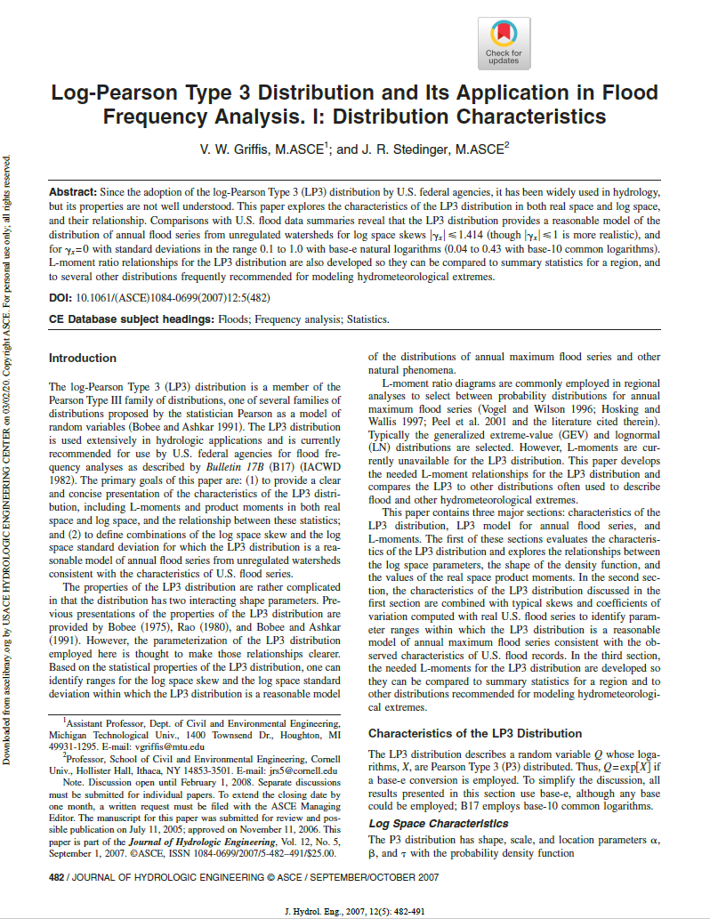
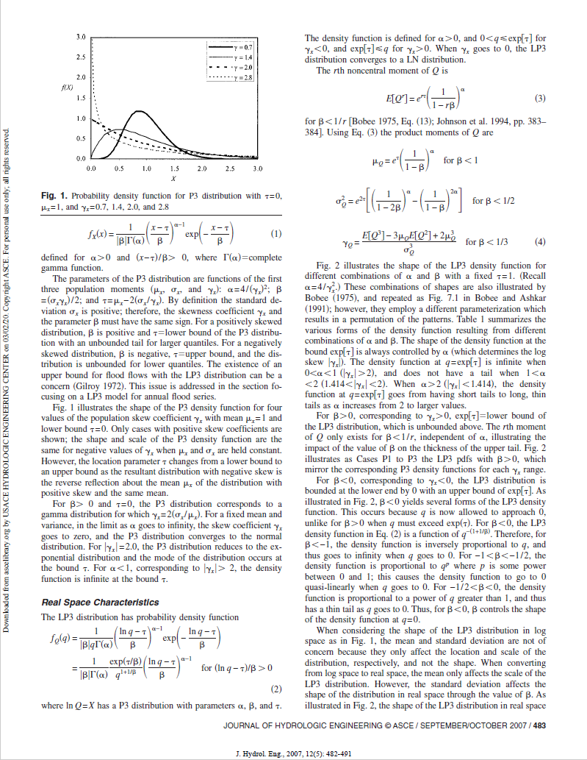
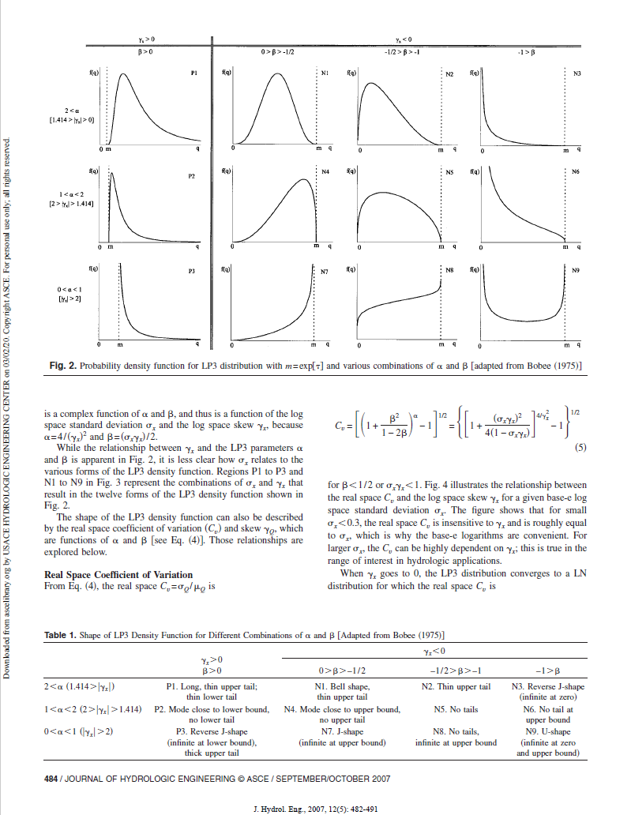
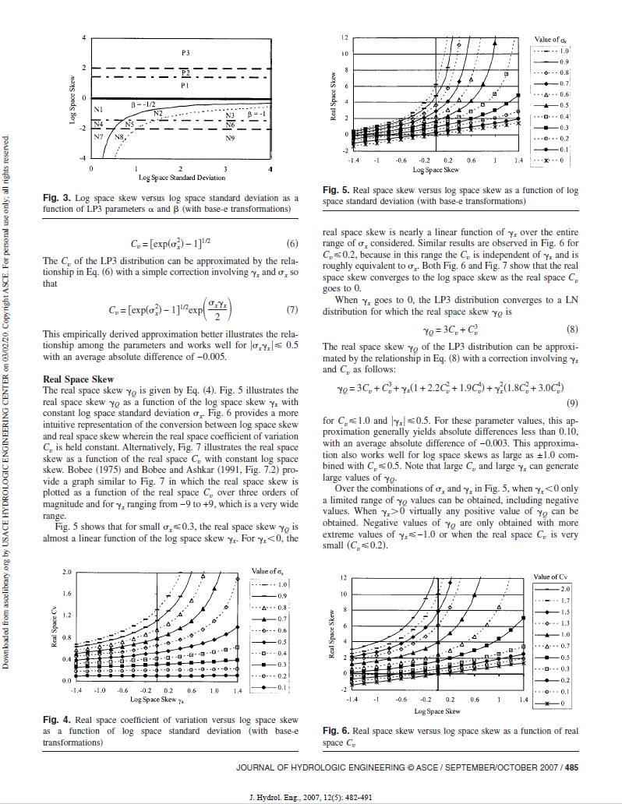
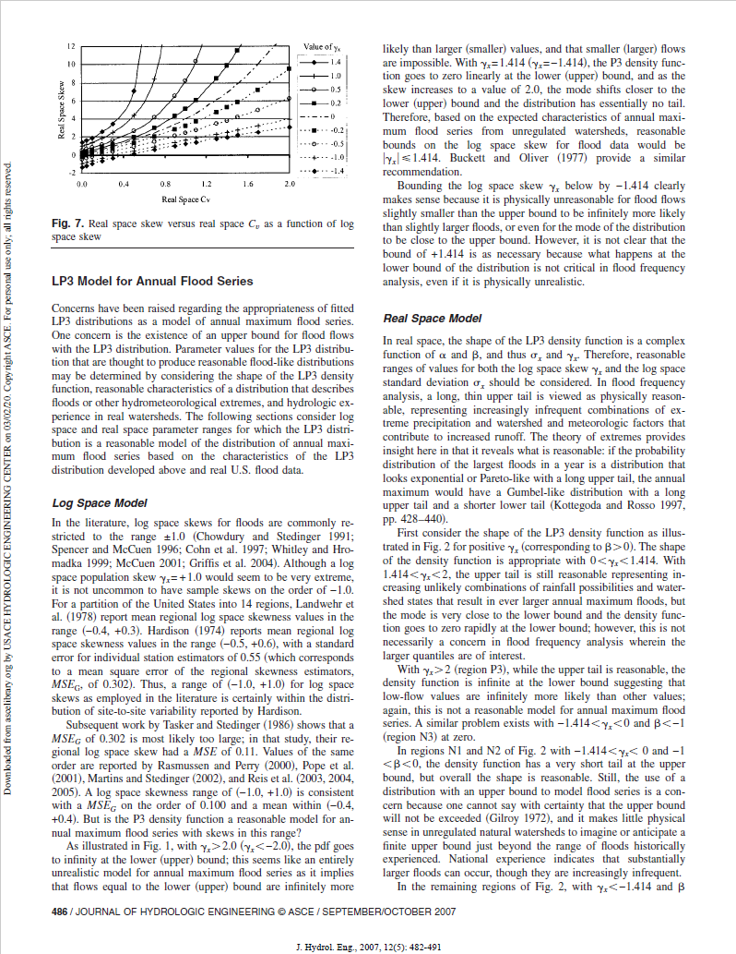
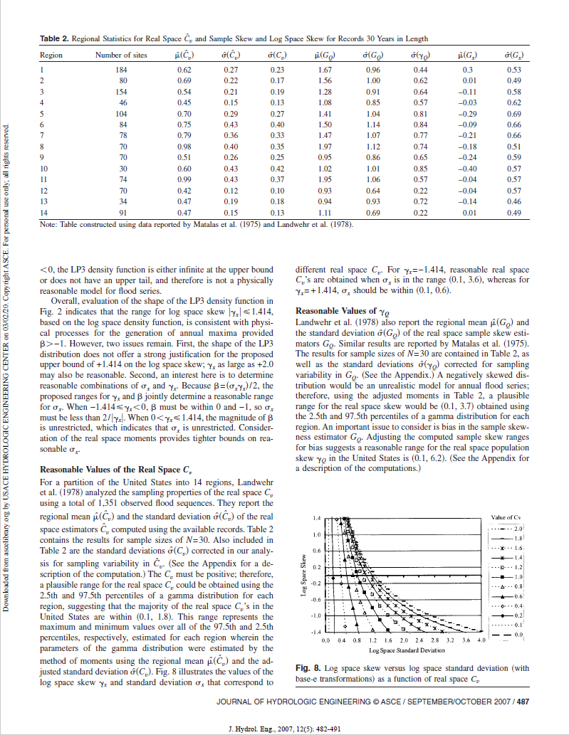
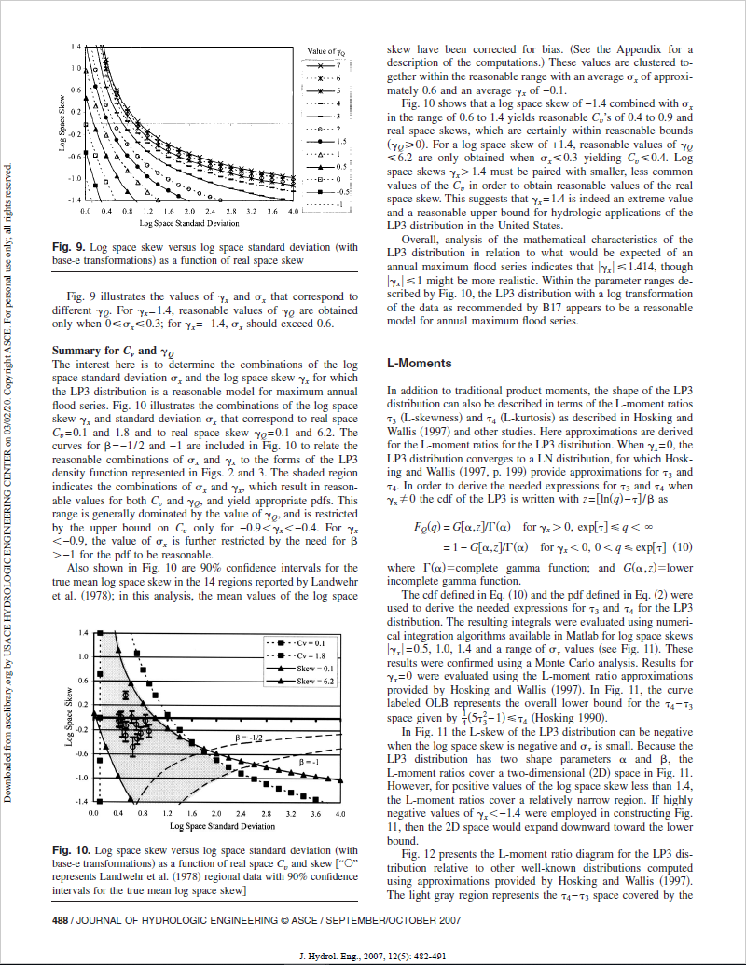
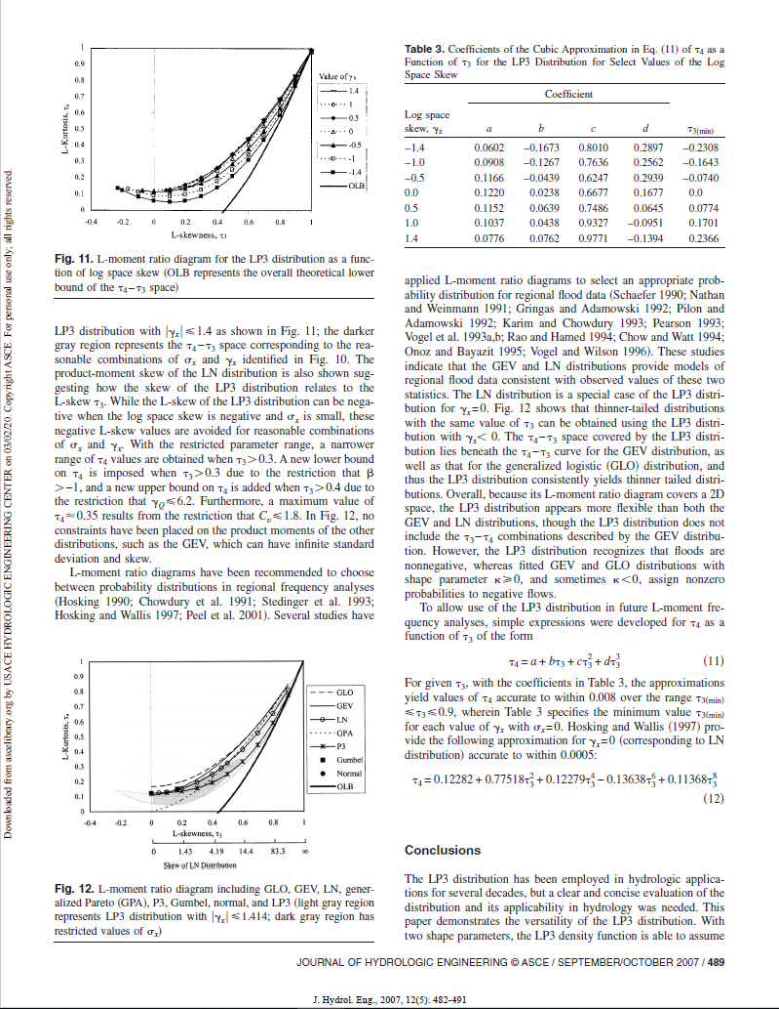
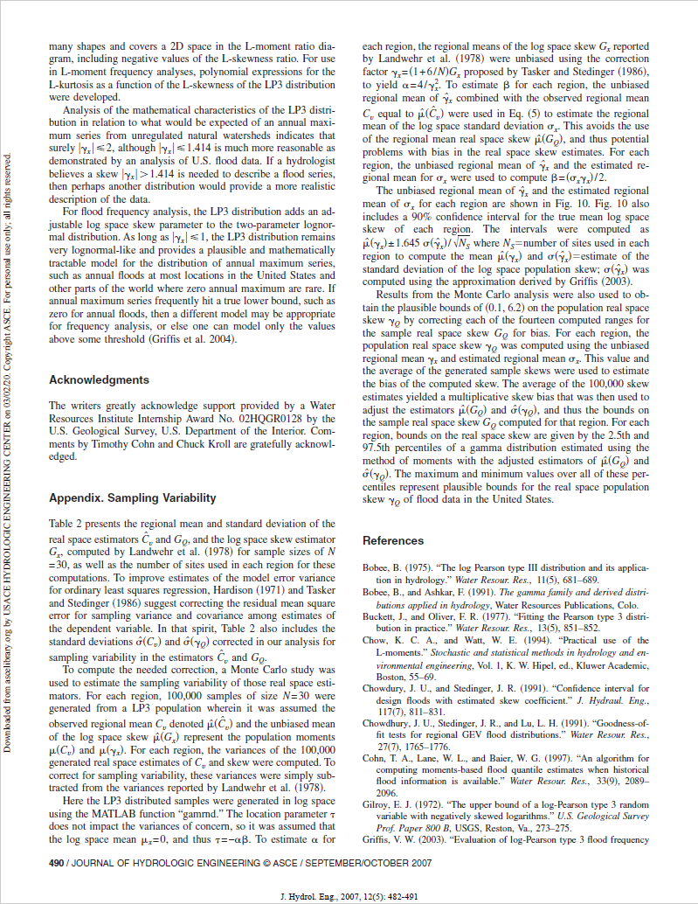
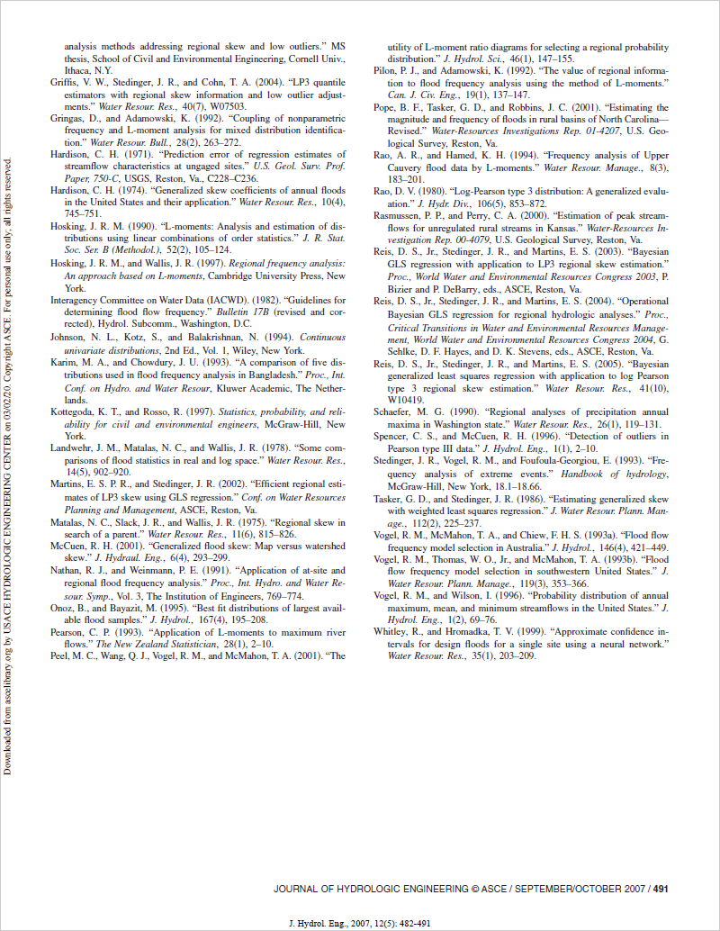
2020-03-01 | Not Included: (1) double Sample(Random), (2) double[] Sample(int, Random), (3) Idistribution SampleDistribution(Random), (4) string Requirements(bool)

Formula Used for "Pass/Fail" Determination
IF(ABS(Actual - Expected) < ABS(Expected) * 0.01, "Passed", "Failed") OR IF(ABS(Actual - Expected) < 1 ^ (-10), "Passed", "Failed")

Source: https://ascelibrary.org/doi/full/10.1061/(ASCE)1084-0699(2007)12%3A5(482)

