Reference - NaturalCubicSpline
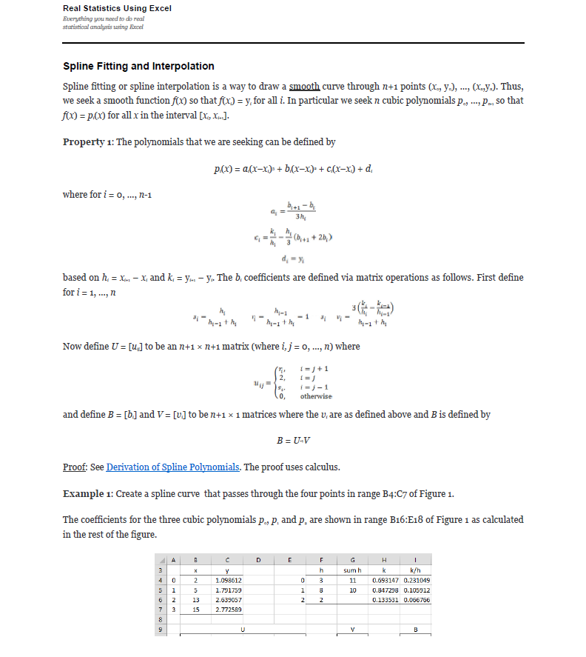
Compose testing. Function1's y axis is the same type as Function2's x axis. The interpolation method for these tests is linear interpolation.
Use -9999 in the first row of the expected columns to indicate an InvalidOperationException. This occurs when there is no overlap between the two functions. |  |  |  |  |  |  |  |  |  |  |  |  |  |  |  |  |  | References: | Example:
Note: Expected x-axis from Function 1 x-axis, and Expected y-axis from Function2 x-axis |  |  |  |  |  |  |  |  | Test 1: Create a spline curve that passes through the four points |  |  |  |  |  |  |  |  |  | Template: Create a spline curve that passes through the four points
 |  |  |  |  |  |  |  |  | The coefficients for the three cubic polynomials p0, p1 and p2 are shown |  |  |  |  |  |  |  |  |  | The coefficients for the three cubic polynomials p0, p1 and p2 are shown
Test 1: |  |  |  |  |  |  |  |  | i | x | y |  | i | h | sum h | k | k/h |  | i | x | y |  | i | h | sum h | k | k/h
Known Values |  | Expected |  |  | Actual |  | Pass/Fail | Date of Run | 0 |  |  |  | 0 |  |  |  |  |  | 0 |  |  |  | 0
x | y | x | y |  | XValues | YValues |  |  | 1 |  |  |  | 1 |  |  |  |  |  | 1 |  |  |  | 1
6 | 5000000 |  |  |  |  |  |  |  | 2 |  |  |  | 2 |  |  |  |  |  | 2 |  |  |  | 2
8 | 15000000 |  |  |  |  |  |  |  | 3 |  |  |  |  |  |  |  |  |  | 3
10 | 30000000
12 | 40000000 |  |  |  |  |  |  |  |  | U |  |  |  |  | V |  | B |  |  | U |  |  |  |  | V |  | B
 |  |  |  |  |  |  |  |  |  | 2 | 0 | 0 | 0 |  | 0 |  |  |  |  | 2 | 0 | 0 | 0 |  | 0
 |  |  |  |  |  |  |  |  |  |  | 2 |  | 0 |  |  |  |  |  |  |  | 2 |  | 0
 |  |  |  |  |  |  |  |  |  | 0 |  | 2 |  |  |  |  |  |  |  | 0 |  | 2
 |  |  |  |  |  |  |  |  |  | 0 | 0 | 0 | 2 |  | 0 |  |  |  |  | 0 | 0 | 0 | 2 |  | 0

 |  |  |  |  |  |  |  |  | i | a | b | c | d | --> y = a(Δx)³ + b(Δx)² + c(Δx) + d |  |  |  |  | i | a | b | c | d | --> y = a(Δx)³ + b(Δx)² + c(Δx) + d
 |  | 10.8718 |  |  |  |  |  |  | 0 |  |  |  |  |  |  |  |  |  | 0
 |  |  |  |  |  |  |  |  | 1 |  |  |  |  |  |  |  |  |  | 1
 |  |  |  |  |  |  |  |  | 2 |  |  |  |  |  |  |  |  |  | 2

Test 2: |  |  |  |  |  |  |  |  | Test 2: Create a spline curve that passes through the four points |  |  |  |  |  |  |  |  |  | Example 1: Create a spline curve that passes through the four points
Known Values |  | Expected |  |  | Actual |  | Pass/Fail | Date of Run | The coefficients for the three cubic polynomials p0, p1 and p2 are shown |  |  |  |  |  |  |  |  |  | The coefficients for the three cubic polynomials p0, p1 and p2 are shown
x | y | x | y |  | XValues | YValues |  |  | i | x | y |  | i | h | sum h | k | k/h |  | i | x | y |  | i | h | sum h | k | k/h
7 | 7 |  |  |  |  |  |  |  | 0 |  |  |  | 0 |  |  |  |  |  | 0 | 2 | 1.098612 |  | 0
8 | 8 |  |  |  |  |  |  |  | 1 |  |  |  | 1 |  |  |  |  |  | 1 | 5 | 1.791759 |  | 1
9 | 9 |  |  |  |  |  |  |  | 2 |  |  |  | 2 |  |  |  |  |  | 2 | 13 | 2.639057 |  | 2
11 | 11 |  |  |  |  |  |  |  | 3 |  |  |  |  |  |  |  |  |  | 3 | 15 | 2.772589

 |  |  |  |  |  |  |  |  |  | U |  |  |  |  | V |  | B |  |  | U |  |  |  |  | V |  | B
 |  |  |  |  |  |  |  |  |  | 2 | 0 | 0 | 0 |  | 0 |  |  |  |  | 2 | 0 | 0 | 0 |  | 0
 |  |  |  |  |  |  |  |  |  |  | 2 |  | 0 |  |  |  |  |  |  |  | 2 |  | 0
 |  |  |  |  |  |  |  |  |  | 0 |  | 2 |  |  |  |  |  |  |  | 0 |  | 2
 |  |  |  |  |  |  |  |  |  | 0 | 0 | 0 | 2 |  | 0 |  |  |  |  | 0 | 0 | 0 | 2 |  | 0

 |  | 10.8718 |  |  |  |  |  |  | i | a | b | c | d | --> y = a(Δx)³ + b(Δx)² + c(Δx) + d |  |  |  |  | i | a | b | c | d
 |  |  |  |  |  |  |  |  | 0 |  |  |  |  |  |  |  |  |  | 0 |  |  |  |  | --> y = a(Δx)³ + b(Δx)² + c(Δx) + d
 |  |  |  |  |  |  |  |  | 1 |  |  |  |  |  |  |  |  |  | 1
 |  |  |  |  |  |  |  |  | 2 |  |  |  |  |  |  |  |  |  | 2

Test 3: |  |  |  |  |  |  |  |  | Test 3: Create a spline curve that passes through the four points
Known Values |  | Expected |  |  | Actual |  | Pass/Fail | Date of Run | The coefficients for the three cubic polynomials p0, p1 and p2 are shown
x | y | x | y |  | XValues | YValues |  |  | i | x | y |  | i | h | sum h | k | k/h
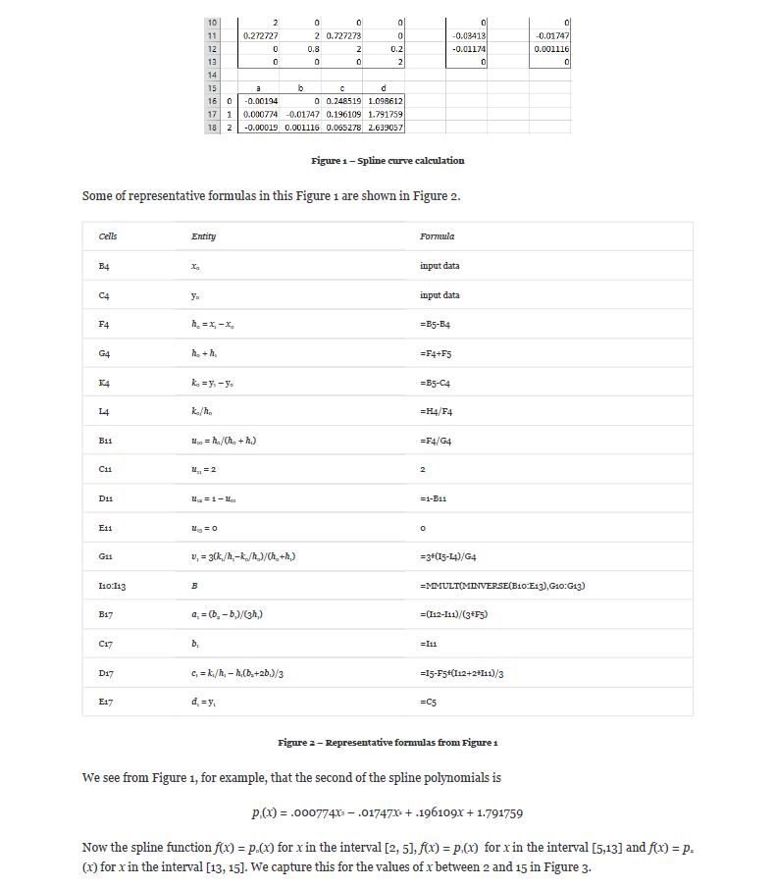
1250 | 7 |  |  |  |  |  |  |  | 0 |  |  |  | 0
1300 | 9 |  |  |  |  |  |  |  | 1 |  |  |  | 1
1400 | 10 |  |  |  |  |  |  |  | 2 |  |  |  | 2
1500 | 11 |  |  |  |  |  |  |  | 3

 |  |  |  |  |  |  |  |  |  | U |  |  |  |  | V |  | B
 |  |  |  |  |  |  |  |  |  | 2 | 0 | 0 | 0 |  | 0
 |  |  |  |  |  |  |  |  |  |  | 2 |  | 0
 |  |  |  |  |  |  |  |  |  | 0 |  | 2
 |  |  |  |  |  |  |  |  |  | 0 | 0 | 0 | 2 |  | 0

 |  | 1490 |  | 10.8718 |  |  |  |  | i | a | b | c | d | --> y = a(Δx)³ + b(Δx)² + c(Δx) + d
 |  |  |  |  |  |  |  |  | 0
 |  |  |  |  |  |  |  |  | 1
 |  |  |  |  |  |  |  |  | 2
Test 4:
Known Values |  | Expected |  |  | Actual |  | Pass/Fail | Date of Run | Test 4: Create a spline curve that passes through the four points
x | y | x | y |  | XValues | YValues |  |  | The coefficients for the three cubic polynomials p0, p1 and p2 are shown
1250 | 1000 |  |  |  |  |  |  |  | i | x | y |  | i | h | sum h | k | k/h
1500 | 1200 |  |  |  |  |  |  |  | 0 |  |  |  | 0
1750 | 1400 |  |  |  |  |  |  |  | 1 |  |  |  | 1
2000 | 1600 |  |  |  |  |  |  |  | 2 |  |  |  | 2
 |  |  |  |  |  |  |  |  | 3

 |  |  |  |  |  |  |  |  |  | U |  |  |  |  | V |  | B
 |  |  |  |  |  |  |  |  |  | 2 | 0 | 0 | 0 |  | 0
 |  |  |  |  |  |  |  |  |  |  | 2 |  | 0
 |  |  |  |  |  |  |  |  |  | 0 |  | 2
 |  | 1862.5 |  | 1490 |  |  |  |  |  | 0 | 0 | 0 | 2 |  | 0

 |  |  |  |  |  |  |  |  | i | a | b | c | d | --> y = a(Δx)³ + b(Δx)² + c(Δx) + d
 |  |  |  |  |  |  |  |  | 0
 |  |  |  |  |  |  |  |  | 1
 |  |  |  |  |  |  |  |  | 2

Test 5:
Known Values |  | Expected |  |  | Actual |  | Pass/Fail | Date of Run | Test 5: Create a spline curve that passes through the four points
x | y | x | y |  | XValues | YValues |  |  | The coefficients for the three cubic polynomials p0, p1 and p2 are shown
0.6 | 1200 |  |  |  |  |  |  |  | i | x | y |  | i | h | sum h | k | k/h
0.7 | 1300 |  |  |  |  |  |  |  | 0 |  |  |  | 0
0.8 | 1500 |  |  |  |  |  |  |  | 1 |  |  |  | 1
0.9 | 2000 |  |  |  |  |  |  |  | 2 |  |  |  | 2
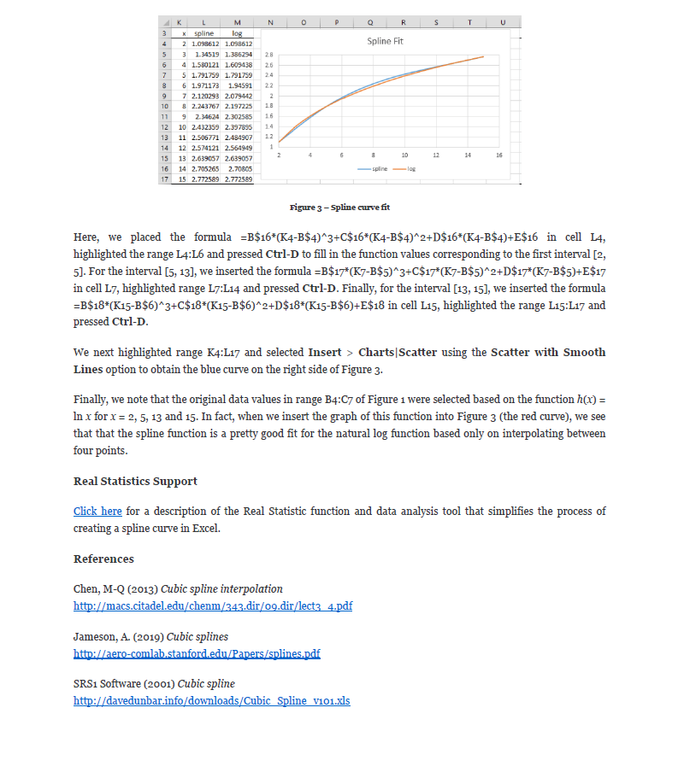
 |  |  |  |  |  |  |  |  | 3

 |  |  |  |  |  |  |  |  |  | U |  |  |  |  | V |  | B
 |  |  |  |  |  |  |  |  |  | 2 | 0 | 0 | 0 |  | 0
 |  |  |  |  |  |  |  |  |  |  | 2 |  | 0
 |  |  |  |  |  |  |  |  |  | 0 |  | 2
 |  |  |  |  |  |  |  |  |  | 0 | 0 | 0 | 2 |  | 0
 |  | 0.87584 |  | 1862.5
 |  |  |  |  |  |  |  |  | i | a | b | c | d | --> y = a(Δx)³ + b(Δx)² + c(Δx) + d
 |  |  |  |  |  |  |  |  | 0
 |  |  |  |  |  |  |  |  | 1
 |  |  |  |  |  |  |  |  | 2

Test 6:
Known Values |  | Expected |  |  | Actual |  | Pass/Fail | Date of Run | Test 6: Create a spline curve that passes through the four points
x | y | x | y |  | XValues | YValues |  |  | The coefficients for the three cubic polynomials p0, p1 and p2 are shown
0.4 | 800 |  |  |  |  |  |  |  | i | x | y |  | i | h | sum h | k | k/h
0.5 | 1000 |  |  |  |  |  |  |  | 0 |  |  |  | 0
0.6 | 1200 |  |  |  |  |  |  |  | 1 |  |  |  | 1
0.7 | 1300 |  |  |  |  |  |  |  | 2 |  |  |  | 2
 |  |  |  |  |  |  |  |  | 3

 |  |  |  |  |  |  |  |  |  | U |  |  |  |  | V |  | B
 |  |  |  |  |  |  |  |  |  | 2 | 0 | 0 | 0 |  | 0
 |  |  |  |  |  |  |  |  |  |  | 2 |  | 0
 |  |  |  |  |  |  |  |  |  | 0 |  | 2
 |  | 0.6398 |  |  |  |  |  |  |  | 0 | 0 | 0 | 2 |  | 0

 |  |  |  |  |  |  |  |  | i | a | b | c | d | --> y = a(Δx)³ + b(Δx)² + c(Δx) + d
 |  |  |  |  |  |  |  |  | 0
 |  |  |  |  |  |  |  |  | 1
 |  |  |  |  |  |  |  |  | 2

Test 7:
Known Values |  | Expected |  |  | Actual |  | Pass/Fail | Date of Run | Test 7: Create a spline curve that passes through the four points
x | y | x | y |  | XValues | YValues |  |  | The coefficients for the three cubic polynomials p0, p1 and p2 are shown
750 | 5 |  |  |  |  |  |  |  | i | x | y |  | i | h | sum h | k | k/h
1000 | 6 |  |  |  |  |  |  |  | 0 |  |  |  | 0
1250 | 7 |  |  |  |  |  |  |  | 1 |  |  |  | 1
1300 | 9 |  |  |  |  |  |  |  | 2 |  |  |  | 2
 |  |  |  |  |  |  |  |  | 3

 |  |  |  |  |  |  |  |  |  | U |  |  |  |  | V |  | B
 |  |  |  |  |  |  |  |  |  | 2 | 0 | 0 | 0 |  | 0 |  |  | Source: https://www.real-statistics.com/other-mathematical-topics/spline-fitting-interpolation/
 |  |  |  |  |  |  |  |  |  |  | 2 |  | 0
 |  |  |  |  |  |  |  |  |  | 0 |  | 2
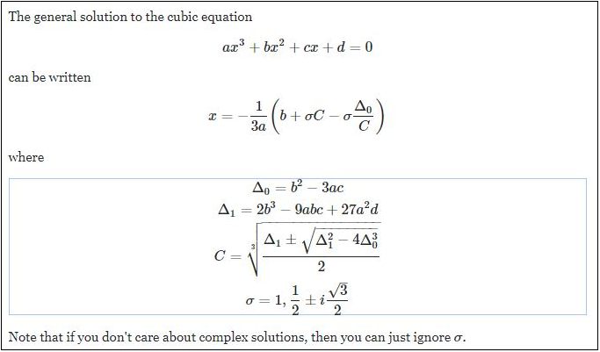
 |  | 1276.5 |  |  |  |  |  |  |  | 0 | 0 | 0 | 2 |  | 0

 |  |  |  |  |  |  |  |  | i | a | b | c | d | --> y = a(Δx)³ + b(Δx)² + c(Δx) + d
 |  |  |  |  |  |  |  |  | 0
 |  |  |  |  |  |  |  |  | 1
 |  |  |  |  |  |  |  |  | 2

Test 8:
Known Values |  | Expected |  |  | Actual |  | Pass/Fail | Date of Run | Test 8: Create a spline curve that passes through the four points
x | y | x | y |  | XValues | YValues |  |  | The coefficients for the three cubic polynomials p0, p1 and p2 are shown
1000 | 800 |  |  |  |  |  |  |  | i | x | y |  | i | h | sum h | k | k/h
1250 | 1000 |  |  |  |  |  |  |  | 0 |  |  |  | 0
1500 | 1200 |  |  |  |  |  |  |  | 1 |  |  |  | 1
1750 | 1400 |  |  |  |  |  |  |  | 2 |  |  |  | 2
 |  |  |  |  |  |  |  |  | 3

 |  |  |  |  |  |  |  |  |  | U |  |  |  |  | V |  | B
 |  |  |  |  |  |  |  |  |  | 2 | 0 | 0 | 0 |  | 0
 |  |  |  |  |  |  |  |  |  |  | 2 |  | 0
 |  | 1595.6 |  | 1276.5 |  |  |  |  |  | 0 |  | 2 |  |  |  |  |  | Source: https://math.stackexchange.com/questions/1483839/find-the-inverse-of-the-cubic-function/3106397
 |  |  |  |  |  |  |  |  |  | 0 | 0 | 0 | 2 |  | 0

 |  |  |  |  |  |  |  |  | i | a | b | c | d | --> y = a(Δx)³ + b(Δx)² + c(Δx) + d
 |  |  |  |  |  |  |  |  | 0
 |  |  |  |  |  |  |  |  | 1
 |  |  |  |  |  |  |  |  | 2

Test 9:
Known Values |  | Expected |  |  | Actual |  | Pass/Fail | Date of Run | Test 9: Create a spline curve that passes through the four points
x | y | x | y |  | XValues | YValues |  |  | The coefficients for the three cubic polynomials p0, p1 and p2 are shown
0.6 | 1200 |  |  |  |  |  |  |  | i | x | y |  | i | h | sum h | k | k/h
0.7 | 1300 |  |  |  |  |  |  |  | 0 |  |  |  | 0
0.8 | 1500 |  |  |  |  |  |  |  | 1 |  |  |  | 1
0.9 | 2000 |  |  |  |  |  |  |  | 2 |  |  |  | 2
 |  |  |  |  |  |  |  |  | 3

 |  |  |  |  |  |  |  |  |  | U |  |  |  |  | V |  | B
 |  |  |  |  |  |  |  |  |  | 2 | 0 | 0 | 0 |  | 0
 |  |  |  |  |  |  |  |  |  |  | 2 |  | 0
 |  | 0.82389 |  | 1595.6 |  |  |  |  |  | 0 |  | 2
 |  |  |  |  |  |  |  |  |  | 0 | 0 | 0 | 2 |  | 0

 |  |  |  |  |  |  |  |  | i | a | b | c | d | --> y = a(Δx)³ + b(Δx)² + c(Δx) + d
 |  |  |  |  |  |  |  |  | 0
 |  |  |  |  |  |  |  |  | 1
 |  |  |  |  |  |  |  |  | 2

Test 10:
Known Values |  | Expected |  |  | Actual |  | Pass/Fail | Date of Run | Test 10: Create a spline curve that passes through the four points
x | y | x | y |  | XValues | YValues |  |  | The coefficients for the three cubic polynomials p0, p1 and p2 are shown
2 | 50000 |  |  |  |  |  |  |  | i | x | y |  | i | h | sum h | k | k/h
3 | 200000 |  |  |  |  |  |  |  | 0 |  |  |  | 0
5 | 1000000 |  |  |  |  |  |  |  | 1 |  |  |  | 1
6 | 5000000 |  |  |  |  |  |  |  | 2 |  |  |  | 2
 |  |  |  |  |  |  |  |  | 3

 |  |  |  |  |  |  |  |  |  | U |  |  |  |  | V |  | B
 |  |  |  |  |  |  |  |  |  | 2 | 0 | 0 | 0 |  | 0
 |  |  |  |  |  |  |  |  |  |  | 2 |  | 0
 |  |  |  |  |  |  |  |  |  | 0 |  | 2
 |  |  |  |  |  |  |  |  |  | 0 | 0 | 0 | 2 |  | 0
 |  | 5.67313 |  | 3500000
 |  |  |  |  |  |  |  |  | i | a | b | c | d | --> y = a(Δx)³ + b(Δx)² + c(Δx) + d
 |  |  |  |  |  |  |  |  | 0
 |  |  |  |  |  |  |  |  | 1
 |  |  |  |  |  |  |  |  | 2

Test 11:
Known Values |  | Expected |  |  | Actual |  | Pass/Fail | Date of Run | Test 10: Create a spline curve that passes through the four points
x | y | x | y |  | XValues | YValues |  |  | The coefficients for the three cubic polynomials p0, p1 and p2 are shown
5 | 1000000 |  |  |  |  |  |  |  | i | x | y |  | i | h | sum h | k | k/h
6 | 5000000 |  |  |  |  |  |  |  | 0 |  |  |  | 0
8 | 15000000 |  |  |  |  |  |  |  | 1 |  |  |  | 1
10 | 30000000 |  |  |  |  |  |  |  | 2 |  |  |  | 2
 |  |  |  |  |  |  |  |  | 3

 |  |  |  |  |  |  |  |  |  | U |  |  |  |  | V |  | B
 |  |  |  |  |  |  |  |  |  | 2 | 0 | 0 | 0 |  | 0
 |  |  |  |  |  |  |  |  |  |  | 2 |  | 0
 |  |  |  |  |  |  |  |  |  | 0 |  | 2
 |  |  |  |  |  |  |  |  |  | 0 | 0 | 0 | 2 |  | 0

 |  |  |  |  |  |  |  |  | i | a | b | c | d | --> y = a(Δx)³ + b(Δx)² + c(Δx) + d
 |  |  |  |  |  |  |  |  | 0
 |  |  |  |  |  |  |  |  | 1
 |  |  |  |  |  |  |  |  | 2

Test 12:
Known Values |  | Expected |  |  | Actual |  | Pass/Fail | Date of Run | Test 10: Create a spline curve that passes through the four points
x | y | x | y |  | XValues | YValues |  |  | The coefficients for the three cubic polynomials p0, p1 and p2 are shown
1000 | 900 |  |  |  |  |  |  |  | i | x | y |  | i | h | sum h | k | k/h
1250 | 1100 |  |  |  |  |  |  |  | 0 |  |  |  | 0
1500 | 1200 |  |  |  |  |  |  |  | 1 |  |  |  | 1
1750 | 1400 |  |  |  |  |  |  |  | 2 |  |  |  | 2
 |  |  |  |  |  |  |  |  | 3

 |  |  |  |  |  |  |  |  |  | U |  |  |  |  | V |  | B
 |  |  |  |  |  |  |  |  |  | 2 | 0 | 0 | 0 |  | 0
 |  |  |  |  |  |  |  |  |  |  | 2 |  | 0
 |  |  |  |  |  |  |  |  |  | 0 |  | 2
 |  | 1639.798 |  |  |  |  |  |  |  | 0 | 0 | 0 | 2 |  | 0

 |  |  |  |  |  |  |  |  | i | a | b | c | d | --> y = a(Δx)³ + b(Δx)² + c(Δx) + d
 |  |  |  |  |  |  |  |  | 0
 |  |  |  |  |  |  |  |  | 1
 |  |  |  |  |  |  |  |  | 2

Test 13:
Known Values |  | Expected |  |  | Actual |  | Pass/Fail | Date of Run | Test 13: Create a spline curve that passes through the four points
x | y | x | y |  | XValues | YValues |  |  | The coefficients for the three cubic polynomials p0, p1 and p2 are shown
100 | 100 |  |  |  |  |  |  |  | i | x | y |  | i | h | sum h | k | k/h
200 | 200 |  |  |  |  |  |  |  | 0 |  |  |  | 0
400 | 400 |  |  |  |  |  |  |  | 1 |  |  |  | 1
600 | 600 |  |  |  |  |  |  |  | 2 |  |  |  | 2
 |  |  |  |  |  |  |  |  | 3

 |  |  |  |  |  |  |  |  |  | U |  |  |  |  | V |  | B
 |  |  |  |  |  |  |  |  |  | 2 | 0 | 0 | 0 |  | 0
 |  |  |  |  |  |  |  |  |  |  | 2 |  | 0
 |  |  |  |  |  |  |  |  |  | 0 |  | 2
 |  |  |  |  |  |  |  |  |  | 0 | 0 | 0 | 2 |  | 0

 |  |  |  |  |  |  |  |  | i | a | b | c | d | --> y = a(Δx)³ + b(Δx)² + c(Δx) + d
 |  |  |  |  |  |  |  |  | 0
 |  |  |  |  |  |  |  |  | 1
 |  |  |  |  |  |  |  |  | 2

Test 14:
Known Values |  | Expected |  |  | Actual |  | Pass/Fail | Date of Run | Test 14: Create a spline curve that passes through the four points
x | y | x | y |  | XValues | YValues |  |  | The coefficients for the three cubic polynomials p0, p1 and p2 are shown
 |  |  |  |  |  |  |  |  | i | x | y |  | i | h | sum h | k | k/h
 |  |  |  |  |  |  |  |  | 0 |  |  |  | 0
 |  |  |  |  |  |  |  |  | 1 |  |  |  | 1
 |  |  |  |  |  |  |  |  | 2 |  |  |  | 2
 |  |  |  |  |  |  |  |  | 3

 |  |  |  |  |  |  |  |  |  | U |  |  |  |  | V |  | B
 |  |  |  |  |  |  |  |  |  | 2 | 0 | 0 | 0 |  | 0
 |  |  |  |  |  |  |  |  |  |  | 2 |  | 0
 |  |  |  |  |  |  |  |  |  | 0 |  | 2
 |  |  |  |  |  |  |  |  |  | 0 | 0 | 0 | 2 |  | 0

 |  |  |  |  |  |  |  |  | i | a | b | c | d | --> y = a(Δx)³ + b(Δx)² + c(Δx) + d
 |  |  |  |  |  |  |  |  | 0
 |  |  |  |  |  |  |  |  | 1
 |  |  |  |  |  |  |  |  | 2

Test 15:
Known Values |  | Expected |  |  | Actual |  | Pass/Fail | Date of Run | Test 14: Create a spline curve that passes through the four points
x | y | x | y |  | XValues | YValues |  |  | The coefficients for the three cubic polynomials p0, p1 and p2 are shown
 |  |  |  |  |  |  |  |  | i | x | y |  | i | h | sum h | k | k/h
 |  |  |  |  |  |  |  |  | 0 |  |  |  | 0
 |  |  |  |  |  |  |  |  | 1 |  |  |  | 1
 |  |  |  |  |  |  |  |  | 2 |  |  |  | 2
 |  |  |  |  |  |  |  |  | 3

 |  |  |  |  |  |  |  |  |  | U |  |  |  |  | V |  | B
 |  |  |  |  |  |  |  |  |  | 2 | 0 | 0 | 0 |  | 0
 |  |  |  |  |  |  |  |  |  |  | 2 |  | 0
 |  |  |  |  |  |  |  |  |  | 0 |  | 2
 |  |  |  |  |  |  |  |  |  | 0 | 0 | 0 | 2 |  | 0

 |  |  |  |  |  |  |  |  | i | a | b | c | d | --> y = a(Δx)³ + b(Δx)² + c(Δx) + d
 |  |  |  |  |  |  |  |  | 0
 |  |  |  |  |  |  |  |  | 1
 |  |  |  |  |  |  |  |  | 2

Test 16:
Known Values |  | Expected |  |  | Actual |  | Pass/Fail | Date of Run | Test 14: Create a spline curve that passes through the four points
x | y | x | y |  | XValues | YValues |  |  | The coefficients for the three cubic polynomials p0, p1 and p2 are shown
 |  |  |  |  |  |  |  |  | i | x | y |  | i | h | sum h | k | k/h
 |  |  |  |  |  |  |  |  | 0 |  |  |  | 0
 |  |  |  |  |  |  |  |  | 1 |  |  |  | 1
 |  |  |  |  |  |  |  |  | 2 |  |  |  | 2
 |  |  |  |  |  |  |  |  | 3

 |  |  |  |  |  |  |  |  |  | U |  |  |  |  | V |  | B
 |  |  |  |  |  |  |  |  |  | 2 | 0 | 0 | 0 |  | 0
 |  |  |  |  |  |  |  |  |  |  | 2 |  | 0
 |  |  |  |  |  |  |  |  |  | 0 |  | 2
 |  |  |  |  |  |  |  |  |  | 0 | 0 | 0 | 2 |  | 0

 |  |  |  |  |  |  |  |  | i | a | b | c | d | --> y = a(Δx)³ + b(Δx)² + c(Δx) + d
 |  |  |  |  |  |  |  |  | 0
 |  |  |  |  |  |  |  |  | 1
 |  |  |  |  |  |  |  |  | 2

Test 17:
Known Values |  | Expected |  |  | Actual |  | Pass/Fail | Date of Run | Test 14: Create a spline curve that passes through the four points
x | y | x | y |  | XValues | YValues |  |  | The coefficients for the three cubic polynomials p0, p1 and p2 are shown
 |  |  |  |  |  |  |  |  | i | x | y |  | i | h | sum h | k | k/h
 |  |  |  |  |  |  |  |  | 0 |  |  |  | 0
 |  |  |  |  |  |  |  |  | 1 |  |  |  | 1
 |  |  |  |  |  |  |  |  | 2 |  |  |  | 2
 |  |  |  |  |  |  |  |  | 3

 |  |  |  |  |  |  |  |  |  | U |  |  |  |  | V |  | B
 |  |  |  |  |  |  |  |  |  | 2 | 0 | 0 | 0 |  | 0
 |  |  |  |  |  |  |  |  |  |  | 2 |  | 0
 |  |  |  |  |  |  |  |  |  | 0 |  | 2
 |  |  |  |  |  |  |  |  |  | 0 | 0 | 0 | 2 |  | 0

 |  |  |  |  |  |  |  |  | i | a | b | c | d | --> y = a(Δx)³ + b(Δx)² + c(Δx) + d
 |  |  |  |  |  |  |  |  | 0
 |  |  |  |  |  |  |  |  | 1
 |  |  |  |  |  |  |  |  | 2

Test 18:
Known Values |  | Expected |  |  | Actual |  | Pass/Fail | Date of Run | Test 14: Create a spline curve that passes through the four points
x | y | x | y |  | XValues | YValues |  |  | The coefficients for the three cubic polynomials p0, p1 and p2 are shown
 |  |  |  |  |  |  |  |  | i | x | y |  | i | h | sum h | k | k/h
 |  |  |  |  |  |  |  |  | 0 |  |  |  | 0
 |  |  |  |  |  |  |  |  | 1 |  |  |  | 1
 |  |  |  |  |  |  |  |  | 2 |  |  |  | 2
 |  |  |  |  |  |  |  |  | 3

 |  |  |  |  |  |  |  |  |  | U |  |  |  |  | V |  | B
 |  |  |  |  |  |  |  |  |  | 2 | 0 | 0 | 0 |  | 0
 |  |  |  |  |  |  |  |  |  |  | 2 |  | 0
 |  |  |  |  |  |  |  |  |  | 0 |  | 2
 |  |  |  |  |  |  |  |  |  | 0 | 0 | 0 | 2 |  | 0

 |  |  |  |  |  |  |  |  | i | a | b | c | d | --> y = a(Δx)³ + b(Δx)² + c(Δx) + d
 |  |  |  |  |  |  |  |  | 0
 |  |  |  |  |  |  |  |  | 1
 |  |  |  |  |  |  |  |  | 2

