Compose - Linear Interpolation
Compose testing. Function1's y axis is the same type as Function2's x axis. The interpolation method for these tests is linear interpolation.
Use -9999 in the first row of the expected columns to indicate an InvalidOperationException. This occurs when there is no overlap between the two functions.
Note: Expected x-axis from Function 1 x-axis, and Expected y-axis from Function2 x-axis

Test 1
Test 1: Both functions have the same x and y values
Function1 |  | Function2 |  | Expected |  | Actual |  | Pass/Fail | Date of Run
x | y | x | y | x | y | XValues | YValues | Passed | 4/8/20
1 | 10 | 1 | 10 | 1 | 1 | 1 | 1
2 | 20 | 2 | 20 | 2 | 2 | 2 | 2
3 | 30 | 3 | 30 | 3 | 3 | 3 | 3
4 | 40 | 4 | 40 | 4 | 4 | 4 | 4

Test 2
Test 2: Function1 is below and overlapping some curve
Function1 |  | Function2 |  | Expected |  | Actual |  | Pass/Fail | Date of Run
x | y | x | y | x | y | XValues | YValues | Passed | 4/8/20
1 | 1 | 2 | 2 | 2 | 2 | 2 | 2
3 | 3 | 4 | 4 | 3 | 3 | 3 | 3

Test 3: Function1 is above and overlapping some curve
Function1 |  | Function2 |  | Expected |  | Actual |  | Pass/Fail | Date of Run
x | y | x | y | x | y | XValues | YValues | Passed | 4/8/20
Test 3
 | Function1 |  | Function2 |  | y = 10 |  | y = 15
1 | 10 | 2 | 5 | 1 | 10 | 1.5 | 15
2 | 20 | 4 | 15 | 3 | 10 | 4 | 15
1 | 10 | 2 | 5 | 1 | 3 | 1 | 3
2 | 20 | 4 | 15 | 1.5 | 4 | 1.5 | 4

Test 4: Function1 is completely above function2
Function1 |  | Function2 |  | Expected |  | Actual |  | Pass/Fail | Date of Run
x | y | x | y | x | y | XValues | YValues | Passed | 4/8/20
1 | 16 | 2 | 5 | -9999 | -9999 | InvalidOperationException
2 | 20 | 4 | 15
Test 4
 | Function1 |  | Function2 |  | y = 16 |  | y = 15
1 | 16 | 2 | 5 | 0 | 16 | 0 | 15
2 | 20 | 4 | 15 | 5 | 16 | 5 | 15

Compose - Spline Interpolation
Test 1
 | Function1 | Function2
2 | 1.098612 | 1.098612
2.75 | 1.284182297 | 1.284182297
3.5 | 1.4648391752 | 1.4648391752
4.25 | 1.6356692158 | 1.6356692158
5 | 1.791759 | 1.791759
7 | 2.1202928551 | 2.1202928551
9 | 2.3462391809 | 2.3462391809
11 | 2.5067699162 | 2.5067699162
13 | 2.639057 | 2.639057
13.5 | 2.6719517343 | 2.6719517343
14 | 2.705264982 | 2.705264982
14.5 | 2.7388572388 | 2.7388572388
15 | 2.772589 | 2.772589
Compose testing. Function1's y axis is the same type as Function2's x axis. The interpolation method for these tests is linear interpolation.
Use -9999 in the first row of the expected columns to indicate an InvalidOperationException. This occurs when there is no overlap between the two functions.
Note: Expected x-axis from Function 1 x-axis, and Expected y-axis from Function2 x-axis |  |  |  |  |  |  |  |  |  | Template: Create a spline curve that passes through the four points |  |  |  |  |  |  |  |  | Test 1 - Function1: Create a spline curve that passes through the four points |  |  |  |  |  |  |  |  | Test 1 - Function2: Create a spline curve that passes through the four points |  |  |  |  |  |  |  |  | Test1 Function1 |  | Test1 Function2
 |  |  |  |  |  |  |  |  |  | The coefficients for the three cubic polynomials p0, p1 and p2 are shown |  |  |  |  |  |  |  |  | The coefficients for the three cubic polynomials p0, p1 and p2 are shown |  |  |  |  |  |  |  |  | The coefficients for the three cubic polynomials p0, p1 and p2 are shown |  |  |  |  |  |  |  |  | x | y | x | y
Test 1: Both functions have the same x and y values |  |  |  |  |  |  |  |  |  | i | x | y |  | i | h | sum h | k | k/h | i | x | y |  | i | h | sum h | k | k/h | i | x | y |  | i | h | sum h | k | k/h
Function1 |  | Function2 |  | Expected |  | Actual |  | Pass/Fail | Date of Run | 0 |  |  |  | 0 |  |  |  |  | 0 |  |  |  | 0 |  |  |  |  | 0 |  |  |  | 0
x | y | x | y | x | y | XValues | YValues |  |  | 1 |  |  |  | 1 |  |  |  |  | 1 |  |  |  | 1 |  |  |  |  | 1 |  |  |  | 1
2 | 1.098612 | 2 | 1.098612 | 2 | 2 |  |  |  |  | 2 |  |  |  | 2 |  |  |  |  | 2 |  |  |  | 2 |  |  |  |  | 2 |  |  |  | 2
5 | 1.791759 | 5 | 1.791759 | 5 | 5 |  |  |  |  | 3 |  |  |  |  |  |  |  |  | 3 |  |  |  |  |  |  |  |  | 3
13 | 2.639057 | 13 | 2.639057 | 13 | 13
15 | 2.772589 | 15 | 2.772589 | 15 | 15 |  |  |  |  |  | U |  |  |  |  | V |  | B |  | U |  |  |  |  | V |  | B |  | U |  |  |  |  | V |  | B
 |  |  |  |  |  |  |  |  |  |  | 2 | 0 | 0 | 0 |  | 0 |  |  |  | 2 | 0 | 0 | 0 |  | 0 |  |  |  | 2 | 0 | 0 | 0 |  | 0
Test 2: Function1 is below and overlapping some curve |  |  |  |  |  |  |  |  |  |  |  | 2 |  | 0 |  |  |  |  |  |  | 2 |  | 0 |  |  |  |  |  |  | 2 |  | 0
Function1 |  | Function2 |  | Expected |  | Actual |  | Pass/Fail | Date of Run |  | 0 |  | 2 |  |  |  |  |  |  | 0 |  | 2 |  |  |  |  |  |  | 0 |  | 2
x | y | x | y | x | y | XValues | YValues |  |  |  | 0 | 0 | 0 | 2 |  | 0 |  |  |  | 0 | 0 | 0 | 2 |  | 0 |  |  |  | 0 | 0 | 0 | 2 |  | 0
70 | 9.8658764491E-10 | 80 | 0.15865525393 | 100.000 | 100.008
90 | 0.022750131948 | 98 | 0.46017216272 | 100.695 | 102.496 |  |  |  |  | i | a | b | c | d | --> y = a(Δx)³ + b(Δx)² + c(Δx) + d |  |  |  | i | a | b | c | d | --> y = a(Δx)³ + b(Δx)² + c(Δx) + d |  |  |  | i | a | b | c | d | --> y = a(Δx)³ + b(Δx)² + c(Δx) + d
100 | 0.5 | 105 | 0.59870632568 | 101.366 | 105.069 |  |  |  |  | 0 |  |  |  |  |  |  |  |  | 0 |  |  |  |  |  |  |  |  | 0
103 | 0.72574688225 | 130 | 0.93319279873 | 102.022 | 107.864 |  |  |  |  | 1 |  |  |  |  |  |  |  |  | 1 |  |  |  |  |  |  |  |  | 1
 |  |  |  |  |  |  |  |  |  | 2 |  |  |  |  |  |  |  |  | 2 |  |  |  |  |  |  |  |  | 2
Test 3: Function1 is above and overlapping some curve |  |  |  |  |  |  |  |  |  |  |  |  |  |  |  |  |  |  |  |  |  |  |  |  |  |  |  |  |  |  |  |  |  |  |  |  |  |  |  |  | Range of Equal y: 0.5 to 0.726
Test 2
 | Function1 |  | Function2 |  | y = 0.5 |  | y = 0.725
70 | 9.8658764491E-10 | 80 | 0.15865525393 | 0 | 0.5 | 0 | 0.725
75 | -0.0544174372 | 84.5 | 0.22826467971 | 140 | 0.5 | 140 | 0.725
80 | -0.084792887016 | 89 | 0.30018202605
85 | -0.06708436009 | 93.5 | 0.37671521354
90 | 0.022750131948 | 98 | 0.46017216272
92.5 | 0.10199390867 | 99.75 | 0.49482994832
95 | 0.20688195686 | 101.5 | 0.53003649576
97.5 | 0.33901655961 | 103.25 | 0.56494441743
100 | 0.5 | 105 | 0.59870632568
100.75 | 0.5540386948 | 111.25 | 0.70457572339
101.5 | 0.61013284026 | 117.5 | 0.79137559586
102.25 | 0.66759728615 | 123.75 | 0.8654624515
103 | 0.72574688225 | 130 | 0.93319279873
Function1 |  | Function2 |  | Expected |  | Actual |  | Pass/Fail | Date of Run | Example 1: Create a spline curve that passes through the four points |  |  |  |  |  |  |  |  | Test 2- Function1: Create a spline curve that passes through the four points |  |  |  |  |  |  |  |  | Test 2 - Function2: Create a spline curve that passes through the four points |  |  |  |  |  |  |  |  | Test1 Function1 |  | Test1 Function2 |  | Using graphing calculator, point of intersection is (100, 0.4998)
x | y | x | y | x | y | XValues | YValues |  |  | The coefficients for the three cubic polynomials p0, p1 and p2 are shown |  |  |  |  |  |  |  |  | The coefficients for the three cubic polynomials p0, p1 and p2 are shown |  |  |  |  |  |  |  |  | The coefficients for the three cubic polynomials p0, p1 and p2 are shown |  |  |  |  |  |  |  |  | x | y | x | y | Interpolation from graphing calculator:
70 | 9.8658764491E-10 | 80 | 0.15865525393 | 93.959 | 80.087 |  |  |  |  | i | x | y |  | i | h | sum h | k | k/h | i | x | y |  | i | h | sum h | k | k/h | i | x | y |  | i | h | sum h | k | k/h |  |  |  |  | Shared y-value | Function1 x | Function2 x
90 | 0.022750131948 | 98 | 0.46017216272 | 94.854 | 82.682 |  |  |  |  | 0 | 2 | 1.098612 |  | 0 |  |  |  |  | 0 |  |  |  | 0 |  |  |  |  | 0 |  |  |  | 0 |  |  |  |  |  |  |  |  | 0.50 | 100.000 | 100.008
100 | 0.5 | 105 | 0.59870632568 | 95.876 | 85.882 |  |  |  |  | 1 | 5 | 1.791759 |  | 1 |  |  |  |  | 1 |  |  |  | 1 |  |  |  |  | 1 |  |  |  | 1 |  |  |  |  |  |  |  |  | 0.55 | 100.695 | 102.496
103 | 0.72574688225 | 130 | 0.93319279873 | 96.815 | 88.989 |  |  |  |  | 2 | 13 | 2.639057 |  | 2 |  |  |  |  | 2 |  |  |  | 2 |  |  |  |  | 2 |  |  |  | 2 |  |  |  |  |  |  |  |  | 0.60 | 101.366 | 105.069
 |  |  |  |  |  |  |  |  |  | 3 | 15 | 2.772589 |  |  |  |  |  |  | 3 |  |  |  |  |  |  |  |  | 3 |  |  |  |  |  |  |  |  |  |  |  |  | 0.65 | 102.022 | 107.864
Test 4: Function1 is completely above function2 |  |  |  |  |  |  |  |  |  |  |  |  |  |  |  |  |  |  |  |  |  |  |  |  |  |  |  |  |  |  |  |  |  |  |  |  |  |  |  |  | 0.70 | 102.668 | 110.950
Function1 |  | Function2 |  | Expected |  | Actual |  | Pass/Fail | Date of Run |  | U |  |  |  |  | V |  | B |  | U |  |  |  |  | V |  | B |  | U |  |  |  |  | V |  | B |  |  |  |  | 0.72 | 102.926 | 112.277
x | y | x | y | x | y | XValues | YValues |  |  |  | 2 | 0 | 0 | 0 |  | 0 |  |  |  | 2 | 0 | 0 | 0 |  | 0 |  |  |  | 2 | 0 | 0 | 0 |  | 0
0.25 | 0.7085945193 | 0.25 |  | -9999 | -9999 |  |  |  |  |  |  | 2 |  | 0 |  |  |  |  |  |  | 2 |  | 0 |  |  |  |  |  |  | 2 |  | 0
0.5 | 0.44418084035 | 0.5 |  |  |  |  |  |  |  |  | 0 |  | 2 |  |  |  |  |  |  | 0 |  | 2 |  |  |  |  |  |  | 0 |  | 2
0.75 | 0.32056517255 | 0.75 |  |  |  |  |  |  |  |  | 0 | 0 | 0 | 2 |  | 0 |  |  |  | 0 | 0 | 0 | 2 |  | 0 |  |  |  | 0 | 0 | 0 | 2 |  | 0
1 | 0.24509087911 | 1
 |  |  |  |  |  |  |  |  |  | i | a | b | c | d |  |  |  |  | i | a | b | c | d | --> y = a(Δx)³ + b(Δx)² + c(Δx) + d |  |  |  | i | a | b | c | d | --> y = a(Δx)³ + b(Δx)² + c(Δx) + d
 |  |  |  |  |  |  |  |  |  | 0 |  |  |  |  | --> y = a(Δx)³ + b(Δx)² + c(Δx) + d |  |  |  | 0 |  |  |  |  |  |  |  |  | 0
 |  |  |  |  |  |  |  |  |  | 1 |  |  |  |  |  |  |  |  | 1 |  |  |  |  |  |  |  |  | 1
 |  |  |  |  |  |  |  |  |  | 2 |  |  |  |  |  |  |  |  | 2 |  |  |  |  |  |  |  |  | 2

Test 3
 | Function1 |  | Function2 |  | y = 0.159 |  | y = 0.5
70 | 9.8658764491E-10 | 80 | 0.15865525393 | 0 | 0.159 | 0 | 0.5
75 | -0.0544174372 | 84.5 | 0.22826467971 | 140 | 0.159 | 140 | 0.5
80 | -0.084792887016 | 89 | 0.30018202605
85 | -0.06708436009 | 93.5 | 0.37671521354
90 | 0.022750131948 | 98 | 0.46017216272
92.5 | 0.10199390867 | 99.75 | 0.49482994832
95 | 0.20688195686 | 101.5 | 0.53003649576
97.5 | 0.33901655961 | 103.25 | 0.56494441743
100 | 0.5 | 105 | 0.59870632568
100.75 | 0.5540386948 | 111.25 | 0.70457572339
101.5 | 0.61013284026 | 117.5 | 0.79137559586
102.25 | 0.66759728615 | 123.75 | 0.8654624515
103 | 0.72574688225 | 130 | 0.93319279873
 |  |  |  |  |  |  |  |  |  |  |  |  |  |  |  |  |  |  | Test 3 - Function1: Create a spline curve that passes through the four points |  |  |  |  |  |  |  |  | Test 3 - Function2: Create a spline curve that passes through the four points |  |  |  |  |  |  |  |  | Test1 Function1 |  | Test1 Function2 |  | Range of Equal y: 0.159 to 0.5
 |  |  |  |  |  |  |  |  |  |  |  |  |  |  |  |  |  |  | The coefficients for the three cubic polynomials p0, p1 and p2 are shown |  |  |  |  |  |  |  |  | The coefficients for the three cubic polynomials p0, p1 and p2 are shown |  |  |  |  |  |  |  |  | x | y | x | y | Using graphing calculator, point of intersection is (100, 0.4998)
 |  |  |  |  |  |  |  |  |  |  |  |  |  |  |  |  |  |  | i | x | y |  | i | h | sum h | k | k/h | i | x | y |  | i | h | sum h | k | k/h |  |  |  |  | Interpolation from graphing calculator:
 |  |  |  |  |  |  |  |  |  |  |  |  |  |  |  |  |  |  | 0 |  |  |  | 0 |  |  |  |  | 0 |  |  |  | 0 |  |  |  |  |  |  |  |  | Shared y-value | Function1 x | Function2 x
 |  |  |  |  |  |  |  |  |  |  |  |  |  |  |  |  |  |  | 1 |  |  |  | 1 |  |  |  |  | 1 |  |  |  | 1 |  |  |  |  |  |  |  |  | 0.16 | 93.959 | 80.087
 |  |  |  |  |  |  |  |  |  |  |  |  |  |  |  |  |  |  | 2 |  |  |  | 2 |  |  |  |  | 2 |  |  |  | 2 |  |  |  |  |  |  |  |  | 0.20 | 94.854 | 82.682
 |  |  |  |  |  |  |  |  |  |  |  |  |  |  |  |  |  |  | 3 |  |  |  |  |  |  |  |  | 3 |  |  |  |  |  |  |  |  |  |  |  |  | 0.25 | 95.876 | 85.882
 |  |  |  |  |  |  |  |  |  |  |  |  |  |  |  |  |  |  |  |  |  |  |  |  |  |  |  |  |  |  |  |  |  |  |  |  |  |  |  |  | 0.30 | 96.815 | 88.989
 |  |  |  |  |  |  |  |  |  |  |  |  |  |  |  |  |  |  |  | U |  |  |  |  | V |  | B |  | U |  |  |  |  | V |  | B |  |  |  |  | 0.35 | 97.686 | 91.968
 |  |  |  |  |  |  |  |  |  |  |  |  |  |  |  |  |  |  |  | 2 | 0 | 0 | 0 |  | 0 |  |  |  | 2 | 0 | 0 | 0 |  | 0 |  |  |  |  |  |  | 0.40 | 98.502 | 94.800
 |  |  |  |  |  |  |  |  |  |  |  |  |  |  |  |  |  |  |  |  | 2 |  | 0 |  |  |  |  |  |  | 2 |  | 0 |  |  |  |  |  |  |  |  | 0.45 | 99.271 | 97.475
 |  |  |  |  |  |  |  |  |  |  |  |  |  |  |  |  |  |  |  | 0 |  | 2 |  |  |  |  |  |  | 0 |  | 2 |  |  |  |  |  |  |  |  |  | 0.49 | 99.857 | 97.992
 |  |  |  |  |  |  |  |  |  |  |  |  |  |  |  |  |  |  |  | 0 | 0 | 0 | 2 |  | 0 |  |  |  | 0 | 0 | 0 | 2 |  | 0

 |  |  |  |  |  |  |  |  |  |  |  |  |  |  |  |  |  |  | i | a | b | c | d | --> y = a(Δx)³ + b(Δx)² + c(Δx) + d |  |  |  | i | a | b | c | d | --> y = a(Δx)³ + b(Δx)² + c(Δx) + d
 |  |  |  |  |  |  |  |  |  |  |  |  |  |  |  |  |  |  | 0 |  |  |  |  |  |  |  |  | 0
 |  |  |  |  |  |  |  |  |  |  |  |  |  |  |  |  |  |  | 1 |  |  |  |  |  |  |  |  | 1
 |  |  |  |  |  |  |  |  |  |  |  |  |  |  |  |  |  |  | 2 |  |  |  |  |  |  |  |  | 2

Test 4
 | Function1 |  | Function2 |  | y = 0.179 |  | y = 0.245
0.25 | 0.7085945193 | 0.25 | 0.17880078307 | 0 | 0.179 | 0 | 0.245
0.3125 | 0.63444343284 | 0.3125 | 0.13381532926 | 1.2 | 0.179 | 1.2 | 0.245
0.375 | 0.56351141307 | 0.375 | 0.089597044638
0.4375 | 0.49901752667 | 0.4375 | 0.046913098393
0.5 | 0.44418084035 | 0.5 | 0.0065306597126
0.5625 | 0.40120132301 | 0.5625 | -0.030954864896
0.625 | 0.36820255254 | 0.625 | -0.065635119657
0.6875 | 0.34228900902 | 0.6875 | -0.097773511476
0.75 | 0.32056517255 | 0.75 | -0.12763344726
0.8125 | 0.30056418543 | 0.8125 | -0.15551839314
0.875 | 0.28153383867 | 0.875 | -0.18189205217
0.9375 | 0.2631505855 | 0.9375 | -0.20725818664
1 | 0.24509087911 | 1 | -0.23212055883
 |  |  |  |  |  |  |  |  |  |  |  |  |  |  |  |  |  |  | Test 4 - Function1: Create a spline curve that passes through the four points |  |  |  |  |  |  |  |  | Test 4 - Function2: Create a spline curve that passes through the four points |  |  |  |  |  |  |  |  | Test1 Function1 |  | Test1 Function2
 |  |  |  |  |  |  |  |  |  |  |  |  |  |  |  |  |  |  | The coefficients for the three cubic polynomials p0, p1 and p2 are shown |  |  |  |  |  |  |  |  | The coefficients for the three cubic polynomials p0, p1 and p2 are shown |  |  |  |  |  |  |  |  | x | y | x | y
 |  |  |  |  |  |  |  |  |  |  |  |  |  |  |  |  |  |  | i | x | y |  | i | h | sum h | k | k/h | i | x | y |  | i | h | sum h | k | k/h
 |  |  |  |  |  |  |  |  |  |  |  |  |  |  |  |  |  |  | 0 |  |  |  | 0 |  |  |  |  | 0 |  |  |  | 0
 |  |  |  |  |  |  |  |  |  |  |  |  |  |  |  |  |  |  | 1 |  |  |  | 1 |  |  |  |  | 1 |  |  |  | 1
 |  |  |  |  |  |  |  |  |  |  |  |  |  |  |  |  |  |  | 2 |  |  |  | 2 |  |  |  |  | 2 |  |  |  | 2
 |  |  |  |  |  |  |  |  |  |  |  |  |  |  |  |  |  |  | 3 |  |  |  |  |  |  |  |  | 3

 |  |  |  |  |  |  |  |  |  |  |  |  |  |  |  |  |  |  |  | U |  |  |  |  | V |  | B |  | U |  |  |  |  | V |  | B
 |  |  |  |  |  |  |  |  |  |  |  |  |  |  |  |  |  |  |  | 2 | 0 | 0 | 0 |  | 0 |  |  |  | 2 | 0 | 0 | 0 |  | 0
 |  |  |  |  |  |  |  |  |  |  |  |  |  |  |  |  |  |  |  |  | 2 |  | 0 |  |  |  |  |  |  | 2 |  | 0
 |  |  |  |  |  |  |  |  |  |  |  |  |  |  |  |  |  |  |  | 0 |  | 2 |  |  |  |  |  |  | 0 |  | 2
 |  |  |  |  |  |  |  |  |  |  |  |  |  |  |  |  |  |  |  | 0 | 0 | 0 | 2 |  | 0 |  |  |  | 0 | 0 | 0 | 2 |  | 0

 |  |  |  |  |  |  |  |  |  |  |  |  |  |  |  |  |  |  | i | a | b | c | d | --> y = ax³ + bx² + cx + d |  |  |  | i | a | b | c | d | --> y = ax³ + bx² + cx + d
 |  |  |  |  |  |  |  |  |  |  |  |  |  |  |  |  |  |  | 0 |  |  |  |  |  |  |  |  | 0
 |  |  |  |  |  |  |  |  |  |  |  |  |  |  |  |  |  |  | 1 |  |  |  |  |  |  |  |  | 1
 |  |  |  |  |  |  |  |  |  |  |  |  |  |  |  |  |  |  | 2 |  |  |  |  |  |  |  |  | 2

Cubic Spline - Aborted Sheet
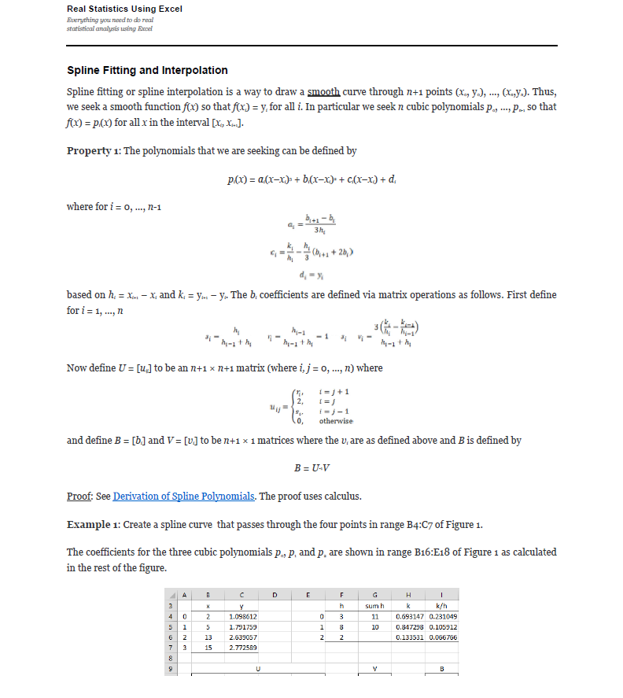
 | Example 1: Create a spline curve that passes through the four points
 | The coefficients for the three cubic polynomials p0, p1 and p2 are shown
 | i | x | y |  | i | h | sum h | k | k/h
 | 0 | 2 | 1.098612 |  | 0
 | 1 | 5 | 1.791759 |  | 1
 | 2 | 13 | 2.639057 |  | 2
 | 3 | 15 | 2.772589

 |  | U |  |  |  |  | V |  | B
 |  | 2 | 0 | 0 | 0 |  | 0
 |  |  | 2 |  | 0
 |  | 0 |  | 2
 |  | 0 | 0 | 0 | 2 |  | 0

 | i | a | b | c | d
 | 0
 | 1
 | 2

 | 4. Test Data: Function(Coordinates: {(0, 1), (1, 2)}, Interpolation: NaturalCublicSpline) |  |  |  |  |  |  |  |  |  | 5. Test Data: Function(Coordinates: {(X1, Y1), (X2, Y2)}, Interpolation: NaturalCublicSpline)
 | The coefficients for the three cubic polynomials p0, p1 and p2 are shown |  |  |  |  |  |  |  |  |  | The coefficients for the three cubic polynomials p0, p1 and p2 are shown
 | i | x | y |  | i | h | sum h | k | k/h |  | i | x | y |  | i | h | sum h | k | k/h
 | 0 | 0 | 1 |  | 0 |  |  |  |  |  | 0 |  |  |  | 0
 | 1 | 1 | 2 |  | 1 |  |  |  |  |  | 1 |  |  |  | 1
 | 2 | 2 | 3 |  | 2 |  |  |  |  |  | 2 |  |  |  | 2
 | 3 | 3 | 4 |  |  |  |  |  |  |  | 3

 |  | U |  |  |  |  | V |  | B |  |  | U |  |  |  |  | V |  | B
 |  | 2 | 0 | 0 | 0 |  | 0 |  |  |  |  | 2 | 0 | 0 | 0 |  | 0
 |  |  | 2 |  | 0 |  |  |  |  |  |  |  | 2 |  | 0
 |  | 0 |  | 2 |  |  |  |  |  |  |  | 0 |  | 2
 |  | 0 | 0 | 0 | 2 |  | 0 |  |  |  |  | 0 | 0 | 0 | 2 |  | 0

 | i | a | b | c | d |  |  |  |  |  | i | a | b | c | d
 | 0 |  |  |  |  |  |  |  |  |  | 0
 | 1 |  |  |  |  |  |  |  |  |  | 1
 | 2 |  |  |  |  |  |  |  |  |  | 2

 | p | Range |  | x | y Result |  |  |  |  |  | p | Range |  | x | y Result
 | 0 |  |  | 0 |  |  |  |  |  |  | 0
 | 1 |  |  | 0.25 |  |  |  |  |  |  | 1
 | 2 |  |  | 1 |  |  |  |  |  |  | 2
 |  |  |  | 1.72
 |  |  |  | 2
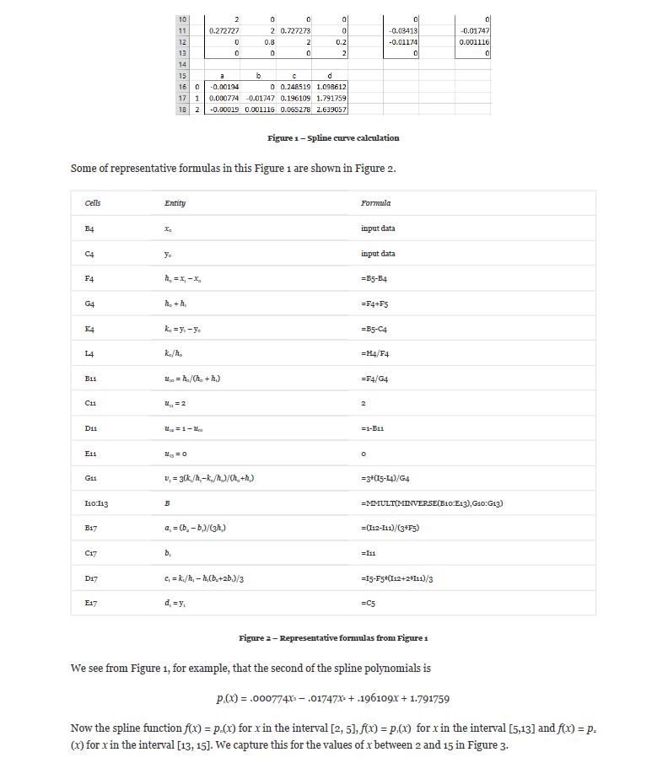
 |  |  |  | 2.5
 |  |  |  | 3

 | Inverse Example 1: Create a spline curve that passes through the four points
 | The coefficients for the three cubic polynomials p0, p1 and p2 are shown
 | i | x | y |  | i | h | sum h | k | k/h
 | 0 | 2 | 1.098612 |  | 0
 | 1 | 5 | 1.791759 |  | 1
 | 2 | 13 | 2.639057 |  | 2
 | 3 | 15 | 2.772589

 |  | U |  |  |  |  | V |  | B
 |  | 2 | 0 | 0 | 0 |  | 0
 |  |  | 2 |  | 0
 |  | 0 |  | 2
 |  | 0 | 0 | 0 | 2 |  | 0

 | i | a | b | c | d | delta0 | delta1 | C | x (y = 0) | Check y = 0
 | 0
 | 1
 | 2

 | p | Range |  | x Result | y
 | 0 |  |  |  | 1.098612
 | 1 |  |  |  | 1.791759
 | 2 |  |  |  | 2.639057
 |  |  |  |  | 2.772589

 |  |  | for y = 0, | x | - (b + (C) - (delta0) / (C)) / (3 * a)
 |  |  |  | delta0 | b^2 - 3 * a * c
 |  |  |  | delta1 | 2 * b^3 - 9 * a * b * c + 27 * a^2 * d
 |  |  |  | C | ( 1/2 * ((delta1) + SQRT((delta1)^2 - 4*(delta0)^3)) )^(1/3)

 |  |  |  | x | - (b + (( 1/2 * ((2 * b^3 - 9 * a * b * c + 27 * a^2 * d) + SQRT((2 * b^3 - 9 * a * b * c + 27 * a^2 * d)^2 - 4*(b^2 - 3 * a * c)^3)) )^(1/3)) - (b^2 - 3 * a * c) / (( 1/2 * ((2 * b^3 - 9 * a * b * c + 27 * a^2 * d) + SQRT((2 * b^3 - 9 * a * b * c + 27 * a^2 * d)^2 - 4*(b^2 - 3 * a * c)^3)) )^(1/3))) / (3 * a)

 | * Finding x = F(y) is too complicated for a cubic polynomial function. Instead, find y = F(x) and use the same values (i.e. if we know what y we get from x, we know what x we'd get from that same y…)

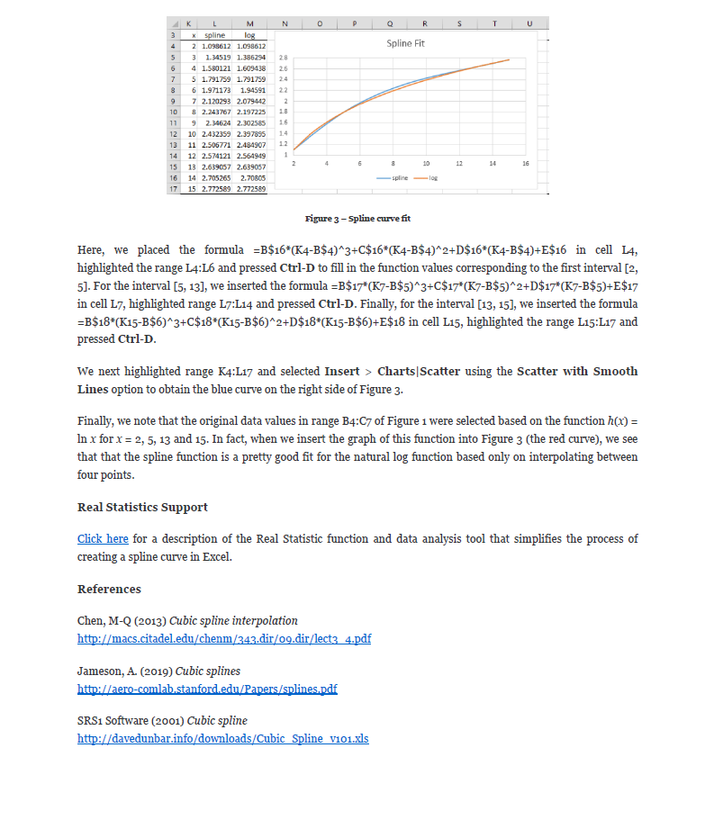

Source: https://www.real-statistics.com/other-mathematical-topics/spline-fitting-interpolation/

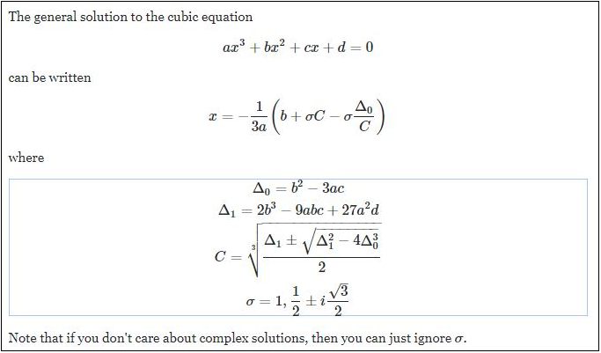

Source: https://math.stackexchange.com/questions/1483839/find-the-inverse-of-the-cubic-function/3106397

