Sheet1
4.2 | P Control
Kp | StepSize | Sketch | Description
1 | 1 |  | Overdamped
2 | 1 |  | Overdamped
2.55 | 1 |  | Crit damped (in theory)
5 | 1 |  | Overdamped
10 | 1 |  | Underdamped
12.27 | 0.8 |  | Underdamped
20 | 0.5 |  | Underdamped
40 | 0.25 |  | Underdamped
100 | 0.1 |  | Unstable

4.3 | PD Control
Kd | Step Size | Sketch | %Osh | Ts
0 | 0.25 |  | 27% | 0.2807
0.25 | 0.25 |  | 18% | 0.20169
0.5 | 0.25 |  | 10.80% | 0.1711
0.619 | 0.5 |  | 0.00% | 0.203 | Kp = 18.66
0.75 | 0.25 |  | 3.60% | 0.127
1 | 0.25 |  | 0 | 0.161
2 | 0.25 |  | 0 | 0.248
4 | 0.25 | 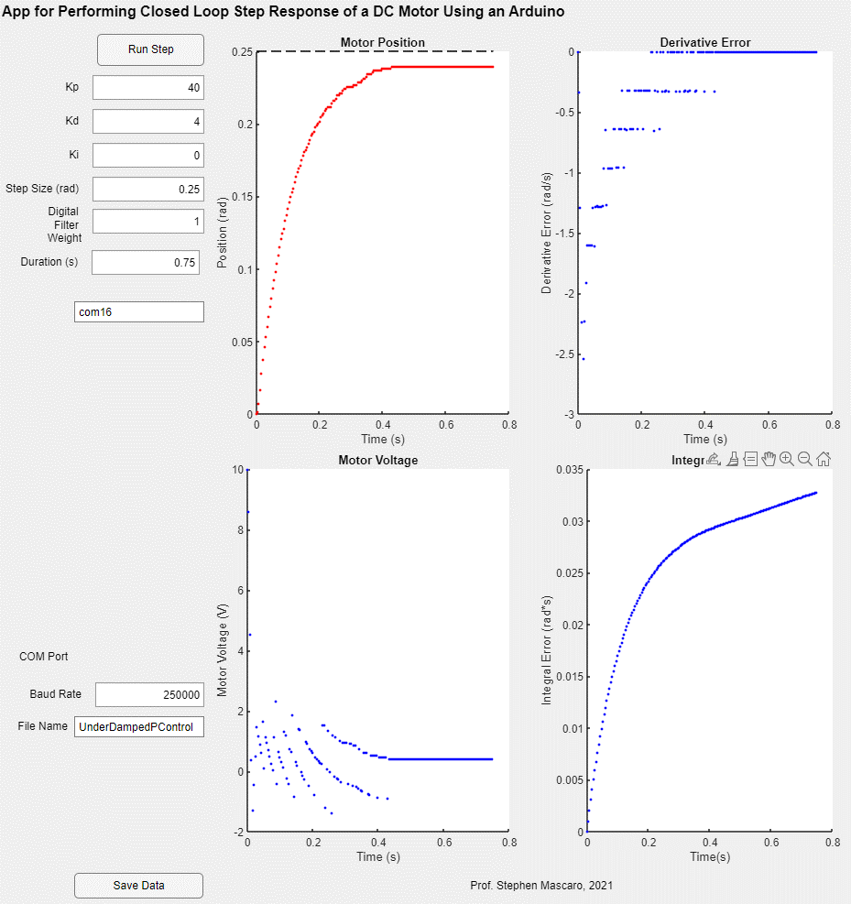 | 0 | 0.425
5 | 0.25 |  | 0 | 0.567

4.4 | PID | Wheel off ground
Step Size | Kp | Kd | Ki
0.25 | 40 | 0.5 | 350

4.5 | PID | Wheel on ground
Step Size | Kp | Kd | Ki
2pi | 40 | 0.5 | 350 |  | 2pi mega oversaturate
.25 chilling

