Sheet1
 | batch_size | learning_rate | num_epoch | random_seed | dropout | optimizer | train_acc | test_acc
BaseLine | 16 | 2.00E-03 | 20 | 42 | 0 | SGD | 86 | 66.7
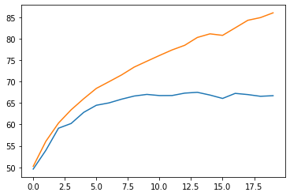

 | batch_size | learning_rate | num_epoch | random_seed | dropout | optimizer | train_acc | test_acc
BaseLine+Dropout(0.5) | 16 | 2.00E-03 | 20 | 42 | 0.5 | SGD | 53.9 | 52.9
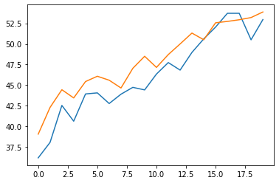

 | batch_size | learning_rate | num_epoch | random_seed | dropout | optimizer | train_acc | test_acc
BaseLine+Dropout(0.5) | 16 | 2.00E-03 | 20 | 42 | 0.5 | Adam | 75.4 | 70.5
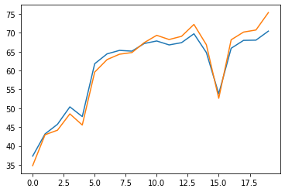

 | batch_size | learning_rate | num_epoch | random_seed | dropout | optimizer | L2 | MixUp_Alpha | lr_scheduler | train_acc | test_acc
Main Idea(Mixup) | 32 | 2.00E-03 | 200 | 42 | 0.5 | Adam | 1.00E-03 | 0.4 | cycliclr | 75.4 | 70.5
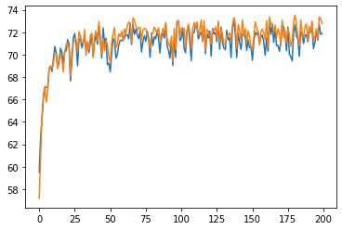

tuning_main2 | batch_size | learning_rate | num_epoch | random_seed | dropout | optimizer | L2 | MixUp_Alpha | lr_scheduler | test_acc | train2번
l2 줄이기 | 32 | 2.00E-03 | 200+200 | 42 | 0.5 | Adam | 1.00E-04 | 0.4 | cycliclr | 78.58

