11.2
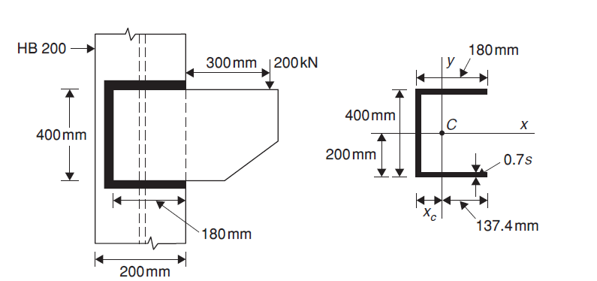
Q 11.2
 | Given |  |  |  |  |  |  |  | edge, e | 40 | mm | 0.04 | m
 | M20 bolts (class 8.8), d |  |  | 20 | mm |  |  |  | Pitch,p | 60 | mm | 0.06 | m
 |  |  | do | 22 | mm |  |  |  | Gauge,g | 50 | mm | 0.05 | m
 |  |  | Asb | 314 | mm2
 |  |  | Anb | 244.92 | mm2 | = | 245 | mm2
 |  |  | fub | 800 | N/mm2
 | Proof stress, fo |  |  | 560 | N/mm2
 |  |  | Thickness, t | 12 | mm
 |  |  | width | 200 | mm
 |  |  | fy | 250 | N/mm2
 |  |  | fu | 410 | N/mm2
 |  |  | Load, P | 200 | kN
 |  |  | eccentricity, e | 400 | mm | 0.4 | m
 |  |  | Moment, M | 80 | kNm
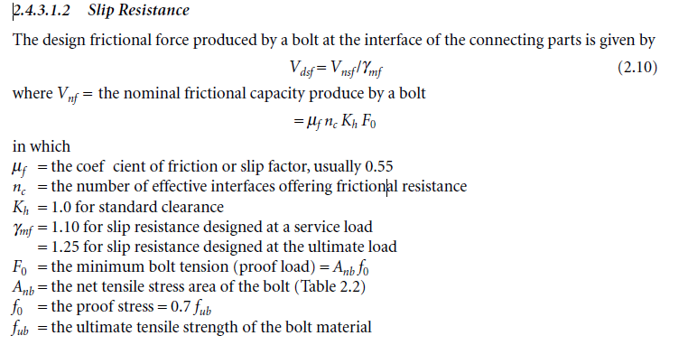

(a) | If no slip is permitted at the ultimate load
 |  |  | Vnf | 75460 | N
 |  |  | Vdsf | 60368 | N | 60 | kN
 |  |  | no of bolts, n | 8.1649658093 | 9

 |  |  | Provide 18 bolts |  | n | 18
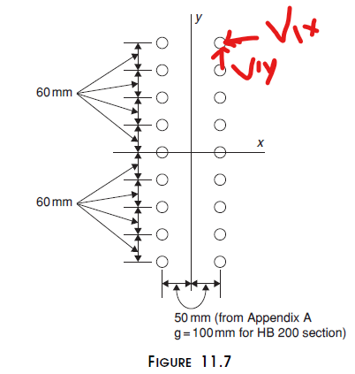

 |  |  | Σri^2 | 472000 | mm2 | 0.472 | m2
 |  | Now | V1x | 40.677966102 | kN
 |  |  | V1y |  | kN
 |  | Therefore | V1 | 40.677966102 | kN | < | 60 | kN |  | ok

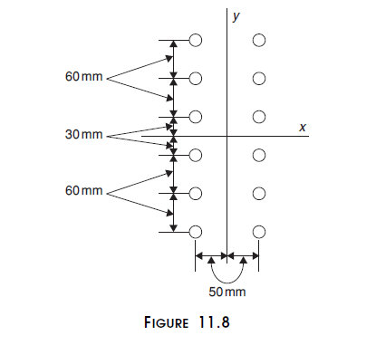
(b) | If slip is permitted at the ultimate load but not at the working load

 |  |  | Vdsb | 116024.3101 | N | 116 | kN

 |  |  | kb | 0.60606060606

 |  |  | Vdpb | 119272.72727 | N | 119 | kN

 |  |  | Bolt Strength | 116024.3101 | N | 116 | kN

 |  |  | no of bolts, n | 5.8722021951 |  | 6

 |  |  | Provide 12 bolts |  | n | 12

 |  |  | Σri^2 | 156000 | mm2 | 0.156 | m2
 |  |  | V1x | 76.923076923 | kN
 |  |  | V1y | 42.307692308 | kN
 |  |  | V1 | 87.790093927 | kN | < | 116 | kN |  | ok

 |  | For no slip at the working load |  |  | Vdsf | 68600 | N | 68.6 | kN
 |  |  |  | working load | P' | 133.33333333 | kN
 |  |  |  | Moment | M' | 53333.333333 | kN-mm | 53.33 | kNm

 |  |  |  | V1x' | 51.278846154 | kN
 |  |  |  | V1y' | 28.204059829 | kN
 |  |  |  | V1' | 58.523406033 | kN | < | 68.6 | kN
 |  |  | Hence, no slip will occur at the working load

