Coordinates
Igrebot - Beacons 2017
SPI Communication

 | Coordinates

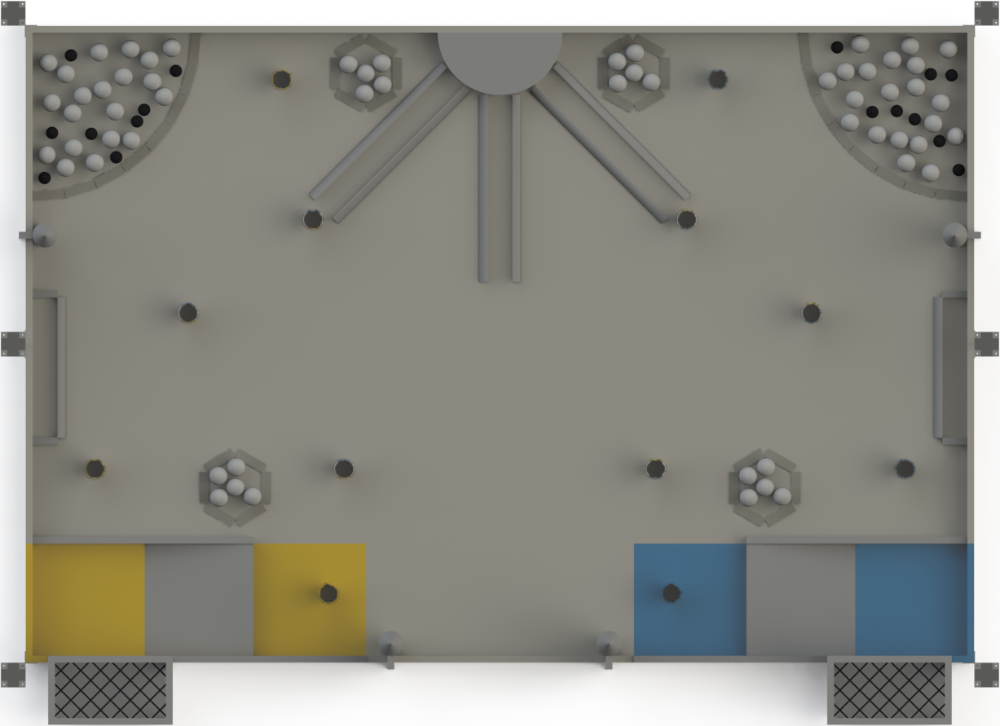
S2

R1
O2
Starting Area when TEAM1_YES = 0
O1
R2
Starting Area when TEAM1_YES = 1

S1

S3

