Sheet1
Power Supplies
+ 12V @ 3A
+7.4V @ 3A
+5V @ 3A
Logic Supplies
+ 12V @ 1A
+5V @ 1A
+3.3V @ 1A
RS485
XL-320
2x Connectors
+ 1x Terminal

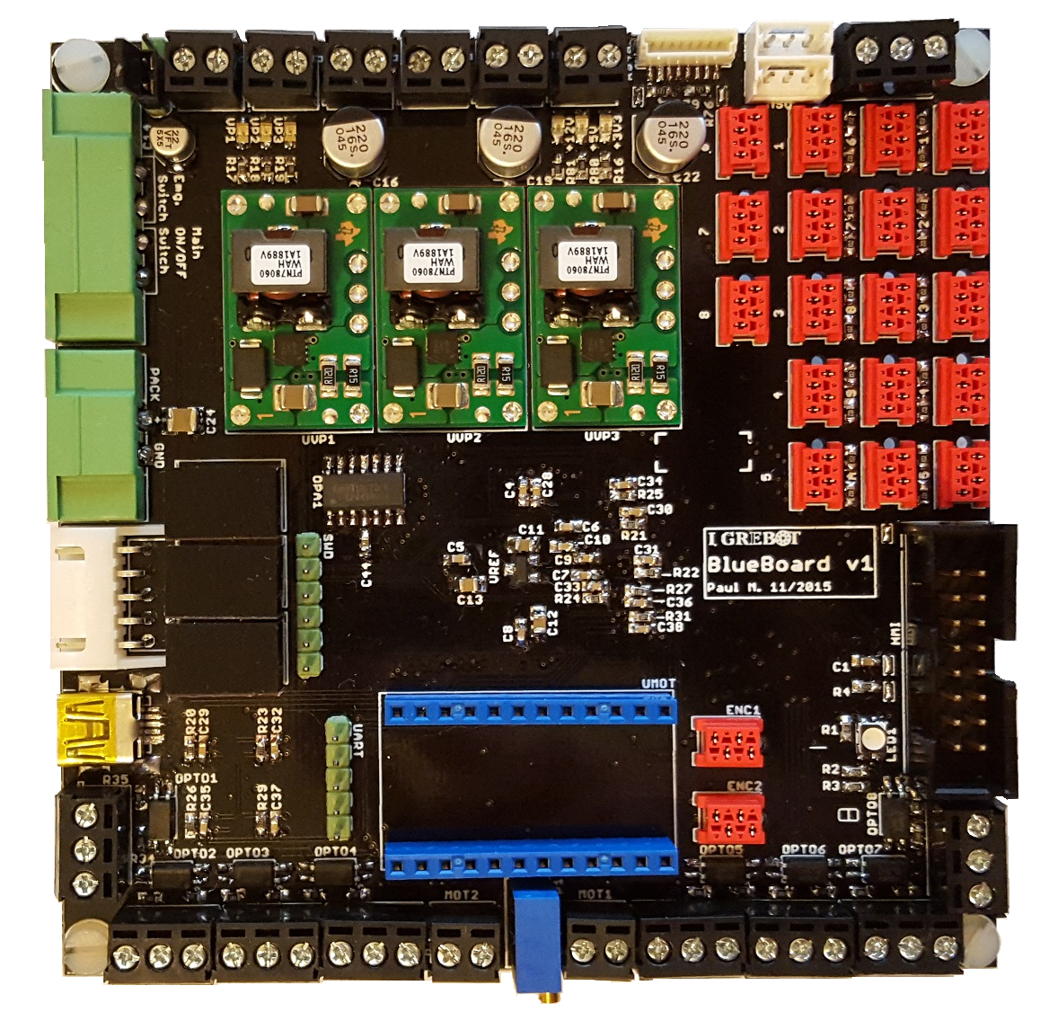

Main ON/OFF
Emergency ON/OFF

10 x Industrial Sensor (12V)
(NPN or PNP config)
8x Digital Inputs (3.3V)

LiPo 4S
Pack Power Input

LiPo 4S
Battery Cells
Monitoring
HMI Expander:
• SPI
• CAN
• 6 Digital Inputs
• 1 Digital Output

USB 2.0 OTG

4x Analog Servos
4x Analog Servos

ST-Link
SWD + SWO
UART
2x Full H-Bridge
VPack @ 2.5A
2x Quad.
Encoders
RGB
Led

