Architecture
Robotic User Interface (RUI) board
Main Board
20 PNP/NPN
Industrial Sensors
8 Endstop Sensors
µ SD Card
Main ON/OFF SW
Start SW
2 Quadrature Encoders
Team Select SW
dsPIC33E
P812MU814
TQFP-144
µC
dsPIC33E
EP512GM804
TQFP-44
µC
Spartan6
XC3S200A
VQ-100
FPGA
Spare SW
10 Quadrature Encoders
Emergency SW
RGB Led

128 x 64 PMOLED Screen
Navigation
Encoder

Piezo Beeper

Power Board

6x Cells
Monitoring
6x Current
Sensing
3 Type A (5A)
Full H-bridges
8 Type B (3A)
Full H-bridges

VP1 Module
5V, 6A
5V, 1A
Supply

VP2 Module
10V, 6A
3.3V, 1A
Supply

VP3 Module
12V, 6A
1.2V, 1A
Supply
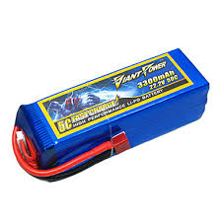
Battery
LiPo - 6S

VP4 Module
12V, 3A
8 Analog
Servos
6 Power
MOSFET
Digital
Servos

