Example Decision Tables
Decision ID | IMMZ.G2.DT
Business rule | If child or person has not been vaccinated, give Dengue vaccine between 9 and 45 years of age
Trigger | IMMZ.G2 Determine Required Vaccinations if any
Hit Policy indicator | Rule Order
Hit Policy Indicator
R | Individual is seronegative for Dengue | Pregnancy Status | Dengue Vaccine Immunization History | Date last Dengue dose given | Current Patient Age in Years | Output Type | Action | Guidance | Annotation(s) | Reference(s)
Input Expression
Input Entry
Output Labels (Does not change)
Only 1 Output entry per rule/row
references to guidance documents
IMMZ.G2.DT.01 | "Individual is seronegative for Dengue" =FALSE | "Pregnancy Status" =FALSE | "Dengue Vaccine Immunization History"=0 | - | 9>="Current Patient Age in Years"<=45 | ImmunizationRecommendation | Vaccinate patient for Dengue because no doses at 9 years old in a 3 dose scheme | Vaccinate patient for first dose | Provide Dengue immunizations – using the "Dengue vaccine immunization – NO PREVIOUS" schedule (3 dose scheme) Note: Pre-vaccination screening is necessary to avoid vaccinating truly Seronegative persons. | WHO recommendations for routine immunization - summary tables (2021) (1)
Rules as rows
IMMZ.G2.DT.02 |  |  | "Dengue Vaccine Immunization History"=1 | "Date last Dengue dose given" >=6 'month' | - | ImmunizationRecommendation | Vaccinate patient for Dengue because 1st dose given 6 months ago in a 3 dose scheme | Vaccinate patient for second dose | Provide Dengue immunizations – using the "Dengue vaccine immunization – 1 PREVIOUS" schedule (3 dose scheme) | WHO recommendations for routine immunization - summary tables (2021) (1)
merging allowed for same input entries for different Rule IDs
merging is not allowed since previous input expressions have different input entries in these rows [1 dose and 2 doses]
pop-up message
IMMZ.G2.DT.03 |  |  | "Dengue Vaccine Immunization History"=2 | "Date last Dengue dose given" >=6 'month' | - | ImmunizationRecommendation | Vaccinate patient for Dengue because 2nd dose given 6 months ago in a 3 dose scheme | Vaccinate patient for third dose | Provide Dengue immunizations – using the "Dengue vaccine immunization – 2 PREVIOUS" schedule (3 dose scheme) | WHO recommendations for routine immunization - summary tables (2021) (1)
Rule ID
Irrelevant/ NA
merging is not allowed for output type and action (neither at row nor at column level)
notes

Example with Hit Policy : Rule Order. In this case "Danger signs exists" is a grouper of choices that includes "Fever", "Severe Headace", "Visual Disturbance" and the grouper is defined in the Data Dictionary If a contact presents with Fever and Central Cyanosis, then 3 outputs will be executed in the order of 1. Proceed with ANC contact, 2. Referral, 3. Guidance on bluish discoloration
Decision ID | ANC.B5.DT Danger signs
Business Rule | Before each contact, during the Quick Check, the health worker should check whether the woman has any of the danger signs listed here – if yes, she should be referred to the hospital urgently; if no, the normal contact should be continued as normal
Trigger | ANC.B5 Quick check
Hit Policy indicator | Rule Order
R | Danger Signs | Output Type | Action | Guidance | Annotation(s) | Reference(s)
ANC.B5.DT.01 | in "No danger signs exist" | ActivityDefinition | Proceed with ANC contact | If no danger signs are present, the health worker can continue with the normal ANC contact |  | Pregnancy, childbirth, postpartum and newborn care guide (IMPAC) (2015) (1)
Here Proceed with ANC Contact and Referral were written as outputs of 2 different rules where the input entry was same
ANC.B5.DT.02 | in "Danger signs exists" | ActivityDefinition | Proceed with ANC contact | This is a danger sign that indicates that the woman needs urgent management |  | Pregnancy, childbirth, postpartum and newborn care guide (IMPAC) (2015) (1)
ANC.B5.DT.03 |  | ActivityDefinition | Referral |  |  | Pregnancy, childbirth, postpartum and newborn care guide (IMPAC) (2015) (1)
Multiple input options of Danger signs are grouped as "Danger signs exists" in the data dictionary for better readability
ANC.B5.DT.04 | in "Central Cyanosis" | Task |  | Check for bluish discoloration |  | Pregnancy, childbirth, postpartum and newborn care guide (IMPAC) (2015) (1)

Example with Hit Policy : First In this case if a contact presents with Fever and Central Cyanosis, then just the output for Central Cyanosis will be executed as the first hit. Hence, the output was Central Cyanosis describes a complex output with ANC contact AND Referral along with a comprehensive guidance. In this case, the case of "No Danger Sign" is intentionally modeled to be at the end
Decision ID | ANC.B5.DT Danger signs
Business Rule | Before each contact, during the Quick Check, the health worker should check whether the woman has any of the danger signs listed here – if yes, she should be referred to the hospital urgently; if no, the normal contact should be continued as normal
Trigger | ANC.B5 Quick check
Hit Policy indicator | First
F | Danger Signs | Output Type | Action | Guidance | Annotation(s) | Reference(s)
ANC.B5.DT.01 | "Danger signs" in "Central Cyanosis" | PlanDefinition | Proceed with ANC contact and Referral | Check for bluish discoloration This is a danger sign that indicates that the woman needs urgent management |  | Pregnancy, childbirth, postpartum and newborn care guide (IMPAC) (2015) (1)
Here Proceed with ANC Contact and Referral is written as a complex output against just the one row
ANC.B5.DT.03 | "Danger signs" in "Fever" | PlanDefinition | Proceed with ANC contact and Referral | This is a danger sign that indicates that the woman needs urgent management |  | Pregnancy, childbirth, postpartum and newborn care guide (IMPAC) (2015) (1)
ANC.B5.DT.04 | "Danger signs" in "Severe headache" | PlanDefinition | Proceed with ANC contact and Referral | This is a danger sign that indicates that the woman needs urgent management |  | Pregnancy, childbirth, postpartum and newborn care guide (IMPAC) (2015) (1)
Each input option is explicitly mentioned without grouping
ANC.B5.DT.05 | "Danger signs" in "Visual disturbance" | PlanDefinition | Proceed with ANC contact and Referral | This is a danger sign that indicates that the woman needs urgent management |  | Pregnancy, childbirth, postpartum and newborn care guide (IMPAC) (2015) (1)
ANC.B5.DT.06 | "Danger signs" in "No danger signs" | PlanDefinition | Proceed with ANC contact | If no danger signs are present, the health worker can continue with the normal ANC contact |  | Pregnancy, childbirth, postpartum and newborn care guide (IMPAC) (2015) (1)

Example with complex input expressions
Decision ID | ANC.B7.DT Check symptoms and follow up
Business Rule | Depending on current and/or persistant symptoms, physiological symptoms counselling may be required
Trigger | ANC.B7 Check symptoms and follow up
Hit Policy indicator | Rule Order
R | Current physiological symptoms | Persistent physiological symptoms | Output Type | Action | Guidance | Annotation(s) | Reference(s)
ANC.B7.DT.01 | "Current physiological symptoms" in "symptoms of labor onset" | - | ActivityDefinition | Investigate any possible complications or onset of labour | Please investigate any possible complications or onset of labour, related to low back and pelvic pain. |  | WHO ANC recommendations (2016): D.1. Nausea and vomiting (3) WHO consolidated self-care interventions guidelines (2019) (4)
ANC.B7.DT.02 | - | "Persistent physiological symptoms" in "symptoms of labor onset" | ActivityDefinition | Investigate any possible complications or onset of labour | Please investigate any possible complications or onset of labour, related to low back and pelvic pain. |  | WHO ANC recommendations (2016): D.1. Nausea and vomiting (3) WHO consolidated self-care interventions guidelines (2019) (4)
complex expression using logical conjunction "and"
ANC.B7.DT.03 | "Current physiological symptoms" in "symptoms related to low back and pelvic pain" and not ("Current physiological symptoms" in "symptoms of labor onset") | - | ActivityDefinition | Counselling on regular exercise, physiotherapy, support belts and acupuncture to relieve low back and pelvic pain | Regular exercise throughout pregnancy is recommended to prevent low back and pelvic pain. There are a number of different treatment options that can be used, such as physiotherapy, support belts and acupuncture, depending and based on a woman's preferences and available options. |  | WHO ANC recommendations (2016): D.1. Nausea and vomiting (3) WHO consolidated self-care interventions guidelines (2019) (4)
ANC.B7.DT.04 | - | "Persistent physiological symptoms" in "symptoms related to low back and pelvic pain" and not ("Current physiological symptoms" in "symptoms of labor onset") | ActivityDefinition | Counselling on regular exercise, physiotherapy, support belts and acupuncture to relieve low back and pelvic pain | Regular exercise throughout pregnancy is recommended to prevent low back and pelvic pain. There are a number of different treatment options that can be used, such as physiotherapy, support belts and acupuncture, depending and based on a woman's preferences and available options. |  | WHO ANC recommendations (2016): D.1. Nausea and vomiting (3) WHO consolidated self-care interventions guidelines (2019) (4)

HIV.S.2 Monitoring ART response
Schedule ID | HIV.S.2 Monitoring the response to ART
Service name | Service description | Trigger event | Trigger date | Create condition | Due date | Overdue | Expiration | Completion | Potential risks and alternative schedules | Comments | Reference(s)
The name of the service for which the schedule is relevant | Description of the service (to provide clarity) | What event signals the start of the service schedule? | What is the date of the signalling event that will be used to determine a service's due date? | Are there any conditions that specify when a service should be given? | How is the due date of the service calculated? | When does the service become overdue? | When does the service expire? | How does the health worker complete the service? | What are the potential risks to not following these schedules? | Provide any commentary as needed | Provide reference to guidance document
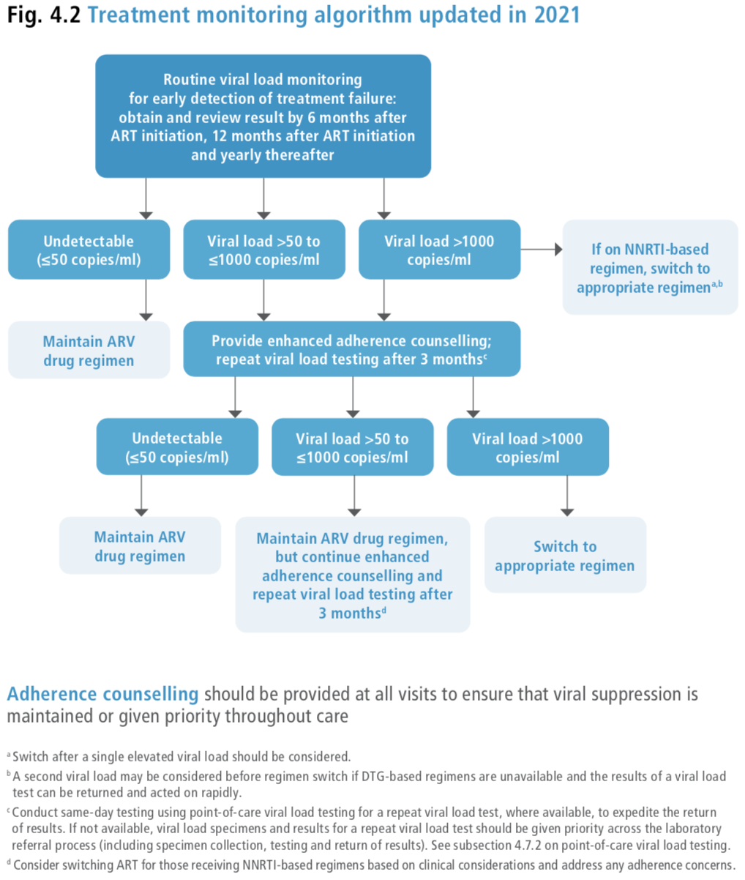
Viral load monitoring
Routine viral load monitoring at 6months after ART initiation | Routine viral load monitoring | "HIV status"='HIV-positive' AND "On ART" | "ART start date" | "Viral load test result" < 50copies/mL | "Trigger date" + 6months | "Due date" + 28 days | Not applicable | "Monitoring examinations"='HIV viral load test scheduled' AND "Reason for HIV viral load test"='Routine viral load test'AND "Date of scheduled review of viral load test results" is 6 months after "Trigger date" AND "Adherence counselling provided"=TRUE | Monitoring people on ART is important to ensure successful treatment, identify adherence problems and determine whether ART regimens should be switched in case of treatment failure. Compared with clinical or immunological monitoring, viral load testing provides an early and more accurate indication of treatment failure and the need to switch from first-line to second-line drugs, reducing the accumulation of drug resistance mutations and improving clinical outcomes (Harrigan, 1995). Measuring viral load also helps to discriminate between treatment failure and non-adherence, following enhanced adherence support. Further, viral load testing gives clients a measure of understanding, control and motivation to adhere to treatment and understand their HIV infection. | Routine viral load monitoring can be carried out by six months, at 12 months and then every 12 months thereafter if the person is established on ART to synchronize with routine monitoring and evaluation reporting (conditional recommendation, very-low-certainty evidence) Adherence counselling should be provided at all visits to ensure that viral suppression is maintained or given priority throughout care Viral load is recommended as the preferred monitoring approach to diagnose and confirm treatment failure | Consolidated guidelines on HIV prevention, testing, treatment, service delivery and monitoring: recommendations for a public health approach. Geneva: World Health Organization; 2021 Fig. 4.2 Treatment monitoring algorithm updated in 2021 Harrigan R. Measuring viral load in the clinical setting. J Acquir Immune Defic Syndr Hum Retrovirol. 1995:34–40
Routine viral load monitoring 12months after ART initiation | Routine viral load monitoring | "HIV status"='HIV-positive' AND "On ART" | "ART start date" | "Viral load test result" < 50copies/mL | "Trigger date" + 12months | "Due date" + 28 days | Not applicable | "Monitoring examinations"='HIV viral load test scheduled' AND "Reason for HIV viral load test"='Routine viral load test' AND "Date of scheduled review of viral load test results" within 12 months of "Trigger date" AND "Adherence counselling provided"=TRUE | Monitoring people on ART is important to ensure successful treatment, identify adherence problems and determine whether ART regimens should be switched in case of treatment failure. Compared with clinical or immunological monitoring, viral load testing provides an early and more accurate indication of treatment failure and the need to switch from first-line to second-line drugs, reducing the accumulation of drug resistance mutations and improving clinical outcomes (Harrigan, 1995). Measuring viral load also helps to discriminate between treatment failure and non-adherence, following enhanced adherence support. Further, viral load testing gives clients a measure of understanding, control and motivation to adhere to treatment and understand their HIV infection. | Routine viral load monitoring can be carried out by six months, at 12 months and then every 12 months thereafter if the person is established on ART to synchronize with routine monitoring and evaluation reporting (conditional recommendation, very-low-certainty evidence) Adherence counselling should be provided at all visits to ensure that viral suppression is maintained or given priority throughout care Viral load is recommended as the preferred monitoring approach to diagnose and confirm treatment failure | Consolidated guidelines on HIV prevention, testing, treatment, service delivery and monitoring: recommendations for a public health approach. Geneva: World Health Organization; 2021 Fig. 4.2 Treatment monitoring algorithm updated in 2021 Harrigan R. Measuring viral load in the clinical setting. J Acquir Immune Defic Syndr Hum Retrovirol. 1995:34–41
Routine viral load monitoring every 12months after ART initiation | Routine viral load monitoring | "HIV status"='HIV-positive' AND "On ART" | "Date of viral load sample collection" | "Viral load test result" < 50copies/mL | "Trigger date" + 12months | "Due date" + 28 days | Not applicable | "Monitoring examinations"='HIV viral load test scheduled' AND "Reason for HIV viral load test"='Routine viral load test' AND "Date of scheduled review of viral load test results" within 12 months of "Trigger date" AND "Adherence counselling provided"=TRUE | Monitoring people on ART is important to ensure successful treatment, identify adherence problems and determine whether ART regimens should be switched in case of treatment failure. Compared with clinical or immunological monitoring, viral load testing provides an early and more accurate indication of treatment failure and the need to switch from first-line to second-line drugs, reducing the accumulation of drug resistance mutations and improving clinical outcomes (Harrigan, 1995). Measuring viral load also helps to discriminate between treatment failure and non-adherence, following enhanced adherence support. Further, viral load testing gives clients a measure of understanding, control and motivation to adhere to treatment and understand their HIV infection. | Routine viral load monitoring can be carried out by six months, at 12 months and then every 12 months thereafter if the person is established on ART to synchronize with routine monitoring and evaluation reporting (conditional recommendation, very-low-certainty evidence) Adherence counselling should be provided at all visits to ensure that viral suppression is maintained or given priority throughout care Viral load is recommended as the preferred monitoring approach to diagnose and confirm treatment failure | Consolidated guidelines on HIV prevention, testing, treatment, service delivery and monitoring: recommendations for a public health approach. Geneva: World Health Organization; 2021 Fig. 4.2 Treatment monitoring algorithm updated in 2021 Harrigan R. Measuring viral load in the clinical setting. J Acquir Immune Defic Syndr Hum Retrovirol. 1995:34–42
Viral load monitoring after elevated (between 50 and 1000 copies/mL) viral load test | Viral load monitoring | "HIV status"='HIV-positive' AND "On ART" | "Date of viral load sample collection" | "Viral load test result" between 50copies/mL and 1000copies/mL | "Trigger date" + 3months | "Due date" + 28 days | Not applicable | "Monitoring examinations"='HIV viral load test scheduled' AND "Reason for HIV viral load test"='Follow-up viral load test after receiving enhanced adherence counselling' AND "Date of scheduled review of viral load test results" within 3 months of "Trigger date" AND "Enhanced adherence counselling provided"=TRUE | Monitoring people on ART is important to ensure successful treatment, identify adherence problems and determine whether ART regimens should be switched in case of treatment failure. Compared with clinical or immunological monitoring, viral load testing provides an early and more accurate indication of treatment failure and the need to switch from first-line to second-line drugs, reducing the accumulation of drug resistance mutations and improving clinical outcomes (Harrigan, 1995). Measuring viral load also helps to discriminate between treatment failure and non-adherence, following enhanced adherence support. Further, viral load testing gives clients a measure of understanding, control and motivation to adhere to treatment and understand their HIV infection. | Conduct same-day testing using point-of-care viral load testing for a repeat viral load test, where available, to expedite the return of results. If not available, viral load specimens and results for a repeat viral load test should be given priority across the laboratory referral process (including specimen collection, testing and return of results). Conduct same-day testing using point-of-care viral load testing for a repeat viral load test, where available, to expedite the return of results. If not available, viral load specimens and results for a repeat viral load test should be given priority across the laboratory referral process (including specimen collection, testing and return of results). See subsection 4.7.2 [of cited 2021 Consolidated guidelines] on point-of-care viral load testing. | Consolidated guidelines on HIV prevention, testing, treatment, service delivery and monitoring: recommendations for a public health approach. Geneva: World Health Organization; 2021 Fig. 4.2 Treatment monitoring algorithm updated in 2021 Harrigan R. Measuring viral load in the clinical setting. J Acquir Immune Defic Syndr Hum Retrovirol. 1995:34–43
Viral load monitoring after second elevated (between 50 and 1000 copies/mL) viral load test | Viral load monitoring | "HIV status"='HIV-positive' AND "On ART" | "Date of viral load sample collection" | (Second consecutive) "Viral load test result" between 50copies/mL and 1000copies/mL | Follow-up viral load test due "Trigger date" + 3months | "Due date" + 28 days | Not applicable | "Monitoring examinations"='HIV viral load test scheduled' AND "Reason for HIV viral load test"='Follow-up viral load test after receiving enhanced adherence counselling' AND "Date of scheduled review of viral load test results" within 3 months of "Trigger date" AND "Enhanced adherence counselling provided"=TRUE AND Consider switching ART for those receiving NNRTI-based regimens based on clinical considerations and address any adherence concerns | Monitoring people on ART is important to ensure successful treatment, identify adherence problems and determine whether ART regimens should be switched in case of treatment failure. Compared with clinical or immunological monitoring, viral load testing provides an early and more accurate indication of treatment failure and the need to switch from first-line to second-line drugs, reducing the accumulation of drug resistance mutations and improving clinical outcomes (Harrigan, 1995). Measuring viral load also helps to discriminate between treatment failure and non-adherence, following enhanced adherence support. Further, viral load testing gives clients a measure of understanding, control and motivation to adhere to treatment and understand their HIV infection. | Conduct same-day testing using point-of-care viral load testing for a repeat viral load test, where available, to expedite the return of results. If not available, viral load specimens and results for a repeat viral load test should be given priority across the laboratory referral process (including specimen collection, testing and return of results). Conduct same-day testing using point-of-care viral load testing for a repeat viral load test, where available, to expedite the return of results. If not available, viral load specimens and results for a repeat viral load test should be given priority across the laboratory referral process (including specimen collection, testing and return of results). See subsection 4.7.2 [of cited 2021 Consolidated guidelines] on point-of-care viral load testing. | Consolidated guidelines on HIV prevention, testing, treatment, service delivery and monitoring: recommendations for a public health approach. Geneva: World Health Organization; 2021 Fig. 4.2 Treatment monitoring algorithm updated in 2021 Harrigan R. Measuring viral load in the clinical setting. J Acquir Immune Defic Syndr Hum Retrovirol. 1995:34–44
Viral load monitoring after elevated (>1000 copies/mL) viral load test | Viral load monitoring | "HIV status"='HIV-positive' AND "On ART" | "Date of viral load sample collection" | "Viral load test result" > 1000copies/mL | "Trigger date" | "Due date" | Not applicable | If on NNRTI-based regimen, switch client to appropriate regimen. Switch after a single elevated viral load should be considered. A second viral load may be considered before regimen switch if DTG-based regimens are unavailable and the results of a viral load test can be returned and acted on rapidly. | Monitoring people on ART is important to ensure successful treatment, identify adherence problems and determine whether ART regimens should be switched in case of treatment failure. Compared with clinical or immunological monitoring, viral load testing provides an early and more accurate indication of treatment failure and the need to switch from first-line to second-line drugs, reducing the accumulation of drug resistance mutations and improving clinical outcomes (Harrigan, 1995). Measuring viral load also helps to discriminate between treatment failure and non-adherence, following enhanced adherence support. Further, viral load testing gives clients a measure of understanding, control and motivation to adhere to treatment and understand their HIV infection. | Conduct same-day testing using point-of-care viral load testing for a repeat viral load test, where available, to expedite the return of results. If not available, viral load specimens and results for a repeat viral load test should be given priority across the laboratory referral process (including specimen collection, testing and return of results). Conduct same-day testing using point-of-care viral load testing for a repeat viral load test, where available, to expedite the return of results. If not available, viral load specimens and results for a repeat viral load test should be given priority across the laboratory referral process (including specimen collection, testing and return of results). See subsection 4.7.2 [of cited 2021 Consolidated guidelines] on point-of-care viral load testing. | Consolidated guidelines on HIV prevention, testing, treatment, service delivery and monitoring: recommendations for a public health approach. Geneva: World Health Organization; 2021 Fig. 4.2 Treatment monitoring algorithm updated in 2021 Harrigan R. Measuring viral load in the clinical setting. J Acquir Immune Defic Syndr Hum Retrovirol. 1995:34–45
CD4 monitoring of those receiving ART
CD4 count monitoring | CD4 count monitoring of those receiving ART | "HIV status"='HIV-positive' AND "On ART" AND NOT "Established on ART" | "ART start date" |  | "Trigger date" + 6months | "Due date" + 28 days | "Established on ART" | "Monitoring examinations"='CD4 count test scheduled' | Clinical assessment and diagnostic tests play a key role in assessing individuals following a positive HIV diagnosis to assess for toxicity, coinfections, noncommunicable diseases and other comorbidities that may affect treatment response. | [For those receiving ART the following is recommended:] CD4 cell count every six months until established on ART | Table 4.10: Recommended tests for HIV screening and monitoring approaches for coinfections and noncommunicable diseases, Consolidated guidelines on HIV prevention, testing, treatment, service delivery and monitoring: recommendations for a public health approach. Geneva: World Health Organization; 2021
Frequency of clinical visits for those established on ART
Frequency of clinical visits | Clinical visits of 3-6 months for those on established on ART | "HIV status"='HIV-positive' AND "Established on ART" | "Visit date" |  | "Trigger date" + 6months | "Due date" + 28 days |  | "Type of follow-up appointment"='Clinical visit' AND "Date/time of follow-up appointment" is between 3 to 6 months after "Trigger date" | For people living with HIV who are established on ART, a frequency of clinical visits and dispensing of ART of 3–6 months is associated with improved outcomes compared with monthly schedules. | People established on ART should be offered clinical visits every 3–6 months, preferably every six months if feasible (strong recommendation, moderate-certainty evidence). | Consolidated guidelines on HIV prevention, testing, treatment, service delivery and monitoring: recommendations for a public health approach. Geneva: World Health Organization; 2021 Section 7.5.3: Frequency of clinical visits and ART pick-up

HIV.B7.DT Test Using Algorithm
Decision ID | HIV.B7.DT
Business Rule | WHO standard testing strategy for HIV-1 diagnosis (among people ≥18 months of age)
Trigger | HIV.B7 Test for HIV using testing algorithm, HIV.C4 Test for HIV using testing algorithm, HIV.D.11 Retest using HIV strategy
Hit Policy Indicator | First
F | Assay number in testing strategy | HIV test type | Test result of HIV assay 1 | Test result of HIV assay 2 | Test result of HIV assay 1 repeated | Test result of HIV assay 3 | - | - | Output Type | Action | Guidance | Annotations | Reference(s)
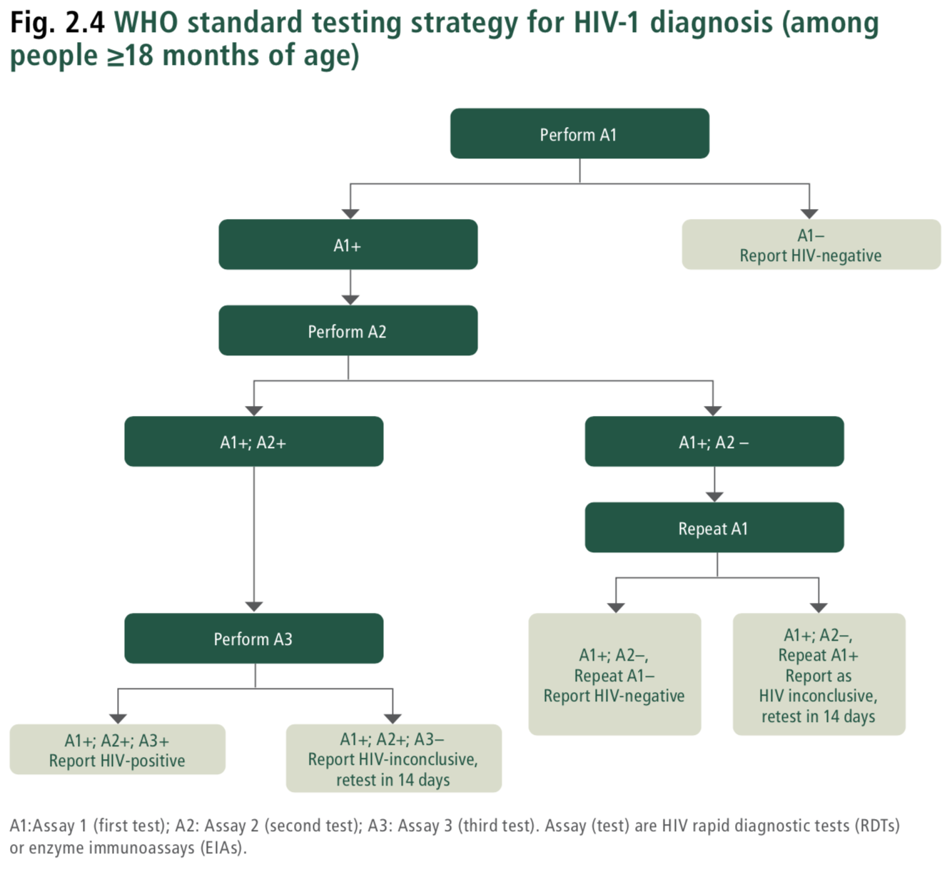
HIV.B7.DT.01 | "Assay number in testing strategy"='Assay 1' | "HIV test type" IN 'Rapid diagnostic test for HIV', 'Enzyme immunoassay for HIV' | "Test result of HIV assay 1"='Non-reactive' | - | - | - | - | - | ObservationDefinition | Report as HIV-negative. Set "HIV test result"='HIV-negative' | Report as HIV-negative. All individuals are tested on Assay 1 (A1). Anyone with a non-reactive test result (A1−) is reported as HIV-negative. |  | Consolidated Guidelines on HIV Testing Services (2019): Fig. 8.3. WHO standard testing strategy for HIV-1 diagnosis (among people ≥18 months of age). Fig. 2. WHO universal HIV testing strategy.
HIV.B7.DT.02 | "Assay number in testing strategy"='Assay 1' | "HIV test type" IN 'Rapid diagnostic test for HIV', 'Enzyme immunoassay for HIV' | "Test result of HIV assay 1"='Reactive' | - | - | - | - | - | ServiceRequest | Continue with performing HIV 'Assay 2' | Continue with performing HIV 'Assay 2' All individuals are tested on Assay 1 (A1). Individuals who are reactive on Assay 1 (A1+) should then be tested on a separate and distinct Assay 2 (A2). |  | Consolidated Guidelines on HIV Testing Services (2019): Fig. 8.3. WHO standard testing strategy for HIV-1 diagnosis (among people ≥18 months of age). Fig. 2. WHO universal HIV testing strategy.
HIV.B7.DT.03 | "Assay number in testing strategy"='Assay 2' | "HIV test type" IN 'Rapid diagnostic test for HIV', 'Enzyme immunoassay for HIV' | "Test result of HIV assay 1"='Reactive' | "Test result of HIV assay 2"='Non-reactive' | - | - | - | - | ServiceRequest | Continue with performing HIV 'Assay 1 repeated' | Continue with performing HIV 'Assay 1 repeated' Individuals who are reactive on Assay 1 but non-reactive on Assay 2 (A1+; A2−) should be repeated on Assay 1. In the event of discrepant test results (A1+; A2−), it is important to repeat Assay 1. Repeating Assay 1 will determine if the individual is repeatedly reactive on the assay that has the highest sensitivity |  | Consolidated Guidelines on HIV Testing Services (2019): Fig. 8.3. WHO standard testing strategy for HIV-1 diagnosis (among people ≥18 months of age). Fig. 2. WHO universal HIV testing strategy.
HIV.B7.DT.04 | "Assay number in testing strategy"='Assay 2' | "HIV test type" IN 'Rapid diagnostic test for HIV', 'Enzyme immunoassay for HIV' | "Test result of HIV assay 1"='Reactive' | "Test result of HIV assay 2"='Reactive' | - | - | - | - | ServiceRequest | Continue with performing HIV 'Assay 3' | Continue with performing HIV 'Assay 3' Individuals who are reactive on both Assay 1 and Assay 2 (A1+; A2+) should then be tested on a separate and distinct Assay 3 (A3). |  | Consolidated Guidelines on HIV Testing Services (2019): Fig. 8.3. WHO standard testing strategy for HIV-1 diagnosis (among people ≥18 months of age). Fig. 2. WHO universal HIV testing strategy.
HIV.B7.DT.05 | "Assay number in testing strategy"='Assay 1 repeated' | "HIV test type" IN 'Rapid diagnostic test for HIV', 'Enzyme immunoassay for HIV' | "Test result of HIV assay 1"='Reactive' | "Test result of HIV assay 2"='Non-reactive' | "Test result of HIV assay 1 repeated"='Non-reactive' | - | - | - | ObservationDefinition | Report as HIV negative. Set "HIV test result"='HIV-negative' | Report as HIV negative. If repeat Assay 1 is non-reactive (A1+; A2−; repeat A1–), the status should be reported as HIV negative. |  | Consolidated Guidelines on HIV Testing Services (2019): Fig. 8.3. WHO standard testing strategy for HIV-1 diagnosis (among people ≥18 months of age). Fig. 2. WHO universal HIV testing strategy.
HIV.B7.DT.06 | "Assay number in testing strategy"='Assay 1 repeated' | "HIV test type" IN 'Rapid diagnostic test for HIV', 'Enzyme immunoassay for HIV' | "Test result of HIV assay 1"='Reactive' | "Test result of HIV assay 2"='Non-reactive' | "Test result of HIV assay 1 repeated"='Reactive' | - | - | - | PlanDefinition | Report as HIV-inconclusive Schedule retest date on "Visit date" + 14 days Set "HIV test result"='HIV-inconclusive' | Report as HIV-inconclusive; retest in 14 days. If repeat Assay 1 is reactive (A1+; A2–; repeat A1+), the status should be reported as HIV-inconclusive, and the individual asked to return in 14 days for additional testing. |  | Consolidated Guidelines on HIV Testing Services (2019): Fig. 8.3. WHO standard testing strategy for HIV-1 diagnosis (among people ≥18 months of age). Fig. 2. WHO universal HIV testing strategy.
HIV.B7.DT.07 | "Assay number in testing strategy"='Assay 3' | "HIV test type" IN 'Rapid diagnostic test for HIV', 'Enzyme immunoassay for HIV' | "Test result of HIV assay 1"='Reactive' | "Test result of HIV assay 2"='Reactive' | - | "Test result of HIV assay 3"='Non-reactive' | - | - | PlanDefinition | Report HIV-inconclusive Schedule retest date on "Visit date"+ 14 days Set "HIV test result"='HIV-inconclusive' | Report HIV-inconclusive; retest in 14 days. Report HIV-inconclusive if Assay 3 is non-reactive (A1+; A2+; A3−). The individual should be asked to return in 14 days for additional testing. |  | Consolidated Guidelines on HIV Testing Services (2019): Fig. 8.3. WHO standard testing strategy for HIV-1 diagnosis (among people ≥18 months of age). Fig. 2. WHO universal HIV testing strategy.
HIV.B7.DT.08 | "Assay number in testing strategy"='Assay 3' | "HIV test type" IN 'Rapid diagnostic test for HIV', 'Enzyme immunoassay for HIV' | "Test result of HIV assay 1"='Reactive' | "Test result of HIV assay 2"='Reactive' | - | "Test result of HIV assay 3"='Reactive' | - | - | ObservationDefinition | Report as HIV-positive. Set "HIV test result"='HIV-positive' | Report as HIV-positive. Report as HIV-positive if Assay 3 is reactive (A1+; A2+; A3+). |  | Consolidated Guidelines on HIV Testing Services (2019): Fig. 8.3. WHO standard testing strategy for HIV-1 diagnosis (among people ≥18 months of age). Fig. 2. WHO universal HIV testing strategy.

HIV.E4.DT Test using Algorithm
 | Decision ID | HIV.E4.DT
 | Business Rule | Test [mother] for HIV using testing algorithm (in ANC settings)
 | Trigger | HIV.E4 Test mother for HIV using testing algorithm
 | Hit Policy Indicator | First
 | F | Assay number in testing strategy | HIV test type | Test result of HIV assay 1 | Test result of syphilis assay 1 | Test result of HIV assay 2 | Test result of HIV assay 3 | Test result of HIV assay 1 repeated | Test result of syphilis assay 1 repeated | Output Type | Action | Guidance | Annotations | Reference(s)
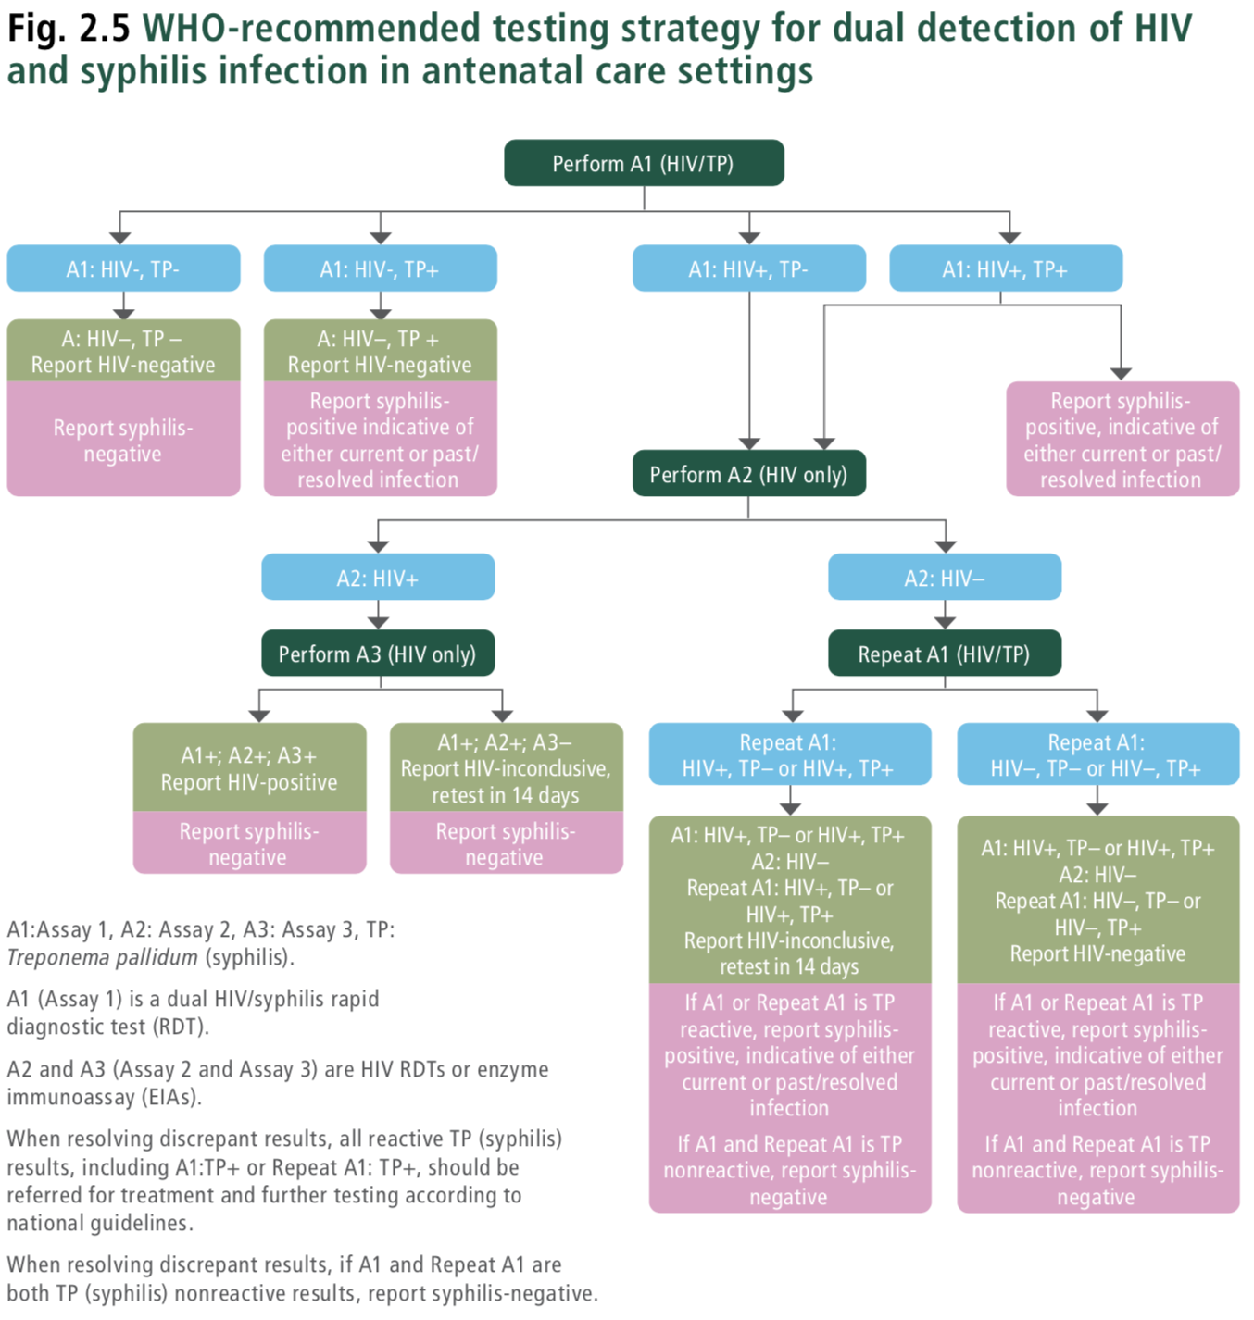
 | HIV.E4.DT.01 | "Assay number in testing strategy"='Assay 1' | "HIV test type"='Dual HIV/syphilis rapid diagnostic test' | "Test result of HIV assay 1"='Non-reactive' | "Test result of syphilis assay 1"='Negative' | - | - | - | - | ObservationDefinition | Report syphilis diagnosis of negative. Report HIV test result of HIV negative Set "HIV test result"='HIV-negative' Set "Syphilis test result"='Syphilis negative' | Report syphilis diagnosis of negative. Report HIV test result of HIV negative |  | Consolidated Guidelines on HIV Testing Services. 2019. Fig. 2 WHO universal HIV testing strategy. 8.4.2 Multiplex testing for HIV-1 and other infections. Figure 8.6 WHO recommended testing strategy for dual detection of HIV and syphilis in ANC settings.
 | HIV.E4.DT.02 | "Assay number in testing strategy"='Assay 1' | "HIV test type"='Dual HIV/syphilis rapid diagnostic test' | "Test result of HIV assay 1"='Non-reactive' | "Test result of syphilis assay 1"='Positive' | - | - | - | - | PlanDefinition | Report as HIV-negative Report syphilis-positive indicative of either current or past/ resolved infection Perform syphilis counselling and treatment or refer Set "HIV test result"='HIV-negative' Set "Syphilis test result"='Syphilis positive' | Report as HIV-negative Report syphilis-positive indicative of either current or past/ resolved infection Perform syphilis counselling and treatment or refer |  | Consolidated Guidelines on HIV Testing Services. 2019. Fig. 2 WHO universal HIV testing strategy. 8.4.2 Multiplex testing for HIV-1 and other infections. Figure 8.6 WHO recommended testing strategy for dual detection of HIV and syphilis in ANC settings.
 | HIV.E4.DT.03 | "Assay number in testing strategy"='Assay 1' | "HIV test type"='Dual HIV/syphilis rapid diagnostic test' | "Test result of HIV assay 1"='Reactive' | "Test result of syphilis assay 1"='Negative' | - | - | - | - | ServiceRequest | Continue to perform HIV Assay 2 using "HIV test type"='Rapid diagnostic test for HIV' | Continue to perform HIV Assay 2 using a rapid diagnostic test for HIV. |  | Consolidated Guidelines on HIV Testing Services. 2019. Fig. 2 WHO universal HIV testing strategy. 8.4.2 Multiplex testing for HIV-1 and other infections. Figure 8.6 WHO recommended testing strategy for dual detection of HIV and syphilis in ANC settings.
 | HIV.E4.DT.04 | "Assay number in testing strategy"='Assay 1' | "HIV test type"='Dual HIV/syphilis rapid diagnostic test' | "Test result of HIV assay 1"='Reactive' | "Test result of syphilis assay 1"='Positive' | - | - | - | - | PlanDefinition | Report as syphilis positive Continue to perform HIV Assay 2 using "HIV test type"='Rapid diagnostic test for HIV' Set "Syphilis test result"='Syphilis positive' Syphilis counselling and treatment = TRUE | Perform Assay 2 with an HIV-only test Report syphilis-positive indicative of either current or past/ resolved infection Perform syphilis counselling and treatment or refer. |  | Consolidated Guidelines on HIV Testing Services. 2019. Fig. 2 WHO universal HIV testing strategy. 8.4.2 Multiplex testing for HIV-1 and other infections. Figure 8.6 WHO recommended testing strategy for dual detection of HIV and syphilis in ANC settings.
 | HIV.E4.DT.05 | "Assay number in testing strategy"='Assay 2' | "HIV test type" IN 'Rapid diagnostic test for HIV', 'Enzyme immunoassay for HIV' | "Test result of HIV assay 1"='Reactive' | "Test result of syphilis assay 1"='Negative' | "Test result of HIV assay 2"='Non-reactive' | - | - | - | ServiceRequest | Continue to perform HIV 'Assay 1 repeated' using "HIV test type"='Dual HIV/syphilis rapid diagnostic test' | Repeat Assay 1 with a Dual HIV/syphilis rapid diagnostic test |  | Consolidated Guidelines on HIV Testing Services. 2019. Fig. 2 WHO universal HIV testing strategy. 8.4.2 Multiplex testing for HIV-1 and other infections. Figure 8.6 WHO recommended testing strategy for dual detection of HIV and syphilis in ANC settings.
 | HIV.E4.DT.06 | "Assay number in testing strategy"='Assay 2' | "HIV test type" IN 'Rapid diagnostic test for HIV', 'Enzyme immunoassay for HIV' | "Test result of HIV assay 1"='Reactive' | "Test result of syphilis assay 1"='Positive' | "Test result of HIV assay 2"='Non-reactive' | - | - | - | ServiceRequest | Continue to perform HIV 'Assay 1 repeated' using "HIV test type"='Dual HIV/syphilis rapid diagnostic test' | Repeat Assay 1 with a Dual HIV/syphilis rapid diagnostic test |  | Consolidated Guidelines on HIV Testing Services. 2019. Fig. 2 WHO universal HIV testing strategy. 8.4.2 Multiplex testing for HIV-1 and other infections. Figure 8.6 WHO recommended testing strategy for dual detection of HIV and syphilis in ANC settings.
 | HIV.E4.DT.07 | "Assay number in testing strategy"='Assay 2' | "HIV test type" IN 'Rapid diagnostic test for HIV', 'Enzyme immunoassay for HIV' | "Test result of HIV assay 1"='Reactive' | "Test result of syphilis assay 1"='Negative' | "Test result of HIV assay 2"='Reactive' | - | - | - | ServiceRequest | Continue to perform HIV 'Assay 3' using "HIV test type"='Rapid diagnostic test for HIV' | Perform Assay 3 with an HIV-only test | A negative syphilis test result should have already been recorded. | Consolidated Guidelines on HIV Testing Services. 2019. Fig. 2 WHO universal HIV testing strategy. 8.4.2 Multiplex testing for HIV-1 and other infections. Figure 8.6 WHO recommended testing strategy for dual detection of HIV and syphilis in ANC settings.
 | HIV.E4.DT.08 | "Assay number in testing strategy"='Assay 2' | "HIV test type" IN 'Rapid diagnostic test for HIV', 'Enzyme immunoassay for HIV' | "Test result of HIV assay 1"='Reactive' | "Test result of syphilis assay 1"='Positive' | "Test result of HIV assay 2"='Reactive' | - | - | - | ServiceRequest | Continue to perform HIV 'Assay 3' using "HIV test type"='Rapid diagnostic test for HIV' | Perform Assay 3 with an HIV-only test. | A positive syphilis test result should have already been recorded. | Consolidated Guidelines on HIV Testing Services. 2019. Fig. 2 WHO universal HIV testing strategy. 8.4.2 Multiplex testing for HIV-1 and other infections. Figure 8.6 WHO recommended testing strategy for dual detection of HIV and syphilis in ANC settings.
 | HIV.E4.DT.09 | "Assay number in testing strategy"='Assay 3' | "HIV test type" IN 'Rapid diagnostic test for HIV', 'Enzyme immunoassay for HIV' | "Test result of HIV assay 1"='Reactive' | "Test result of syphilis assay 1"='Negative' | "Test result of HIV assay 2"='Reactive' | "Test result of HIV assay 3"='Non-reactive' | - | - | PlanDefinition | Report as HIV-inconclusive Schedule follow-up testing visit in 14 days Report as syphilis negative Set "HIV test result"='HIV-inconclusive' Schedule retest on "Visit date" + 14 days Set "Syphilis test result"='Syphilis negative' | Report as HIV-inconclusive Schedule follow-up testing visit in 14 days Report as syphilis negative |  | Consolidated Guidelines on HIV Testing Services. 2019. Fig. 2 WHO universal HIV testing strategy. 8.4.2 Multiplex testing for HIV-1 and other infections. Figure 8.6 WHO recommended testing strategy for dual detection of HIV and syphilis in ANC settings.
 | HIV.E4.DT.10 | "Assay number in testing strategy"='Assay 3' | "HIV test type" IN 'Rapid diagnostic test for HIV', 'Enzyme immunoassay for HIV' | "Test result of HIV assay 1"='Reactive' | "Test result of syphilis assay 1"='Negative' | "Test result of HIV assay 2"='Reactive' | "Test result of HIV assay 3"='Reactive' | - | - | ObservationDefinition | Report as HIV-positive Report as syphilis negative Set "HIV test result"='HIV-positive' Set "Syphilis test result"='Syphilis negative' | Report as HIV-positive Report as syphilis negative |  | Consolidated Guidelines on HIV Testing Services. 2019. Fig. 2 WHO universal HIV testing strategy. 8.4.2 Multiplex testing for HIV-1 and other infections. Figure 8.6 WHO recommended testing strategy for dual detection of HIV and syphilis in ANC settings.
 | HIV.E4.DT.11 | "Assay number in testing strategy"='Assay 3' | "HIV test type" IN 'Rapid diagnostic test for HIV', 'Enzyme immunoassay for HIV' | "Test result of HIV assay 1"='Reactive' | "Test result of syphilis assay 1"='Positive' | "Test result of HIV assay 2"='Reactive' | "Test result of HIV assay 3"='Non-reactive' | - | - | PlanDefinition | Report as HIV-inconclusive Schedule follow-up testing visit in 14 days Report as syphilis positive Perform syphilis counselling and treatment or refer Set "HIV test result"='HIV-inconclusive' Schedule retest on "Visit date" + 14 days Set "Syphilis test result"='Syphilis positive' Set "Syphilis counselling and treatment"=True | Report as HIV-inconclusive Schedule follow-up testing visit in 14 days Report syphilis-positive indicative of either current or past/ resolved infection Perform syphilis counselling and treatment or refer |  | Consolidated Guidelines on HIV Testing Services. 2019. Fig. 2 WHO universal HIV testing strategy. 8.4.2 Multiplex testing for HIV-1 and other infections. Figure 8.6 WHO recommended testing strategy for dual detection of HIV and syphilis in ANC settings.
 | HIV.E4.DT.12 | "Assay number in testing strategy"='Assay 3' | "HIV test type" IN 'Rapid diagnostic test for HIV', 'Enzyme immunoassay for HIV' | "Test result of HIV assay 1"='Reactive' | "Test result of syphilis assay 1"='Positive' | "Test result of HIV assay 2"='Reactive' | "Test result of HIV assay 3"='Reactive' | - | - | PlanDefinition | Report as HIV-positive Report as syphilis positive Perform syphilis counselling and treatment or refer Set "HIV test result"='HIV-positive' Set "Syphilis test result"='Syphilis positive' Set "Syphilis counselling and treatment"=True | Report as HIV-positive Report syphilis-positive indicative of either current or past/ resolved infection Perform syphilis counselling and treatment or refer |  | Consolidated Guidelines on HIV Testing Services. 2019. Fig. 2 WHO universal HIV testing strategy. 8.4.2 Multiplex testing for HIV-1 and other infections. Figure 8.6 WHO recommended testing strategy for dual detection of HIV and syphilis in ANC settings.
 | HIV.E4.DT.11 | "Assay number in testing strategy"='Assay 1 repeated' | "HIV test type"='Dual HIV/syphilis rapid diagnostic test' | "Test result of HIV assay 1"='Reactive' | "Test result of syphilis assay 1"='Syphilis negative' | "Test result of HIV assay 2"='Non-reactive' | - | "Test result of HIV assay 1 repeated"='Non-reactive' | "Test result of syphilis assay 1 repeated"='Syphilis negative' | ObservationDefinition | Report as HIV negative Report as syphilis negative Set "HIV test result"='HIV-negative' Set "Syphilis test result"='Syphilis negative' | Report as HIV negative Report as syphilis negative | If A1 or Repeat A1 is TP reactive, report syphilis- positive, indicative of either a current or past/ resolved infection. If A1 and Repeat A1 is TP nonreactive, report syphilis-negative. | Consolidated Guidelines on HIV Testing Services. 2019. Fig. 2 WHO universal HIV testing strategy. 8.4.2 Multiplex testing for HIV-1 and other infections. Figure 8.6 WHO recommended testing strategy for dual detection of HIV and syphilis in ANC settings.
c | HIV.E4.DT.12 | "Assay number in testing strategy"='Assay 1 repeated' | "HIV test type"='Dual HIV/syphilis rapid diagnostic test' | "Test result of HIV assay 1"='Reactive' | "Test result of syphilis assay 1"='Syphilis negative' | "Test result of HIV assay 2"='Non-reactive' | - | "Test result of HIV assay 1 repeated"='Non-reactive' | "Test result of syphilis assay 1 repeated"='Syphilis positive' | PlanDefinition | Report HIV negative Report as syphilis positive Perform syphilis counselling and treatment or refer Set "HIV test result"='HIV-negative' Set "Syphilis test result"='Syphilis positive' Set "Syphilis counselling and treatment"=True | Report HIV negative Report syphilis-positive indicative of either current or past/ resolved infection Perform syphilis counselling and treatment or refer | If A1 or Repeat A1 is TP reactive, report syphilis- positive, indicative of either a current or past/resolved infection If A1 and Repeat A1 is TP nonreactive, report syphilis-negative | Consolidated Guidelines on HIV Testing Services. 2019. Fig. 2 WHO universal HIV testing strategy. 8.4.2 Multiplex testing for HIV-1 and other infections. Figure 8.6 WHO recommended testing strategy for dual detection of HIV and syphilis in ANC settings.
 | HIV.E4.DT.13 | "Assay number in testing strategy"='Assay 1 repeated' | "HIV test type"='Dual HIV/syphilis rapid diagnostic test' | "Test result of HIV assay 1"='Reactive' | "Test result of syphilis assay 1"='Syphilis negative' | "Test result of HIV assay 2"='Non-reactive' | - | "Test result of HIV assay 1 repeated"='Reactive' | "Test result of syphilis assay 1 repeated"='Syphilis negative' | PlanDefinition | Report as HIV-inconclusive Schedule follow-up testing visit in 14 days Report as syphilis negative Set "HIV test result"='HIV-inconclusive' Set "Syphilis test result"='Syphilis negative' Recommended follow-up date = "Visit date" + 14 days | Report as HIV-inconclusive Schedule follow-up testing visit in 14 days Report as syphilis negative |  | Consolidated Guidelines on HIV Testing Services. 2019. Fig. 2 WHO universal HIV testing strategy. 8.4.2 Multiplex testing for HIV-1 and other infections. Figure 8.6 WHO recommended testing strategy for dual detection of HIV and syphilis in ANC settings.
 | HIV.E4.DT.14 | "Assay number in testing strategy"='Assay 1 repeated' | "HIV test type"='Dual HIV/syphilis rapid diagnostic test' | "Test result of HIV assay 1"='Reactive' | "Test result of syphilis assay 1"='Syphilis negative' | "Test result of HIV assay 2"='Non-reactive' | - | "Test result of HIV assay 1 repeated"='Reactive' | "Test result of syphilis assay 1 repeated"='Syphilis positive' | PlanDefinition | Report as HIV-inconclusive Schedule follow-up testing visit in 14 days Report as syphilis positive Perform syphilis counselling and treatment or refer Set "HIV test result"='HIV-inconclusive' Set "Syphilis test result"='Syphilis positive' Recommended follow-up date = "Visit date" + 14 days Set "Syphilis counselling and treatment"=True | Report as HIV-inconclusive Schedule follow-up testing visit in 14 days Report syphilis-positive indicative of either current or past/ resolved infection Perform syphilis counselling and treatment or refer |  | Consolidated Guidelines on HIV Testing Services. 2019. Fig. 2 WHO universal HIV testing strategy. 8.4.2 Multiplex testing for HIV-1 and other infections. Figure 8.6 WHO recommended testing strategy for dual detection of HIV and syphilis in ANC settings.
c | HIV.E4.DT.15 | "Assay number in testing strategy"='Assay 1 repeated' | "HIV test type"='Dual HIV/syphilis rapid diagnostic test' | "Test result of HIV assay 1"='Reactive' | "Test result of syphilis assay 1"='Positive' | "Test result of HIV assay 2"='Non-reactive' | - | "Test result of HIV assay 1 repeated"='Non-reactive' | "Test result of syphilis assay 1 repeated"='Syphilis negative' | PlanDefinition | Report HIV negative Report as syphilis positive Perform syphilis counselling and treatment or refer Set "HIV test result"='HIV-negative' Set "Syphilis test result"='Syphilis positive' Set "Syphilis counselling and treatment"=True | Report HIV negative Report syphilis-positive indicative of either current or past/ resolved infection Perform syphilis counselling and treatment or refer | If A1 or Repeat A1 is TP reactive, report syphilis- positive, indicative of either a current or past/resolved infection If A1 and Repeat A1 is TP nonreactive, report syphilis-negative | Consolidated Guidelines on HIV Testing Services. 2019. Fig. 2 WHO universal HIV testing strategy. 8.4.2 Multiplex testing for HIV-1 and other infections. Figure 8.6 WHO recommended testing strategy for dual detection of HIV and syphilis in ANC settings.
 | HIV.E4.DT.16 | "Assay number in testing strategy"='Assay 1 repeated' | "HIV test type"='Dual HIV/syphilis rapid diagnostic test' | "Test result of HIV assay 1"='Reactive' | "Test result of syphilis assay 1"='Positive' | "Test result of HIV assay 2"='Non-reactive' | - | "Test result of HIV assay 1 repeated"='Non-reactive' | "Test result of syphilis assay 1 repeated"='Syphilis positive' | PlanDefinition | Report HIV negative Report as syphilis positive Perform syphilis counselling and treatment or refer Set "HIV test result"='HIV-negative' Set "Syphilis test result"='Syphilis positive' Set "Syphilis counselling and treatment"=True | Report HIV negative Report syphilis-positive indicative of either current or past/ resolved infection Perform syphilis counselling and treatment or refer | If A1 or Repeat A1 is TP reactive, report syphilis- positive, indicative of either a current or past/resolved infection If A1 and Repeat A1 is TP nonreactive, report syphilis-negative | Consolidated Guidelines on HIV Testing Services. 2019. Fig. 2 WHO universal HIV testing strategy. 8.4.2 Multiplex testing for HIV-1 and other infections. Figure 8.6 WHO recommended testing strategy for dual detection of HIV and syphilis in ANC settings.
 | HIV.E4.DT.17 | "Assay number in testing strategy"='Assay 1 repeated' | "HIV test type"='Dual HIV/syphilis rapid diagnostic test' | "Test result of HIV assay 1"='Reactive' | "Test result of syphilis assay 1"='Positive' | "Test result of HIV assay 2"='Non-reactive' | - | "Test result of HIV assay 1 repeated"='Reactive' | "Test result of syphilis assay 1 repeated"='Syphilis negative' | PlanDefinition | Report as HIV-inconclusive Schedule follow-up testing visit in 14 days Report as syphilis positive Perform syphilis counselling and treatment or refer Set "HIV test result"='HIV-inconclusive' Set "Syphilis test result"='Syphilis positive' Recommended follow-up date = "Visit date" + 14 days | Report as HIV-inconclusive Schedule follow-up testing visit in 14 days Report syphilis-positive indicative of either current or past/ resolved infection Perform syphilis counselling and treatment or refer | If A1 or Repeat A1 is TP reactive, report syphilis- positive, indicative of either current or past/ resolved infection If A1 and Repeat A1 is TP nonreactive, report syphilis-negative | Consolidated Guidelines on HIV Testing Services. 2019. Fig. 2 WHO universal HIV testing strategy. 8.4.2 Multiplex testing for HIV-1 and other infections. Figure 8.6 WHO recommended testing strategy for dual detection of HIV and syphilis in ANC settings.
 | HIV.E4.DT.18 | "Assay number in testing strategy"='Assay 1 repeated' | "HIV test type"='Dual HIV/syphilis rapid diagnostic test' | "Test result of HIV assay 1"='Reactive' | "Test result of syphilis assay 1"='Positive' | "Test result of HIV assay 2"='Non-reactive' | - | "Test result of HIV assay 1 repeated"='Reactive' | "Test result of syphilis assay 1 repeated"='Syphilis positive' | PlanDefinition | Report as HIV-inconclusive Schedule follow-up testing visit in 14 days Report as syphilis positive Perform syphilis counselling and treatment or refer Set "HIV test result"='HIV-inconclusive' Set "Syphilis test result"='Syphilis positive' Recommended follow-up date = "Visit date" + 14 days | Report as HIV-inconclusive Schedule follow-up testing visit in 14 days Report syphilis-positive indicative of either current or past/ resolved infection Perform syphilis counselling and treatment or refer | If A1 or Repeat A1 is TP reactive, report syphilis- positive, indicative of either current or past/ resolved infection If A1 and Repeat A1 is TP nonreactive, report syphilis-negative | Consolidated Guidelines on HIV Testing Services. 2019. Fig. 2 WHO universal HIV testing strategy. 8.4.2 Multiplex testing for HIV-1 and other infections. Figure 8.6 WHO recommended testing strategy for dual detection of HIV and syphilis in ANC settings.

HIV.E12.DT Indeterminate test
Decision ID | HIV.E12.DT
Business Rule | Managing indeterminate test results: standard operating procedure
Trigger | HIV.E12 Test infant using HIV testing algorithm, HIV.F8 Test infant/child for HIV using HIV testing algorithm
Hit Policy Indicator | First
F | EID sample number | EID test number | EID test number 1 result | EID test number 2 result | Output Type | Action | Guidance | Annotations | Reference(s)
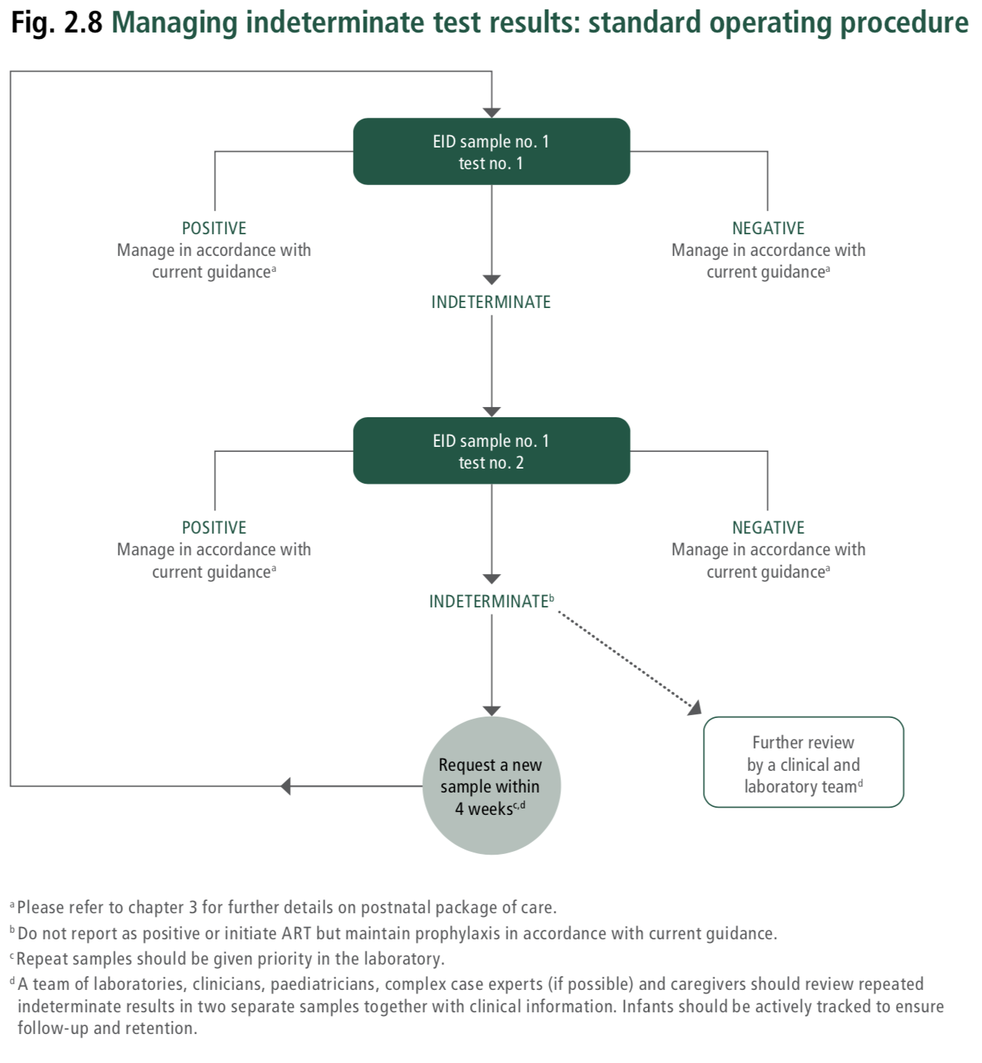
HIV.E12.DT.01 | "EID sample number"='EID sample 1' | "EID test number"='EID test number 1' | "EID test number 1 test result"='Negative' | - | PlanDefinition | Report as HIV-negative. Manage in accordance with current guidance. Set "HIV test result"='HIV-negative'. | Report as HIV-negative. Manage in accordance with current guidance. Please refer to chapter 3 (Consolidated guidelines on HIV prevention, testing, treatment, service delivery and monitoring: recommendations for a public health approach (2021)) for further details on postnatal package of care. |  | Consolidated guidelines on HIV prevention, testing, treatment, service delivery and monitoring: recommendations for a public health approach (2021); Fig. 2.8 Managing indeterminate test results: standard operating procedure.
HIV.E12.DT.02 | "EID sample number"='EID sample 1' | "EID test number"='EID test number 1' | "EID test number 1 test result"='Indeterminate' | - | ServiceRequest | Perform "EID test number"='EID test number 2' using EID sample no. 1 | Perform test no. 2 using EID sample no. 1. All indeterminate tests should be repeat tested on the same specimen, if and when available. If the same specimen cannot be repeat tested, then a new specimen should be requested and tested as quickly as possible. |  | Consolidated guidelines on HIV prevention, testing, treatment, service delivery and monitoring: recommendations for a public health approach (2021); Fig. 2.8 Managing indeterminate test results: standard operating procedure.
HIV.E12.DT.03 | "EID sample number"='EID sample 1' | "EID test number"='EID test number 1' | "EID test number 1 test result"='Positive' | - | PlanDefinition | Report as HIV-positive. Manage in accordance with current guidance. Set "HIV test result"='HIV-positive'. | Report as HIV-positive. Manage in accordance with current guidance. Please refer to chapter 3 (Consolidated guidelines on HIV prevention, testing, treatment, service delivery and monitoring: recommendations for a public health approach (2021)) for further details on postnatal package of care. |  | Consolidated guidelines on HIV prevention, testing, treatment, service delivery and monitoring: recommendations for a public health approach (2021); Fig. 2.8 Managing indeterminate test results: standard operating procedure.
HIV.E12.DT.04 | "EID sample number"='EID sample 1' | "EID test number"='EID test number 2' | "EID test number 1 test result"='Indeterminate' | "EID test number 2 test result"='Negative' | PlanDefinition | Report as HIV-negative. Manage in accordance with current guidance. Set "HIV test result"='HIV-negative'. | Report as HIV-negative. Manage in accordance with current guidance. Please refer to chapter 3 (Consolidated guidelines on HIV prevention, testing, treatment, service delivery and monitoring: recommendations for a public health approach (2021)) for further details on postnatal package of care. |  | Consolidated guidelines on HIV prevention, testing, treatment, service delivery and monitoring: recommendations for a public health approach (2021); Fig. 2.8 Managing indeterminate test results: standard operating procedure.
HIV.E12.DT.05 | "EID sample number"='EID sample 1' | "EID test number"='EID test number 2' | "EID test number 1 test result"='Indeterminate' | "EID test number 2 test result"='Indeterminate' | PlanDefinition | Report as HIV-inconclusive. Request a new sample within four weeks. Repeat samples should be given priority. Do not report as positive or initiate ART but maintain prophylaxis in accordance with current guidance. Conduct further review by a clinical and laboratory team. Set "HIV test result"='HIV-inconclusive' | Report as HIV-inconclusive. For specimens with two indeterminate test results, a new sample should be requested. For infants repeatedly testing indeterminate, it is suggested that a team of experts review clinical and test information to determine the best follow-up care. Request a new sample within 4 weeks. Do not report as positive or initiate ART but maintain prophylaxis in accordance with current guidance. Further review by a clinical and laboratory team. A team of laboratories, clinicians or paediatricians, complex case experts (if possible) and caregivers should review repeated indeterminate results in two separate samples together with clinical information. Infants should be actively tracked to ensure follow-up and retention. |  | Consolidated guidelines on HIV prevention, testing, treatment, service delivery and monitoring: recommendations for a public health approach (2021); Fig. 2.8 Managing indeterminate test results: standard operating procedure.
HIV.E12.DT.06 | "EID sample number"='EID sample 1' | "EID test number"='EID test number 2' | "EID test number 1 test result"='Indeterminate' | "EID test number 2 test result"='Positive' | PlanDefinition | Report as HIV-positive. Manage in according with current guidance. Set "HIV test result"='HIV-positive'. | Report as HIV-positive. Manage in accordance with current guidance. Please refer to chapter 3 (Consolidated guidelines on HIV prevention, testing, treatment, service delivery and monitoring: recommendations for a public health approach (2021)) for further details on postnatal package of care. |  | Consolidated guidelines on HIV prevention, testing, treatment, service delivery and monitoring: recommendations for a public health approach (2021); Fig. 2.8 Managing indeterminate test results: standard operating procedure.

HIV.D4.DT Screen for TB
Note: This tab has three decision support tables: 1) W4SS single screening algorithm (algorithm A.3.1 from source below) 2) Sequential positive screening algorithm with W4SS and CRP (algorithm A.3.5 from source below) 3) Screening with symptoms (for children living with HIV < 10 years) (algorithm A.5.6 from source below) Source: WHO operational handbook on tuberculosis: Module 2: screening. Systematic screening for tuberculosis disease (2021) Note: The algorithms in this tab are not an exhaustive list of screening algorithms for tuberculosis. See sources for additional algorithms. For guidance on which screening approach is appropriate, see Section 3.2.3 Choosing an algorithm for a screening programme in the above source.

Decision ID | HIV.D4.DT
Business Rule | Screen for TB using W4SS single screen algorithm
Trigger | HIV.D4. Screen for TB
Hit Policy Indicator | Rule order
R | TB screening algorithm | Estimated age | Symptoms of TB | C reactive protein test result | History of contact with a person with TB | Output Type | Action | Guidance | Annotations | Reference(s)
HIV.D4.DT.01 | "TB screening algorithm"='W4SS single screening algorithm' | "Estimated age" ≥ 10 years | "Symptoms of TB" IN 'Current cough', 'Fever of 39 °C or greater', 'Weight loss (reported)', 'Night sweats' | - | - | ActivityDefinition | Screen positive for TB. Refer for diagnostic evaluation including mWRD & clinical evaluation as indicated. Set "TB screening result"='Screen positive for TB' | Screen positive for TB. Refer for diagnostic evaluation including mWRD & clinical evaluation as indicated. In PLHIV, diagnostic testing for TB with LF-LAM and other methods is usually considered early on. See WHO consolidated guidelines on tuberculosis, Module 3: Diagnosis - Rapid diagnostics for tuberculosis detection. LF-LAM can assist TB diagnosis among people with advanced HIV disease (AHD) with symptoms and signs of TB. For inpatients with CD4 count ≤200 cells/mm3, outpatients with CD4 count ≤100 cells/mm3, or individuals with any CD4 count with symptoms of AHD or if seriously ill (See WHO Consolidated guidelines on HIV prevention, testing, treatment, service delivery and monitoring: recommendations for a public health approach (2021)) |  | WHO operational handbook on tuberculosis: Module 2: screening. Systematic screening for tuberculosis disease (2021) Figure A.3.1 - W4SS single screening algorithm WHO consolidated guidelines on tuberculosis, Module 3: Diagnosis - Rapid diagnostics for tuberculosis detection | 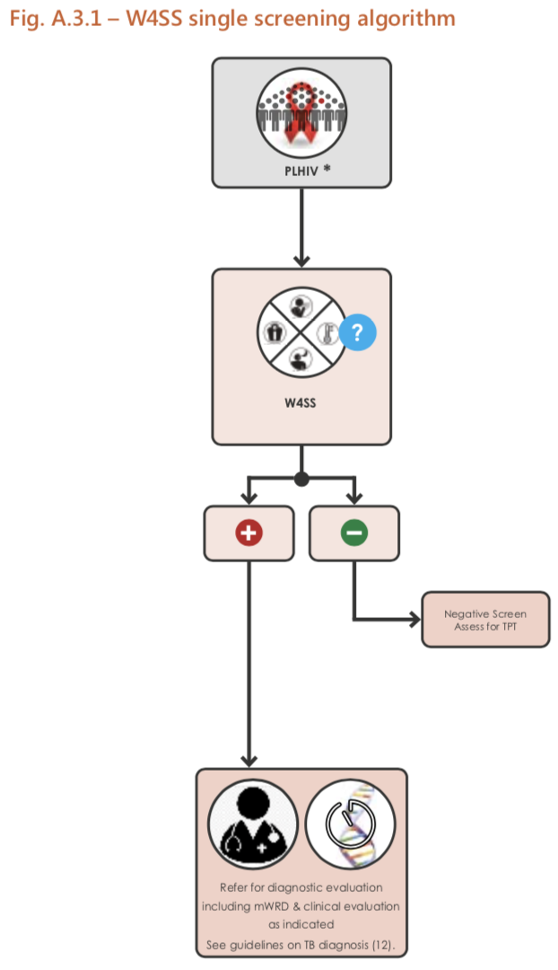
HIV.D4.DT.02 | "TB screening algorithm"='W4SS single screening algorithm' | "Estimated age" ≥ 10 years | "Symptoms of TB"='None' | - | - | ActivityDefinition | Screen negative for TB, assess for TPT. Set "TB screening result"='Screen negative for TB'. If TB prevention services accepted, set "TB prevention services accepted"=True. | Screen negative for TB, assess for TPT. |  | WHO operational handbook on tuberculosis: Module 2: screening. Systematic screening for tuberculosis disease (2021) Figure A.3.1 - W4SS single screening algorithm WHO consolidated guidelines on tuberculosis, Module 3: Diagnosis - Rapid diagnostics for tuberculosis detection

Decision ID | HIV.D4.DT
Business Rule | Sequential positive screening algorithms with W4SS and CRP
Trigger | HIV.D4 Screen for TB
Hit Policy Indicator | R
R | TB screening algorithm | Estimated age | Symptoms of TB | C reactive protein test result | History of contact with a person with TB | Output Type | Action | Guidance | Annotations | Reference(s)
HIV.D4.DT.03 | "TB screening algorithm"='Sequential positive screening algorithm with W4SS and CRP' | Estimated age ≥ 10 years | "Symptoms of TB"='None' | - | - | ActivityDefinition | Screen negative for TB. Assess for TPT. Set "TB screening result"='Screen negative for TB' | Screen negative for TB. Assess for TPT. |  | WHO operational handbook on tuberculosis: Module 2: screening. Systematic screening for tuberculosis disease (2021) Figure A.3.5 - Sequential positive screening algorithm with W4SS and CRP WHO consolidated guidelines on tuberculosis, Module 3: Diagnosis - Rapid diagnostics for tuberculosis detection
HIV.D4.DT.04 | "TB screening algorithm"='Sequential positive screening algorithm with W4SS and CRP' | Estimated age ≥ 10 years | "Symptoms of TB" IN 'Current cough', 'Fever of 39 °C or greater', 'Weight loss (reported)', 'Night sweats' |  |  | ServiceRequest | Perform C reative protein test. | Perform C reative protein test. |  | WHO operational handbook on tuberculosis: Module 2: screening. Systematic screening for tuberculosis disease (2021) Figure A.3.5 - Sequential positive screening algorithm with W4SS and CRP WHO consolidated guidelines on tuberculosis, Module 3: Diagnosis - Rapid diagnostics for tuberculosis detection
HIV.D4.DT.05 | "TB screening algorithm"='Sequential positive screening algorithm with W4SS and CRP' | Estimated age ≥ 10 years | "Symptoms of TB" IN 'Current cough', 'Fever of 39 °C or greater', 'Weight loss (reported)', 'Night sweats' | "C reactive protein test result" ≤ 5 mg/L | - | ActivityDefinition | Screen positive for TB. Refer for diagnostic evaluation including mWRD & clinical evaluation as indicated. Set "TB screening result"='Screen positive for TB' | Screen positive for TB. Refer for diagnostic evaluation including mWRD & clinical evaluation as indicated. In PLHIV, diagnostic testing for TB with LF-LAM and other methods is usually considered early on. Currently, the c-reative protein cut-off value of > 5 mg/L is recommended, as it is the lowest threshold indicating abnormality in many clinical settings and because it is the most sensitive. At this cut-off, CRP has a similar sensitivity and higher or similar specificity to symptom screening in all subpopulations of adults and adolescents living with HIV tested (Section 5.2.2, 2021 WHO operation handbook on tuberculosis, Module 2: screening). LF-LAM can assist TB diagnosis among people with advanced HIV disease (AHD) with symptoms and signs of TB. For inpatients with CD4 count ≤200 cells/mm3, outpatients with CD4 count ≤100 cells/mm3, or individuals with any CD4 count with symptoms of AHD or if seriously ill. |  | WHO operational handbook on tuberculosis: Module 2: screening. Systematic screening for tuberculosis disease (2021) Figure A.3.5 - Sequential positive screening algorithm with W4SS and CRP WHO consolidated guidelines on tuberculosis, Module 3: Diagnosis - Rapid diagnostics for tuberculosis detection | 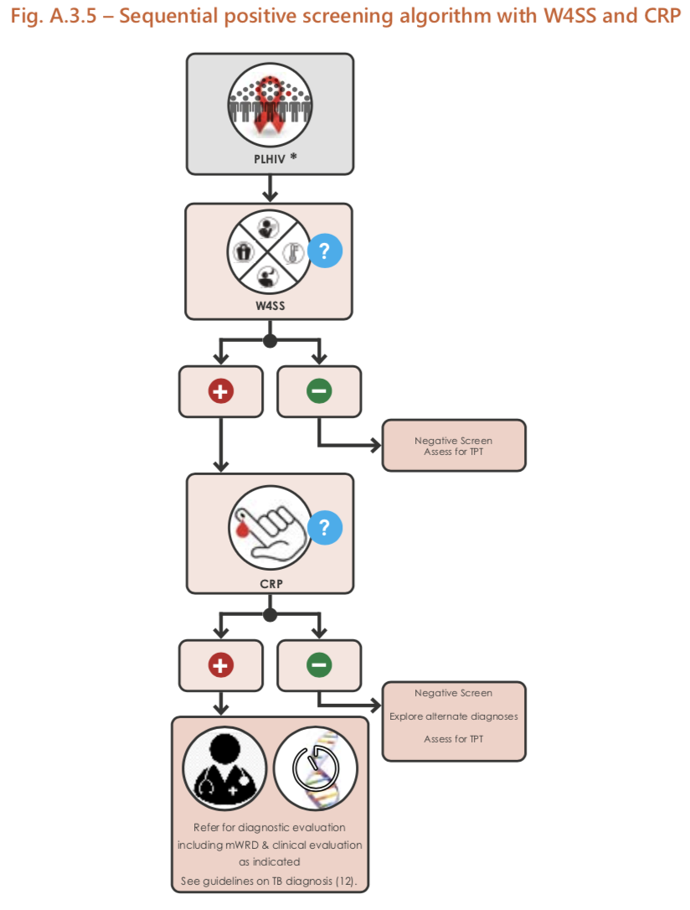
HIV.D4.DT.06 | "TB screening algorithm"='Sequential positive screening algorithm with W4SS and CRP' | Estimated age ≥ 10 years | "Symptoms of TB" IN 'Current cough', 'Fever of 39 °C or greater', 'Weight loss (reported)', 'Night sweats' | "C reactive protein test result" > 5 mg/L | - | ActivityDefinition | Screen negative for TB. Explore alternate diagnosis. Assess for TPT Set "TB screening result"='Screen negative for TB'. If TB prevention services accepted, set "TB prevention services accepted"=True. | In PLHIV, diagnostic testing for TB with LF-LAM and other methods is usually considered early on. Currently, the c-reative protein cut-off value of > 5 mg/L is recommended, as it is the lowest threshold indicating abnormality in many clinical settings and because it is the most sensitive. At this cut-off, CRP has a similar sensitivity and higher or similar specificity to symptom screening in all subpopulations of adults and adolescents living with HIV tested (Section 5.2.2, 2021 WHO operation handbook on tuberculosis, Module 2: screening). LF-LAM can assist TB diagnosis among people with advanced HIV disease (AHD) with symptoms and signs of TB. For inpatients with CD4 count ≤200 cells/mm3, outpatients with CD4 count ≤100 cells/mm3, or individuals with any CD4 count with symptoms of AHD or if seriously ill. |  | WHO operational handbook on tuberculosis: Module 2: screening. Systematic screening for tuberculosis disease (2021) Figure A.3.5 - Sequential positive screening algorithm with W4SS and CRP WHO consolidated guidelines on tuberculosis, Module 3: Diagnosis - Rapid diagnostics for tuberculosis detection

Decision ID | HIV.D4.DT
Business Rule | Screening for TB symptoms for children living with HIV
Trigger | HIV.D4 Screen for TB
Hit Policy Indicator | R
R | TB screening algorithm | Estimated age | Symptoms of TB | C reactive protein test result | History of contact with a person with TB | Output Type | Action | Guidance | Annotations | Reference(s)
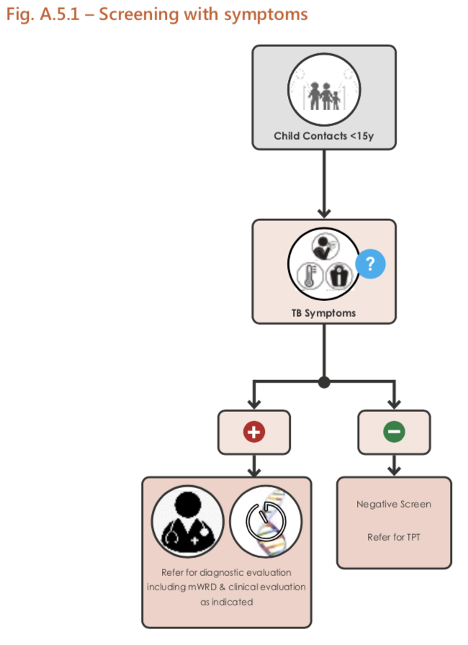
HIV.D4.DT.07 | "TB screening algorithm"='Screening with any TB symptom' | "Estimated age" < 15 years | "Symptoms of TB" IN 'Current cough', 'Fever of 39 °C or greater', 'Poor weight gain', 'Reduced playfulness', 'Lethargy' | - | "History of contact with a person with TB"=True | ActivityDefinition | Screen positive for TB. Refer for diagnostic evaluation including mWRD & clinical evaluation as indicated. Set "TB screening result"='Screen positive for TB' | Screen positive for TB. Refer for diagnostic evaluation including mWRD & clinical evaluation as indicated. Any child < 15 years who has had close contact with someone with TB disease should be screened for TB with a symptom screen and/or CXR as part of active contact-tracing (see Algorithm A.5.1 in Annex 5). Symptoms that should be used to screen for TB are cough, fever and poor weight gain (or weight loss). In young children, reduced playfulness or lethargy should also be included in symptom screening; cough may be absent. |  | WHO operational handbook on tuberculosis: Module 2: screening. Systematic screening for tuberculosis disease (2021) Section 6.3: Screening children living with HIV; Figure A.5.6 - Screening with symptoms (for children living with HIV < 10 years) WHO consolidated guidelines on tuberculosis, Module 3: Diagnosis - Rapid diagnostics for tuberculosis detection
HIV.D4.DT.08 | "TB screening algorithm"='Screening with any TB symptom' | "Estimated age" < 15 years | "Symptoms of TB"='None' | - | "History of contact with a person with TB"=True | ActivityDefinition | Screen negative for TB. Refer for TPT. If TB prevention services accepted, set "TB prevention services accepted"=True. | Screen negative for TB. Refer for TPT. |  | WHO operational handbook on tuberculosis: Module 2: screening. Systematic screening for tuberculosis disease (2021) Section 6.3: Screening children living with HIV; Figure A.5.6 - Screening with symptoms (for children living with HIV < 10 years) WHO consolidated guidelines on tuberculosis, Module 3: Diagnosis - Rapid diagnostics for tuberculosis detection

